Img_Reg_3_res
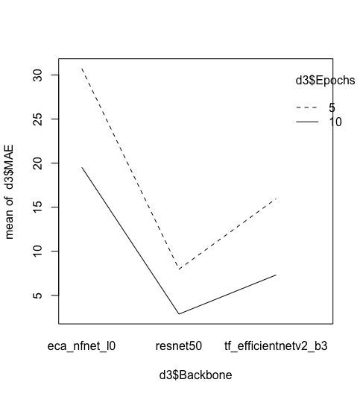
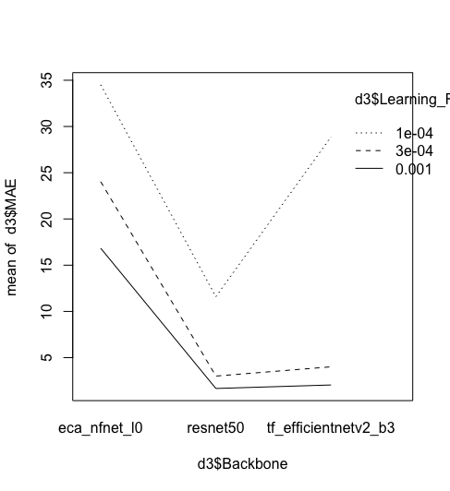
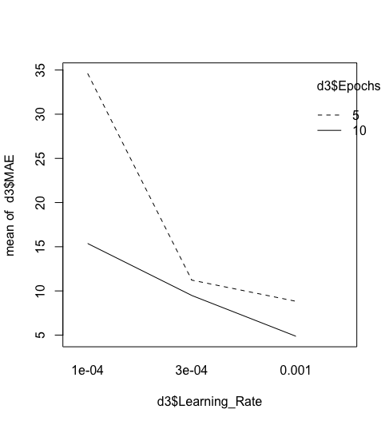
 |  | MAE | Runtime (min)
Backborn | resnet50 | 5.420267 | 3.922222
 | tf_efficientnetv2_b3 | 11.644667 | 4.797222
 | eca_nfnet_l0 | 25.125467 | 4.652778
Learning Rate | 0.001 | 6.847117 | 4.441667
 | 0.0003 | 10.35175 | 4.458333
 | 0.0001 | 24.991533 | 4.472222
Epoc | 5 | 18.221356 | 3.022222
 | 10 | 9.905578 | 5.892593

 | Df | Sum Sq | Mean Sq | F value | Pr(>F)
Backbone | 2 | 1217.54 | 608.77 | 13.551 | 0.0008353 | ***
Learning_Rate | 2 | 1111.65 | 555.83 | 12.373 | 0.001213 | **
Epochs | 1 | 311.18 | 311.18 | 6.927 | 0.0218983 | *
Residuals | 12 | 539.08 | 44.92 |  |  |  |  | モデルによっては、学習率との交互作用あり |  | Epochが5では少ない
 |  |  |  |  |  |  |  |  |  | 小さな学習率と小さなEpochの相性が悪い
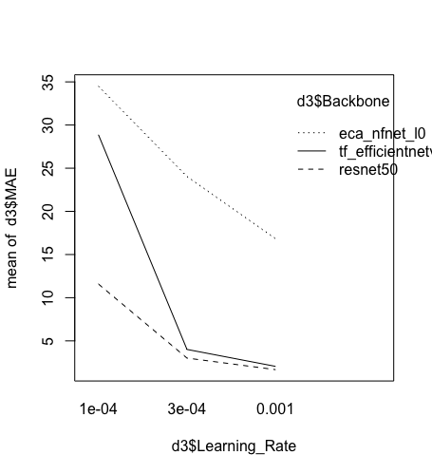
 | Df | Sum Sq | Mean Sq | F value | Pr(>F)
Backbone | 2 | 1217.54 | 608.77 | 106.6928 | 0.0003386 | ***
Learning_Rate | 2 | 1111.65 | 555.83 | 97.4138 | 0.0004047 | ***
Epochs | 1 | 311.18 | 311.18 | 54.5381 | 0.0017924 | **
Backbone:Learning_Rate | 4 | 215.28 | 53.82 | 9.4324 | 0.025803 | * |  |  | efficientnetは、急に精度が高まる
Backbone:Epochs | 2 | 28.24 | 14.12 | 2.4744 | 0.199802
Learning_Rate:Epochs | 2 | 272.75 | 136.37 | 23.9006 | 0.0059627 | **
Residuals | 4 | 22.82 | 5.71

 | Estimate | Std. Error | t value | Pr(>|t|)
(Intercept) | 45.575 | 2.107 | 21.634 | 2.70E-05 | ***
Backboneresnet50 | -25.974 | 2.758 | -9.417 | 0.000709 | ***
Backbonetf_efficientnetv2_b3 | -6.899 | 2.758 | -2.501 | 0.066675 | .
Learning_Rate3e-04 | -19.226 | 2.758 | -6.97 | 0.002227 | **
Learning_Rate0.001 | -25.324 | 2.758 | -9.181 | 0.000782 | ***
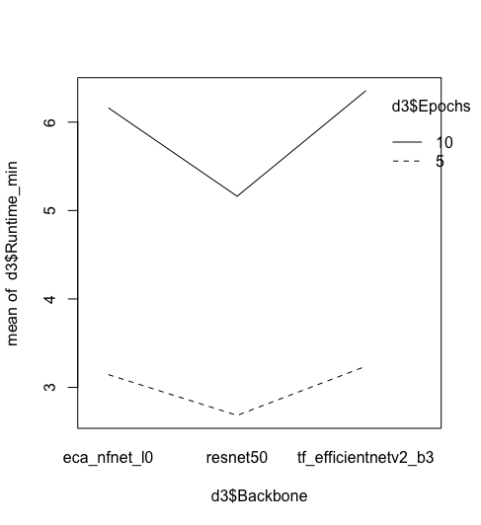
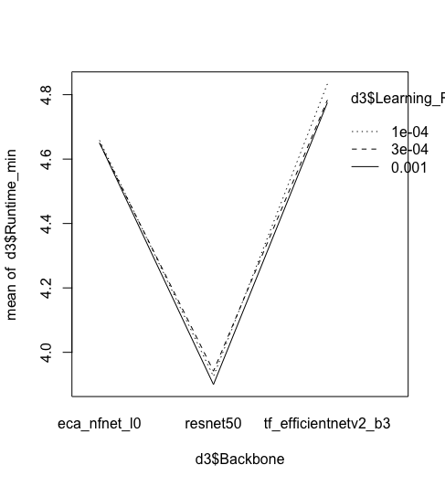
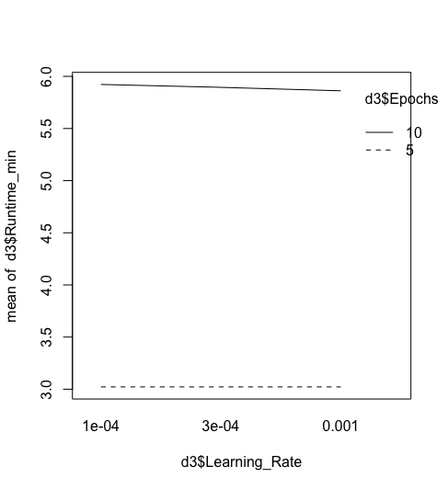
Epochs10 | -22.134 | 2.518 | -8.791 | 0.000924 | ***
Backboneresnet50:Learning_Rate3e-04 | 1.89 | 3.378 | 0.559 | 0.605704
Backbonetf_efficientnetv2_b3:Learning_Rate3e-04 | -14.401 | 3.378 | -4.263 | 0.013021 | *
Backboneresnet50:Learning_Rate0.001 | 7.756 | 3.378 | 2.296 | 0.083312 | .
Backbonetf_efficientnetv2_b3:Learning_Rate0.001 | -9.158 | 3.378 | -2.711 | 0.053485 | .
Backboneresnet50:Epochs10 | 6.107 | 2.758 | 2.214 | 0.091193 | .
Backbonetf_efficientnetv2_b3:Epochs10 | 2.543 | 2.758 | 0.922 | 0.408776
Learning_Rate3e-04:Epochs10 | 17.513 | 2.758 | 6.349 | 0.003152 | **
Learning_Rate0.001:Epochs10 | 15.293 | 2.758 | 5.544 | 0.005175 | **

 |  |  |  |  |  |  | Epochが大きいと学習時間が増える | モデルの種類と学習時間に相関あり |  | 学習率は学習時間と関係がない

Img_Reg_4_res
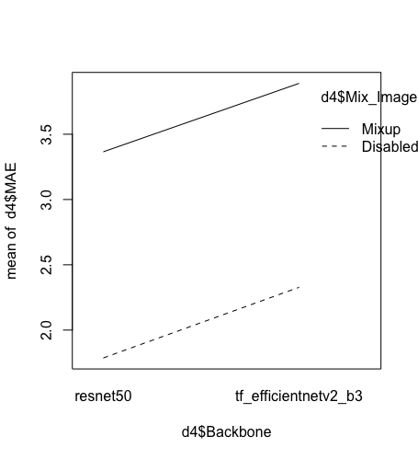
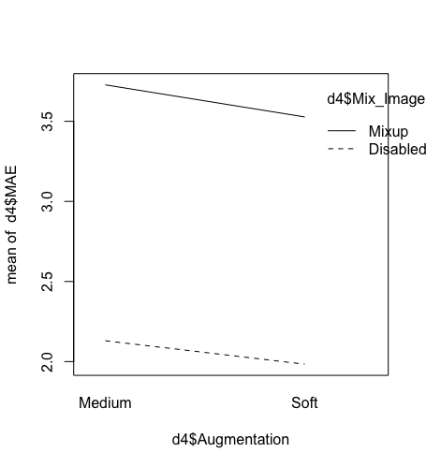
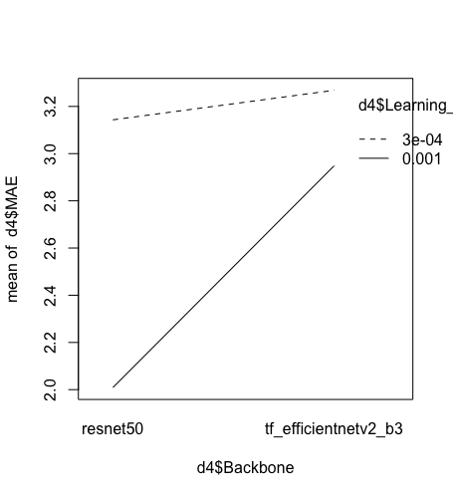
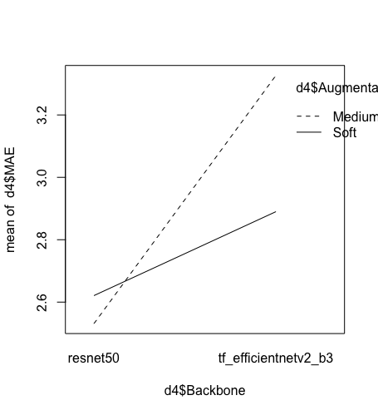
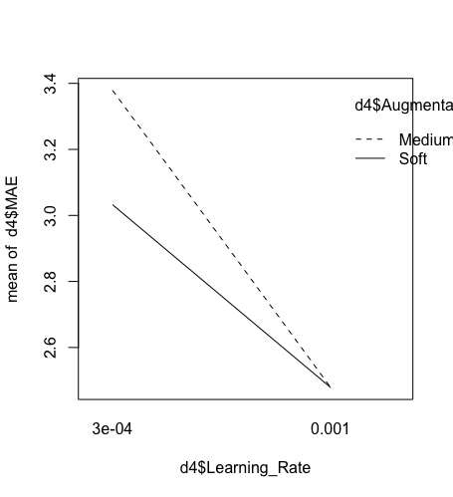
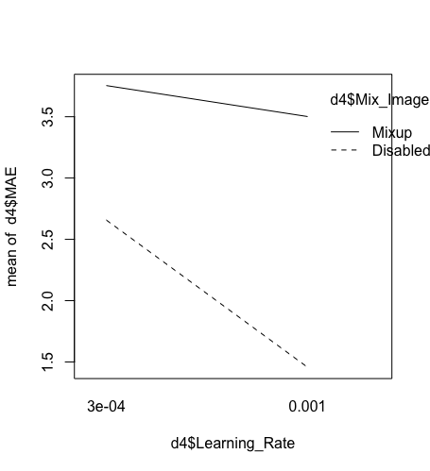
 |  | MAE | Runtime (min)
Backbone | resnet50 | 2.57595 | 5.052083
 | tf_efficientnetv2_b3 | 3.1084 | 6.070833
Learning_Rate | 0.0003 | 3.205725 | 5.577083
 | 0.001 | 2.478625 | 5.545833
Augmentation | Medium | 2.928888 | 5.589583
 | Soft | 2.755463 | 5.533333
Mix_Image | Disabled | 2.056938 | 5.560417
 | Mixup | 3.627413 | 5.5625

 | Df | Sum Sq | Mean Sq | F value | Pr(>F)
Backbone | 1 | 1.134 | 1.134 | 3.4833 | 0.0888564 | .
Learning_Rate | 1 | 2.1147 | 2.1147 | 6.4957 | 0.0270595 | *
Augmentation | 1 | 0.1203 | 0.1203 | 0.3695 | 0.5555988
Mix_Image | 1 | 9.8656 | 9.8656 | 30.3039 | 0.0001849 | ***
Residuals | 11 | 3.5811 | 0.3256

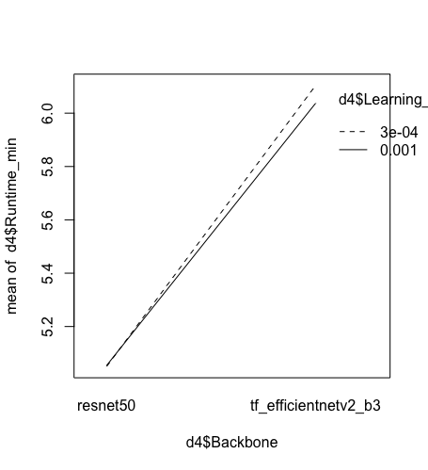
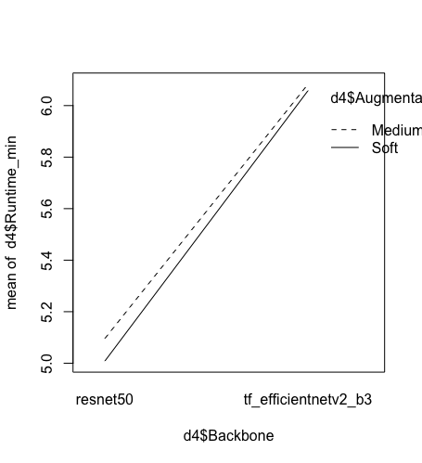

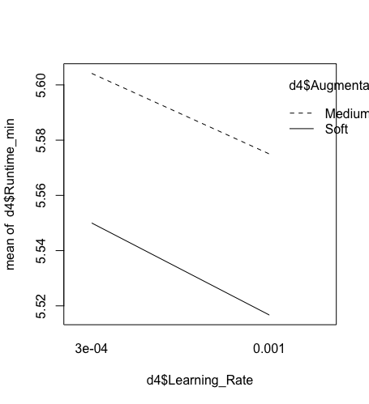
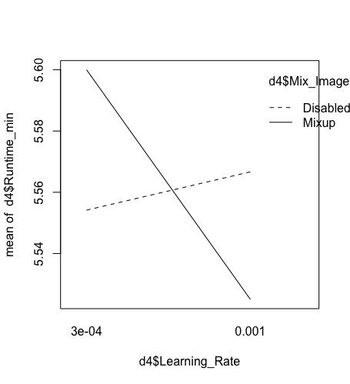
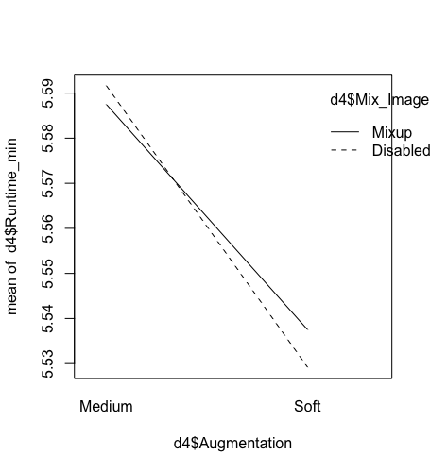
 |  |  |  |  |  |  |  | 今回の場合、学習時間にはあまり差がなし（5-6分程度）
 | Df | Sum Sq | Mean Sq | F value | Pr(>F)
Backbone | 1 | 1.134 | 1.134 | 3.5029 | 0.120165
Learning_Rate | 1 | 2.1147 | 2.1147 | 6.5322 | 0.050905 | .
Augmentation | 1 | 0.1203 | 0.1203 | 0.3716 | 0.568761
Mix_Image | 1 | 9.8656 | 9.8656 | 30.4743 | 0.002671 | **
Backbone:Learning_Rate | 1 | 0.6636 | 0.6636 | 2.0497 | 0.211652
Backbone:Augmentation | 1 | 0.2774 | 0.2774 | 0.8568 | 0.397126
Backbone:Mix_Image | 1 | 0.0003 | 0.0003 | 0.0009 | 0.977253
Learning_Rate:Augmentation | 1 | 0.12 | 0.12 | 0.3708 | 0.569192
Learning_Rate:Mix_Image | 1 | 0.8982 | 0.8982 | 2.7746 | 0.156651
Augmentation:Mix_Image | 1 | 0.0029 | 0.0029 | 0.0091 | 0.927677
Residuals | 5 | 1.6187 | 0.3237

 |  |  |  |  |  |  | あえて差があると言えるのはモデル

Img_Reg_5_res
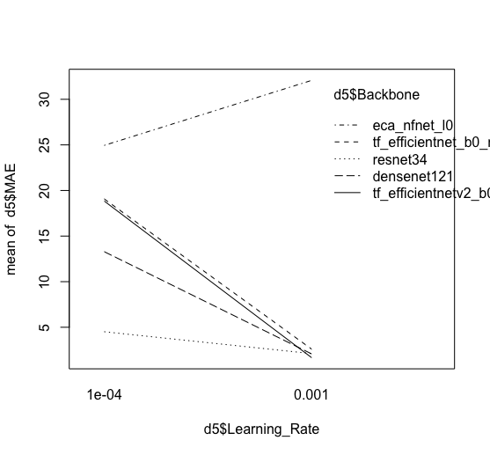
 |  |  | MAE | Runtime (min)
Backbone | densenet121 | densenet121 (7.98) | 7.68175 | 6.65
 | eca_nfnet_l0 | eca_nfnet_l0 (24.14) | 28.5115 | 5.9 |  | 比較的小さめのモデルを検討した
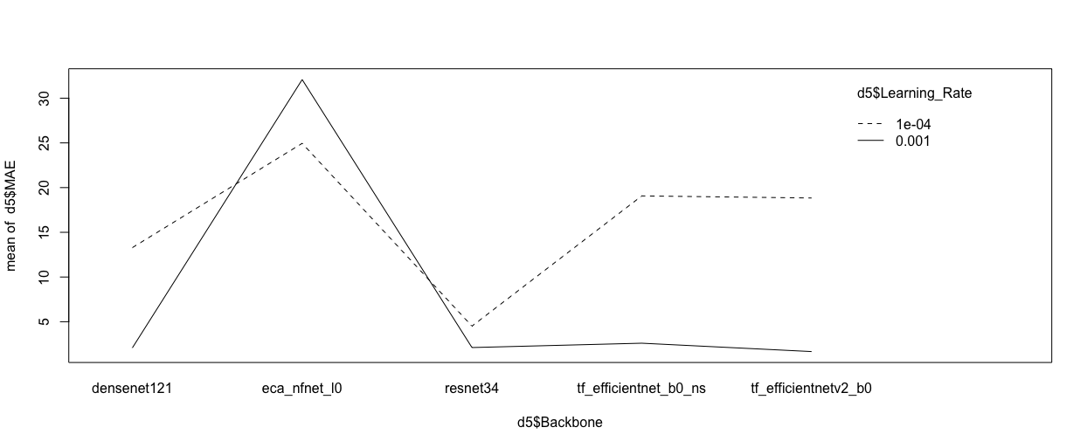
 | resnet34 | resnet34 (21.8) | 3.31025 | 4.675 |  | モデルタイプによりパフォーマンスは様々
 | tf_efficientnet_b0_ns | tf_efficientnet_b0_ns (5.29) | 10.8346 | 4.45
 | tf_efficientnetv2_b0 | tf_efficientnetv2_b0 (7.14) | 10.24745 | 4.383333 |  | eca_nfnetのみLearningRateで挙動が異なる
Learning_Rate | 1.00E-04 |  | 16.13018 | 4.973333
 | 0.001 |  | 8.10404 | 5.45

 | Df | Sum Sq | Mean Sq | F value | Pr(>F)
Backbone | 4 | 742.3 | 185.575 | 3.4802 | 0.1272
Learning_Rate | 1 | 161.05 | 161.047 | 3.0202 | 0.1572
Residuals | 4 | 213.29 | 53.323

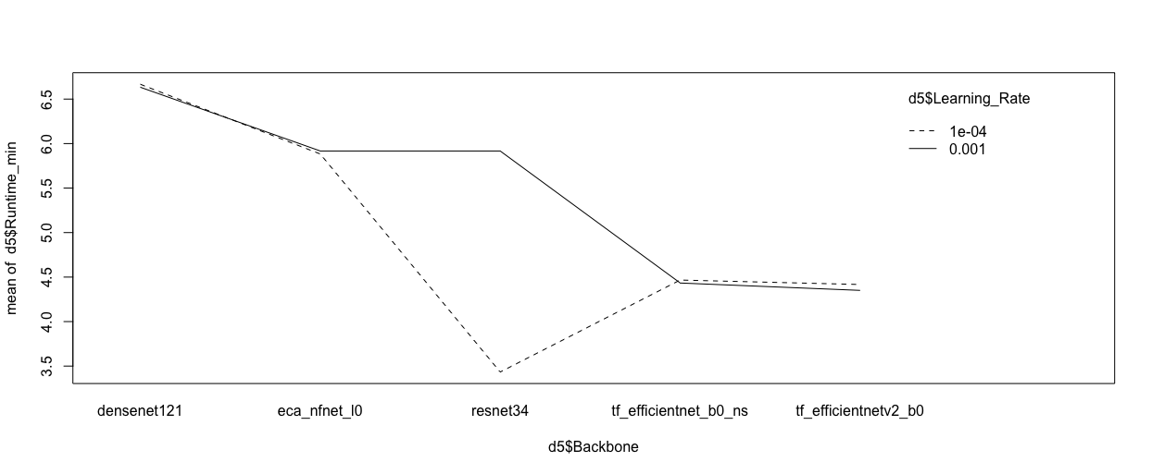
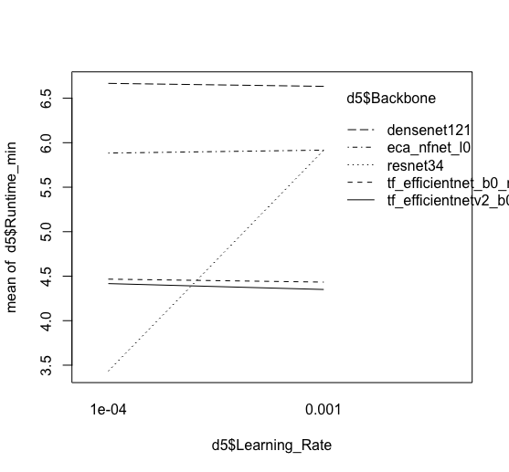

 | Estimate | Std. Error | t value | Pr(>|t|)
(Intercept) | 11.695 | 5.656 | 2.068 | 0.1075
Backboneeca_nfnet_l0 | 20.83 | 7.302 | 2.853 | 0.0463 | *
Backboneresnet34 | -4.372 | 7.302 | -0.599 | 0.5817
Backbonetf_efficientnet_b0_ns | 3.153 | 7.302 | 0.432 | 0.6882
Backbonetf_efficientnetv2_b0 | 2.566 | 7.302 | 0.351 | 0.743
Learning_Rate0.001 | -8.026 | 4.618 | -1.738 | 0.1572

Img_Reg_6_res
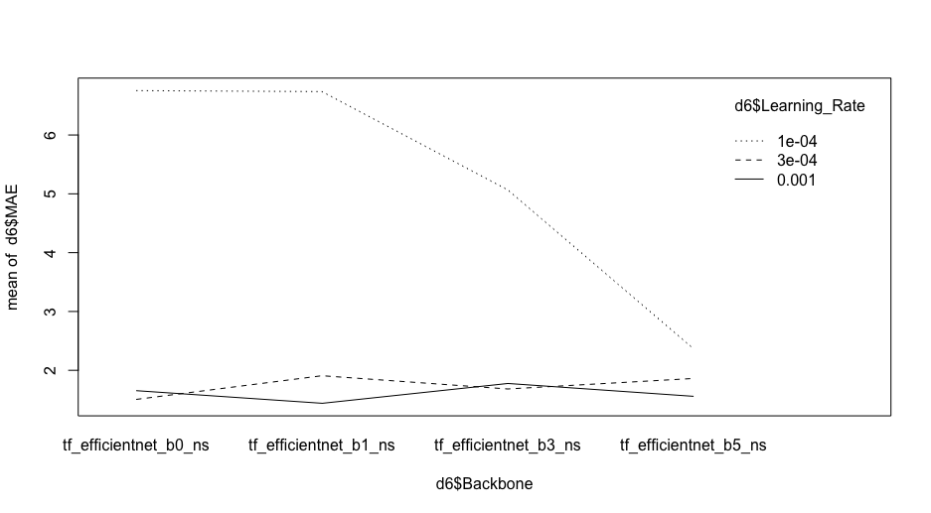
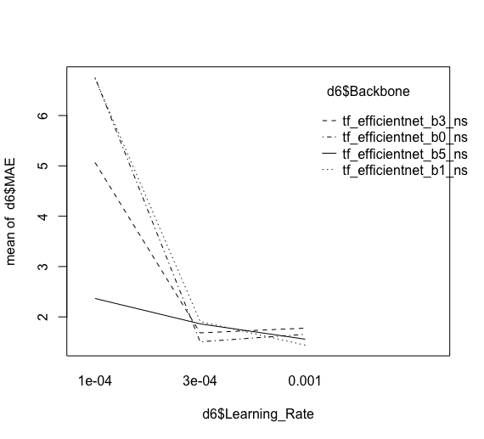
 |  |  | MAE | Runtime (min)
Backbone | tf_efficientnet_b0_ns | tf_efficientnet_b0_ns (5.29) | 3.304467 | 6.555556 |  | モデルが大きくなれば精度が上がるように見える
 | tf_efficientnet_b1_ns | tf_efficientnet_b1_ns (7.79) | 3.361367 | 8.022222
 | tf_efficientnet_b3_ns | tf_efficientnet_b3_ns (12.23) | 2.8418 | 9.377778
 | tf_efficientnet_b5_ns | tf_efficientnet_b5_ns (30.39) | 1.927867 | 19.183333
Learning_Rate | 1.00E-04 |  | 5.231225 | 10.79583
 | 3.00E-04 |  | 1.739225 | 10.77083
 | 0.001 |  | 1.606175 | 10.7875

 | Df | Sum Sq | Mean Sq | F value | Pr(>F)
Backbone | 3 | 3.954 | 1.3181 | 0.8752 | 0.50448
Learning_Rate | 2 | 33.804 | 16.9018 | 11.2219 | 0.009386 | **
Residuals | 6 | 9.037 | 1.5061

 |  |  |  |  |  |  | 一番小さなLR(0.0001)においては、交互作用が発生
 | Estimate | Std. Error | t value | Pr(>|t|)
(Intercept) | 5.6768 | 0.8678 | 6.542 | 0.00061 | ***
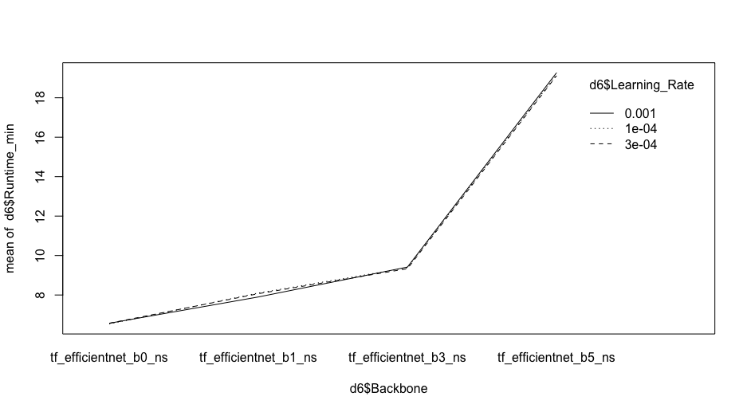
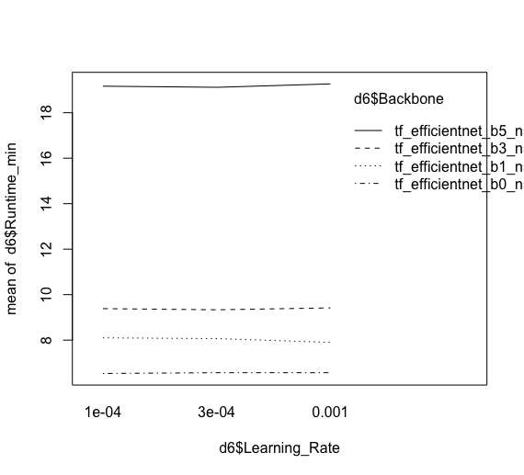
Backbonetf_efficientnet_b1_ns | 0.0569 | 1.0021 | 0.057 | 0.95656
Backbonetf_efficientnet_b3_ns | -0.4627 | 1.0021 | -0.462 | 0.66055
Backbonetf_efficientnet_b5_ns | -1.3766 | 1.0021 | -1.374 | 0.21862
Learning_Rate3e-04 | -3.492 | 0.8678 | -4.024 | 0.00693 | **
Learning_Rate0.001 | -3.625 | 0.8678 | -4.177 | 0.00583 | **

