Round1_results_summary
点の色は学習率（learning_rate）
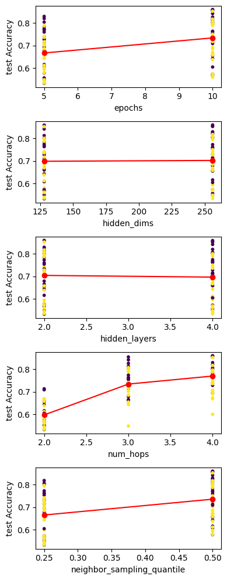

 | epochs | 5 | 10 | 1 waw Anova p-val
 | mean | 0.666575 | 0.733525 | 0.0005
 | max | 0.829 | 0.8594

 | hidden_dims | 128 | 256 | 1 waw Anova p-val
 | mean | 0.69819 | 0.70191 | 0.8516
 | max | 0.8587 | 0.8594

 | hidden_layers | 2 | 4 | 1 waw Anova p-val
 | mean | 0.703823 | 0.696277 | 0.7044
 | max | 0.8594 | 0.8587

 | num_hops | 2 | 3 | 4 | 1 waw Anova p-val
 | mean | 0.596816 | 0.733872 | 0.769463 | 3.65E-19
 | max | 0.7129 | 0.8543 | 0.8594

 | neighbor_sampling_quantile | 0.25 | 0.5 | 1 waw Anova p-val
 | mean | 0.664867 | 0.735233 | 0.0002
 | max | 0.818 | 0.8594

best_res
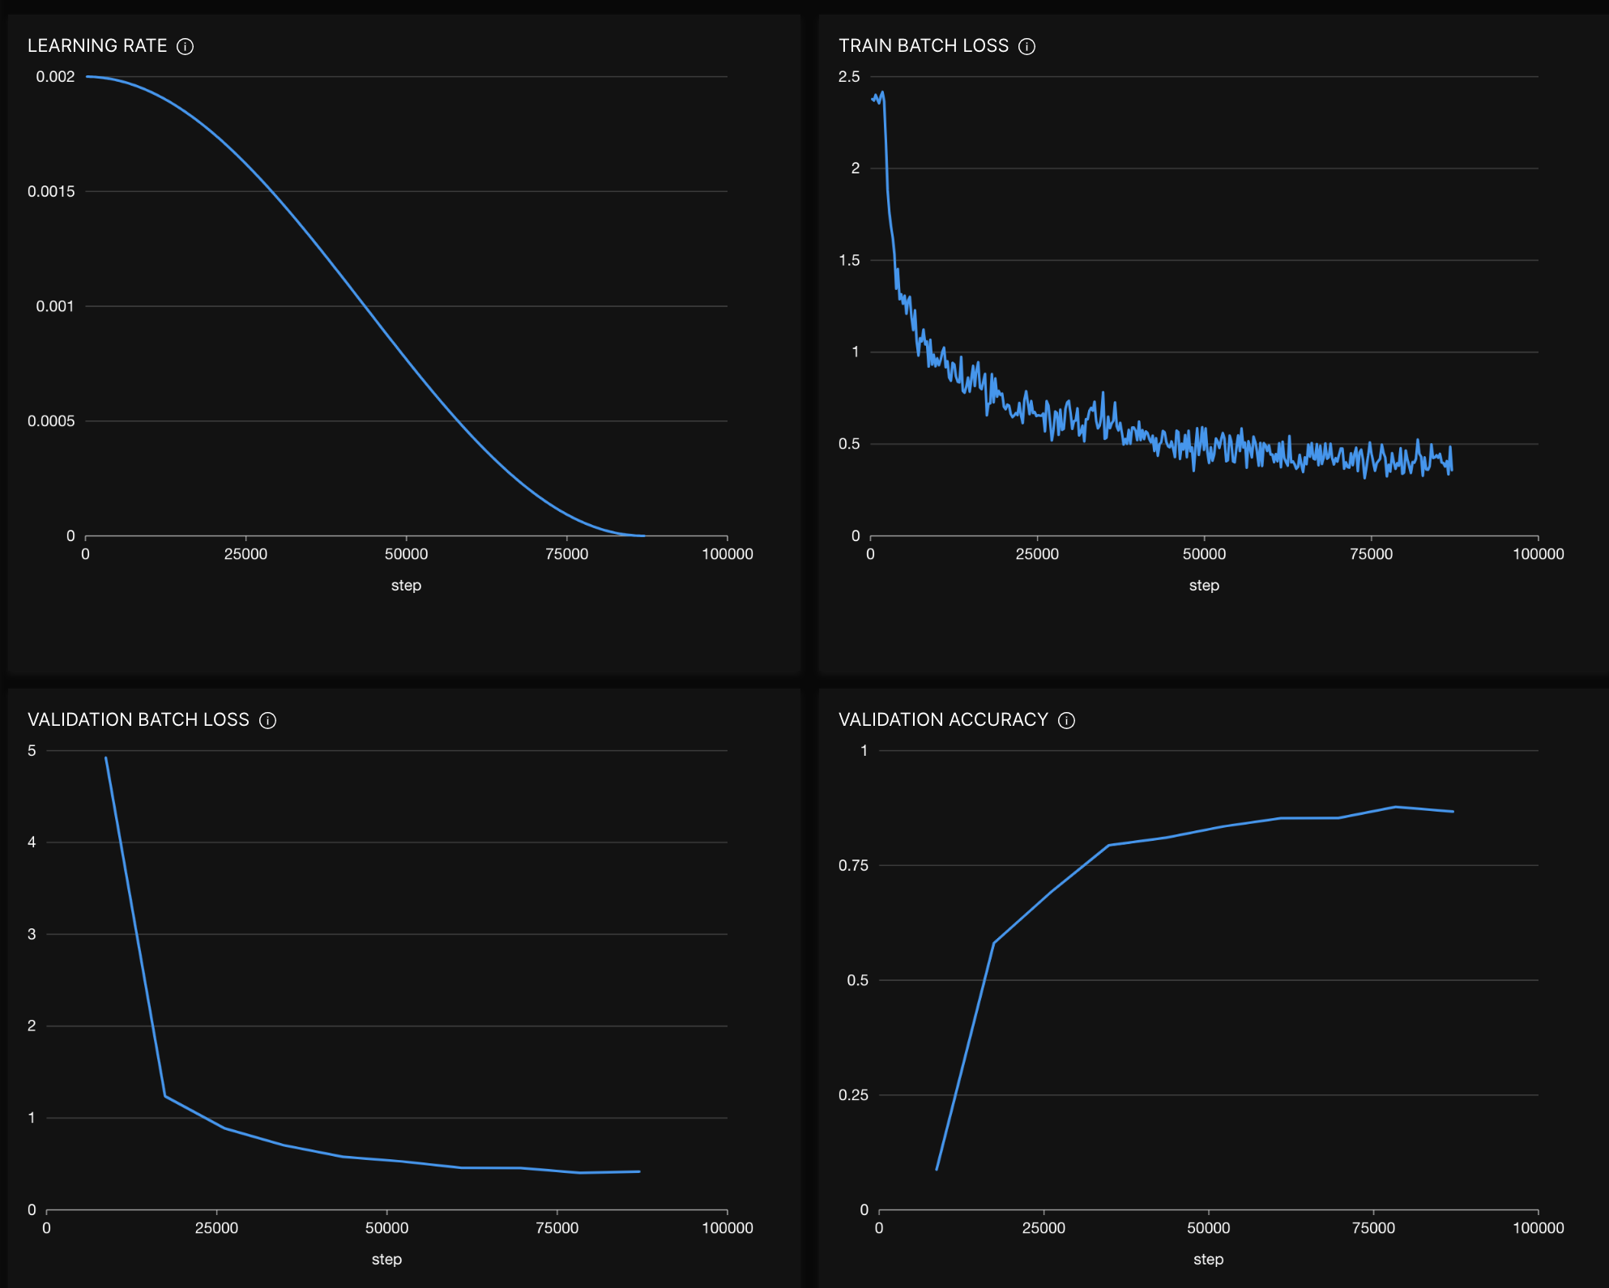
Graph-Amazon_grid_epochs_10_hidden_dims_256_learning_rate_0.002_neighbor_sampling_quantile_0.5_num_hidden_layers_2_num_hops_4
 | Valid | Test
Accuracy | 0.8671 | 0.8594

