Docs_OD
Faster rcnn & Fcos | Efficientdet | HT Doc | https://docs.h2o.ai/h2o-hydrogen-torch/guide/experiments/experiment-settings/image-object-detection
timm | efficientdet-pytorch
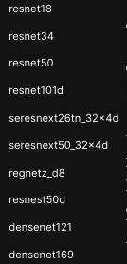
 |  | timm | https://github.com/huggingface/pytorch-image-models/blob/main/results/results-imagenet.csv

 |  | efficientdet-pytorch | https://github.com/rwightman/efficientdet-pytorch#models

resnet18
resnet34
resnet50
resnet101d
seresnext26tn_32x4d
seresnext50_32x4d
regnetz_d8
resnest50d
densenet121
densenet169

