Dashboard
Dashboard

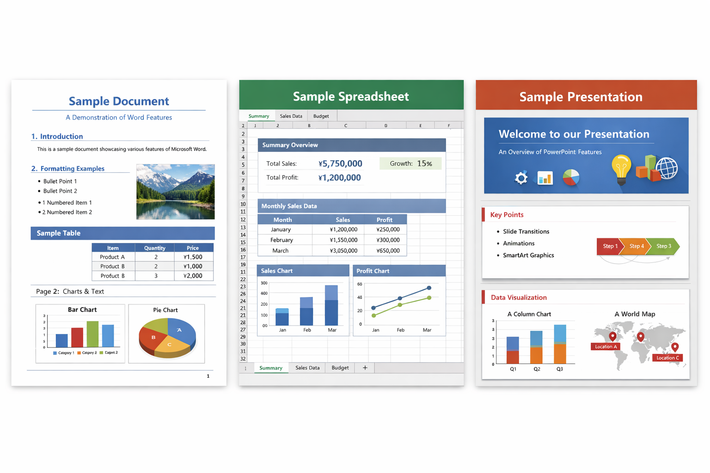
Scenario | Base | Refresh hint | Charts read from worksheet cells and named data ranges.

Revenue | ¥5,529,600
Cost | ¥3,532,994
Gross profit | ¥1,996,607
Gross margin | 36.1%

Back to Overview

Revenue by Region
APAC | ¥1,839,000
EMEA | ¥1,870,500
Americas | ¥1,820,100
Budget Trend
 | ¥700,000 | ¥126,000 | ¥180,000 | ¥120,000 | ¥274,000
Jan | ¥725,000 | ¥130,500 | ¥185,000 | ¥126,000 | ¥283,500
Feb | ¥750,000 | ¥135,000 | ¥190,000 | ¥132,000 | ¥293,000
Mar | ¥775,000 | ¥139,500 | ¥195,000 | ¥138,000 | ¥302,500
Apr | ¥800,000 | ¥144,000 | ¥200,000 | ¥144,000 | ¥312,000
May | ¥825,000 | ¥148,500 | ¥205,000 | ¥150,000 | ¥321,500
Jun | ¥850,000 | ¥153,000 | ¥210,000 | ¥156,000 | ¥331,000
Jul | ¥875,000 | ¥157,500 | ¥215,000 | ¥162,000 | ¥340,500
Aug | ¥900,000 | ¥162,000 | ¥220,000 | ¥168,000 | ¥350,000
Sep | ¥925,000 | ¥166,500 | ¥225,000 | ¥174,000 | ¥359,500
Oct | ¥950,000 | ¥171,000 | ¥230,000 | ¥180,000 | ¥369,000
Nov | ¥975,000 | ¥175,500 | ¥235,000 | ¥186,000 | ¥378,500
Dec

Category | Revenue
Viewer Core | 1051200
Import Pipeline | 1287600
Rendering | 1494300
QA | 1696500

Category mix

