曲线
呼102井尾管作业曲线
 | DB101_ProcessSensor_PumpPressB_R_FilterValue | DB101_ProcessSensor_PumpPressA_R_FilterValue | DB101_ProcessSensor_MassFlowDensity_R_ActualValue | DB101_ProcessSensor_RateAll | uSF | uSF | DB101_ProcessSensor_TotalAll
时间 | 0 | 0 | 0 | 0 |  |  | 0
2022-08-04 15:36:44 | 0.1359448 | -0.02522167 | 0.001989294 | 0 |  |  | 0
2022-08-04 15:36:49 | 0.1347018 | -0.02494413 | 0.001446759 | 0 |  |  | 0
2022-08-04 15:36:54 | 0.1421507 | -0.02371236 | 0.001989294 | 0 |  |  | 0
2022-08-04 15:36:59 | 0.1362232 | -0.0225883 | 0.001989294 | 0 |  |  | 0
2022-08-04 15:37:04 | 0.1334597 | -0.02868915 | 0.001989294 | 0 |  |  | 0
2022-08-04 15:37:09 | 0.1421815 | -0.02491331 | 0.001989294 | 0 |  |  | 0
2022-08-04 15:37:15 | 0.1394102 | -0.02120327 | 0.001808449 | 0 |  |  | 0
2022-08-04 15:37:20 | 0.1396786 | -0.03241711 | 0.001808449 | 0 |  |  | 0
2022-08-04 15:37:25 | 0.1409036 | -0.02990204 | 0.001989294 | 0 |  |  | 0
2022-08-04 15:37:30 | 0.1446756 | -0.02729978 | 0.001989294 | 0 |  |  | 0
2022-08-04 15:37:35 | 0.1347052 | -0.02494413 | 0.8830657 | 0 |  |  | 0
2022-08-04 15:37:40 | 0.1373005 | -0.02740769 | 1.068432 | 0 |  |  | 0
2022-08-04 15:37:45 | 0.1395499 | -0.0194008 | 1.092846 | 0 |  |  | 0
2022-08-04 15:37:50 | 0.1417698 | -0.02078735 | 1.082538 | 0 |  |  | 0
2022-08-04 15:37:55 | 0.137191 | -0.02743171 | 1.07241 | 0 |  |  | 0
2022-08-04 15:38:00 | 0.1359608 | -0.02617592 | 1.074219 | 0 |  |  | 0
2022-08-04 15:38:05 | 0.1385321 | -0.02134109 | 1.065719 | 0 |  |  | 0
2022-08-04 15:38:10 | 0.133458 | -0.02120594 | 1.065357 | 0 |  |  | 0
2022-08-04 15:38:15 | 0.1408728 | -0.02743857 | 1.060836 | 0 |  |  | 0
2022-08-04 15:38:20 | 0.1380236 | -0.0282702 | 1.062102 | 0 |  |  | 0
2022-08-04 15:38:25 | 0.1322108 | -0.02868062 | 1.059028 | 0 |  |  | 0
2022-08-04 15:38:30 | 0.1372236 | -0.02368151 | 1.060836 | 0 |  |  | 0
2022-08-04 15:38:35 | 0.1366392 | -0.02660612 | 1.058847 | 0 |  |  | 0
2022-08-04 15:38:40 | 0.1396803 | -0.01996556 | 1.062464 | 0 |  |  | 0
2022-08-04 15:38:45 | 0.134683 | -0.02372766 | 1.071144 | 0 |  |  | 0
2022-08-04 15:38:51 | 0.1385791 | -0.02245029 | 1.064453 | 0 |  |  | 0
2022-08-04 15:38:56 | 0.1322108 | -0.02120593 | 1.065357 | 0 |  |  | 0
2022-08-04 15:39:01 | 0.1336665 | -0.02369686 | 1.064453 | 0 |  |  | 0
2022-08-04 15:39:06 | 0.1384394 | -0.02189483 | 1.066081 | 0 |  |  | 0
2022-08-04 15:39:11 | 0.1334579 | -0.02244971 | 1.066985 | 0 |  |  | 0
2022-08-04 15:39:16 | 0.1458462 | -0.0211872 | 1.064272 | 0 |  |  | 0
2022-08-04 15:39:21 | 0.1309569 | -0.02397427 | 1.069155 | 0 |  |  | 0
2022-08-04 15:39:26 | 0.1346972 | -0.03159476 | 1.066081 | 0 |  |  | 0
2022-08-04 15:39:31 | 0.1459232 | -0.02742486 | 1.066262 | 0 |  |  | 0
2022-08-04 15:39:36 | 0.1385014 | -0.02371234 | 1.062826 | 0 |  |  | 0
2022-08-04 15:39:41 | 0.1349755 | -0.02300365 | 1.063549 | 0 |  |  | 0
2022-08-04 15:39:46 | 0.134712 | -0.01872006 | 1.062102 | 0 |  |  | 0
2022-08-04 15:39:51 | 0.1384398 | -0.02123327 | 1.064815 | 0 |  |  | 0
2022-08-04 15:39:56 | 0.1373311 | -0.02452726 | 1.065176 | 0 |  |  | 0
2022-08-04 15:40:01 | 0.1359524 | -0.02120422 | 1.059209 | 0 |  |  | 0
2022-08-04 15:40:06 | 0.1408727 | -0.02622201 | 1.059209 | 0 |  |  | 0
2022-08-04 15:40:11 | 0.1378864 | -0.02924007 | 1.059389 | 0 |  |  | 0
2022-08-04 15:40:16 | 0.1347017 | -0.02369863 | 1.063549 | 0 |  |  | 0
2022-08-04 15:40:21 | 0.1371927 | -0.02742317 | 1.06373 | 0 |  |  | 0
2022-08-04 15:40:27 | 0.1353899 | -0.02051057 | 1.060294 | 0 |  |  | 0
2022-08-04 15:40:32 | 0.1309704 | -0.01871837 | 1.062464 | 0 |  |  | 0
2022-08-04 15:40:37 | 0.143321 | -0.02620665 | 1.061921 | 0 |  |  | 0
2022-08-04 15:40:42 | 0.1420445 | -0.02272706 | 1.062826 | 0 |  |  | 0
2022-08-04 15:40:47 | 0.1421764 | -0.02494242 | 1.061198 | 0 |  |  | 0
...

帮助
 | 杰瑞固井USB数据采集EXCEL模板使用说明
 |  | 2019年1月10日更新

1 | 注意： | 请使用EXCEL2007版本。
2 | 在首次使用本模板前需启用宏和数据连接功能，点击"选项" | 如图所示：
3 | 若有弹出窗口，则在弹出的界面中点击“启用此内容” | 如图所示： | 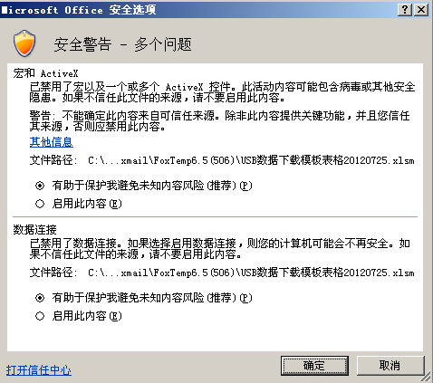
4 | 在“数据表”选项卡中点击“全部清除” | 如图所示： | 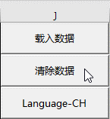
5 | 选中“原始数据表“选项卡“A1”格，选择菜单“数据”->“自文本”，弹出数据导入窗口，根据提示依次点击“下一步” | 如图所示：
6 | 在“数据表”选项卡中指定“作业开始时间”和“作业结束时间”，以及"载入间隔时间"中“5 秒“的倍数；并点击“载入数据” ，载入完成后弹出提示窗口。 | 如图所示： | 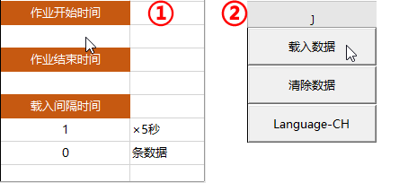
7 | 可通过不同数据条上的“对勾”来选择是否显示相应的曲线。 | 如图所示：
8 | 可在"曲线"选项卡中显示相应曲线；曲线框大小可以更改，标题栏可以编辑，以便于打印。

