A17U.SI
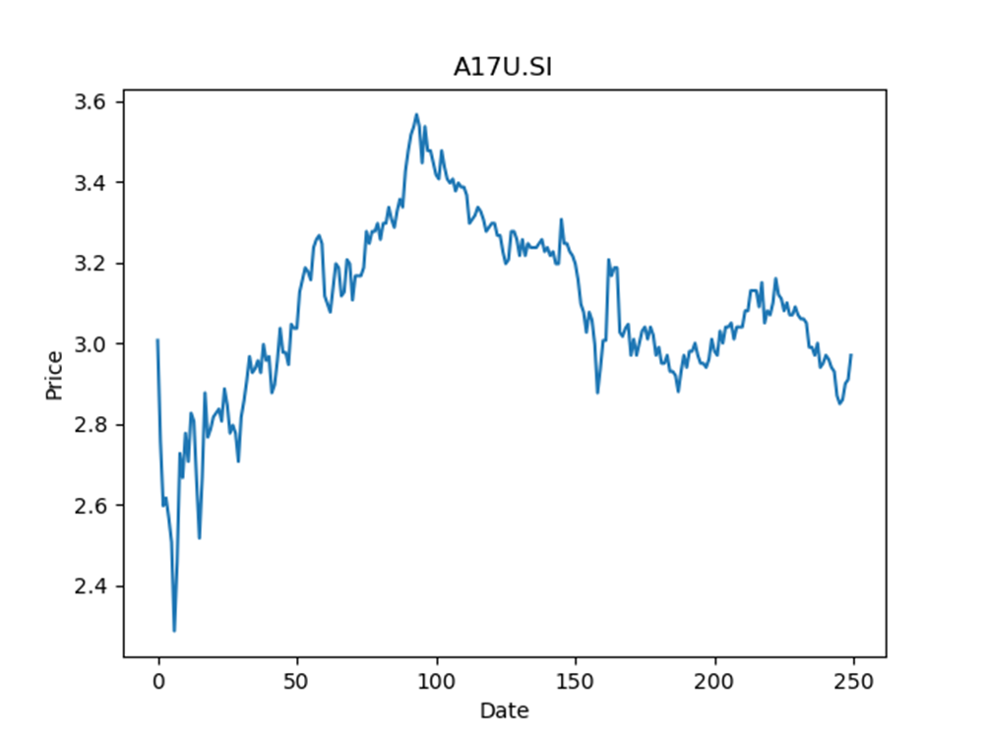
 | Year | Dividend | Dividend Growth Rate | Median growth rate | Total debt | Interest expense | Rate debt | Market cap | Weight of debt | Weight of equity | Ra | Income tax expense | Income before tax | Effective tax rate | WACC
0 | 2005 | 0.029384 |  | 0.038881683153 | 4097791 | 143407 | 0.034996172328 | 11941895168 | 0.00034302640342 | 0.9996569736 | 0.020064320882 | 15951 | 549656 | 0.029019968853 | 0.020069094528
1 | 2006 | 0.116955 | 2.9802273346 | 0.038881683153 | 4097791 | 143407 | 0.034996172328 | 11941895168 | 0.00034302640342 | 0.9996569736 | 0.020064320882 | 15951 | 549656 | 0.029019968853 | 0.020069094528
2 | 2007 | 0.129756 | 0.10945235347 | 0.038881683153 | 4097791 | 143407 | 0.034996172328 | 11941895168 | 0.00034302640342 | 0.9996569736 | 0.020064320882 | 15951 | 549656 | 0.029019968853 | 0.020069094528
3 | 2008 | 0.146921 | 0.1322867536 | 0.038881683153 | 4097791 | 143407 | 0.034996172328 | 11941895168 | 0.00034302640342 | 0.9996569736 | 0.020064320882 | 15951 | 549656 | 0.029019968853 | 0.020069094528
4 | 2009 | 0.133272 | -0.092900266129 | 0.038881683153 | 4097791 | 143407 | 0.034996172328 | 11941895168 | 0.00034302640342 | 0.9996569736 | 0.020064320882 | 15951 | 549656 | 0.029019968853 | 0.020069094528
5 | 2010 | 0.123703 | -0.071800528243 | 0.038881683153 | 4097791 | 143407 | 0.034996172328 | 11941895168 | 0.00034302640342 | 0.9996569736 | 0.020064320882 | 15951 | 549656 | 0.029019968853 | 0.020069094528
6 | 2011 | 0.128585 | 0.039465493965 | 0.038881683153 | 4097791 | 143407 | 0.034996172328 | 11941895168 | 0.00034302640342 | 0.9996569736 | 0.020064320882 | 15951 | 549656 | 0.029019968853 | 0.020069094528
7 | 2012 | 0.137079 | 0.066057471711 | 0.038881683153 | 4097791 | 143407 | 0.034996172328 | 11941895168 | 0.00034302640342 | 0.9996569736 | 0.020064320882 | 15951 | 549656 | 0.029019968853 | 0.020069094528
8 | 2013 | 0.135125 | -0.014254553943 | 0.038881683153 | 4097791 | 143407 | 0.034996172328 | 11941895168 | 0.00034302640342 | 0.9996569736 | 0.020064320882 | 15951 | 549656 | 0.029019968853 | 0.020069094528
9 | 2014 | 0.1403 | 0.03829787234 | 0.038881683153 | 4097791 | 143407 | 0.034996172328 | 11941895168 | 0.00034302640342 | 0.9996569736 | 0.020064320882 | 15951 | 549656 | 0.029019968853 | 0.020069094528
10 | 2015 | 0.177669 | 0.26635067712 | 0.038881683153 | 4097791 | 143407 | 0.034996172328 | 11941895168 | 0.00034302640342 | 0.9996569736 | 0.020064320882 | 15951 | 549656 | 0.029019968853 | 0.020069094528
11 | 2016 | 0.120785 | -0.32016840304 | 0.038881683153 | 4097791 | 143407 | 0.034996172328 | 11941895168 | 0.00034302640342 | 0.9996569736 | 0.020064320882 | 15951 | 549656 | 0.029019968853 | 0.020069094528
12 | 2017 | 0.155909 | 0.29079769839 | 0.038881683153 | 4097791 | 143407 | 0.034996172328 | 11941895168 | 0.00034302640342 | 0.9996569736 | 0.020064320882 | 15951 | 549656 | 0.029019968853 | 0.020069094528
13 | 2018 | 0.154112 | -0.011525954243 | 0.038881683153 | 4097791 | 143407 | 0.034996172328 | 11941895168 | 0.00034302640342 | 0.9996569736 | 0.020064320882 | 15951 | 549656 | 0.029019968853 | 0.020069094528
14 | 2019 | 0.15763 | 0.022827553987 | 0.038881683153 | 4097791 | 143407 | 0.034996172328 | 11941895168 | 0.00034302640342 | 0.9996569736 | 0.020064320882 | 15951 | 549656 | 0.029019968853 | 0.020069094528
15 | 2020 | 0.165056 | 0.047110321639 | 0.038881683153 | 4097791 | 143407 | 0.034996172328 | 11941895168 | 0.00034302640342 | 0.9996569736 | 0.020064320882 | 15951 | 549656 | 0.029019968853 | 0.020069094528
16 | 2021 | 0.01678 | -0.89833753393 | 0.038881683153 | 4097791 | 143407 | 0.034996172328 | 11941895168 | 0.00034302640342 | 0.9996569736 | 0.020064320882 | 15951 | 549656 | 0.029019968853 | 0.020069094528

O5RU.SI
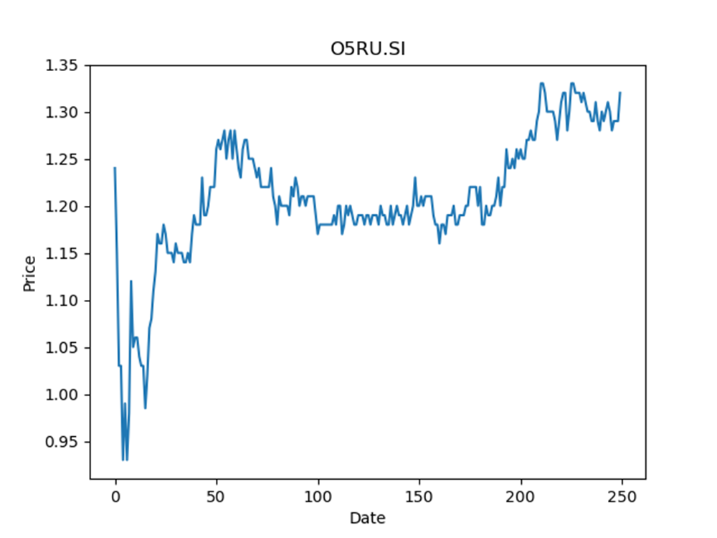
 | Year | Dividend | Dividend Growth Rate | Median growth rate | Total debt | Interest expense | Rate debt | Market cap | Weight of debt | Weight of equity | Ra | Income tax expense | Income before tax | Effective tax rate | WACC
0 | 2008 | 0.258594 |  | -0.0096099266061 | 539325 | 20933 | 0.038813331479 | 932795136 | 0.00057784751612 | 0.99942215248 | 0.024839837339 | 3251 | 16611 | 0.1957136837 | 0.024843522384
1 | 2009 | 0.346808 | 0.34112933788 | -0.0096099266061 | 539325 | 20933 | 0.038813331479 | 932795136 | 0.00057784751612 | 0.99942215248 | 0.024839837339 | 3251 | 16611 | 0.1957136837 | 0.024843522384
2 | 2010 | 0.074704 | -0.78459551106 | -0.0096099266061 | 539325 | 20933 | 0.038813331479 | 932795136 | 0.00057784751612 | 0.99942215248 | 0.024839837339 | 3251 | 16611 | 0.1957136837 | 0.024843522384
3 | 2011 | 0.100417 | 0.3441984365 | -0.0096099266061 | 539325 | 20933 | 0.038813331479 | 932795136 | 0.00057784751612 | 0.99942215248 | 0.024839837339 | 3251 | 16611 | 0.1957136837 | 0.024843522384
4 | 2012 | 0.099452 | -0.0096099266061 | -0.0096099266061 | 539325 | 20933 | 0.038813331479 | 932795136 | 0.00057784751612 | 0.99942215248 | 0.024839837339 | 3251 | 16611 | 0.1957136837 | 0.024843522384
5 | 2013 | 0.097714 | -0.017475767204 | -0.0096099266061 | 539325 | 20933 | 0.038813331479 | 932795136 | 0.00057784751612 | 0.99942215248 | 0.024839837339 | 3251 | 16611 | 0.1957136837 | 0.024843522384
6 | 2014 | 0.104808 | 0.072599627484 | -0.0096099266061 | 539325 | 20933 | 0.038813331479 | 932795136 | 0.00057784751612 | 0.99942215248 | 0.024839837339 | 3251 | 16611 | 0.1957136837 | 0.024843522384
7 | 2015 | 0.113 | 0.078161972369 | -0.0096099266061 | 539325 | 20933 | 0.038813331479 | 932795136 | 0.00057784751612 | 0.99942215248 | 0.024839837339 | 3251 | 16611 | 0.1957136837 | 0.024843522384
8 | 2016 | 0.11072 | -0.02017699115 | -0.0096099266061 | 539325 | 20933 | 0.038813331479 | 932795136 | 0.00057784751612 | 0.99942215248 | 0.024839837339 | 3251 | 16611 | 0.1957136837 | 0.024843522384
9 | 2017 | 0.1522 | 0.37463872832 | -0.0096099266061 | 539325 | 20933 | 0.038813331479 | 932795136 | 0.00057784751612 | 0.99942215248 | 0.024839837339 | 3251 | 16611 | 0.1957136837 | 0.024843522384
10 | 2018 | 0.0834 | -0.45203679369 | -0.0096099266061 | 539325 | 20933 | 0.038813331479 | 932795136 | 0.00057784751612 | 0.99942215248 | 0.024839837339 | 3251 | 16611 | 0.1957136837 | 0.024843522384
11 | 2019 | 0.1025 | 0.22901678657 | -0.0096099266061 | 539325 | 20933 | 0.038813331479 | 932795136 | 0.00057784751612 | 0.99942215248 | 0.024839837339 | 3251 | 16611 | 0.1957136837 | 0.024843522384
12 | 2020 | 0.085 | -0.17073170732 | -0.0096099266061 | 539325 | 20933 | 0.038813331479 | 932795136 | 0.00057784751612 | 0.99942215248 | 0.024839837339 | 3251 | 16611 | 0.1957136837 | 0.024843522384
13 | 2021 | 0.0205 | -0.75882352941 | -0.0096099266061 | 539325 | 20933 | 0.038813331479 | 932795136 | 0.00057784751612 | 0.99942215248 | 0.024839837339 | 3251 | 16611 | 0.1957136837 | 0.024843522384

K2LU.SI
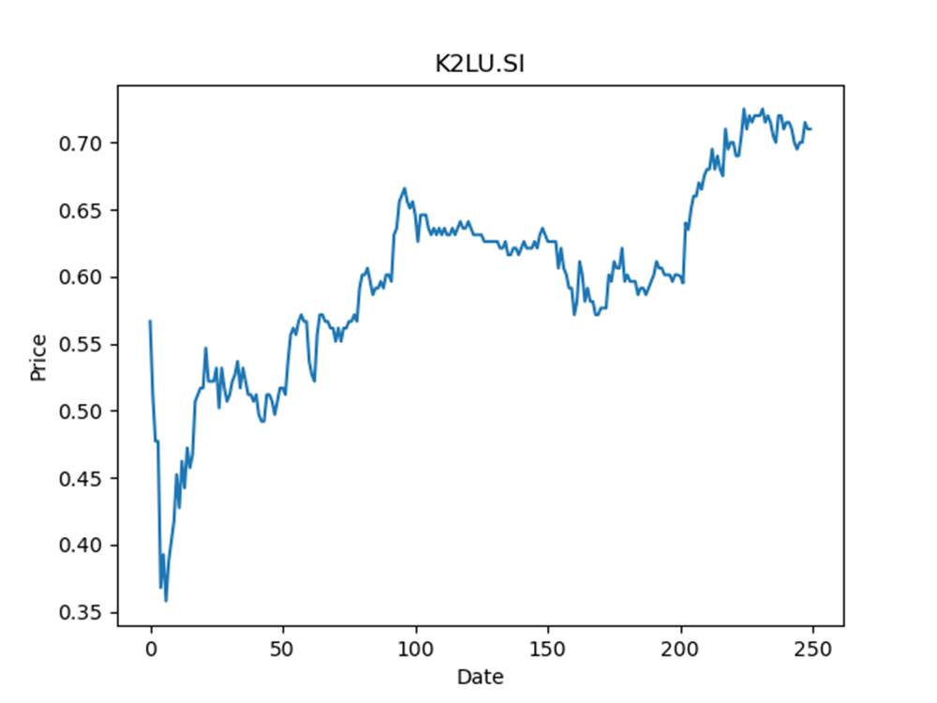
 | Year | Dividend | Dividend Growth Rate | Dividend yield | Median growth rate | Total debt | Interest expense | Rate debt | Market cap | Weight of debt | Weight of equity | Ra | Income tax expense | Income before tax | Effective tax rate | WACC
0 | 2010 | 0.034928 |  | 0.049194367684 | 0.029986405127 | 509839 | 20479 | 0.040167582315 | 904824000 | 0.00056315027456 | 0.99943684973 | 0.030319625532 | 2025 | -5633 | -0.35948872714 | 0.030333303185
1 | 2011 | 0.077235 | 1.2112631699 | 0.10878169343 | 0.029986405127 | 509839 | 20479 | 0.040167582315 | 904824000 | 0.00056315027456 | 0.99943684973 | 0.030319625532 | 2025 | -5633 | -0.35948872714 | 0.030333303185
2 | 2012 | 0.079551 | 0.029986405127 | 0.11204366536 | 0.029986405127 | 509839 | 20479 | 0.040167582315 | 904824000 | 0.00056315027456 | 0.99943684973 | 0.030319625532 | 2025 | -5633 | -0.35948872714 | 0.030333303185
3 | 2013 | 0.08269 | 0.039458963432 | 0.11646479225 | 0.029986405127 | 509839 | 20479 | 0.040167582315 | 904824000 | 0.00056315027456 | 0.99943684973 | 0.030319625532 | 2025 | -5633 | -0.35948872714 | 0.030333303185
4 | 2014 | 0.081265 | -0.017233039062 | 0.11445774994 | 0.029986405127 | 509839 | 20479 | 0.040167582315 | 904824000 | 0.00056315027456 | 0.99943684973 | 0.030319625532 | 2025 | -5633 | -0.35948872714 | 0.030333303185
5 | 2015 | 0.100307 | 0.23431981788 | 0.14127746906 | 0.029986405127 | 509839 | 20479 | 0.040167582315 | 904824000 | 0.00056315027456 | 0.99943684973 | 0.030319625532 | 2025 | -5633 | -0.35948872714 | 0.030333303185
6 | 2016 | 0.063532 | -0.3666244629 | 0.089481692845 | 0.029986405127 | 509839 | 20479 | 0.040167582315 | 904824000 | 0.00056315027456 | 0.99943684973 | 0.030319625532 | 2025 | -5633 | -0.35948872714 | 0.030333303185
7 | 2017 | 0.075568 | 0.18944783731 | 0.10643380603 | 0.029986405127 | 509839 | 20479 | 0.040167582315 | 904824000 | 0.00056315027456 | 0.99943684973 | 0.030319625532 | 2025 | -5633 | -0.35948872714 | 0.030333303185
8 | 2018 | 0.059608 | -0.21120050815 | 0.083954932115 | 0.029986405127 | 509839 | 20479 | 0.040167582315 | 904824000 | 0.00056315027456 | 0.99943684973 | 0.030319625532 | 2025 | -5633 | -0.35948872714 | 0.030333303185
9 | 2019 | 0.05614 | -0.058180110052 | 0.079070424925 | 0.029986405127 | 509839 | 20479 | 0.040167582315 | 904824000 | 0.00056315027456 | 0.99943684973 | 0.030319625532 | 2025 | -5633 | -0.35948872714 | 0.030333303185
10 | 2020 | 0.07233 | 0.28838617741 | 0.10187324252 | 0.029986405127 | 509839 | 20479 | 0.040167582315 | 904824000 | 0.00056315027456 | 0.99943684973 | 0.030319625532 | 2025 | -5633 | -0.35948872714 | 0.030333303185
11 | 2021 | 0.00818 | -0.88690723075 | 0.011521127109 | 0.029986405127 | 509839 | 20479 | 0.040167582315 | 904824000 | 0.00056315027456 | 0.99943684973 | 0.030319625532 | 2025 | -5633 | -0.35948872714 | 0.030333303185

HMN.SI
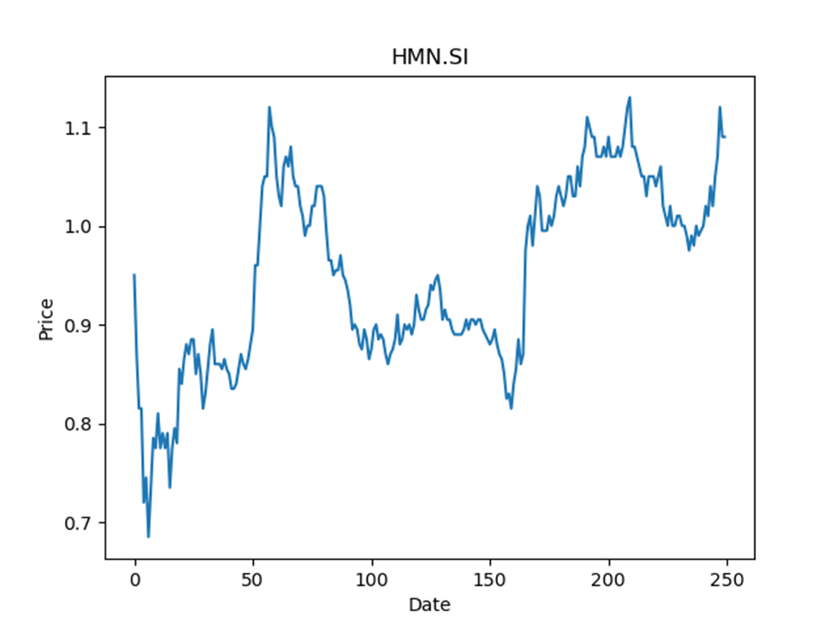
 | Year | Dividend | Dividend Growth Rate | Dividend yield | Median growth rate | Total debt | Interest expense | Rate debt | Market cap | Weight of debt | Weight of equity | Ra | Income tax expense | Income before tax | Effective tax rate | WACC
0 | 2008 | 0.026651 |  | 0.024450457967 | -0.012073909298 | 2353050 | 63888 | 0.02715114426 | 3387774464 | 0.00069408893627 | 0.99930591106 | 0.025832835467 | 39946 | 72850 | 0.54833218943 | 0.025823417001
1 | 2009 | 0.086296 | 2.2380023264 | 0.079170639777 | -0.012073909298 | 2353050 | 63888 | 0.02715114426 | 3387774464 | 0.00069408893627 | 0.99930591106 | 0.025832835467 | 39946 | 72850 | 0.54833218943 | 0.025823417001
2 | 2010 | 0.082545 | -0.043466672847 | 0.075729355479 | -0.012073909298 | 2353050 | 63888 | 0.02715114426 | 3387774464 | 0.00069408893627 | 0.99930591106 | 0.025832835467 | 39946 | 72850 | 0.54833218943 | 0.025823417001
3 | 2011 | 0.062434 | -0.24363680417 | 0.057278897329 | -0.012073909298 | 2353050 | 63888 | 0.02715114426 | 3387774464 | 0.00069408893627 | 0.99930591106 | 0.025832835467 | 39946 | 72850 | 0.54833218943 | 0.025823417001
4 | 2012 | 0.079526 | 0.27376109171 | 0.072959630793 | -0.012073909298 | 2353050 | 63888 | 0.02715114426 | 3387774464 | 0.00069408893627 | 0.99930591106 | 0.025832835467 | 39946 | 72850 | 0.54833218943 | 0.025823417001
5 | 2013 | 0.082826 | 0.041495862988 | 0.075987153636 | -0.012073909298 | 2353050 | 63888 | 0.02715114426 | 3387774464 | 0.00069408893627 | 0.99930591106 | 0.025832835467 | 39946 | 72850 | 0.54833218943 | 0.025823417001
6 | 2014 | 0.073207 | -0.11613503006 | 0.067162383264 | -0.012073909298 | 2353050 | 63888 | 0.02715114426 | 3387774464 | 0.00069408893627 | 0.99930591106 | 0.025832835467 | 39946 | 72850 | 0.54833218943 | 0.025823417001
7 | 2015 | 0.077771 | 0.062343764941 | 0.071349539099 | -0.012073909298 | 2353050 | 63888 | 0.02715114426 | 3387774464 | 0.00069408893627 | 0.99930591106 | 0.025832835467 | 39946 | 72850 | 0.54833218943 | 0.025823417001
8 | 2016 | 0.076832 | -0.012073909298 | 0.070488071236 | -0.012073909298 | 2353050 | 63888 | 0.02715114426 | 3387774464 | 0.00069408893627 | 0.99930591106 | 0.025832835467 | 39946 | 72850 | 0.54833218943 | 0.025823417001
9 | 2017 | 0.075672 | -0.015097875885 | 0.069423851085 | -0.012073909298 | 2353050 | 63888 | 0.02715114426 | 3387774464 | 0.00069408893627 | 0.99930591106 | 0.025832835467 | 39946 | 72850 | 0.54833218943 | 0.025823417001
10 | 2018 | 0.06922 | -0.08526271276 | 0.063504585211 | -0.012073909298 | 2353050 | 63888 | 0.02715114426 | 3387774464 | 0.00069408893627 | 0.99930591106 | 0.025832835467 | 39946 | 72850 | 0.54833218943 | 0.025823417001
11 | 2019 | 0.11577 | 0.67249349899 | 0.10621100592 | -0.012073909298 | 2353050 | 63888 | 0.02715114426 | 3387774464 | 0.00069408893627 | 0.99930591106 | 0.025832835467 | 39946 | 72850 | 0.54833218943 | 0.025823417001
12 | 2020 | 0.01047 | -0.90956206271 | 0.009605504293 | -0.012073909298 | 2353050 | 63888 | 0.02715114426 | 3387774464 | 0.00069408893627 | 0.99930591106 | 0.025832835467 | 39946 | 72850 | 0.54833218943 | 0.025823417001
13 | 2021 | 0.01986 | 0.89684813754 | 0.018220182928 | -0.012073909298 | 2353050 | 63888 | 0.02715114426 | 3387774464 | 0.00069408893627 | 0.99930591106 | 0.025832835467 | 39946 | 72850 | 0.54833218943 | 0.025823417001

BMGU.SI
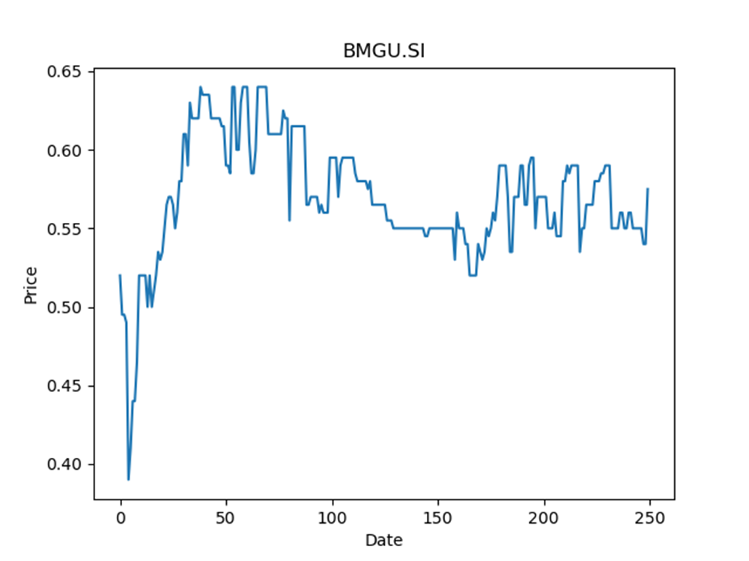
 | Year | Dividend | Dividend Growth Rate | Dividend yield | Median growth rate | Total debt | Interest expense | Rate debt | Market cap | Weight of debt | Weight of equity | Ra | Income tax expense | Income before tax | Effective tax rate | WACC
0 | 2018 | 0.0273 |  | 0.047478261854 | -0.40444444444 | 278584 | 14815 | 0.05317965138 | 293822112 | 0.00094724019286 | 0.99905275981 | 0.018134851243 | 20788 | 83388 | 0.24929246414 | 0.018155489252
1 | 2019 | 0.045 | 0.64835164835 | 0.078260871188 | -0.40444444444 | 278584 | 14815 | 0.05317965138 | 293822112 | 0.00094724019286 | 0.99905275981 | 0.018134851243 | 20788 | 83388 | 0.24929246414 | 0.018155489252
2 | 2020 | 0.0268 | -0.40444444444 | 0.046608696618 | -0.40444444444 | 278584 | 14815 | 0.05317965138 | 293822112 | 0.00094724019286 | 0.99905275981 | 0.018134851243 | 20788 | 83388 | 0.24929246414 | 0.018155489252
3 | 2021 | 0.0106 | -0.60447761194 | 0.018434782991 | -0.40444444444 | 278584 | 14815 | 0.05317965138 | 293822112 | 0.00094724019286 | 0.99905275981 | 0.018134851243 | 20788 | 83388 | 0.24929246414 | 0.018155489252

AU8U.SI
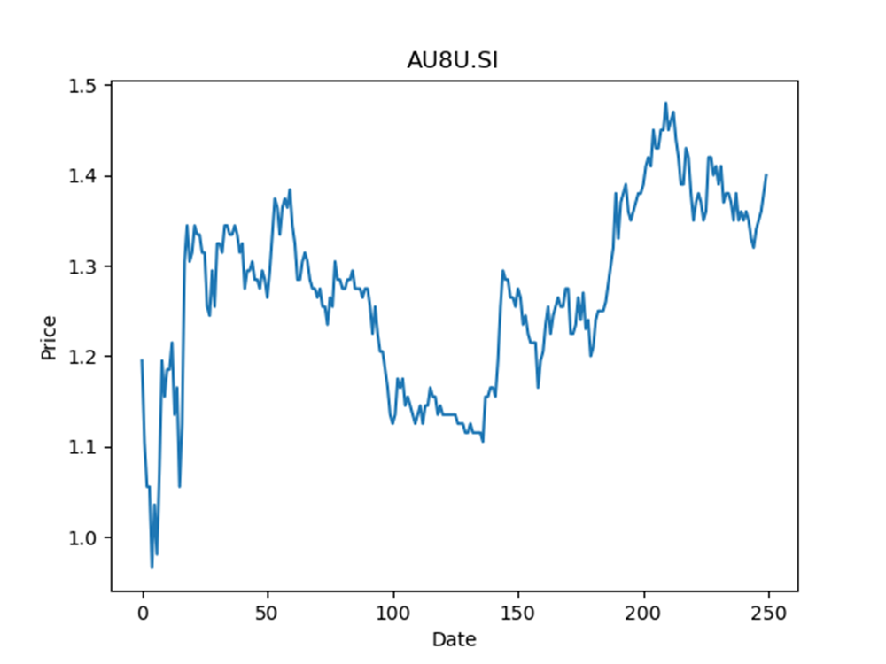
 | Year | Dividend | Dividend Growth Rate | Dividend yield | Median growth rate | Total debt | Interest expense | Rate debt | Market cap | Weight of debt | Weight of equity | Ra | Income tax expense | Income before tax | Effective tax rate | WACC
0 | 2008 | 0.066693 |  | 0.047637857954 | 0.034304027855 | 1379912 | 40267 | 0.029180846315 | 2116505856 | 0.00065155166575 | 0.99934844833 | 0.023039896737 | 65693 | 179393 | 0.36619600542 | 0.023036935461
1 | 2009 | 0.082477 | 0.23666651673 | 0.05891214386 | 0.034304027855 | 1379912 | 40267 | 0.029180846315 | 2116505856 | 0.00065155166575 | 0.99934844833 | 0.023039896737 | 65693 | 179393 | 0.36619600542 | 0.023036935461
2 | 2010 | 0.08159 | -0.010754513379 | 0.058278572421 | 0.034304027855 | 1379912 | 40267 | 0.029180846315 | 2116505856 | 0.00065155166575 | 0.99934844833 | 0.023039896737 | 65693 | 179393 | 0.36619600542 | 0.023036935461
3 | 2011 | 0.083168 | 0.019340605466 | 0.059405715297 | 0.034304027855 | 1379912 | 40267 | 0.029180846315 | 2116505856 | 0.00065155166575 | 0.99934844833 | 0.023039896737 | 65693 | 179393 | 0.36619600542 | 0.023036935461
4 | 2012 | 0.122928 | 0.47806848788 | 0.087805715781 | 0.034304027855 | 1379912 | 40267 | 0.029180846315 | 2116505856 | 0.00065155166575 | 0.99934844833 | 0.023039896737 | 65693 | 179393 | 0.36619600542 | 0.023036935461
5 | 2013 | 0.061069 | -0.50321326305 | 0.043620715029 | 0.034304027855 | 1379912 | 40267 | 0.029180846315 | 2116505856 | 0.00065155166575 | 0.99934844833 | 0.023039896737 | 65693 | 179393 | 0.36619600542 | 0.023036935461
6 | 2014 | 0.092374 | 0.51261687599 | 0.065981429695 | 0.034304027855 | 1379912 | 40267 | 0.029180846315 | 2116505856 | 0.00065155166575 | 0.99934844833 | 0.023039896737 | 65693 | 179393 | 0.36619600542 | 0.023036935461
7 | 2015 | 0.101096 | 0.094420507935 | 0.072211429801 | 0.034304027855 | 1379912 | 40267 | 0.029180846315 | 2116505856 | 0.00065155166575 | 0.99934844833 | 0.023039896737 | 65693 | 179393 | 0.36619600542 | 0.023036935461
8 | 2016 | 0.104564 | 0.034304027855 | 0.074688572701 | 0.034304027855 | 1379912 | 40267 | 0.029180846315 | 2116505856 | 0.00065155166575 | 0.99934844833 | 0.023039896737 | 65693 | 179393 | 0.36619600542 | 0.023036935461
9 | 2017 | 0.138759 | 0.32702459738 | 0.099113573116 | 0.034304027855 | 1379912 | 40267 | 0.029180846315 | 2116505856 | 0.00065155166575 | 0.99934844833 | 0.023039896737 | 65693 | 179393 | 0.36619600542 | 0.023036935461
10 | 2018 | 0.061648 | -0.55571890832 | 0.044034286464 | 0.034304027855 | 1379912 | 40267 | 0.029180846315 | 2116505856 | 0.00065155166575 | 0.99934844833 | 0.023039896737 | 65693 | 179393 | 0.36619600542 | 0.023036935461
11 | 2019 | 0.110215 | 0.78781144563 | 0.078725001341 | 0.034304027855 | 1379912 | 40267 | 0.029180846315 | 2116505856 | 0.00065155166575 | 0.99934844833 | 0.023039896737 | 65693 | 179393 | 0.36619600542 | 0.023036935461
12 | 2020 | 0.093523 | -0.15144943973 | 0.066802143995 | 0.034304027855 | 1379912 | 40267 | 0.029180846315 | 2116505856 | 0.00065155166575 | 0.99934844833 | 0.023039896737 | 65693 | 179393 | 0.36619600542 | 0.023036935461
13 | 2021 | 0.0058 | -0.93798316992 | 0.0041428572134 | 0.034304027855 | 1379912 | 40267 | 0.029180846315 | 2116505856 | 0.00065155166575 | 0.99934844833 | 0.023039896737 | 65693 | 179393 | 0.36619600542 | 0.023036935461

C38U.SI
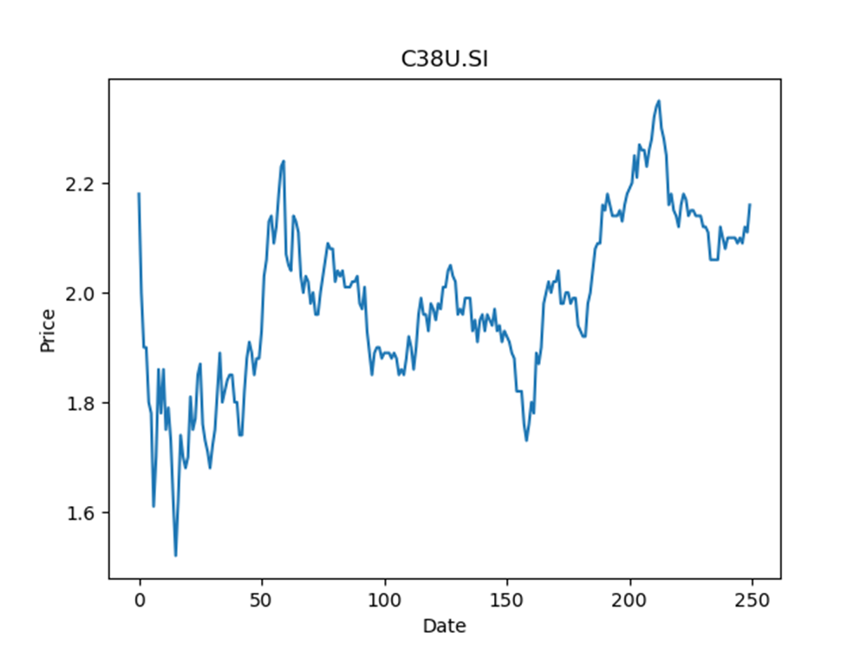
 | Year | Dividend | Dividend Growth Rate | Dividend yield | Median growth rate | Total debt | Interest expense | Rate debt | Market cap | Weight of debt | Weight of equity | Ra | Income tax expense | Income before tax | Effective tax rate | WACC
0 | 2008 | 0.104716 |  | 0.048479627703 | -0.010566045783 | 3560877 | 112866 | 0.031696124297 | 13982954496 | 0.00025459357853 | 0.99974540642 | 0.025375978844 | 0 | 143077 | 0 | 0.025377587912
1 | 2009 | 0.093791 | -0.10432980633 | 0.043421757534 | -0.010566045783 | 3560877 | 112866 | 0.031696124297 | 13982954496 | 0.00025459357853 | 0.99974540642 | 0.025375978844 | 0 | 143077 | 0 | 0.025377587912
2 | 2010 | 0.0928 | -0.010566045783 | 0.042962961256 | -0.010566045783 | 3560877 | 112866 | 0.031696124297 | 13982954496 | 0.00025459357853 | 0.99974540642 | 0.025375978844 | 0 | 143077 | 0 | 0.025377587912
3 | 2011 | 0.1045 | 0.12607758621 | 0.048379627707 | -0.010566045783 | 3560877 | 112866 | 0.031696124297 | 13982954496 | 0.00025459357853 | 0.99974540642 | 0.025375978844 | 0 | 143077 | 0 | 0.025377587912
4 | 2012 | 0.0993 | -0.04976076555 | 0.045972220395 | -0.010566045783 | 3560877 | 112866 | 0.031696124297 | 13982954496 | 0.00025459357853 | 0.99974540642 | 0.025375978844 | 0 | 143077 | 0 | 0.025377587912
5 | 2013 | 0.0836 | -0.15810674723 | 0.038703702166 | -0.010566045783 | 3560877 | 112866 | 0.031696124297 | 13982954496 | 0.00025459357853 | 0.99974540642 | 0.025375978844 | 0 | 143077 | 0 | 0.025377587912
6 | 2014 | 0.107 | 0.27990430622 | 0.049537035069 | -0.010566045783 | 3560877 | 112866 | 0.031696124297 | 13982954496 | 0.00025459357853 | 0.99974540642 | 0.025375978844 | 0 | 143077 | 0 | 0.025377587912
7 | 2015 | 0.1123 | 0.04953271028 | 0.051990738675 | -0.010566045783 | 3560877 | 112866 | 0.031696124297 | 13982954496 | 0.00025459357853 | 0.99974540642 | 0.025375978844 | 0 | 143077 | 0 | 0.025377587912
8 | 2016 | 0.1113 | -0.0089047195013 | 0.05152777573 | -0.010566045783 | 3560877 | 112866 | 0.031696124297 | 13982954496 | 0.00025459357853 | 0.99974540642 | 0.025375978844 | 0 | 143077 | 0 | 0.025377587912
9 | 2017 | 0.1114 | 0.00089847259659 | 0.051574072025 | -0.010566045783 | 3560877 | 112866 | 0.031696124297 | 13982954496 | 0.00025459357853 | 0.99974540642 | 0.025375978844 | 0 | 143077 | 0 | 0.025377587912
10 | 2018 | 0.1284 | 0.1526032316 | 0.059444442082 | -0.010566045783 | 3560877 | 112866 | 0.031696124297 | 13982954496 | 0.00025459357853 | 0.99974540642 | 0.025375978844 | 0 | 143077 | 0 | 0.025377587912
11 | 2019 | 0.1042 | -0.18847352025 | 0.048240738824 | -0.010566045783 | 3560877 | 112866 | 0.031696124297 | 13982954496 | 0.00025459357853 | 0.99974540642 | 0.025375978844 | 0 | 143077 | 0 | 0.025377587912
12 | 2020 | 0.1006 | -0.034548944338 | 0.046574072223 | -0.010566045783 | 3560877 | 112866 | 0.031696124297 | 13982954496 | 0.00025459357853 | 0.99974540642 | 0.025375978844 | 0 | 143077 | 0 | 0.025377587912
13 | 2021 | 0.0174 | -0.82703777336 | 0.0080555552355 | -0.010566045783 | 3560877 | 112866 | 0.031696124297 | 13982954496 | 0.00025459357853 | 0.99974540642 | 0.025375978844 | 0 | 143077 | 0 | 0.025377587912

J85.SI
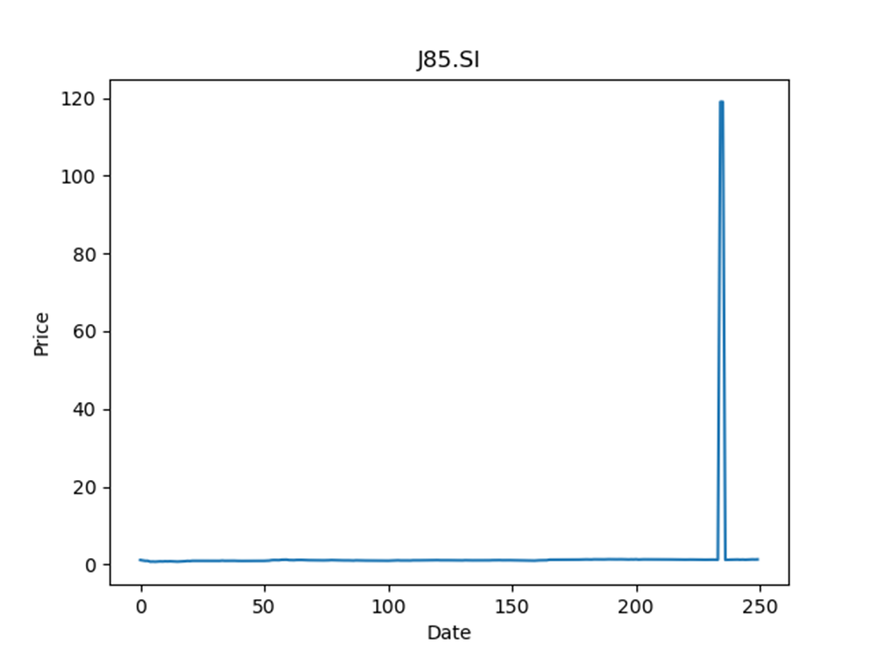
 | Year | Dividend | Dividend Growth Rate | Dividend yield | Median growth rate | Total debt | Interest expense | Rate debt | Market cap | Weight of debt | Weight of equity | Ra | Income tax expense | Income before tax | Effective tax rate | WACC
0 | 2008 | 0.073899 |  | 0.057286048206 | -0.033299632939 | 1063927 | 23979 | 0.022538200459 | 1565389056 | 0.00067919497843 | 0.99932080502 | 0.045848728238 | 8450 | 87566 | 0.096498641025 | 0.04583141866
1 | 2009 | 0.045995 | -0.37759644921 | 0.035655039814 | -0.033299632939 | 1063927 | 23979 | 0.022538200459 | 1565389056 | 0.00067919497843 | 0.99932080502 | 0.045848728238 | 8450 | 87566 | 0.096498641025 | 0.04583141866
2 | 2010 | 0.133943 | 1.9121208827 | 0.10383178602 | -0.033299632939 | 1063927 | 23979 | 0.022538200459 | 1565389056 | 0.00067919497843 | 0.99932080502 | 0.045848728238 | 8450 | 87566 | 0.096498641025 | 0.04583141866
3 | 2011 | 0.102478 | -0.23491335867 | 0.079440312427 | -0.033299632939 | 1063927 | 23979 | 0.022538200459 | 1565389056 | 0.00067919497843 | 0.99932080502 | 0.045848728238 | 8450 | 87566 | 0.096498641025 | 0.04583141866
4 | 2012 | 0.109791 | 0.071361658112 | 0.085109304842 | -0.033299632939 | 1063927 | 23979 | 0.022538200459 | 1565389056 | 0.00067919497843 | 0.99932080502 | 0.045848728238 | 8450 | 87566 | 0.096498641025 | 0.04583141866
5 | 2013 | 0.106135 | -0.033299632939 | 0.082275196231 | -0.033299632939 | 1063927 | 23979 | 0.022538200459 | 1565389056 | 0.00067919497843 | 0.99932080502 | 0.045848728238 | 8450 | 87566 | 0.096498641025 | 0.04583141866
6 | 2014 | 0.104017 | -0.019955716776 | 0.080633335718 | -0.033299632939 | 1063927 | 23979 | 0.022538200459 | 1565389056 | 0.00067919497843 | 0.99932080502 | 0.045848728238 | 8450 | 87566 | 0.096498641025 | 0.04583141866
7 | 2015 | 0.091893 | -0.11655787035 | 0.071234885827 | -0.033299632939 | 1063927 | 23979 | 0.022538200459 | 1565389056 | 0.00067919497843 | 0.99932080502 | 0.045848728238 | 8450 | 87566 | 0.096498641025 | 0.04583141866
8 | 2016 | 0.094492 | 0.028282894236 | 0.073249614569 | -0.033299632939 | 1063927 | 23979 | 0.022538200459 | 1565389056 | 0.00067919497843 | 0.99932080502 | 0.045848728238 | 8450 | 87566 | 0.096498641025 | 0.04583141866
9 | 2017 | 0.094404 | -0.00093129577107 | 0.073181397513 | -0.033299632939 | 1063927 | 23979 | 0.022538200459 | 1565389056 | 0.00067919497843 | 0.99932080502 | 0.045848728238 | 8450 | 87566 | 0.096498641025 | 0.04583141866
10 | 2018 | 0.0943 | -0.0011016482352 | 0.073100777355 | -0.033299632939 | 1063927 | 23979 | 0.022538200459 | 1565389056 | 0.00067919497843 | 0.99932080502 | 0.045848728238 | 8450 | 87566 | 0.096498641025 | 0.04583141866
11 | 2019 | 0.0911 | -0.033934252386 | 0.070620157127 | -0.033299632939 | 1063927 | 23979 | 0.022538200459 | 1565389056 | 0.00067919497843 | 0.99932080502 | 0.045848728238 | 8450 | 87566 | 0.096498641025 | 0.04583141866
12 | 2020 | 0.0637 | -0.30076838639 | 0.049379846421 | -0.033299632939 | 1063927 | 23979 | 0.022538200459 | 1565389056 | 0.00067919497843 | 0.99932080502 | 0.045848728238 | 8450 | 87566 | 0.096498641025 | 0.04583141866
13 | 2021 | 0.0344 | -0.45996860283 | 0.026666667455 | -0.033299632939 | 1063927 | 23979 | 0.022538200459 | 1565389056 | 0.00067919497843 | 0.99932080502 | 0.045848728238 | 8450 | 87566 | 0.096498641025 | 0.04583141866

CNNU.SI
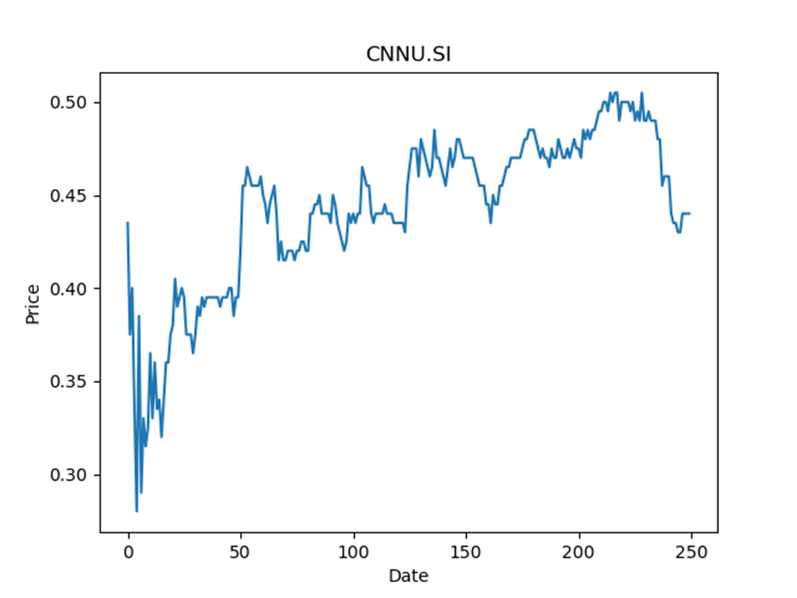
 | Year | Dividend | Dividend Growth Rate | Dividend yield | Median growth rate | Total debt | Interest expense | Rate debt | Market cap | Weight of debt | Weight of equity | Ra | Income tax expense | Income before tax | Effective tax rate | WACC
0 | 2018 | 0.023429 |  | 0.053247727561 | 0.041436464088 | 823798 | 12168 | 0.014770611242 | 1227001600 | 0.00067094067393 | 0.99932905933 | 0.034953661515 | 20996 | 130041 | 0.16145677133 | 0.034938519816
1 | 2019 | 0.0362 | 0.54509368731 | 0.082272727719 | 0.041436464088 | 823798 | 12168 | 0.014770611242 | 1227001600 | 0.00067094067393 | 0.99932905933 | 0.034953661515 | 20996 | 130041 | 0.16145677133 | 0.034938519816
2 | 2020 | 0.0377 | 0.041436464088 | 0.085681818646 | 0.041436464088 | 823798 | 12168 | 0.014770611242 | 1227001600 | 0.00067094067393 | 0.99932905933 | 0.034953661515 | 20996 | 130041 | 0.16145677133 | 0.034938519816
3 | 2021 | 0.02324 | -0.38355437666 | 0.052818182104 | 0.041436464088 | 823798 | 12168 | 0.014770611242 | 1227001600 | 0.00067094067393 | 0.99932905933 | 0.034953661515 | 20996 | 130041 | 0.16145677133 | 0.034938519816

BWCU.SI
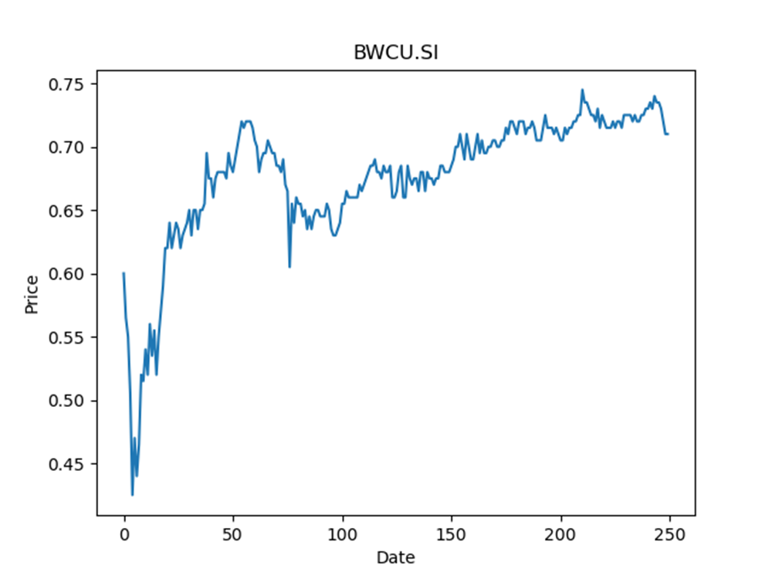
 | Year | Dividend | Dividend Growth Rate | Dividend yield | Median growth rate | Total debt | Interest expense | Rate debt | Market cap | Weight of debt | Weight of equity | Ra | Income tax expense | Income before tax | Effective tax rate | WACC
0 | 2016 | 0.00991 |  | 0.013957746901 | -0.00098151480451 | 654514 | 30477 | 0.046564321008 | 572149184 | 0.001142649746 | 0.99885735025 | 0.027300108178 | 31107 | 78426 | 0.39664141994 | 0.027301016441
1 | 2017 | 0.05984 | 5.038345106 | 0.084281692688 | -0.00098151480451 | 654514 | 30477 | 0.046564321008 | 572149184 | 0.001142649746 | 0.99885735025 | 0.027300108178 | 31107 | 78426 | 0.39664141994 | 0.027301016441
2 | 2018 | 0.06113 | 0.021557486631 | 0.086098594151 | -0.00098151480451 | 654514 | 30477 | 0.046564321008 | 572149184 | 0.001142649746 | 0.99885735025 | 0.027300108178 | 31107 | 78426 | 0.39664141994 | 0.027301016441
3 | 2019 | 0.06107 | -0.00098151480451 | 0.086014087107 | -0.00098151480451 | 654514 | 30477 | 0.046564321008 | 572149184 | 0.001142649746 | 0.99885735025 | 0.027300108178 | 31107 | 78426 | 0.39664141994 | 0.027301016441
4 | 2020 | 0.05442 | -0.10889143606 | 0.07664788964 | -0.00098151480451 | 654514 | 30477 | 0.046564321008 | 572149184 | 0.001142649746 | 0.99885735025 | 0.027300108178 | 31107 | 78426 | 0.39664141994 | 0.027301016441
5 | 2021 | 0.01427 | -0.73778022786 | 0.020098592157 | -0.00098151480451 | 654514 | 30477 | 0.046564321008 | 572149184 | 0.001142649746 | 0.99885735025 | 0.027300108178 | 31107 | 78426 | 0.39664141994 | 0.027301016441

J91U.SI
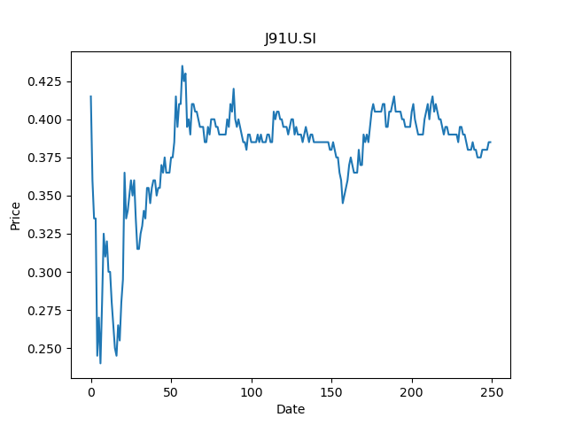
 | Year | Dividend | Dividend Growth Rate | Dividend yield | Median growth rate | Total debt | Interest expense | Rate debt | Market cap | Weight of debt | Weight of equity | Ra | Income tax expense | Income before tax | Effective tax rate | WACC
0 | 2008 | 0.057399 |  | 0.14908831538 | -0.033331290975 | 1191124 | 55866 | 0.046901917852 | 1377618560 | 0.00086387846983 | 0.99913612153 | 0.029526973215 | 15 | -70099 | -0.00021398308107 | 0.029541991725
1 | 2009 | 0.052104 | -0.092248993885 | 0.13533506829 | -0.033331290975 | 1191124 | 55866 | 0.046901917852 | 1377618560 | 0.00086387846983 | 0.99913612153 | 0.029526973215 | 15 | -70099 | -0.00021398308107 | 0.029541991725
2 | 2010 | 0.06176 | 0.18532166436 | 0.16041558839 | -0.033331290975 | 1191124 | 55866 | 0.046901917852 | 1377618560 | 0.00086387846983 | 0.99913612153 | 0.029526973215 | 15 | -70099 | -0.00021398308107 | 0.029541991725
3 | 2011 | 0.036343 | -0.41154468912 | 0.094397404936 | -0.033331290975 | 1191124 | 55866 | 0.046901917852 | 1377618560 | 0.00086387846983 | 0.99913612153 | 0.029526973215 | 15 | -70099 | -0.00021398308107 | 0.029541991725
4 | 2012 | 0.046186 | 0.27083619954 | 0.11996363934 | -0.033331290975 | 1191124 | 55866 | 0.046901917852 | 1377618560 | 0.00086387846983 | 0.99913612153 | 0.029526973215 | 15 | -70099 | -0.00021398308107 | 0.029541991725
5 | 2013 | 0.048963 | 0.060126445243 | 0.12717662653 | -0.033331290975 | 1191124 | 55866 | 0.046901917852 | 1377618560 | 0.00086387846983 | 0.99913612153 | 0.029526973215 | 15 | -70099 | -0.00021398308107 | 0.029541991725
6 | 2014 | 0.047331 | -0.033331290975 | 0.12293766538 | -0.033331290975 | 1191124 | 55866 | 0.046901917852 | 1377618560 | 0.00086387846983 | 0.99913612153 | 0.029526973215 | 15 | -70099 | -0.00021398308107 | 0.029541991725
7 | 2015 | 0.04669 | -0.01354292113 | 0.12127273028 | -0.033331290975 | 1191124 | 55866 | 0.046901917852 | 1377618560 | 0.00086387846983 | 0.99913612153 | 0.029526973215 | 15 | -70099 | -0.00021398308107 | 0.029541991725
8 | 2016 | 0.042656 | -0.086399657314 | 0.11079480794 | -0.033331290975 | 1191124 | 55866 | 0.046901917852 | 1377618560 | 0.00086387846983 | 0.99913612153 | 0.029526973215 | 15 | -70099 | -0.00021398308107 | 0.029541991725
9 | 2017 | 0.038744 | -0.091710427607 | 0.10063376873 | -0.033331290975 | 1191124 | 55866 | 0.046901917852 | 1377618560 | 0.00086387846983 | 0.99913612153 | 0.029526973215 | 15 | -70099 | -0.00021398308107 | 0.029541991725
10 | 2018 | 0.039295 | 0.014221556886 | 0.10206493759 | -0.033331290975 | 1191124 | 55866 | 0.046901917852 | 1377618560 | 0.00086387846983 | 0.99913612153 | 0.029526973215 | 15 | -70099 | -0.00021398308107 | 0.029541991725
11 | 2019 | 0.039925 | 0.016032574119 | 0.10370130127 | -0.033331290975 | 1191124 | 55866 | 0.046901917852 | 1377618560 | 0.00086387846983 | 0.99913612153 | 0.029526973215 | 15 | -70099 | -0.00021398308107 | 0.029541991725
12 | 2020 | 0.02815 | -0.29492798998 | 0.073116884928 | -0.033331290975 | 1191124 | 55866 | 0.046901917852 | 1377618560 | 0.00086387846983 | 0.99913612153 | 0.029526973215 | 15 | -70099 | -0.00021398308107 | 0.029541991725
13 | 2021 | 0.0084 | -0.70159857904 | 0.021818182359 | -0.033331290975 | 1191124 | 55866 | 0.046901917852 | 1377618560 | 0.00086387846983 | 0.99913612153 | 0.029526973215 | 15 | -70099 | -0.00021398308107 | 0.029541991725

Q5T.SI
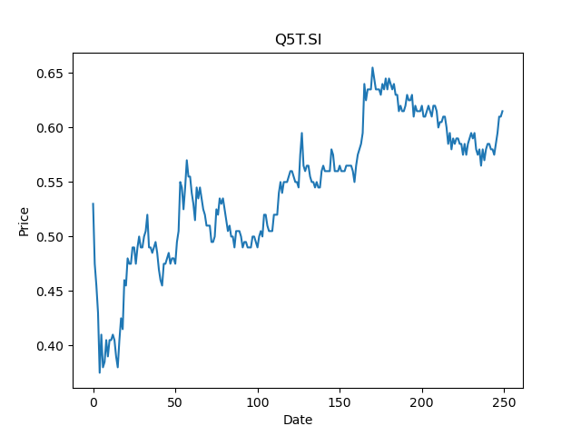
 | Year | Dividend | Dividend Growth Rate | Dividend yield | Median growth rate | Total debt | Interest expense | Rate debt | Market cap | Weight of debt | Weight of equity | Ra | Income tax expense | Income before tax | Effective tax rate | WACC
0 | 2013 | 0.0631 |  | 0.10260162443 | -0.091648505604 | 992194 | 26845 | 0.027056200703 | 1202411136 | 0.0008244899904 | 0.99917551001 | 0.028369350223 | 117 | 46535 | 0.0025142365961 | 0.028368211458
1 | 2014 | 0.0528 | -0.16323296355 | 0.085853657205 | -0.091648505604 | 992194 | 26845 | 0.027056200703 | 1202411136 | 0.0008244899904 | 0.99917551001 | 0.028369350223 | 117 | 46535 | 0.0025142365961 | 0.028368211458
2 | 2015 | 0.0471 | -0.10795454545 | 0.076585364666 | -0.091648505604 | 992194 | 26845 | 0.027056200703 | 1202411136 | 0.0008244899904 | 0.99917551001 | 0.028369350223 | 117 | 46535 | 0.0025142365961 | 0.028368211458
3 | 2016 | 0.0438 | -0.070063694268 | 0.071219511091 | -0.091648505604 | 992194 | 26845 | 0.027056200703 | 1202411136 | 0.0008244899904 | 0.99917551001 | 0.028369350223 | 117 | 46535 | 0.0025142365961 | 0.028368211458
4 | 2017 | 0.0405 | -0.075342465753 | 0.065853657515 | -0.091648505604 | 992194 | 26845 | 0.027056200703 | 1202411136 | 0.0008244899904 | 0.99917551001 | 0.028369350223 | 117 | 46535 | 0.0025142365961 | 0.028368211458
5 | 2018 | 0.0397 | -0.01975308642 | 0.064552844527 | -0.091648505604 | 992194 | 26845 | 0.027056200703 | 1202411136 | 0.0008244899904 | 0.99917551001 | 0.028369350223 | 117 | 46535 | 0.0025142365961 | 0.028368211458
6 | 2019 | 0.0386 | -0.027707808564 | 0.062764226669 | -0.091648505604 | 992194 | 26845 | 0.027056200703 | 1202411136 | 0.0008244899904 | 0.99917551001 | 0.028369350223 | 117 | 46535 | 0.0025142365961 | 0.028368211458
7 | 2020 | 0.0198 | -0.48704663212 | 0.032195121452 | -0.091648505604 | 992194 | 26845 | 0.027056200703 | 1202411136 | 0.0008244899904 | 0.99917551001 | 0.028369350223 | 117 | 46535 | 0.0025142365961 | 0.028368211458
8 | 2021 | 0.0138 | -0.30303030303 | 0.022439024042 | -0.091648505604 | 992194 | 26845 | 0.027056200703 | 1202411136 | 0.0008244899904 | 0.99917551001 | 0.028369350223 | 117 | 46535 | 0.0025142365961 | 0.028368211458

J69U.SI
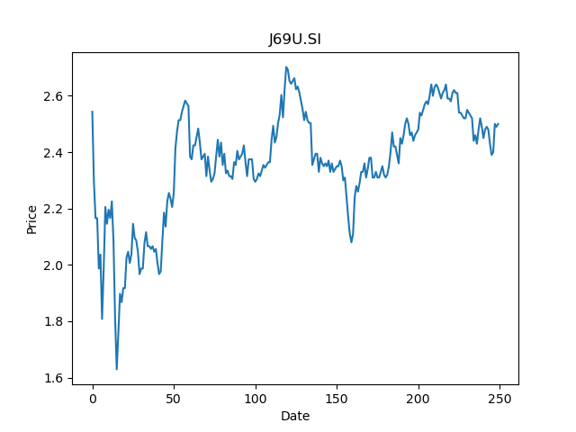
 | Year | Dividend | Dividend Growth Rate | Dividend yield | Median growth rate | Total debt | Interest expense | Rate debt | Market cap | Weight of debt | Weight of equity | Ra | Income tax expense | Income before tax | Effective tax rate | WACC
0 | 2008 | 0.069963 |  | 0.0279852 | 0.013783406778 | 1252308 | 27603 | 0.022041702201 | 4246274816 | 0.00029483225497 | 0.99970516775 | 0.026930483908 | 82 | 151758 | 0.00054033395274 | 0.026929039026
1 | 2009 | 0.072442 | 0.035433014593 | 0.0289768 | 0.013783406778 | 1252308 | 27603 | 0.022041702201 | 4246274816 | 0.00029483225497 | 0.99970516775 | 0.026930483908 | 82 | 151758 | 0.00054033395274 | 0.026929039026
2 | 2010 | 0.079488 | 0.097264018111 | 0.0317952 | 0.013783406778 | 1252308 | 27603 | 0.022041702201 | 4246274816 | 0.00029483225497 | 0.99970516775 | 0.026930483908 | 82 | 151758 | 0.00054033395274 | 0.026929039026
3 | 2011 | 0.079786 | 0.0037489935588 | 0.0319144 | 0.013783406778 | 1252308 | 27603 | 0.022041702201 | 4246274816 | 0.00029483225497 | 0.99970516775 | 0.026930483908 | 82 | 151758 | 0.00054033395274 | 0.026929039026
4 | 2012 | 0.080283 | 0.0062291630111 | 0.0321132 | 0.013783406778 | 1252308 | 27603 | 0.022041702201 | 4246274816 | 0.00029483225497 | 0.99970516775 | 0.026930483908 | 82 | 151758 | 0.00054033395274 | 0.026929039026
5 | 2013 | 0.108466 | 0.35104567592 | 0.0433864 | 0.013783406778 | 1252308 | 27603 | 0.022041702201 | 4246274816 | 0.00029483225497 | 0.99970516775 | 0.026930483908 | 82 | 151758 | 0.00054033395274 | 0.026929039026
6 | 2014 | 0.108316 | -0.0013829218373 | 0.0433264 | 0.013783406778 | 1252308 | 27603 | 0.022041702201 | 4246274816 | 0.00029483225497 | 0.99970516775 | 0.026930483908 | 82 | 151758 | 0.00054033395274 | 0.026929039026
7 | 2015 | 0.113874 | 0.051312825437 | 0.0455496 | 0.013783406778 | 1252308 | 27603 | 0.022041702201 | 4246274816 | 0.00029483225497 | 0.99970516775 | 0.026930483908 | 82 | 151758 | 0.00054033395274 | 0.026929039026
8 | 2016 | 0.116742 | 0.025185731598 | 0.0466968 | 0.013783406778 | 1252308 | 27603 | 0.022041702201 | 4246274816 | 0.00029483225497 | 0.99970516775 | 0.026930483908 | 82 | 151758 | 0.00054033395274 | 0.026929039026
9 | 2017 | 0.116742 | 0 | 0.0466968 | 0.013783406778 | 1252308 | 27603 | 0.022041702201 | 4246274816 | 0.00029483225497 | 0.99970516775 | 0.026930483908 | 82 | 151758 | 0.00054033395274 | 0.026929039026
10 | 2018 | 0.119233 | 0.021337650546 | 0.0476932 | 0.013783406778 | 1252308 | 27603 | 0.022041702201 | 4246274816 | 0.00029483225497 | 0.99970516775 | 0.026930483908 | 82 | 151758 | 0.00054033395274 | 0.026929039026
11 | 2019 | 0.119845 | 0.0051328071926 | 0.047938 | 0.013783406778 | 1252308 | 27603 | 0.022041702201 | 4246274816 | 0.00029483225497 | 0.99970516775 | 0.026930483908 | 82 | 151758 | 0.00054033395274 | 0.026929039026
12 | 2020 | 0.091435 | -0.23705619759 | 0.036574 | 0.013783406778 | 1252308 | 27603 | 0.022041702201 | 4246274816 | 0.00029483225497 | 0.99970516775 | 0.026930483908 | 82 | 151758 | 0.00054033395274 | 0.026929039026

ACV.SI
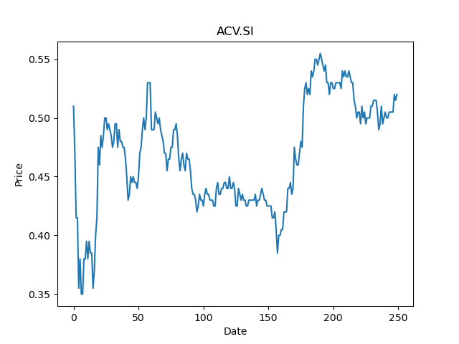
 | Year | Dividend | Dividend Growth Rate | Dividend yield | Median growth rate | Total debt | Interest expense | Rate debt | Market cap | Weight of debt | Weight of equity | Ra | Income tax expense | Income before tax | Effective tax rate | WACC
0 | 2015 | 0.071762 |  | 0.13800385122 | -0.073173293008 | 886388 | 19218 | 0.021681250197 | 1001556352 | 0.00088422806075 | 0.99911577194 | 0.024850208497 | -9981 | -123409 | 0.080877407644 | 0.024845855901
1 | 2016 | 0.052287 | -0.2713831833 | 0.10055192677 | -0.073173293008 | 886388 | 19218 | 0.021681250197 | 1001556352 | 0.00088422806075 | 0.99911577194 | 0.024850208497 | -9981 | -123409 | 0.080877407644 | 0.024845855901
2 | 2017 | 0.050458 | -0.034980014153 | 0.097034618944 | -0.073173293008 | 886388 | 19218 | 0.021681250197 | 1001556352 | 0.00088422806075 | 0.99911577194 | 0.024850208497 | -9981 | -123409 | 0.080877407644 | 0.024845855901
3 | 2018 | 0.047613 | -0.056383526894 | 0.091563464897 | -0.073173293008 | 886388 | 19218 | 0.021681250197 | 1001556352 | 0.00088422806075 | 0.99911577194 | 0.024850208497 | -9981 | -123409 | 0.080877407644 | 0.024845855901
4 | 2019 | 0.044129 | -0.073173293008 | 0.084863464651 | -0.073173293008 | 886388 | 19218 | 0.021681250197 | 1001556352 | 0.00088422806075 | 0.99911577194 | 0.024850208497 | -9981 | -123409 | 0.080877407644 | 0.024845855901
5 | 2020 | 0.013982 | -0.68315620114 | 0.026888462525 | -0.073173293008 | 886388 | 19218 | 0.021681250197 | 1001556352 | 0.00088422806075 | 0.99911577194 | 0.024850208497 | -9981 | -123409 | 0.080877407644 | 0.024845855901

BUOU.SI
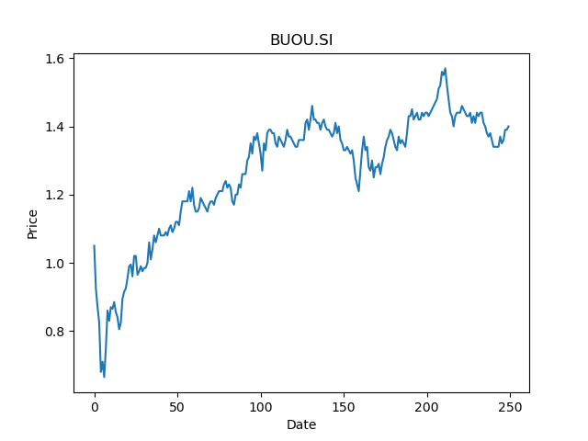
 | Year | Dividend | Dividend Growth Rate | Dividend yield | Median growth rate | Total debt | Interest expense | Rate debt | Market cap | Weight of debt | Weight of equity | Ra | Income tax expense | Income before tax | Effective tax rate | WACC
0 | 2017 | 0.069329 |  | 0.049520715129 | 0.017142857143 | 2445883 | 37103 | 0.015169572706 | 4800152064 | 0.00050928331436 | 0.99949071669 | 0.030263878617 | 71719 | 530477 | 0.13519719045 | 0.030255146858
1 | 2018 | 0.0719 | 0.037084048522 | 0.051357143732 | 0.017142857143 | 2445883 | 37103 | 0.015169572706 | 4800152064 | 0.00050928331436 | 0.99949071669 | 0.030263878617 | 71719 | 530477 | 0.13519719045 | 0.030255146858
2 | 2019 | 0.07 | -0.026425591099 | 0.050000000851 | 0.017142857143 | 2445883 | 37103 | 0.015169572706 | 4800152064 | 0.00050928331436 | 0.99949071669 | 0.030263878617 | 71719 | 530477 | 0.13519719045 | 0.030255146858
3 | 2020 | 0.0712 | 0.017142857143 | 0.050857143723 | 0.017142857143 | 2445883 | 37103 | 0.015169572706 | 4800152064 | 0.00050928331436 | 0.99949071669 | 0.030263878617 | 71719 | 530477 | 0.13519719045 | 0.030255146858

UD1U.SI
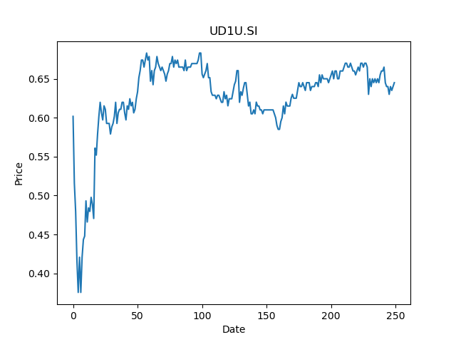
 | Year | Dividend | Dividend Growth Rate | Dividend yield | Median growth rate | Total debt | Interest expense | Rate debt | Market cap | Weight of debt | Weight of equity | Ra | Income tax expense | Income before tax | Effective tax rate | WACC
0 | 2015 | 0.040126 |  | 0.062210854553 | -0.031070174089 | 231453 | 5671 | 0.024501734693 | 601957824 | 0.00038435257624 | 0.99961564742 | 0.026167738579 | 13304 | 82202 | 0.16184521058 | 0.0261655741
1 | 2016 | 0.056187 | 0.40026416787 | 0.087111630483 | -0.031070174089 | 231453 | 5671 | 0.024501734693 | 601957824 | 0.00038435257624 | 0.99961564742 | 0.026167738579 | 13304 | 82202 | 0.16184521058 | 0.0261655741
2 | 2017 | 0.054648 | -0.027390677559 | 0.084725583901 | -0.031070174089 | 231453 | 5671 | 0.024501734693 | 601957824 | 0.00038435257624 | 0.99961564742 | 0.026167738579 | 13304 | 82202 | 0.16184521058 | 0.0261655741
3 | 2018 | 0.052749 | -0.034749670619 | 0.081781397767 | -0.031070174089 | 231453 | 5671 | 0.024501734693 | 601957824 | 0.00038435257624 | 0.99961564742 | 0.026167738579 | 13304 | 82202 | 0.16184521058 | 0.0261655741
4 | 2019 | 0.052296 | -0.0085878405278 | 0.081079072165 | -0.031070174089 | 231453 | 5671 | 0.024501734693 | 601957824 | 0.00038435257624 | 0.99961564742 | 0.026167738579 | 13304 | 82202 | 0.16184521058 | 0.0261655741
5 | 2020 | 0.050305 | -0.038071745449 | 0.077992250368 | -0.031070174089 | 231453 | 5671 | 0.024501734693 | 601957824 | 0.00038435257624 | 0.99961564742 | 0.026167738579 | 13304 | 82202 | 0.16184521058 | 0.0261655741
6 | 2021 | 0.0218 | -0.5666434748 | 0.033798450612 | -0.031070174089 | 231453 | 5671 | 0.024501734693 | 601957824 | 0.00038435257624 | 0.99961564742 | 0.026167738579 | 13304 | 82202 | 0.16184521058 | 0.0261655741

AJBU.SI
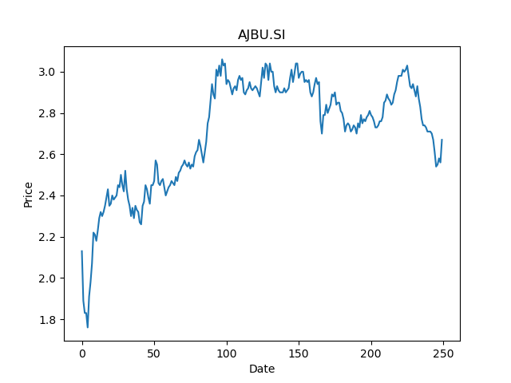
 | Year | Dividend | Dividend Growth Rate | Dividend yield | Median growth rate | Total debt | Interest expense | Rate debt | Market cap | Weight of debt | Weight of equity | Ra | Income tax expense | Income before tax | Effective tax rate | WACC
0 | 2015 | 0.034387 |  | 0.012879025849 | 0.046594056305 | 868871 | 16118 | 0.018550509799 | 4361338368 | 0.00019918150432 | 0.9998008185 | 0.024302965981 | 12110 | 146748 | 0.082522419386 | 0.024301515285
1 | 2016 | 0.063945 | 0.85956902318 | 0.023949437518 | 0.046594056305 | 868871 | 16118 | 0.018550509799 | 4361338368 | 0.00019918150432 | 0.9998008185 | 0.024302965981 | 12110 | 146748 | 0.082522419386 | 0.024301515285
2 | 2017 | 0.063142 | -0.012557666745 | 0.023648688463 | 0.046594056305 | 868871 | 16118 | 0.018550509799 | 4361338368 | 0.00019918150432 | 0.9998008185 | 0.024302965981 | 12110 | 146748 | 0.082522419386 | 0.024301515285
3 | 2018 | 0.069819 | 0.10574577935 | 0.026149437455 | 0.046594056305 | 868871 | 16118 | 0.018550509799 | 4361338368 | 0.00019918150432 | 0.9998008185 | 0.024302965981 | 12110 | 146748 | 0.082522419386 | 0.024301515285
4 | 2019 | 0.091913 | 0.31644681247 | 0.034424343586 | 0.046594056305 | 868871 | 16118 | 0.018550509799 | 4361338368 | 0.00019918150432 | 0.9998008185 | 0.024302965981 | 12110 | 146748 | 0.082522419386 | 0.024301515285
5 | 2020 | 0.06325 | -0.31184924875 | 0.0236891379 | 0.046594056305 | 868871 | 16118 | 0.018550509799 | 4361338368 | 0.00019918150432 | 0.9998008185 | 0.024302965981 | 12110 | 146748 | 0.082522419386 | 0.024301515285
6 | 2021 | 0.04795 | -0.2418972332 | 0.017958800985 | 0.046594056305 | 868871 | 16118 | 0.018550509799 | 4361338368 | 0.00019918150432 | 0.9998008185 | 0.024302965981 | 12110 | 146748 | 0.082522419386 | 0.024301515285

CMOU.SI
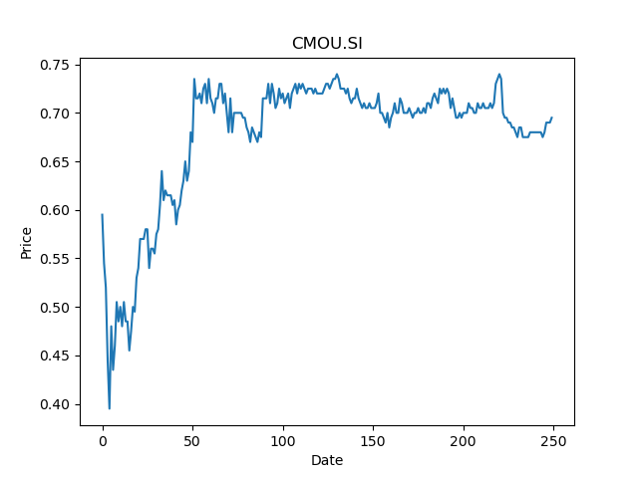
 | Year | Dividend | Dividend Growth Rate | Dividend yield | Median growth rate | Total debt | Interest expense | Rate debt | Market cap | Weight of debt | Weight of equity | Ra | Income tax expense | Income before tax | Effective tax rate | WACC
0 | 2018 | 0.049245 |  | 0.070856115837 | -0.45456129651 | 477984 | 16067 | 0.033614095869 | 656959168 | 0.00072704135832 | 0.99927295864 | 0.027421843616 | 20704 | 92177 | 0.22461134556 | 0.027420856399
1 | 2019 | 0.108474 | 1.2027413951 | 0.15607769945 | -0.45456129651 | 477984 | 16067 | 0.033614095869 | 656959168 | 0.00072704135832 | 0.99927295864 | 0.027421843616 | 20704 | 92177 | 0.22461134556 | 0.027420856399
2 | 2020 | 0.057385 | -0.47097922083 | 0.082568346173 | -0.45456129651 | 477984 | 16067 | 0.033614095869 | 656959168 | 0.00072704135832 | 0.99927295864 | 0.027421843616 | 20704 | 92177 | 0.22461134556 | 0.027420856399
3 | 2021 | 0.0313 | -0.45456129651 | 0.045035971687 | -0.45456129651 | 477984 | 16067 | 0.033614095869 | 656959168 | 0.00072704135832 | 0.99927295864 | 0.027421843616 | 20704 | 92177 | 0.22461134556 | 0.027420856399

K71U.SI
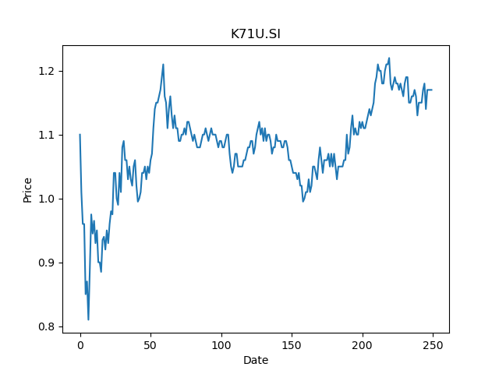
 | Year | Dividend | Dividend Growth Rate | Dividend yield | Median growth rate | Total debt | Interest expense | Rate debt | Market cap | Weight of debt | Weight of equity | Ra | Income tax expense | Income before tax | Effective tax rate | WACC
0 | 2008 | 0.088659 |  | 0.075776925856 | -0.044848484848 | 2121464 | 55367 | 0.026098486705 | 4285510912 | 0.00049478682265 | 0.99950521318 | 0.024874730044 | 11740 | 169088 | 0.069431302044 | 0.024874438963
1 | 2009 | 0.082279 | -0.071961109419 | 0.070323934203 | -0.044848484848 | 2121464 | 55367 | 0.026098486705 | 4285510912 | 0.00049478682265 | 0.99950521318 | 0.024874730044 | 11740 | 169088 | 0.069431302044 | 0.024874438963
2 | 2010 | 0.052897 | -0.3571020552 | 0.045211112769 | -0.044848484848 | 2121464 | 55367 | 0.026098486705 | 4285510912 | 0.00049478682265 | 0.99950521318 | 0.024874730044 | 11740 | 169088 | 0.069431302044 | 0.024874438963
3 | 2011 | 0.065431 | 0.23695105583 | 0.055923933675 | -0.044848484848 | 2121464 | 55367 | 0.026098486705 | 4285510912 | 0.00049478682265 | 0.99950521318 | 0.024874730044 | 11740 | 169088 | 0.069431302044 | 0.024874438963
4 | 2012 | 0.0825 | 0.26087022971 | 0.070512823099 | -0.044848484848 | 2121464 | 55367 | 0.026098486705 | 4285510912 | 0.00049478682265 | 0.99950521318 | 0.024874730044 | 11740 | 169088 | 0.069431302044 | 0.024874438963
5 | 2013 | 0.0788 | -0.044848484848 | 0.067350429821 | -0.044848484848 | 2121464 | 55367 | 0.026098486705 | 4285510912 | 0.00049478682265 | 0.99950521318 | 0.024874730044 | 11740 | 169088 | 0.069431302044 | 0.024874438963
6 | 2014 | 0.0796 | 0.010152284264 | 0.06803419053 | -0.044848484848 | 2121464 | 55367 | 0.026098486705 | 4285510912 | 0.00049478682265 | 0.99950521318 | 0.024874730044 | 11740 | 169088 | 0.069431302044 | 0.024874438963
7 | 2015 | 0.0538 | -0.32412060302 | 0.04598290767 | -0.044848484848 | 2121464 | 55367 | 0.026098486705 | 4285510912 | 0.00049478682265 | 0.99950521318 | 0.024874730044 | 11740 | 169088 | 0.069431302044 | 0.024874438963
8 | 2016 | 0.0687 | 0.27695167286 | 0.058717950872 | -0.044848484848 | 2121464 | 55367 | 0.026098486705 | 4285510912 | 0.00049478682265 | 0.99950521318 | 0.024874730044 | 11740 | 169088 | 0.069431302044 | 0.024874438963
9 | 2017 | 0.0443 | -0.35516739447 | 0.037863249252 | -0.044848484848 | 2121464 | 55367 | 0.026098486705 | 4285510912 | 0.00049478682265 | 0.99950521318 | 0.024874730044 | 11740 | 169088 | 0.069431302044 | 0.024874438963
10 | 2018 | 0.0563 | 0.27088036117 | 0.048119659885 | -0.044848484848 | 2121464 | 55367 | 0.026098486705 | 4285510912 | 0.00049478682265 | 0.99950521318 | 0.024874730044 | 11740 | 169088 | 0.069431302044 | 0.024874438963
11 | 2019 | 0.0554 | -0.015985790409 | 0.047350429087 | -0.044848484848 | 2121464 | 55367 | 0.026098486705 | 4285510912 | 0.00049478682265 | 0.99950521318 | 0.024874730044 | 11740 | 169088 | 0.069431302044 | 0.024874438963
12 | 2020 | 0.042 | -0.24187725632 | 0.035897437214 | -0.044848484848 | 2121464 | 55367 | 0.026098486705 | 4285510912 | 0.00049478682265 | 0.99950521318 | 0.024874730044 | 11740 | 169088 | 0.069431302044 | 0.024874438963
13 | 2021 | 0.0387 | -0.078571428571 | 0.03307692429 | -0.044848484848 | 2121464 | 55367 | 0.026098486705 | 4285510912 | 0.00049478682265 | 0.99950521318 | 0.024874730044 | 11740 | 169088 | 0.069431302044 | 0.024874438963

D5IU.SI
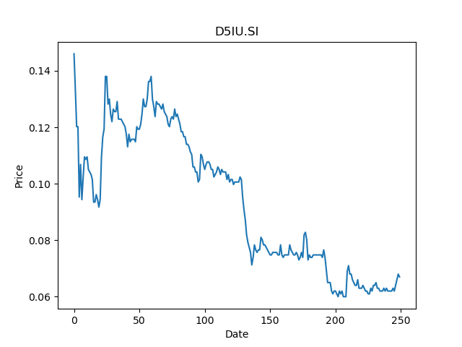
 | Year | Dividend | Dividend Growth Rate | Dividend yield | Median growth rate | Total debt | Interest expense | Rate debt | Market cap | Weight of debt | Weight of equity | Ra | Income tax expense | Income before tax | Effective tax rate | WACC
0 | 2008 | 0.047192 |  | 0.70435819141 | -0.20129961859 | 709425 | 42741 | 0.060247383444 | 509847904 | 0.0013895109515 | 0.99861048905 | 0.0017525336934 | 15667 | -228280 | -0.068630629052 | 0.0018395582996
1 | 2009 | 0.037219 | -0.21132819122 | 0.55550744885 | -0.20129961859 | 709425 | 42741 | 0.060247383444 | 509847904 | 0.0013895109515 | 0.99861048905 | 0.0017525336934 | 15667 | -228280 | -0.068630629052 | 0.0018395582996
2 | 2010 | 0.039979 | 0.074155673178 | 0.59670147767 | -0.20129961859 | 709425 | 42741 | 0.060247383444 | 509847904 | 0.0013895109515 | 0.99861048905 | 0.0017525336934 | 15667 | -228280 | -0.068630629052 | 0.0018395582996
3 | 2011 | 0.039445 | -0.013357012432 | 0.58873132862 | -0.20129961859 | 709425 | 42741 | 0.060247383444 | 509847904 | 0.0013895109515 | 0.99861048905 | 0.0017525336934 | 15667 | -228280 | -0.068630629052 | 0.0018395582996
4 | 2012 | 0.024397 | -0.38149321841 | 0.36413431929 | -0.20129961859 | 709425 | 42741 | 0.060247383444 | 509847904 | 0.0013895109515 | 0.99861048905 | 0.0017525336934 | 15667 | -228280 | -0.068630629052 | 0.0018395582996
5 | 2013 | 0.02885 | 0.18252244128 | 0.4305970042 | -0.20129961859 | 709425 | 42741 | 0.060247383444 | 509847904 | 0.0013895109515 | 0.99861048905 | 0.0017525336934 | 15667 | -228280 | -0.068630629052 | 0.0018395582996
6 | 2014 | 0.028137 | -0.024714038128 | 0.41995521342 | -0.20129961859 | 709425 | 42741 | 0.060247383444 | 509847904 | 0.0013895109515 | 0.99861048905 | 0.0017525336934 | 15667 | -228280 | -0.068630629052 | 0.0018395582996
7 | 2015 | 0.021637 | -0.23101254576 | 0.32294029046 | -0.20129961859 | 709425 | 42741 | 0.060247383444 | 509847904 | 0.0013895109515 | 0.99861048905 | 0.0017525336934 | 15667 | -228280 | -0.068630629052 | 0.0018395582996
8 | 2016 | 0.024485 | 0.13162638074 | 0.36544775209 | -0.20129961859 | 709425 | 42741 | 0.060247383444 | 509847904 | 0.0013895109515 | 0.99861048905 | 0.0017525336934 | 15667 | -228280 | -0.068630629052 | 0.0018395582996
9 | 2017 | 0.028316 | 0.1564631407 | 0.42262685514 | -0.20129961859 | 709425 | 42741 | 0.060247383444 | 509847904 | 0.0013895109515 | 0.99861048905 | 0.0017525336934 | 15667 | -228280 | -0.068630629052 | 0.0018395582996
10 | 2018 | 0.022616 | -0.20129961859 | 0.3375522304 | -0.20129961859 | 709425 | 42741 | 0.060247383444 | 509847904 | 0.0013895109515 | 0.99861048905 | 0.0017525336934 | 15667 | -228280 | -0.068630629052 | 0.0018395582996
11 | 2019 | 0.017896 | -0.20870180403 | 0.26710447096 | -0.20129961859 | 709425 | 42741 | 0.060247383444 | 509847904 | 0.0013895109515 | 0.99861048905 | 0.0017525336934 | 15667 | -228280 | -0.068630629052 | 0.0018395582996
12 | 2020 | 0.0073 | -0.59208761734 | 0.10895522117 | -0.20129961859 | 709425 | 42741 | 0.060247383444 | 509847904 | 0.0013895109515 | 0.99861048905 | 0.0017525336934 | 15667 | -228280 | -0.068630629052 | 0.0018395582996
13 | 2021 | 0.0004 | -0.94520547945 | 0.005970149105 | -0.20129961859 | 709425 | 42741 | 0.060247383444 | 509847904 | 0.0013895109515 | 0.99861048905 | 0.0017525336934 | 15667 | -228280 | -0.068630629052 | 0.0018395582996

BTOU.SI
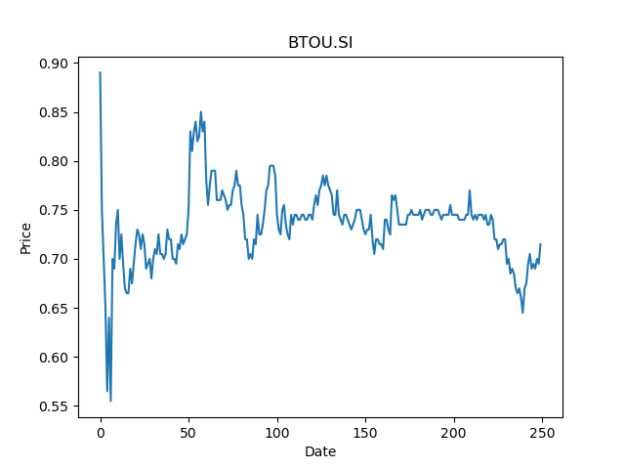
 | Year | Dividend | Dividend Growth Rate | Dividend yield | Median growth rate | Total debt | Interest expense | Rate debt | Market cap | Weight of debt | Weight of equity | Ra | Income tax expense | Income before tax | Effective tax rate | WACC
0 | 2017 | 0.061586 |  | 0.086134268894 | -0.2694717374 | 852287 | 27724 | 0.032528948582 | 1138036864 | 0.00074834938875 | 0.99925165061 | 0.018001490346 | -22699 | -65983 | 0.3440128518 | 0.01800398765
1 | 2018 | 0.050596 | -0.17844964765 | 0.070763638959 | -0.2694717374 | 852287 | 27724 | 0.032528948582 | 1138036864 | 0.00074834938875 | 0.99925165061 | 0.018001490346 | -22699 | -65983 | 0.3440128518 | 0.01800398765
2 | 2019 | 0.075275 | 0.48776583129 | 0.10527972414 | -0.2694717374 | 852287 | 27724 | 0.032528948582 | 1138036864 | 0.00074834938875 | 0.99925165061 | 0.018001490346 | -22699 | -65983 | 0.3440128518 | 0.01800398765
3 | 2020 | 0.0405 | -0.46197276652 | 0.056643358721 | -0.2694717374 | 852287 | 27724 | 0.032528948582 | 1138036864 | 0.00074834938875 | 0.99925165061 | 0.018001490346 | -22699 | -65983 | 0.3440128518 | 0.01800398765
4 | 2021 | 0.0259 | -0.36049382716 | 0.036223777552 | -0.2694717374 | 852287 | 27724 | 0.032528948582 | 1138036864 | 0.00074834938875 | 0.99925165061 | 0.018001490346 | -22699 | -65983 | 0.3440128518 | 0.01800398765

N2IU.SI
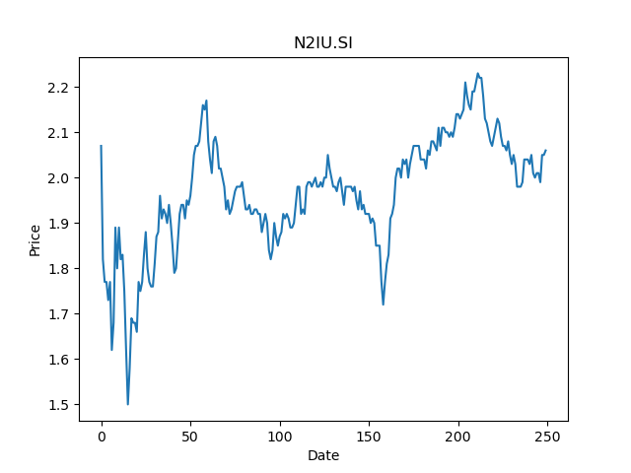
 | Year | Dividend | Dividend Growth Rate | Dividend yield | Median growth rate | Total debt | Interest expense | Rate debt | Market cap | Weight of debt | Weight of equity | Ra | Income tax expense | Income before tax | Effective tax rate | WACC
0 | 2011 | 0.02246 |  | 0.010902912924 | 0.090586086668 | 3008020 | 76333 | 0.025376493507 | 6831371776 | 0.00044013064679 | 0.99955986935 | 0.025068308228 | 2 | 543097 | 3.6825834059E-06 | 0.025068443829
1 | 2012 | 0.059499 | 1.649109528 | 0.028883010511 | 0.090586086668 | 3008020 | 76333 | 0.025376493507 | 6831371776 | 0.00044013064679 | 0.99955986935 | 0.025068308228 | 2 | 543097 | 3.6825834059E-06 | 0.025068443829
2 | 2013 | 0.06826 | 0.1472461722 | 0.033135923251 | 0.090586086668 | 3008020 | 76333 | 0.025376493507 | 6831371776 | 0.00044013064679 | 0.99955986935 | 0.025068308228 | 2 | 543097 | 3.6825834059E-06 | 0.025068443829
3 | 2014 | 0.075912 | 0.11210079109 | 0.03685048646 | 0.090586086668 | 3008020 | 76333 | 0.025376493507 | 6831371776 | 0.00044013064679 | 0.99955986935 | 0.025068308228 | 2 | 543097 | 3.6825834059E-06 | 0.025068443829
4 | 2015 | 0.079562 | 0.048081989672 | 0.03862233117 | 0.090586086668 | 3008020 | 76333 | 0.025376493507 | 6831371776 | 0.00044013064679 | 0.99955986935 | 0.025068308228 | 2 | 543097 | 3.6825834059E-06 | 0.025068443829
5 | 2016 | 0.080446 | 0.011110831804 | 0.039051457395 | 0.090586086668 | 3008020 | 76333 | 0.025376493507 | 6831371776 | 0.00044013064679 | 0.99955986935 | 0.025068308228 | 2 | 543097 | 3.6825834059E-06 | 0.025068443829
6 | 2017 | 0.089749 | 0.11564279144 | 0.043567476938 | 0.090586086668 | 3008020 | 76333 | 0.025376493507 | 6831371776 | 0.00044013064679 | 0.99955986935 | 0.025068308228 | 2 | 543097 | 3.6825834059E-06 | 0.025068443829
7 | 2018 | 0.090345 | 0.0066407425152 | 0.043856797335 | 0.090586086668 | 3008020 | 76333 | 0.025376493507 | 6831371776 | 0.00044013064679 | 0.99955986935 | 0.025068308228 | 2 | 543097 | 3.6825834059E-06 | 0.025068443829
8 | 2019 | 0.098529 | 0.090586086668 | 0.047829612979 | 0.090586086668 | 3008020 | 76333 | 0.025376493507 | 6831371776 | 0.00044013064679 | 0.99955986935 | 0.025068308228 | 2 | 543097 | 3.6825834059E-06 | 0.025068443829
9 | 2020 | 0.0693 | -0.29665377706 | 0.033640777633 | 0.090586086668 | 3008020 | 76333 | 0.025376493507 | 6831371776 | 0.00044013064679 | 0.99955986935 | 0.025068308228 | 2 | 543097 | 3.6825834059E-06 | 0.025068443829

ME8U.SI
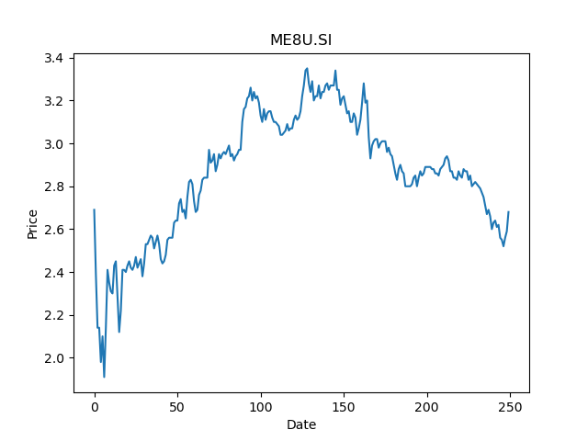
 | Year | Dividend | Dividend Growth Rate | Dividend yield | Median growth rate | Total debt | Interest expense | Rate debt | Market cap | Weight of debt | Weight of equity | Ra | Income tax expense | Income before tax | Effective tax rate | WACC
0 | 2011 | 0.074474 |  | 0.027788805278 | 0.060332272762 | 1431503 | 46711 | 0.032630738462 | 6301109248 | 0.00022713109785 | 0.9997728689 | 0.022861181032 | 683 | 381712 | 0.0017893071216 | 0.022863386741
1 | 2012 | 0.0893 | 0.19907618766 | 0.033320894692 | 0.060332272762 | 1431503 | 46711 | 0.032630738462 | 6301109248 | 0.00022713109785 | 0.9997728689 | 0.022861181032 | 683 | 381712 | 0.0017893071216 | 0.022863386741
2 | 2013 | 0.0945 | 0.058230683091 | 0.035261193152 | 0.060332272762 | 1431503 | 46711 | 0.032630738462 | 6301109248 | 0.00022713109785 | 0.9997728689 | 0.022861181032 | 683 | 381712 | 0.0017893071216 | 0.022863386741
3 | 2014 | 0.1004 | 0.062433862434 | 0.037462685634 | 0.060332272762 | 1431503 | 46711 | 0.032630738462 | 6301109248 | 0.00022713109785 | 0.9997728689 | 0.022861181032 | 683 | 381712 | 0.0017893071216 | 0.022863386741
4 | 2015 | 0.1084 | 0.0796812749 | 0.040447760187 | 0.060332272762 | 1431503 | 46711 | 0.032630738462 | 6301109248 | 0.00022713109785 | 0.9997728689 | 0.022861181032 | 683 | 381712 | 0.0017893071216 | 0.022863386741
5 | 2016 | 0.113 | 0.042435424354 | 0.042164178054 | 0.060332272762 | 1431503 | 46711 | 0.032630738462 | 6301109248 | 0.00022713109785 | 0.9997728689 | 0.022861181032 | 683 | 381712 | 0.0017893071216 | 0.022863386741
6 | 2017 | 0.1253 | 0.10884955752 | 0.046753730179 | 0.060332272762 | 1431503 | 46711 | 0.032630738462 | 6301109248 | 0.00022713109785 | 0.9997728689 | 0.022861181032 | 683 | 381712 | 0.0017893071216 | 0.022863386741
7 | 2018 | 0.1085 | -0.13407821229 | 0.040485073618 | 0.060332272762 | 1431503 | 46711 | 0.032630738462 | 6301109248 | 0.00022713109785 | 0.9997728689 | 0.022861181032 | 683 | 381712 | 0.0017893071216 | 0.022863386741
8 | 2019 | 0.1218 | 0.12258064516 | 0.045447760062 | 0.060332272762 | 1431503 | 46711 | 0.032630738462 | 6301109248 | 0.00022713109785 | 0.9997728689 | 0.022861181032 | 683 | 381712 | 0.0017893071216 | 0.022863386741
9 | 2020 | 0.1218 | 1.14E-16 | 0.045447760062 | 0.060332272762 | 1431503 | 46711 | 0.032630738462 | 6301109248 | 0.00022713109785 | 0.9997728689 | 0.022861181032 | 683 | 381712 | 0.0017893071216 | 0.022863386741
10 | 2021 | 0.0328 | -0.73070607553 | 0.012238805665 | 0.060332272762 | 1431503 | 46711 | 0.032630738462 | 6301109248 | 0.00022713109785 | 0.9997728689 | 0.022861181032 | 683 | 381712 | 0.0017893071216 | 0.022863386741

M44U.SI
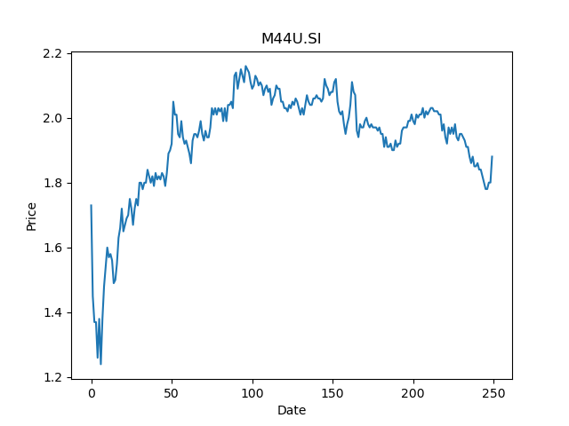
 | Year | Dividend | Dividend Growth Rate | Dividend yield | Median growth rate | Total debt | Interest expense | Rate debt | Market cap | Weight of debt | Weight of equity | Ra | Income tax expense | Income before tax | Effective tax rate | WACC
0 | 2008 | 0.047919 |  | 0.025488829852 | 0.061845452932 | 3425955 | 78917 | 0.023035036946 | 8052434944 | 0.0004252748456 | 0.99957472515 | 0.02411046935 | 46149 | 448042 | 0.10300150432 | 0.02410900297
1 | 2009 | 0.060315 | 0.25868653353 | 0.03208244689 | 0.061845452932 | 3425955 | 78917 | 0.023035036946 | 8052434944 | 0.0004252748456 | 0.99957472515 | 0.02411046935 | 46149 | 448042 | 0.10300150432 | 0.02410900297
2 | 2010 | 0.055526 | -0.079399817624 | 0.029535106458 | 0.061845452932 | 3425955 | 78917 | 0.023035036946 | 8052434944 | 0.0004252748456 | 0.99957472515 | 0.02411046935 | 46149 | 448042 | 0.10300150432 | 0.02410900297
3 | 2011 | 0.061096 | 0.10031336671 | 0.032497872423 | 0.061845452932 | 3425955 | 78917 | 0.023035036946 | 8052434944 | 0.0004252748456 | 0.99957472515 | 0.02411046935 | 46149 | 448042 | 0.10300150432 | 0.02410900297
4 | 2012 | 0.067655 | 0.10735563703 | 0.035986702219 | 0.061845452932 | 3425955 | 78917 | 0.023035036946 | 8052434944 | 0.0004252748456 | 0.99957472515 | 0.02411046935 | 46149 | 448042 | 0.10300150432 | 0.02410900297
5 | 2013 | 0.067604 | -0.00075382455103 | 0.035959574559 | 0.061845452932 | 3425955 | 78917 | 0.023035036946 | 8052434944 | 0.0004252748456 | 0.99957472515 | 0.02411046935 | 46149 | 448042 | 0.10300150432 | 0.02410900297
6 | 2014 | 0.071785 | 0.061845452932 | 0.038183510735 | 0.061845452932 | 3425955 | 78917 | 0.023035036946 | 8052434944 | 0.0004252748456 | 0.99957472515 | 0.02411046935 | 46149 | 448042 | 0.10300150432 | 0.02410900297
7 | 2015 | 0.04984 | -0.30570453437 | 0.026510638365 | 0.061845452932 | 3425955 | 78917 | 0.023035036946 | 8052434944 | 0.0004252748456 | 0.99957472515 | 0.02411046935 | 46149 | 448042 | 0.10300150432 | 0.02410900297
8 | 2016 | 0.073316 | 0.47102728732 | 0.038997872439 | 0.061845452932 | 3425955 | 78917 | 0.023035036946 | 8052434944 | 0.0004252748456 | 0.99957472515 | 0.02411046935 | 46149 | 448042 | 0.10300150432 | 0.02410900297
9 | 2017 | 0.064581 | -0.11914179715 | 0.034351595832 | 0.061845452932 | 3425955 | 78917 | 0.023035036946 | 8052434944 | 0.0004252748456 | 0.99957472515 | 0.02411046935 | 46149 | 448042 | 0.10300150432 | 0.02410900297
10 | 2018 | 0.078728 | 0.21905823694 | 0.041876595851 | 0.061845452932 | 3425955 | 78917 | 0.023035036946 | 8052434944 | 0.0004252748456 | 0.99957472515 | 0.02411046935 | 46149 | 448042 | 0.10300150432 | 0.02410900297
11 | 2019 | 0.088185 | 0.12012244691 | 0.046906915013 | 0.061845452932 | 3425955 | 78917 | 0.023035036946 | 8052434944 | 0.0004252748456 | 0.99957472515 | 0.02411046935 | 46149 | 448042 | 0.10300150432 | 0.02410900297
12 | 2020 | 0.081334 | -0.077688949368 | 0.043262766067 | 0.061845452932 | 3425955 | 78917 | 0.023035036946 | 8052434944 | 0.0004252748456 | 0.99957472515 | 0.02411046935 | 46149 | 448042 | 0.10300150432 | 0.02410900297
13 | 2021 | 0.01442 | -0.82270637126 | 0.0076702127854 | 0.061845452932 | 3425955 | 78917 | 0.023035036946 | 8052434944 | 0.0004252748456 | 0.99957472515 | 0.02411046935 | 46149 | 448042 | 0.10300150432 | 0.02410900297

RW0U.SI
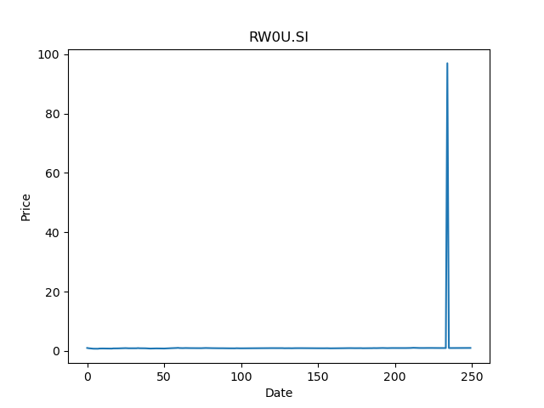
 | Year | Dividend | Dividend Growth Rate | Dividend yield | Median growth rate | Total debt | Interest expense | Rate debt | Market cap | Weight of debt | Weight of equity | Ra | Income tax expense | Income before tax | Effective tax rate | WACC
0 | 2013 | 0.00448 |  | 0.0045025125412 | 0.070175438596 | 3372308 | 81982 | 0.024310353621 | 3362751744 | 0.0010018371123 | 0.99899816289 | 0.03694938858 | 34022 | -130203 | -0.26129966283 | 0.036943090283
1 | 2014 | 0.06261 | 12.975446429 | 0.062924622814 | 0.070175438596 | 3372308 | 81982 | 0.024310353621 | 3362751744 | 0.0010018371123 | 0.99899816289 | 0.03694938858 | 34022 | -130203 | -0.26129966283 | 0.036943090283
2 | 2015 | 0.06897 | 0.10158121706 | 0.069316582582 | 0.070175438596 | 3372308 | 81982 | 0.024310353621 | 3362751744 | 0.0010018371123 | 0.99899816289 | 0.03694938858 | 34022 | -130203 | -0.26129966283 | 0.036943090283
3 | 2016 | 0.07381 | 0.070175438596 | 0.074180904167 | 0.070175438596 | 3372308 | 81982 | 0.024310353621 | 3362751744 | 0.0010018371123 | 0.99899816289 | 0.03694938858 | 34022 | -130203 | -0.26129966283 | 0.036943090283
4 | 2017 | 0.07445 | 0.0086709118006 | 0.074824120244 | 0.070175438596 | 3372308 | 81982 | 0.024310353621 | 3362751744 | 0.0010018371123 | 0.99899816289 | 0.03694938858 | 34022 | -130203 | -0.26129966283 | 0.036943090283
5 | 2018 | 0.10589 | 0.42229684352 | 0.10642211004 | 0.070175438596 | 3372308 | 81982 | 0.024310353621 | 3362751744 | 0.0010018371123 | 0.99899816289 | 0.03694938858 | 34022 | -130203 | -0.26129966283 | 0.036943090283
6 | 2019 | 0.0777 | -0.26621966191 | 0.078090451887 | 0.070175438596 | 3372308 | 81982 | 0.024310353621 | 3362751744 | 0.0010018371123 | 0.99899816289 | 0.03694938858 | 34022 | -130203 | -0.26129966283 | 0.036943090283
7 | 2020 | 0.06113 | -0.21325611326 | 0.061437185635 | 0.070175438596 | 3372308 | 81982 | 0.024310353621 | 3362751744 | 0.0010018371123 | 0.99899816289 | 0.03694938858 | 34022 | -130203 | -0.26129966283 | 0.036943090283

TS0U.SI
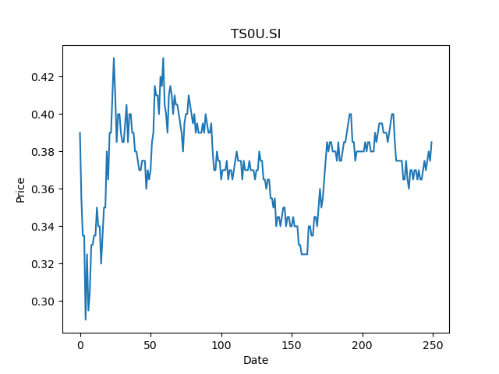
 | Year | Dividend | Dividend Growth Rate | Dividend yield | Median growth rate | Total debt | Interest expense | Rate debt | Market cap | Weight of debt | Weight of equity | Ra | Income tax expense | Income before tax | Effective tax rate | WACC
0 | 2014 | 0.015268 |  | 0.039657143839 | -0.10773298083 | 2687127 | 65094 | 0.024224385375 | 2089722240 | 0.0012842262333 | 0.99871577377 | 0.018415635468 | 17448 | 150671 | 0.11580197915 | 0.018419492665
1 | 2015 | 0.035608 | 1.3321980613 | 0.092488313979 | -0.10773298083 | 2687127 | 65094 | 0.024224385375 | 2089722240 | 0.0012842262333 | 0.99871577377 | 0.018415635468 | 17448 | 150671 | 0.11580197915 | 0.018419492665
2 | 2016 | 0.04453 | 0.25056167153 | 0.11566234053 | -0.10773298083 | 2687127 | 65094 | 0.024224385375 | 2089722240 | 0.0012842262333 | 0.99871577377 | 0.018415635468 | 17448 | 150671 | 0.11580197915 | 0.018419492665
3 | 2017 | 0.046905 | 0.053334830451 | 0.12183117185 | -0.10773298083 | 2687127 | 65094 | 0.024224385375 | 2089722240 | 0.0012842262333 | 0.99871577377 | 0.018415635468 | 17448 | 150671 | 0.11580197915 | 0.018419492665
4 | 2018 | 0.039338 | -0.16132608464 | 0.10217662591 | -0.10773298083 | 2687127 | 65094 | 0.024224385375 | 2089722240 | 0.0012842262333 | 0.99871577377 | 0.018415635468 | 17448 | 150671 | 0.11580197915 | 0.018419492665
5 | 2019 | 0.0351 | -0.10773298083 | 0.091168833427 | -0.10773298083 | 2687127 | 65094 | 0.024224385375 | 2089722240 | 0.0012842262333 | 0.99871577377 | 0.018415635468 | 17448 | 150671 | 0.11580197915 | 0.018419492665
6 | 2020 | 0.021 | -0.40170940171 | 0.054545455897 | -0.10773298083 | 2687127 | 65094 | 0.024224385375 | 2089722240 | 0.0012842262333 | 0.99871577377 | 0.018415635468 | 17448 | 150671 | 0.11580197915 | 0.018419492665
7 | 2021 | 0.014 | -0.33333333333 | 0.036363637264 | -0.10773298083 | 2687127 | 65094 | 0.024224385375 | 2089722240 | 0.0012842262333 | 0.99871577377 | 0.018415635468 | 17448 | 150671 | 0.11580197915 | 0.018419492665

C2PU.SI
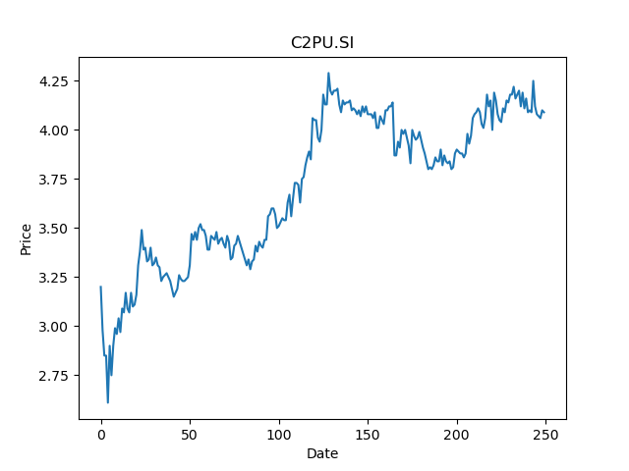
 | Year | Dividend | Dividend Growth Rate | Dividend yield | Median growth rate | Total debt | Interest expense | Rate debt | Market cap | Weight of debt | Weight of equity | Ra | Income tax expense | Income before tax | Effective tax rate | WACC
0 | 2008 | 0.0726 |  | 0.017750610585 | 0.032749428789 | 740033 | 4898 | 0.0066186237641 | 2474458112 | 0.00029897929646 | 0.9997010207 | 0.025581109718 | 8588 | 134304 | 0.063944484155 | 0.025575313792
1 | 2009 | 0.0753 | 0.037190082645 | 0.018410757259 | 0.032749428789 | 740033 | 4898 | 0.0066186237641 | 2474458112 | 0.00029897929646 | 0.9997010207 | 0.025581109718 | 8588 | 134304 | 0.063944484155 | 0.025575313792
2 | 2010 | 0.0846 | 0.1235059761 | 0.020684595805 | 0.032749428789 | 740033 | 4898 | 0.0066186237641 | 2474458112 | 0.00029897929646 | 0.9997010207 | 0.025581109718 | 8588 | 134304 | 0.063944484155 | 0.025575313792
3 | 2011 | 0.0951 | 0.12411347518 | 0.023251832873 | 0.032749428789 | 740033 | 4898 | 0.0066186237641 | 2474458112 | 0.00029897929646 | 0.9997010207 | 0.025581109718 | 8588 | 134304 | 0.063944484155 | 0.025575313792
4 | 2012 | 0.0948 | -0.0031545741325 | 0.023178483243 | 0.032749428789 | 740033 | 4898 | 0.0066186237641 | 2474458112 | 0.00029897929646 | 0.9997010207 | 0.025581109718 | 8588 | 134304 | 0.063944484155 | 0.025575313792
5 | 2013 | 0.1035 | 0.091772151899 | 0.025305622528 | 0.032749428789 | 740033 | 4898 | 0.0066186237641 | 2474458112 | 0.00029897929646 | 0.9997010207 | 0.025581109718 | 8588 | 134304 | 0.063944484155 | 0.025575313792
6 | 2014 | 0.1005 | -0.028985507246 | 0.024572126223 | 0.032749428789 | 740033 | 4898 | 0.0066186237641 | 2474458112 | 0.00029897929646 | 0.9997010207 | 0.025581109718 | 8588 | 134304 | 0.063944484155 | 0.025575313792
7 | 2015 | 0.487 | 3.8457711443 | 0.1190709002 | 0.032749428789 | 740033 | 4898 | 0.0066186237641 | 2474458112 | 0.00029897929646 | 0.9997010207 | 0.025581109718 | 8588 | 134304 | 0.063944484155 | 0.025575313792
8 | 2016 | 0.1161 | -0.76160164271 | 0.028386307009 | 0.032749428789 | 740033 | 4898 | 0.0066186237641 | 2474458112 | 0.00029897929646 | 0.9997010207 | 0.025581109718 | 8588 | 134304 | 0.063944484155 | 0.025575313792
9 | 2017 | 0.1277 | 0.099913867356 | 0.031222492723 | 0.032749428789 | 740033 | 4898 | 0.0066186237641 | 2474458112 | 0.00029897929646 | 0.9997010207 | 0.025581109718 | 8588 | 134304 | 0.063944484155 | 0.025575313792
10 | 2018 | 0.1297 | 0.015661707126 | 0.031711490259 | 0.032749428789 | 740033 | 4898 | 0.0066186237641 | 2474458112 | 0.00029897929646 | 0.9997010207 | 0.025581109718 | 8588 | 134304 | 0.063944484155 | 0.025575313792
11 | 2019 | 0.1313 | 0.01233616037 | 0.032102688289 | 0.032749428789 | 740033 | 4898 | 0.0066186237641 | 2474458112 | 0.00029897929646 | 0.9997010207 | 0.025581109718 | 8588 | 134304 | 0.063944484155 | 0.025575313792
12 | 2020 | 0.1356 | 0.032749428789 | 0.033154032993 | 0.032749428789 | 740033 | 4898 | 0.0066186237641 | 2474458112 | 0.00029897929646 | 0.9997010207 | 0.025581109718 | 8588 | 134304 | 0.063944484155 | 0.025575313792
13 | 2021 | 0.0286 | -0.78908554572 | 0.0069926647758 | 0.032749428789 | 740033 | 4898 | 0.0066186237641 | 2474458112 | 0.00029897929646 | 0.9997010207 | 0.025581109718 | 8588 | 134304 | 0.063944484155 | 0.025575313792

CRPU.SI
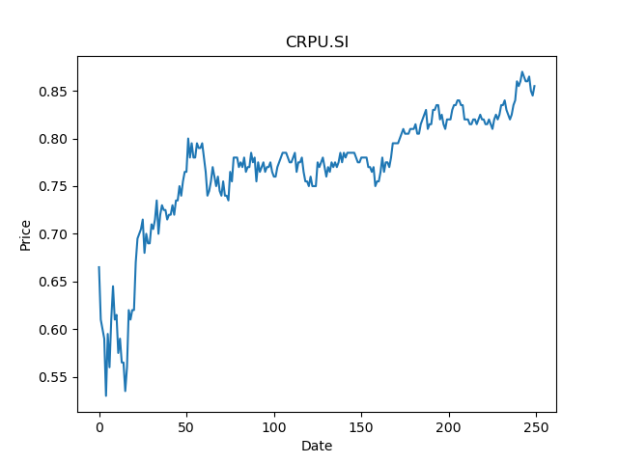
 | Year | Dividend | Dividend Growth Rate | Dividend yield | Median growth rate | Total debt | Interest expense | Rate debt | Market cap | Weight of debt | Weight of equity | Ra | Income tax expense | Income before tax | Effective tax rate | WACC
0 | 2018 | 0.01587 |  | 0.018561403095 | -0.2612196566 | 478600 | 25201 | 0.052655662349 | 1031591744 | 0.00046372808092 | 0.99953627192 | 0.027099441585 | 24613 | 84248 | 0.29214936853 | 0.027104159045
1 | 2019 | 0.08445 | 4.3213610586 | 0.098771927621 | -0.2612196566 | 478600 | 25201 | 0.052655662349 | 1031591744 | 0.00046372808092 | 0.99953627192 | 0.027099441585 | 24613 | 84248 | 0.29214936853 | 0.027104159045
2 | 2020 | 0.06239 | -0.2612196566 | 0.072970758606 | -0.2612196566 | 478600 | 25201 | 0.052655662349 | 1031591744 | 0.00046372808092 | 0.99953627192 | 0.027099441585 | 24613 | 84248 | 0.29214936853 | 0.027104159045
3 | 2021 | 0.01935 | -0.68985414329 | 0.022631578442 | -0.2612196566 | 478600 | 25201 | 0.052655662349 | 1031591744 | 0.00046372808092 | 0.99953627192 | 0.027099441585 | 24613 | 84248 | 0.29214936853 | 0.027104159045

SV3U.SI
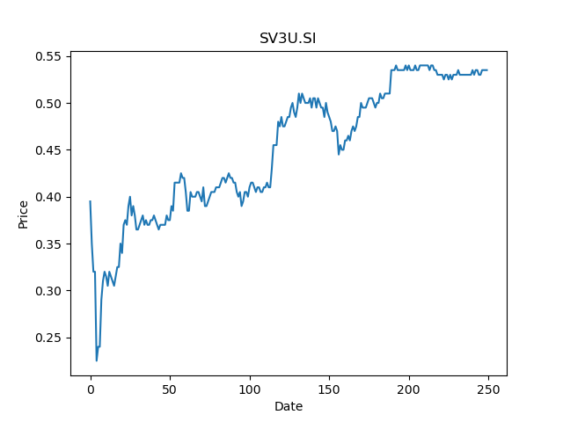
 | Year | Dividend | Dividend Growth Rate | Dividend yield | Median growth rate | Total debt | Interest expense | Rate debt | Market cap | Weight of debt | Weight of equity | Ra | Income tax expense | Income before tax | Effective tax rate | WACC
0 | 2013 | 0.007534 |  | 0.0140822423 | -0.040718384233 | 521364 | 15784 | 0.030274433985 | 682660032 | 0.00076314138976 | 0.99923685861 | 0.032989448599 | 1885 | 37665 | 0.050046462233 | 0.032986220402
1 | 2014 | 0.060646 | 7.0496416246 | 0.11335700379 | -0.040718384233 | 521364 | 15784 | 0.030274433985 | 682660032 | 0.00076314138976 | 0.99923685861 | 0.032989448599 | 1885 | 37665 | 0.050046462233 | 0.032986220402
2 | 2015 | 0.064017 | 0.055584869571 | 0.11965793806 | -0.040718384233 | 521364 | 15784 | 0.030274433985 | 682660032 | 0.00076314138976 | 0.99923685861 | 0.032989448599 | 1885 | 37665 | 0.050046462233 | 0.032986220402
3 | 2016 | 0.060917 | -0.048424637206 | 0.11386354582 | -0.040718384233 | 521364 | 15784 | 0.030274433985 | 682660032 | 0.00076314138976 | 0.99923685861 | 0.032989448599 | 1885 | 37665 | 0.050046462233 | 0.032986220402
4 | 2017 | 0.058906 | -0.033012131261 | 0.1101046675 | -0.040718384233 | 521364 | 15784 | 0.030274433985 | 682660032 | 0.00076314138976 | 0.99923685861 | 0.032989448599 | 1885 | 37665 | 0.050046462233 | 0.032986220402
5 | 2018 | 0.052085 | -0.11579465589 | 0.097355135415 | -0.040718384233 | 521364 | 15784 | 0.030274433985 | 682660032 | 0.00076314138976 | 0.99923685861 | 0.032989448599 | 1885 | 37665 | 0.050046462233 | 0.032986220402
6 | 2019 | 0.061915 | 0.18872996064 | 0.11572896629 | -0.040718384233 | 521364 | 15784 | 0.030274433985 | 682660032 | 0.00076314138976 | 0.99923685861 | 0.032989448599 | 1885 | 37665 | 0.050046462233 | 0.032986220402
7 | 2020 | 0.03653 | -0.40999757732 | 0.068280370485 | -0.040718384233 | 521364 | 15784 | 0.030274433985 | 682660032 | 0.00076314138976 | 0.99923685861 | 0.032989448599 | 1885 | 37665 | 0.050046462233 | 0.032986220402
8 | 2021 | 0.01194 | -0.67314535998 | 0.022317755915 | -0.040718384233 | 521364 | 15784 | 0.030274433985 | 682660032 | 0.00076314138976 | 0.99923685861 | 0.032989448599 | 1885 | 37665 | 0.050046462233 | 0.032986220402

SK6U.SI
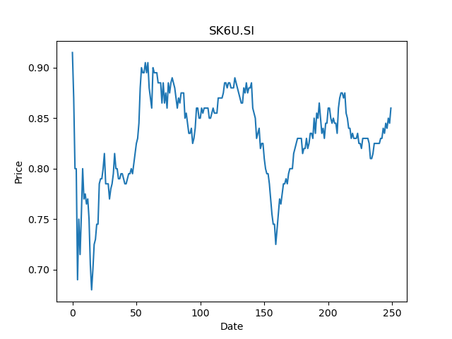
 | Year | Dividend | Dividend Growth Rate | Dividend yield | Median growth rate | Total debt | Interest expense | Rate debt | Market cap | Weight of debt | Weight of equity | Ra | Income tax expense | Income before tax | Effective tax rate | WACC
0 | 2014 | 0.0599 |  | 0.069651161632 | 0.001808318264 | 1298585 | 28337 | 0.02182144411 | 2389914368 | 0.00054306539214 | 0.99945693461 | 0.02000614427 | 4045 | -59979 | -0.067440270761 | 0.020007929296
1 | 2015 | 0.0547 | -0.086811352254 | 0.063604650105 | 0.001808318264 | 1298585 | 28337 | 0.02182144411 | 2389914368 | 0.00054306539214 | 0.99945693461 | 0.02000614427 | 4045 | -59979 | -0.067440270761 | 0.020007929296
2 | 2016 | 0.055 | 0.0054844606947 | 0.063953487308 | 0.001808318264 | 1298585 | 28337 | 0.02182144411 | 2389914368 | 0.00054306539214 | 0.99945693461 | 0.02000614427 | 4045 | -59979 | -0.067440270761 | 0.020007929296
3 | 2017 | 0.0553 | 0.0054545454545 | 0.064302324512 | 0.001808318264 | 1298585 | 28337 | 0.02182144411 | 2389914368 | 0.00054306539214 | 0.99945693461 | 0.02000614427 | 4045 | -59979 | -0.067440270761 | 0.020007929296
4 | 2018 | 0.0554 | 0.001808318264 | 0.06441860358 | 0.001808318264 | 1298585 | 28337 | 0.02182144411 | 2389914368 | 0.00054306539214 | 0.99945693461 | 0.02000614427 | 4045 | -59979 | -0.067440270761 | 0.020007929296
5 | 2019 | 0.0837 | 0.51083032491 | 0.097325579776 | 0.001808318264 | 1298585 | 28337 | 0.02182144411 | 2389914368 | 0.00054306539214 | 0.99945693461 | 0.02000614427 | 4045 | -59979 | -0.067440270761 | 0.020007929296
6 | 2020 | 0.0134 | -0.83990442055 | 0.01558139509 | 0.001808318264 | 1298585 | 28337 | 0.02182144411 | 2389914368 | 0.00054306539214 | 0.99945693461 | 0.02000614427 | 4045 | -59979 | -0.067440270761 | 0.020007929296
7 | 2021 | 0.012 | -0.10447761194 | 0.01395348814 | 0.001808318264 | 1298585 | 28337 | 0.02182144411 | 2389914368 | 0.00054306539214 | 0.99945693461 | 0.02000614427 | 4045 | -59979 | -0.067440270761 | 0.020007929296

P40U.SI
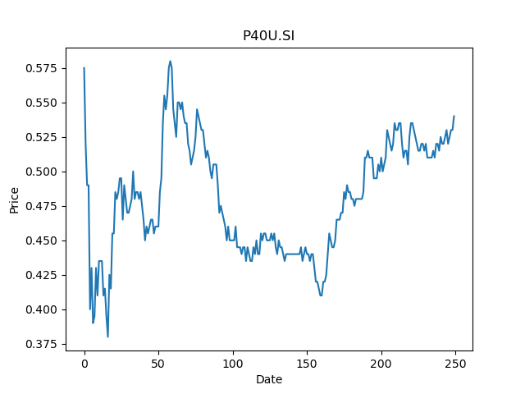
 | Year | Dividend | Dividend Growth Rate | Dividend yield | Median growth rate | Total debt | Interest expense | Rate debt | Market cap | Weight of debt | Weight of equity | Ra | Income tax expense | Income before tax | Effective tax rate | WACC
0 | 2008 | 0.051707 |  | 0.095753699899 | -0.0061855670103 | 1217986 | 38550 | 0.031650610106 | 1189938560 | 0.001022523869 | 0.99897747613 | 0.021230342666 | 1369 | -96043 | -0.014254032048 | 0.021241458948
1 | 2009 | 0.056161 | 0.086139207457 | 0.10400184772 | -0.0061855670103 | 1217986 | 38550 | 0.031650610106 | 1189938560 | 0.001022523869 | 0.99897747613 | 0.021230342666 | 1369 | -96043 | -0.014254032048 | 0.021241458948
2 | 2010 | 0.0383 | -0.31803208632 | 0.070925923108 | -0.0061855670103 | 1217986 | 38550 | 0.031650610106 | 1189938560 | 0.001022523869 | 0.99897747613 | 0.021230342666 | 1369 | -96043 | -0.014254032048 | 0.021241458948
3 | 2011 | 0.0415 | 0.083550913838 | 0.076851848798 | -0.0061855670103 | 1217986 | 38550 | 0.031650610106 | 1189938560 | 0.001022523869 | 0.99897747613 | 0.021230342666 | 1369 | -96043 | -0.014254032048 | 0.021241458948
4 | 2012 | 0.0427 | 0.028915662651 | 0.079074070932 | -0.0061855670103 | 1217986 | 38550 | 0.031650610106 | 1189938560 | 0.001022523869 | 0.99897747613 | 0.021230342666 | 1369 | -96043 | -0.014254032048 | 0.021241458948
5 | 2013 | 0.049 | 0.14754098361 | 0.090740737135 | -0.0061855670103 | 1217986 | 38550 | 0.031650610106 | 1189938560 | 0.001022523869 | 0.99897747613 | 0.021230342666 | 1369 | -96043 | -0.014254032048 | 0.021241458948
6 | 2014 | 0.0447 | -0.087755102041 | 0.082777774488 | -0.0061855670103 | 1217986 | 38550 | 0.031650610106 | 1189938560 | 0.001022523869 | 0.99897747613 | 0.021230342666 | 1369 | -96043 | -0.014254032048 | 0.021241458948
7 | 2015 | 0.0509 | 0.13870246085 | 0.094259255514 | -0.0061855670103 | 1217986 | 38550 | 0.031650610106 | 1189938560 | 0.001022523869 | 0.99897747613 | 0.021230342666 | 1369 | -96043 | -0.014254032048 | 0.021241458948
8 | 2016 | 0.0485 | -0.047151277014 | 0.089814811246 | -0.0061855670103 | 1217986 | 38550 | 0.031650610106 | 1189938560 | 0.001022523869 | 0.99897747613 | 0.021230342666 | 1369 | -96043 | -0.014254032048 | 0.021241458948
9 | 2017 | 0.0482 | -0.0061855670103 | 0.089259255712 | -0.0061855670103 | 1217986 | 38550 | 0.031650610106 | 1189938560 | 0.001022523869 | 0.99897747613 | 0.021230342666 | 1369 | -96043 | -0.014254032048 | 0.021241458948
10 | 2018 | 0.045 | -0.066390041494 | 0.083333330022 | -0.0061855670103 | 1217986 | 38550 | 0.031650610106 | 1189938560 | 0.001022523869 | 0.99897747613 | 0.021230342666 | 1369 | -96043 | -0.014254032048 | 0.021241458948
11 | 2019 | 0.0446 | -0.0088888888889 | 0.082592589311 | -0.0061855670103 | 1217986 | 38550 | 0.031650610106 | 1189938560 | 0.001022523869 | 0.99897747613 | 0.021230342666 | 1369 | -96043 | -0.014254032048 | 0.021241458948
12 | 2020 | 0.0183 | -0.58968609865 | 0.033888887542 | -0.0061855670103 | 1217986 | 38550 | 0.031650610106 | 1189938560 | 0.001022523869 | 0.99897747613 | 0.021230342666 | 1369 | -96043 | -0.014254032048 | 0.021241458948
13 | 2021 | 0.0188 | 0.027322404372 | 0.034814813431 | -0.0061855670103 | 1217986 | 38550 | 0.031650610106 | 1189938560 | 0.001022523869 | 0.99897747613 | 0.021230342666 | 1369 | -96043 | -0.014254032048 | 0.021241458948

T82U.SI
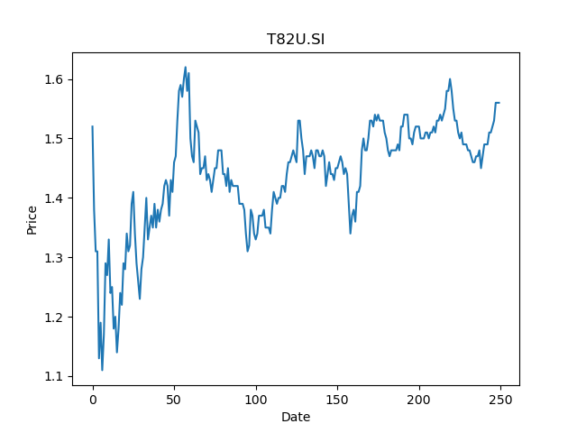
 | Year | Dividend | Dividend Growth Rate | Dividend yield | Median growth rate | Total debt | Interest expense | Rate debt | Market cap | Weight of debt | Weight of equity | Ra | Income tax expense | Income before tax | Effective tax rate | WACC
0 | 2007 | 0.028268 |  | 0.018120513485 | 0.0068890371145 | 3630248 | 98862 | 0.027232850207 | 4393474560 | 0.00082559960668 | 0.99917440039 | 0.025679389915 | 15874 | 410967 | 0.038625972402 | 0.025679804007
1 | 2008 | 0.094473 | 2.3420475449 | 0.060559617606 | 0.0068890371145 | 3630248 | 98862 | 0.027232850207 | 4393474560 | 0.00082559960668 | 0.99917440039 | 0.025679389915 | 15874 | 410967 | 0.038625972402 | 0.025679804007
2 | 2009 | 0.08883 | -0.059731351815 | 0.056942309781 | 0.0068890371145 | 3630248 | 98862 | 0.027232850207 | 4393474560 | 0.00082559960668 | 0.99917440039 | 0.025679389915 | 15874 | 410967 | 0.038625972402 | 0.025679804007
3 | 2010 | 0.09538 | 0.073736350332 | 0.061141027884 | 0.0068890371145 | 3630248 | 98862 | 0.027232850207 | 4393474560 | 0.00082559960668 | 0.99917440039 | 0.025679389915 | 15874 | 410967 | 0.038625972402 | 0.025679804007
4 | 2011 | 0.08046 | -0.15642692388 | 0.051576924969 | 0.0068890371145 | 3630248 | 98862 | 0.027232850207 | 4393474560 | 0.00082559960668 | 0.99917440039 | 0.025679389915 | 15874 | 410967 | 0.038625972402 | 0.025679804007
5 | 2012 | 0.09643 | 0.19848371862 | 0.061814104831 | 0.0068890371145 | 3630248 | 98862 | 0.027232850207 | 4393474560 | 0.00082559960668 | 0.99917440039 | 0.025679389915 | 15874 | 410967 | 0.038625972402 | 0.025679804007
6 | 2013 | 0.09092 | -0.057139894224 | 0.05828205342 | 0.0068890371145 | 3630248 | 98862 | 0.027232850207 | 4393474560 | 0.00082559960668 | 0.99917440039 | 0.025679389915 | 15874 | 410967 | 0.038625972402 | 0.025679804007
7 | 2014 | 0.08423 | -0.07358117026 | 0.053993591724 | 0.0068890371145 | 3630248 | 98862 | 0.027232850207 | 4393474560 | 0.00082559960668 | 0.99917440039 | 0.025679389915 | 15874 | 410967 | 0.038625972402 | 0.025679804007
8 | 2015 | 0.09146 | 0.085836400332 | 0.058628207279 | 0.0068890371145 | 3630248 | 98862 | 0.027232850207 | 4393474560 | 0.00082559960668 | 0.99917440039 | 0.025679389915 | 15874 | 410967 | 0.038625972402 | 0.025679804007
9 | 2016 | 0.09866 | 0.07872293899 | 0.063243592063 | 0.0068890371145 | 3630248 | 98862 | 0.027232850207 | 4393474560 | 0.00082559960668 | 0.99917440039 | 0.025679389915 | 15874 | 410967 | 0.038625972402 | 0.025679804007
10 | 2017 | 0.09997 | 0.013277924184 | 0.064083335684 | 0.0068890371145 | 3630248 | 98862 | 0.027232850207 | 4393474560 | 0.00082559960668 | 0.99917440039 | 0.025679389915 | 15874 | 410967 | 0.038625972402 | 0.025679804007
11 | 2018 | 0.10002 | 0.00050015004501 | 0.064115386967 | 0.0068890371145 | 3630248 | 98862 | 0.027232850207 | 4393474560 | 0.00082559960668 | 0.99917440039 | 0.025679389915 | 15874 | 410967 | 0.038625972402 | 0.025679804007
12 | 2019 | 0.1234 | 0.23375324935 | 0.079102567004 | 0.0068890371145 | 3630248 | 98862 | 0.027232850207 | 4393474560 | 0.00082559960668 | 0.99917440039 | 0.025679389915 | 15874 | 410967 | 0.038625972402 | 0.025679804007
13 | 2020 | 0.07488 | -0.39319286872 | 0.048000001761 | 0.0068890371145 | 3630248 | 98862 | 0.027232850207 | 4393474560 | 0.00082559960668 | 0.99917440039 | 0.025679389915 | 15874 | 410967 | 0.038625972402 | 0.025679804007
14 | 2021 | 0.02261 | -0.69805021368 | 0.014493590275 | 0.0068890371145 | 3630248 | 98862 | 0.027232850207 | 4393474560 | 0.00082559960668 | 0.99917440039 | 0.025679389915 | 15874 | 410967 | 0.038625972402 | 0.025679804007

