J36.SI
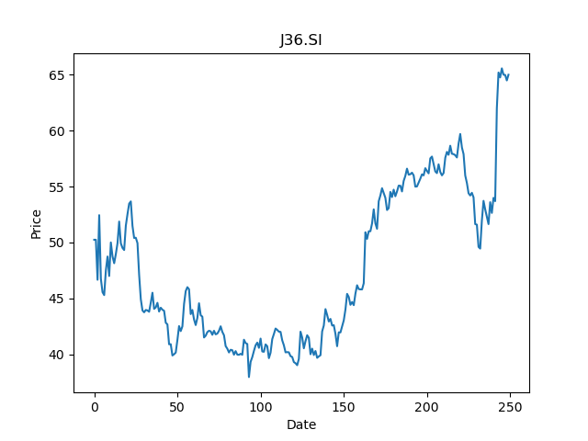
 | Year | Dividend | Dividend Growth Rate | Dividend yield | Median growth rate | Total debt | Interest expense | Rate debt | Market cap | Weight of debt | Weight of equity | Ra | Income tax expense | Income before tax | Effective tax rate | WACC | Fair value
0 | 2000 | 0.25 |  | 0.0038461538462 | 0.094550762941 | 15697000 | 637000 | 0.040581002739 | 44990529536 | 0.00034877396325 | 0.99965122604 | 0.023857490634 | 486000 | -678000 | -0.71681415929 | 0.023873468859 | -413.69487633
1 | 2001 | 0.265 | 0.06 | 0.0040769230769 | 0.094550762941 | 15697000 | 637000 | 0.040581002739 | 44990529536 | 0.00034877396325 | 0.99965122604 | 0.023857490634 | 486000 | -678000 | -0.71681415929 | 0.023873468859 | -413.69487633
2 | 2002 | 0.265 | 0 | 0.0040769230769 | 0.094550762941 | 15697000 | 637000 | 0.040581002739 | 44990529536 | 0.00034877396325 | 0.99965122604 | 0.023857490634 | 486000 | -678000 | -0.71681415929 | 0.023873468859 | -413.69487633
3 | 2003 | 0.3 | 0.1320754717 | 0.0046153846154 | 0.094550762941 | 15697000 | 637000 | 0.040581002739 | 44990529536 | 0.00034877396325 | 0.99965122604 | 0.023857490634 | 486000 | -678000 | -0.71681415929 | 0.023873468859 | -413.69487633
4 | 2004 | 0.337 | 0.12333333333 | 0.0051846153846 | 0.094550762941 | 15697000 | 637000 | 0.040581002739 | 44990529536 | 0.00034877396325 | 0.99965122604 | 0.023857490634 | 486000 | -678000 | -0.71681415929 | 0.023873468859 | -413.69487633
5 | 2005 | 0.4085 | 0.21216617211 | 0.0062846153846 | 0.094550762941 | 15697000 | 637000 | 0.040581002739 | 44990529536 | 0.00034877396325 | 0.99965122604 | 0.023857490634 | 486000 | -678000 | -0.71681415929 | 0.023873468859 | -413.69487633
6 | 2006 | 0.4565 | 0.11750305998 | 0.0070230769231 | 0.094550762941 | 15697000 | 637000 | 0.040581002739 | 44990529536 | 0.00034877396325 | 0.99965122604 | 0.023857490634 | 486000 | -678000 | -0.71681415929 | 0.023873468859 | -413.69487633
7 | 2007 | 0.6 | 0.3143483023 | 0.0092307692308 | 0.094550762941 | 15697000 | 637000 | 0.040581002739 | 44990529536 | 0.00034877396325 | 0.99965122604 | 0.023857490634 | 486000 | -678000 | -0.71681415929 | 0.023873468859 | -413.69487633
8 | 2008 | 0.69 | 0.15 | 0.010615384615 | 0.094550762941 | 15697000 | 637000 | 0.040581002739 | 44990529536 | 0.00034877396325 | 0.99965122604 | 0.023857490634 | 486000 | -678000 | -0.71681415929 | 0.023873468859 | -413.69487633
9 | 2009 | 0.88 | 0.27536231884 | 0.013538461538 | 0.094550762941 | 15697000 | 637000 | 0.040581002739 | 44990529536 | 0.00034877396325 | 0.99965122604 | 0.023857490634 | 486000 | -678000 | -0.71681415929 | 0.023873468859 | -413.69487633
10 | 2010 | 0.95 | 0.079545454545 | 0.014615384615 | 0.094550762941 | 15697000 | 637000 | 0.040581002739 | 44990529536 | 0.00034877396325 | 0.99965122604 | 0.023857490634 | 486000 | -678000 | -0.71681415929 | 0.023873468859 | -413.69487633
11 | 2011 | 1.18 | 0.24210526316 | 0.018153846154 | 0.094550762941 | 15697000 | 637000 | 0.040581002739 | 44990529536 | 0.00034877396325 | 0.99965122604 | 0.023857490634 | 486000 | -678000 | -0.71681415929 | 0.023873468859 | -413.69487633
12 | 2012 | 1.27 | 0.076271186441 | 0.019538461538 | 0.094550762941 | 15697000 | 637000 | 0.040581002739 | 44990529536 | 0.00034877396325 | 0.99965122604 | 0.023857490634 | 486000 | -678000 | -0.71681415929 | 0.023873468859 | -413.69487633
13 | 2013 | 1.37 | 0.07874015748 | 0.021076923077 | 0.094550762941 | 15697000 | 637000 | 0.040581002739 | 44990529536 | 0.00034877396325 | 0.99965122604 | 0.023857490634 | 486000 | -678000 | -0.71681415929 | 0.023873468859 | -413.69487633
14 | 2014 | 1.41 | 0.029197080292 | 0.021692307692 | 0.094550762941 | 15697000 | 637000 | 0.040581002739 | 44990529536 | 0.00034877396325 | 0.99965122604 | 0.023857490634 | 486000 | -678000 | -0.71681415929 | 0.023873468859 | -413.69487633
15 | 2015 | 1.45 | 0.028368794326 | 0.022307692308 | 0.094550762941 | 15697000 | 637000 | 0.040581002739 | 44990529536 | 0.00034877396325 | 0.99965122604 | 0.023857490634 | 486000 | -678000 | -0.71681415929 | 0.023873468859 | -413.69487633
16 | 2016 | 1.362094 | -0.060624827586 | 0.020955292308 | 0.094550762941 | 15697000 | 637000 | 0.040581002739 | 44990529536 | 0.00034877396325 | 0.99965122604 | 0.023857490634 | 486000 | -678000 | -0.71681415929 | 0.023873468859 | -413.69487633
17 | 2017 | 2.541557 | 0.86591894539 | 0.039100876923 | 0.094550762941 | 15697000 | 637000 | 0.040581002739 | 44990529536 | 0.00034877396325 | 0.99965122604 | 0.023857490634 | 486000 | -678000 | -0.71681415929 | 0.023873468859 | -413.69487633
18 | 2018 | 2.82 | 0.10955607134 | 0.043384615385 | 0.094550762941 | 15697000 | 637000 | 0.040581002739 | 44990529536 | 0.00034877396325 | 0.99965122604 | 0.023857490634 | 486000 | -678000 | -0.71681415929 | 0.023873468859 | -413.69487633
19 | 2019 | 1.72 | -0.39007092199 | 0.026461538462 | 0.094550762941 | 15697000 | 637000 | 0.040581002739 | 44990529536 | 0.00034877396325 | 0.99965122604 | 0.023857490634 | 486000 | -678000 | -0.71681415929 | 0.023873468859 | -413.69487633
20 | 2020 | 1.72 | 0 | 0.026461538462 | 0.094550762941 | 15697000 | 637000 | 0.040581002739 | 44990529536 | 0.00034877396325 | 0.99965122604 | 0.023857490634 | 486000 | -678000 | -0.71681415929 | 0.023873468859 | -413.69487633

J37.SI
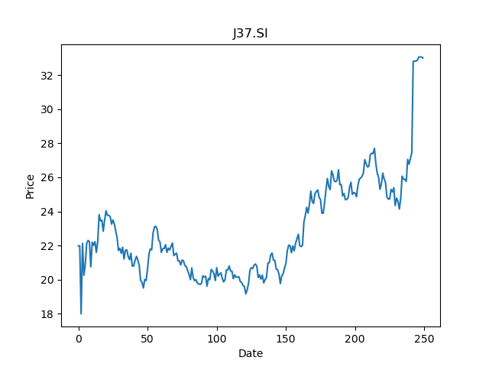
 | Year | Dividend | Dividend Growth Rate | Dividend yield | Median growth rate | Total debt | Interest expense | Rate debt | Market cap | Weight of debt | Weight of equity | Ra | Income tax expense | Income before tax | Effective tax rate | WACC | Fair value
0 | 2001 | 0.145 |  | 0.0043939393939 | 0.057692307692 | 15455000 | 612000 | 0.039598835328 | 38082658304 | 0.00040566313289 | 0.99959433687 | 0.026260305353 | 435000 | -1010000 | -0.43069306931 | 0.026272634865 | 11.62202381
1 | 2002 | 0.145 | 0 | 0.0043939393939 | 0.057692307692 | 15455000 | 612000 | 0.039598835328 | 38082658304 | 0.00040566313289 | 0.99959433687 | 0.026260305353 | 435000 | -1010000 | -0.43069306931 | 0.026272634865 | 11.62202381
2 | 2003 | 0.145 | 0 | 0.0043939393939 | 0.057692307692 | 15455000 | 612000 | 0.039598835328 | 38082658304 | 0.00040566313289 | 0.99959433687 | 0.026260305353 | 435000 | -1010000 | -0.43069306931 | 0.026272634865 | 11.62202381
3 | 2004 | 0.147 | 0.013793103448 | 0.0044545454545 | 0.057692307692 | 15455000 | 612000 | 0.039598835328 | 38082658304 | 0.00040566313289 | 0.99959433687 | 0.026260305353 | 435000 | -1010000 | -0.43069306931 | 0.026272634865 | 11.62202381
4 | 2005 | 0.154 | 0.047619047619 | 0.0046666666667 | 0.057692307692 | 15455000 | 612000 | 0.039598835328 | 38082658304 | 0.00040566313289 | 0.99959433687 | 0.026260305353 | 435000 | -1010000 | -0.43069306931 | 0.026272634865 | 11.62202381
5 | 2006 | 0.163 | 0.058441558442 | 0.0049393939394 | 0.057692307692 | 15455000 | 612000 | 0.039598835328 | 38082658304 | 0.00040566313289 | 0.99959433687 | 0.026260305353 | 435000 | -1010000 | -0.43069306931 | 0.026272634865 | 11.62202381
6 | 2007 | 0.173 | 0.061349693252 | 0.0052424242424 | 0.057692307692 | 15455000 | 612000 | 0.039598835328 | 38082658304 | 0.00040566313289 | 0.99959433687 | 0.026260305353 | 435000 | -1010000 | -0.43069306931 | 0.026272634865 | 11.62202381
7 | 2008 | 0.183 | 0.057803468208 | 0.0055454545455 | 0.057692307692 | 15455000 | 612000 | 0.039598835328 | 38082658304 | 0.00040566313289 | 0.99959433687 | 0.026260305353 | 435000 | -1010000 | -0.43069306931 | 0.026272634865 | 11.62202381
8 | 2009 | 0.191 | 0.043715846995 | 0.0057878787879 | 0.057692307692 | 15455000 | 612000 | 0.039598835328 | 38082658304 | 0.00040566313289 | 0.99959433687 | 0.026260305353 | 435000 | -1010000 | -0.43069306931 | 0.026272634865 | 11.62202381
9 | 2010 | 0.2 | 0.047120418848 | 0.0060606060606 | 0.057692307692 | 15455000 | 612000 | 0.039598835328 | 38082658304 | 0.00040566313289 | 0.99959433687 | 0.026260305353 | 435000 | -1010000 | -0.43069306931 | 0.026272634865 | 11.62202381
10 | 2011 | 0.215 | 0.075 | 0.0065151515152 | 0.057692307692 | 15455000 | 612000 | 0.039598835328 | 38082658304 | 0.00040566313289 | 0.99959433687 | 0.026260305353 | 435000 | -1010000 | -0.43069306931 | 0.026272634865 | 11.62202381
11 | 2012 | 0.23 | 0.06976744186 | 0.0069696969697 | 0.057692307692 | 15455000 | 612000 | 0.039598835328 | 38082658304 | 0.00040566313289 | 0.99959433687 | 0.026260305353 | 435000 | -1010000 | -0.43069306931 | 0.026272634865 | 11.62202381
12 | 2013 | 0.245 | 0.065217391304 | 0.0074242424242 | 0.057692307692 | 15455000 | 612000 | 0.039598835328 | 38082658304 | 0.00040566313289 | 0.99959433687 | 0.026260305353 | 435000 | -1010000 | -0.43069306931 | 0.026272634865 | 11.62202381
13 | 2014 | 0.26 | 0.061224489796 | 0.0078787878788 | 0.057692307692 | 15455000 | 612000 | 0.039598835328 | 38082658304 | 0.00040566313289 | 0.99959433687 | 0.026260305353 | 435000 | -1010000 | -0.43069306931 | 0.026272634865 | 11.62202381
14 | 2015 | 0.275 | 0.057692307692 | 0.0083333333333 | 0.057692307692 | 15455000 | 612000 | 0.039598835328 | 38082658304 | 0.00040566313289 | 0.99959433687 | 0.026260305353 | 435000 | -1010000 | -0.43069306931 | 0.026272634865 | 11.62202381
15 | 2016 | 0.29 | 0.054545454545 | 0.0087878787879 | 0.057692307692 | 15455000 | 612000 | 0.039598835328 | 38082658304 | 0.00040566313289 | 0.99959433687 | 0.026260305353 | 435000 | -1010000 | -0.43069306931 | 0.026272634865 | 11.62202381
16 | 2017 | 0.44514 | 0.53496551724 | 0.013489090909 | 0.057692307692 | 15455000 | 612000 | 0.039598835328 | 38082658304 | 0.00040566313289 | 0.99959433687 | 0.026260305353 | 435000 | -1010000 | -0.43069306931 | 0.026272634865 | 11.62202381
17 | 2018 | 0.466056 | 0.046987464618 | 0.014122909091 | 0.057692307692 | 15455000 | 612000 | 0.039598835328 | 38082658304 | 0.00040566313289 | 0.99959433687 | 0.026260305353 | 435000 | -1010000 | -0.43069306931 | 0.026272634865 | 11.62202381
18 | 2019 | 0.288736 | -0.38046929983 | 0.0087495757576 | 0.057692307692 | 15455000 | 612000 | 0.039598835328 | 38082658304 | 0.00040566313289 | 0.99959433687 | 0.026260305353 | 435000 | -1010000 | -0.43069306931 | 0.026272634865 | 11.62202381
19 | 2020 | 0.355 | 0.22949684141 | 0.010757575758 | 0.057692307692 | 15455000 | 612000 | 0.039598835328 | 38082658304 | 0.00040566313289 | 0.99959433687 | 0.026260305353 | 435000 | -1010000 | -0.43069306931 | 0.026272634865 | 11.62202381

BN4.SI
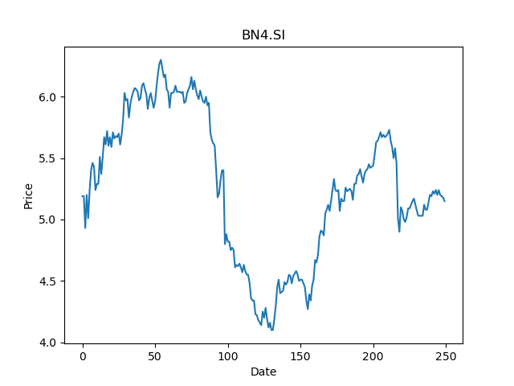
 | Year | Dividend | Dividend Growth Rate | Dividend yield | Median growth rate | Total debt | Interest expense | Rate debt | Market cap | Weight of debt | Weight of equity | Ra | Income tax expense | Income before tax | Effective tax rate | WACC | Fair value
0 | 2007 | 0.275206 |  | 0.053438057263 | 0.083334097222 | 11059631 | 319095 | 0.028852228433 | 9373103104 | 0.0011785421153 | 0.99882145788 | 0.013997546147 | 271840 | 107173 | 2.5364597427 | 0.013928804339 | 43.880058857
1 | 2008 | 0.536364 | 0.94895460128 | 0.10414834759 | 0.083334097222 | 11059631 | 319095 | 0.028852228433 | 9373103104 | 0.0011785421153 | 0.99882145788 | 0.013997546147 | 271840 | 107173 | 2.5364597427 | 0.013928804339 | 43.880058857
2 | 2009 | 0.327273 | -0.38983041367 | 0.063548154163 | 0.083334097222 | 11059631 | 319095 | 0.028852228433 | 9373103104 | 0.0011785421153 | 0.99882145788 | 0.013997546147 | 271840 | 107173 | 2.5364597427 | 0.013928804339 | 43.880058857
3 | 2010 | 0.354546 | 0.083334097222 | 0.06884388222 | 0.083334097222 | 11059631 | 319095 | 0.028852228433 | 9373103104 | 0.0011785421153 | 0.99882145788 | 0.013997546147 | 271840 | 107173 | 2.5364597427 | 0.013928804339 | 43.880058857
4 | 2011 | 0.43 | 0.21281864695 | 0.083495144085 | 0.083334097222 | 11059631 | 319095 | 0.028852228433 | 9373103104 | 0.0011785421153 | 0.99882145788 | 0.013997546147 | 271840 | 107173 | 2.5364597427 | 0.013928804339 | 43.880058857
5 | 2012 | 0.44 | 0.023255813953 | 0.085436891622 | 0.083334097222 | 11059631 | 319095 | 0.028852228433 | 9373103104 | 0.0011785421153 | 0.99882145788 | 0.013997546147 | 271840 | 107173 | 2.5364597427 | 0.013928804339 | 43.880058857
6 | 2013 | 0.37 | -0.15909090909 | 0.071844658864 | 0.083334097222 | 11059631 | 319095 | 0.028852228433 | 9373103104 | 0.0011785421153 | 0.99882145788 | 0.013997546147 | 271840 | 107173 | 2.5364597427 | 0.013928804339 | 43.880058857
7 | 2014 | 0.42 | 0.13513513514 | 0.081553396548 | 0.083334097222 | 11059631 | 319095 | 0.028852228433 | 9373103104 | 0.0011785421153 | 0.99882145788 | 0.013997546147 | 271840 | 107173 | 2.5364597427 | 0.013928804339 | 43.880058857
8 | 2015 | 0.48 | 0.14285714286 | 0.093203881769 | 0.083334097222 | 11059631 | 319095 | 0.028852228433 | 9373103104 | 0.0011785421153 | 0.99882145788 | 0.013997546147 | 271840 | 107173 | 2.5364597427 | 0.013928804339 | 43.880058857
9 | 2016 | 0.3 | -0.375 | 0.058252426106 | 0.083334097222 | 11059631 | 319095 | 0.028852228433 | 9373103104 | 0.0011785421153 | 0.99882145788 | 0.013997546147 | 271840 | 107173 | 2.5364597427 | 0.013928804339 | 43.880058857
10 | 2017 | 0.2 | -0.33333333333 | 0.038834950737 | 0.083334097222 | 11059631 | 319095 | 0.028852228433 | 9373103104 | 0.0011785421153 | 0.99882145788 | 0.013997546147 | 271840 | 107173 | 2.5364597427 | 0.013928804339 | 43.880058857
11 | 2018 | 0.19 | -0.05 | 0.0368932032 | 0.083334097222 | 11059631 | 319095 | 0.028852228433 | 9373103104 | 0.0011785421153 | 0.99882145788 | 0.013997546147 | 271840 | 107173 | 2.5364597427 | 0.013928804339 | 43.880058857
12 | 2019 | 0.23 | 0.21052631579 | 0.044660193348 | 0.083334097222 | 11059631 | 319095 | 0.028852228433 | 9373103104 | 0.0011785421153 | 0.99882145788 | 0.013997546147 | 271840 | 107173 | 2.5364597427 | 0.013928804339 | 43.880058857
13 | 2020 | 0.27 | 0.17391304348 | 0.052427183495 | 0.083334097222 | 11059631 | 319095 | 0.028852228433 | 9373103104 | 0.0011785421153 | 0.99882145788 | 0.013997546147 | 271840 | 107173 | 2.5364597427 | 0.013928804339 | 43.880058857

BHQ.SI
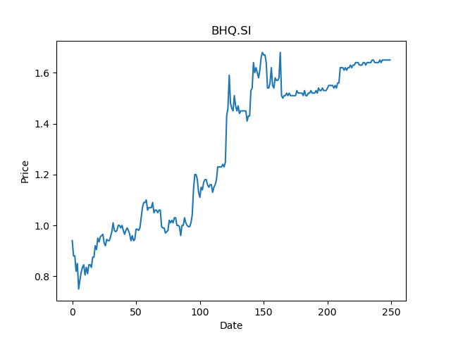
 | Year | Dividend | Dividend Growth Rate | Dividend yield | Median growth rate | Total debt | Interest expense | Rate debt | Market cap | Weight of debt | Weight of equity | Ra | Income tax expense | Income before tax | Effective tax rate | WACC | Fair value
0 | 2004 | 0.075 |  | 0.045454546111 | 0.033333333333 | 104368 | 5203 | 0.049852445194 | 320004288 | 0.00032603929336 | 0.99967396071 | 0.028909818933 | 5554 | 13542 | 0.41013144292 | 0.028909980834 | 1.24
1 | 2005 | 0.06 | -0.2 | 0.036363636889 | 0.033333333333 | 104368 | 5203 | 0.049852445194 | 320004288 | 0.00032603929336 | 0.99967396071 | 0.028909818933 | 5554 | 13542 | 0.41013144292 | 0.028909980834 | 1.24
2 | 2007 | 0.0025 | -0.95833333333 | 0.001515151537 | 0.033333333333 | 104368 | 5203 | 0.049852445194 | 320004288 | 0.00032603929336 | 0.99967396071 | 0.028909818933 | 5554 | 13542 | 0.41013144292 | 0.028909980834 | 1.24
3 | 2008 | 0.03 | 11 | 0.018181818445 | 0.033333333333 | 104368 | 5203 | 0.049852445194 | 320004288 | 0.00032603929336 | 0.99967396071 | 0.028909818933 | 5554 | 13542 | 0.41013144292 | 0.028909980834 | 1.24
4 | 2010 | 0.02 | -0.33333333333 | 0.012121212296 | 0.033333333333 | 104368 | 5203 | 0.049852445194 | 320004288 | 0.00032603929336 | 0.99967396071 | 0.028909818933 | 5554 | 13542 | 0.41013144292 | 0.028909980834 | 1.24
5 | 2011 | 0.03 | 0.5 | 0.018181818445 | 0.033333333333 | 104368 | 5203 | 0.049852445194 | 320004288 | 0.00032603929336 | 0.99967396071 | 0.028909818933 | 5554 | 13542 | 0.41013144292 | 0.028909980834 | 1.24
6 | 2012 | 0.03 | 0 | 0.018181818445 | 0.033333333333 | 104368 | 5203 | 0.049852445194 | 320004288 | 0.00032603929336 | 0.99967396071 | 0.028909818933 | 5554 | 13542 | 0.41013144292 | 0.028909980834 | 1.24
7 | 2013 | 0.03 | 0 | 0.018181818445 | 0.033333333333 | 104368 | 5203 | 0.049852445194 | 320004288 | 0.00032603929336 | 0.99967396071 | 0.028909818933 | 5554 | 13542 | 0.41013144292 | 0.028909980834 | 1.24
8 | 2014 | 0.035 | 0.16666666667 | 0.021212121519 | 0.033333333333 | 104368 | 5203 | 0.049852445194 | 320004288 | 0.00032603929336 | 0.99967396071 | 0.028909818933 | 5554 | 13542 | 0.41013144292 | 0.028909980834 | 1.24
9 | 2015 | 0.04 | 0.14285714286 | 0.024242424593 | 0.033333333333 | 104368 | 5203 | 0.049852445194 | 320004288 | 0.00032603929336 | 0.99967396071 | 0.028909818933 | 5554 | 13542 | 0.41013144292 | 0.028909980834 | 1.24
10 | 2016 | 0.05 | 0.25 | 0.030303030741 | 0.033333333333 | 104368 | 5203 | 0.049852445194 | 320004288 | 0.00032603929336 | 0.99967396071 | 0.028909818933 | 5554 | 13542 | 0.41013144292 | 0.028909980834 | 1.24
11 | 2017 | 0.085 | 0.7 | 0.05151515226 | 0.033333333333 | 104368 | 5203 | 0.049852445194 | 320004288 | 0.00032603929336 | 0.99967396071 | 0.028909818933 | 5554 | 13542 | 0.41013144292 | 0.028909980834 | 1.24
12 | 2018 | 0.075 | -0.11764705882 | 0.045454546111 | 0.033333333333 | 104368 | 5203 | 0.049852445194 | 320004288 | 0.00032603929336 | 0.99967396071 | 0.028909818933 | 5554 | 13542 | 0.41013144292 | 0.028909980834 | 1.24
13 | 2019 | 0.08 | 0.066666666667 | 0.048484849185 | 0.033333333333 | 104368 | 5203 | 0.049852445194 | 320004288 | 0.00032603929336 | 0.99967396071 | 0.028909818933 | 5554 | 13542 | 0.41013144292 | 0.028909980834 | 1.24
14 | 2020 | 0.068 | -0.15 | 0.041212121808 | 0.033333333333 | 104368 | 5203 | 0.049852445194 | 320004288 | 0.00032603929336 | 0.99967396071 | 0.028909818933 | 5554 | 13542 | 0.41013144292 | 0.028909980834 | 1.24

