A7RU.SI
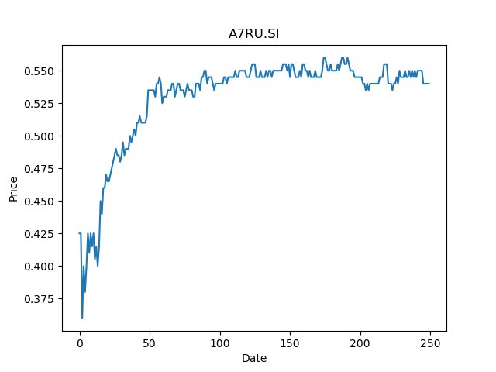
 | Year | Dividend | Dividend Growth Rate | Dividend yield | Median growth rate | Total debt | Interest expense | Rate debt | Market cap | Weight of debt | Weight of equity | Ra | Income tax expense | Income before tax | Effective tax rate | WACC | Fair value
0 | 2008 | 0.063504 |  | 0.11759999533 | -0.048080787781 | 2371653 | 119545 | 0.050405771839 | 2695140096 | 0.00087920024848 | 0.99912079975 | 0.024476027752 | 7567 | 69771 | 0.10845480214 | 0.024494018823 | 0.19234063223
1 | 2009 | 0.059713 | -0.059697026959 | 0.11057962524 | -0.048080787781 | 2371653 | 119545 | 0.050405771839 | 2695140096 | 0.00087920024848 | 0.99912079975 | 0.024476027752 | 7567 | 69771 | 0.10845480214 | 0.024494018823 | 0.19234063223
2 | 2010 | 0.039808 | -0.33334449785 | 0.073718515589 | -0.048080787781 | 2371653 | 119545 | 0.050405771839 | 2695140096 | 0.00087920024848 | 0.99912079975 | 0.024476027752 | 7567 | 69771 | 0.10845480214 | 0.024494018823 | 0.19234063223
3 | 2011 | 0.037894 | -0.048080787781 | 0.070174071286 | -0.048080787781 | 2371653 | 119545 | 0.050405771839 | 2695140096 | 0.00087920024848 | 0.99912079975 | 0.024476027752 | 7567 | 69771 | 0.10845480214 | 0.024494018823 | 0.19234063223
4 | 2012 | 0.032152 | -0.15152794638 | 0.059540738375 | -0.048080787781 | 2371653 | 119545 | 0.050405771839 | 2695140096 | 0.00087920024848 | 0.99912079975 | 0.024476027752 | 7567 | 69771 | 0.10845480214 | 0.024494018823 | 0.19234063223
5 | 2013 | 0.032152 | 0 | 0.059540738375 | -0.048080787781 | 2371653 | 119545 | 0.050405771839 | 2695140096 | 0.00087920024848 | 0.99912079975 | 0.024476027752 | 7567 | 69771 | 0.10845480214 | 0.024494018823 | 0.19234063223
6 | 2014 | 0.032152 | 0 | 0.059540738375 | -0.048080787781 | 2371653 | 119545 | 0.050405771839 | 2695140096 | 0.00087920024848 | 0.99912079975 | 0.024476027752 | 7567 | 69771 | 0.10845480214 | 0.024494018823 | 0.19234063223
7 | 2015 | 0.049468 | 0.53856680766 | 0.091607403767 | -0.048080787781 | 2371653 | 119545 | 0.050405771839 | 2695140096 | 0.00087920024848 | 0.99912079975 | 0.024476027752 | 7567 | 69771 | 0.10845480214 | 0.024494018823 | 0.19234063223
8 | 2016 | 0.036736 | -0.25737850732 | 0.068029626926 | -0.048080787781 | 2371653 | 119545 | 0.050405771839 | 2695140096 | 0.00087920024848 | 0.99912079975 | 0.024476027752 | 7567 | 69771 | 0.10845480214 | 0.024494018823 | 0.19234063223
9 | 2017 | 0.036736 | 0 | 0.068029626926 | -0.048080787781 | 2371653 | 119545 | 0.050405771839 | 2695140096 | 0.00087920024848 | 0.99912079975 | 0.024476027752 | 7567 | 69771 | 0.10845480214 | 0.024494018823 | 0.19234063223
10 | 2018 | 0.036736 | 0 | 0.068029626926 | -0.048080787781 | 2371653 | 119545 | 0.050405771839 | 2695140096 | 0.00087920024848 | 0.99912079975 | 0.024476027752 | 7567 | 69771 | 0.10845480214 | 0.024494018823 | 0.19234063223
11 | 2019 | 0.037084 | 0.0094729965157 | 0.068674071345 | -0.048080787781 | 2371653 | 119545 | 0.050405771839 | 2695140096 | 0.00087920024848 | 0.99912079975 | 0.024476027752 | 7567 | 69771 | 0.10845480214 | 0.024494018823 | 0.19234063223
12 | 2020 | 0.0279 | -0.24765397476 | 0.051666664614 | -0.048080787781 | 2371653 | 119545 | 0.050405771839 | 2695140096 | 0.00087920024848 | 0.99912079975 | 0.024476027752 | 7567 | 69771 | 0.10845480214 | 0.024494018823 | 0.19234063223
13 | 2021 | 0.0186 | -0.33333333333 | 0.034444443076 | -0.048080787781 | 2371653 | 119545 | 0.050405771839 | 2695140096 | 0.00087920024848 | 0.99912079975 | 0.024476027752 | 7567 | 69771 | 0.10845480214 | 0.024494018823 | 0.19234063223

