AWX.SI
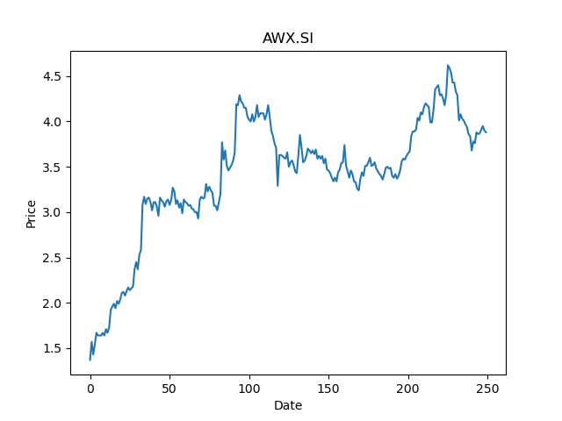
 | Year | Dividend | Dividend Growth Rate | EOY Price | Dividend Yield | Median growth rate | Total Equity | Total debt | Cost of equity | Interest expense | Cost of debt | Corporate tax rate | WACC | Fair value | Dividend payout ratio
0 | 2004 | 0.008333 |  | 0.34999999404 | 0.023808571834 | 0 | 211.43 | 11.29 | 0.032331694548 | -0.65 | -0.057573073516 | 0.14251823214 | 0.028190225526 | 1.2444444444444445(estimated) | 0.31908831909
1 | 2006 | 0.008333 | 0 | 0.38333299756 | 0.021738279911 | 0 | 211.43 | 11.29 | 0.032331694548 | -0.65 | -0.057573073516 | 0.14251823214 | 0.028190225526 | 1.2444444444444445(estimated) | 0.31908831909
2 | 2007 | 0.016667 | 1.0001200048 | 0.22499999404 | 0.074075557518 | 0 | 211.43 | 11.29 | 0.032331694548 | -0.65 | -0.057573073516 | 0.14251823214 | 0.028190225526 | 1.2444444444444445(estimated) | 0.31908831909
3 | 2012 | 0.005833 | -0.65002699946 | 0.13333299756 | 0.043747610169 | 0 | 211.43 | 11.29 | 0.032331694548 | -0.65 | -0.057573073516 | 0.14251823214 | 0.028190225526 | 1.2444444444444445(estimated) | 0.31908831909
4 | 2013 | 0.005833 | 0 | 0.15000000596 | 0.038886665121 | 0 | 211.43 | 11.29 | 0.032331694548 | -0.65 | -0.057573073516 | 0.14251823214 | 0.028190225526 | 1.2444444444444445(estimated) | 0.31908831909
5 | 2016 | 0.0025 | -0.57140408023 | 0.14333300292 | 0.017441900672 | 0 | 211.43 | 11.29 | 0.032331694548 | -0.65 | -0.057573073516 | 0.14251823214 | 0.028190225526 | 1.2444444444444445(estimated) | 0.31908831909
6 | 2017 | 0.017 | 5.8 | 0.83749997616 | 0.020298508041 | 0 | 211.43 | 11.29 | 0.032331694548 | -0.65 | -0.057573073516 | 0.14251823214 | 0.028190225526 | 1.2444444444444445(estimated) | 0.31908831909
7 | 2018 | 0.08 | 3.7058823529 | 0.81000000238 | 0.098765431808 | 0 | 211.43 | 11.29 | 0.032331694548 | -0.65 | -0.057573073516 | 0.14251823214 | 0.028190225526 | 1.2444444444444445(estimated) | 0.31908831909
8 | 2019 | 0.039 | -0.5125 | 1.9900000095 | 0.019597989856 | 0 | 211.43 | 11.29 | 0.032331694548 | -0.65 | -0.057573073516 | 0.14251823214 | 0.028190225526 | 1.2444444444444445(estimated) | 0.31908831909
9 | 2020 | 0.112 | 1.8717948718 | 3.4600000381 | 0.03236994184 | 0 | 211.43 | 11.29 | 0.032331694548 | -0.65 | -0.057573073516 | 0.14251823214 | 0.028190225526 | 1.2444444444444445(estimated) | 0.31908831909

B26.SI
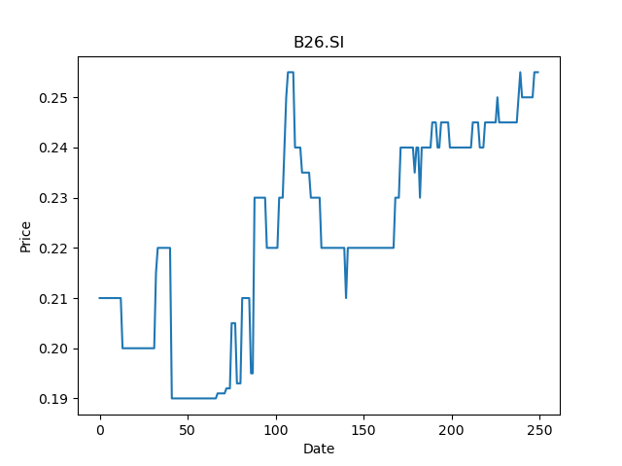
 | Year | Dividend | Dividend Growth Rate | EOY Price | Dividend Yield | Median growth rate | Total Equity | Total debt | Cost of equity | Interest expense | Cost of debt | Corporate tax rate | WACC | Fair value | Dividend payout ratio
0 | 2005 | 0.0125 |  | 0.20999999344 | 0.059523811382 | 0 | 31.75 | 7.18 | 0.025800033108 | 0.14 | 0.019498607242 | 0.18131868132 | 0.023985780524 | 0.1388888888888889(estimated) | 0.33783783784
1 | 2006 | 0.0125 | 0 | 0.20000000298 | 0.062499999069 | 0 | 31.75 | 7.18 | 0.025800033108 | 0.14 | 0.019498607242 | 0.18131868132 | 0.023985780524 | 0.1388888888888889(estimated) | 0.33783783784
2 | 2007 | 0.023 | 0.84 | 0.25499999523 | 0.090196080118 | 0 | 31.75 | 7.18 | 0.025800033108 | 0.14 | 0.019498607242 | 0.18131868132 | 0.023985780524 | 0.1388888888888889(estimated) | 0.33783783784
3 | 2008 | 0.015 | -0.34782608696 | 0.20000000298 | 0.074999998882 | 0 | 31.75 | 7.18 | 0.025800033108 | 0.14 | 0.019498607242 | 0.18131868132 | 0.023985780524 | 0.1388888888888889(estimated) | 0.33783783784
4 | 2009 | 0.003 | -0.8 | 0.11500000209 | 0.026086956049 | 0 | 31.75 | 7.18 | 0.025800033108 | 0.14 | 0.019498607242 | 0.18131868132 | 0.023985780524 | 0.1388888888888889(estimated) | 0.33783783784
5 | 2010 | 0.01 | 2.3333333333 | 0.125 | 0.08 | 0 | 31.75 | 7.18 | 0.025800033108 | 0.14 | 0.019498607242 | 0.18131868132 | 0.023985780524 | 0.1388888888888889(estimated) | 0.33783783784
6 | 2011 | 0.005 | -0.5 | 0.10000000149 | 0.049999999255 | 0 | 31.75 | 7.18 | 0.025800033108 | 0.14 | 0.019498607242 | 0.18131868132 | 0.023985780524 | 0.1388888888888889(estimated) | 0.33783783784
7 | 2012 | 0.01 | 1 | 0.17499999702 | 0.057142858116 | 0 | 31.75 | 7.18 | 0.025800033108 | 0.14 | 0.019498607242 | 0.18131868132 | 0.023985780524 | 0.1388888888888889(estimated) | 0.33783783784
8 | 2013 | 0.011 | 0.1 | 0.18000000715 | 0.061111108683 | 0 | 31.75 | 7.18 | 0.025800033108 | 0.14 | 0.019498607242 | 0.18131868132 | 0.023985780524 | 0.1388888888888889(estimated) | 0.33783783784
9 | 2014 | 0.01 | -0.090909090909 | 0.25 | 0.04 | 0 | 31.75 | 7.18 | 0.025800033108 | 0.14 | 0.019498607242 | 0.18131868132 | 0.023985780524 | 0.1388888888888889(estimated) | 0.33783783784
10 | 2015 | 0.02 | 1 | 0.21500000358 | 0.093023254267 | 0 | 31.75 | 7.18 | 0.025800033108 | 0.14 | 0.019498607242 | 0.18131868132 | 0.023985780524 | 0.1388888888888889(estimated) | 0.33783783784
11 | 2016 | 0.02 | 0 | 0.20000000298 | 0.09999999851 | 0 | 31.75 | 7.18 | 0.025800033108 | 0.14 | 0.019498607242 | 0.18131868132 | 0.023985780524 | 0.1388888888888889(estimated) | 0.33783783784
12 | 2017 | 0.015 | -0.25 | 0.20999999344 | 0.071428573659 | 0 | 31.75 | 7.18 | 0.025800033108 | 0.14 | 0.019498607242 | 0.18131868132 | 0.023985780524 | 0.1388888888888889(estimated) | 0.33783783784
13 | 2018 | 0.0175 | 0.16666666667 | 0.2349999994 | 0.074468085295 | 0 | 31.75 | 7.18 | 0.025800033108 | 0.14 | 0.019498607242 | 0.18131868132 | 0.023985780524 | 0.1388888888888889(estimated) | 0.33783783784
14 | 2019 | 0.01 | -0.42857142857 | 0.2349999994 | 0.042553191597 | 0 | 31.75 | 7.18 | 0.025800033108 | 0.14 | 0.019498607242 | 0.18131868132 | 0.023985780524 | 0.1388888888888889(estimated) | 0.33783783784
15 | 2020 | 0.0125 | 0.25 | 0.24500000477 | 0.05102040717 | 0 | 31.75 | 7.18 | 0.025800033108 | 0.14 | 0.019498607242 | 0.18131868132 | 0.023985780524 | 0.1388888888888889(estimated) | 0.33783783784

BXE.SI
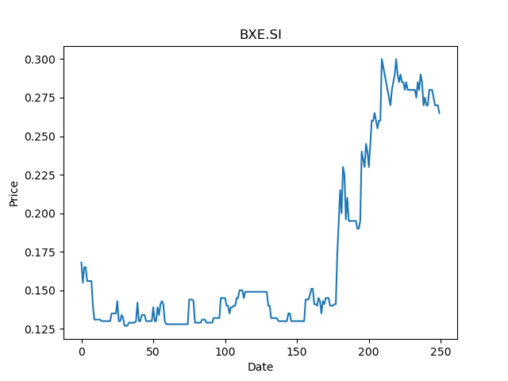
 | Year | Dividend | Dividend Growth Rate | EOY Price | Dividend Yield | Median growth rate | Total Equity | Total debt | Cost of equity | Interest expense | Cost of debt | Corporate tax rate | WACC | Fair value | Dividend payout ratio
0 | 2005 | 0.02046 |  | 0.44999998808 | 0.045466667871 | 0 | 51.59 | 17.25 | 0.032301681531 | 0.51 | 0.029565217391 | 0.56764705882 | 0.027410571618 | 0.16835555555555556(estimated) | 3.0304
1 | 2006 | 0.016 | -0.21798631476 | 0.27000001073 | 0.059259256905 | 0 | 51.59 | 17.25 | 0.032301681531 | 0.51 | 0.029565217391 | 0.56764705882 | 0.027410571618 | 0.16835555555555556(estimated) | 3.0304
2 | 2007 | 0.006 | -0.625 | 0.20000000298 | 0.029999999553 | 0 | 51.59 | 17.25 | 0.032301681531 | 0.51 | 0.029565217391 | 0.56764705882 | 0.027410571618 | 0.16835555555555556(estimated) | 3.0304
3 | 2008 | 0.01 | 0.66666666667 | 0.10000000149 | 0.09999999851 | 0 | 51.59 | 17.25 | 0.032301681531 | 0.51 | 0.029565217391 | 0.56764705882 | 0.027410571618 | 0.16835555555555556(estimated) | 3.0304
4 | 2009 | 0.012 | 0.2 | 0.1400000006 | 0.085714285349 | 0 | 51.59 | 17.25 | 0.032301681531 | 0.51 | 0.029565217391 | 0.56764705882 | 0.027410571618 | 0.16835555555555556(estimated) | 3.0304
5 | 2010 | 0.012 | 0 | 0.15999999642 | 0.075000001676 | 0 | 51.59 | 17.25 | 0.032301681531 | 0.51 | 0.029565217391 | 0.56764705882 | 0.027410571618 | 0.16835555555555556(estimated) | 3.0304
6 | 2011 | 0.012 | 0 | 0.18000000715 | 0.066666664018 | 0 | 51.59 | 17.25 | 0.032301681531 | 0.51 | 0.029565217391 | 0.56764705882 | 0.027410571618 | 0.16835555555555556(estimated) | 3.0304
7 | 2012 | 0.018 | 0.5 | 0.19799999893 | 0.090909091402 | 0 | 51.59 | 17.25 | 0.032301681531 | 0.51 | 0.029565217391 | 0.56764705882 | 0.027410571618 | 0.16835555555555556(estimated) | 3.0304
8 | 2013 | 0.024 | 0.33333333333 | 0.29399999976 | 0.081632653127 | 0 | 51.59 | 17.25 | 0.032301681531 | 0.51 | 0.029565217391 | 0.56764705882 | 0.027410571618 | 0.16835555555555556(estimated) | 3.0304
9 | 2014 | 0.024 | 0 | 0.33799999952 | 0.07100591726 | 0 | 51.59 | 17.25 | 0.032301681531 | 0.51 | 0.029565217391 | 0.56764705882 | 0.027410571618 | 0.16835555555555556(estimated) | 3.0304
10 | 2015 | 0.024 | 0 | 0.28600001335 | 0.083916079999 | 0 | 51.59 | 17.25 | 0.032301681531 | 0.51 | 0.029565217391 | 0.56764705882 | 0.027410571618 | 0.16835555555555556(estimated) | 3.0304
11 | 2016 | 0.016687 | -0.30470833333 | 0.25 | 0.066748 | 0 | 51.59 | 17.25 | 0.032301681531 | 0.51 | 0.029565217391 | 0.56764705882 | 0.027410571618 | 0.16835555555555556(estimated) | 3.0304
12 | 2017 | 0.01371 | -0.17840234913 | 0.24500000477 | 0.055959182584 | 0 | 51.59 | 17.25 | 0.032301681531 | 0.51 | 0.029565217391 | 0.56764705882 | 0.027410571618 | 0.16835555555555556(estimated) | 3.0304
13 | 2018 | 0.014906 | 0.087235594457 | 0.18000000715 | 0.08281110782 | 0 | 51.59 | 17.25 | 0.032301681531 | 0.51 | 0.029565217391 | 0.56764705882 | 0.027410571618 | 0.16835555555555556(estimated) | 3.0304
14 | 2019 | 0.01255 | -0.15805715819 | 0.18000000715 | 0.069722219452 | 0 | 51.59 | 17.25 | 0.032301681531 | 0.51 | 0.029565217391 | 0.56764705882 | 0.027410571618 | 0.16835555555555556(estimated) | 3.0304
15 | 2020 | 0.015152 | 0.20733067729 | 0.2349999994 | 0.064476595908 | 0 | 51.59 | 17.25 | 0.032301681531 | 0.51 | 0.029565217391 | 0.56764705882 | 0.027410571618 | 0.16835555555555556(estimated) | 3.0304

AVV.SI
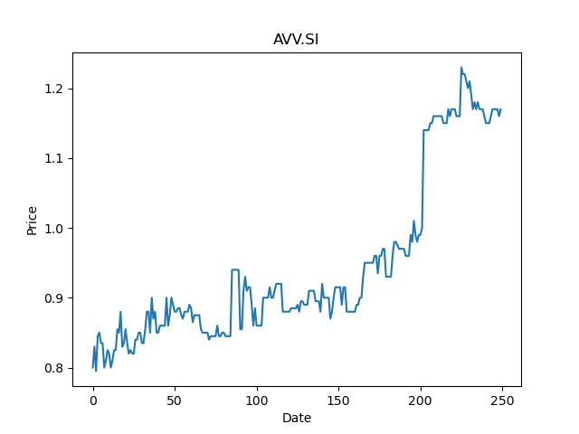
 | Year | Dividend | Dividend Growth Rate | EOY Price | Dividend Yield | Median growth rate | Total Equity | Total debt | Cost of equity | Interest expense | Cost of debt | Corporate tax rate | WACC | Fair value | Dividend payout ratio
0 | 2001 | 0.02794 |  | 0.89999997616 | 0.031044445267 | 0.18666666667 | 38.98 | 7.41 | 0.026208929053 | 0.12 | 0.016194331984 | 0.14630681818 | 0.024230809147 | -1.7112551724137925(estimated) | 2.0202898551
1 | 2002 | 0.18596 | 5.6556907659 | 0.63999998569 | 0.29056250649 | 0.18666666667 | 38.98 | 7.41 | 0.026208929053 | 0.12 | 0.016194331984 | 0.14630681818 | 0.024230809147 | -1.7112551724137925(estimated) | 2.0202898551
2 | 2003 | 0.03656 | -0.80339858034 | 0.93999999762 | 0.03889361712 | 0.18666666667 | 38.98 | 7.41 | 0.026208929053 | 0.12 | 0.016194331984 | 0.14630681818 | 0.024230809147 | -1.7112551724137925(estimated) | 2.0202898551
3 | 2004 | 0.0434 | 0.18708971554 | 0.77999997139 | 0.055641027682 | 0.18666666667 | 38.98 | 7.41 | 0.026208929053 | 0.12 | 0.016194331984 | 0.14630681818 | 0.024230809147 | -1.7112551724137925(estimated) | 2.0202898551
4 | 2005 | 0.09106 | 1.098156682 | 0.72000002861 | 0.1264722172 | 0.18666666667 | 38.98 | 7.41 | 0.026208929053 | 0.12 | 0.016194331984 | 0.14630681818 | 0.024230809147 | -1.7112551724137925(estimated) | 2.0202898551
5 | 2006 | 0.05804 | -0.36261805403 | 0.68000000715 | 0.085352940279 | 0.18666666667 | 38.98 | 7.41 | 0.026208929053 | 0.12 | 0.016194331984 | 0.14630681818 | 0.024230809147 | -1.7112551724137925(estimated) | 2.0202898551
6 | 2007 | 0.05444 | -0.062026188835 | 0.69999998808 | 0.077771429896 | 0.18666666667 | 38.98 | 7.41 | 0.026208929053 | 0.12 | 0.016194331984 | 0.14630681818 | 0.024230809147 | -1.7112551724137925(estimated) | 2.0202898551
7 | 2008 | 0.03008 | -0.44746509919 | 0.41999998689 | 0.071619049855 | 0.18666666667 | 38.98 | 7.41 | 0.026208929053 | 0.12 | 0.016194331984 | 0.14630681818 | 0.024230809147 | -1.7112551724137925(estimated) | 2.0202898551
8 | 2009 | 0.01648 | -0.45212765957 | 0.46000000834 | 0.035826086307 | 0.18666666667 | 38.98 | 7.41 | 0.026208929053 | 0.12 | 0.016194331984 | 0.14630681818 | 0.024230809147 | -1.7112551724137925(estimated) | 2.0202898551
9 | 2010 | 0.0292 | 0.77184466019 | 0.47999998927 | 0.060833334693 | 0.18666666667 | 38.98 | 7.41 | 0.026208929053 | 0.12 | 0.016194331984 | 0.14630681818 | 0.024230809147 | -1.7112551724137925(estimated) | 2.0202898551
10 | 2011 | 0.0464 | 0.58904109589 | 0.41200000048 | 0.11262135909 | 0.18666666667 | 38.98 | 7.41 | 0.026208929053 | 0.12 | 0.016194331984 | 0.14630681818 | 0.024230809147 | -1.7112551724137925(estimated) | 2.0202898551
11 | 2012 | 0.0124 | -0.73275862069 | 0.41200000048 | 0.030097087344 | 0.18666666667 | 38.98 | 7.41 | 0.026208929053 | 0.12 | 0.016194331984 | 0.14630681818 | 0.024230809147 | -1.7112551724137925(estimated) | 2.0202898551
12 | 2013 | 0.008 | -0.35483870968 | 0.41999998689 | 0.019047619642 | 0.18666666667 | 38.98 | 7.41 | 0.026208929053 | 0.12 | 0.016194331984 | 0.14630681818 | 0.024230809147 | -1.7112551724137925(estimated) | 2.0202898551
13 | 2014 | 0.02 | 1.5 | 0.41999998689 | 0.047619049106 | 0.18666666667 | 38.98 | 7.41 | 0.026208929053 | 0.12 | 0.016194331984 | 0.14630681818 | 0.024230809147 | -1.7112551724137925(estimated) | 2.0202898551
14 | 2015 | 0.056 | 1.8 | 0.51499998569 | 0.1087378671 | 0.18666666667 | 38.98 | 7.41 | 0.026208929053 | 0.12 | 0.016194331984 | 0.14630681818 | 0.024230809147 | -1.7112551724137925(estimated) | 2.0202898551
15 | 2016 | 0.0856 | 0.52857142857 | 0.82999998331 | 0.10313253219 | 0.18666666667 | 38.98 | 7.41 | 0.026208929053 | 0.12 | 0.016194331984 | 0.14630681818 | 0.024230809147 | -1.7112551724137925(estimated) | 2.0202898551
16 | 2017 | 0.078 | -0.088785046729 | 1.0199999809 | 0.076470589665 | 0.18666666667 | 38.98 | 7.41 | 0.026208929053 | 0.12 | 0.016194331984 | 0.14630681818 | 0.024230809147 | -1.7112551724137925(estimated) | 2.0202898551
17 | 2018 | 0.06 | -0.23076923077 | 0.85000002384 | 0.070588233314 | 0.18666666667 | 38.98 | 7.41 | 0.026208929053 | 0.12 | 0.016194331984 | 0.14630681818 | 0.024230809147 | -1.7112551724137925(estimated) | 2.0202898551
18 | 2019 | 0.0712 | 0.18666666667 | 0.95999997854 | 0.074166668324 | 0.18666666667 | 38.98 | 7.41 | 0.026208929053 | 0.12 | 0.016194331984 | 0.14630681818 | 0.024230809147 | -1.7112551724137925(estimated) | 2.0202898551
19 | 2020 | 0.1394 | 0.95786516854 | 0.98000001907 | 0.14224489519 | 0.18666666667 | 38.98 | 7.41 | 0.026208929053 | 0.12 | 0.016194331984 | 0.14630681818 | 0.024230809147 | -1.7112551724137925(estimated) | 2.0202898551

CZ4.SI
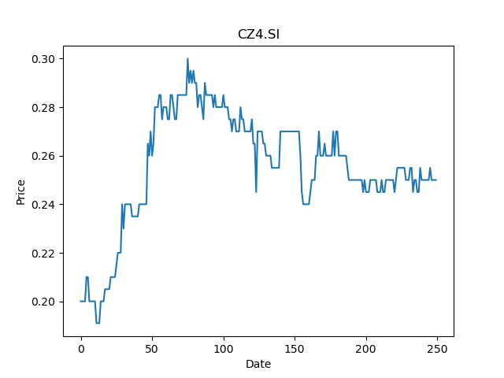
 | Year | Dividend | Dividend Growth Rate | EOY Price | Dividend Yield | Median growth rate | Total Equity | Total debt | Cost of equity | Interest expense | Cost of debt | Corporate tax rate | WACC | Fair value | Dividend payout ratio
0 | 2008 | 0.02 |  | 0.070000000298 | 0.2857142845 | 0 | 1022.61 | 170.7 | 0.021054968611 | -0.15 | -0.00087873462214 | 0.10769043563 | 0.017930944195 | 0.11111111111111112(estimated) | 0.41666666667
1 | 2009 | 0.01 | -0.5 | 0.20999999344 | 0.047619049106 | 0 | 1022.61 | 170.7 | 0.021054968611 | -0.15 | -0.00087873462214 | 0.10769043563 | 0.017930944195 | 0.11111111111111112(estimated) | 0.41666666667
2 | 2010 | 0.01 | 0 | 0.21999999881 | 0.045454545701 | 0 | 1022.61 | 170.7 | 0.021054968611 | -0.15 | -0.00087873462214 | 0.10769043563 | 0.017930944195 | 0.11111111111111112(estimated) | 0.41666666667
3 | 2012 | 0.01 | 0 | 0.12800000608 | 0.078124996289 | 0 | 1022.61 | 170.7 | 0.021054968611 | -0.15 | -0.00087873462214 | 0.10769043563 | 0.017930944195 | 0.11111111111111112(estimated) | 0.41666666667
4 | 2014 | 0.01 | 0 | 0.30000001192 | 0.033333332009 | 0 | 1022.61 | 170.7 | 0.021054968611 | -0.15 | -0.00087873462214 | 0.10769043563 | 0.017930944195 | 0.11111111111111112(estimated) | 0.41666666667
5 | 2015 | 0.015 | 0.5 | 0.26499998569 | 0.05660377664 | 0 | 1022.61 | 170.7 | 0.021054968611 | -0.15 | -0.00087873462214 | 0.10769043563 | 0.017930944195 | 0.11111111111111112(estimated) | 0.41666666667
6 | 2016 | 0.01 | -0.33333333333 | 0.44499999285 | 0.022471910474 | 0 | 1022.61 | 170.7 | 0.021054968611 | -0.15 | -0.00087873462214 | 0.10769043563 | 0.017930944195 | 0.11111111111111112(estimated) | 0.41666666667
7 | 2017 | 0.01 | 0 | 0.34000000358 | 0.029411764397 | 0 | 1022.61 | 170.7 | 0.021054968611 | -0.15 | -0.00087873462214 | 0.10769043563 | 0.017930944195 | 0.11111111111111112(estimated) | 0.41666666667
8 | 2018 | 0.01 | 0 | 0.24500000477 | 0.040816325736 | 0 | 1022.61 | 170.7 | 0.021054968611 | -0.15 | -0.00087873462214 | 0.10769043563 | 0.017930944195 | 0.11111111111111112(estimated) | 0.41666666667
9 | 2019 | 0.01 | 0 | 0.27000001073 | 0.037037035565 | 0 | 1022.61 | 170.7 | 0.021054968611 | -0.15 | -0.00087873462214 | 0.10769043563 | 0.017930944195 | 0.11111111111111112(estimated) | 0.41666666667
10 | 2020 | 0.01 | 0 | 0.25 | 0.04 | 0 | 1022.61 | 170.7 | 0.021054968611 | -0.15 | -0.00087873462214 | 0.10769043563 | 0.017930944195 | 0.11111111111111112(estimated) | 0.41666666667

BIX.SI
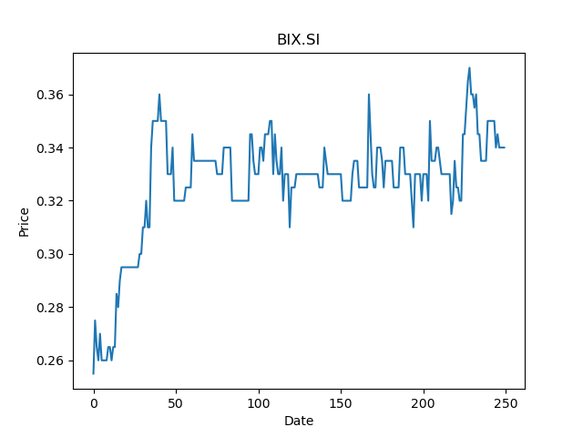
 | Year | Dividend | Dividend Growth Rate | EOY Price | Dividend Yield | Median growth rate | Total Equity | Total debt | Cost of equity | Interest expense | Cost of debt | Corporate tax rate | WACC | Fair value | Dividend payout ratio
0 | 2016 | 0.017 |  | 0.36000001431 | 0.047222220346 | 0 | 111.85 | 1.13 | 0.025418297818 | 0.02 | 0.017699115044 | 0.28571428571 | 0.025290514474 | 0.05555555555555556(estimated) | 0.055555555556
1 | 2017 | 0.06 | 2.5294117647 | 0.73500001431 | 0.081632651472 | 0 | 111.85 | 1.13 | 0.025418297818 | 0.02 | 0.017699115044 | 0.28571428571 | 0.025290514474 | 0.05555555555555556(estimated) | 0.055555555556
2 | 2018 | 0.09 | 0.5 | 0.43500000238 | 0.20689655059 | 0 | 111.85 | 1.13 | 0.025418297818 | 0.02 | 0.017699115044 | 0.28571428571 | 0.025290514474 | 0.05555555555555556(estimated) | 0.055555555556
3 | 2019 | 0.015 | -0.83333333333 | 0.40999999642 | 0.036585366173 | 0 | 111.85 | 1.13 | 0.025418297818 | 0.02 | 0.017699115044 | 0.28571428571 | 0.025290514474 | 0.05555555555555556(estimated) | 0.055555555556
4 | 2020 | 0.005 | -0.66666666667 | 0.33000001311 | 0.015151514549 | 0 | 111.85 | 1.13 | 0.025418297818 | 0.02 | 0.017699115044 | 0.28571428571 | 0.025290514474 | 0.05555555555555556(estimated) | 0.055555555556
5 | 2021 | 0.005 | 0 | 0.34000000358 | 0.014705882198 | 0 | 111.85 | 1.13 | 0.025418297818 | 0.02 | 0.017699115044 | 0.28571428571 | 0.025290514474 | 0.05555555555555556(estimated) | 0.055555555556

M14.SI
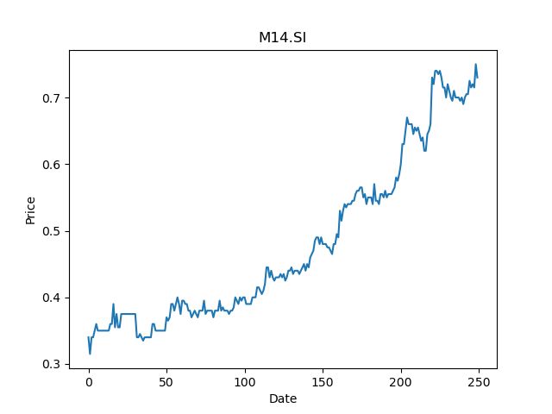
 | Year | Dividend | Dividend Growth Rate | EOY Price | Dividend Yield | Median growth rate | Total Equity | Total debt | Cost of equity | Interest expense | Cost of debt | Corporate tax rate | WACC | Fair value | Dividend payout ratio
0 | 2000 | 0.005 |  | 0.72500002384 | 0.0068965514973 | 0 | 177.95 | 23.37 | 0.028503144992 | -0.02 | -0.00085579803166 | 0.27887617066 | 0.025122750719 | 0.16666666666666666(estimated) | 0.24590163934
1 | 2001 | 0.005 | 0 | 0.36000001431 | 0.013888888337 | 0 | 177.95 | 23.37 | 0.028503144992 | -0.02 | -0.00085579803166 | 0.27887617066 | 0.025122750719 | 0.16666666666666666(estimated) | 0.24590163934
2 | 2004 | 0.01 | 1 | 0.82999998331 | 0.012048193013 | 0 | 177.95 | 23.37 | 0.028503144992 | -0.02 | -0.00085579803166 | 0.27887617066 | 0.025122750719 | 0.16666666666666666(estimated) | 0.24590163934
3 | 2005 | 0.01 | 0 | 1.0399999619 | 0.0096153849681 | 0 | 177.95 | 23.37 | 0.028503144992 | -0.02 | -0.00085579803166 | 0.27887617066 | 0.025122750719 | 0.16666666666666666(estimated) | 0.24590163934
4 | 2006 | 0.01 | 0 | 0.76999998093 | 0.012987013309 | 0 | 177.95 | 23.37 | 0.028503144992 | -0.02 | -0.00085579803166 | 0.27887617066 | 0.025122750719 | 0.16666666666666666(estimated) | 0.24590163934
5 | 2007 | 0.1 | 9 | 0.81999999285 | 0.12195122058 | 0 | 177.95 | 23.37 | 0.028503144992 | -0.02 | -0.00085579803166 | 0.27887617066 | 0.025122750719 | 0.16666666666666666(estimated) | 0.24590163934
6 | 2008 | 0.1 | 0 | 0.18000000715 | 0.55555553348 | 0 | 177.95 | 23.37 | 0.028503144992 | -0.02 | -0.00085579803166 | 0.27887617066 | 0.025122750719 | 0.16666666666666666(estimated) | 0.24590163934
7 | 2009 | 0.05 | -0.5 | 0.42500001192 | 0.11764705552 | 0 | 177.95 | 23.37 | 0.028503144992 | -0.02 | -0.00085579803166 | 0.27887617066 | 0.025122750719 | 0.16666666666666666(estimated) | 0.24590163934
8 | 2010 | 0.05 | 0 | 0.57999998331 | 0.086206899032 | 0 | 177.95 | 23.37 | 0.028503144992 | -0.02 | -0.00085579803166 | 0.27887617066 | 0.025122750719 | 0.16666666666666666(estimated) | 0.24590163934
9 | 2011 | 0.05 | 0 | 0.33500000834 | 0.14925372763 | 0 | 177.95 | 23.37 | 0.028503144992 | -0.02 | -0.00085579803166 | 0.27887617066 | 0.025122750719 | 0.16666666666666666(estimated) | 0.24590163934
10 | 2012 | 0.05 | 0 | 0.34499999881 | 0.14492753673 | 0 | 177.95 | 23.37 | 0.028503144992 | -0.02 | -0.00085579803166 | 0.27887617066 | 0.025122750719 | 0.16666666666666666(estimated) | 0.24590163934
11 | 2013 | 0.01 | -0.8 | 0.33000001311 | 0.030303029099 | 0 | 177.95 | 23.37 | 0.028503144992 | -0.02 | -0.00085579803166 | 0.27887617066 | 0.025122750719 | 0.16666666666666666(estimated) | 0.24590163934
12 | 2014 | 0.01 | 0 | 0.25 | 0.04 | 0 | 177.95 | 23.37 | 0.028503144992 | -0.02 | -0.00085579803166 | 0.27887617066 | 0.025122750719 | 0.16666666666666666(estimated) | 0.24590163934
13 | 2017 | 0.005 | -0.5 | 0.36000001431 | 0.013888888337 | 0 | 177.95 | 23.37 | 0.028503144992 | -0.02 | -0.00085579803166 | 0.27887617066 | 0.025122750719 | 0.16666666666666666(estimated) | 0.24590163934
14 | 2018 | 0.01 | 1 | 0.41499999166 | 0.024096386027 | 0 | 177.95 | 23.37 | 0.028503144992 | -0.02 | -0.00085579803166 | 0.27887617066 | 0.025122750719 | 0.16666666666666666(estimated) | 0.24590163934
15 | 2019 | 0.005 | -0.5 | 0.45500001311 | 0.010989010672 | 0 | 177.95 | 23.37 | 0.028503144992 | -0.02 | -0.00085579803166 | 0.27887617066 | 0.025122750719 | 0.16666666666666666(estimated) | 0.24590163934
16 | 2020 | 0.015 | 2 | 0.56499999762 | 0.026548672678 | 0 | 177.95 | 23.37 | 0.028503144992 | -0.02 | -0.00085579803166 | 0.27887617066 | 0.025122750719 | 0.16666666666666666(estimated) | 0.24590163934

K29.SI
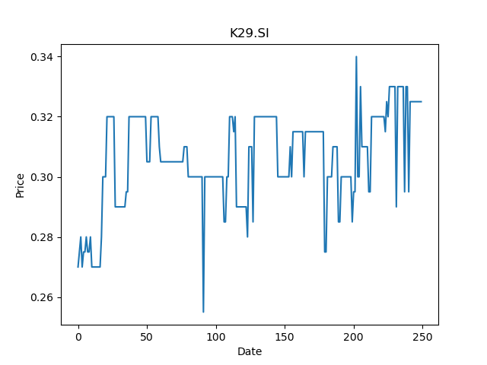
 | Year | Dividend | Dividend Growth Rate | EOY Price | Dividend Yield | Median growth rate | Total Equity | Total debt | Cost of equity | Interest expense | Cost of debt | Corporate tax rate | WACC | Fair value | Dividend payout ratio
0 | 2005 | 0.036 |  | 0.11500000209 | 0.31304347258 | -0.0037399309551 | 427.7 | 86.49 | 0.02651630732 | 2.11 | 0.024395883917 | 0.36901763224 | 0.024645359569 | 0.1603646176037319(estimated) | 0.88758823529
1 | 2006 | 0.07 | 0.94444444444 | 0.15999999642 | 0.43750000978 | -0.0037399309551 | 427.7 | 86.49 | 0.02651630732 | 2.11 | 0.024395883917 | 0.36901763224 | 0.024645359569 | 0.1603646176037319(estimated) | 0.88758823529
2 | 2007 | 0.053 | -0.24285714286 | 0.25 | 0.212 | -0.0037399309551 | 427.7 | 86.49 | 0.02651630732 | 2.11 | 0.024395883917 | 0.36901763224 | 0.024645359569 | 0.1603646176037319(estimated) | 0.88758823529
3 | 2008 | 0.132 | 1.4905660377 | 0.12999999523 | 1.0153846526 | -0.0037399309551 | 427.7 | 86.49 | 0.02651630732 | 2.11 | 0.024395883917 | 0.36901763224 | 0.024645359569 | 0.1603646176037319(estimated) | 0.88758823529
4 | 2009 | 0.079 | -0.40151515152 | 0.20999999344 | 0.37619048794 | -0.0037399309551 | 427.7 | 86.49 | 0.02651630732 | 2.11 | 0.024395883917 | 0.36901763224 | 0.024645359569 | 0.1603646176037319(estimated) | 0.88758823529
5 | 2010 | 0.082 | 0.037974683544 | 0.21999999881 | 0.37272727475 | -0.0037399309551 | 427.7 | 86.49 | 0.02651630732 | 2.11 | 0.024395883917 | 0.36901763224 | 0.024645359569 | 0.1603646176037319(estimated) | 0.88758823529
6 | 2011 | 0.12 | 0.46341463415 | 0.2349999994 | 0.51063829917 | -0.0037399309551 | 427.7 | 86.49 | 0.02651630732 | 2.11 | 0.024395883917 | 0.36901763224 | 0.024645359569 | 0.1603646176037319(estimated) | 0.88758823529
7 | 2012 | 0.106 | -0.11666666667 | 0.28000000119 | 0.37857142696 | -0.0037399309551 | 427.7 | 86.49 | 0.02651630732 | 2.11 | 0.024395883917 | 0.36901763224 | 0.024645359569 | 0.1603646176037319(estimated) | 0.88758823529
8 | 2013 | 0.165 | 0.55660377358 | 0.33000001311 | 0.49999998013 | -0.0037399309551 | 427.7 | 86.49 | 0.02651630732 | 2.11 | 0.024395883917 | 0.36901763224 | 0.024645359569 | 0.1603646176037319(estimated) | 0.88758823529
9 | 2014 | 0.13 | -0.21212121212 | 0.30000001192 | 0.43333331611 | -0.0037399309551 | 427.7 | 86.49 | 0.02651630732 | 2.11 | 0.024395883917 | 0.36901763224 | 0.024645359569 | 0.1603646176037319(estimated) | 0.88758823529
10 | 2015 | 0.176 | 0.35384615385 | 0.31999999285 | 0.55000001229 | -0.0037399309551 | 427.7 | 86.49 | 0.02651630732 | 2.11 | 0.024395883917 | 0.36901763224 | 0.024645359569 | 0.1603646176037319(estimated) | 0.88758823529
11 | 2016 | 0.168 | -0.045454545455 | 0.28499999642 | 0.58947369161 | -0.0037399309551 | 427.7 | 86.49 | 0.02651630732 | 2.11 | 0.024395883917 | 0.36901763224 | 0.024645359569 | 0.1603646176037319(estimated) | 0.88758823529
12 | 2017 | 0.176 | 0.047619047619 | 0.33000001311 | 0.53333331214 | -0.0037399309551 | 427.7 | 86.49 | 0.02651630732 | 2.11 | 0.024395883917 | 0.36901763224 | 0.024645359569 | 0.1603646176037319(estimated) | 0.88758823529
13 | 2018 | 0.088827 | -0.49530113636 | 0.31000000238 | 0.28653870747 | -0.0037399309551 | 427.7 | 86.49 | 0.02651630732 | 2.11 | 0.024395883917 | 0.36901763224 | 0.024645359569 | 0.1603646176037319(estimated) | 0.88758823529
14 | 2019 | 0.023568 | -0.73467526766 | 0.32499998808 | 0.072516925737 | -0.0037399309551 | 427.7 | 86.49 | 0.02651630732 | 2.11 | 0.024395883917 | 0.36901763224 | 0.024645359569 | 0.1603646176037319(estimated) | 0.88758823529
15 | 2020 | 0.015089 | -0.35976748133 | 0.30000001192 | 0.050296664668 | -0.0037399309551 | 427.7 | 86.49 | 0.02651630732 | 2.11 | 0.024395883917 | 0.36901763224 | 0.024645359569 | 0.1603646176037319(estimated) | 0.88758823529
16 | 2021 | 0.028 | 0.85565643847 | 0.32499998808 | 0.086153849314 | -0.0037399309551 | 427.7 | 86.49 | 0.02651630732 | 2.11 | 0.024395883917 | 0.36901763224 | 0.024645359569 | 0.1603646176037319(estimated) | 0.88758823529

N01.SI
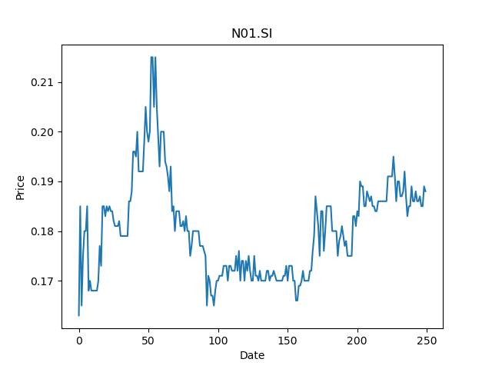
 | Year | Dividend | Dividend Growth Rate | EOY Price | Dividend Yield | Median growth rate | Total Equity | Total debt | Cost of equity | Interest expense | Cost of debt | Corporate tax rate | WACC | Fair value | Dividend payout ratio
0 | 2001 | 0.00375 |  | 0.69999998808 | 0.0053571429484 | 0 | 66.26 | 32.79 | 0.017937716792 | 0.57 | 0.017383348582 | 0.2810707457 | 0.0161367268 | 0.11111111111111112(estimated) | 1
1 | 2002 | 0.045 | 11 | 0.26499998569 | 0.16981132992 | 0 | 66.26 | 32.79 | 0.017937716792 | 0.57 | 0.017383348582 | 0.2810707457 | 0.0161367268 | 0.11111111111111112(estimated) | 1
2 | 2003 | 0.0075 | -0.83333333333 | 0.53500002623 | 0.014018690902 | 0 | 66.26 | 32.79 | 0.017937716792 | 0.57 | 0.017383348582 | 0.2810707457 | 0.0161367268 | 0.11111111111111112(estimated) | 1
3 | 2004 | 0.02 | 1.6666666667 | 0.43000000715 | 0.046511627133 | 0 | 66.26 | 32.79 | 0.017937716792 | 0.57 | 0.017383348582 | 0.2810707457 | 0.0161367268 | 0.11111111111111112(estimated) | 1
4 | 2005 | 0.02 | 0 | 0.46999999881 | 0.042553191597 | 0 | 66.26 | 32.79 | 0.017937716792 | 0.57 | 0.017383348582 | 0.2810707457 | 0.0161367268 | 0.11111111111111112(estimated) | 1
5 | 2006 | 0.18245 | 8.1225 | 0.375 | 0.48653333333 | 0 | 66.26 | 32.79 | 0.017937716792 | 0.57 | 0.017383348582 | 0.2810707457 | 0.0161367268 | 0.11111111111111112(estimated) | 1
6 | 2007 | 0.03 | -0.83557138942 | 0.38499999046 | 0.077922079852 | 0 | 66.26 | 32.79 | 0.017937716792 | 0.57 | 0.017383348582 | 0.2810707457 | 0.0161367268 | 0.11111111111111112(estimated) | 1
7 | 2008 | 0.04 | 0.33333333333 | 0.18000000715 | 0.22222221339 | 0 | 66.26 | 32.79 | 0.017937716792 | 0.57 | 0.017383348582 | 0.2810707457 | 0.0161367268 | 0.11111111111111112(estimated) | 1
8 | 2009 | 0.03 | -0.25 | 0.31499999762 | 0.095238095959 | 0 | 66.26 | 32.79 | 0.017937716792 | 0.57 | 0.017383348582 | 0.2810707457 | 0.0161367268 | 0.11111111111111112(estimated) | 1
9 | 2010 | 0.03 | 0 | 0.37000000477 | 0.081081080036 | 0 | 66.26 | 32.79 | 0.017937716792 | 0.57 | 0.017383348582 | 0.2810707457 | 0.0161367268 | 0.11111111111111112(estimated) | 1
10 | 2011 | 0.04 | 0.33333333333 | 0.41999998689 | 0.095238098212 | 0 | 66.26 | 32.79 | 0.017937716792 | 0.57 | 0.017383348582 | 0.2810707457 | 0.0161367268 | 0.11111111111111112(estimated) | 1
11 | 2012 | 0.04 | 0 | 0.5 | 0.08 | 0 | 66.26 | 32.79 | 0.017937716792 | 0.57 | 0.017383348582 | 0.2810707457 | 0.0161367268 | 0.11111111111111112(estimated) | 1
12 | 2013 | 0.06 | 0.5 | 0.70499998331 | 0.085106384993 | 0 | 66.26 | 32.79 | 0.017937716792 | 0.57 | 0.017383348582 | 0.2810707457 | 0.0161367268 | 0.11111111111111112(estimated) | 1
13 | 2014 | 0.06 | 0 | 0.76999998093 | 0.077922079852 | 0 | 66.26 | 32.79 | 0.017937716792 | 0.57 | 0.017383348582 | 0.2810707457 | 0.0161367268 | 0.11111111111111112(estimated) | 1
14 | 2015 | 0.045 | -0.25 | 0.63499999046 | 0.070866142797 | 0 | 66.26 | 32.79 | 0.017937716792 | 0.57 | 0.017383348582 | 0.2810707457 | 0.0161367268 | 0.11111111111111112(estimated) | 1
15 | 2016 | 0.17 | 2.7777777778 | 0.40000000596 | 0.42499999367 | 0 | 66.26 | 32.79 | 0.017937716792 | 0.57 | 0.017383348582 | 0.2810707457 | 0.0161367268 | 0.11111111111111112(estimated) | 1
16 | 2017 | 0.015 | -0.91176470588 | 0.36500000954 | 0.041095889337 | 0 | 66.26 | 32.79 | 0.017937716792 | 0.57 | 0.017383348582 | 0.2810707457 | 0.0161367268 | 0.11111111111111112(estimated) | 1
17 | 2018 | 0.025 | 0.66666666667 | 0.26499998569 | 0.094339627734 | 0 | 66.26 | 32.79 | 0.017937716792 | 0.57 | 0.017383348582 | 0.2810707457 | 0.0161367268 | 0.11111111111111112(estimated) | 1
18 | 2019 | 0.02 | -0.2 | 0.28000000119 | 0.071428571124 | 0 | 66.26 | 32.79 | 0.017937716792 | 0.57 | 0.017383348582 | 0.2810707457 | 0.0161367268 | 0.11111111111111112(estimated) | 1
19 | 2020 | 0.01 | -0.5 | 0.17499999702 | 0.057142858116 | 0 | 66.26 | 32.79 | 0.017937716792 | 0.57 | 0.017383348582 | 0.2810707457 | 0.0161367268 | 0.11111111111111112(estimated) | 1

T41.SI
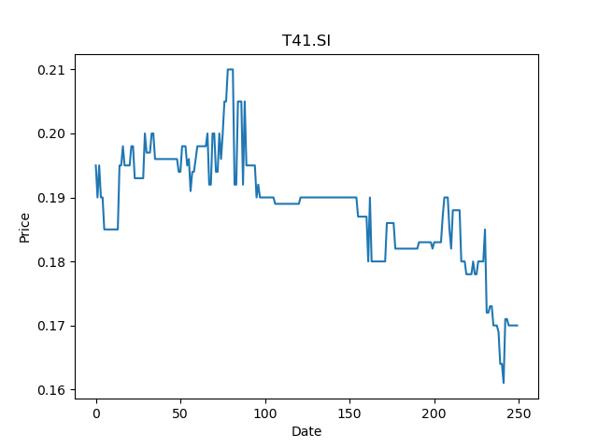
 | Year | Dividend | Dividend Growth Rate | EOY Price | Dividend Yield | Median growth rate | Total Equity | Total debt | Cost of equity | Interest expense | Cost of debt | Corporate tax rate | WACC | Fair value | Dividend payout ratio
0 | 2004 | 0.02 |  | 0.22499999404 | 0.088888891244 | 0 | 61.79 | 20.94 | 0.011089531512 | 1.66 | 0.079274116523 | -0.089147286822 | 0.030136669265 | 0.22222222222222224(estimated) | -1.6666666667
1 | 2005 | 0.02 | 0 | 0.23999999464 | 0.083333335196 | 0 | 61.79 | 20.94 | 0.011089531512 | 1.66 | 0.079274116523 | -0.089147286822 | 0.030136669265 | 0.22222222222222224(estimated) | -1.6666666667
2 | 2006 | 0.0325 | 0.625 | 0.25499999523 | 0.12745098278 | 0 | 61.79 | 20.94 | 0.011089531512 | 1.66 | 0.079274116523 | -0.089147286822 | 0.030136669265 | 0.22222222222222224(estimated) | -1.6666666667
3 | 2007 | 0.0125 | -0.61538461538 | 0.24500000477 | 0.05102040717 | 0 | 61.79 | 20.94 | 0.011089531512 | 1.66 | 0.079274116523 | -0.089147286822 | 0.030136669265 | 0.22222222222222224(estimated) | -1.6666666667
4 | 2008 | 0.025 | 1 | 0.18000000715 | 0.13888888337 | 0 | 61.79 | 20.94 | 0.011089531512 | 1.66 | 0.079274116523 | -0.089147286822 | 0.030136669265 | 0.22222222222222224(estimated) | -1.6666666667
5 | 2009 | 0.02 | -0.2 | 0.21999999881 | 0.090909091402 | 0 | 61.79 | 20.94 | 0.011089531512 | 1.66 | 0.079274116523 | -0.089147286822 | 0.030136669265 | 0.22222222222222224(estimated) | -1.6666666667
6 | 2010 | 0.0175 | -0.125 | 0.25 | 0.07 | 0 | 61.79 | 20.94 | 0.011089531512 | 1.66 | 0.079274116523 | -0.089147286822 | 0.030136669265 | 0.22222222222222224(estimated) | -1.6666666667
7 | 2011 | 0.018 | 0.028571428571 | 0.21500000358 | 0.08372092884 | 0 | 61.79 | 20.94 | 0.011089531512 | 1.66 | 0.079274116523 | -0.089147286822 | 0.030136669265 | 0.22222222222222224(estimated) | -1.6666666667
8 | 2012 | 0.016 | -0.11111111111 | 0.2349999994 | 0.068085106556 | 0 | 61.79 | 20.94 | 0.011089531512 | 1.66 | 0.079274116523 | -0.089147286822 | 0.030136669265 | 0.22222222222222224(estimated) | -1.6666666667
9 | 2013 | 0.016 | 0 | 0.2349999994 | 0.068085106556 | 0 | 61.79 | 20.94 | 0.011089531512 | 1.66 | 0.079274116523 | -0.089147286822 | 0.030136669265 | 0.22222222222222224(estimated) | -1.6666666667
10 | 2014 | 0.016 | 0 | 0.26499998569 | 0.06037736175 | 0 | 61.79 | 20.94 | 0.011089531512 | 1.66 | 0.079274116523 | -0.089147286822 | 0.030136669265 | 0.22222222222222224(estimated) | -1.6666666667
11 | 2015 | 0.016 | 0 | 0.25499999523 | 0.062745099213 | 0 | 61.79 | 20.94 | 0.011089531512 | 1.66 | 0.079274116523 | -0.089147286822 | 0.030136669265 | 0.22222222222222224(estimated) | -1.6666666667
12 | 2016 | 0.016 | 0 | 0.26499998569 | 0.06037736175 | 0 | 61.79 | 20.94 | 0.011089531512 | 1.66 | 0.079274116523 | -0.089147286822 | 0.030136669265 | 0.22222222222222224(estimated) | -1.6666666667
13 | 2017 | 0.016 | 0 | 0.25 | 0.064 | 0 | 61.79 | 20.94 | 0.011089531512 | 1.66 | 0.079274116523 | -0.089147286822 | 0.030136669265 | 0.22222222222222224(estimated) | -1.6666666667
14 | 2018 | 0.016 | 0 | 0.21999999881 | 0.072727273121 | 0 | 61.79 | 20.94 | 0.011089531512 | 1.66 | 0.079274116523 | -0.089147286822 | 0.030136669265 | 0.22222222222222224(estimated) | -1.6666666667
15 | 2019 | 0.01 | -0.375 | 0.20999999344 | 0.047619049106 | 0 | 61.79 | 20.94 | 0.011089531512 | 1.66 | 0.079274116523 | -0.089147286822 | 0.030136669265 | 0.22222222222222224(estimated) | -1.6666666667
16 | 2020 | 0.02 | 1 | 0.18299999833 | 0.10928961848 | 0 | 61.79 | 20.94 | 0.011089531512 | 1.66 | 0.079274116523 | -0.089147286822 | 0.030136669265 | 0.22222222222222224(estimated) | -1.6666666667

BN2.SI
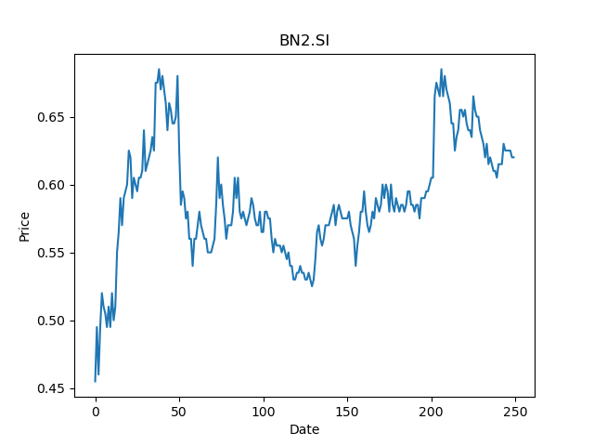
 | Year | Dividend | Dividend Growth Rate | EOY Price | Dividend Yield | Median growth rate | Total Equity | Total debt | Cost of equity | Interest expense | Cost of debt | Corporate tax rate | WACC | Fair value | Dividend payout ratio | Dividend Yield
0 | 2007 | 0.01071 |  | 0.21818000078 | 0.04908790889 | 0.1 | 1231.6 | 2.3 | 0.022295506566 | 0.76 | 0.33043478261 | 0.088106400326 | 0.022815613115 | -20.900000000000095(estimated) | 3.2203389831
1 | 2008 | 0.01326 | 0.2380952381 | 0.068180002272 | 0.19448517979 | 0.1 | 1231.6 | 2.3 | 0.022295506566 | 0.76 | 0.33043478261 | 0.088106400326 | 0.022815613115 | -20.900000000000095(estimated) | 3.2203389831
2 | 2009 | 0.00765 | -0.42307692308 | 0.12273000181 | 0.062331947261 | 0.1 | 1231.6 | 2.3 | 0.022295506566 | 0.76 | 0.33043478261 | 0.088106400326 | 0.022815613115 | -20.900000000000095(estimated) | 3.2203389831
3 | 2010 | 0.0119 | 0.55555555556 | 0.22272999585 | 0.053427918205 | 0.1 | 1231.6 | 2.3 | 0.022295506566 | 0.76 | 0.33043478261 | 0.088106400326 | 0.022815613115 | -20.900000000000095(estimated) | 3.2203389831
4 | 2011 | 0.0238 | 1 | 0.19544999301 | 0.12177027808 | 0.1 | 1231.6 | 2.3 | 0.022295506566 | 0.76 | 0.33043478261 | 0.088106400326 | 0.022815613115 | -20.900000000000095(estimated) | 3.2203389831
5 | 2012 | 0.0272 | 0.14285714286 | 0.17908999324 | 0.15187894928 | 0.1 | 1231.6 | 2.3 | 0.022295506566 | 0.76 | 0.33043478261 | 0.088106400326 | 0.022815613115 | -20.900000000000095(estimated) | 3.2203389831
6 | 2013 | 0.0136 | -0.5 | 0.22727200389 | 0.059840190465 | 0.1 | 1231.6 | 2.3 | 0.022295506566 | 0.76 | 0.33043478261 | 0.088106400326 | 0.022815613115 | -20.900000000000095(estimated) | 3.2203389831
7 | 2014 | 0.0272 | 1 | 0.32272699475 | 0.084281762735 | 0.1 | 1231.6 | 2.3 | 0.022295506566 | 0.76 | 0.33043478261 | 0.088106400326 | 0.022815613115 | -20.900000000000095(estimated) | 3.2203389831
8 | 2015 | 0.0272 | 0 | 0.37727200985 | 0.072096522641 | 0.1 | 1231.6 | 2.3 | 0.022295506566 | 0.76 | 0.33043478261 | 0.088106400326 | 0.022815613115 | -20.900000000000095(estimated) | 3.2203389831
9 | 2016 | 0.0221 | -0.1875 | 0.47272700071 | 0.046750026901 | 0.1 | 1231.6 | 2.3 | 0.022295506566 | 0.76 | 0.33043478261 | 0.088106400326 | 0.022815613115 | -20.900000000000095(estimated) | 3.2203389831
10 | 2017 | 0.0204 | -0.076923076923 | 0.91000002623 | 0.022417581772 | 0.1 | 1231.6 | 2.3 | 0.022295506566 | 0.76 | 0.33043478261 | 0.088106400326 | 0.022815613115 | -20.900000000000095(estimated) | 3.2203389831
11 | 2018 | 0.017 | -0.16666666667 | 0.65499997139 | 0.025954199607 | 0.1 | 1231.6 | 2.3 | 0.022295506566 | 0.76 | 0.33043478261 | 0.088106400326 | 0.022815613115 | -20.900000000000095(estimated) | 3.2203389831
12 | 2019 | 0.0187 | 0.1 | 0.82999998331 | 0.022530120935 | 0.1 | 1231.6 | 2.3 | 0.022295506566 | 0.76 | 0.33043478261 | 0.088106400326 | 0.022815613115 | -20.900000000000095(estimated) | 3.2203389831
13 | 2020 | 0.0323 | 0.72727272727 | 0.58999997377 | 0.054745765145 | 0.1 | 1231.6 | 2.3 | 0.022295506566 | 0.76 | 0.33043478261 | 0.088106400326 | 0.022815613115 | -20.900000000000095(estimated) | 3.2203389831

V03.SI
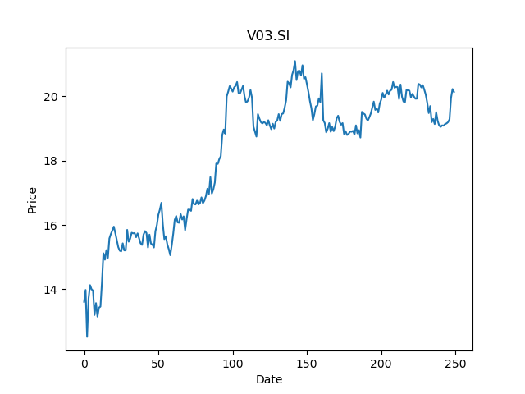
 | Year | Dividend | Dividend Growth Rate | EOY Price | Dividend Yield | Median growth rate | Total Equity | Total debt | Cost of equity | Interest expense | Cost of debt | Corporate tax rate | WACC | Fair value | Dividend payout ratio
0 | 2000 | 0.02 |  | 11.600000381 | 0.0017241378743 | 0 | 2586.45 | 20.95 | 0.025742190209 | -5.73 | -0.27350835322 | 0.13251465741 | 0.023628977853 | 13.88888888888889(estimated) | 1.2230919765
1 | 2001 | 0.025 | 0.25 | 13.399999619 | 0.0018656716949 | 0 | 2586.45 | 20.95 | 0.025742190209 | -5.73 | -0.27350835322 | 0.13251465741 | 0.023628977853 | 13.88888888888889(estimated) | 1.2230919765
2 | 2002 | 0.025 | 0 | 13.899999619 | 0.0017985612004 | 0 | 2586.45 | 20.95 | 0.025742190209 | -5.73 | -0.27350835322 | 0.13251465741 | 0.023628977853 | 13.88888888888889(estimated) | 1.2230919765
3 | 2003 | 0.0375 | 0.5 | 20.200000763 | 0.0018564355734 | 0 | 2586.45 | 20.95 | 0.025742190209 | -5.73 | -0.27350835322 | 0.13251465741 | 0.023628977853 | 13.88888888888889(estimated) | 1.2230919765
4 | 2004 | 0.0625 | 0.66666666667 | 16 | 0.00390625 | 0 | 2586.45 | 20.95 | 0.025742190209 | -5.73 | -0.27350835322 | 0.13251465741 | 0.023628977853 | 13.88888888888889(estimated) | 1.2230919765
5 | 2005 | 0.25 | 3 | 13.800000191 | 0.018115941779 | 0 | 2586.45 | 20.95 | 0.025742190209 | -5.73 | -0.27350835322 | 0.13251465741 | 0.023628977853 | 13.88888888888889(estimated) | 1.2230919765
6 | 2006 | 0.25 | 0 | 13.5 | 0.018518518519 | 0 | 2586.45 | 20.95 | 0.025742190209 | -5.73 | -0.27350835322 | 0.13251465741 | 0.023628977853 | 13.88888888888889(estimated) | 1.2230919765
7 | 2007 | 0.25 | 0 | 12.699999809 | 0.019685039666 | 0 | 2586.45 | 20.95 | 0.025742190209 | -5.73 | -0.27350835322 | 0.13251465741 | 0.023628977853 | 13.88888888888889(estimated) | 1.2230919765
8 | 2008 | 0.5 | 1 | 4.4299998283 | 0.11286682153 | 0 | 2586.45 | 20.95 | 0.025742190209 | -5.73 | -0.27350835322 | 0.13251465741 | 0.023628977853 | 13.88888888888889(estimated) | 1.2230919765
9 | 2009 | 0.5 | 0 | 8.720000267 | 0.057339447785 | 0 | 2586.45 | 20.95 | 0.025742190209 | -5.73 | -0.27350835322 | 0.13251465741 | 0.023628977853 | 13.88888888888889(estimated) | 1.2230919765
10 | 2010 | 0.5 | 0 | 9.3299999237 | 0.053590568498 | 0 | 2586.45 | 20.95 | 0.025742190209 | -5.73 | -0.27350835322 | 0.13251465741 | 0.023628977853 | 13.88888888888889(estimated) | 1.2230919765
11 | 2011 | 0.55 | 0.1 | 6.1999998093 | 0.088709680148 | 0 | 2586.45 | 20.95 | 0.025742190209 | -5.73 | -0.27350835322 | 0.13251465741 | 0.023628977853 | 13.88888888888889(estimated) | 1.2230919765
12 | 2012 | 0.55 | 0 | 8 | 0.06875 | 0 | 2586.45 | 20.95 | 0.025742190209 | -5.73 | -0.27350835322 | 0.13251465741 | 0.023628977853 | 13.88888888888889(estimated) | 1.2230919765
13 | 2013 | 0.5 | -0.090909090909 | 7.6500000954 | 0.065359476309 | 0 | 2586.45 | 20.95 | 0.025742190209 | -5.73 | -0.27350835322 | 0.13251465741 | 0.023628977853 | 13.88888888888889(estimated) | 1.2230919765
14 | 2014 | 0.5 | 0 | 7.8099999428 | 0.064020487025 | 0 | 2586.45 | 20.95 | 0.025742190209 | -5.73 | -0.27350835322 | 0.13251465741 | 0.023628977853 | 13.88888888888889(estimated) | 1.2230919765
15 | 2015 | 0.5 | 0 | 8.1599998474 | 0.06127451095 | 0 | 2586.45 | 20.95 | 0.025742190209 | -5.73 | -0.27350835322 | 0.13251465741 | 0.023628977853 | 13.88888888888889(estimated) | 1.2230919765
16 | 2016 | 0.5 | 0 | 9.8800001144 | 0.050607286863 | 0 | 2586.45 | 20.95 | 0.025742190209 | -5.73 | -0.27350835322 | 0.13251465741 | 0.023628977853 | 13.88888888888889(estimated) | 1.2230919765
17 | 2017 | 0.5 | 0 | 20.469999313 | 0.024425990072 | 0 | 2586.45 | 20.95 | 0.025742190209 | -5.73 | -0.27350835322 | 0.13251465741 | 0.023628977853 | 13.88888888888889(estimated) | 1.2230919765
18 | 2018 | 0.8 | 0.6 | 13.960000038 | 0.057306590101 | 0 | 2586.45 | 20.95 | 0.025742190209 | -5.73 | -0.27350835322 | 0.13251465741 | 0.023628977853 | 13.88888888888889(estimated) | 1.2230919765
19 | 2019 | 0.7 | -0.125 | 16.219999313 | 0.043156598621 | 0 | 2586.45 | 20.95 | 0.025742190209 | -5.73 | -0.27350835322 | 0.13251465741 | 0.023628977853 | 13.88888888888889(estimated) | 1.2230919765
20 | 2020 | 1.25 | 0.78571428571 | 19.840000153 | 0.063004031774 | 0 | 2586.45 | 20.95 | 0.025742190209 | -5.73 | -0.27350835322 | 0.13251465741 | 0.023628977853 | 13.88888888888889(estimated) | 1.2230919765

AWZ.SI
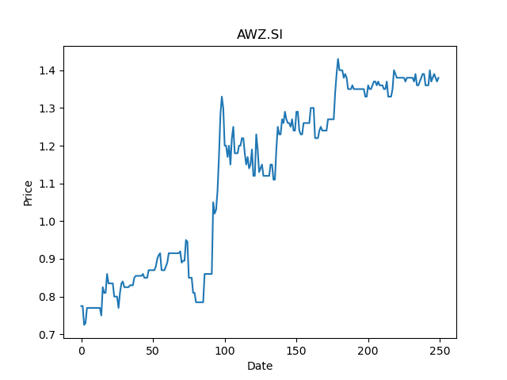
 | Year | Dividend | Dividend Growth Rate | EOY Price | Dividend Yield | Median growth rate | Total Equity | Total debt | Cost of equity | Interest expense | Cost of debt | Corporate tax rate | WACC | Fair value | Dividend payout ratio
0 | 2000 | 0.01 |  | 0.77999997139 | 0.012820513291 | -0.0015105740181 | 114.53 | 7.6 | 0.03072128656 | 0.39 | 0.051315789474 | 0.24244771495 | 0.031228644403 | 0.4800924397490925(estimated) | 0.22335025381
1 | 2001 | 0.0444 | 3.44 | 0.5 | 0.0888 | -0.0015105740181 | 114.53 | 7.6 | 0.03072128656 | 0.39 | 0.051315789474 | 0.24244771495 | 0.031228644403 | 0.4800924397490925(estimated) | 0.22335025381
2 | 2003 | 0.0324 | -0.27027027027 | 1.1200000048 | 0.028928571305 | -0.0015105740181 | 114.53 | 7.6 | 0.03072128656 | 0.39 | 0.051315789474 | 0.24244771495 | 0.031228644403 | 0.4800924397490925(estimated) | 0.22335025381
3 | 2004 | 0.0548 | 0.69135802469 | 1.1399999857 | 0.048070176042 | -0.0015105740181 | 114.53 | 7.6 | 0.03072128656 | 0.39 | 0.051315789474 | 0.24244771495 | 0.031228644403 | 0.4800924397490925(estimated) | 0.22335025381
4 | 2005 | 0.11176 | 1.0394160584 | 0.92000001669 | 0.12147825867 | -0.0015105740181 | 114.53 | 7.6 | 0.03072128656 | 0.39 | 0.051315789474 | 0.24244771495 | 0.031228644403 | 0.4800924397490925(estimated) | 0.22335025381
5 | 2006 | 0.08972 | -0.19720830351 | 0.93999999762 | 0.095446808753 | -0.0015105740181 | 114.53 | 7.6 | 0.03072128656 | 0.39 | 0.051315789474 | 0.24244771495 | 0.031228644403 | 0.4800924397490925(estimated) | 0.22335025381
6 | 2008 | 0.0332 | -0.62995987517 | 0.37999999523 | 0.087368422149 | -0.0015105740181 | 114.53 | 7.6 | 0.03072128656 | 0.39 | 0.051315789474 | 0.24244771495 | 0.031228644403 | 0.4800924397490925(estimated) | 0.22335025381
7 | 2011 | 0.066 | 0.98795180723 | 0.36800000072 | 0.17934782574 | -0.0015105740181 | 114.53 | 7.6 | 0.03072128656 | 0.39 | 0.051315789474 | 0.24244771495 | 0.031228644403 | 0.4800924397490925(estimated) | 0.22335025381
8 | 2012 | 0.066 | 0 | 0.50800001621 | 0.1299212557 | -0.0015105740181 | 114.53 | 7.6 | 0.03072128656 | 0.39 | 0.051315789474 | 0.24244771495 | 0.031228644403 | 0.4800924397490925(estimated) | 0.22335025381
9 | 2013 | 0.044 | -0.33333333333 | 0.51999998093 | 0.084615387719 | -0.0015105740181 | 114.53 | 7.6 | 0.03072128656 | 0.39 | 0.051315789474 | 0.24244771495 | 0.031228644403 | 0.4800924397490925(estimated) | 0.22335025381
10 | 2014 | 0.0328 | -0.25454545455 | 0.57999998331 | 0.056551725765 | -0.0015105740181 | 114.53 | 7.6 | 0.03072128656 | 0.39 | 0.051315789474 | 0.24244771495 | 0.031228644403 | 0.4800924397490925(estimated) | 0.22335025381
11 | 2015 | 0.0331 | 0.0091463414634 | 0.47499999404 | 0.069684211401 | -0.0015105740181 | 114.53 | 7.6 | 0.03072128656 | 0.39 | 0.051315789474 | 0.24244771495 | 0.031228644403 | 0.4800924397490925(estimated) | 0.22335025381
12 | 2016 | 0.033 | -0.0030211480363 | 0.66000002623 | 0.049999998013 | -0.0015105740181 | 114.53 | 7.6 | 0.03072128656 | 0.39 | 0.051315789474 | 0.24244771495 | 0.031228644403 | 0.4800924397490925(estimated) | 0.22335025381
13 | 2017 | 0.0441 | 0.33636363636 | 0.87000000477 | 0.050689654895 | -0.0015105740181 | 114.53 | 7.6 | 0.03072128656 | 0.39 | 0.051315789474 | 0.24244771495 | 0.031228644403 | 0.4800924397490925(estimated) | 0.22335025381
14 | 2018 | 0.0221 | -0.49886621315 | 0.72000002861 | 0.030694443225 | -0.0015105740181 | 114.53 | 7.6 | 0.03072128656 | 0.39 | 0.051315789474 | 0.24244771495 | 0.031228644403 | 0.4800924397490925(estimated) | 0.22335025381
15 | 2019 | 0.066 | 1.9864253394 | 0.77999997139 | 0.084615387719 | -0.0015105740181 | 114.53 | 7.6 | 0.03072128656 | 0.39 | 0.051315789474 | 0.24244771495 | 0.031228644403 | 0.4800924397490925(estimated) | 0.22335025381
16 | 2020 | 0.044 | -0.33333333333 | 1.3500000238 | 0.032592592017 | -0.0015105740181 | 114.53 | 7.6 | 0.03072128656 | 0.39 | 0.051315789474 | 0.24244771495 | 0.031228644403 | 0.4800924397490925(estimated) | 0.22335025381

558.SI
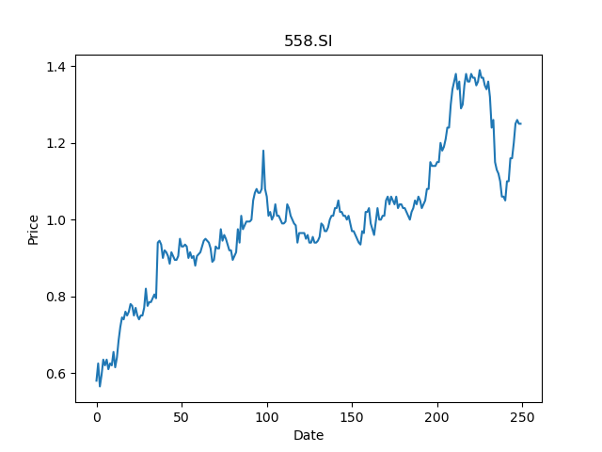
 | Year | Dividend | Dividend Growth Rate | EOY Price | Dividend Yield | Median growth rate | Total Equity | Total debt | Cost of equity | Interest expense | Cost of debt | Corporate tax rate | WACC | Fair value | Dividend payout ratio
0 | 2002 | 0.0064 |  | 0.32640001178 | 0.01960784243 | 9.912705577E-17 | 251.29 | 25.46 | 0.031016856288 | 0.31 | 0.012175962294 | 0.066855232708 | 0.029208674596 | 0.3888888888888893(estimated) | 0.51470588235
1 | 2003 | 0.00704 | 0.1 | 0.78079998493 | 0.0090163936166 | 9.912705577E-17 | 251.29 | 25.46 | 0.031016856288 | 0.31 | 0.012175962294 | 0.066855232708 | 0.029208674596 | 0.3888888888888893(estimated) | 0.51470588235
2 | 2004 | 0.00704 | 0 | 0.41600000858 | 0.016923076574 | 9.912705577E-17 | 251.29 | 25.46 | 0.031016856288 | 0.31 | 0.012175962294 | 0.066855232708 | 0.029208674596 | 0.3888888888888893(estimated) | 0.51470588235
3 | 2005 | 0.00704 | 0 | 0.23039999604 | 0.03055555608 | 9.912705577E-17 | 251.29 | 25.46 | 0.031016856288 | 0.31 | 0.012175962294 | 0.066855232708 | 0.029208674596 | 0.3888888888888893(estimated) | 0.51470588235
4 | 2006 | 0.008 | 0.13636363636 | 0.2879999876 | 0.027777778974 | 9.912705577E-17 | 251.29 | 25.46 | 0.031016856288 | 0.31 | 0.012175962294 | 0.066855232708 | 0.029208674596 | 0.3888888888888893(estimated) | 0.51470588235
5 | 2007 | 0.0064 | -0.2 | 0.2432000041 | 0.02631578903 | 9.912705577E-17 | 251.29 | 25.46 | 0.031016856288 | 0.31 | 0.012175962294 | 0.066855232708 | 0.029208674596 | 0.3888888888888893(estimated) | 0.51470588235
6 | 2008 | 0.0064 | 0 | 0.067199997604 | 0.095238098634 | 9.912705577E-17 | 251.29 | 25.46 | 0.031016856288 | 0.31 | 0.012175962294 | 0.066855232708 | 0.029208674596 | 0.3888888888888893(estimated) | 0.51470588235
7 | 2009 | 0.0032 | -0.5 | 0.10239999741 | 0.031250000789 | 9.912705577E-17 | 251.29 | 25.46 | 0.031016856288 | 0.31 | 0.012175962294 | 0.066855232708 | 0.029208674596 | 0.3888888888888893(estimated) | 0.51470588235
8 | 2010 | 0.0192 | 5 | 0.31040000916 | 0.061855668279 | 9.912705577E-17 | 251.29 | 25.46 | 0.031016856288 | 0.31 | 0.012175962294 | 0.066855232708 | 0.029208674596 | 0.3888888888888893(estimated) | 0.51470588235
9 | 2011 | 0.0256 | 0.33333333333 | 0.2432000041 | 0.10526315612 | 9.912705577E-17 | 251.29 | 25.46 | 0.031016856288 | 0.31 | 0.012175962294 | 0.066855232708 | 0.029208674596 | 0.3888888888888893(estimated) | 0.51470588235
10 | 2012 | 0.0256 | 0 | 0.26879999042 | 0.095238098634 | 9.912705577E-17 | 251.29 | 25.46 | 0.031016856288 | 0.31 | 0.012175962294 | 0.066855232708 | 0.029208674596 | 0.3888888888888893(estimated) | 0.51470588235
11 | 2013 | 0.032 | 0.25 | 0.37439998984 | 0.085470087789 | 9.912705577E-17 | 251.29 | 25.46 | 0.031016856288 | 0.31 | 0.012175962294 | 0.066855232708 | 0.029208674596 | 0.3888888888888893(estimated) | 0.51470588235
12 | 2014 | 0.0336 | 0.05 | 0.40400001407 | 0.083168313936 | 9.912705577E-17 | 251.29 | 25.46 | 0.031016856288 | 0.31 | 0.012175962294 | 0.066855232708 | 0.029208674596 | 0.3888888888888893(estimated) | 0.51470588235
13 | 2015 | 0.032 | -0.047619047619 | 0.40799999237 | 0.078431374016 | 9.912705577E-17 | 251.29 | 25.46 | 0.031016856288 | 0.31 | 0.012175962294 | 0.066855232708 | 0.029208674596 | 0.3888888888888893(estimated) | 0.51470588235
14 | 2016 | 0.032 | 0 | 0.48800000548 | 0.065573769755 | 9.912705577E-17 | 251.29 | 25.46 | 0.031016856288 | 0.31 | 0.012175962294 | 0.066855232708 | 0.029208674596 | 0.3888888888888893(estimated) | 0.51470588235
15 | 2017 | 0.034 | 0.0625 | 1.0199999809 | 0.033333333957 | 9.912705577E-17 | 251.29 | 25.46 | 0.031016856288 | 0.31 | 0.012175962294 | 0.066855232708 | 0.029208674596 | 0.3888888888888893(estimated) | 0.51470588235
16 | 2018 | 0.035 | 0.029411764706 | 0.55500000715 | 0.06306306225 | 9.912705577E-17 | 251.29 | 25.46 | 0.031016856288 | 0.31 | 0.012175962294 | 0.066855232708 | 0.029208674596 | 0.3888888888888893(estimated) | 0.51470588235
17 | 2019 | 0.035 | 1.9825411154E-16 | 1.0199999809 | 0.034313726132 | 9.912705577E-17 | 251.29 | 25.46 | 0.031016856288 | 0.31 | 0.012175962294 | 0.066855232708 | 0.029208674596 | 0.3888888888888893(estimated) | 0.51470588235
18 | 2020 | 0.035 | -1.9825411154E-16 | 1.0800000429 | 0.03240740612 | 9.912705577E-17 | 251.29 | 25.46 | 0.031016856288 | 0.31 | 0.012175962294 | 0.066855232708 | 0.029208674596 | 0.3888888888888893(estimated) | 0.51470588235

