CC3.SI
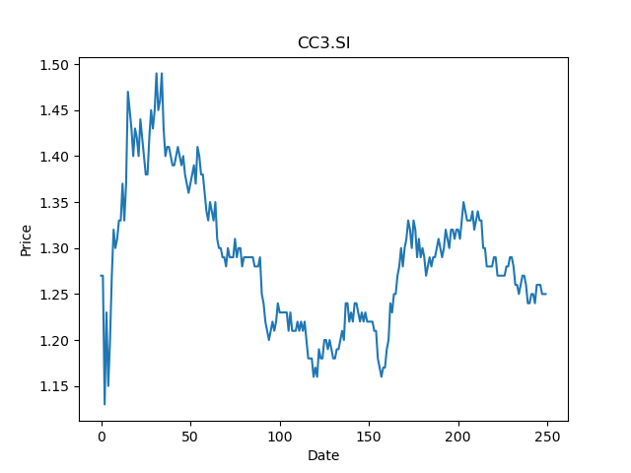
 | Year | Dividend | Dividend Growth Rate | Dividend yield | Median growth rate | Total debt | Interest expense | Rate debt | Market cap | Weight of debt | Weight of equity | Ra | Income tax expense | Income before tax | Effective tax rate | WACC | Fair value
0 | 2005 | 0.065 |  | 0.052 | 0 | 1048400 | 38400 | 0.036627241511 | 2163312384 | 0.00048439243944 | 0.99951560756 | 0.013993901999 | 34200 | 200100 | 0.17091454273 | 0.014001833059 | 0.52777777778
1 | 2006 | 0.105 | 0.61538461538 | 0.084 | 0 | 1048400 | 38400 | 0.036627241511 | 2163312384 | 0.00048439243944 | 0.99951560756 | 0.013993901999 | 34200 | 200100 | 0.17091454273 | 0.014001833059 | 0.52777777778
2 | 2007 | 0.15 | 0.42857142857 | 0.12 | 0 | 1048400 | 38400 | 0.036627241511 | 2163312384 | 0.00048439243944 | 0.99951560756 | 0.013993901999 | 34200 | 200100 | 0.17091454273 | 0.014001833059 | 0.52777777778
3 | 2008 | 0.18 | 0.2 | 0.144 | 0 | 1048400 | 38400 | 0.036627241511 | 2163312384 | 0.00048439243944 | 0.99951560756 | 0.013993901999 | 34200 | 200100 | 0.17091454273 | 0.014001833059 | 0.52777777778
4 | 2009 | 0.185 | 0.027777777778 | 0.148 | 0 | 1048400 | 38400 | 0.036627241511 | 2163312384 | 0.00048439243944 | 0.99951560756 | 0.013993901999 | 34200 | 200100 | 0.17091454273 | 0.014001833059 | 0.52777777778
5 | 2010 | 0.2 | 0.081081081081 | 0.16 | 0 | 1048400 | 38400 | 0.036627241511 | 2163312384 | 0.00048439243944 | 0.99951560756 | 0.013993901999 | 34200 | 200100 | 0.17091454273 | 0.014001833059 | 0.52777777778
6 | 2011 | 0.2 | 0 | 0.16 | 0 | 1048400 | 38400 | 0.036627241511 | 2163312384 | 0.00048439243944 | 0.99951560756 | 0.013993901999 | 34200 | 200100 | 0.17091454273 | 0.014001833059 | 0.52777777778
7 | 2012 | 0.2 | 0 | 0.16 | 0 | 1048400 | 38400 | 0.036627241511 | 2163312384 | 0.00048439243944 | 0.99951560756 | 0.013993901999 | 34200 | 200100 | 0.17091454273 | 0.014001833059 | 0.52777777778
8 | 2013 | 0.2 | 0 | 0.16 | 0 | 1048400 | 38400 | 0.036627241511 | 2163312384 | 0.00048439243944 | 0.99951560756 | 0.013993901999 | 34200 | 200100 | 0.17091454273 | 0.014001833059 | 0.52777777778
9 | 2014 | 0.2 | 0 | 0.16 | 0 | 1048400 | 38400 | 0.036627241511 | 2163312384 | 0.00048439243944 | 0.99951560756 | 0.013993901999 | 34200 | 200100 | 0.17091454273 | 0.014001833059 | 0.52777777778
10 | 2015 | 0.2 | 0 | 0.16 | 0 | 1048400 | 38400 | 0.036627241511 | 2163312384 | 0.00048439243944 | 0.99951560756 | 0.013993901999 | 34200 | 200100 | 0.17091454273 | 0.014001833059 | 0.52777777778
11 | 2016 | 0.2 | 0 | 0.16 | 0 | 1048400 | 38400 | 0.036627241511 | 2163312384 | 0.00048439243944 | 0.99951560756 | 0.013993901999 | 34200 | 200100 | 0.17091454273 | 0.014001833059 | 0.52777777778
12 | 2017 | 0.17 | -0.15 | 0.136 | 0 | 1048400 | 38400 | 0.036627241511 | 2163312384 | 0.00048439243944 | 0.99951560756 | 0.013993901999 | 34200 | 200100 | 0.17091454273 | 0.014001833059 | 0.52777777778
13 | 2018 | 0.16 | -0.058823529412 | 0.128 | 0 | 1048400 | 38400 | 0.036627241511 | 2163312384 | 0.00048439243944 | 0.99951560756 | 0.013993901999 | 34200 | 200100 | 0.17091454273 | 0.014001833059 | 0.52777777778
14 | 2019 | 0.1075 | -0.328125 | 0.086 | 0 | 1048400 | 38400 | 0.036627241511 | 2163312384 | 0.00048439243944 | 0.99951560756 | 0.013993901999 | 34200 | 200100 | 0.17091454273 | 0.014001833059 | 0.52777777778
15 | 2020 | 0.0475 | -0.55813953488 | 0.038 | 0 | 1048400 | 38400 | 0.036627241511 | 2163312384 | 0.00048439243944 | 0.99951560756 | 0.013993901999 | 34200 | 200100 | 0.17091454273 | 0.014001833059 | 0.52777777778

Z74.SI
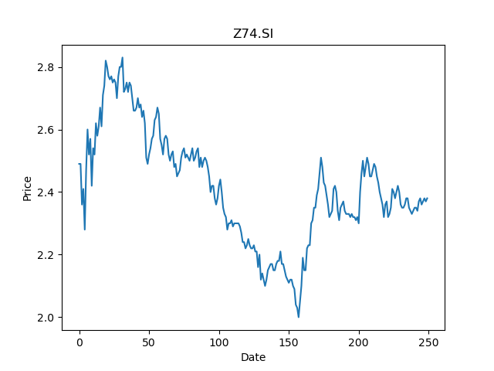
 | Year | Dividend | Dividend Growth Rate | Dividend yield | Median growth rate | Total debt | Interest expense | Rate debt | Market cap | Weight of debt | Weight of equity | Ra | Income tax expense | Income before tax | Effective tax rate | WACC | Fair value
0 | 2005 | 0.05 |  | 0.021008402351 | 0.034246575342 | 11972200 | 418100 | 0.034922570622 | 38853500928 | 0.00030804204957 | 0.99969195795 | 0.012739846558 | 377500 | 2037700 | 0.1852578888 | 0.012744686836 | 1.9570638821
1 | 2006 | 0.146 | 1.92 | 0.061344534865 | 0.034246575342 | 11972200 | 418100 | 0.034922570622 | 38853500928 | 0.00030804204957 | 0.99969195795 | 0.012739846558 | 377500 | 2037700 | 0.1852578888 | 0.012744686836 | 1.9570638821
2 | 2007 | 0.151 | 0.034246575342 | 0.063445375101 | 0.034246575342 | 11972200 | 418100 | 0.034922570622 | 38853500928 | 0.00030804204957 | 0.99969195795 | 0.012739846558 | 377500 | 2037700 | 0.1852578888 | 0.012744686836 | 1.9570638821
3 | 2008 | 0.125 | -0.17218543046 | 0.052521005878 | 0.034246575342 | 11972200 | 418100 | 0.034922570622 | 38853500928 | 0.00030804204957 | 0.99969195795 | 0.012739846558 | 377500 | 2037700 | 0.1852578888 | 0.012744686836 | 1.9570638821
4 | 2009 | 0.131 | 0.048 | 0.05504201416 | 0.034246575342 | 11972200 | 418100 | 0.034922570622 | 38853500928 | 0.00030804204957 | 0.99969195795 | 0.012739846558 | 377500 | 2037700 | 0.1852578888 | 0.012744686836 | 1.9570638821
5 | 2010 | 0.148 | 0.12977099237 | 0.062184870959 | 0.034246575342 | 11972200 | 418100 | 0.034922570622 | 38853500928 | 0.00030804204957 | 0.99969195795 | 0.012739846558 | 377500 | 2037700 | 0.1852578888 | 0.012744686836 | 1.9570638821
6 | 2011 | 0.168 | 0.13513513514 | 0.0705882319 | 0.034246575342 | 11972200 | 418100 | 0.034922570622 | 38853500928 | 0.00030804204957 | 0.99969195795 | 0.012739846558 | 377500 | 2037700 | 0.1852578888 | 0.012744686836 | 1.9570638821
7 | 2012 | 0.158 | -0.059523809524 | 0.06638655143 | 0.034246575342 | 11972200 | 418100 | 0.034922570622 | 38853500928 | 0.00030804204957 | 0.99969195795 | 0.012739846558 | 377500 | 2037700 | 0.1852578888 | 0.012744686836 | 1.9570638821
8 | 2013 | 0.168 | 0.063291139241 | 0.0705882319 | 0.034246575342 | 11972200 | 418100 | 0.034922570622 | 38853500928 | 0.00030804204957 | 0.99969195795 | 0.012739846558 | 377500 | 2037700 | 0.1852578888 | 0.012744686836 | 1.9570638821
9 | 2014 | 0.168 | 0 | 0.0705882319 | 0.034246575342 | 11972200 | 418100 | 0.034922570622 | 38853500928 | 0.00030804204957 | 0.99969195795 | 0.012739846558 | 377500 | 2037700 | 0.1852578888 | 0.012744686836 | 1.9570638821
10 | 2015 | 0.175 | 0.041666666667 | 0.073529408229 | 0.034246575342 | 11972200 | 418100 | 0.034922570622 | 38853500928 | 0.00030804204957 | 0.99969195795 | 0.012739846558 | 377500 | 2037700 | 0.1852578888 | 0.012744686836 | 1.9570638821
11 | 2016 | 0.175 | 0 | 0.073529408229 | 0.034246575342 | 11972200 | 418100 | 0.034922570622 | 38853500928 | 0.00030804204957 | 0.99969195795 | 0.012739846558 | 377500 | 2037700 | 0.1852578888 | 0.012744686836 | 1.9570638821
12 | 2017 | 0.137 | -0.21714285714 | 0.057563022442 | 0.034246575342 | 11972200 | 418100 | 0.034922570622 | 38853500928 | 0.00030804204957 | 0.99969195795 | 0.012739846558 | 377500 | 2037700 | 0.1852578888 | 0.012744686836 | 1.9570638821
13 | 2018 | 0.243 | 0.77372262774 | 0.10210083543 | 0.034246575342 | 11972200 | 418100 | 0.034922570622 | 38853500928 | 0.00030804204957 | 0.99969195795 | 0.012739846558 | 377500 | 2037700 | 0.1852578888 | 0.012744686836 | 1.9570638821
14 | 2019 | 0.175 | -0.27983539095 | 0.073529408229 | 0.034246575342 | 11972200 | 418100 | 0.034922570622 | 38853500928 | 0.00030804204957 | 0.99969195795 | 0.012739846558 | 377500 | 2037700 | 0.1852578888 | 0.012744686836 | 1.9570638821
15 | 2020 | 0.1055 | -0.39714285714 | 0.044327728961 | 0.034246575342 | 11972200 | 418100 | 0.034922570622 | 38853500928 | 0.00030804204957 | 0.99969195795 | 0.012739846558 | 377500 | 2037700 | 0.1852578888 | 0.012744686836 | 1.9570638821

CJLU.SI
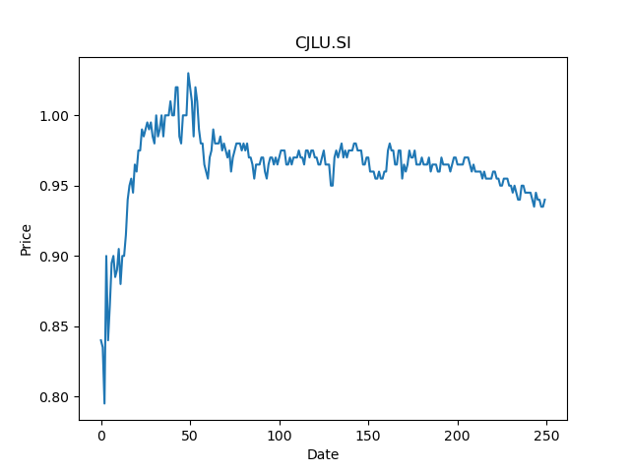
 | Year | Dividend | Dividend Growth Rate | Dividend yield | Median growth rate | Total debt | Interest expense | Rate debt | Market cap | Weight of debt | Weight of equity | Ra | Income tax expense | Income before tax | Effective tax rate | WACC | Fair value
0 | 2018 | 0.0568 |  | 0.060425532068 | -0.053299636529 | 664788 | 13965 | 0.021006696872 | 3663151872 | 0.0001814468522 | 0.99981855315 | 0.018072590027 | -2177 | 76611 | -0.028416284868 | 0.018073230723 | 0.33428583318
1 | 2019 | 0.0496 | -0.12676056338 | 0.052765957581 | -0.053299636529 | 664788 | 13965 | 0.021006696872 | 3663151872 | 0.0001814468522 | 0.99981855315 | 0.018072590027 | -2177 | 76611 | -0.028416284868 | 0.018073230723 | 0.33428583318
2 | 2020 | 0.0506 | 0.020161290323 | 0.053829787371 | -0.053299636529 | 664788 | 13965 | 0.021006696872 | 3663151872 | 0.0001814468522 | 0.99981855315 | 0.018072590027 | -2177 | 76611 | -0.028416284868 | 0.018073230723 | 0.33428583318

