C52.SI
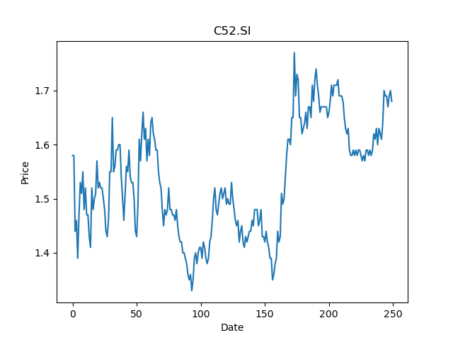
 | Year | Dividend | Dividend Growth Rate | Dividend yield | Median growth rate | Total debt | Interest expense | Rate debt | Market cap | Weight of debt | Weight of equity | Ra | Income tax expense | Income before tax | Effective tax rate | WACC | Fair value | Dividend payout ratio
0 | 2000 | 0.025 |  | 0.014880952846 | 0.04853640553 | 463700 | 21200 | 0.04571921501 | 3640106240 | 0.00012737016666 | 0.99987262983 | 0.022130665152 | 88400 | 406600 | 0.21741269061 | 0.022132403578 | 2.6754832311 | 3.6482758621
1 | 2001 | 0.03625 | 0.45 | 0.021577381626 | 0.04853640553 | 463700 | 21200 | 0.04571921501 | 3640106240 | 0.00012737016666 | 0.99987262983 | 0.022130665152 | 88400 | 406600 | 0.21741269061 | 0.022132403578 | 2.6754832311 | 3.6482758621
2 | 2002 | 0.045 | 0.24137931034 | 0.026785715122 | 0.04853640553 | 463700 | 21200 | 0.04571921501 | 3640106240 | 0.00012737016666 | 0.99987262983 | 0.022130665152 | 88400 | 406600 | 0.21741269061 | 0.022132403578 | 2.6754832311 | 3.6482758621
3 | 2003 | 0.034 | -0.24444444444 | 0.02023809587 | 0.04853640553 | 463700 | 21200 | 0.04571921501 | 3640106240 | 0.00012737016666 | 0.99987262983 | 0.022130665152 | 88400 | 406600 | 0.21741269061 | 0.022132403578 | 2.6754832311 | 3.6482758621
4 | 2004 | 0.065625 | 0.93014705882 | 0.03906250122 | 0.04853640553 | 463700 | 21200 | 0.04571921501 | 3640106240 | 0.00012737016666 | 0.99987262983 | 0.022130665152 | 88400 | 406600 | 0.21741269061 | 0.022132403578 | 2.6754832311 | 3.6482758621
5 | 2005 | 0.06882 | 0.048685714286 | 0.040964286993 | 0.04853640553 | 463700 | 21200 | 0.04571921501 | 3640106240 | 0.00012737016666 | 0.99987262983 | 0.022130665152 | 88400 | 406600 | 0.21741269061 | 0.022132403578 | 2.6754832311 | 3.6482758621
6 | 2006 | 0.06375 | -0.073670444638 | 0.037946429756 | 0.04853640553 | 463700 | 21200 | 0.04571921501 | 3640106240 | 0.00012737016666 | 0.99987262983 | 0.022130665152 | 88400 | 406600 | 0.21741269061 | 0.022132403578 | 2.6754832311 | 3.6482758621
7 | 2007 | 0.0565 | -0.1137254902 | 0.033630953431 | 0.04853640553 | 463700 | 21200 | 0.04571921501 | 3640106240 | 0.00012737016666 | 0.99987262983 | 0.022130665152 | 88400 | 406600 | 0.21741269061 | 0.022132403578 | 2.6754832311 | 3.6482758621
8 | 2008 | 0.0525 | -0.070796460177 | 0.031250000976 | 0.04853640553 | 463700 | 21200 | 0.04571921501 | 3640106240 | 0.00012737016666 | 0.99987262983 | 0.022130665152 | 88400 | 406600 | 0.21741269061 | 0.022132403578 | 2.6754832311 | 3.6482758621
9 | 2009 | 0.0503 | -0.041904761905 | 0.029940477125 | 0.04853640553 | 463700 | 21200 | 0.04571921501 | 3640106240 | 0.00012737016666 | 0.99987262983 | 0.022130665152 | 88400 | 406600 | 0.21741269061 | 0.022132403578 | 2.6754832311 | 3.6482758621
10 | 2010 | 0.0537 | 0.0675944334 | 0.031964286712 | 0.04853640553 | 463700 | 21200 | 0.04571921501 | 3640106240 | 0.00012737016666 | 0.99987262983 | 0.022130665152 | 88400 | 406600 | 0.21741269061 | 0.022132403578 | 2.6754832311 | 3.6482758621
11 | 2011 | 0.055 | 0.024208566108 | 0.03273809626 | 0.04853640553 | 463700 | 21200 | 0.04571921501 | 3640106240 | 0.00012737016666 | 0.99987262983 | 0.022130665152 | 88400 | 406600 | 0.21741269061 | 0.022132403578 | 2.6754832311 | 3.6482758621
12 | 2012 | 0.062 | 0.12727272727 | 0.036904763057 | 0.04853640553 | 463700 | 21200 | 0.04571921501 | 3640106240 | 0.00012737016666 | 0.99987262983 | 0.022130665152 | 88400 | 406600 | 0.21741269061 | 0.022132403578 | 2.6754832311 | 3.6482758621
13 | 2013 | 0.065 | 0.048387096774 | 0.038690477398 | 0.04853640553 | 463700 | 21200 | 0.04571921501 | 3640106240 | 0.00012737016666 | 0.99987262983 | 0.022130665152 | 88400 | 406600 | 0.21741269061 | 0.022132403578 | 2.6754832311 | 3.6482758621
14 | 2014 | 0.0775 | 0.19230769231 | 0.046130953821 | 0.04853640553 | 463700 | 21200 | 0.04571921501 | 3640106240 | 0.00012737016666 | 0.99987262983 | 0.022130665152 | 88400 | 406600 | 0.21741269061 | 0.022132403578 | 2.6754832311 | 3.6482758621
15 | 2015 | 0.085 | 0.096774193548 | 0.050595239675 | 0.04853640553 | 463700 | 21200 | 0.04571921501 | 3640106240 | 0.00012737016666 | 0.99987262983 | 0.022130665152 | 88400 | 406600 | 0.21741269061 | 0.022132403578 | 2.6754832311 | 3.6482758621
16 | 2016 | 0.0925 | 0.088235294118 | 0.055059525529 | 0.04853640553 | 463700 | 21200 | 0.04571921501 | 3640106240 | 0.00012737016666 | 0.99987262983 | 0.022130665152 | 88400 | 406600 | 0.21741269061 | 0.022132403578 | 2.6754832311 | 3.6482758621
17 | 2017 | 0.104 | 0.12432432432 | 0.061904763838 | 0.04853640553 | 463700 | 21200 | 0.04571921501 | 3640106240 | 0.00012737016666 | 0.99987262983 | 0.022130665152 | 88400 | 406600 | 0.21741269061 | 0.022132403578 | 2.6754832311 | 3.6482758621
18 | 2018 | 0.104 | 0 | 0.061904763838 | 0.04853640553 | 463700 | 21200 | 0.04571921501 | 3640106240 | 0.00012737016666 | 0.99987262983 | 0.022130665152 | 88400 | 406600 | 0.21741269061 | 0.022132403578 | 2.6754832311 | 3.6482758621
19 | 2019 | 0.1065 | 0.024038461538 | 0.063392859122 | 0.04853640553 | 463700 | 21200 | 0.04571921501 | 3640106240 | 0.00012737016666 | 0.99987262983 | 0.022130665152 | 88400 | 406600 | 0.21741269061 | 0.022132403578 | 2.6754832311 | 3.6482758621
20 | 2020 | 0.1058 | -0.0065727699531 | 0.062976192442 | 0.04853640553 | 463700 | 21200 | 0.04571921501 | 3640106240 | 0.00012737016666 | 0.99987262983 | 0.022130665152 | 88400 | 406600 | 0.21741269061 | 0.022132403578 | 2.6754832311 | 3.6482758621

D8DU.SI
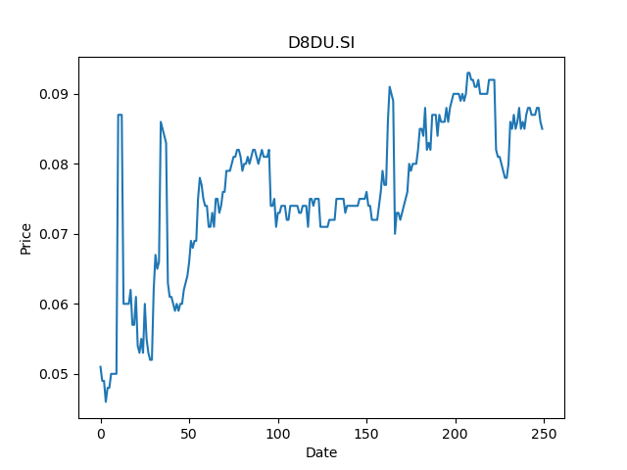
 | Year | Dividend | Dividend Growth Rate | Dividend yield | Median growth rate | Total debt | Interest expense | Rate debt | Market cap | Weight of debt | Weight of equity | Ra | Income tax expense | Income before tax | Effective tax rate | WACC | Fair value | Dividend payout ratio
0 | 2008 | 0.1086 |  | 1.2776470454 | -0.22448979592 | 70061 | 6691 | 0.095502490687 | 150285104 | 0.00046597002504 | 0.99953402997 | 0.041140678441 | 18 | -11841 | -0.0015201418799 | 0.041166077064 | 0.11096690461 | 11.25
1 | 2009 | 0.0948 | -0.1270718232 | 1.1152941059 | -0.22448979592 | 70061 | 6691 | 0.095502490687 | 150285104 | 0.00046597002504 | 0.99953402997 | 0.041140678441 | 18 | -11841 | -0.0015201418799 | 0.041166077064 | 0.11096690461 | 11.25
2 | 2010 | 0.049 | -0.48312236287 | 0.57647058217 | -0.22448979592 | 70061 | 6691 | 0.095502490687 | 150285104 | 0.00046597002504 | 0.99953402997 | 0.041140678441 | 18 | -11841 | -0.0015201418799 | 0.041166077064 | 0.11096690461 | 11.25
3 | 2011 | 0.038 | -0.22448979592 | 0.44705881883 | -0.22448979592 | 70061 | 6691 | 0.095502490687 | 150285104 | 0.00046597002504 | 0.99953402997 | 0.041140678441 | 18 | -11841 | -0.0015201418799 | 0.041166077064 | 0.11096690461 | 11.25
4 | 2012 | 0.002 | -0.94736842105 | 0.023529411517 | -0.22448979592 | 70061 | 6691 | 0.095502490687 | 150285104 | 0.00046597002504 | 0.99953402997 | 0.041140678441 | 18 | -11841 | -0.0015201418799 | 0.041166077064 | 0.11096690461 | 11.25
5 | 2020 | 0.045 | 21.5 | 0.52941175914 | -0.22448979592 | 70061 | 6691 | 0.095502490687 | 150285104 | 0.00046597002504 | 0.99953402997 | 0.041140678441 | 18 | -11841 | -0.0015201418799 | 0.041166077064 | 0.11096690461 | 11.25

NS8U.SI
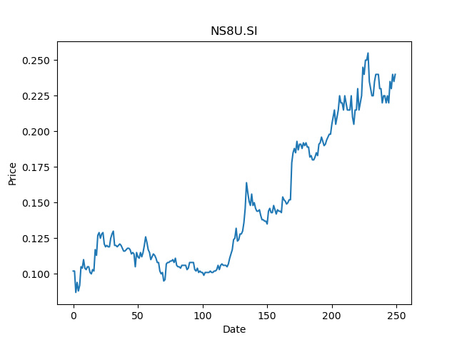
 | Year | Dividend | Dividend Growth Rate | Dividend yield | Median growth rate | Total debt | Interest expense | Rate debt | Market cap | Weight of debt | Weight of equity | Ra | Income tax expense | Income before tax | Effective tax rate | WACC | Fair value | Dividend payout ratio
0 | 2011 | 0.01834 |  | 0.076416668375 | -0.22673780185 | 29318800 | 766300 | 0.026136813239 | 2090664064 | 0.013829734428 | 0.98617026557 | 0.032608633422 | 718000 | 2730500 | 0.26295550266 | 0.032424080608 | 0.040987526494 | 1.3990833333
1 | 2012 | 0.4745 | 24.872410033 | 1.9770833775 | -0.22673780185 | 29318800 | 766300 | 0.026136813239 | 2090664064 | 0.013829734428 | 0.98617026557 | 0.032608633422 | 718000 | 2730500 | 0.26295550266 | 0.032424080608 | 0.040987526494 | 1.3990833333
2 | 2013 | 0.4589 | -0.032876712329 | 1.9120833761 | -0.22673780185 | 29318800 | 766300 | 0.026136813239 | 2090664064 | 0.013829734428 | 0.98617026557 | 0.032608633422 | 718000 | 2730500 | 0.26295550266 | 0.032424080608 | 0.040987526494 | 1.3990833333
3 | 2014 | 0.253255 | -0.44812595337 | 1.0552291903 | -0.22673780185 | 29318800 | 766300 | 0.026136813239 | 2090664064 | 0.013829734428 | 0.98617026557 | 0.032608633422 | 718000 | 2730500 | 0.26295550266 | 0.032424080608 | 0.040987526494 | 1.3990833333
4 | 2015 | 0.251684 | -0.0062032338947 | 1.0486833568 | -0.22673780185 | 29318800 | 766300 | 0.026136813239 | 2090664064 | 0.013829734428 | 0.98617026557 | 0.032608633422 | 718000 | 2730500 | 0.26295550266 | 0.032424080608 | 0.040987526494 | 1.3990833333
5 | 2016 | 0.057575 | -0.77124092116 | 0.2398958387 | -0.22673780185 | 29318800 | 766300 | 0.026136813239 | 2090664064 | 0.013829734428 | 0.98617026557 | 0.032608633422 | 718000 | 2730500 | 0.26295550266 | 0.032424080608 | 0.040987526494 | 1.3990833333
6 | 2017 | 0.046941 | -0.18469821971 | 0.19558750437 | -0.22673780185 | 29318800 | 766300 | 0.026136813239 | 2090664064 | 0.013829734428 | 0.98617026557 | 0.032608633422 | 718000 | 2730500 | 0.26295550266 | 0.032424080608 | 0.040987526494 | 1.3990833333
7 | 2018 | 0.033291 | -0.29079056688 | 0.1387125031 | -0.22673780185 | 29318800 | 766300 | 0.026136813239 | 2090664064 | 0.013829734428 | 0.98617026557 | 0.032608633422 | 718000 | 2730500 | 0.26295550266 | 0.032424080608 | 0.040987526494 | 1.3990833333
8 | 2019 | 0.025194 | -0.24321888799 | 0.10497500235 | -0.22673780185 | 29318800 | 766300 | 0.026136813239 | 2090664064 | 0.013829734428 | 0.98617026557 | 0.032608633422 | 718000 | 2730500 | 0.26295550266 | 0.032424080608 | 0.040987526494 | 1.3990833333
9 | 2020 | 0.016789 | -0.33361117726 | 0.06995416823 | -0.22673780185 | 29318800 | 766300 | 0.026136813239 | 2090664064 | 0.013829734428 | 0.98617026557 | 0.032608633422 | 718000 | 2730500 | 0.26295550266 | 0.032424080608 | 0.040987526494 | 1.3990833333
10 | 2021 | 0.013259 | -0.21025671571 | 0.055245834568 | -0.22673780185 | 29318800 | 766300 | 0.026136813239 | 2090664064 | 0.013829734428 | 0.98617026557 | 0.032608633422 | 718000 | 2730500 | 0.26295550266 | 0.032424080608 | 0.040987526494 | 1.3990833333

BTM.SI
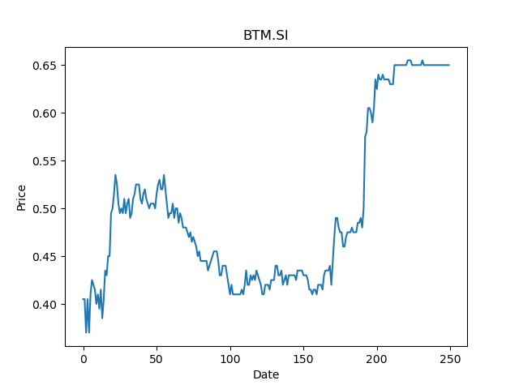
 | Year | Dividend | Dividend Growth Rate | Dividend yield | Median growth rate | Total debt | Interest expense | Rate debt | Market cap | Weight of debt | Weight of equity | Ra | Income tax expense | Income before tax | Effective tax rate | WACC | Fair value | Dividend payout ratio
0 | 2000 | 0.007154 |  | 0.01100615425 | 0 | 83 | 69 | 0.8313253012 | 143110496 | 5.7997110053E-07 | 0.99999942003 | 0.024568049435 | 128 | 15089 | 0.0084830008616 | 0.024568513241 | 0.19444444444 | 0.29166666667
1 | 2001 | 0.007154 | 0 | 0.01100615425 | 0 | 83 | 69 | 0.8313253012 | 143110496 | 5.7997110053E-07 | 0.99999942003 | 0.024568049435 | 128 | 15089 | 0.0084830008616 | 0.024568513241 | 0.19444444444 | 0.29166666667
2 | 2002 | 0.014308 | 1 | 0.0220123085 | 0 | 83 | 69 | 0.8313253012 | 143110496 | 5.7997110053E-07 | 0.99999942003 | 0.024568049435 | 128 | 15089 | 0.0084830008616 | 0.024568513241 | 0.19444444444 | 0.29166666667
3 | 2003 | 0.007154 | -0.5 | 0.01100615425 | 0 | 83 | 69 | 0.8313253012 | 143110496 | 5.7997110053E-07 | 0.99999942003 | 0.024568049435 | 128 | 15089 | 0.0084830008616 | 0.024568513241 | 0.19444444444 | 0.29166666667
4 | 2007 | 0.074401 | 9.3999161308 | 0.11446308112 | 0 | 83 | 69 | 0.8313253012 | 143110496 | 5.7997110053E-07 | 0.99999942003 | 0.024568049435 | 128 | 15089 | 0.0084830008616 | 0.024568513241 | 0.19444444444 | 0.29166666667
5 | 2014 | 0.015 | -0.79838980659 | 0.023076923923 | 0 | 83 | 69 | 0.8313253012 | 143110496 | 5.7997110053E-07 | 0.99999942003 | 0.024568049435 | 128 | 15089 | 0.0084830008616 | 0.024568513241 | 0.19444444444 | 0.29166666667
6 | 2015 | 0.015 | 0 | 0.023076923923 | 0 | 83 | 69 | 0.8313253012 | 143110496 | 5.7997110053E-07 | 0.99999942003 | 0.024568049435 | 128 | 15089 | 0.0084830008616 | 0.024568513241 | 0.19444444444 | 0.29166666667
7 | 2016 | 0.015 | 0 | 0.023076923923 | 0 | 83 | 69 | 0.8313253012 | 143110496 | 5.7997110053E-07 | 0.99999942003 | 0.024568049435 | 128 | 15089 | 0.0084830008616 | 0.024568513241 | 0.19444444444 | 0.29166666667
8 | 2018 | 0.0045 | -0.7 | 0.006923077177 | 0 | 83 | 69 | 0.8313253012 | 143110496 | 5.7997110053E-07 | 0.99999942003 | 0.024568049435 | 128 | 15089 | 0.0084830008616 | 0.024568513241 | 0.19444444444 | 0.29166666667
9 | 2019 | 0.0125 | 1.7777777778 | 0.019230769936 | 0 | 83 | 69 | 0.8313253012 | 143110496 | 5.7997110053E-07 | 0.99999942003 | 0.024568049435 | 128 | 15089 | 0.0084830008616 | 0.024568513241 | 0.19444444444 | 0.29166666667
10 | 2020 | 0.0175 | 0.4 | 0.026923077911 | 0 | 83 | 69 | 0.8313253012 | 143110496 | 5.7997110053E-07 | 0.99999942003 | 0.024568049435 | 128 | 15089 | 0.0084830008616 | 0.024568513241 | 0.19444444444 | 0.29166666667

S56.SI
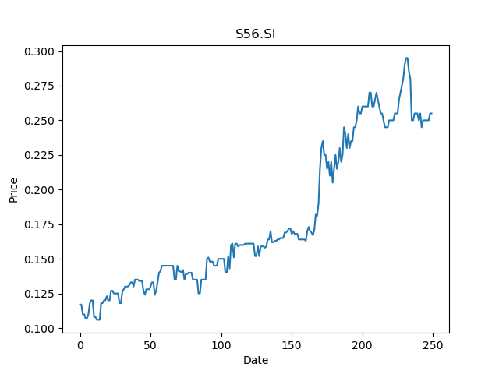
 | Year | Dividend | Dividend Growth Rate | Dividend yield | Median growth rate | Total debt | Interest expense | Rate debt | Market cap | Weight of debt | Weight of equity | Ra | Income tax expense | Income before tax | Effective tax rate | WACC | Fair value | Dividend payout ratio
0 | 2000 | 0.006 |  | 0.023529412205 | 0.016666666667 | 35695 | 2329 | 0.065247233506 | 134509440 | 0.00026530130577 | 0.99973469869 | 0.031938307279 | 381 | 9827 | 0.038770733693 | 0.031946473053 | 0.20795454545 | 1.1538461538
1 | 2001 | 0.0062 | 0.033333333333 | 0.024313725945 | 0.016666666667 | 35695 | 2329 | 0.065247233506 | 134509440 | 0.00026530130577 | 0.99973469869 | 0.031938307279 | 381 | 9827 | 0.038770733693 | 0.031946473053 | 0.20795454545 | 1.1538461538
2 | 2002 | 0.003 | -0.51612903226 | 0.011764706102 | 0.016666666667 | 35695 | 2329 | 0.065247233506 | 134509440 | 0.00026530130577 | 0.99973469869 | 0.031938307279 | 381 | 9827 | 0.038770733693 | 0.031946473053 | 0.20795454545 | 1.1538461538
3 | 2003 | 0.005 | 0.66666666667 | 0.019607843504 | 0.016666666667 | 35695 | 2329 | 0.065247233506 | 134509440 | 0.00026530130577 | 0.99973469869 | 0.031938307279 | 381 | 9827 | 0.038770733693 | 0.031946473053 | 0.20795454545 | 1.1538461538
4 | 2004 | 0.005 | 0 | 0.019607843504 | 0.016666666667 | 35695 | 2329 | 0.065247233506 | 134509440 | 0.00026530130577 | 0.99973469869 | 0.031938307279 | 381 | 9827 | 0.038770733693 | 0.031946473053 | 0.20795454545 | 1.1538461538
5 | 2005 | 0.03 | 5 | 0.11764706102 | 0.016666666667 | 35695 | 2329 | 0.065247233506 | 134509440 | 0.00026530130577 | 0.99973469869 | 0.031938307279 | 381 | 9827 | 0.038770733693 | 0.031946473053 | 0.20795454545 | 1.1538461538
6 | 2006 | 0.038 | 0.26666666667 | 0.14901961063 | 0.016666666667 | 35695 | 2329 | 0.065247233506 | 134509440 | 0.00026530130577 | 0.99973469869 | 0.031938307279 | 381 | 9827 | 0.038770733693 | 0.031946473053 | 0.20795454545 | 1.1538461538
7 | 2007 | 0.01 | -0.73684210526 | 0.039215687008 | 0.016666666667 | 35695 | 2329 | 0.065247233506 | 134509440 | 0.00026530130577 | 0.99973469869 | 0.031938307279 | 381 | 9827 | 0.038770733693 | 0.031946473053 | 0.20795454545 | 1.1538461538
8 | 2008 | 0.015 | 0.5 | 0.058823530512 | 0.016666666667 | 35695 | 2329 | 0.065247233506 | 134509440 | 0.00026530130577 | 0.99973469869 | 0.031938307279 | 381 | 9827 | 0.038770733693 | 0.031946473053 | 0.20795454545 | 1.1538461538
9 | 2009 | 0.015 | 0 | 0.058823530512 | 0.016666666667 | 35695 | 2329 | 0.065247233506 | 134509440 | 0.00026530130577 | 0.99973469869 | 0.031938307279 | 381 | 9827 | 0.038770733693 | 0.031946473053 | 0.20795454545 | 1.1538461538
10 | 2011 | 0.005 | -0.66666666667 | 0.019607843504 | 0.016666666667 | 35695 | 2329 | 0.065247233506 | 134509440 | 0.00026530130577 | 0.99973469869 | 0.031938307279 | 381 | 9827 | 0.038770733693 | 0.031946473053 | 0.20795454545 | 1.1538461538
11 | 2012 | 0.003 | -0.4 | 0.011764706102 | 0.016666666667 | 35695 | 2329 | 0.065247233506 | 134509440 | 0.00026530130577 | 0.99973469869 | 0.031938307279 | 381 | 9827 | 0.038770733693 | 0.031946473053 | 0.20795454545 | 1.1538461538
12 | 2013 | 0.0024 | -0.2 | 0.0094117648819 | 0.016666666667 | 35695 | 2329 | 0.065247233506 | 134509440 | 0.00026530130577 | 0.99973469869 | 0.031938307279 | 381 | 9827 | 0.038770733693 | 0.031946473053 | 0.20795454545 | 1.1538461538
13 | 2015 | 0.00875 | 2.6458333333 | 0.034313726132 | 0.016666666667 | 35695 | 2329 | 0.065247233506 | 134509440 | 0.00026530130577 | 0.99973469869 | 0.031938307279 | 381 | 9827 | 0.038770733693 | 0.031946473053 | 0.20795454545 | 1.1538461538
14 | 2016 | 0.0045 | -0.48571428571 | 0.017647059154 | 0.016666666667 | 35695 | 2329 | 0.065247233506 | 134509440 | 0.00026530130577 | 0.99973469869 | 0.031938307279 | 381 | 9827 | 0.038770733693 | 0.031946473053 | 0.20795454545 | 1.1538461538
15 | 2017 | 0.005 | 0.11111111111 | 0.019607843504 | 0.016666666667 | 35695 | 2329 | 0.065247233506 | 134509440 | 0.00026530130577 | 0.99973469869 | 0.031938307279 | 381 | 9827 | 0.038770733693 | 0.031946473053 | 0.20795454545 | 1.1538461538
16 | 2018 | 0.0075 | 0.5 | 0.029411765256 | 0.016666666667 | 35695 | 2329 | 0.065247233506 | 134509440 | 0.00026530130577 | 0.99973469869 | 0.031938307279 | 381 | 9827 | 0.038770733693 | 0.031946473053 | 0.20795454545 | 1.1538461538
17 | 2019 | 0.0075 | 0 | 0.029411765256 | 0.016666666667 | 35695 | 2329 | 0.065247233506 | 134509440 | 0.00026530130577 | 0.99973469869 | 0.031938307279 | 381 | 9827 | 0.038770733693 | 0.031946473053 | 0.20795454545 | 1.1538461538
18 | 2020 | 0.015 | 1 | 0.058823530512 | 0.016666666667 | 35695 | 2329 | 0.065247233506 | 134509440 | 0.00026530130577 | 0.99973469869 | 0.031938307279 | 381 | 9827 | 0.038770733693 | 0.031946473053 | 0.20795454545 | 1.1538461538

S59.SI
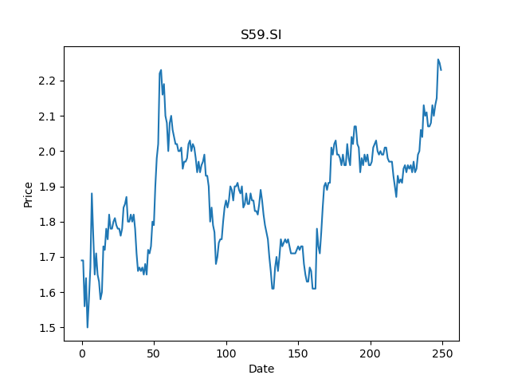
 | Year | Dividend | Dividend Growth Rate | Dividend yield | Median growth rate | Total debt | Interest expense | Rate debt | Market cap | Weight of debt | Weight of equity | Ra | Income tax expense | Income before tax | Effective tax rate | WACC | Fair value | Dividend payout ratio
0 | 2000 | 0.015 |  | 0.0067264573416 | -0.041666666667 | 13203 | 3797 | 0.28758615466 | 2500722176 | 5.2796469834E-06 | 0.99999472035 | 0.024123456302 | 13990 | 204464 | 0.068422803036 | 0.024124743402 | 0.36392405063 | 0.64102564103
1 | 2001 | 0.04 | 1.6666666667 | 0.017937219578 | -0.041666666667 | 13203 | 3797 | 0.28758615466 | 2500722176 | 5.2796469834E-06 | 0.99999472035 | 0.024123456302 | 13990 | 204464 | 0.068422803036 | 0.024124743402 | 0.36392405063 | 0.64102564103
2 | 2002 | 0.05 | 0.25 | 0.022421524472 | -0.041666666667 | 13203 | 3797 | 0.28758615466 | 2500722176 | 5.2796469834E-06 | 0.99999472035 | 0.024123456302 | 13990 | 204464 | 0.068422803036 | 0.024124743402 | 0.36392405063 | 0.64102564103
3 | 2003 | 0.045 | -0.1 | 0.020179372025 | -0.041666666667 | 13203 | 3797 | 0.28758615466 | 2500722176 | 5.2796469834E-06 | 0.99999472035 | 0.024123456302 | 13990 | 204464 | 0.068422803036 | 0.024124743402 | 0.36392405063 | 0.64102564103
4 | 2004 | 0.23 | 4.1111111111 | 0.10313901257 | -0.041666666667 | 13203 | 3797 | 0.28758615466 | 2500722176 | 5.2796469834E-06 | 0.99999472035 | 0.024123456302 | 13990 | 204464 | 0.068422803036 | 0.024124743402 | 0.36392405063 | 0.64102564103
5 | 2005 | 0.085 | -0.63043478261 | 0.038116591602 | -0.041666666667 | 13203 | 3797 | 0.28758615466 | 2500722176 | 5.2796469834E-06 | 0.99999472035 | 0.024123456302 | 13990 | 204464 | 0.068422803036 | 0.024124743402 | 0.36392405063 | 0.64102564103
6 | 2006 | 0.24 | 1.8235294118 | 0.10762331747 | -0.041666666667 | 13203 | 3797 | 0.28758615466 | 2500722176 | 5.2796469834E-06 | 0.99999472035 | 0.024123456302 | 13990 | 204464 | 0.068422803036 | 0.024124743402 | 0.36392405063 | 0.64102564103
7 | 2007 | 0.12 | -0.5 | 0.053811658733 | -0.041666666667 | 13203 | 3797 | 0.28758615466 | 2500722176 | 5.2796469834E-06 | 0.99999472035 | 0.024123456302 | 13990 | 204464 | 0.068422803036 | 0.024124743402 | 0.36392405063 | 0.64102564103
8 | 2008 | 0.21 | 0.75 | 0.094170402782 | -0.041666666667 | 13203 | 3797 | 0.28758615466 | 2500722176 | 5.2796469834E-06 | 0.99999472035 | 0.024123456302 | 13990 | 204464 | 0.068422803036 | 0.024124743402 | 0.36392405063 | 0.64102564103
9 | 2009 | 0.16 | -0.2380952381 | 0.07174887831 | -0.041666666667 | 13203 | 3797 | 0.28758615466 | 2500722176 | 5.2796469834E-06 | 0.99999472035 | 0.024123456302 | 13990 | 204464 | 0.068422803036 | 0.024124743402 | 0.36392405063 | 0.64102564103
10 | 2010 | 0.19 | 0.1875 | 0.085201792993 | -0.041666666667 | 13203 | 3797 | 0.28758615466 | 2500722176 | 5.2796469834E-06 | 0.99999472035 | 0.024123456302 | 13990 | 204464 | 0.068422803036 | 0.024124743402 | 0.36392405063 | 0.64102564103
11 | 2011 | 0.16 | -0.15789473684 | 0.07174887831 | -0.041666666667 | 13203 | 3797 | 0.28758615466 | 2500722176 | 5.2796469834E-06 | 0.99999472035 | 0.024123456302 | 13990 | 204464 | 0.068422803036 | 0.024124743402 | 0.36392405063 | 0.64102564103
12 | 2012 | 0.22 | 0.375 | 0.098654707676 | -0.041666666667 | 13203 | 3797 | 0.28758615466 | 2500722176 | 5.2796469834E-06 | 0.99999472035 | 0.024123456302 | 13990 | 204464 | 0.068422803036 | 0.024124743402 | 0.36392405063 | 0.64102564103
13 | 2013 | 0.22 | 0 | 0.098654707676 | -0.041666666667 | 13203 | 3797 | 0.28758615466 | 2500722176 | 5.2796469834E-06 | 0.99999472035 | 0.024123456302 | 13990 | 204464 | 0.068422803036 | 0.024124743402 | 0.36392405063 | 0.64102564103
14 | 2014 | 0.11 | -0.5 | 0.049327353838 | -0.041666666667 | 13203 | 3797 | 0.28758615466 | 2500722176 | 5.2796469834E-06 | 0.99999472035 | 0.024123456302 | 13990 | 204464 | 0.068422803036 | 0.024124743402 | 0.36392405063 | 0.64102564103
15 | 2015 | 0.145 | 0.31818181818 | 0.065022420969 | -0.041666666667 | 13203 | 3797 | 0.28758615466 | 2500722176 | 5.2796469834E-06 | 0.99999472035 | 0.024123456302 | 13990 | 204464 | 0.068422803036 | 0.024124743402 | 0.36392405063 | 0.64102564103
16 | 2016 | 0.12 | -0.1724137931 | 0.053811658733 | -0.041666666667 | 13203 | 3797 | 0.28758615466 | 2500722176 | 5.2796469834E-06 | 0.99999472035 | 0.024123456302 | 13990 | 204464 | 0.068422803036 | 0.024124743402 | 0.36392405063 | 0.64102564103
17 | 2017 | 0.09 | -0.25 | 0.040358744049 | -0.041666666667 | 13203 | 3797 | 0.28758615466 | 2500722176 | 5.2796469834E-06 | 0.99999472035 | 0.024123456302 | 13990 | 204464 | 0.068422803036 | 0.024124743402 | 0.36392405063 | 0.64102564103
18 | 2018 | 0.12 | 0.33333333333 | 0.053811658733 | -0.041666666667 | 13203 | 3797 | 0.28758615466 | 2500722176 | 5.2796469834E-06 | 0.99999472035 | 0.024123456302 | 13990 | 204464 | 0.068422803036 | 0.024124743402 | 0.36392405063 | 0.64102564103
19 | 2019 | 0.11 | -0.083333333333 | 0.049327353838 | -0.041666666667 | 13203 | 3797 | 0.28758615466 | 2500722176 | 5.2796469834E-06 | 0.99999472035 | 0.024123456302 | 13990 | 204464 | 0.068422803036 | 0.024124743402 | 0.36392405063 | 0.64102564103
20 | 2020 | 0.05 | -0.54545454545 | 0.022421524472 | -0.041666666667 | 13203 | 3797 | 0.28758615466 | 2500722176 | 5.2796469834E-06 | 0.99999472035 | 0.024123456302 | 13990 | 204464 | 0.068422803036 | 0.024124743402 | 0.36392405063 | 0.64102564103

S08.SI
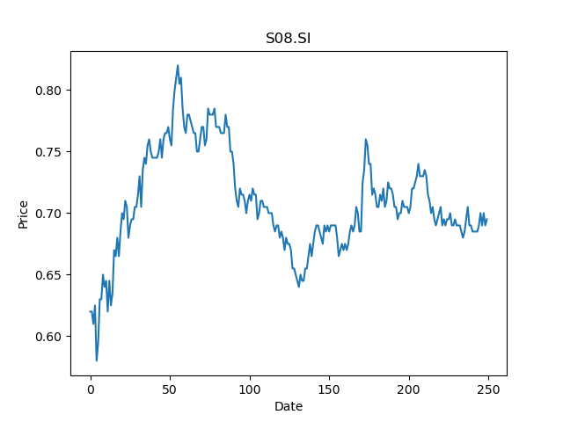
 | Year | Dividend | Dividend Growth Rate | Dividend yield | Median growth rate | Total debt | Interest expense | Rate debt | Market cap | Weight of debt | Weight of equity | Ra | Income tax expense | Income before tax | Effective tax rate | WACC | Fair value | Dividend payout ratio
0 | 2003 | 0.054 |  | 0.077697842526 | 0 | 364424 | 11365 | 0.031186200689 | 1563458048 | 0.00023303412409 | 0.99976696588 | 0.017339768286 | 18520 | 85503 | 0.21660058711 | 0.017341420844 | 0.24444444444 | 0.91666666667
1 | 2004 | 0.06505 | 0.20462962963 | 0.093597123265 | 0 | 364424 | 11365 | 0.031186200689 | 1563458048 | 0.00023303412409 | 0.99976696588 | 0.017339768286 | 18520 | 85503 | 0.21660058711 | 0.017341420844 | 0.24444444444 | 0.91666666667
2 | 2005 | 0.152 | 1.3366641045 | 0.21870503822 | 0 | 364424 | 11365 | 0.031186200689 | 1563458048 | 0.00023303412409 | 0.99976696588 | 0.017339768286 | 18520 | 85503 | 0.21660058711 | 0.017341420844 | 0.24444444444 | 0.91666666667
3 | 2006 | 0.055 | -0.63815789474 | 0.079136691462 | 0 | 364424 | 11365 | 0.031186200689 | 1563458048 | 0.00023303412409 | 0.99976696588 | 0.017339768286 | 18520 | 85503 | 0.21660058711 | 0.017341420844 | 0.24444444444 | 0.91666666667
4 | 2007 | 0.0625 | 0.13636363636 | 0.089928058479 | 0 | 364424 | 11365 | 0.031186200689 | 1563458048 | 0.00023303412409 | 0.99976696588 | 0.017339768286 | 18520 | 85503 | 0.21660058711 | 0.017341420844 | 0.24444444444 | 0.91666666667
5 | 2008 | 0.0625 | 0 | 0.089928058479 | 0 | 364424 | 11365 | 0.031186200689 | 1563458048 | 0.00023303412409 | 0.99976696588 | 0.017339768286 | 18520 | 85503 | 0.21660058711 | 0.017341420844 | 0.24444444444 | 0.91666666667
6 | 2009 | 0.0625 | 0 | 0.089928058479 | 0 | 364424 | 11365 | 0.031186200689 | 1563458048 | 0.00023303412409 | 0.99976696588 | 0.017339768286 | 18520 | 85503 | 0.21660058711 | 0.017341420844 | 0.24444444444 | 0.91666666667
7 | 2010 | 0.0625 | 0 | 0.089928058479 | 0 | 364424 | 11365 | 0.031186200689 | 1563458048 | 0.00023303412409 | 0.99976696588 | 0.017339768286 | 18520 | 85503 | 0.21660058711 | 0.017341420844 | 0.24444444444 | 0.91666666667
8 | 2011 | 0.0625 | 0 | 0.089928058479 | 0 | 364424 | 11365 | 0.031186200689 | 1563458048 | 0.00023303412409 | 0.99976696588 | 0.017339768286 | 18520 | 85503 | 0.21660058711 | 0.017341420844 | 0.24444444444 | 0.91666666667
9 | 2012 | 0.0625 | 0 | 0.089928058479 | 0 | 364424 | 11365 | 0.031186200689 | 1563458048 | 0.00023303412409 | 0.99976696588 | 0.017339768286 | 18520 | 85503 | 0.21660058711 | 0.017341420844 | 0.24444444444 | 0.91666666667
10 | 2013 | 0.0625 | 0 | 0.089928058479 | 0 | 364424 | 11365 | 0.031186200689 | 1563458048 | 0.00023303412409 | 0.99976696588 | 0.017339768286 | 18520 | 85503 | 0.21660058711 | 0.017341420844 | 0.24444444444 | 0.91666666667
11 | 2014 | 0.0625 | 0 | 0.089928058479 | 0 | 364424 | 11365 | 0.031186200689 | 1563458048 | 0.00023303412409 | 0.99976696588 | 0.017339768286 | 18520 | 85503 | 0.21660058711 | 0.017341420844 | 0.24444444444 | 0.91666666667
12 | 2015 | 0.05 | -0.2 | 0.071942446784 | 0 | 364424 | 11365 | 0.031186200689 | 1563458048 | 0.00023303412409 | 0.99976696588 | 0.017339768286 | 18520 | 85503 | 0.21660058711 | 0.017341420844 | 0.24444444444 | 0.91666666667
13 | 2016 | 0.065 | 0.3 | 0.093525180819 | 0 | 364424 | 11365 | 0.031186200689 | 1563458048 | 0.00023303412409 | 0.99976696588 | 0.017339768286 | 18520 | 85503 | 0.21660058711 | 0.017341420844 | 0.24444444444 | 0.91666666667
14 | 2017 | 0.02 | -0.69230769231 | 0.028776978713 | 0 | 364424 | 11365 | 0.031186200689 | 1563458048 | 0.00023303412409 | 0.99976696588 | 0.017339768286 | 18520 | 85503 | 0.21660058711 | 0.017341420844 | 0.24444444444 | 0.91666666667
15 | 2018 | 0.035 | 0.75 | 0.050359712748 | 0 | 364424 | 11365 | 0.031186200689 | 1563458048 | 0.00023303412409 | 0.99976696588 | 0.017339768286 | 18520 | 85503 | 0.21660058711 | 0.017341420844 | 0.24444444444 | 0.91666666667
16 | 2019 | 0.035 | 0 | 0.050359712748 | 0 | 364424 | 11365 | 0.031186200689 | 1563458048 | 0.00023303412409 | 0.99976696588 | 0.017339768286 | 18520 | 85503 | 0.21660058711 | 0.017341420844 | 0.24444444444 | 0.91666666667
17 | 2020 | 0.022 | -0.37142857143 | 0.031654676585 | 0 | 364424 | 11365 | 0.031186200689 | 1563458048 | 0.00023303412409 | 0.99976696588 | 0.017339768286 | 18520 | 85503 | 0.21660058711 | 0.017341420844 | 0.24444444444 | 0.91666666667

