A7RU.SI
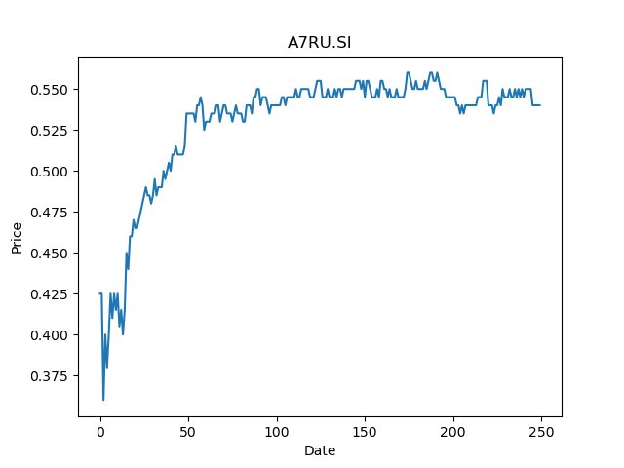
 | Year | Dividend | Dividend Growth Rate | Dividend yield | Median growth rate | Total debt | Interest expense | Rate debt | Market cap | Weight of debt | Weight of equity | Ra | Income tax expense | Income before tax | Effective tax rate | WACC | Fair value | Dividend payout ratio
0 | 2008 | 0.063504 |  | 0.11759999533 | -0.048080787781 | 2371653 | 119545 | 0.050405771839 | 2695140096 | 0.00087920024848 | 0.99912079975 | 0.024476027752 | 7567 | 69771 | 0.10845480214 | 0.024494018823 | 0.19234063223 | -3.9857142857
1 | 2009 | 0.059713 | -0.059697026959 | 0.11057962524 | -0.048080787781 | 2371653 | 119545 | 0.050405771839 | 2695140096 | 0.00087920024848 | 0.99912079975 | 0.024476027752 | 7567 | 69771 | 0.10845480214 | 0.024494018823 | 0.19234063223 | -3.9857142857
2 | 2010 | 0.039808 | -0.33334449785 | 0.073718515589 | -0.048080787781 | 2371653 | 119545 | 0.050405771839 | 2695140096 | 0.00087920024848 | 0.99912079975 | 0.024476027752 | 7567 | 69771 | 0.10845480214 | 0.024494018823 | 0.19234063223 | -3.9857142857
3 | 2011 | 0.037894 | -0.048080787781 | 0.070174071286 | -0.048080787781 | 2371653 | 119545 | 0.050405771839 | 2695140096 | 0.00087920024848 | 0.99912079975 | 0.024476027752 | 7567 | 69771 | 0.10845480214 | 0.024494018823 | 0.19234063223 | -3.9857142857
4 | 2012 | 0.032152 | -0.15152794638 | 0.059540738375 | -0.048080787781 | 2371653 | 119545 | 0.050405771839 | 2695140096 | 0.00087920024848 | 0.99912079975 | 0.024476027752 | 7567 | 69771 | 0.10845480214 | 0.024494018823 | 0.19234063223 | -3.9857142857
5 | 2013 | 0.032152 | 0 | 0.059540738375 | -0.048080787781 | 2371653 | 119545 | 0.050405771839 | 2695140096 | 0.00087920024848 | 0.99912079975 | 0.024476027752 | 7567 | 69771 | 0.10845480214 | 0.024494018823 | 0.19234063223 | -3.9857142857
6 | 2014 | 0.032152 | 0 | 0.059540738375 | -0.048080787781 | 2371653 | 119545 | 0.050405771839 | 2695140096 | 0.00087920024848 | 0.99912079975 | 0.024476027752 | 7567 | 69771 | 0.10845480214 | 0.024494018823 | 0.19234063223 | -3.9857142857
7 | 2015 | 0.049468 | 0.53856680766 | 0.091607403767 | -0.048080787781 | 2371653 | 119545 | 0.050405771839 | 2695140096 | 0.00087920024848 | 0.99912079975 | 0.024476027752 | 7567 | 69771 | 0.10845480214 | 0.024494018823 | 0.19234063223 | -3.9857142857
8 | 2016 | 0.036736 | -0.25737850732 | 0.068029626926 | -0.048080787781 | 2371653 | 119545 | 0.050405771839 | 2695140096 | 0.00087920024848 | 0.99912079975 | 0.024476027752 | 7567 | 69771 | 0.10845480214 | 0.024494018823 | 0.19234063223 | -3.9857142857
9 | 2017 | 0.036736 | 0 | 0.068029626926 | -0.048080787781 | 2371653 | 119545 | 0.050405771839 | 2695140096 | 0.00087920024848 | 0.99912079975 | 0.024476027752 | 7567 | 69771 | 0.10845480214 | 0.024494018823 | 0.19234063223 | -3.9857142857
10 | 2018 | 0.036736 | 0 | 0.068029626926 | -0.048080787781 | 2371653 | 119545 | 0.050405771839 | 2695140096 | 0.00087920024848 | 0.99912079975 | 0.024476027752 | 7567 | 69771 | 0.10845480214 | 0.024494018823 | 0.19234063223 | -3.9857142857
11 | 2019 | 0.037084 | 0.0094729965157 | 0.068674071345 | -0.048080787781 | 2371653 | 119545 | 0.050405771839 | 2695140096 | 0.00087920024848 | 0.99912079975 | 0.024476027752 | 7567 | 69771 | 0.10845480214 | 0.024494018823 | 0.19234063223 | -3.9857142857
12 | 2020 | 0.0279 | -0.24765397476 | 0.051666664614 | -0.048080787781 | 2371653 | 119545 | 0.050405771839 | 2695140096 | 0.00087920024848 | 0.99912079975 | 0.024476027752 | 7567 | 69771 | 0.10845480214 | 0.024494018823 | 0.19234063223 | -3.9857142857
13 | 2021 | 0.0186 | -0.33333333333 | 0.034444443076 | -0.048080787781 | 2371653 | 119545 | 0.050405771839 | 2695140096 | 0.00087920024848 | 0.99912079975 | 0.024476027752 | 7567 | 69771 | 0.10845480214 | 0.024494018823 | 0.19234063223 | -3.9857142857

SK6U.SI
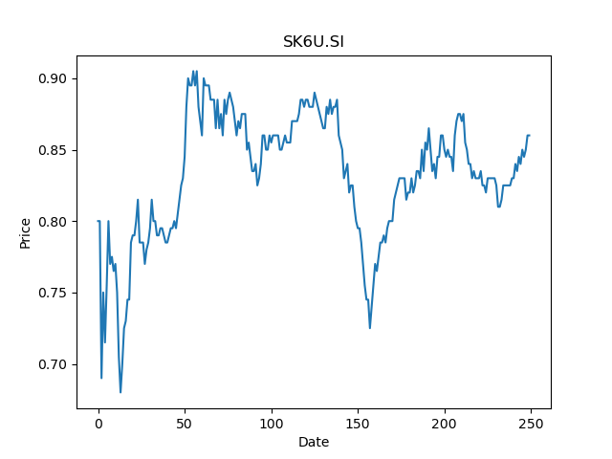
 | Year | Dividend | Dividend Growth Rate | Dividend yield | Median growth rate | Total debt | Interest expense | Rate debt | Market cap | Weight of debt | Weight of equity | Ra | Income tax expense | Income before tax | Effective tax rate | WACC | Fair value | Dividend payout ratio
0 | 2014 | 0.0599 |  | 0.069651161632 | 0.001808318264 | 1298585 | 28337 | 0.02182144411 | 2389914368 | 0.00054306539214 | 0.99945693461 | 0.020526872404 | 4045 | -59979 | -0.067440270761 | 0.02052837464 | 0.15221652655 | -0.47857142857
1 | 2015 | 0.0547 | -0.086811352254 | 0.063604650105 | 0.001808318264 | 1298585 | 28337 | 0.02182144411 | 2389914368 | 0.00054306539214 | 0.99945693461 | 0.020526872404 | 4045 | -59979 | -0.067440270761 | 0.02052837464 | 0.15221652655 | -0.47857142857
2 | 2016 | 0.055 | 0.0054844606947 | 0.063953487308 | 0.001808318264 | 1298585 | 28337 | 0.02182144411 | 2389914368 | 0.00054306539214 | 0.99945693461 | 0.020526872404 | 4045 | -59979 | -0.067440270761 | 0.02052837464 | 0.15221652655 | -0.47857142857
3 | 2017 | 0.0553 | 0.0054545454545 | 0.064302324512 | 0.001808318264 | 1298585 | 28337 | 0.02182144411 | 2389914368 | 0.00054306539214 | 0.99945693461 | 0.020526872404 | 4045 | -59979 | -0.067440270761 | 0.02052837464 | 0.15221652655 | -0.47857142857
4 | 2018 | 0.0554 | 0.001808318264 | 0.06441860358 | 0.001808318264 | 1298585 | 28337 | 0.02182144411 | 2389914368 | 0.00054306539214 | 0.99945693461 | 0.020526872404 | 4045 | -59979 | -0.067440270761 | 0.02052837464 | 0.15221652655 | -0.47857142857
5 | 2019 | 0.0837 | 0.51083032491 | 0.097325579776 | 0.001808318264 | 1298585 | 28337 | 0.02182144411 | 2389914368 | 0.00054306539214 | 0.99945693461 | 0.020526872404 | 4045 | -59979 | -0.067440270761 | 0.02052837464 | 0.15221652655 | -0.47857142857
6 | 2020 | 0.0134 | -0.83990442055 | 0.01558139509 | 0.001808318264 | 1298585 | 28337 | 0.02182144411 | 2389914368 | 0.00054306539214 | 0.99945693461 | 0.020526872404 | 4045 | -59979 | -0.067440270761 | 0.02052837464 | 0.15221652655 | -0.47857142857
7 | 2021 | 0.012 | -0.10447761194 | 0.01395348814 | 0.001808318264 | 1298585 | 28337 | 0.02182144411 | 2389914368 | 0.00054306539214 | 0.99945693461 | 0.020526872404 | 4045 | -59979 | -0.067440270761 | 0.02052837464 | 0.15221652655 | -0.47857142857

5IC.SI
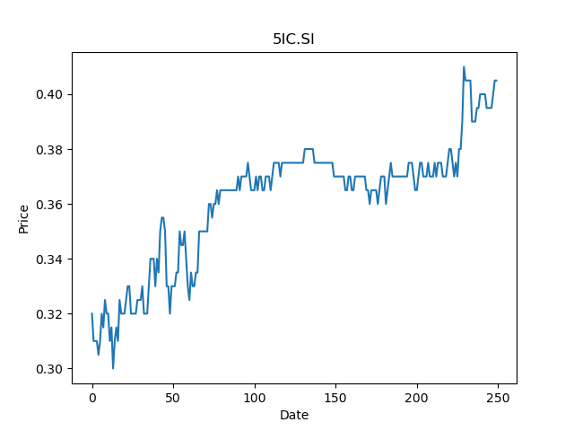
 | Year | Dividend | Dividend Growth Rate | Dividend yield | Median growth rate | Total debt | Interest expense | Rate debt | Market cap | Weight of debt | Weight of equity | Ra | Income tax expense | Income before tax | Effective tax rate | WACC | Fair value | Dividend payout ratio
0 | 2006 | 0.08 |  | 0.19753086362 | 0.071428571429 | 117700 | 4443 | 0.037748513169 | 162402976 | 0.00072421554535 | 0.99927578445 | 0.023564040328 | 16871 | 83170 | 0.20284958519 | 0.02356876743 | 1.0673076923 | 0.4512195122
1 | 2007 | 0.03 | -0.625 | 0.074074073856 | 0.071428571429 | 117700 | 4443 | 0.037748513169 | 162402976 | 0.00072421554535 | 0.99927578445 | 0.023564040328 | 16871 | 83170 | 0.20284958519 | 0.02356876743 | 1.0673076923 | 0.4512195122
2 | 2008 | 0.0175 | -0.41666666667 | 0.043209876416 | 0.071428571429 | 117700 | 4443 | 0.037748513169 | 162402976 | 0.00072421554535 | 0.99927578445 | 0.023564040328 | 16871 | 83170 | 0.20284958519 | 0.02356876743 | 1.0673076923 | 0.4512195122
3 | 2010 | 0.007 | -0.6 | 0.017283950566 | 0.071428571429 | 117700 | 4443 | 0.037748513169 | 162402976 | 0.00072421554535 | 0.99927578445 | 0.023564040328 | 16871 | 83170 | 0.20284958519 | 0.02356876743 | 1.0673076923 | 0.4512195122
4 | 2011 | 0.0075 | 0.071428571429 | 0.018518518464 | 0.071428571429 | 117700 | 4443 | 0.037748513169 | 162402976 | 0.00072421554535 | 0.99927578445 | 0.023564040328 | 16871 | 83170 | 0.20284958519 | 0.02356876743 | 1.0673076923 | 0.4512195122
5 | 2012 | 0.01 | 0.33333333333 | 0.024691357952 | 0.071428571429 | 117700 | 4443 | 0.037748513169 | 162402976 | 0.00072421554535 | 0.99927578445 | 0.023564040328 | 16871 | 83170 | 0.20284958519 | 0.02356876743 | 1.0673076923 | 0.4512195122
6 | 2013 | 0.006 | -0.4 | 0.014814814771 | 0.071428571429 | 117700 | 4443 | 0.037748513169 | 162402976 | 0.00072421554535 | 0.99927578445 | 0.023564040328 | 16871 | 83170 | 0.20284958519 | 0.02356876743 | 1.0673076923 | 0.4512195122
7 | 2014 | 0.005 | -0.16666666667 | 0.012345678976 | 0.071428571429 | 117700 | 4443 | 0.037748513169 | 162402976 | 0.00072421554535 | 0.99927578445 | 0.023564040328 | 16871 | 83170 | 0.20284958519 | 0.02356876743 | 1.0673076923 | 0.4512195122
8 | 2015 | 0.01 | 1 | 0.024691357952 | 0.071428571429 | 117700 | 4443 | 0.037748513169 | 162402976 | 0.00072421554535 | 0.99927578445 | 0.023564040328 | 16871 | 83170 | 0.20284958519 | 0.02356876743 | 1.0673076923 | 0.4512195122
9 | 2016 | 0.0025 | -0.75 | 0.006172839488 | 0.071428571429 | 117700 | 4443 | 0.037748513169 | 162402976 | 0.00072421554535 | 0.99927578445 | 0.023564040328 | 16871 | 83170 | 0.20284958519 | 0.02356876743 | 1.0673076923 | 0.4512195122
10 | 2017 | 0.00375 | 0.5 | 0.009259259232 | 0.071428571429 | 117700 | 4443 | 0.037748513169 | 162402976 | 0.00072421554535 | 0.99927578445 | 0.023564040328 | 16871 | 83170 | 0.20284958519 | 0.02356876743 | 1.0673076923 | 0.4512195122
11 | 2018 | 0.01 | 1.6666666667 | 0.024691357952 | 0.071428571429 | 117700 | 4443 | 0.037748513169 | 162402976 | 0.00072421554535 | 0.99927578445 | 0.023564040328 | 16871 | 83170 | 0.20284958519 | 0.02356876743 | 1.0673076923 | 0.4512195122
12 | 2019 | 0.012 | 0.2 | 0.029629629542 | 0.071428571429 | 117700 | 4443 | 0.037748513169 | 162402976 | 0.00072421554535 | 0.99927578445 | 0.023564040328 | 16871 | 83170 | 0.20284958519 | 0.02356876743 | 1.0673076923 | 0.4512195122
13 | 2020 | 0.0185 | 0.54166666667 | 0.045679012211 | 0.071428571429 | 117700 | 4443 | 0.037748513169 | 162402976 | 0.00072421554535 | 0.99927578445 | 0.023564040328 | 16871 | 83170 | 0.20284958519 | 0.02356876743 | 1.0673076923 | 0.4512195122

Z25.SI
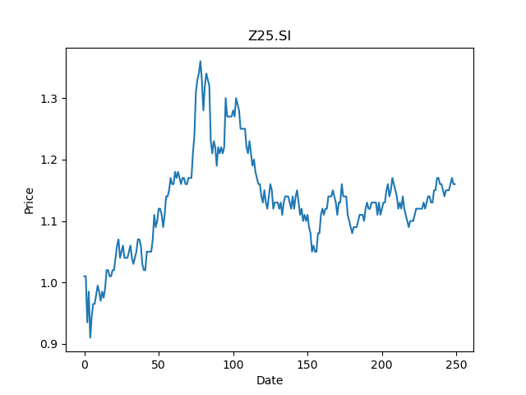
 | Year | Dividend | Dividend Growth Rate | Dividend yield | Median growth rate | Total debt | Interest expense | Rate debt | Market cap | Weight of debt | Weight of equity | Ra | Income tax expense | Income before tax | Effective tax rate | WACC | Fair value | Dividend payout ratio
0 | 2007 | 0.0289 |  | 0.02491379382 | 0.0082644628099 | 45641663 | 1275839 | 0.027953385485 | 2240586240 | 0.019963741559 | 0.98003625844 | 0.020387780453 | 3606963 | 8795062 | 0.41011228801 | 0.020309953367 | 0.83882709808 | 0.19263456091
1 | 2008 | 0.0121 | -0.58131487889 | 0.010431034783 | 0.0082644628099 | 45641663 | 1275839 | 0.027953385485 | 2240586240 | 0.019963741559 | 0.98003625844 | 0.020387780453 | 3606963 | 8795062 | 0.41011228801 | 0.020309953367 | 0.83882709808 | 0.19263456091
2 | 2009 | 0.0123 | 0.01652892562 | 0.010603448581 | 0.0082644628099 | 45641663 | 1275839 | 0.027953385485 | 2240586240 | 0.019963741559 | 0.98003625844 | 0.020387780453 | 3606963 | 8795062 | 0.41011228801 | 0.020309953367 | 0.83882709808 | 0.19263456091
3 | 2010 | 0.0168 | 0.36585365854 | 0.014482759037 | 0.0082644628099 | 45641663 | 1275839 | 0.027953385485 | 2240586240 | 0.019963741559 | 0.98003625844 | 0.020387780453 | 3606963 | 8795062 | 0.41011228801 | 0.020309953367 | 0.83882709808 | 0.19263456091
4 | 2011 | 0.0122 | -0.27380952381 | 0.010517241682 | 0.0082644628099 | 45641663 | 1275839 | 0.027953385485 | 2240586240 | 0.019963741559 | 0.98003625844 | 0.020387780453 | 3606963 | 8795062 | 0.41011228801 | 0.020309953367 | 0.83882709808 | 0.19263456091
5 | 2013 | 0.0186 | 0.52459016393 | 0.01603448322 | 0.0082644628099 | 45641663 | 1275839 | 0.027953385485 | 2240586240 | 0.019963741559 | 0.98003625844 | 0.020387780453 | 3606963 | 8795062 | 0.41011228801 | 0.020309953367 | 0.83882709808 | 0.19263456091
6 | 2014 | 0.013 | -0.30107526882 | 0.011206896874 | 0.0082644628099 | 45641663 | 1275839 | 0.027953385485 | 2240586240 | 0.019963741559 | 0.98003625844 | 0.020387780453 | 3606963 | 8795062 | 0.41011228801 | 0.020309953367 | 0.83882709808 | 0.19263456091
7 | 2015 | 0.013 | 0 | 0.011206896874 | 0.0082644628099 | 45641663 | 1275839 | 0.027953385485 | 2240586240 | 0.019963741559 | 0.98003625844 | 0.020387780453 | 3606963 | 8795062 | 0.41011228801 | 0.020309953367 | 0.83882709808 | 0.19263456091
8 | 2016 | 0.0152 | 0.16923076923 | 0.013103448653 | 0.0082644628099 | 45641663 | 1275839 | 0.027953385485 | 2240586240 | 0.019963741559 | 0.98003625844 | 0.020387780453 | 3606963 | 8795062 | 0.41011228801 | 0.020309953367 | 0.83882709808 | 0.19263456091
9 | 2017 | 0.0435 | 1.8618421053 | 0.037500001079 | 0.0082644628099 | 45641663 | 1275839 | 0.027953385485 | 2240586240 | 0.019963741559 | 0.98003625844 | 0.020387780453 | 3606963 | 8795062 | 0.41011228801 | 0.020309953367 | 0.83882709808 | 0.19263456091
10 | 2018 | 0.068 | 0.5632183908 | 0.058620691342 | 0.0082644628099 | 45641663 | 1275839 | 0.027953385485 | 2240586240 | 0.019963741559 | 0.98003625844 | 0.020387780453 | 3606963 | 8795062 | 0.41011228801 | 0.020309953367 | 0.83882709808 | 0.19263456091
11 | 2019 | 0.068 | 0 | 0.058620691342 | 0.0082644628099 | 45641663 | 1275839 | 0.027953385485 | 2240586240 | 0.019963741559 | 0.98003625844 | 0.020387780453 | 3606963 | 8795062 | 0.41011228801 | 0.020309953367 | 0.83882709808 | 0.19263456091
12 | 2020 | 0.068 | 0 | 0.058620691342 | 0.0082644628099 | 45641663 | 1275839 | 0.027953385485 | 2240586240 | 0.019963741559 | 0.98003625844 | 0.020387780453 | 3606963 | 8795062 | 0.41011228801 | 0.020309953367 | 0.83882709808 | 0.19263456091

A17U.SI
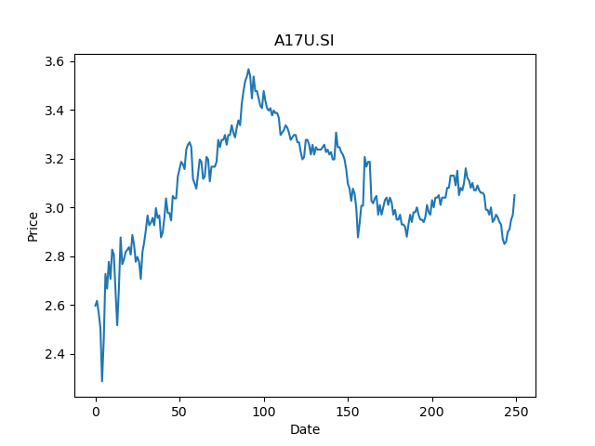
 | Year | Dividend | Dividend Growth Rate | Dividend yield | Median growth rate | Total debt | Interest expense | Rate debt | Market cap | Weight of debt | Weight of equity | Ra | Income tax expense | Income before tax | Effective tax rate | WACC | Fair value | Dividend payout ratio
0 | 2005 | 0.029384 |  | 0.0096340985113 | 0.038881683153 | 4097791 | 143407 | 0.034996172328 | 12263561216 | 0.00033403202662 | 0.99966596797 | 0.019808132134 | 15951 | 549656 | 0.029019968853 | 0.019812866187 | 3.3544464229 | 1.3640991736
1 | 2006 | 0.116955 | 2.9802273346 | 0.038345902239 | 0.038881683153 | 4097791 | 143407 | 0.034996172328 | 12263561216 | 0.00033403202662 | 0.99966596797 | 0.019808132134 | 15951 | 549656 | 0.029019968853 | 0.019812866187 | 3.3544464229 | 1.3640991736
2 | 2007 | 0.129756 | 0.10945235347 | 0.042542951485 | 0.038881683153 | 4097791 | 143407 | 0.034996172328 | 12263561216 | 0.00033403202662 | 0.99966596797 | 0.019808132134 | 15951 | 549656 | 0.029019968853 | 0.019812866187 | 3.3544464229 | 1.3640991736
3 | 2008 | 0.146921 | 0.1322867536 | 0.048170820425 | 0.038881683153 | 4097791 | 143407 | 0.034996172328 | 12263561216 | 0.00033403202662 | 0.99966596797 | 0.019808132134 | 15951 | 549656 | 0.029019968853 | 0.019812866187 | 3.3544464229 | 1.3640991736
4 | 2009 | 0.133272 | -0.092900266129 | 0.043695738388 | 0.038881683153 | 4097791 | 143407 | 0.034996172328 | 12263561216 | 0.00033403202662 | 0.99966596797 | 0.019808132134 | 15951 | 549656 | 0.029019968853 | 0.019812866187 | 3.3544464229 | 1.3640991736
5 | 2010 | 0.123703 | -0.071800528243 | 0.04055836129 | 0.038881683153 | 4097791 | 143407 | 0.034996172328 | 12263561216 | 0.00033403202662 | 0.99966596797 | 0.019808132134 | 15951 | 549656 | 0.029019968853 | 0.019812866187 | 3.3544464229 | 1.3640991736
6 | 2011 | 0.128585 | 0.039465493965 | 0.042159017053 | 0.038881683153 | 4097791 | 143407 | 0.034996172328 | 12263561216 | 0.00033403202662 | 0.99966596797 | 0.019808132134 | 15951 | 549656 | 0.029019968853 | 0.019812866187 | 3.3544464229 | 1.3640991736
7 | 2012 | 0.137079 | 0.066057471711 | 0.044943935129 | 0.038881683153 | 4097791 | 143407 | 0.034996172328 | 12263561216 | 0.00033403202662 | 0.99966596797 | 0.019808132134 | 15951 | 549656 | 0.029019968853 | 0.019812866187 | 3.3544464229 | 1.3640991736
8 | 2013 | 0.135125 | -0.014254553943 | 0.044303279381 | 0.038881683153 | 4097791 | 143407 | 0.034996172328 | 12263561216 | 0.00033403202662 | 0.99966596797 | 0.019808132134 | 15951 | 549656 | 0.029019968853 | 0.019812866187 | 3.3544464229 | 1.3640991736
9 | 2014 | 0.1403 | 0.03829787234 | 0.046000000719 | 0.038881683153 | 4097791 | 143407 | 0.034996172328 | 12263561216 | 0.00033403202662 | 0.99966596797 | 0.019808132134 | 15951 | 549656 | 0.029019968853 | 0.019812866187 | 3.3544464229 | 1.3640991736
10 | 2015 | 0.177669 | 0.26635067712 | 0.058252132058 | 0.038881683153 | 4097791 | 143407 | 0.034996172328 | 12263561216 | 0.00033403202662 | 0.99966596797 | 0.019808132134 | 15951 | 549656 | 0.029019968853 | 0.019812866187 | 3.3544464229 | 1.3640991736
11 | 2016 | 0.120785 | -0.32016840304 | 0.039601639963 | 0.038881683153 | 4097791 | 143407 | 0.034996172328 | 12263561216 | 0.00033403202662 | 0.99966596797 | 0.019808132134 | 15951 | 549656 | 0.029019968853 | 0.019812866187 | 3.3544464229 | 1.3640991736
12 | 2017 | 0.155909 | 0.29079769839 | 0.051117705717 | 0.038881683153 | 4097791 | 143407 | 0.034996172328 | 12263561216 | 0.00033403202662 | 0.99966596797 | 0.019808132134 | 15951 | 549656 | 0.029019968853 | 0.019812866187 | 3.3544464229 | 1.3640991736
13 | 2018 | 0.154112 | -0.011525954243 | 0.05052852538 | 0.038881683153 | 4097791 | 143407 | 0.034996172328 | 12263561216 | 0.00033403202662 | 0.99966596797 | 0.019808132134 | 15951 | 549656 | 0.029019968853 | 0.019812866187 | 3.3544464229 | 1.3640991736
14 | 2019 | 0.15763 | 0.022827553987 | 0.051681968021 | 0.038881683153 | 4097791 | 143407 | 0.034996172328 | 12263561216 | 0.00033403202662 | 0.99966596797 | 0.019808132134 | 15951 | 549656 | 0.029019968853 | 0.019812866187 | 3.3544464229 | 1.3640991736
15 | 2020 | 0.165056 | 0.047110321639 | 0.054116722158 | 0.038881683153 | 4097791 | 143407 | 0.034996172328 | 12263561216 | 0.00033403202662 | 0.99966596797 | 0.019808132134 | 15951 | 549656 | 0.029019968853 | 0.019812866187 | 3.3544464229 | 1.3640991736
16 | 2021 | 0.01678 | -0.89833753393 | 0.0055016394303 | 0.038881683153 | 4097791 | 143407 | 0.034996172328 | 12263561216 | 0.00033403202662 | 0.99966596797 | 0.019808132134 | 15951 | 549656 | 0.029019968853 | 0.019812866187 | 3.3544464229 | 1.3640991736

BN4.SI
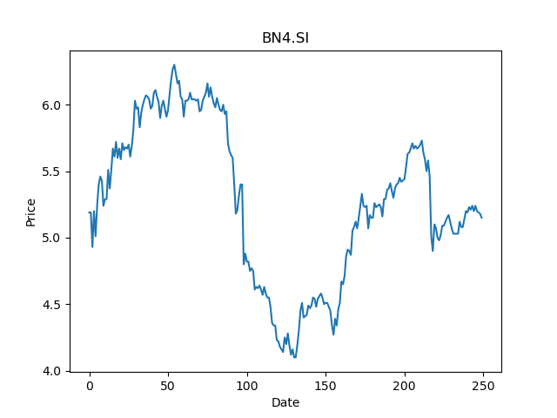
 | Year | Dividend | Dividend Growth Rate | Dividend yield | Median growth rate | Total debt | Interest expense | Rate debt | Market cap | Weight of debt | Weight of equity | Ra | Income tax expense | Income before tax | Effective tax rate | WACC | Fair value | Dividend payout ratio
0 | 2007 | 0.275206 |  | 0.053438057263 | 0.083334097222 | 11059631 | 319095 | 0.028852228433 | 9373103104 | 0.0011785421153 | 0.99882145788 | 0.013997546147 | 271840 | 107173 | 2.5364597427 | 0.013928804339 | 43.880058857 | -0.97122302158
1 | 2008 | 0.536364 | 0.94895460128 | 0.10414834759 | 0.083334097222 | 11059631 | 319095 | 0.028852228433 | 9373103104 | 0.0011785421153 | 0.99882145788 | 0.013997546147 | 271840 | 107173 | 2.5364597427 | 0.013928804339 | 43.880058857 | -0.97122302158
2 | 2009 | 0.327273 | -0.38983041367 | 0.063548154163 | 0.083334097222 | 11059631 | 319095 | 0.028852228433 | 9373103104 | 0.0011785421153 | 0.99882145788 | 0.013997546147 | 271840 | 107173 | 2.5364597427 | 0.013928804339 | 43.880058857 | -0.97122302158
3 | 2010 | 0.354546 | 0.083334097222 | 0.06884388222 | 0.083334097222 | 11059631 | 319095 | 0.028852228433 | 9373103104 | 0.0011785421153 | 0.99882145788 | 0.013997546147 | 271840 | 107173 | 2.5364597427 | 0.013928804339 | 43.880058857 | -0.97122302158
4 | 2011 | 0.43 | 0.21281864695 | 0.083495144085 | 0.083334097222 | 11059631 | 319095 | 0.028852228433 | 9373103104 | 0.0011785421153 | 0.99882145788 | 0.013997546147 | 271840 | 107173 | 2.5364597427 | 0.013928804339 | 43.880058857 | -0.97122302158
5 | 2012 | 0.44 | 0.023255813953 | 0.085436891622 | 0.083334097222 | 11059631 | 319095 | 0.028852228433 | 9373103104 | 0.0011785421153 | 0.99882145788 | 0.013997546147 | 271840 | 107173 | 2.5364597427 | 0.013928804339 | 43.880058857 | -0.97122302158
6 | 2013 | 0.37 | -0.15909090909 | 0.071844658864 | 0.083334097222 | 11059631 | 319095 | 0.028852228433 | 9373103104 | 0.0011785421153 | 0.99882145788 | 0.013997546147 | 271840 | 107173 | 2.5364597427 | 0.013928804339 | 43.880058857 | -0.97122302158
7 | 2014 | 0.42 | 0.13513513514 | 0.081553396548 | 0.083334097222 | 11059631 | 319095 | 0.028852228433 | 9373103104 | 0.0011785421153 | 0.99882145788 | 0.013997546147 | 271840 | 107173 | 2.5364597427 | 0.013928804339 | 43.880058857 | -0.97122302158
8 | 2015 | 0.48 | 0.14285714286 | 0.093203881769 | 0.083334097222 | 11059631 | 319095 | 0.028852228433 | 9373103104 | 0.0011785421153 | 0.99882145788 | 0.013997546147 | 271840 | 107173 | 2.5364597427 | 0.013928804339 | 43.880058857 | -0.97122302158
9 | 2016 | 0.3 | -0.375 | 0.058252426106 | 0.083334097222 | 11059631 | 319095 | 0.028852228433 | 9373103104 | 0.0011785421153 | 0.99882145788 | 0.013997546147 | 271840 | 107173 | 2.5364597427 | 0.013928804339 | 43.880058857 | -0.97122302158
10 | 2017 | 0.2 | -0.33333333333 | 0.038834950737 | 0.083334097222 | 11059631 | 319095 | 0.028852228433 | 9373103104 | 0.0011785421153 | 0.99882145788 | 0.013997546147 | 271840 | 107173 | 2.5364597427 | 0.013928804339 | 43.880058857 | -0.97122302158
11 | 2018 | 0.19 | -0.05 | 0.0368932032 | 0.083334097222 | 11059631 | 319095 | 0.028852228433 | 9373103104 | 0.0011785421153 | 0.99882145788 | 0.013997546147 | 271840 | 107173 | 2.5364597427 | 0.013928804339 | 43.880058857 | -0.97122302158
12 | 2019 | 0.23 | 0.21052631579 | 0.044660193348 | 0.083334097222 | 11059631 | 319095 | 0.028852228433 | 9373103104 | 0.0011785421153 | 0.99882145788 | 0.013997546147 | 271840 | 107173 | 2.5364597427 | 0.013928804339 | 43.880058857 | -0.97122302158
13 | 2020 | 0.27 | 0.17391304348 | 0.052427183495 | 0.083334097222 | 11059631 | 319095 | 0.028852228433 | 9373103104 | 0.0011785421153 | 0.99882145788 | 0.013997546147 | 271840 | 107173 | 2.5364597427 | 0.013928804339 | 43.880058857 | -0.97122302158

