Bug reports
Bug reports

ID | Project | Module | Build | Summary | Description | Severity | Priority | Status | Reporter | Assignee | Environment | Attachment
1 | Аliexpress | Wish list (category "Women's clothing - Jeans") | 1.0 | The category page: the authorization page appears after clicking the "Heart" button | STR: | Major | Medium | Opened | Yuliia Krutii | - | Windows 10, Google Chrome v.93.0.4577.82 | 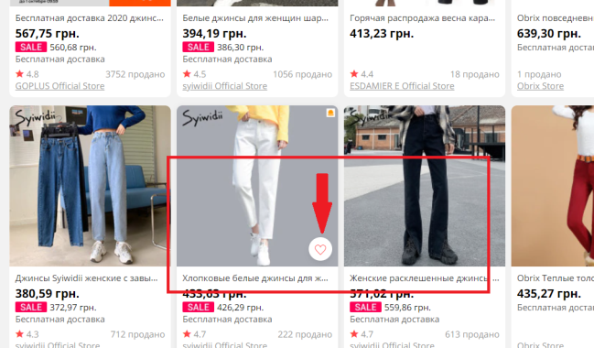 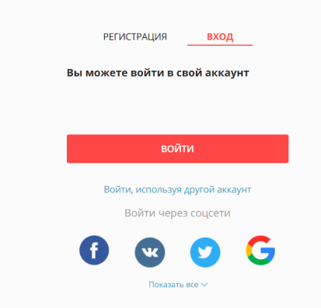
 |  |  |  |  | 1. Open the website https://aliexpress.ru/
 |  |  |  |  | 2. Log in
 |  |  |  |  | 3. Go to the category "Women's Clothing - Jeans"
 |  |  |  |  | 4. Switch view mode to grid
 |  |  |  |  | 5. Navigate to the block of any product
 |  |  |  |  | 6. Click the "Heart" button on the selected product
 |  |  |  |  | Actual result:
 |  |  |  |  | The authorization page opens (after authorization the main page opens. The product is not added to the Wish list)
 |  |  |  |  | Expected result:
 |  |  |  |  | The product was added to the Wish list
2 | Аliexpress | Wish list (category "Women's clothing - Jeans") | 1.0 | The product card page: a new list is not created | STR: | Major | Medium | Opened | Yuliia Krutii | - | Windows 10, Google Chrome v.93.0.4577.82 | 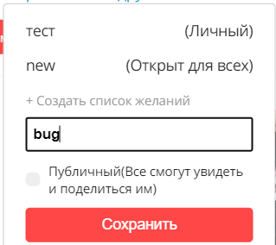 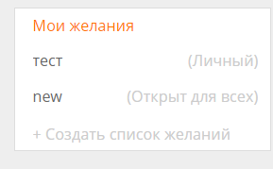
 |  |  |  |  | 1. Open the website https://aliexpress.ru/
 |  |  |  |  | 2. Log in
 |  |  |  |  | 3. Go to the category "Women's Clothing - Jeans"
 |  |  |  |  | 3. Open any product card page in the category
 |  |  |  |  | 4. Click the "Heart" button
 |  |  |  |  | 5. Click the button "Move to another list"
 |  |  |  |  | 6. Create new Wish list
 |  |  |  |  | 7. Check lists via the Wish List menu
 |  |  |  |  | Actual result:
 |  |  |  |  | A new list is not created
 |  |  |  |  | Expected result:
 |  |  |  |  | A new list is created
3 | Аliexpress | Wish list (category "Women's clothing - Jeans") | 1.0 | The product card page: the "Heart" button is not responding at repeated removal | STR: | Trivial | Low | Opened | Yuliia Krutii | - | Windows 10, Google Chrome v.93.0.4577.82 | 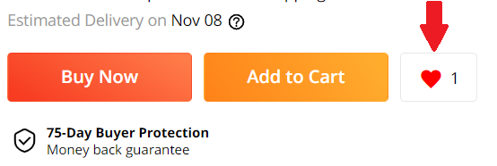
 |  |  |  |  | 1. Open the website https://aliexpress.ru/
 |  |  |  |  | 2. Log in
 |  |  |  |  | 3. Go to the category "Women's Clothing - Jeans"
 |  |  |  |  | 4. Open any product card page in the category
 |  |  |  |  | 5. Click the "Heart" button
 |  |  |  |  | 6. Open the Wish list in a new tab
 |  |  |  |  | 7. Click the "Remove" button for product
 |  |  |  |  | 8. Return to the previous tab with the product
 |  |  |  |  | 9. Click on the "Heart" button to delete the product again
 |  |  |  |  | Actual result:
 |  |  |  |  | The "Heart" button is not responding at repeated removal
 |  |  |  |  | Expected result:
 |  |  |  |  | Error message

