Sheet
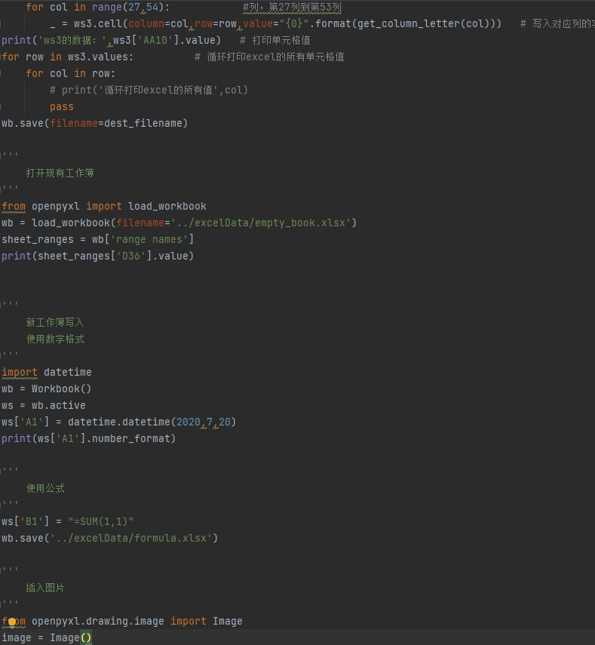
2020-07-20

tubiao
Number | Batch 1 | Batch 2
2 | 40 | 30
3 | 40 | 25
4 | 50 | 30
5 | 30 | 10
6 | 25 | 5
7 | 50 | 10
Number | Batch 1 | Batch 2
2 | 30 | 40
Area Chart
Area Chart
3 | 25 | 40
4 | 30 | 50
5 | 10 | 30
6 | 5 | 25
7 | 10 | 50

