Notes
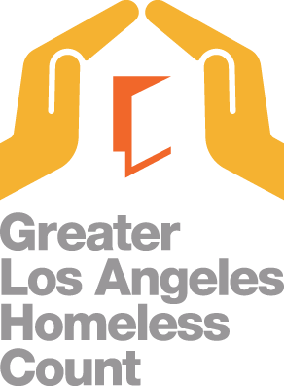

Relevant Components of the Homeless Count
Street Count (all census tract splits): Captures a point in time estimate of the unsheltered population. Starting in 2020, LAHSA surveyed Safe Parking providers for persons staying at their facility.
Shelter Count (from Homeless Management Integration System): Captures the homeless population in emergency shelters, transitional housing, and safe havens. The shelter count in this dataset excludes Cal WORKs hotel/motel vouchers and domestic violence shelters for confidentiality reasons.
Demographic Survey (sample census tracts): Captures the demographic characteristics of the unsheltered homeless population.
Notes
LAHSA does not recommend aggregating census tract-level data to calculate numbers for other geographic levels. Due to rounding, the census tract-level data may not add up to the total for Los Angeles City Council District, Supervisorial District, Service Planning Area, or the Los Angeles Continuum of Care.
The Los Angeles Continuum of Care does not include the Cities of Long Beach, Glendale, and Pasadena and will not equal the countywide Homeless Count Total.
Street Count Data include persons found outside, including persons found living in cars, vans, campers/RVs, tents, and makeshift shelters. A conversion factor list can be found at https://www.lahsa.org/homeless-count/
Last updated 09/08/2022

