Sheet1
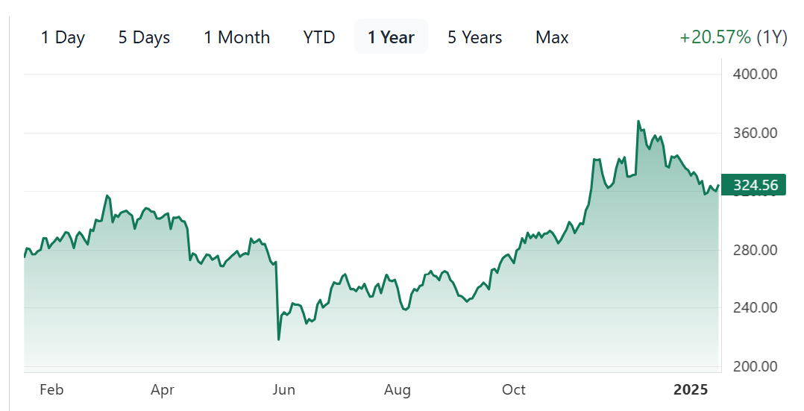
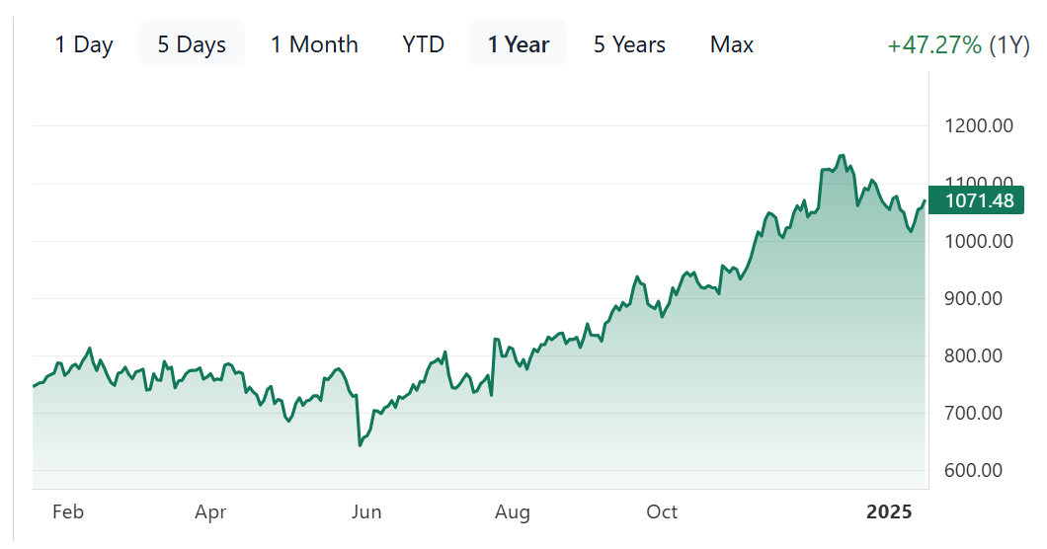
Revenue Growth
Gross Margin

 |  |  |  | Revenue Growth | 2023Q4 | 2024Q1 | 2024Q2 | 2024Q3 | 2024Q4 (E)
 |  |  |  | CRM | 10.77% | 10.74% | 8.39% | 8.30% | 7.00%
 |  |  |  | NOW | 25.62% | 24.19% | 22.19% | 22.25% | 21.50%
 |  |  |  | TEAM | 21.47% | 29.90% | 20.50% | 21.48% | 16.30%
 |  |  |  | WDAY | 16.75% | 18.17% | 16.68% | 15.76% | 15.00%

 |  |  |  | Gross Margin | 2023Q4 | 2024Q1 | 2024Q2 | 2024Q3
 |  |  |  | CRM | 76.87% | 76.33% | 76.85% | 77.71%
 |  |  |  | NOW | 78.83% | 80.02% | 78.99% | 79.12%
 |  |  |  | TEAM | 81.65% | 82.05% | 80.78% | 81.68%
 |  |  |  | WDAY | 76.06% | 75.43% | 75.49% | 75.46%

 |  |  |  | Operating Margin | 2023Q4 | 2024Q1 | 2024Q2 | 2024Q3
 |  |  |  | CRM | 19.33% | 18.80% | 20.18% | 20.64%
 |  |  |  | NOW | 11.08% | 12.75% | 9.14% | 14.94%
 |  |  |  | TEAM | -4.63% | 1.50% | -5.92% | -2.69%
 |  |  |  | WDAY | 4.09% | 3.22% | 5.32% | 7.64%
Operating Margin

Free Cash Flow Margin

 |  |  |  | Free Cash Flow Margin | 2023Q4 | 2024Q1 | 2024Q2 | 2024Q3
 |  |  |  | CRM | 35.06% | 66.62% | 8.10% | 18.84%
 |  |  |  | NOW | 55.15% | 46.33% | 13.63% | 16.77%
 |  |  |  | TEAM | 26.81% | 46.66% | 36.51% | 6.26%
 |  |  |  | WDAY | 49.35% | 14.62% | 24.75% | 16.62%

WDAY | 66.42B | TEAM | 63.13B
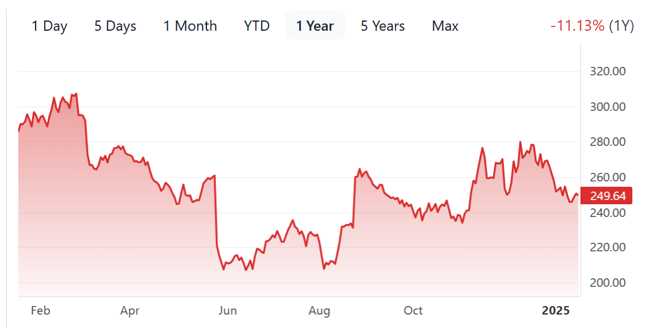
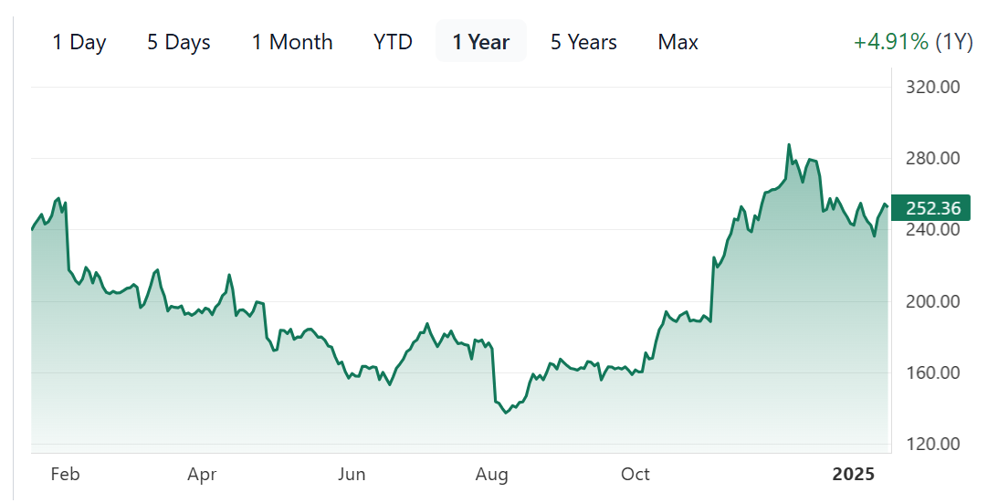

CRM | 310.06B | NOW | 217.4B

