Sheet1
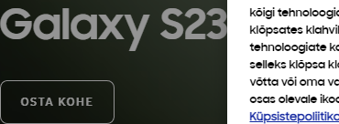
no | 국가 | URL | KV CTA 명 | KV CTA URL | grovari_cta_name | grovari_cta_url | Banner CTA 명 | Banner CTA URL | grovari_cta_name | grovari_cta_url | KV 스샷 | Banner 스샷
1 | EE | https://www.samsung.com/ee/smartphones/galaxy-s23-ultra/ | OSTA KOHE | https://www.samsung.com/ee/smartphones/galaxy-s23-ultra/buy/ | Reserve now | https://www.samsung.com/ee/smartphones/galaxy-s23-ultra/ | OSTA KOHE | https://www.samsung.com/ee/smartphones/galaxy-s23-ultra/buy/ | Reserve now | https://www.samsung.com/ee/smartphones/galaxy-s23-ultra/
2 | CN | https://www.samsung.com/cn/smartphones/galaxy-s23-ultra/ |  |  | N/A | N/A |  |  | N/A | N/A
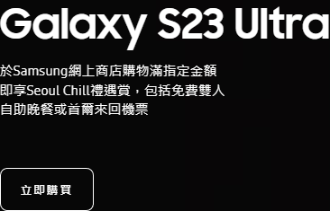
3 | HK | https://www.samsung.com/hk/smartphones/galaxy-s23-ultra/ | 立即購買 | https://www.samsung.com/hk/smartphones/galaxy-s23-ultra/buy/ | Reserve now | /hk/unpacked/ | 立即購買 | https://www.samsung.com/hk/smartphones/galaxy-s23-ultra/buy/ | Reserve now | /hk/unpacked/
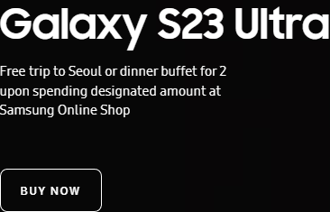
4 | HK_EN | https://www.samsung.com/hk_en/smartphones/galaxy-s23-ultra/ | BUY NOW | https://www.samsung.com/hk_en/smartphones/galaxy-s23-ultra/buy/ | Reserve now | /hk_en/unpacked/ | BUY NOW | https://www.samsung.com/hk_en/smartphones/galaxy-s23-ultra/buy/ | Reserve now | /hk_en/unpacked/
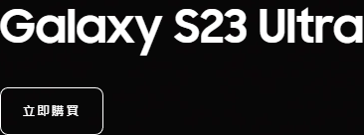
5 | TW | https://www.samsung.com/tw/smartphones/galaxy-s23-ultra/ | 立即購買 | https://www.samsung.com/tw/smartphones/galaxy-s23-ultra/buy/ | N/A | N/A | 立即購買 | https://www.samsung.com/tw/smartphones/galaxy-s23-ultra/buy/ | N/A | N/A
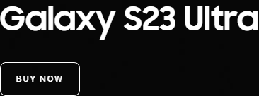
6 | SG | https://www.samsung.com/sg/smartphones/galaxy-s23-ultra/ | BUY NOW | https://www.samsung.com/sg/smartphones/galaxy-s23-ultra/buy/ | 1 | https://www.samsung.com/sg/smartphones/galaxy-s23-ultra/buy/ | BUY NOW | https://www.samsung.com/sg/smartphones/galaxy-s23-ultra/buy/ | Pre-order now | https://www.samsung.com/sg/smartphones/galaxy-s23-ultra/buy/

7 | AU | https://www.samsung.com/au/smartphones/galaxy-s23-ultra/ |  | https://www.samsung.com/au/smartphones/galaxy-s23-ultra/buy/ | BUY NOW | https://www.samsung.com/au/smartphones/galaxy-s23-ultra/buy/ | BUY NOW | https://www.samsung.com/au/smartphones/galaxy-s23-ultra/buy/ | Pre-order now | https://www.samsung.com/au/smartphones/galaxy-s23-ultra/buy/
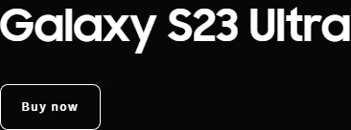
8 | NZ | https://www.samsung.com/nz/smartphones/galaxy-s23-ultra/ |  | https://www.samsung.com/nz/smartphones/galaxy-s23-ultra/buy/ | Pre-order now | https://www.samsung.com/nz/smartphones/galaxy-s23-ultra/buy/ | Buy now | https://www.samsung.com/nz/smartphones/galaxy-s23-ultra/buy/ | Pre-order now | https://www.samsung.com/nz/smartphones/galaxy-s23-ultra/buy/
9 | ID | https://www.samsung.com/id/smartphones/galaxy-s23-ultra/ |  |  | Pre-order now | https://www.samsung.com/id/smartphones/galaxy-s23-ultra/buy/ |  |  | Pre-order now | https://www.samsung.com/id/smartphones/galaxy-s23-ultra/buy/
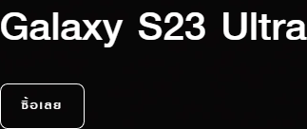
10 | TH | https://www.samsung.com/th/smartphones/galaxy-s23-ultra/ | ซื้อเลย | https://www.samsung.com/th/smartphones/galaxy-s23-ultra/buy/ | Pre-order now | https://www.samsung.com/th/smartphones/galaxy-s23-ultra/buy/ | ซื้อเลย | https://www.samsung.com/th/smartphones/galaxy-s23-ultra/buy/ | Pre-order now | https://www.samsung.com/th/smartphones/galaxy-s23-ultra/buy/

