Sales Data Analysis
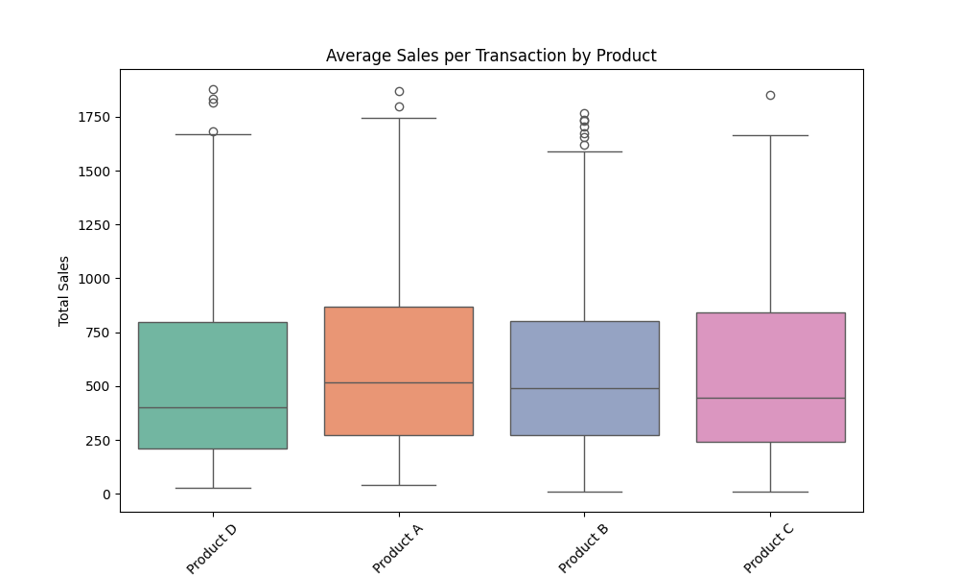
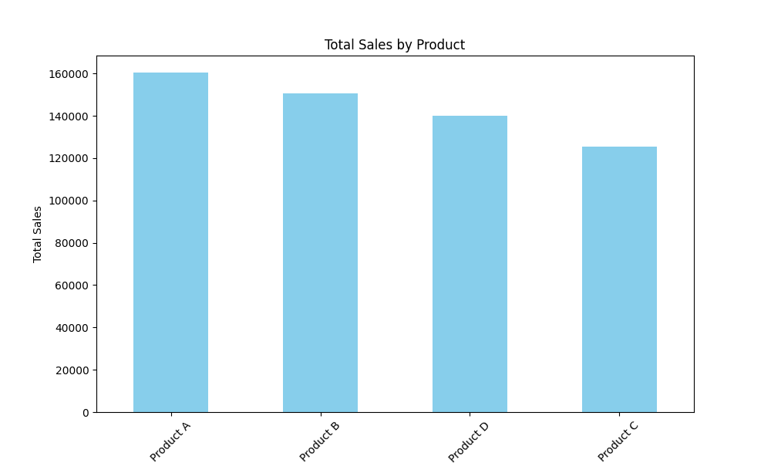
Key Metrics
Total Sales | 576274.31
Average Sales per Transaction | 576.27431
Total Quantity Sold | 10404
Average Quantity Sold per Transaction | 10.404

Sales by Product
Product | Total Sales
Product A | 160447.52
Product B | 150465.64
Product D | 140025.83
Product C | 125335.32

Average Sales by Product
Product | Total Sales
Product A | 624.30941634
Product B | 587.75640625
Product C | 552.13797357
Product D | 538.56088462
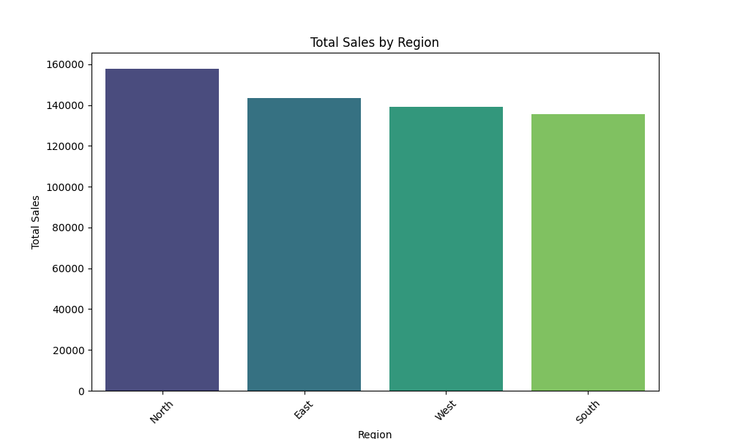
Sales by Region
Region | Total Sales
North | 157794.12
East | 143603.25
West | 139208.77
South | 135668.17

Average Sales by Region
Region | Total Sales
North | 590.98921348
West | 575.24285124
South | 570.03432773
East | 567.60177866

Sales Over Time
Month | Total Sales
2023-01 | 41204.21
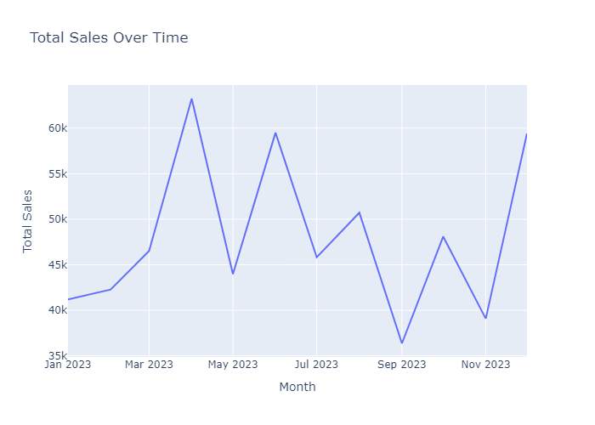
2023-02 | 42275.53
2023-03 | 46525.92
2023-04 | 63251.7
2023-05 | 43979.58
2023-06 | 59508.97
2023-07 | 45822.45
2023-08 | 50723.21
2023-09 | 36367.74
2023-10 | 48099.57
2023-11 | 39085.5
2023-12 | 59429.93

