literature review
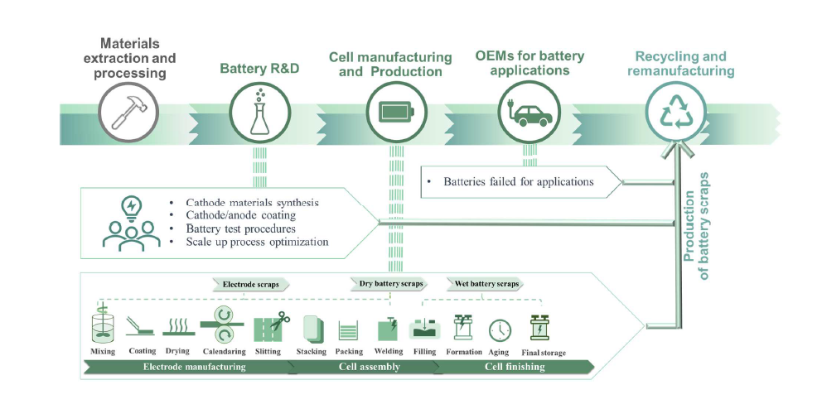
Yu et al., 2024 https://www.sciencedirect.com/science/article/abs/pii/S0378775323013319#:~:text=Manufacturing%20scraps%20refer%20to%20the,manufacturing%20scraps%20and%20spent%20batteries.&text=Not%20yet%20undergone%20cycling%20and,end%20of%20its%20operational%20lifespan.&text=Primarily%20from%20the%20used%20EVs%2C%20electronic%20devices%2C%20etc.

"It’s reported that the scrap rate should be maintained below 10% to ensure profitability in battery manufacturing plants"

"Circular Energy Storage (CES) estimates a global average scrap rate of 7.67% for 2023 and anticipates a decline to 4.34% by 2030 due to continuous improvements in the production process. However, at the current stage, given that many gigafactories are still taking steps to build plants and improve the manufacturing process, the rapid growth of the new production line results in high initial scrap rates."

The ICCT data includes IRA-funded projecgts that are mostly planned facilities
The NAATBatt data includes mostly those that are already commercial

Operating capacity: https://www.broadn.io/blogs/on-us-manufacturing-capacity-utilization

User Agreement
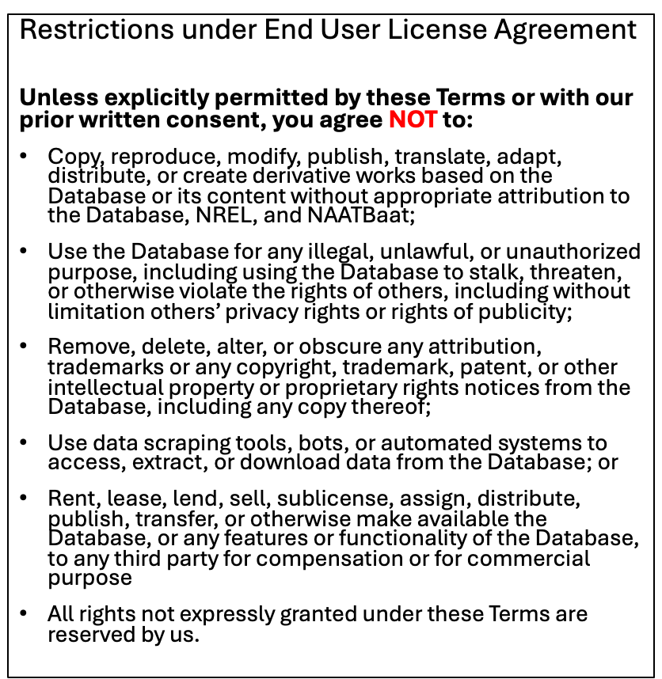
To access and use the Database, you are required to provide certain information and/or answer certain questions and need to accept the terms of the End User License Agreement

Map Instructions for Excel
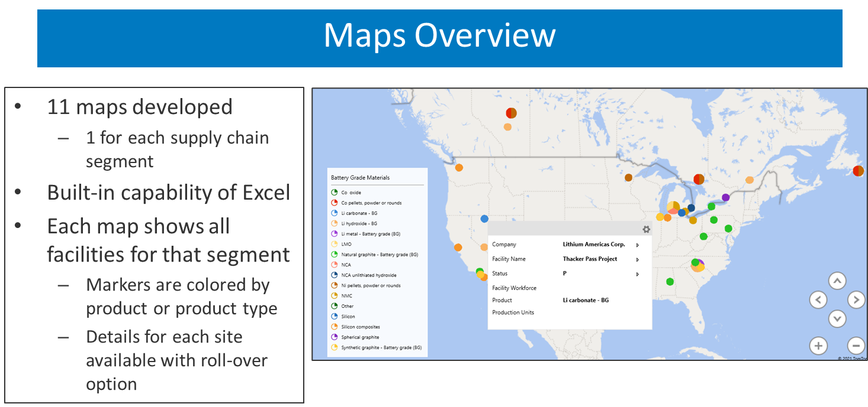
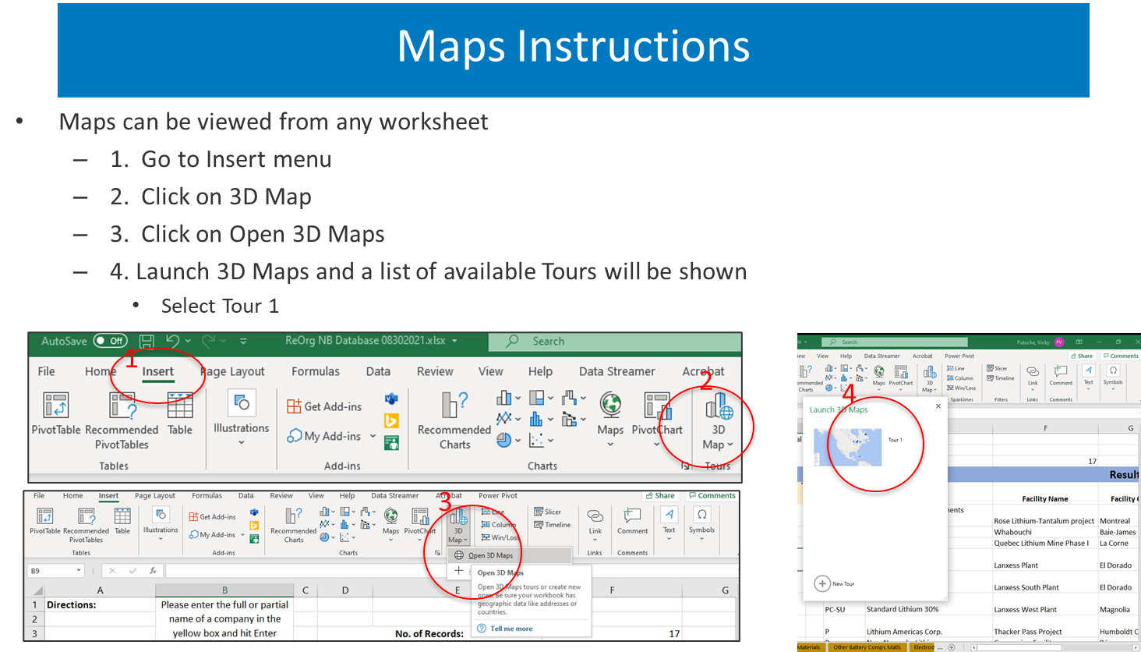
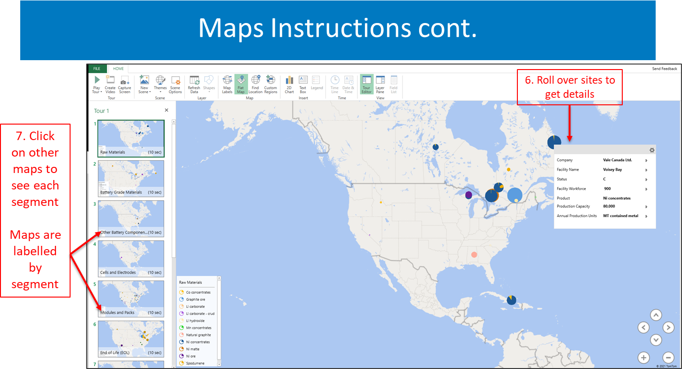
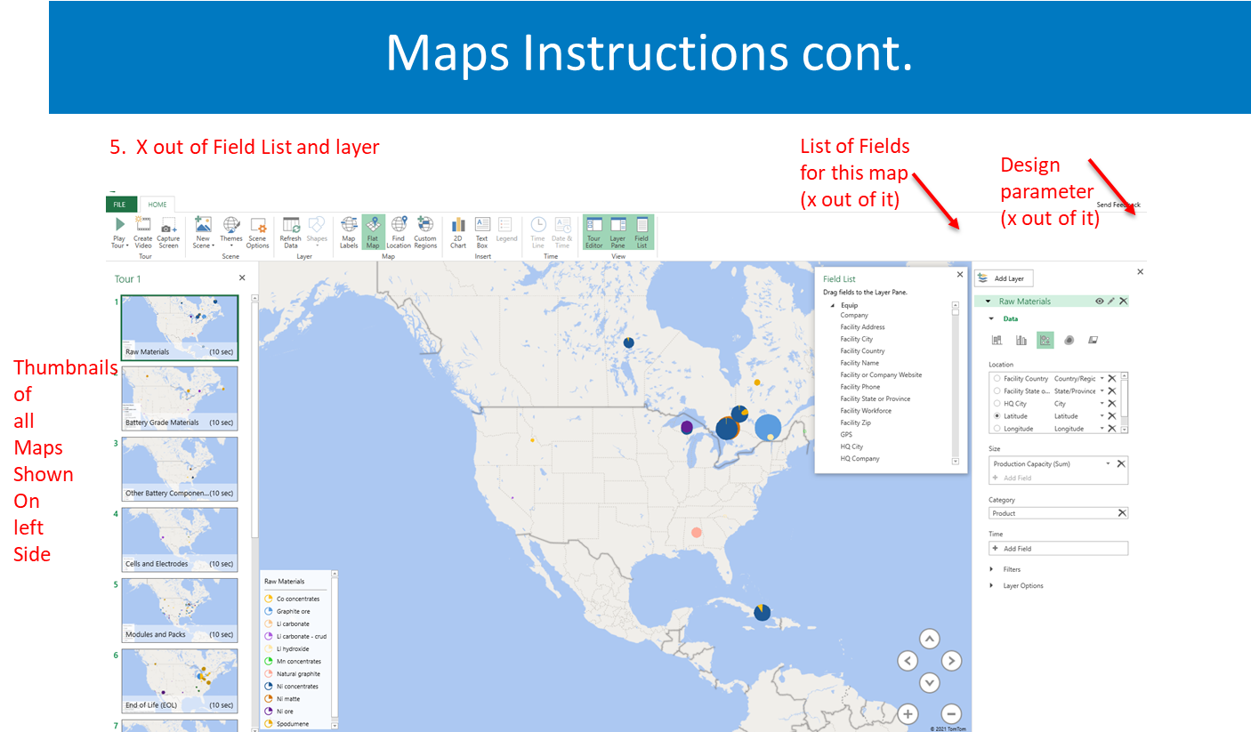
1
2
4
3

