LogReg
 |  |  |  | After | Before |  | 1 |  | 2 |  | 3 |  | 4 |  | 5 |  | 6
 |  |  | b0 | 12.482977066 | 0.1 |  | X1 | 15 | X1 | 73 | X1 | 10 | X1 | 35 | X1 | 59 | X1 | 22
 |  |  | b1 | -0.11703238551 | 0.1 |  | X2 | 4 | X2 | 5 | X2 | 6 | X2 | 4 | X2 | 3 | X2 | 6
 |  |  | b2 | -1.4691556482 | 0.1 |  | L | 4.8508686899 | L | -3.4061653181 | L | 2.497719321 | L | 2.5102209796 | L | 1.1705993755 | L | 1.0933306949
DataSet |  |  | L= Logit | e(natural logarithm) | P(X) = eL / (1 + eL) | Pr(Y=y|X) = P(X)Y * [1-P(X)](1-Y) | eL | 127.85135956 | eL | 0.033168154359 | eL | 12.154739046 | eL | 12.307647244 | eL | 3.2239241253 | eL | 2.9841967496
 |  |  | L= b0+b1*x1+b2*x2 | 2.71828163 |  |  | P(X) | 99% | P(X) | 3% | P(X) | 92% | P(X) | 92% | P(X) | 76% | P(X) | 75%
X1 | X2 | Y |  |  |  |  | Prediction | 1 | Prediction | 0 | Prediction | 1 | Prediction | 1 | Prediction | 1 | Prediction | 1
MC Age(months) | Avg number of shift/week | MC meets spec | L | eL | P(X) | Pr
78 | 8 | 0 | -8.4 | 0.00 | 0.0002250880969 | -0.000225
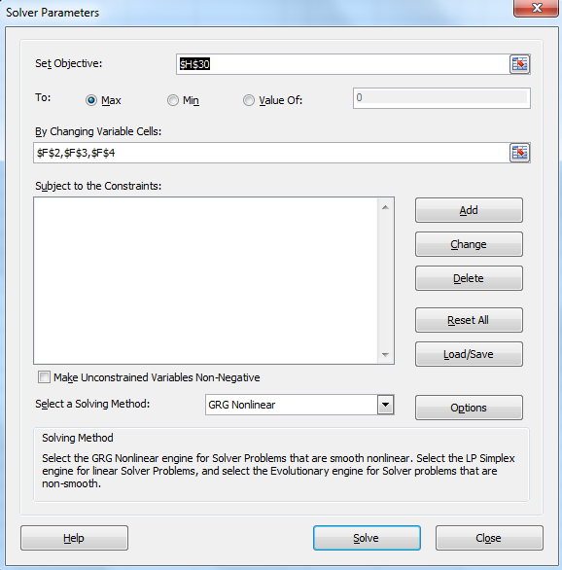
73 | 5 | 0 | -3.4 | 0.03 | 0.032103345635 | -0.032630
73 | 8 | 0 | -7.8 | 0.00 | 0.00040402419298 | -0.000404
71 | 7 | 0 | -6.1 | 0.00 | 0.0022147215927 | -0.002217
68 | 5 | 0 | -2.8 | 0.06 | 0.056199699668 | -0.057841
59 | 4 | 0 | -0.3 | 0.74 | 0.42591045753 | -0.554970
57 | 7 | 0 | -4.5 | 0.01 | 0.011295868147 | -0.011360
49 | 5 | 0 | -0.6 | 0.55 | 0.35494150023 | -0.438414
35 | 4 | 0 | 2.5 | 12.31 | 0.92485523687 | -2.588339
27 | 7 | 0 | -1.0 | 0.38 | 0.27668066243 | -0.323904
59 | 3 | 1 | 1.2 | 3.22 | 0.76325332314 | -0.270165
57 | 4 | 1 | -0.1 | 0.94 | 0.48388271156 | -0.725913
44 | 5 | 1 | 0.0 | 0.99 | 0.49694350374 | -0.699279
38 | 5 | 1 | 0.7 | 1.99 | 0.66595983585 | -0.406526
36 | 2 | 1 | 5.3 | 206.75 | 0.99518647037 | -0.004825
36 | 4 | 1 | 2.4 | 10.95 | 0.9163064095 | -0.087404
22 | 5 | 1 | 2.6 | 12.97 | 0.9284078804 | -0.074284
22 | 6 | 1 | 1.1 | 2.98 | 0.74900837914 | -0.289005
15 | 4 | 1 | 4.9 | 127.85 | 0.99223911953 | -0.007791
10 | 6 | 1 | 2.5 | 12.15 | 0.92398176836 | -0.079063

 |  |  |  |  | LL(Log-Likelihood) | -6.654560484

LogReg(without b0)
 |  |  |  | After | Before |  | test_1 |  | test_2 |  | test_3 |  | test_4 |  | test_5 |  | test_6
 |  |  |  |  |  |  | X1 | 15 | X1 | 73 | X1 | 10 | X1 | 35 | X1 | 59 | X1 | 22
 |  |  | b1 | -0.027432344309 | 0.1 |  | X2 | 4 | X2 | 5 | X2 | 6 | X2 | 4 | X2 | 3 | X2 | 6
 |  |  | b2 | 0.17539944283 | 0.1 |  | L | 0.29011260669 | L | -1.1255639204 | L | 0.7780732139 | L | -0.2585342795 | L | -1.0923099857 | L | 0.44888508219
DataSet |  |  | L= Logit | e(natural logarithm) | P(X) = eL / (1 + eL) | Pr(Y=y|X) = P(X)Y * [1-P(X)](1-Y) | eL | 1.3365779589 | eL | 0.32446946748 | eL | 2.1772729581 | eL | 0.77218257514 | eL | 0.33544076149 | eL | 1.5665645693
 |  |  | L= b0+b1*x1+b2*x2 | 2.71828163 |  |  | P(X) | 57% | P(X) | 24% | P(X) | 69% | P(X) | 44% | P(X) | 25% | P(X) | 61%
X1 | X2 | Y |  |  |  |  | Prediction | 1 | Prediction | 0 | Prediction | 1 | Prediction | 0 | Prediction | 0 | Prediction | 1
MC Age(months) | Avg number of shift/week | MC meets spec | L | eL | P(X) | Pr
78 | 8 | 0 | -0.7 | 0.48 | 0.32376400274 | -0.391213
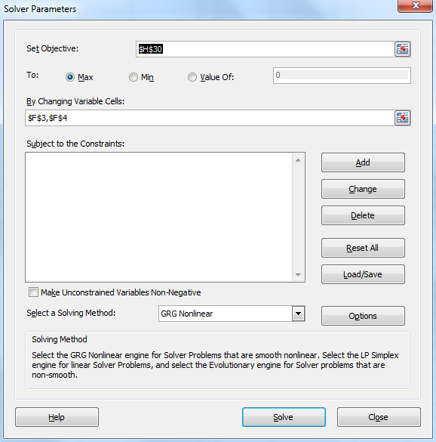
73 | 5 | 0 | -1.1 | 0.32 | 0.24498070771 | -0.281012
73 | 8 | 0 | -0.6 | 0.55 | 0.35448885977 | -0.437713
71 | 7 | 0 | -0.7 | 0.49 | 0.32741493935 | -0.396627
68 | 5 | 0 | -1.0 | 0.37 | 0.27122780305 | -0.316394
59 | 4 | 0 | -0.9 | 0.40 | 0.28558782413 | -0.336295
57 | 7 | 0 | -0.3 | 0.71 | 0.41681851996 | -0.539257
49 | 5 | 0 | -0.5 | 0.63 | 0.38528211119 | -0.486592
35 | 4 | 0 | -0.3 | 0.77 | 0.43572405348 | -0.572212
27 | 7 | 0 | 0.5 | 1.63 | 0.61942839615 | -0.966081
59 | 3 | 1 | -1.1 | 0.34 | 0.25118355764 | -1.381571
57 | 4 | 1 | -0.9 | 0.42 | 0.2969120985 | -1.214319
44 | 5 | 1 | -0.3 | 0.72 | 0.41823431854 | -0.871713
38 | 5 | 1 | -0.2 | 0.85 | 0.45873610089 | -0.779280
36 | 2 | 1 | -0.6 | 0.53 | 0.34597807644 | -1.061380
36 | 4 | 1 | -0.3 | 0.75 | 0.42899159494 | -0.846318
22 | 5 | 1 | 0.3 | 1.31 | 0.56794841851 | -0.565725
22 | 6 | 1 | 0.4 | 1.57 | 0.61037411178 | -0.493683
15 | 4 | 1 | 0.3 | 1.34 | 0.5720236955 | -0.558575
10 | 6 | 1 | 0.8 | 2.18 | 0.68526468667 | -0.377950

 |  |  |  |  | LL(Log-Likelihood) | -12.873910173

