svm
 |  |  |  |  |  |  |  |  |  | w1 | 0.267 |  |  | New Observation |  |  | Source : | https://quantmacro.wordpress.com/2016/06/21/support-vector-machines-without-tears-part-2/
 | C | 0.25 |  |  |  |  |  |  |  | w2 | 0.333 |  |  | x1 | x2 | Model
 | Max | 1,358 |  |  |  |  |  |  |  | b | -5.133 |  |  | 14 | 3 | -1

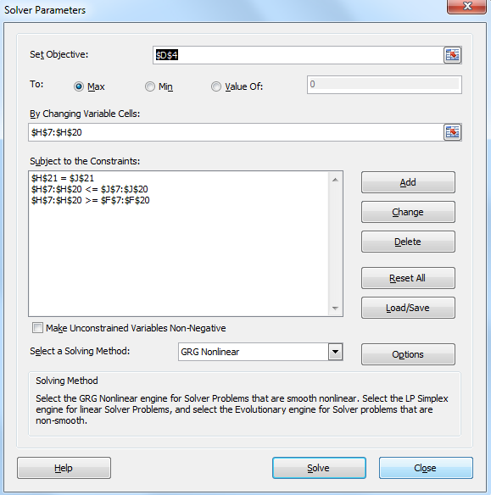
i | yi | x1 | x2 |  |  | Alpha |  |  |  | w1 | w2
1 | 1 | 6 | 15 | 0 | <= | - | <= | 0.25 |  | - | -
2 | 1 | 8 | 12 | 0 | <= | 0.196 | <= | 0.25 |  | 1.56 | 2.35
3 | 1 | 12 | 13 | 0 | <= | - | <= | 0.25 |  | - | -
4 | 1 | 10 | 10 | 0 | <= | 0.250 | <= | 0.25 |  | 2.50 | 2.50
5 | 1 | 15 | 10 | 0 | <= | - | <= | 0.25 |  | - | -
6 | 1 | 13 | 8 | 0 | <= | 0.029 | <= | 0.25 |  | 0.38 | 0.23
7 | 1 | 4 | 7 | 0 | <= | 0.250 | <= | 0.25 |  | 1.00 | 1.75
8 | -1 | 11 | 10 | 0 | <= | 0.250 | <= | 0.25 |  | -2.75 | -2.50
9 | -1 | 3 | 10 | 0 | <= | 0.224 | <= | 0.25 |  | -0.67 | -2.24
10 | -1 | 7 | 7 | 0 | <= | 0.250 | <= | 0.25 |  | -1.75 | -1.75
11 | -1 | 4 | 6 | 0 | <= | - | <= | 0.25 |  | - | -
12 | -1 | 3 | 4 | 0 | <= | - | <= | 0.25 |  | - | -
13 | -1 | 7 | 4 | 0 | <= | - | <= | 0.25 |  | - | -
14 | -1 | 10 | 2 | 0 | <= | - | <= | 0.25 |  | - | -
 |  |  |  |  |  | 0.00 | = | 0

 | H | j
 |  | 1 | 2 | 3 | 4 | 5 | 6 | 7 | 8 | 9 | 10 | 11 | 12 | 13 | 14
i | 1 | 261 | 228 | 267 | 210 | 240 | 198 | 129 | -216 | -168 | -147 | -114 | -78 | -102 | -90
 | 2 | 228 | 208 | 252 | 200 | 240 | 200 | 116 | -208 | -144 | -140 | -104 | -72 | -104 | -104
 | 3 | 267 | 252 | 313 | 250 | 310 | 260 | 139 | -262 | -166 | -175 | -126 | -88 | -136 | -146
 | 4 | 210 | 200 | 250 | 200 | 250 | 210 | 110 | -210 | -130 | -140 | -100 | -70 | -110 | -120
 | 5 | 240 | 240 | 310 | 250 | 325 | 275 | 130 | -265 | -145 | -175 | -120 | -85 | -145 | -170
 | 6 | 198 | 200 | 260 | 210 | 275 | 233 | 108 | -223 | -119 | -147 | -100 | -71 | -123 | -146
 | 7 | 129 | 116 | 139 | 110 | 130 | 108 | 65 | -114 | -82 | -77 | -58 | -40 | -56 | -54
 | 8 | -216 | -208 | -262 | -210 | -265 | -223 | -114 | 221 | 133 | 147 | 104 | 73 | 117 | 130
 | 9 | -168 | -144 | -166 | -130 | -145 | -119 | -82 | 133 | 109 | 91 | 72 | 49 | 61 | 50
 | 10 | -147 | -140 | -175 | -140 | -175 | -147 | -77 | 147 | 91 | 98 | 70 | 49 | 77 | 84
 | 11 | -114 | -104 | -126 | -100 | -120 | -100 | -58 | 104 | 72 | 70 | 52 | 36 | 52 | 52
 | 12 | -78 | -72 | -88 | -70 | -85 | -71 | -40 | 73 | 49 | 49 | 36 | 25 | 37 | 38
 | 13 | -102 | -104 | -136 | -110 | -145 | -123 | -56 | 117 | 61 | 77 | 52 | 37 | 65 | 78
 | 14 | -90 | -104 | -146 | -120 | -170 | -146 | -54 | 130 | 50 | 84 | 52 | 38 | 78 | 104

 | Hyperplane
 | x2 | x1 | -1 | 1
 | - | 19.3 | 15.50 | 23.00
 | 1.0 | 18.0 | 14.25 | 21.75
 | 2.0 | 16.8 | 13.00 | 20.50
 | 3.0 | 15.5 | 11.75 | 19.25
 | 4.0 | 14.3 | 10.50 | 18.00
 | 5.0 | 13.0 | 9.25 | 16.75
 | 6.0 | 11.8 | 8.00 | 15.50
 | 7.0 | 10.5 | 6.75 | 14.25
 | 8.0 | 9.2 | 5.50 | 13.00
 | 9.0 | 8.0 | 4.25 | 11.75
 | 10.0 | 6.7 | 3.00 | 10.50
 | 11.0 | 5.5 | 1.75 | 9.25
 | 12.0 | 4.2 | 0.50 | 8.00
 | 13.0 | 3.0 | -0.75 | 6.75
 | 14.0 | 1.7 | -2.00 | 5.50
 | 15.0 | 0.5 | -3.25 | 4.25
 | 16.0 | -0.8 | -4.50 | 3.00

