locations
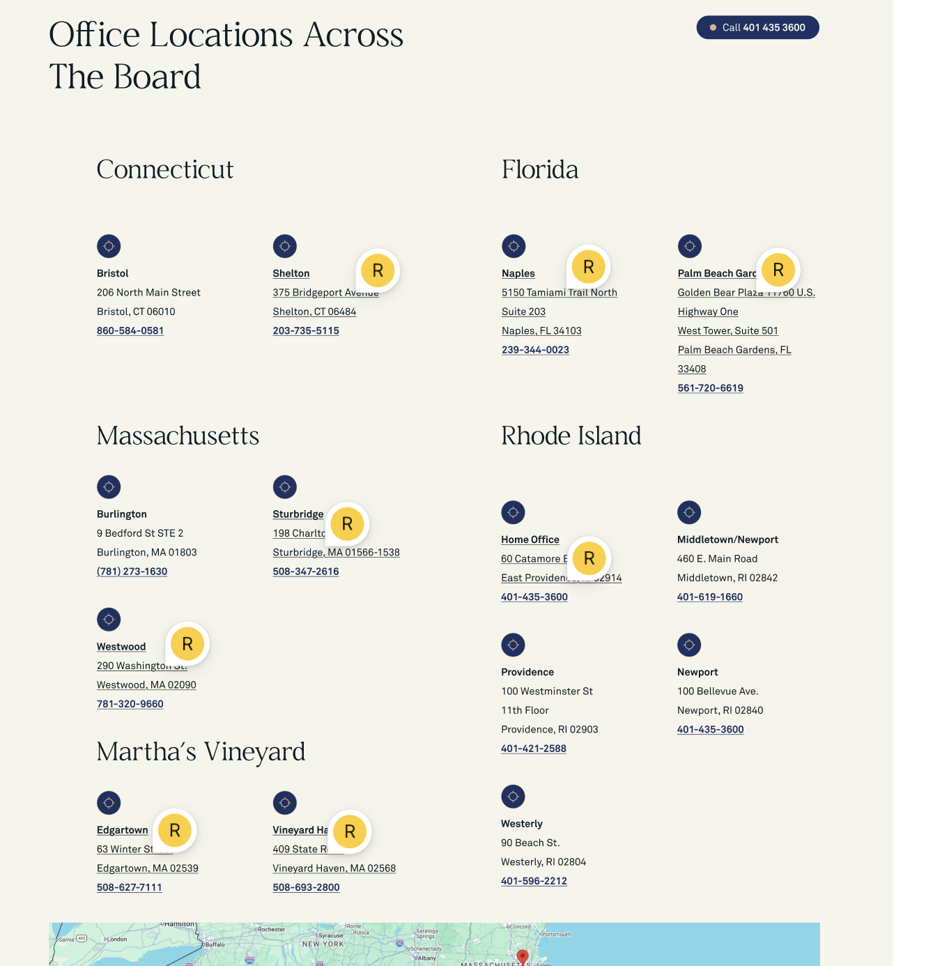
 | components page | https://www.figma.com/design/AjNmg90WhsifvM1FAEMYGd/Website?node-id=631-3835&t=lwn3C8VW7Wak7p4U-1 | done
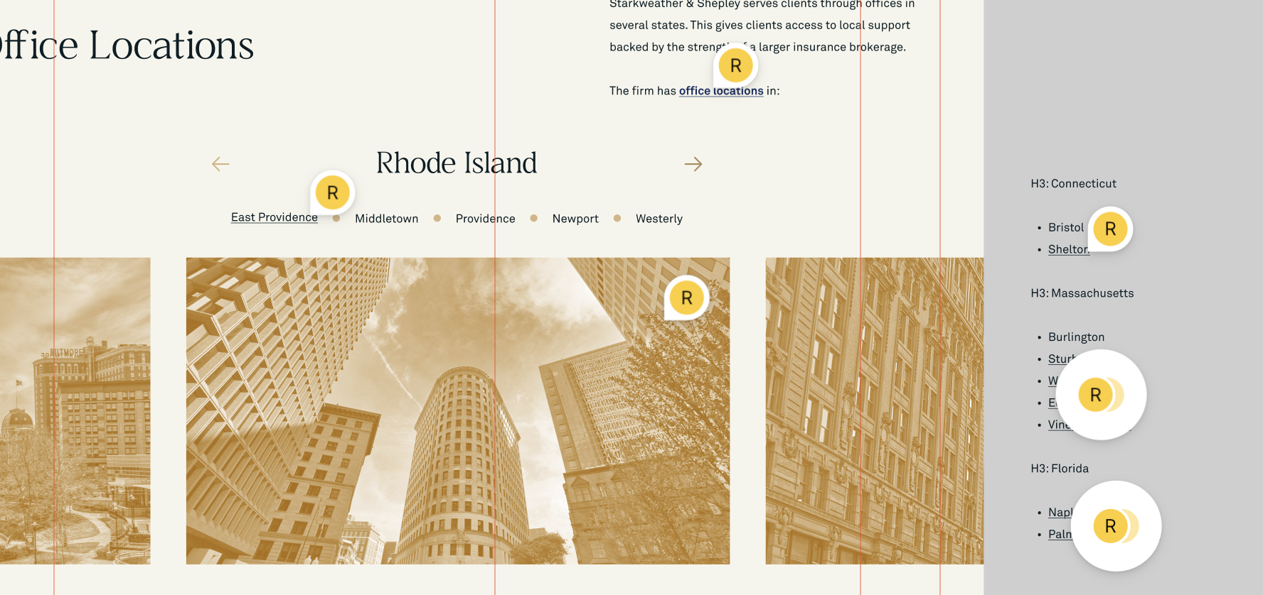 | Home page | https://www.figma.com/design/AjNmg90WhsifvM1FAEMYGd/Website?node-id=0-1&t=lwn3C8VW7Wak7p4U-1 | done
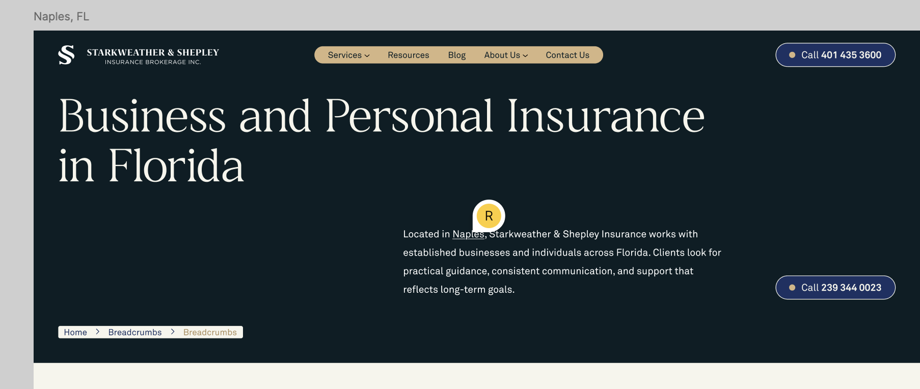 | Naples, FL page | https://www.figma.com/design/AjNmg90WhsifvM1FAEMYGd/Website?node-id=715-1458&t=lwn3C8VW7Wak7p4U-1 | done
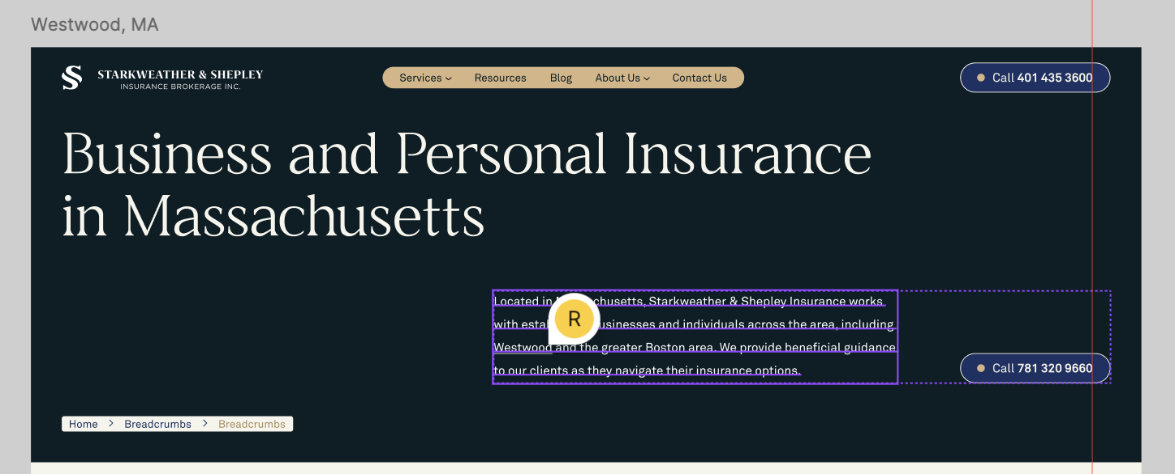 | Westwood page | https://www.figma.com/design/AjNmg90WhsifvM1FAEMYGd/Website?node-id=612-892&t=lwn3C8VW7Wak7p4U-1 | done

