1. Title Page
Project Name: Instacart Grocery Basket Analysis
Date: 20.06.2023
Analyst Name: Yusuf Salk

Contents:
Population Flow
Consistency checks
Wrangling steps
Column derivations
Visualizations
Recommendations

Data Citation:
The Instacart Online Grocery Shopping Dataset 2017”, Accessed from www.instacart.com/datasets/grocery-shopping-2017 via Kaggle on 01.06.2023.
The customer data set and the “prices” column in the products data set, were both fabricated by CareerFoundry.

2. Population Flow
Title page

Population flow

Exclusion flag
Condition: max_order < 5
Obervations to be removed: 1440295
Final total count of order_products_all: 32404859 (decided to mark the outliers as missing values instead of removing)

Orders_products_combined
Orders_products_merged
Orders_products_all

Total: 32404859
Total: 32434489
Total: 32404859

1.) The grey boxes in the first row of the population flow represent the original data sets as they were when you downloaded them. In the Total fields you need to add the count of the rows when you imported the data set into Jupyter.
2.) The second row of boxes (coloured) represents the data sets after you manipulated them, e.g., removed missing values and duplicates. In the Total fields you need to add the count of the rows after conducting these operations. This offers a visual oveview of how the data flows throughout the data consistency checks.
3.) The third row, where also the arrows are coloured, represents the merges you performed between the datasets. In the Total fields you need to add the count of the rows in the merged datasets, so that you end up with the final dataset (in the red box). Keep in mind the final dataset should be without exclusions (based on the exclusion flag).

3. Consistency checks
 |  |  |  | Title page
Consistency checks

Dataset | Missing values | Missing values treatment | Duplicates
orders | 206209 | No treatment doen | No duplicates found
products | 16 | Missing values were removed | 5 duplicates were found and removed
orders_products_prior | No missing values found |  | No duplicates found
customers | No missing values found |  | No duplicates found

4. Wrangling steps
 |  |  |  | Title page
Wrangling steps

Columns dropped | Columns renamed | Columns' type changed | Comment/Reason
eval_set |  |  | This column from orders contains system information that acts as a label for the entire data set. It has one value—prior—which indicates that this was the prior data set released by Instacart. This makes it a bit irrelevant for our purposes.
 | order_dow |  | Column name was not self-explanatory. It has been renamed as orders_day_of_week.
 |  | order_id | It does not represent real numeric values, rather, keys related to specific orders.
 |  | user_id | It does not represent real numeric values, rather, keys related to specific users.
 | days_since_prior_order |  | Column name was not self-explanatory. It has been renamed as days_since_last_order.
 | Surnam |  | Column name was not self-explanatory. It has been renamed as last_name.
 | Gender |  | Renamed in lowercase to be consistent with other column names.
 | STATE |  | Renamed in lowercase to be consistent with other column names.
 | Age |  | Renamed in lowercase to be consistent with other column names.
first_name |  |  | Column was removed since it contains PII.
last_name |  |  | Column was removed since it contains PII.

5. Column derivations
 |  |  |  |  | Title page

Column derivations and aggregations

In this tab you should add tables below that the frequences of flags/label variables that you produced after deriving them. NB: don't do this for continuous variables, only for flags.
Dataset | New column | Column/s it was derived from | Conditions | Frequency
orders_products_merged | price_range_loc | prices | prices>15 prices<=15 & prices>5 price<=5 | High-range product 417678 Mid-range product 21860860 Low-range prodcut 10126321
orders_products_merged | busiest_day | orders_day_of_week | if day is 0 if day is 4 else | Busiest day 6204182 Least busy 3783802 Regularly busy 22416875
orders_products_merged | busiest_days | orders_day_of_week | if day is 0 or 1 if day is 3 or 4 else | Busiest days 11864412 Least busy days 7624336 Regularly busy 12916111
orders_products_merged | busiest_period_of_day | order_hour_of_day | if hour in 10,11,14,15,13,12,16,9 if hour in 17,8,18,19,20,7,21,22 else | Most orders 21118071 Average orders 9997651 Fewest orders 1289137
orders_products_merged_updated | loyalty_flag | max_order | max_order>40 max_order<=40 & max_order>10 max_order<=10 | Loyal customer 10284093 Regular customer 15876776 New customer 6243990
orders_products_merged_updated | spending_flag | mean_price | mean_price<10 mean_price>=10 | Low spender 31770614 High spender 634245
orders_products_merged | frequency_flag | median_of_days | median_of_days<=10 median_of_days>10 & median_of_days<=20 median_of_days>20 | Frequent customer 21559853 Regular customer 7208564 Non-frequent customer 3636437
ords_prods_cust_merged | region | state | According to regions and states | South 10791885 West 8292913 Midwest 7597325 Northeast 5722736
ords_prods_cust_merged | activity_of_customer | max_order | max_order>=5 max_order<5 | High-activity customer 30964564 Low-activity customer 1440295
ords_prods_cust_merged | age_flag | age | age<=25 age>25 & age<=44 age>44 & age<=64 age>=65 | Young adult 4045189 Adult 9644895 Middle-age 10139691 Old age 8575084
ords_prods_cust_merged | income_flag | income | income<=50000 income>50000 & income<=150000 income>150000 | Low income 3594083 Middle income 24759936 High income 4050840
ords_prods_cust_merged | fam_depent_flag | fam_status & n_dependants | fam_status=married & n_depandants=1 fam_status=married & n_depandants>1 fam_status!=married & n_depandants=0 fam_status!=married & n_depandants>0 | Married with no dependents 7550904 Married with dependents 15205849 Single with no dependents 8097503 Single with dependents 1550603

6. Visualizations
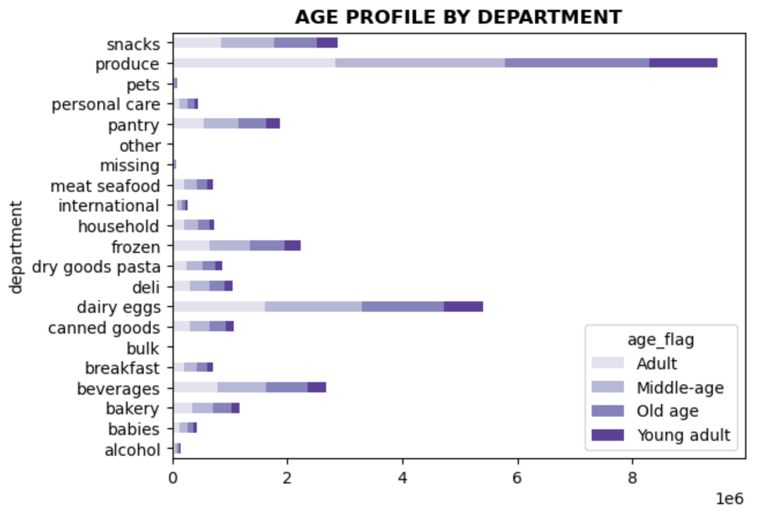
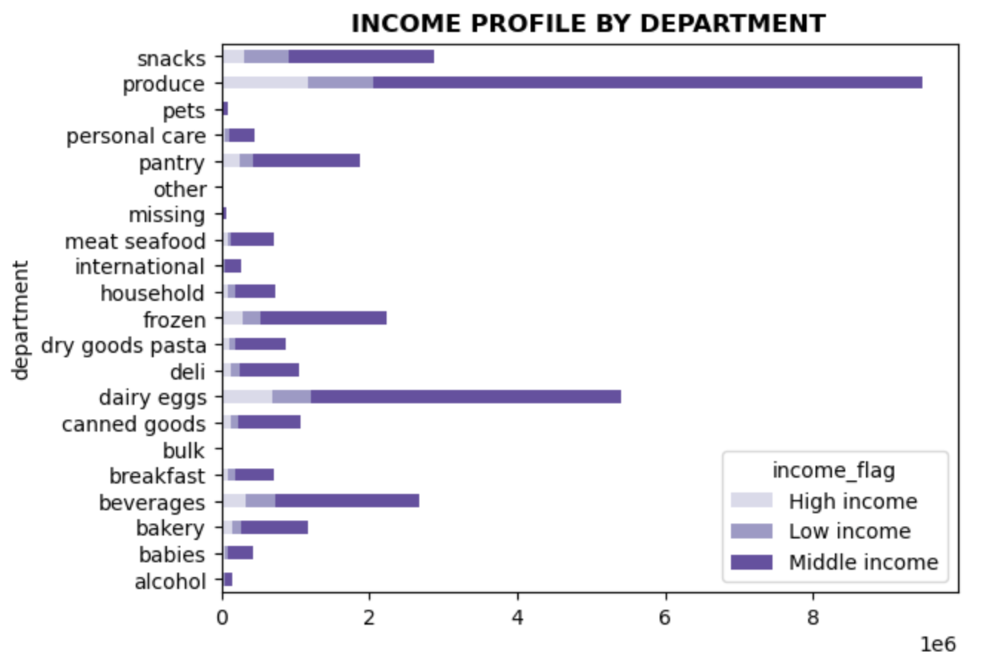
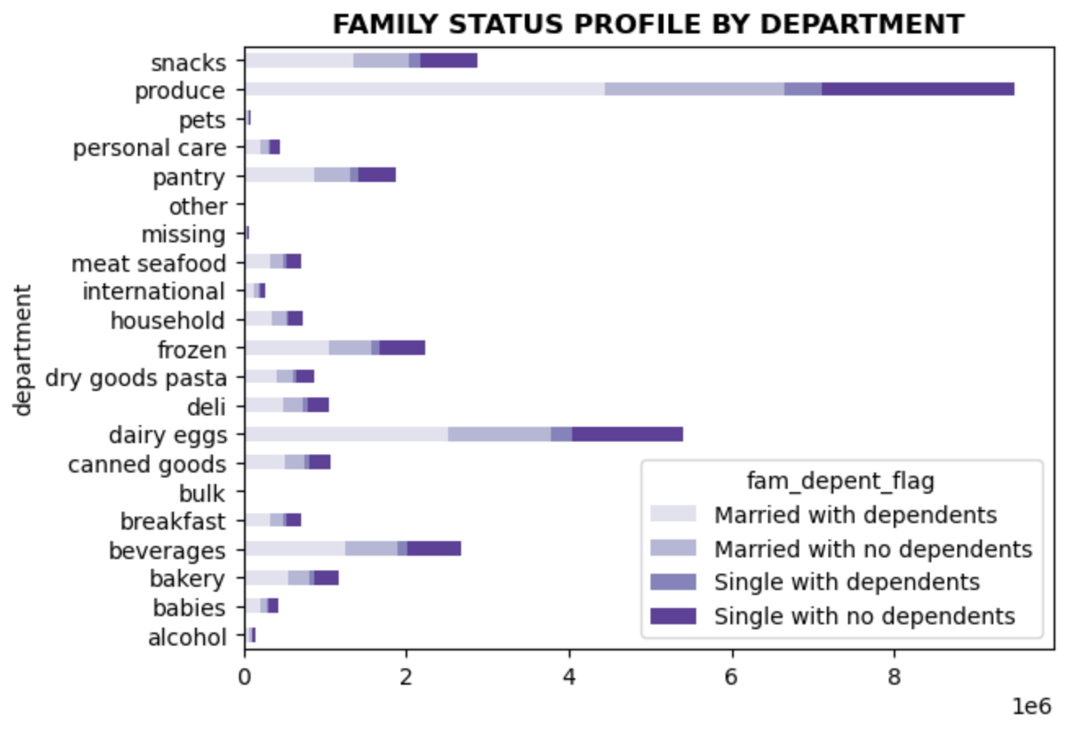
 |  |  |  | Title page

Visualisations

1. What are the busiest days of the week and hours of the day?

It can be seen from the chart that the busiest days are Saturday and Sunday. So, people tend to place more order on the weekend.
Most of the orders are placed between 9am and 4pm.




 |  | 0=Saturday
 |  | 1=Sunday
 |  | 2=Monday
 |  | 3=Tuesday
 |  | 4=Wednesday
 |  | 5=Thursday
 |  | 6=Friday

2. Are there particular times of the day when people spend the most money?

In the first line chart below, the peak is occurred at 3am and the bottom at 10am. And on a daily basis, the peaks take place on Saturday and Sunday.
But prices fluctuate in a very small range. Therefore, it can be said that there is no significant difference.
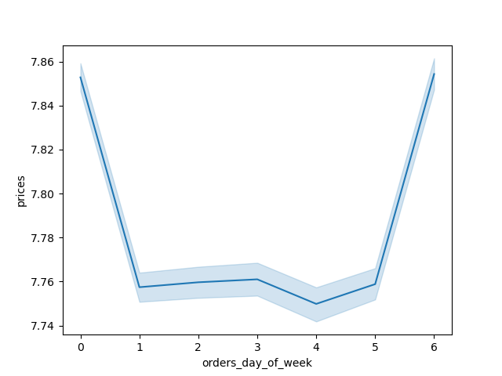


3. Define simpler price range groups to help direct the efforts.

67% of the products are in the middle-range, while 31% of them is in the low-range. Only 1% of them are in the high-range.

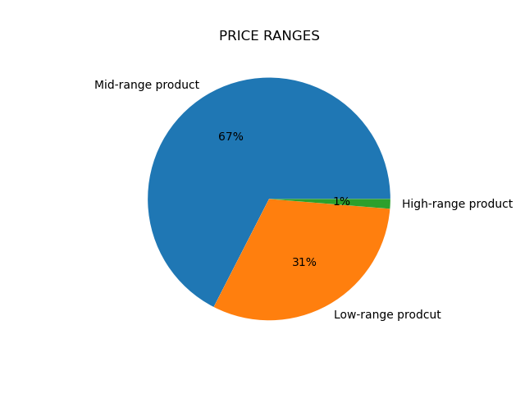

4. Which departments have the highest frequency of product orders?

Produce, dairy eggs and snacks are the top three departments, respectively.

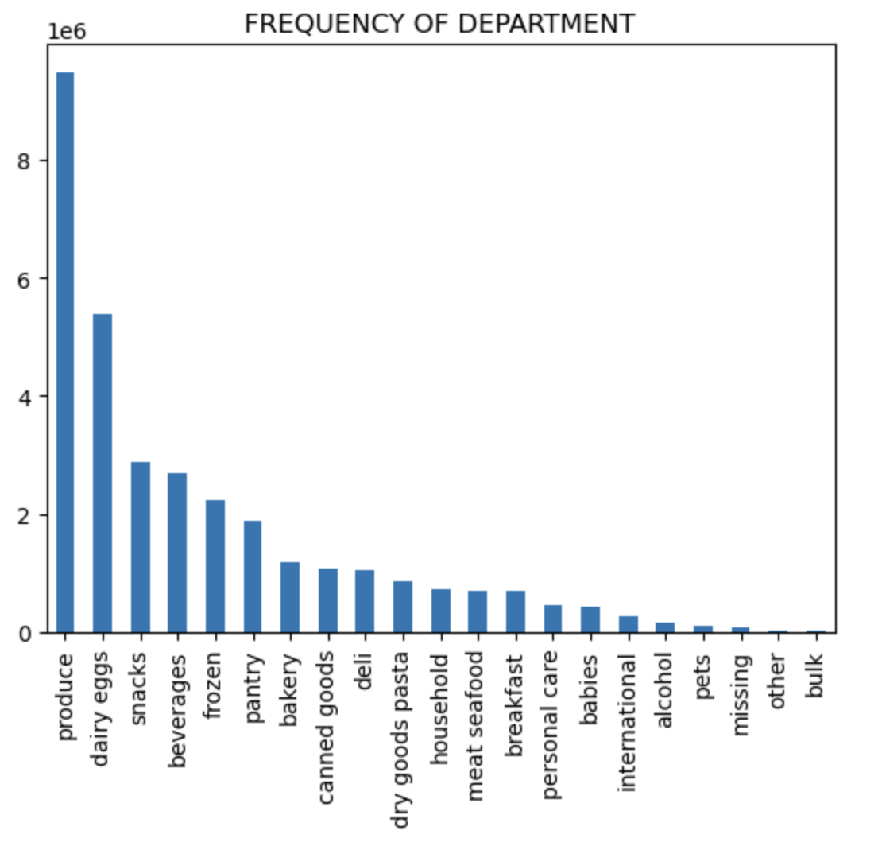

5a. What’s the distribution among users in regards to their brand loyalty?

In terms of loyalty, half of the customers are regular customers. One-third are loyal customers and two-fifth are new customers.



5b. Are there differences in ordering habits based on a customer’s loyalty status?

Ordering habits slightly differentiate across the all loyalty groups. For example, loyal customers tend to buy more products from the babies and the bulk departments.
New customers place more orders from the alcohol and the missing. Regular customers order more from the alcohol and the pets departments.

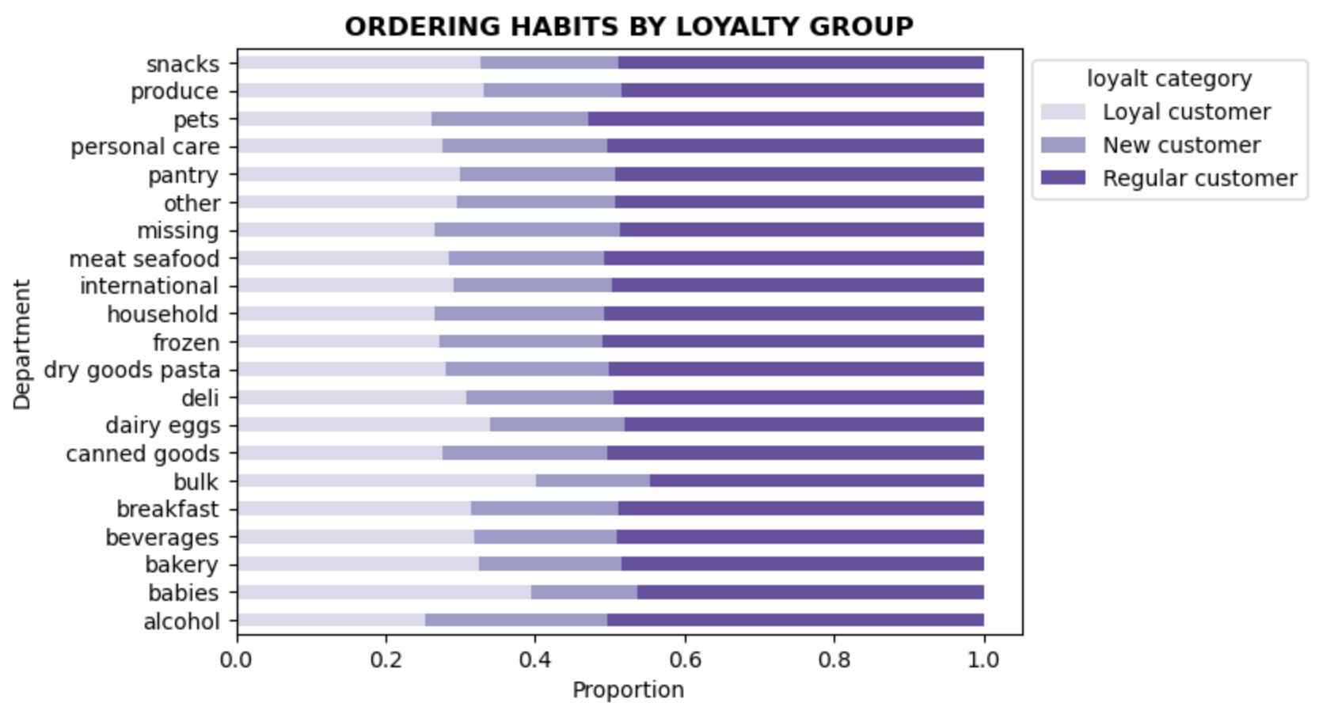

5c. Are there differences in ordering habits based on a customer’s region?

As can be seen from the chart, there is no significant difference in ordering habits by regions.

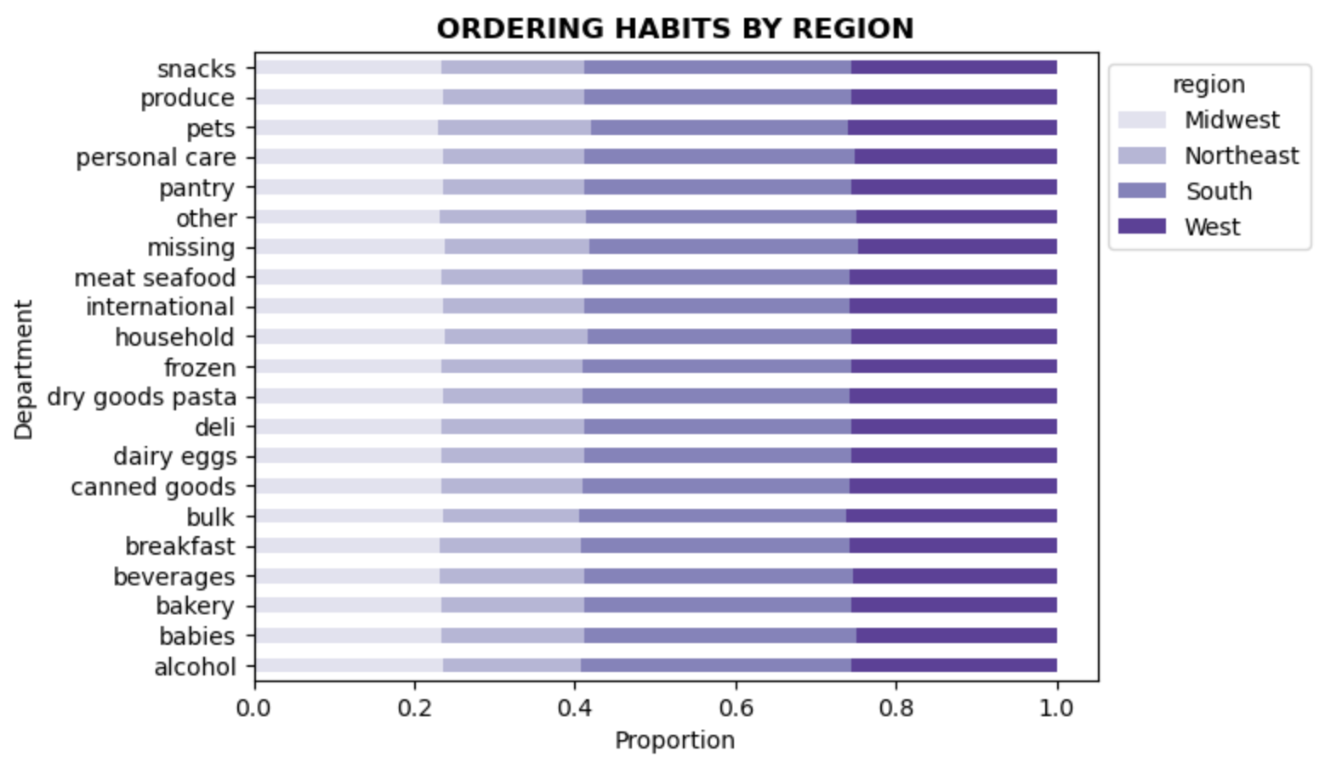

5d. Is there a connection between age and family status in terms of ordering habits?

By looking at the line chart below, there is no sensible relation between age and number of dependents. |  |  |  | It can be seen from the chart that there is a correlation between age and income. The majority of people aged 20 to 40 earn around 200K, and the rest can reach up to 400K.
There are peaks in the 20s and 60s, or likewise bottoms across different age groups, such as the age of 25, in the 60s and 80s. |  |  |  | After the age of 40, the average income rises to 300K and the ceiling limit to 600K. In this way, the spending power of the customer can be determined and targeted.

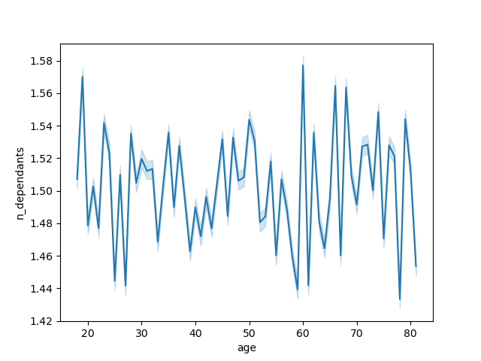


5e. What different classifications does the demographic information suggest? Age? Income? Certain types of goods? Family status?

Most of the customers are middle-aged and adults. |  |  | Almost half of the customers are in the married with dependents group. |  | Most of the customers are in the middle income group. | Only around 1% of the customers buy products from the babies department.
The least number of customers are in young adults. |  |  | Only 5% of the customers are in the single with dependents group. |  | There are slightly more customers in the high income than the low income. | The proportion of the alcohol consumers and the pet owners are 0.5% and 0.3%, respectively.

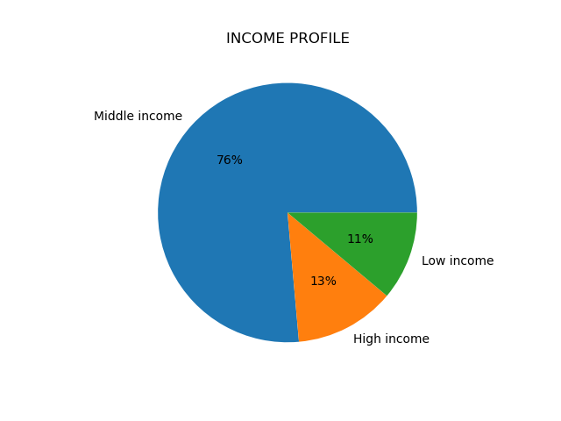
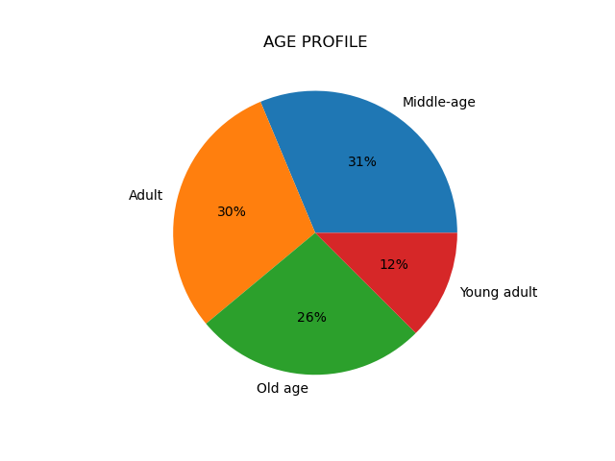
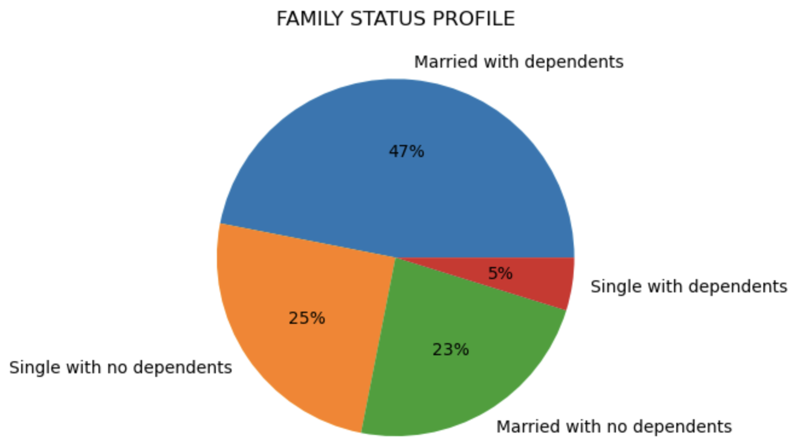
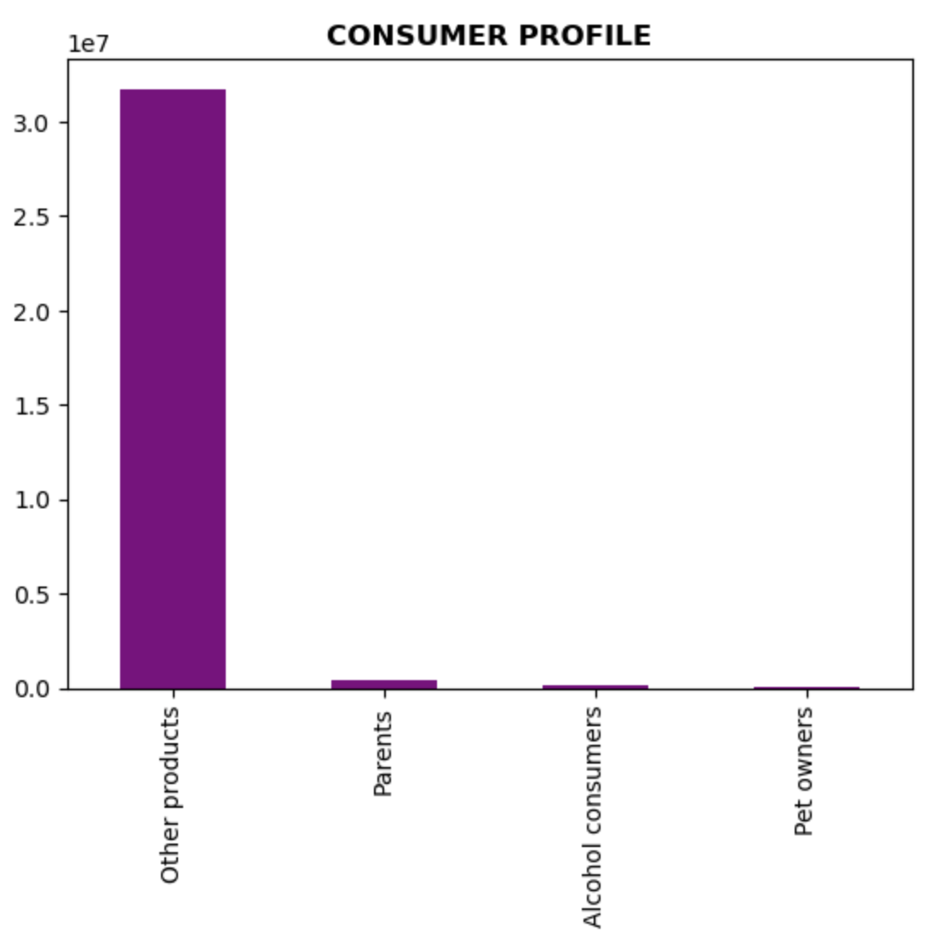

5f. What differences can you find in ordering habits of different customer profiles?

Most of the customers from all regions have middle income and are middle aged and in the married with dependents group.
There is no significant difference in customer profiles in terms of region.

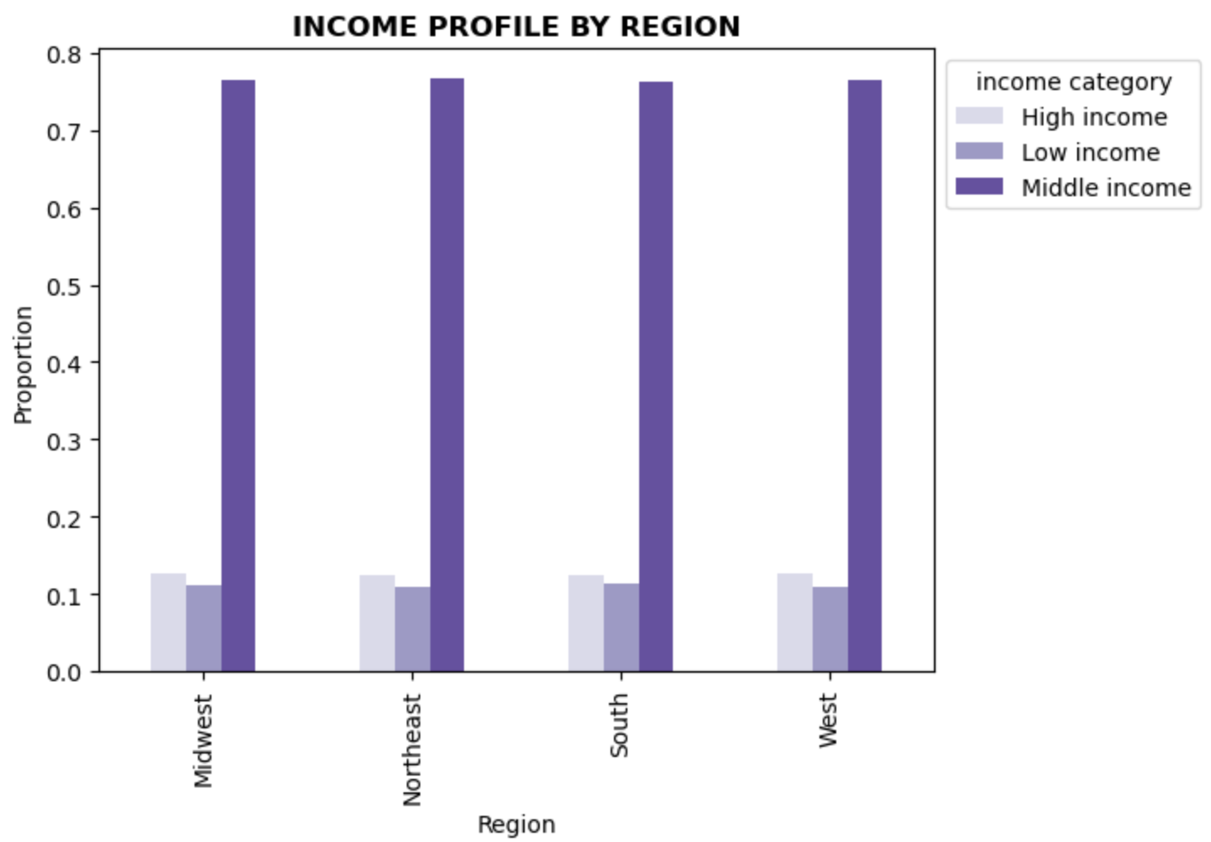
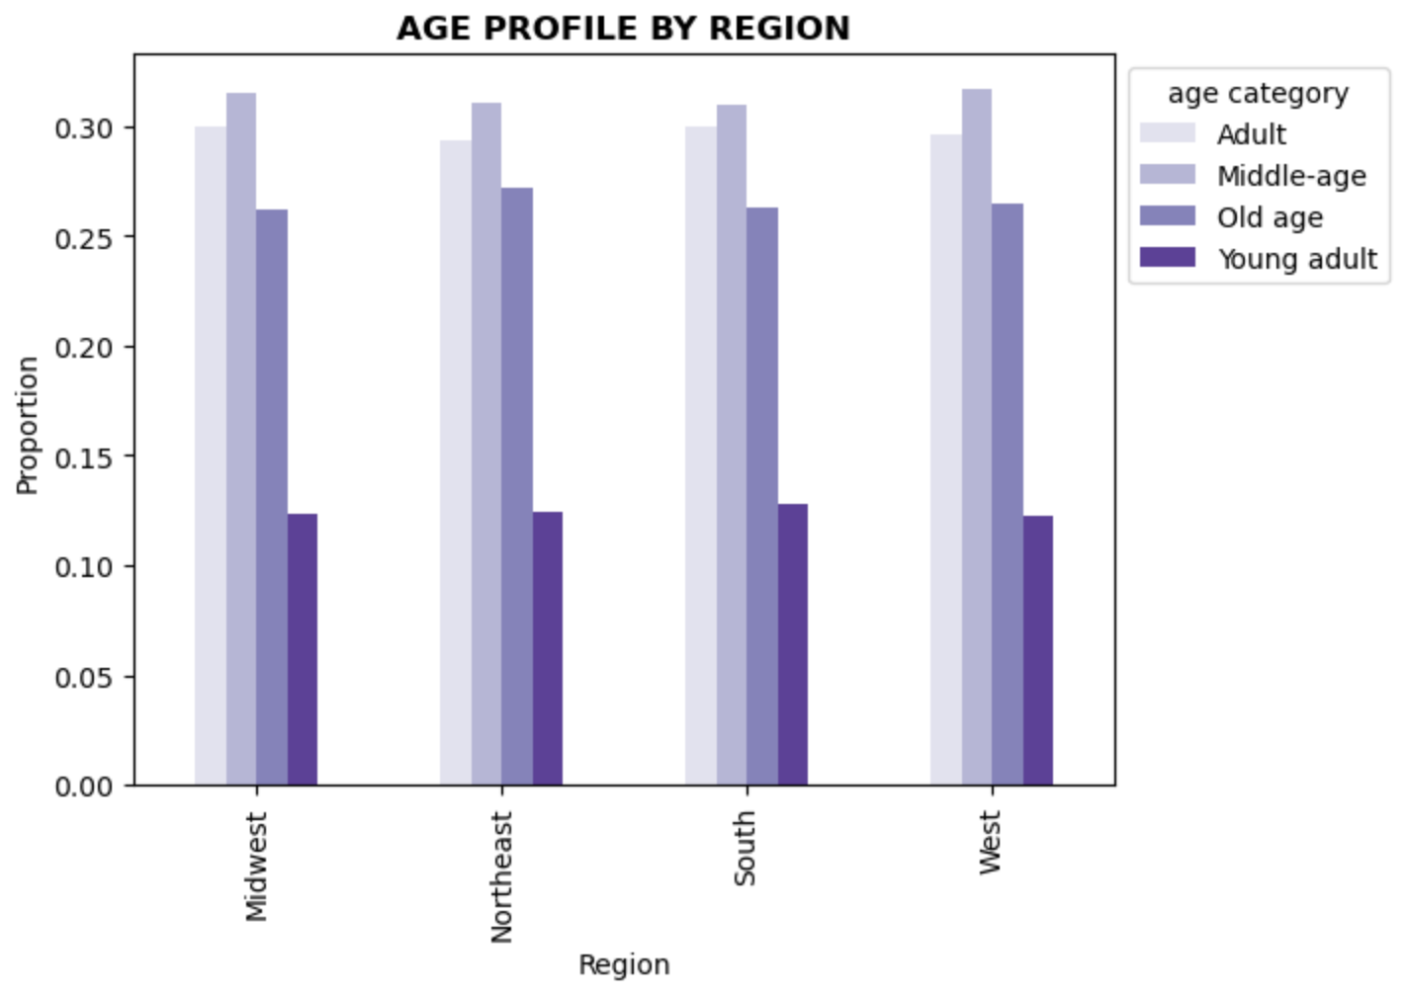
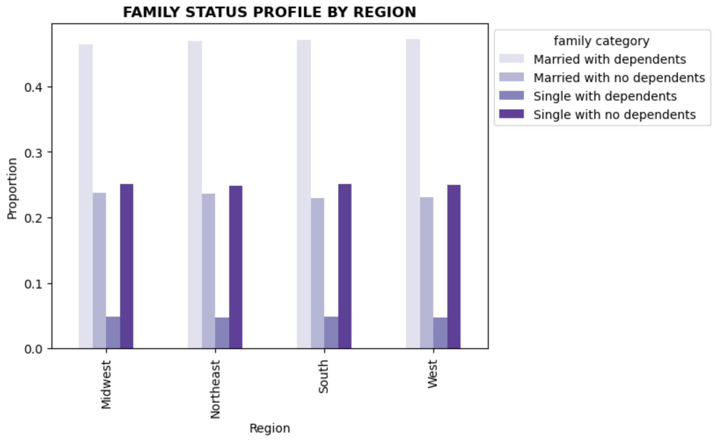

 | Produce, dairy eggs and snacks are the top three products across all type of profiles.

7. Recommendations
 | Title page

Recommendations

1. What are the busiest days of the week and hours of the day?
Answer: The busiest days are Saturday and Sunday. So, people tend to place more order on the weekend. Most of the orders are placed between 9am and 4pm.
Recommendations: Less orders are placed in the evening hours and on Tuesday and Wednesday. Ads could be arranged to increase sales during these times.

2. Are there particular times of the day when people spend the most money?
Answer: Customers spend a little more money at 3am and slightly less at 10am.
Recommendations: High-range products could be promoted more to increase revenue.

3. Define simpler price range groups to help direct the efforts.
Answer: 67% of the products are in the middle-range, while 31% of them is in the low-range. Only 1% of them are in the high-range.
low-range <= 5 < middle-range <= 15 < high-range

4. Which departments have the highest frequency of product orders?
Answer: Produce, dairy eggs and snacks are the top three departments, respectively.
Recommendations: Product sorts could be expanded in the top departments and products in the unpopular departments could be promoted.

5a. What’s the distribution among users in regards to their brand loyalty?
Answer: In terms of loyalty, half of the customers are regular customers. One-third are loyal customers and two-fifth are new customers.
Recommendations: To increase number of loyal customer, various loyalty program could be developed. Besides, by providing satisfactory customer service, new customers could be turned to regular customers.

5b. Are there differences in ordering habits based on a customer’s loyalty status?
Answer: Loyal customers tend to buy more products from the babies and the bulk departments. New customers place more orders from the alcohol and the missing. Regular customers order more from the alcohol and the pets departments.
Recommendations: Products could be promoted to the customers according to their ordering habits.

5c. Are there differences in ordering habits based on a customer’s region?
Answer: There is no significant difference in ordering habits by regions.
Recommendations: Product inventory could be updated according to other factors rather than the region.

5d. Is there a connection between age and family status in terms of ordering habits?
Answer: There is no sensible relation between age and number of dependents. On the other hand, the majority of people aged 20 to 40 earn around 200K, and the rest can reach up to 400K. After the age of 40, the average income rises to 300K and the ceiling limit to 600K.
Recommendations: More loyalty and reward programs and ads could be promoted to the customer aged of 40 and over, since their spending power is higher.

5e. What different classifications does the demographic information suggest? Age? Income? Certain types of goods? Family status?
Answer - Age: Most of the customers are middle-aged and adults. The least number of customers are in young adults.
Recommendations: To increase the number of sales, convenient products which cater to young people could be added to inventory.
Answer - Income: Most of the customers are in the middle income group. There are slightly more customers in the high income than the low income.
Recommendations: Since most of the customers are in the middle income group, it could be important that to keep prices in the middle range in general.
Answer - Certain types of goods: Only around 1% of the customers buy products from the babies department. The proportion of the alcohol consumers and the pet owners are 0.5% and 0.3%, respectively.
Recommendations: Perhaps some consumers groups, such as parents, alcohol consumers, pet owners or vegetarians, cannot find the products they are looking for. Product inventory could be diversified according to these groups.
Answer - Family status: Almost half of the customers are in the married with dependents group. Only 5% of the customers are in the single with dependents group.
Recommendations: Since more than a half of the customers have at least one dependent, this group could be targeted to increase revenue.

5f. What differences can you find in ordering habits of different customer profiles?
Answer: Most of the customers from all regions have middle income and are middle aged and in the married with dependents group. There is no significant difference in customer profiles in terms of region. Produce, dairy eggs and snacks are the top three products across all type of profiles.
Recommendations: Enough products from the top departments should be kept enough in stock so that sales do not decrease. And the above customer groups should be targeted in terms of marketing.

