Calculation
MMC Calculator

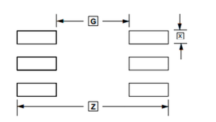
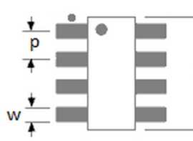
Tmin | 0.20 |  |  |  |  | MMC |  | DATASHEET
Smin | 0.25
CL | 0.30
CT | 0.40
CW | 0.30
L
F | 0.10
P | 0.10
Lmin | 1.45
Wmin | 0.65
Jt | 0.35 | Roun-off(Jt): | 0.20
Jh | -0.05 | Roun-off(Jh): | 0.20
T
S
Js | 0.00 | Roun-off(Js): | 0.10

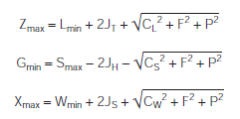
PreOutputs |  |  |  |  |  |  | CL=L(tol)
 |  |  |  |  |  |  | CS=S(tol)
 | 0.640 |  |  |  |  |  | CW=W(tol)
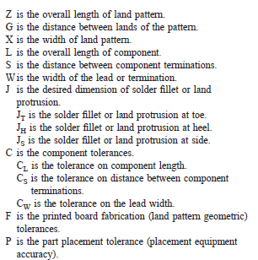
 | 0.332

 | 0.656

 | 0.332

Outputs |  | Rounded

Zmax | 2.482 | 2.40
Gmin | 0.335 | 0.40
Xmax | 0.982 | 1.00

w
l
Pad Size
l | 1.074 | 1.00 |  | x | 0.70
w | 0.982 | 1.00 |  | y | 0.00

Lead Type Combination Packages
MMC Calculator

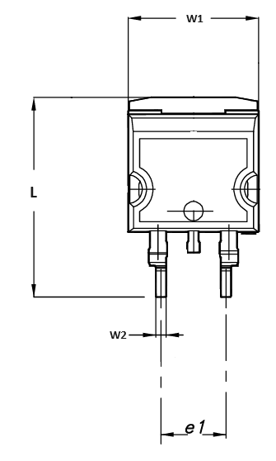
Lmin | 15.00
W1min | 10.00
W2min | 0.70
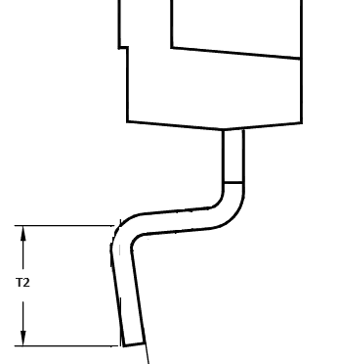
T1min | 7.50
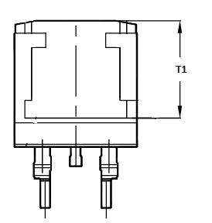
T2min | 2.29
CL | 0.85
CW1 | 0.40
CW2 | 0.23
CT1 | 0.50
CT2 | 0.50
CS | 1.11
Smin | 4.21
S
F | 0.10
P | 0.10
JT1 | 0.35
JH1 | 0.35
JS1 | 0.10
JT2 | 0.35
JH2 | 0.35
JS2 | 0.03

Outputs

Zmax | 16.56 |  |  |  | Toleranced Pitch 1 |  | Toleranced Pitch 2
Gmin | 3.50
X1max | 10.624 |  |  |  | Pmin | 0 | Pmin | 4.88
X2max | 1.030 |  |  |  | Cp | 0 | Cp | 0.4

w
w
l
l
Pad Size 1 |  |  | Pad Size 2 |  | P-W(Min) | -10.824 | P-W(Min) | 3.650
L1 | 9.633 |  | L2 | 3.428 | P+W(Max) | 10.824 | P+W(Max) | 6.510
w1 | 10.624 |  | w2 | 1.030 | W1 | 10.824 | W2 | 1.43

w
l
Pad Size
l |  | x
w |  | y

Fillet Tables
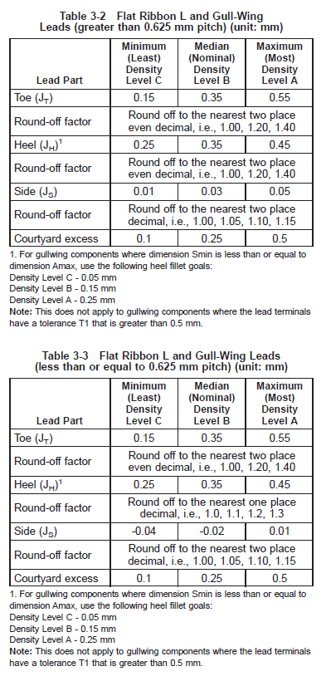
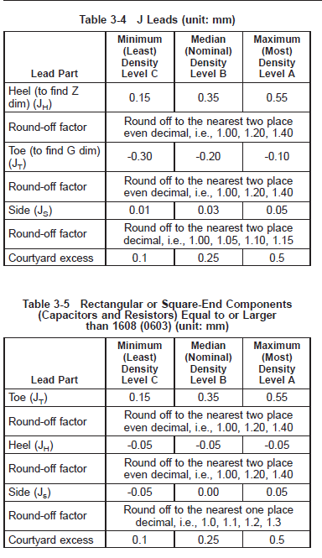
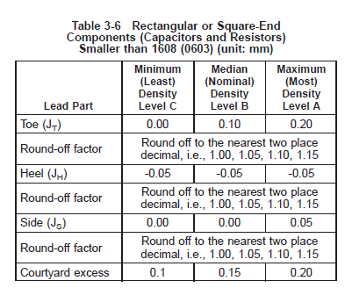
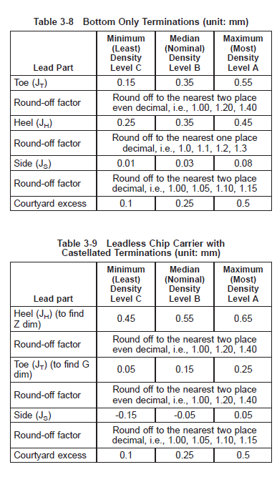
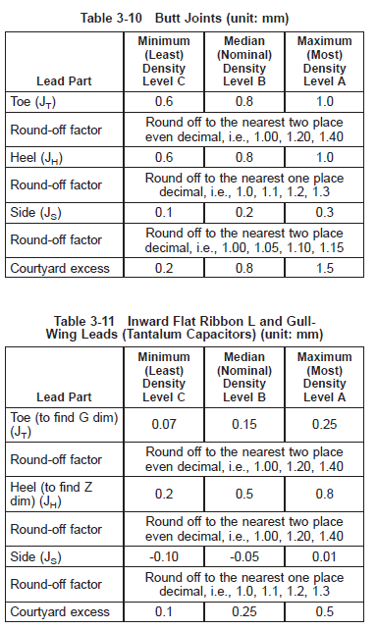
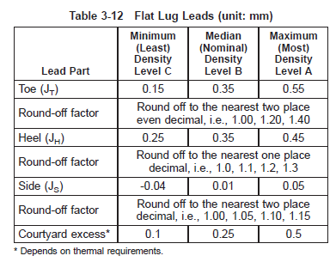
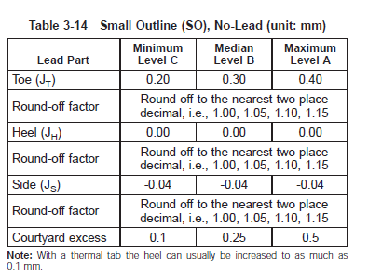

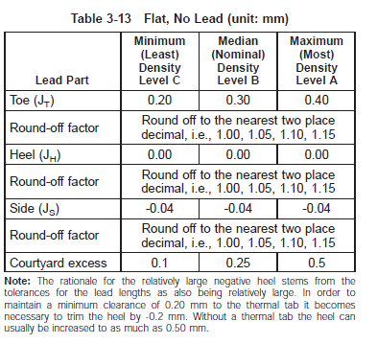

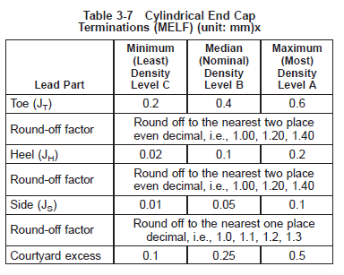

Lead Types
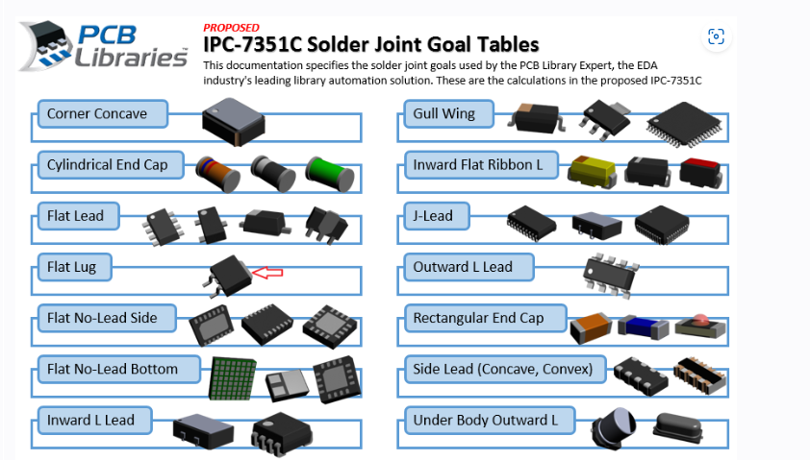
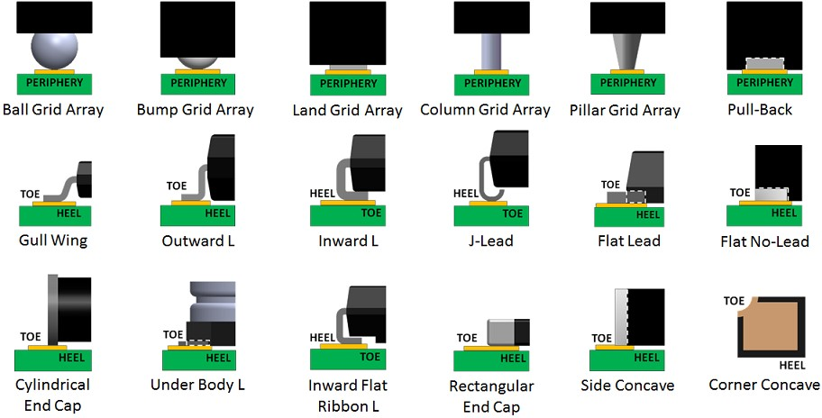

Naming Convention
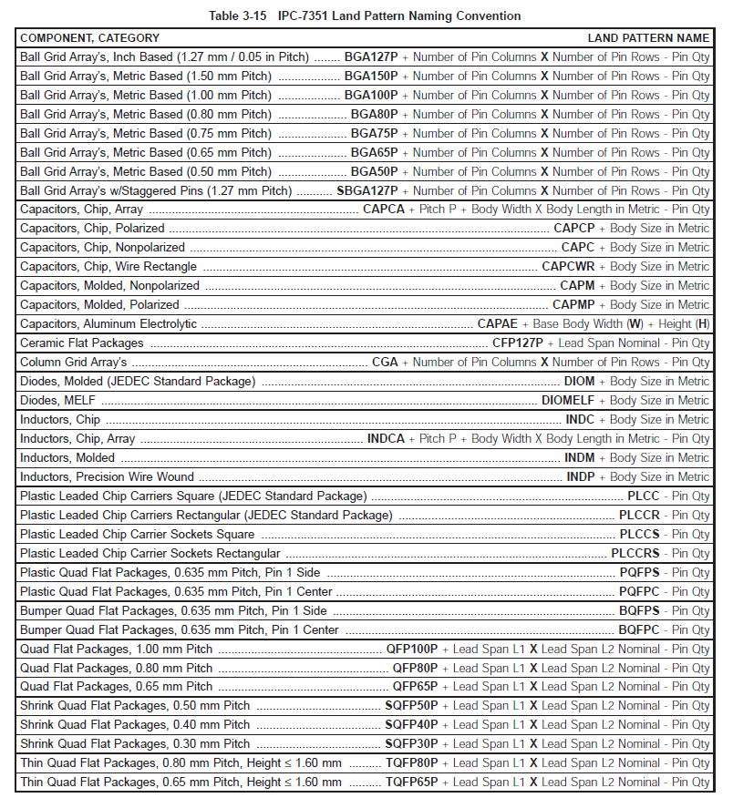
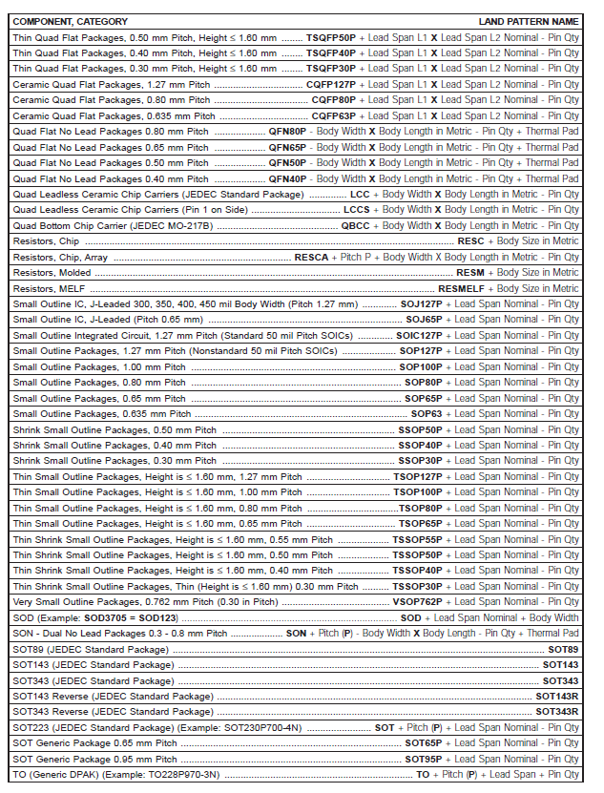

Land Pattern & Orientation
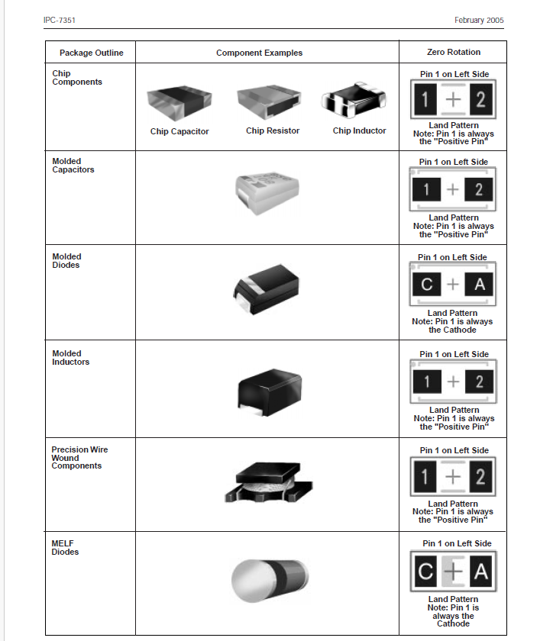
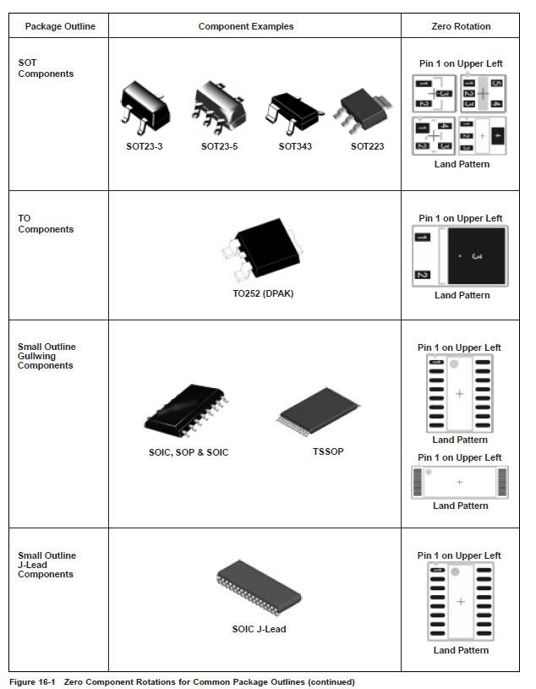
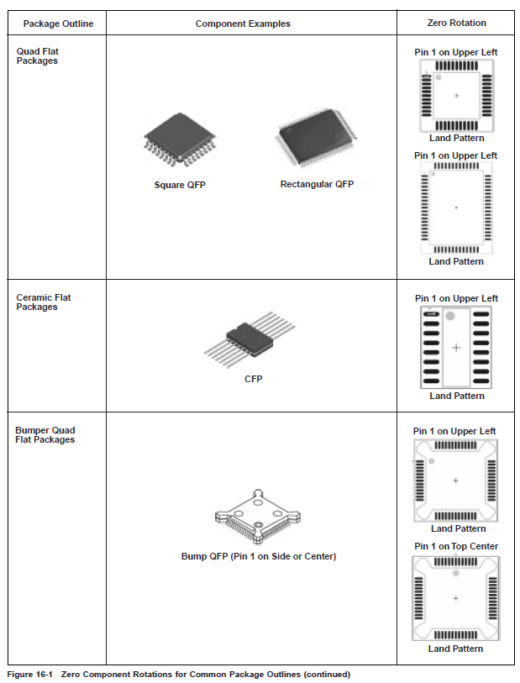
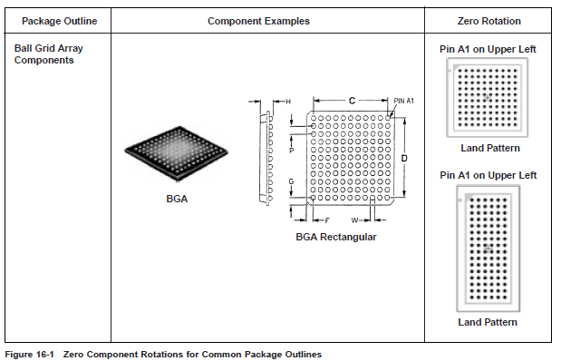
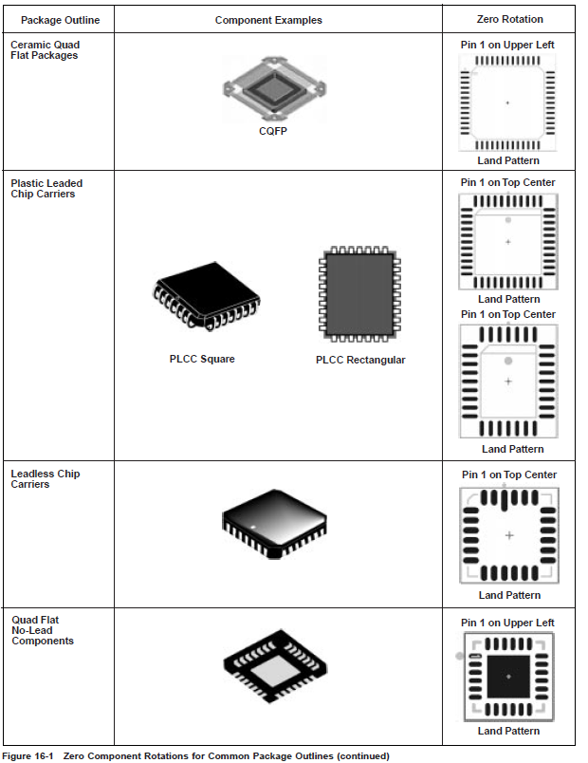

Coutyard and Silkscreen
