Pivot_Table
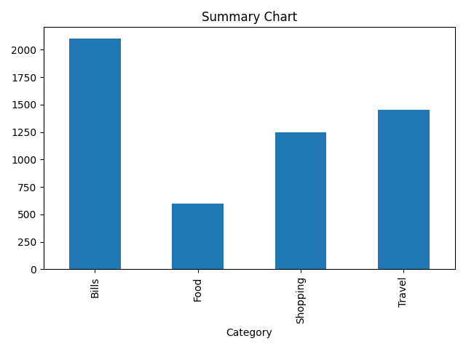
Category | Amount
Bills | 2100
Food | 600
Shopping | 1250
Travel | 1450

