Category_Summary
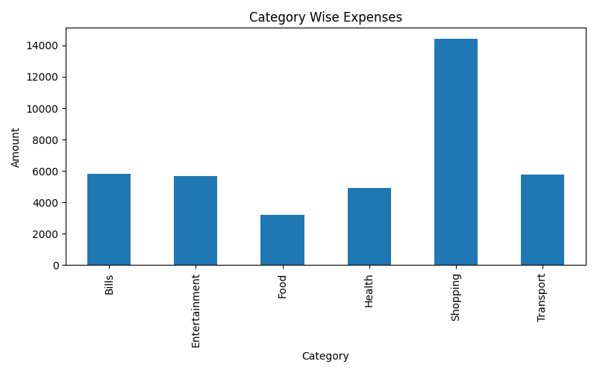
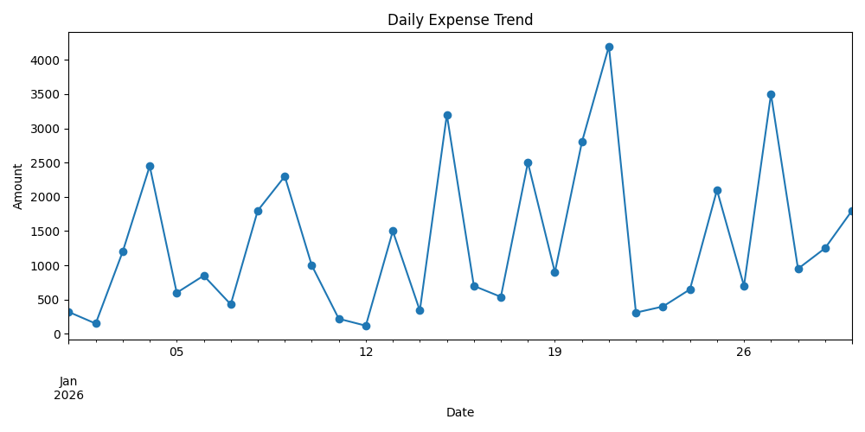
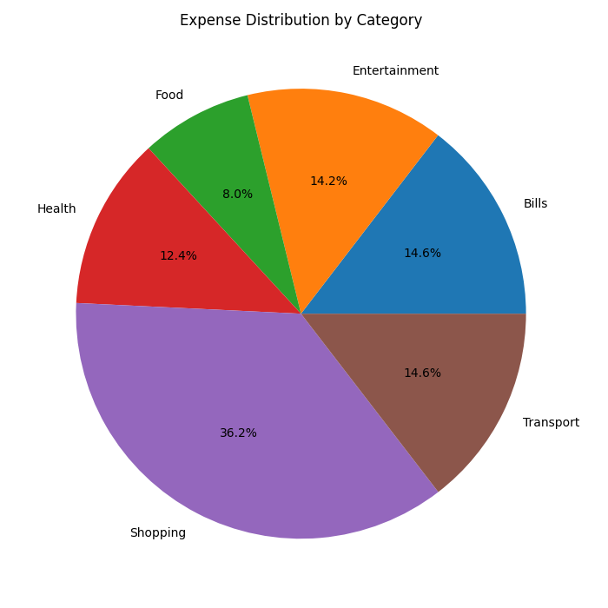
Category | Total Amount
Bills | 5798
Entertainment | 5668
Food | 3190
Health | 4930
Shopping | 14400
Transport | 5790

