Charts
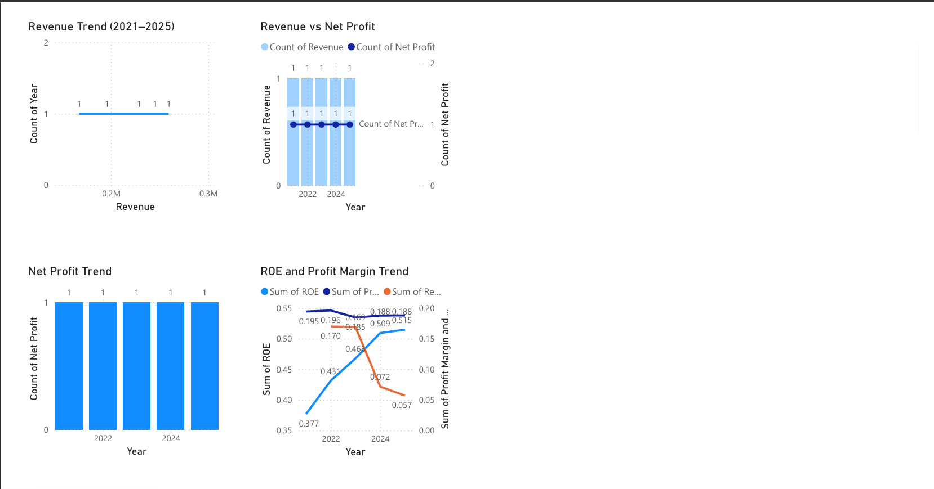

Key Insights:
• Revenue shows consistent growth
• Profit margin remains stable
• Company is financially strong (low debt)

DashBoard
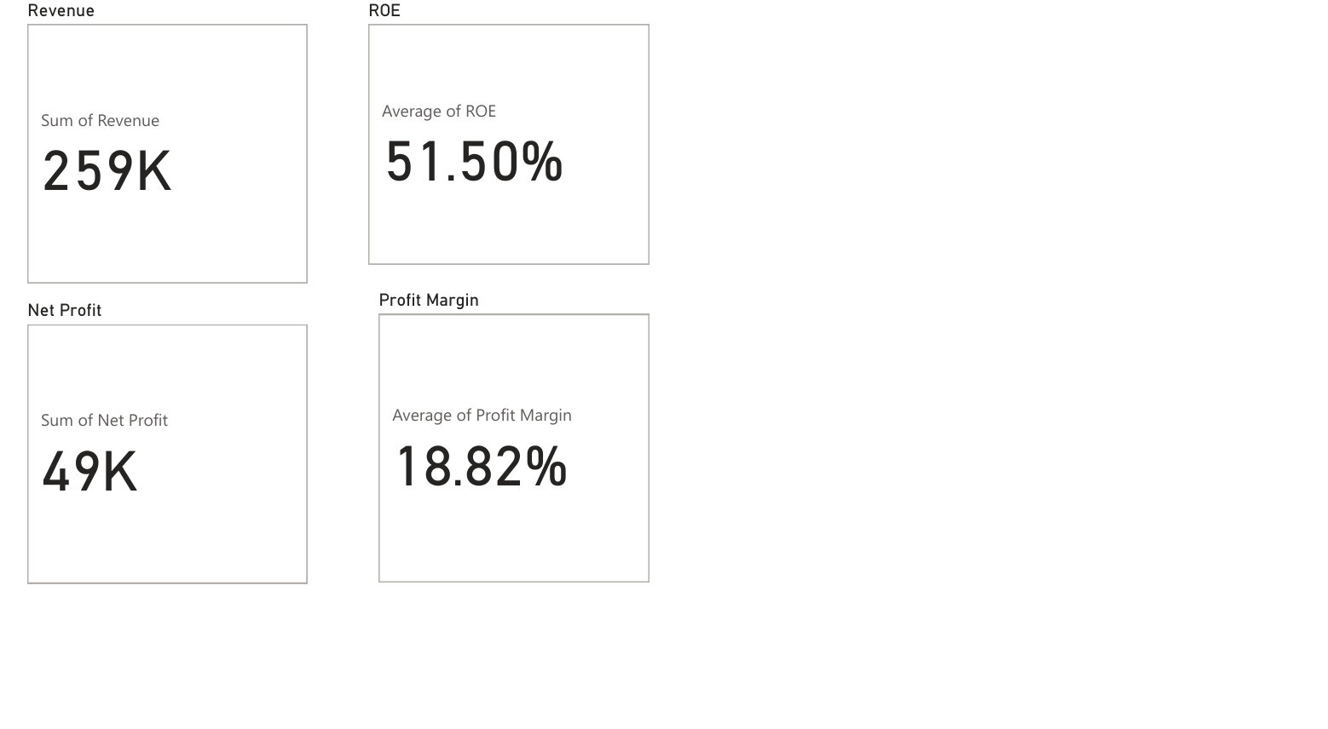

Key Insights:

• Revenue shows consistent growth over the years
• Profit margins remain stable around 18–19%
• High ROE indicates efficient utilization of equity
• Company has zero debt, indicating strong financial stability

