Image Proofs
Vulnerability ID | Image Path | Image Preview
 |  | 
 |  | 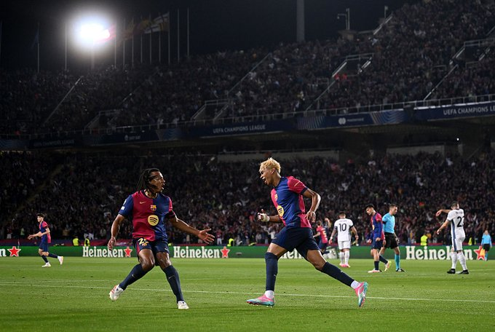
1 | 1_csrf_password_change.jpeg
2 | 2_csrf_password_change.jpeg
3 | No image available | No image available
4 | No image available | No image available
5 | No image available | No image available
6 | No image available | No image available
7 | No image available | No image available
8 | No image available | No image available
9 | No image available | No image available
10 | No image available | No image available
11 | No image available | No image available
12 | No image available | No image available
13 | No image available | No image available
14 | No image available | No image available
15 | No image available | No image available
16 | No image available | No image available
17 | No image available | No image available
18 | No image available | No image available
19 | No image available | No image available
20 | No image available | No image available
21 | No image available | No image available
22 | No image available | No image available
23 | No image available | No image available
24 | No image available | No image available
25 | No image available | No image available
26 | No image available | No image available
27 | No image available | No image available
28 | No image available | No image available
29 | No image available | No image available
30 | No image available | No image available
31 | No image available | No image available
32 | No image available | No image available
33 | No image available | No image available
34 | No image available | No image available
35 | No image available | No image available
36 | No image available | No image available
37 | No image available | No image available
38 | No image available | No image available
39 | No image available | No image available
40 | No image available | No image available
41 | No image available | No image available
42 | No image available | No image available
43 | No image available | No image available
44 | No image available | No image available
45 | No image available | No image available

