Image Proofs
Vulnerability ID | Image Path | Image Preview
 |  | 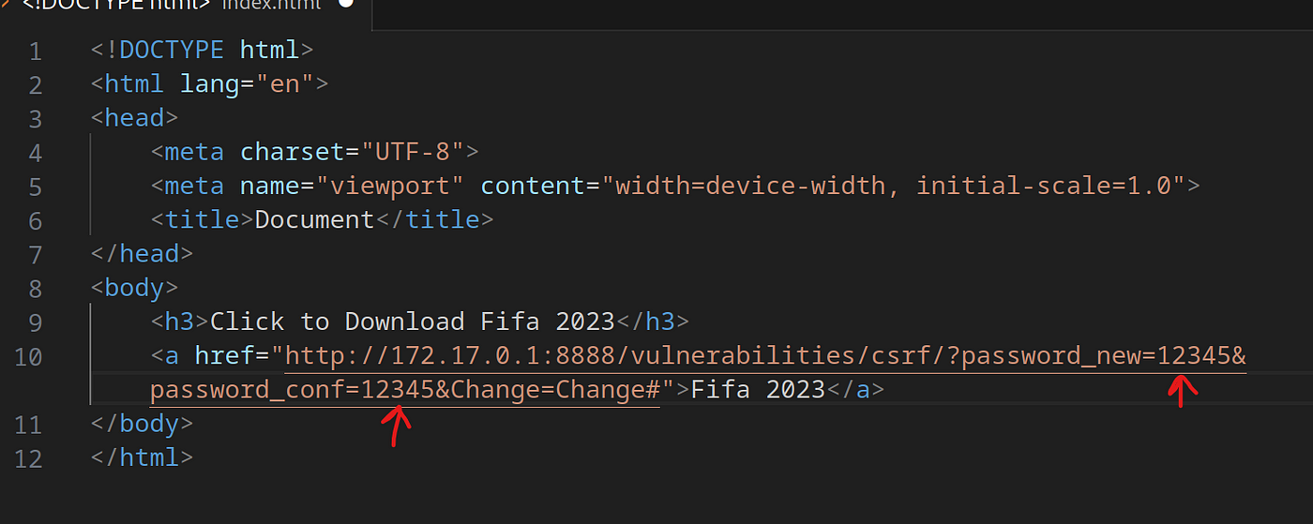
 |  | 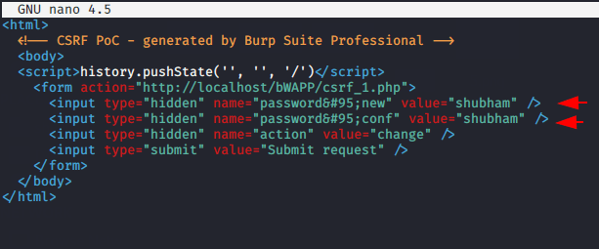
3 | No image available | 404 Not Found
4 | No image available | 404 Not Found
5 | No image available | 404 Not Found

