Image Proofs
Vulnerability ID | Image Path | Image Preview
1 | uploads\New folder\111.png | 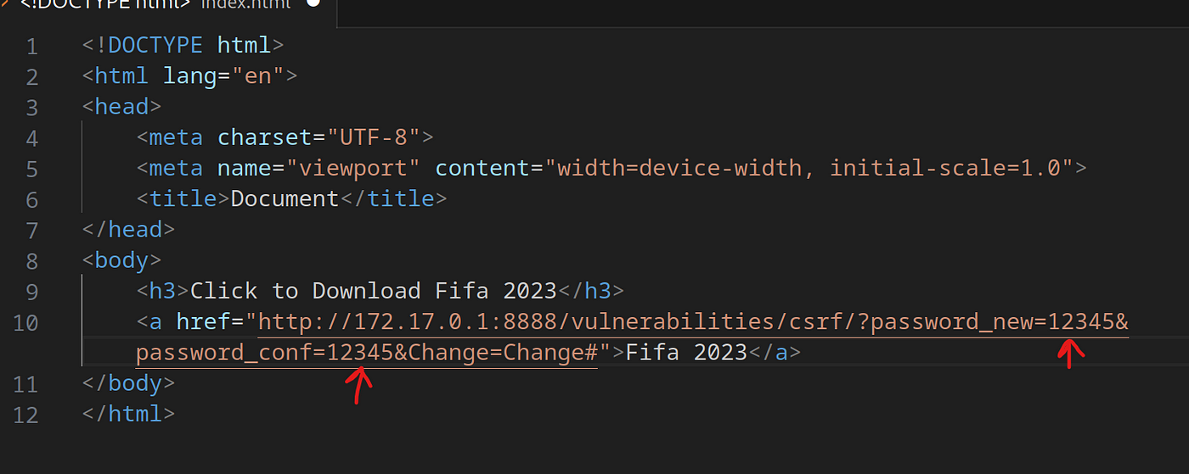
2 | uploads\New folder\222.png | 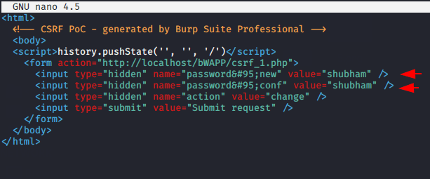
3 | No image available | 404 Not Found
4 | No image available | 404 Not Found
5 | No image available | 404 Not Found

