ssi
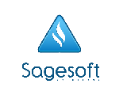

Date April 25, 2013

Union Bank
Tektite Branch
G/F West Tower, PSE Centre
Exchange Road, Ortigas center, Pasig City

Attention: Ms. Liliany Chong/ Ms. Emily

Dear Ma'am

This is to authorize you to transfer the following accounts with the respective amounts
listed below from our current account in the name of Sagesoft Solutions Inc. with account no.
006 - 03 - 0 - 01365-3 maintained with your branch. Total amount of Php

Please call us at 721-0431 to 33 if you have any queries. Thank you.

Regards,

Ms. Jennifer Tan | Mr. Anson Uy
Acting CFO | President

