BC
入力は種別ごとにカラーリングする
■ Variation
■ Vehicle Information
■ Power pass time
■ Other Domain
■ HardWire
■ CAN Rx Hook timeout
■ CAN Rx Hook Flag
■ CAN Rx Hook Signal
■ CAN Rx Message Status & Signal
■ （上記以外）
 |  |  |  |  |  |  |  |  |  |  |  |  |  |  |  |  |  |  |  |  |  |  |  |  |  |  |  |  |  |  |  |  | → | bit
 | Table Type | INDEX | 31 | 30 | 29 | 28 | 27 | 26 | 25 | 24 | 23 | 22 | 21 | 20 | 19 | 18 | 17 | 16 | 15 | 14 | 13 | 12 | 11 | 10 | 9 | 8 | 7 | 6 | 5 | 4 | 3 | 2 | 1 | 0 | REQ
 | Index Table |  | ALERT_VOM_RWT_EN | [reserved] | ALERT_VOM_VCS_ON | ALERT_VOM_IGN_ON | ALERT_VOM_IGN_OFF_WT | ALERT_VOM_IGN_OFF | ALERT_VOM_BAT_WT | ALERT_VOM_BAT_AO | [reserved] | [reserved] | [reserved] | [reserved] | [reserved] | [reserved] | [reserved] | [reserved] | [reserved] | [reserved] | [reserved] | [reserved] | [reserved] | [reserved] | [reserved] | [reserved] | [reserved] | [reserved] | ALERT_VOM_BAT_WT | BSR1S01_STS |  | DOA_BUZ_SIG |  |  |  | シート名称は、CH Nameと同じにすること。 1CHしか存在しない場合、機能名と同じにすること。
Master Table |  |  |  |  |  |  |  |  |  |  |  |  |  |  |  |  |  |  |  |  |  |  |  |  |  |  |  |  |  |  |  |  |  |  |  | 貼り付けコード
 |  |  |  |  |  |  |  |  |  |  |  |  |  |  |  |  |  |  |  |  |  |  |  |  |  |  |  |  |  |  |  |  |  |  |  | static const U4 u4_sp_ALERT_S_SEA_BC_CRIT[ALERT_S_SEA_BC_NUM_DST] = { | static const U4 u4_sp_ALERT_S_SEA_BC_MASK[ALERT_S_SEA_BC_NUM_DST] = { | static const U1 u1_sp_ALERT_S_SEA_BC_DST[ALERT_S_SEA_BC_NUM_DST] = { | const ST_ALERT_MTRX st_gp_ALERT_S_SEA_MTRX[2] = { | #define ALERT_S_SEA_BC_NUM_DST (64U)
 | Table BC | 0 | × | × | × | × | × | × | × | × | × | × | × | × | × | × | × | × | × | × | × | × | × | × | × | × | × | × | 0 | 0 | 0 | 0 | 0 | 0 | UNKNOWN | (U4)0x00000000U, /* 00 UNKNOWN */ | (U4)0x0000003FU, /* 00 UNKNOWN */ | (U1)ALERT_REQ_UNKNOWN, /* 00 UNKNOWN */ | { | MtxSrch変数名 | BC
 |  | 1 | × | × | × | × | × | × | × | × | × | × | × | × | × | × | × | × | × | × | × | × | × | × | × | × | × | × | 0 | 0 | 0 | 0 | 0 | 1 | UNKNOWN | (U4)0x00000001U, /* 01 UNKNOWN */ | (U4)0x0000003FU, /* 01 UNKNOWN */ | (U1)ALERT_REQ_UNKNOWN, /* 01 UNKNOWN */ | &u4_s_AlertS_seaBcSrcchk, /* fp_u4_SRC_CHK */ | Use MtxSrch | 0
 |  | 2 | × | × | × | × | × | × | × | × | × | × | × | × | × | × | × | × | × | × | × | × | × | × | × | × | × | × | 0 | 0 | 0 | 0 | 1 | 0 | UNKNOWN | (U4)0x00000002U, /* 02 UNKNOWN */ | (U4)0x0000003FU, /* 02 UNKNOWN */ | (U1)ALERT_REQ_UNKNOWN, /* 02 UNKNOWN */ | vdp_PTR_NA, /* fp_vd_XDST */ | CRIT_NAME | u4_sp_ALERT_S_SEA_BC_CRIT
 |  | 3 | × | × | × | × | × | × | × | × | × | × | × | × | × | × | × | × | × | × | × | × | × | × | × | × | × | × | 0 | 0 | 0 | 0 | 1 | 1 | UNKNOWN | (U4)0x00000003U, /* 03 UNKNOWN */ | (U4)0x0000003FU, /* 03 UNKNOWN */ | (U1)ALERT_REQ_UNKNOWN, /* 03 UNKNOWN */ |  | MASK_NAME | u4_sp_ALERT_S_SEA_BC_MASK
 |  | 4 | × | × | × | × | × | × | × | × | × | × | × | × | × | × | × | × | × | × | × | × | × | × | × | × | × | × | 0 | 0 | 0 | 1 | 0 | 0 | UNKNOWN | (U4)0x00000004U, /* 04 UNKNOWN */ | (U4)0x0000003FU, /* 04 UNKNOWN */ | (U1)ALERT_REQ_UNKNOWN, /* 04 UNKNOWN */ | (const U4 *)vdp_PTR_NA, /* u4p_MASK */ | MTXSRCH_DEF | ALERT_S_SEA_BC_NUM_DST
 |  | 5 | × | × | × | × | × | × | × | × | × | × | × | × | × | × | × | × | × | × | × | × | × | × | × | × | × | × | 0 | 0 | 0 | 1 | 0 | 1 | UNKNOWN | (U4)0x00000005U, /* 05 UNKNOWN */ | (U4)0x0000003FU, /* 05 UNKNOWN */ | (U1)ALERT_REQ_UNKNOWN, /* 05 UNKNOWN */ | (const U4 *)vdp_PTR_NA, /* u4p_CRIT */ | MTXSRCH_OUT_DEF | u1_sp_ALERT_S_SEA_BC_DST
 |  | 6 | × | × | × | × | × | × | × | × | × | × | × | × | × | × | × | × | × | × | × | × | × | × | × | × | × | × | 0 | 0 | 0 | 1 | 1 | 0 | UNKNOWN | (U4)0x00000006U, /* 06 UNKNOWN */ | (U4)0x0000003FU, /* 06 UNKNOWN */ | (U1)ALERT_REQ_UNKNOWN, /* 06 UNKNOWN */ |  | ALERT_MTRX_NAME | st_gp_ALERT_S_SEA_MTRX[2]
 |  | 7 | × | × | × | × | × | × | × | × | × | × | × | × | × | × | × | × | × | × | × | × | × | × | × | × | × | × | 0 | 0 | 0 | 1 | 1 | 1 | UNKNOWN | (U4)0x00000007U, /* 07 UNKNOWN */ | (U4)0x0000003FU, /* 07 UNKNOWN */ | (U1)ALERT_REQ_UNKNOWN, /* 07 UNKNOWN */ | &u1_sp_ALERT_S_SEA_BC_DST[0], /* u1p_DST */ | SRCH_NUM | 64
 |  | 8 | × | × | × | × | × | × | × | × | × | × | × | × | × | × | × | × | × | × | × | × | × | × | × | × | × | × | 0 | 0 | 1 | 0 | 0 | 0 | UNKNOWN | (U4)0x00000008U, /* 08 UNKNOWN */ | (U4)0x0000003FU, /* 08 UNKNOWN */ | (U1)ALERT_REQ_UNKNOWN, /* 08 UNKNOWN */ | (U2)ALERT_S_SEA_BC_NUM_DST, /* u2_num_srch */ | SRC CHK | u4_s_AlertS_seaBcSrcchk
 |  | 9 | × | × | × | × | × | × | × | × | × | × | × | × | × | × | × | × | × | × | × | × | × | × | × | × | × | × | 0 | 0 | 1 | 0 | 0 | 1 | UNKNOWN | (U4)0x00000009U, /* 09 UNKNOWN */ | (U4)0x0000003FU, /* 09 UNKNOWN */ | (U1)ALERT_REQ_UNKNOWN, /* 09 UNKNOWN */ | (U1)ALERT_VOM_BAT_WT /* u1_vom_act */ | RWTX | NULL
 |  | 10 | × | × | × | × | × | × | × | × | × | × | × | × | × | × | × | × | × | × | × | × | × | × | × | × | × | × | 0 | 0 | 1 | 0 | 1 | 0 | UNKNOWN | (U4)0x0000000AU, /* 10 UNKNOWN */ | (U4)0x0000003FU, /* 10 UNKNOWN */ | (U1)ALERT_REQ_UNKNOWN, /* 10 UNKNOWN */ | } | ACT | ALERT_VOM_BAT_WT
 |  | 11 | × | × | × | × | × | × | × | × | × | × | × | × | × | × | × | × | × | × | × | × | × | × | × | × | × | × | 0 | 0 | 1 | 0 | 1 | 1 | UNKNOWN | (U4)0x0000000BU, /* 11 UNKNOWN */ | (U4)0x0000003FU, /* 11 UNKNOWN */ | (U1)ALERT_REQ_UNKNOWN, /* 11 UNKNOWN */ | }; | ALERT_MTRX変数名 | S_SEA
 |  | 12 | × | × | × | × | × | × | × | × | × | × | × | × | × | × | × | × | × | × | × | × | × | × | × | × | × | × | 0 | 0 | 1 | 1 | 0 | 0 | UNKNOWN | (U4)0x0000000CU, /* 12 UNKNOWN */ | (U4)0x0000003FU, /* 12 UNKNOWN */ | (U1)ALERT_REQ_UNKNOWN, /* 12 UNKNOWN */
 |  | 13 | × | × | × | × | × | × | × | × | × | × | × | × | × | × | × | × | × | × | × | × | × | × | × | × | × | × | 0 | 0 | 1 | 1 | 0 | 1 | UNKNOWN | (U4)0x0000000DU, /* 13 UNKNOWN */ | (U4)0x0000003FU, /* 13 UNKNOWN */ | (U1)ALERT_REQ_UNKNOWN, /* 13 UNKNOWN */
 |  | 14 | × | × | × | × | × | × | × | × | × | × | × | × | × | × | × | × | × | × | × | × | × | × | × | × | × | × | 0 | 0 | 1 | 1 | 1 | 0 | UNKNOWN | (U4)0x0000000EU, /* 14 UNKNOWN */ | (U4)0x0000003FU, /* 14 UNKNOWN */ | (U1)ALERT_REQ_UNKNOWN, /* 14 UNKNOWN */
 |  | 15 | × | × | × | × | × | × | × | × | × | × | × | × | × | × | × | × | × | × | × | × | × | × | × | × | × | × | 0 | 0 | 1 | 1 | 1 | 1 | UNKNOWN | (U4)0x0000000FU, /* 15 UNKNOWN */ | (U4)0x0000003FU, /* 15 UNKNOWN */ | (U1)ALERT_REQ_UNKNOWN, /* 15 UNKNOWN */
 |  | 16 | × | × | × | × | × | × | × | × | × | × | × | × | × | × | × | × | × | × | × | × | × | × | × | × | × | × | 0 | 1 | 0 | 0 | 0 | 0 | UNKNOWN | (U4)0x00000010U, /* 16 UNKNOWN */ | (U4)0x0000003FU, /* 16 UNKNOWN */ | (U1)ALERT_REQ_UNKNOWN, /* 16 UNKNOWN */
 |  | 17 | × | × | × | × | × | × | × | × | × | × | × | × | × | × | × | × | × | × | × | × | × | × | × | × | × | × | 0 | 1 | 0 | 0 | 0 | 1 | UNKNOWN | (U4)0x00000011U, /* 17 UNKNOWN */ | (U4)0x0000003FU, /* 17 UNKNOWN */ | (U1)ALERT_REQ_UNKNOWN, /* 17 UNKNOWN */
 |  | 18 | × | × | × | × | × | × | × | × | × | × | × | × | × | × | × | × | × | × | × | × | × | × | × | × | × | × | 0 | 1 | 0 | 0 | 1 | 0 | UNKNOWN | (U4)0x00000012U, /* 18 UNKNOWN */ | (U4)0x0000003FU, /* 18 UNKNOWN */ | (U1)ALERT_REQ_UNKNOWN, /* 18 UNKNOWN */
 |  | 19 | × | × | × | × | × | × | × | × | × | × | × | × | × | × | × | × | × | × | × | × | × | × | × | × | × | × | 0 | 1 | 0 | 0 | 1 | 1 | UNKNOWN | (U4)0x00000013U, /* 19 UNKNOWN */ | (U4)0x0000003FU, /* 19 UNKNOWN */ | (U1)ALERT_REQ_UNKNOWN, /* 19 UNKNOWN */
 |  | 20 | × | × | × | × | × | × | × | × | × | × | × | × | × | × | × | × | × | × | × | × | × | × | × | × | × | × | 0 | 1 | 0 | 1 | 0 | 0 | UNKNOWN | (U4)0x00000014U, /* 20 UNKNOWN */ | (U4)0x0000003FU, /* 20 UNKNOWN */ | (U1)ALERT_REQ_UNKNOWN, /* 20 UNKNOWN */
 |  | 21 | × | × | × | × | × | × | × | × | × | × | × | × | × | × | × | × | × | × | × | × | × | × | × | × | × | × | 0 | 1 | 0 | 1 | 0 | 1 | UNKNOWN | (U4)0x00000015U, /* 21 UNKNOWN */ | (U4)0x0000003FU, /* 21 UNKNOWN */ | (U1)ALERT_REQ_UNKNOWN, /* 21 UNKNOWN */
 |  | 22 | × | × | × | × | × | × | × | × | × | × | × | × | × | × | × | × | × | × | × | × | × | × | × | × | × | × | 0 | 1 | 0 | 1 | 1 | 0 | UNKNOWN | (U4)0x00000016U, /* 22 UNKNOWN */ | (U4)0x0000003FU, /* 22 UNKNOWN */ | (U1)ALERT_REQ_UNKNOWN, /* 22 UNKNOWN */
 |  | 23 | × | × | × | × | × | × | × | × | × | × | × | × | × | × | × | × | × | × | × | × | × | × | × | × | × | × | 0 | 1 | 0 | 1 | 1 | 1 | UNKNOWN | (U4)0x00000017U, /* 23 UNKNOWN */ | (U4)0x0000003FU, /* 23 UNKNOWN */ | (U1)ALERT_REQ_UNKNOWN, /* 23 UNKNOWN */
 |  | 24 | × | × | × | × | × | × | × | × | × | × | × | × | × | × | × | × | × | × | × | × | × | × | × | × | × | × | 0 | 1 | 1 | 0 | 0 | 0 | UNKNOWN | (U4)0x00000018U, /* 24 UNKNOWN */ | (U4)0x0000003FU, /* 24 UNKNOWN */ | (U1)ALERT_REQ_UNKNOWN, /* 24 UNKNOWN */
 |  | 25 | × | × | × | × | × | × | × | × | × | × | × | × | × | × | × | × | × | × | × | × | × | × | × | × | × | × | 0 | 1 | 1 | 0 | 0 | 1 | UNKNOWN | (U4)0x00000019U, /* 25 UNKNOWN */ | (U4)0x0000003FU, /* 25 UNKNOWN */ | (U1)ALERT_REQ_UNKNOWN, /* 25 UNKNOWN */
 |  | 26 | × | × | × | × | × | × | × | × | × | × | × | × | × | × | × | × | × | × | × | × | × | × | × | × | × | × | 0 | 1 | 1 | 0 | 1 | 0 | UNKNOWN | (U4)0x0000001AU, /* 26 UNKNOWN */ | (U4)0x0000003FU, /* 26 UNKNOWN */ | (U1)ALERT_REQ_UNKNOWN, /* 26 UNKNOWN */
 |  | 27 | × | × | × | × | × | × | × | × | × | × | × | × | × | × | × | × | × | × | × | × | × | × | × | × | × | × | 0 | 1 | 1 | 0 | 1 | 1 | UNKNOWN | (U4)0x0000001BU, /* 27 UNKNOWN */ | (U4)0x0000003FU, /* 27 UNKNOWN */ | (U1)ALERT_REQ_UNKNOWN, /* 27 UNKNOWN */
 |  | 28 | × | × | × | × | × | × | × | × | × | × | × | × | × | × | × | × | × | × | × | × | × | × | × | × | × | × | 0 | 1 | 1 | 1 | 0 | 0 | UNKNOWN | (U4)0x0000001CU, /* 28 UNKNOWN */ | (U4)0x0000003FU, /* 28 UNKNOWN */ | (U1)ALERT_REQ_UNKNOWN, /* 28 UNKNOWN */
 |  | 29 | × | × | × | × | × | × | × | × | × | × | × | × | × | × | × | × | × | × | × | × | × | × | × | × | × | × | 0 | 1 | 1 | 1 | 0 | 1 | UNKNOWN | (U4)0x0000001DU, /* 29 UNKNOWN */ | (U4)0x0000003FU, /* 29 UNKNOWN */ | (U1)ALERT_REQ_UNKNOWN, /* 29 UNKNOWN */
 |  | 30 | × | × | × | × | × | × | × | × | × | × | × | × | × | × | × | × | × | × | × | × | × | × | × | × | × | × | 0 | 1 | 1 | 1 | 1 | 0 | UNKNOWN | (U4)0x0000001EU, /* 30 UNKNOWN */ | (U4)0x0000003FU, /* 30 UNKNOWN */ | (U1)ALERT_REQ_UNKNOWN, /* 30 UNKNOWN */
 |  | 31 | × | × | × | × | × | × | × | × | × | × | × | × | × | × | × | × | × | × | × | × | × | × | × | × | × | × | 0 | 1 | 1 | 1 | 1 | 1 | UNKNOWN | (U4)0x0000001FU, /* 31 UNKNOWN */ | (U4)0x0000003FU, /* 31 UNKNOWN */ | (U1)ALERT_REQ_UNKNOWN, /* 31 UNKNOWN */
 |  | 32 | × | × | × | × | × | × | × | × | × | × | × | × | × | × | × | × | × | × | × | × | × | × | × | × | × | × | 1 | 0 | 0 | 0 | 0 | 0 | UNKNOWN | (U4)0x00000020U, /* 32 UNKNOWN */ | (U4)0x0000003FU, /* 32 UNKNOWN */ | (U1)ALERT_REQ_UNKNOWN, /* 32 UNKNOWN */
 |  | 33 | × | × | × | × | × | × | × | × | × | × | × | × | × | × | × | × | × | × | × | × | × | × | × | × | × | × | 1 | 0 | 0 | 0 | 0 | 1 | DOUBLE | (U4)0x00000021U, /* 33 DOUBLE */ | (U4)0x0000003FU, /* 33 DOUBLE */ | (U1)ALERT_REQ_S_SEA_BC_DOUBLE, /* 33 DOUBLE */
 |  | 34 | × | × | × | × | × | × | × | × | × | × | × | × | × | × | × | × | × | × | × | × | × | × | × | × | × | × | 1 | 0 | 0 | 0 | 1 | 0 | CYCLE | (U4)0x00000022U, /* 34 CYCLE */ | (U4)0x0000003FU, /* 34 CYCLE */ | (U1)ALERT_REQ_S_SEA_BC_CYCLE, /* 34 CYCLE */
 |  | 35 | × | × | × | × | × | × | × | × | × | × | × | × | × | × | × | × | × | × | × | × | × | × | × | × | × | × | 1 | 0 | 0 | 0 | 1 | 1 | UNKNOWN | (U4)0x00000023U, /* 35 UNKNOWN */ | (U4)0x0000003FU, /* 35 UNKNOWN */ | (U1)ALERT_REQ_UNKNOWN, /* 35 UNKNOWN */
 |  | 36 | × | × | × | × | × | × | × | × | × | × | × | × | × | × | × | × | × | × | × | × | × | × | × | × | × | × | 1 | 0 | 0 | 1 | 0 | 0 | UNKNOWN | (U4)0x00000024U, /* 36 UNKNOWN */ | (U4)0x0000003FU, /* 36 UNKNOWN */ | (U1)ALERT_REQ_UNKNOWN, /* 36 UNKNOWN */
 |  | 37 | × | × | × | × | × | × | × | × | × | × | × | × | × | × | × | × | × | × | × | × | × | × | × | × | × | × | 1 | 0 | 0 | 1 | 0 | 1 | UNKNOWN | (U4)0x00000025U, /* 37 UNKNOWN */ | (U4)0x0000003FU, /* 37 UNKNOWN */ | (U1)ALERT_REQ_UNKNOWN, /* 37 UNKNOWN */
 |  | 38 | × | × | × | × | × | × | × | × | × | × | × | × | × | × | × | × | × | × | × | × | × | × | × | × | × | × | 1 | 0 | 0 | 1 | 1 | 0 | UNKNOWN | (U4)0x00000026U, /* 38 UNKNOWN */ | (U4)0x0000003FU, /* 38 UNKNOWN */ | (U1)ALERT_REQ_UNKNOWN, /* 38 UNKNOWN */
 |  | 39 | × | × | × | × | × | × | × | × | × | × | × | × | × | × | × | × | × | × | × | × | × | × | × | × | × | × | 1 | 0 | 0 | 1 | 1 | 1 | UNKNOWN | (U4)0x00000027U, /* 39 UNKNOWN */ | (U4)0x0000003FU, /* 39 UNKNOWN */ | (U1)ALERT_REQ_UNKNOWN, /* 39 UNKNOWN */
 |  | 40 | × | × | × | × | × | × | × | × | × | × | × | × | × | × | × | × | × | × | × | × | × | × | × | × | × | × | 1 | 0 | 1 | 0 | 0 | 0 | UNKNOWN | (U4)0x00000028U, /* 40 UNKNOWN */ | (U4)0x0000003FU, /* 40 UNKNOWN */ | (U1)ALERT_REQ_UNKNOWN, /* 40 UNKNOWN */
 |  | 41 | × | × | × | × | × | × | × | × | × | × | × | × | × | × | × | × | × | × | × | × | × | × | × | × | × | × | 1 | 0 | 1 | 0 | 0 | 1 | UNKNOWN | (U4)0x00000029U, /* 41 UNKNOWN */ | (U4)0x0000003FU, /* 41 UNKNOWN */ | (U1)ALERT_REQ_UNKNOWN, /* 41 UNKNOWN */
 |  | 42 | × | × | × | × | × | × | × | × | × | × | × | × | × | × | × | × | × | × | × | × | × | × | × | × | × | × | 1 | 0 | 1 | 0 | 1 | 0 | UNKNOWN | (U4)0x0000002AU, /* 42 UNKNOWN */ | (U4)0x0000003FU, /* 42 UNKNOWN */ | (U1)ALERT_REQ_UNKNOWN, /* 42 UNKNOWN */
 |  | 43 | × | × | × | × | × | × | × | × | × | × | × | × | × | × | × | × | × | × | × | × | × | × | × | × | × | × | 1 | 0 | 1 | 0 | 1 | 1 | UNKNOWN | (U4)0x0000002BU, /* 43 UNKNOWN */ | (U4)0x0000003FU, /* 43 UNKNOWN */ | (U1)ALERT_REQ_UNKNOWN, /* 43 UNKNOWN */
 |  | 44 | × | × | × | × | × | × | × | × | × | × | × | × | × | × | × | × | × | × | × | × | × | × | × | × | × | × | 1 | 0 | 1 | 1 | 0 | 0 | UNKNOWN | (U4)0x0000002CU, /* 44 UNKNOWN */ | (U4)0x0000003FU, /* 44 UNKNOWN */ | (U1)ALERT_REQ_UNKNOWN, /* 44 UNKNOWN */
 |  | 45 | × | × | × | × | × | × | × | × | × | × | × | × | × | × | × | × | × | × | × | × | × | × | × | × | × | × | 1 | 0 | 1 | 1 | 0 | 1 | UNKNOWN | (U4)0x0000002DU, /* 45 UNKNOWN */ | (U4)0x0000003FU, /* 45 UNKNOWN */ | (U1)ALERT_REQ_UNKNOWN, /* 45 UNKNOWN */
 |  | 46 | × | × | × | × | × | × | × | × | × | × | × | × | × | × | × | × | × | × | × | × | × | × | × | × | × | × | 1 | 0 | 1 | 1 | 1 | 0 | UNKNOWN | (U4)0x0000002EU, /* 46 UNKNOWN */ | (U4)0x0000003FU, /* 46 UNKNOWN */ | (U1)ALERT_REQ_UNKNOWN, /* 46 UNKNOWN */
 |  | 47 | × | × | × | × | × | × | × | × | × | × | × | × | × | × | × | × | × | × | × | × | × | × | × | × | × | × | 1 | 0 | 1 | 1 | 1 | 1 | UNKNOWN | (U4)0x0000002FU, /* 47 UNKNOWN */ | (U4)0x0000003FU, /* 47 UNKNOWN */ | (U1)ALERT_REQ_UNKNOWN, /* 47 UNKNOWN */
 |  | 48 | × | × | × | × | × | × | × | × | × | × | × | × | × | × | × | × | × | × | × | × | × | × | × | × | × | × | 1 | 1 | 0 | 0 | 0 | 0 | UNKNOWN | (U4)0x00000030U, /* 48 UNKNOWN */ | (U4)0x0000003FU, /* 48 UNKNOWN */ | (U1)ALERT_REQ_UNKNOWN, /* 48 UNKNOWN */
 |  | 49 | × | × | × | × | × | × | × | × | × | × | × | × | × | × | × | × | × | × | × | × | × | × | × | × | × | × | 1 | 1 | 0 | 0 | 0 | 1 | UNKNOWN | (U4)0x00000031U, /* 49 UNKNOWN */ | (U4)0x0000003FU, /* 49 UNKNOWN */ | (U1)ALERT_REQ_UNKNOWN, /* 49 UNKNOWN */
 |  | 50 | × | × | × | × | × | × | × | × | × | × | × | × | × | × | × | × | × | × | × | × | × | × | × | × | × | × | 1 | 1 | 0 | 0 | 1 | 0 | UNKNOWN | (U4)0x00000032U, /* 50 UNKNOWN */ | (U4)0x0000003FU, /* 50 UNKNOWN */ | (U1)ALERT_REQ_UNKNOWN, /* 50 UNKNOWN */
 |  | 51 | × | × | × | × | × | × | × | × | × | × | × | × | × | × | × | × | × | × | × | × | × | × | × | × | × | × | 1 | 1 | 0 | 0 | 1 | 1 | UNKNOWN | (U4)0x00000033U, /* 51 UNKNOWN */ | (U4)0x0000003FU, /* 51 UNKNOWN */ | (U1)ALERT_REQ_UNKNOWN, /* 51 UNKNOWN */
 |  | 52 | × | × | × | × | × | × | × | × | × | × | × | × | × | × | × | × | × | × | × | × | × | × | × | × | × | × | 1 | 1 | 0 | 1 | 0 | 0 | UNKNOWN | (U4)0x00000034U, /* 52 UNKNOWN */ | (U4)0x0000003FU, /* 52 UNKNOWN */ | (U1)ALERT_REQ_UNKNOWN, /* 52 UNKNOWN */
 |  | 53 | × | × | × | × | × | × | × | × | × | × | × | × | × | × | × | × | × | × | × | × | × | × | × | × | × | × | 1 | 1 | 0 | 1 | 0 | 1 | UNKNOWN | (U4)0x00000035U, /* 53 UNKNOWN */ | (U4)0x0000003FU, /* 53 UNKNOWN */ | (U1)ALERT_REQ_UNKNOWN, /* 53 UNKNOWN */
 |  | 54 | × | × | × | × | × | × | × | × | × | × | × | × | × | × | × | × | × | × | × | × | × | × | × | × | × | × | 1 | 1 | 0 | 1 | 1 | 0 | UNKNOWN | (U4)0x00000036U, /* 54 UNKNOWN */ | (U4)0x0000003FU, /* 54 UNKNOWN */ | (U1)ALERT_REQ_UNKNOWN, /* 54 UNKNOWN */
 |  | 55 | × | × | × | × | × | × | × | × | × | × | × | × | × | × | × | × | × | × | × | × | × | × | × | × | × | × | 1 | 1 | 0 | 1 | 1 | 1 | UNKNOWN | (U4)0x00000037U, /* 55 UNKNOWN */ | (U4)0x0000003FU, /* 55 UNKNOWN */ | (U1)ALERT_REQ_UNKNOWN, /* 55 UNKNOWN */
 |  | 56 | × | × | × | × | × | × | × | × | × | × | × | × | × | × | × | × | × | × | × | × | × | × | × | × | × | × | 1 | 1 | 1 | 0 | 0 | 0 | UNKNOWN | (U4)0x00000038U, /* 56 UNKNOWN */ | (U4)0x0000003FU, /* 56 UNKNOWN */ | (U1)ALERT_REQ_UNKNOWN, /* 56 UNKNOWN */
 |  | 57 | × | × | × | × | × | × | × | × | × | × | × | × | × | × | × | × | × | × | × | × | × | × | × | × | × | × | 1 | 1 | 1 | 0 | 0 | 1 | UNKNOWN | (U4)0x00000039U, /* 57 UNKNOWN */ | (U4)0x0000003FU, /* 57 UNKNOWN */ | (U1)ALERT_REQ_UNKNOWN, /* 57 UNKNOWN */
 |  | 58 | × | × | × | × | × | × | × | × | × | × | × | × | × | × | × | × | × | × | × | × | × | × | × | × | × | × | 1 | 1 | 1 | 0 | 1 | 0 | UNKNOWN | (U4)0x0000003AU, /* 58 UNKNOWN */ | (U4)0x0000003FU, /* 58 UNKNOWN */ | (U1)ALERT_REQ_UNKNOWN, /* 58 UNKNOWN */
 |  | 59 | × | × | × | × | × | × | × | × | × | × | × | × | × | × | × | × | × | × | × | × | × | × | × | × | × | × | 1 | 1 | 1 | 0 | 1 | 1 | UNKNOWN | (U4)0x0000003BU, /* 59 UNKNOWN */ | (U4)0x0000003FU, /* 59 UNKNOWN */ | (U1)ALERT_REQ_UNKNOWN, /* 59 UNKNOWN */
 |  | 60 | × | × | × | × | × | × | × | × | × | × | × | × | × | × | × | × | × | × | × | × | × | × | × | × | × | × | 1 | 1 | 1 | 1 | 0 | 0 | UNKNOWN | (U4)0x0000003CU, /* 60 UNKNOWN */ | (U4)0x0000003FU, /* 60 UNKNOWN */ | (U1)ALERT_REQ_UNKNOWN, /* 60 UNKNOWN */
 |  | 61 | × | × | × | × | × | × | × | × | × | × | × | × | × | × | × | × | × | × | × | × | × | × | × | × | × | × | 1 | 1 | 1 | 1 | 0 | 1 | UNKNOWN | (U4)0x0000003DU, /* 61 UNKNOWN */ | (U4)0x0000003FU, /* 61 UNKNOWN */ | (U1)ALERT_REQ_UNKNOWN, /* 61 UNKNOWN */
 |  | 62 | × | × | × | × | × | × | × | × | × | × | × | × | × | × | × | × | × | × | × | × | × | × | × | × | × | × | 1 | 1 | 1 | 1 | 1 | 0 | UNKNOWN | (U4)0x0000003EU, /* 62 UNKNOWN */ | (U4)0x0000003FU, /* 62 UNKNOWN */ | (U1)ALERT_REQ_UNKNOWN, /* 62 UNKNOWN */
 |  | 63 | × | × | × | × | × | × | × | × | × | × | × | × | × | × | × | × | × | × | × | × | × | × | × | × | × | × | 1 | 1 | 1 | 1 | 1 | 1 | UNKNOWN | (U4)0x0000003FU /* 63 UNKNOWN */ | (U4)0x0000003FU /* 63 UNKNOWN */ | (U1)ALERT_REQ_UNKNOWN /* 63 UNKNOWN */
Criteria |  |  |  |  |  |  |  |  |  |  |  |  |  |  |  |  |  |  |  |  |  |  |  |  |  |  |  |  |  |  |  |  |  |  |  | }; | }; | };
 | Table BC | 0 | 0 | 0 | 0 | 0 | 0 | 0 | 0 | 0 | 0 | 0 | 0 | 0 | 0 | 0 | 0 | 0 | 0 | 0 | 0 | 0 | 0 | 0 | 0 | 0 | 0 | 0 | 0 | 0 | 0 | 0 | 0 | 0 | UNKNOWN
 |  | 1 | 0 | 0 | 0 | 0 | 0 | 0 | 0 | 0 | 0 | 0 | 0 | 0 | 0 | 0 | 0 | 0 | 0 | 0 | 0 | 0 | 0 | 0 | 0 | 0 | 0 | 0 | 0 | 0 | 0 | 0 | 0 | 1 | UNKNOWN
 |  | 2 | 0 | 0 | 0 | 0 | 0 | 0 | 0 | 0 | 0 | 0 | 0 | 0 | 0 | 0 | 0 | 0 | 0 | 0 | 0 | 0 | 0 | 0 | 0 | 0 | 0 | 0 | 0 | 0 | 0 | 0 | 1 | 0 | UNKNOWN
 |  | 3 | 0 | 0 | 0 | 0 | 0 | 0 | 0 | 0 | 0 | 0 | 0 | 0 | 0 | 0 | 0 | 0 | 0 | 0 | 0 | 0 | 0 | 0 | 0 | 0 | 0 | 0 | 0 | 0 | 0 | 0 | 1 | 1 | UNKNOWN
 |  | 4 | 0 | 0 | 0 | 0 | 0 | 0 | 0 | 0 | 0 | 0 | 0 | 0 | 0 | 0 | 0 | 0 | 0 | 0 | 0 | 0 | 0 | 0 | 0 | 0 | 0 | 0 | 0 | 0 | 0 | 1 | 0 | 0 | UNKNOWN
 |  | 5 | 0 | 0 | 0 | 0 | 0 | 0 | 0 | 0 | 0 | 0 | 0 | 0 | 0 | 0 | 0 | 0 | 0 | 0 | 0 | 0 | 0 | 0 | 0 | 0 | 0 | 0 | 0 | 0 | 0 | 1 | 0 | 1 | UNKNOWN
 |  | 6 | 0 | 0 | 0 | 0 | 0 | 0 | 0 | 0 | 0 | 0 | 0 | 0 | 0 | 0 | 0 | 0 | 0 | 0 | 0 | 0 | 0 | 0 | 0 | 0 | 0 | 0 | 0 | 0 | 0 | 1 | 1 | 0 | UNKNOWN
 |  | 7 | 0 | 0 | 0 | 0 | 0 | 0 | 0 | 0 | 0 | 0 | 0 | 0 | 0 | 0 | 0 | 0 | 0 | 0 | 0 | 0 | 0 | 0 | 0 | 0 | 0 | 0 | 0 | 0 | 0 | 1 | 1 | 1 | UNKNOWN
 |  | 8 | 0 | 0 | 0 | 0 | 0 | 0 | 0 | 0 | 0 | 0 | 0 | 0 | 0 | 0 | 0 | 0 | 0 | 0 | 0 | 0 | 0 | 0 | 0 | 0 | 0 | 0 | 0 | 0 | 1 | 0 | 0 | 0 | UNKNOWN
 |  | 9 | 0 | 0 | 0 | 0 | 0 | 0 | 0 | 0 | 0 | 0 | 0 | 0 | 0 | 0 | 0 | 0 | 0 | 0 | 0 | 0 | 0 | 0 | 0 | 0 | 0 | 0 | 0 | 0 | 1 | 0 | 0 | 1 | UNKNOWN
 |  | 10 | 0 | 0 | 0 | 0 | 0 | 0 | 0 | 0 | 0 | 0 | 0 | 0 | 0 | 0 | 0 | 0 | 0 | 0 | 0 | 0 | 0 | 0 | 0 | 0 | 0 | 0 | 0 | 0 | 1 | 0 | 1 | 0 | UNKNOWN
 |  | 11 | 0 | 0 | 0 | 0 | 0 | 0 | 0 | 0 | 0 | 0 | 0 | 0 | 0 | 0 | 0 | 0 | 0 | 0 | 0 | 0 | 0 | 0 | 0 | 0 | 0 | 0 | 0 | 0 | 1 | 0 | 1 | 1 | UNKNOWN
 |  | 12 | 0 | 0 | 0 | 0 | 0 | 0 | 0 | 0 | 0 | 0 | 0 | 0 | 0 | 0 | 0 | 0 | 0 | 0 | 0 | 0 | 0 | 0 | 0 | 0 | 0 | 0 | 0 | 0 | 1 | 1 | 0 | 0 | UNKNOWN
 |  | 13 | 0 | 0 | 0 | 0 | 0 | 0 | 0 | 0 | 0 | 0 | 0 | 0 | 0 | 0 | 0 | 0 | 0 | 0 | 0 | 0 | 0 | 0 | 0 | 0 | 0 | 0 | 0 | 0 | 1 | 1 | 0 | 1 | UNKNOWN
 |  | 14 | 0 | 0 | 0 | 0 | 0 | 0 | 0 | 0 | 0 | 0 | 0 | 0 | 0 | 0 | 0 | 0 | 0 | 0 | 0 | 0 | 0 | 0 | 0 | 0 | 0 | 0 | 0 | 0 | 1 | 1 | 1 | 0 | UNKNOWN
 |  | 15 | 0 | 0 | 0 | 0 | 0 | 0 | 0 | 0 | 0 | 0 | 0 | 0 | 0 | 0 | 0 | 0 | 0 | 0 | 0 | 0 | 0 | 0 | 0 | 0 | 0 | 0 | 0 | 0 | 1 | 1 | 1 | 1 | UNKNOWN
 |  | 16 | 0 | 0 | 0 | 0 | 0 | 0 | 0 | 0 | 0 | 0 | 0 | 0 | 0 | 0 | 0 | 0 | 0 | 0 | 0 | 0 | 0 | 0 | 0 | 0 | 0 | 0 | 0 | 1 | 0 | 0 | 0 | 0 | UNKNOWN
 |  | 17 | 0 | 0 | 0 | 0 | 0 | 0 | 0 | 0 | 0 | 0 | 0 | 0 | 0 | 0 | 0 | 0 | 0 | 0 | 0 | 0 | 0 | 0 | 0 | 0 | 0 | 0 | 0 | 1 | 0 | 0 | 0 | 1 | UNKNOWN
 |  | 18 | 0 | 0 | 0 | 0 | 0 | 0 | 0 | 0 | 0 | 0 | 0 | 0 | 0 | 0 | 0 | 0 | 0 | 0 | 0 | 0 | 0 | 0 | 0 | 0 | 0 | 0 | 0 | 1 | 0 | 0 | 1 | 0 | UNKNOWN
 |  | 19 | 0 | 0 | 0 | 0 | 0 | 0 | 0 | 0 | 0 | 0 | 0 | 0 | 0 | 0 | 0 | 0 | 0 | 0 | 0 | 0 | 0 | 0 | 0 | 0 | 0 | 0 | 0 | 1 | 0 | 0 | 1 | 1 | UNKNOWN
 |  | 20 | 0 | 0 | 0 | 0 | 0 | 0 | 0 | 0 | 0 | 0 | 0 | 0 | 0 | 0 | 0 | 0 | 0 | 0 | 0 | 0 | 0 | 0 | 0 | 0 | 0 | 0 | 0 | 1 | 0 | 1 | 0 | 0 | UNKNOWN
 |  | 21 | 0 | 0 | 0 | 0 | 0 | 0 | 0 | 0 | 0 | 0 | 0 | 0 | 0 | 0 | 0 | 0 | 0 | 0 | 0 | 0 | 0 | 0 | 0 | 0 | 0 | 0 | 0 | 1 | 0 | 1 | 0 | 1 | UNKNOWN
 |  | 22 | 0 | 0 | 0 | 0 | 0 | 0 | 0 | 0 | 0 | 0 | 0 | 0 | 0 | 0 | 0 | 0 | 0 | 0 | 0 | 0 | 0 | 0 | 0 | 0 | 0 | 0 | 0 | 1 | 0 | 1 | 1 | 0 | UNKNOWN
 |  | 23 | 0 | 0 | 0 | 0 | 0 | 0 | 0 | 0 | 0 | 0 | 0 | 0 | 0 | 0 | 0 | 0 | 0 | 0 | 0 | 0 | 0 | 0 | 0 | 0 | 0 | 0 | 0 | 1 | 0 | 1 | 1 | 1 | UNKNOWN
 |  | 24 | 0 | 0 | 0 | 0 | 0 | 0 | 0 | 0 | 0 | 0 | 0 | 0 | 0 | 0 | 0 | 0 | 0 | 0 | 0 | 0 | 0 | 0 | 0 | 0 | 0 | 0 | 0 | 1 | 1 | 0 | 0 | 0 | UNKNOWN
 |  | 25 | 0 | 0 | 0 | 0 | 0 | 0 | 0 | 0 | 0 | 0 | 0 | 0 | 0 | 0 | 0 | 0 | 0 | 0 | 0 | 0 | 0 | 0 | 0 | 0 | 0 | 0 | 0 | 1 | 1 | 0 | 0 | 1 | UNKNOWN
 |  | 26 | 0 | 0 | 0 | 0 | 0 | 0 | 0 | 0 | 0 | 0 | 0 | 0 | 0 | 0 | 0 | 0 | 0 | 0 | 0 | 0 | 0 | 0 | 0 | 0 | 0 | 0 | 0 | 1 | 1 | 0 | 1 | 0 | UNKNOWN
 |  | 27 | 0 | 0 | 0 | 0 | 0 | 0 | 0 | 0 | 0 | 0 | 0 | 0 | 0 | 0 | 0 | 0 | 0 | 0 | 0 | 0 | 0 | 0 | 0 | 0 | 0 | 0 | 0 | 1 | 1 | 0 | 1 | 1 | UNKNOWN
 |  | 28 | 0 | 0 | 0 | 0 | 0 | 0 | 0 | 0 | 0 | 0 | 0 | 0 | 0 | 0 | 0 | 0 | 0 | 0 | 0 | 0 | 0 | 0 | 0 | 0 | 0 | 0 | 0 | 1 | 1 | 1 | 0 | 0 | UNKNOWN
 |  | 29 | 0 | 0 | 0 | 0 | 0 | 0 | 0 | 0 | 0 | 0 | 0 | 0 | 0 | 0 | 0 | 0 | 0 | 0 | 0 | 0 | 0 | 0 | 0 | 0 | 0 | 0 | 0 | 1 | 1 | 1 | 0 | 1 | UNKNOWN
 |  | 30 | 0 | 0 | 0 | 0 | 0 | 0 | 0 | 0 | 0 | 0 | 0 | 0 | 0 | 0 | 0 | 0 | 0 | 0 | 0 | 0 | 0 | 0 | 0 | 0 | 0 | 0 | 0 | 1 | 1 | 1 | 1 | 0 | UNKNOWN
 |  | 31 | 0 | 0 | 0 | 0 | 0 | 0 | 0 | 0 | 0 | 0 | 0 | 0 | 0 | 0 | 0 | 0 | 0 | 0 | 0 | 0 | 0 | 0 | 0 | 0 | 0 | 0 | 0 | 1 | 1 | 1 | 1 | 1 | UNKNOWN
 |  | 32 | 0 | 0 | 0 | 0 | 0 | 0 | 0 | 0 | 0 | 0 | 0 | 0 | 0 | 0 | 0 | 0 | 0 | 0 | 0 | 0 | 0 | 0 | 0 | 0 | 0 | 0 | 1 | 0 | 0 | 0 | 0 | 0 | UNKNOWN
 |  | 33 | 0 | 0 | 0 | 0 | 0 | 0 | 0 | 0 | 0 | 0 | 0 | 0 | 0 | 0 | 0 | 0 | 0 | 0 | 0 | 0 | 0 | 0 | 0 | 0 | 0 | 0 | 1 | 0 | 0 | 0 | 0 | 1 | DOUBLE
 |  | 34 | 0 | 0 | 0 | 0 | 0 | 0 | 0 | 0 | 0 | 0 | 0 | 0 | 0 | 0 | 0 | 0 | 0 | 0 | 0 | 0 | 0 | 0 | 0 | 0 | 0 | 0 | 1 | 0 | 0 | 0 | 1 | 0 | CYCLE
 |  | 35 | 0 | 0 | 0 | 0 | 0 | 0 | 0 | 0 | 0 | 0 | 0 | 0 | 0 | 0 | 0 | 0 | 0 | 0 | 0 | 0 | 0 | 0 | 0 | 0 | 0 | 0 | 1 | 0 | 0 | 0 | 1 | 1 | UNKNOWN
 |  | 36 | 0 | 0 | 0 | 0 | 0 | 0 | 0 | 0 | 0 | 0 | 0 | 0 | 0 | 0 | 0 | 0 | 0 | 0 | 0 | 0 | 0 | 0 | 0 | 0 | 0 | 0 | 1 | 0 | 0 | 1 | 0 | 0 | UNKNOWN
 |  | 37 | 0 | 0 | 0 | 0 | 0 | 0 | 0 | 0 | 0 | 0 | 0 | 0 | 0 | 0 | 0 | 0 | 0 | 0 | 0 | 0 | 0 | 0 | 0 | 0 | 0 | 0 | 1 | 0 | 0 | 1 | 0 | 1 | UNKNOWN
 |  | 38 | 0 | 0 | 0 | 0 | 0 | 0 | 0 | 0 | 0 | 0 | 0 | 0 | 0 | 0 | 0 | 0 | 0 | 0 | 0 | 0 | 0 | 0 | 0 | 0 | 0 | 0 | 1 | 0 | 0 | 1 | 1 | 0 | UNKNOWN
 |  | 39 | 0 | 0 | 0 | 0 | 0 | 0 | 0 | 0 | 0 | 0 | 0 | 0 | 0 | 0 | 0 | 0 | 0 | 0 | 0 | 0 | 0 | 0 | 0 | 0 | 0 | 0 | 1 | 0 | 0 | 1 | 1 | 1 | UNKNOWN
 |  | 40 | 0 | 0 | 0 | 0 | 0 | 0 | 0 | 0 | 0 | 0 | 0 | 0 | 0 | 0 | 0 | 0 | 0 | 0 | 0 | 0 | 0 | 0 | 0 | 0 | 0 | 0 | 1 | 0 | 1 | 0 | 0 | 0 | UNKNOWN
 |  | 41 | 0 | 0 | 0 | 0 | 0 | 0 | 0 | 0 | 0 | 0 | 0 | 0 | 0 | 0 | 0 | 0 | 0 | 0 | 0 | 0 | 0 | 0 | 0 | 0 | 0 | 0 | 1 | 0 | 1 | 0 | 0 | 1 | UNKNOWN
 |  | 42 | 0 | 0 | 0 | 0 | 0 | 0 | 0 | 0 | 0 | 0 | 0 | 0 | 0 | 0 | 0 | 0 | 0 | 0 | 0 | 0 | 0 | 0 | 0 | 0 | 0 | 0 | 1 | 0 | 1 | 0 | 1 | 0 | UNKNOWN
 |  | 43 | 0 | 0 | 0 | 0 | 0 | 0 | 0 | 0 | 0 | 0 | 0 | 0 | 0 | 0 | 0 | 0 | 0 | 0 | 0 | 0 | 0 | 0 | 0 | 0 | 0 | 0 | 1 | 0 | 1 | 0 | 1 | 1 | UNKNOWN
 |  | 44 | 0 | 0 | 0 | 0 | 0 | 0 | 0 | 0 | 0 | 0 | 0 | 0 | 0 | 0 | 0 | 0 | 0 | 0 | 0 | 0 | 0 | 0 | 0 | 0 | 0 | 0 | 1 | 0 | 1 | 1 | 0 | 0 | UNKNOWN
 |  | 45 | 0 | 0 | 0 | 0 | 0 | 0 | 0 | 0 | 0 | 0 | 0 | 0 | 0 | 0 | 0 | 0 | 0 | 0 | 0 | 0 | 0 | 0 | 0 | 0 | 0 | 0 | 1 | 0 | 1 | 1 | 0 | 1 | UNKNOWN
 |  | 46 | 0 | 0 | 0 | 0 | 0 | 0 | 0 | 0 | 0 | 0 | 0 | 0 | 0 | 0 | 0 | 0 | 0 | 0 | 0 | 0 | 0 | 0 | 0 | 0 | 0 | 0 | 1 | 0 | 1 | 1 | 1 | 0 | UNKNOWN
 |  | 47 | 0 | 0 | 0 | 0 | 0 | 0 | 0 | 0 | 0 | 0 | 0 | 0 | 0 | 0 | 0 | 0 | 0 | 0 | 0 | 0 | 0 | 0 | 0 | 0 | 0 | 0 | 1 | 0 | 1 | 1 | 1 | 1 | UNKNOWN
 |  | 48 | 0 | 0 | 0 | 0 | 0 | 0 | 0 | 0 | 0 | 0 | 0 | 0 | 0 | 0 | 0 | 0 | 0 | 0 | 0 | 0 | 0 | 0 | 0 | 0 | 0 | 0 | 1 | 1 | 0 | 0 | 0 | 0 | UNKNOWN
 |  | 49 | 0 | 0 | 0 | 0 | 0 | 0 | 0 | 0 | 0 | 0 | 0 | 0 | 0 | 0 | 0 | 0 | 0 | 0 | 0 | 0 | 0 | 0 | 0 | 0 | 0 | 0 | 1 | 1 | 0 | 0 | 0 | 1 | UNKNOWN
 |  | 50 | 0 | 0 | 0 | 0 | 0 | 0 | 0 | 0 | 0 | 0 | 0 | 0 | 0 | 0 | 0 | 0 | 0 | 0 | 0 | 0 | 0 | 0 | 0 | 0 | 0 | 0 | 1 | 1 | 0 | 0 | 1 | 0 | UNKNOWN
 |  | 51 | 0 | 0 | 0 | 0 | 0 | 0 | 0 | 0 | 0 | 0 | 0 | 0 | 0 | 0 | 0 | 0 | 0 | 0 | 0 | 0 | 0 | 0 | 0 | 0 | 0 | 0 | 1 | 1 | 0 | 0 | 1 | 1 | UNKNOWN
 |  | 52 | 0 | 0 | 0 | 0 | 0 | 0 | 0 | 0 | 0 | 0 | 0 | 0 | 0 | 0 | 0 | 0 | 0 | 0 | 0 | 0 | 0 | 0 | 0 | 0 | 0 | 0 | 1 | 1 | 0 | 1 | 0 | 0 | UNKNOWN
 |  | 53 | 0 | 0 | 0 | 0 | 0 | 0 | 0 | 0 | 0 | 0 | 0 | 0 | 0 | 0 | 0 | 0 | 0 | 0 | 0 | 0 | 0 | 0 | 0 | 0 | 0 | 0 | 1 | 1 | 0 | 1 | 0 | 1 | UNKNOWN
 |  | 54 | 0 | 0 | 0 | 0 | 0 | 0 | 0 | 0 | 0 | 0 | 0 | 0 | 0 | 0 | 0 | 0 | 0 | 0 | 0 | 0 | 0 | 0 | 0 | 0 | 0 | 0 | 1 | 1 | 0 | 1 | 1 | 0 | UNKNOWN
 |  | 55 | 0 | 0 | 0 | 0 | 0 | 0 | 0 | 0 | 0 | 0 | 0 | 0 | 0 | 0 | 0 | 0 | 0 | 0 | 0 | 0 | 0 | 0 | 0 | 0 | 0 | 0 | 1 | 1 | 0 | 1 | 1 | 1 | UNKNOWN
 |  | 56 | 0 | 0 | 0 | 0 | 0 | 0 | 0 | 0 | 0 | 0 | 0 | 0 | 0 | 0 | 0 | 0 | 0 | 0 | 0 | 0 | 0 | 0 | 0 | 0 | 0 | 0 | 1 | 1 | 1 | 0 | 0 | 0 | UNKNOWN
 |  | 57 | 0 | 0 | 0 | 0 | 0 | 0 | 0 | 0 | 0 | 0 | 0 | 0 | 0 | 0 | 0 | 0 | 0 | 0 | 0 | 0 | 0 | 0 | 0 | 0 | 0 | 0 | 1 | 1 | 1 | 0 | 0 | 1 | UNKNOWN
 |  | 58 | 0 | 0 | 0 | 0 | 0 | 0 | 0 | 0 | 0 | 0 | 0 | 0 | 0 | 0 | 0 | 0 | 0 | 0 | 0 | 0 | 0 | 0 | 0 | 0 | 0 | 0 | 1 | 1 | 1 | 0 | 1 | 0 | UNKNOWN
 |  | 59 | 0 | 0 | 0 | 0 | 0 | 0 | 0 | 0 | 0 | 0 | 0 | 0 | 0 | 0 | 0 | 0 | 0 | 0 | 0 | 0 | 0 | 0 | 0 | 0 | 0 | 0 | 1 | 1 | 1 | 0 | 1 | 1 | UNKNOWN
 |  | 60 | 0 | 0 | 0 | 0 | 0 | 0 | 0 | 0 | 0 | 0 | 0 | 0 | 0 | 0 | 0 | 0 | 0 | 0 | 0 | 0 | 0 | 0 | 0 | 0 | 0 | 0 | 1 | 1 | 1 | 1 | 0 | 0 | UNKNOWN
 |  | 61 | 0 | 0 | 0 | 0 | 0 | 0 | 0 | 0 | 0 | 0 | 0 | 0 | 0 | 0 | 0 | 0 | 0 | 0 | 0 | 0 | 0 | 0 | 0 | 0 | 0 | 0 | 1 | 1 | 1 | 1 | 0 | 1 | UNKNOWN
 |  | 62 | 0 | 0 | 0 | 0 | 0 | 0 | 0 | 0 | 0 | 0 | 0 | 0 | 0 | 0 | 0 | 0 | 0 | 0 | 0 | 0 | 0 | 0 | 0 | 0 | 0 | 0 | 1 | 1 | 1 | 1 | 1 | 0 | UNKNOWN
 |  | 63 | 0 | 0 | 0 | 0 | 0 | 0 | 0 | 0 | 0 | 0 | 0 | 0 | 0 | 0 | 0 | 0 | 0 | 0 | 0 | 0 | 0 | 0 | 0 | 0 | 0 | 0 | 1 | 1 | 1 | 1 | 1 | 1 | UNKNOWN
Mask
 | Table BC | 0 | 0 | 0 | 0 | 0 | 0 | 0 | 0 | 0 | 0 | 0 | 0 | 0 | 0 | 0 | 0 | 0 | 0 | 0 | 0 | 0 | 0 | 0 | 0 | 0 | 0 | 0 | 1 | 1 | 1 | 1 | 1 | 1 | UNKNOWN
 |  | 1 | 0 | 0 | 0 | 0 | 0 | 0 | 0 | 0 | 0 | 0 | 0 | 0 | 0 | 0 | 0 | 0 | 0 | 0 | 0 | 0 | 0 | 0 | 0 | 0 | 0 | 0 | 1 | 1 | 1 | 1 | 1 | 1 | UNKNOWN
 |  | 2 | 0 | 0 | 0 | 0 | 0 | 0 | 0 | 0 | 0 | 0 | 0 | 0 | 0 | 0 | 0 | 0 | 0 | 0 | 0 | 0 | 0 | 0 | 0 | 0 | 0 | 0 | 1 | 1 | 1 | 1 | 1 | 1 | UNKNOWN
 |  | 3 | 0 | 0 | 0 | 0 | 0 | 0 | 0 | 0 | 0 | 0 | 0 | 0 | 0 | 0 | 0 | 0 | 0 | 0 | 0 | 0 | 0 | 0 | 0 | 0 | 0 | 0 | 1 | 1 | 1 | 1 | 1 | 1 | UNKNOWN
 |  | 4 | 0 | 0 | 0 | 0 | 0 | 0 | 0 | 0 | 0 | 0 | 0 | 0 | 0 | 0 | 0 | 0 | 0 | 0 | 0 | 0 | 0 | 0 | 0 | 0 | 0 | 0 | 1 | 1 | 1 | 1 | 1 | 1 | UNKNOWN
 |  | 5 | 0 | 0 | 0 | 0 | 0 | 0 | 0 | 0 | 0 | 0 | 0 | 0 | 0 | 0 | 0 | 0 | 0 | 0 | 0 | 0 | 0 | 0 | 0 | 0 | 0 | 0 | 1 | 1 | 1 | 1 | 1 | 1 | UNKNOWN
 |  | 6 | 0 | 0 | 0 | 0 | 0 | 0 | 0 | 0 | 0 | 0 | 0 | 0 | 0 | 0 | 0 | 0 | 0 | 0 | 0 | 0 | 0 | 0 | 0 | 0 | 0 | 0 | 1 | 1 | 1 | 1 | 1 | 1 | UNKNOWN
 |  | 7 | 0 | 0 | 0 | 0 | 0 | 0 | 0 | 0 | 0 | 0 | 0 | 0 | 0 | 0 | 0 | 0 | 0 | 0 | 0 | 0 | 0 | 0 | 0 | 0 | 0 | 0 | 1 | 1 | 1 | 1 | 1 | 1 | UNKNOWN
 |  | 8 | 0 | 0 | 0 | 0 | 0 | 0 | 0 | 0 | 0 | 0 | 0 | 0 | 0 | 0 | 0 | 0 | 0 | 0 | 0 | 0 | 0 | 0 | 0 | 0 | 0 | 0 | 1 | 1 | 1 | 1 | 1 | 1 | UNKNOWN
 |  | 9 | 0 | 0 | 0 | 0 | 0 | 0 | 0 | 0 | 0 | 0 | 0 | 0 | 0 | 0 | 0 | 0 | 0 | 0 | 0 | 0 | 0 | 0 | 0 | 0 | 0 | 0 | 1 | 1 | 1 | 1 | 1 | 1 | UNKNOWN
 |  | 10 | 0 | 0 | 0 | 0 | 0 | 0 | 0 | 0 | 0 | 0 | 0 | 0 | 0 | 0 | 0 | 0 | 0 | 0 | 0 | 0 | 0 | 0 | 0 | 0 | 0 | 0 | 1 | 1 | 1 | 1 | 1 | 1 | UNKNOWN
 |  | 11 | 0 | 0 | 0 | 0 | 0 | 0 | 0 | 0 | 0 | 0 | 0 | 0 | 0 | 0 | 0 | 0 | 0 | 0 | 0 | 0 | 0 | 0 | 0 | 0 | 0 | 0 | 1 | 1 | 1 | 1 | 1 | 1 | UNKNOWN
 |  | 12 | 0 | 0 | 0 | 0 | 0 | 0 | 0 | 0 | 0 | 0 | 0 | 0 | 0 | 0 | 0 | 0 | 0 | 0 | 0 | 0 | 0 | 0 | 0 | 0 | 0 | 0 | 1 | 1 | 1 | 1 | 1 | 1 | UNKNOWN
 |  | 13 | 0 | 0 | 0 | 0 | 0 | 0 | 0 | 0 | 0 | 0 | 0 | 0 | 0 | 0 | 0 | 0 | 0 | 0 | 0 | 0 | 0 | 0 | 0 | 0 | 0 | 0 | 1 | 1 | 1 | 1 | 1 | 1 | UNKNOWN
 |  | 14 | 0 | 0 | 0 | 0 | 0 | 0 | 0 | 0 | 0 | 0 | 0 | 0 | 0 | 0 | 0 | 0 | 0 | 0 | 0 | 0 | 0 | 0 | 0 | 0 | 0 | 0 | 1 | 1 | 1 | 1 | 1 | 1 | UNKNOWN
 |  | 15 | 0 | 0 | 0 | 0 | 0 | 0 | 0 | 0 | 0 | 0 | 0 | 0 | 0 | 0 | 0 | 0 | 0 | 0 | 0 | 0 | 0 | 0 | 0 | 0 | 0 | 0 | 1 | 1 | 1 | 1 | 1 | 1 | UNKNOWN
 |  | 16 | 0 | 0 | 0 | 0 | 0 | 0 | 0 | 0 | 0 | 0 | 0 | 0 | 0 | 0 | 0 | 0 | 0 | 0 | 0 | 0 | 0 | 0 | 0 | 0 | 0 | 0 | 1 | 1 | 1 | 1 | 1 | 1 | UNKNOWN
 |  | 17 | 0 | 0 | 0 | 0 | 0 | 0 | 0 | 0 | 0 | 0 | 0 | 0 | 0 | 0 | 0 | 0 | 0 | 0 | 0 | 0 | 0 | 0 | 0 | 0 | 0 | 0 | 1 | 1 | 1 | 1 | 1 | 1 | UNKNOWN
 |  | 18 | 0 | 0 | 0 | 0 | 0 | 0 | 0 | 0 | 0 | 0 | 0 | 0 | 0 | 0 | 0 | 0 | 0 | 0 | 0 | 0 | 0 | 0 | 0 | 0 | 0 | 0 | 1 | 1 | 1 | 1 | 1 | 1 | UNKNOWN
 |  | 19 | 0 | 0 | 0 | 0 | 0 | 0 | 0 | 0 | 0 | 0 | 0 | 0 | 0 | 0 | 0 | 0 | 0 | 0 | 0 | 0 | 0 | 0 | 0 | 0 | 0 | 0 | 1 | 1 | 1 | 1 | 1 | 1 | UNKNOWN
 |  | 20 | 0 | 0 | 0 | 0 | 0 | 0 | 0 | 0 | 0 | 0 | 0 | 0 | 0 | 0 | 0 | 0 | 0 | 0 | 0 | 0 | 0 | 0 | 0 | 0 | 0 | 0 | 1 | 1 | 1 | 1 | 1 | 1 | UNKNOWN
 |  | 21 | 0 | 0 | 0 | 0 | 0 | 0 | 0 | 0 | 0 | 0 | 0 | 0 | 0 | 0 | 0 | 0 | 0 | 0 | 0 | 0 | 0 | 0 | 0 | 0 | 0 | 0 | 1 | 1 | 1 | 1 | 1 | 1 | UNKNOWN
 |  | 22 | 0 | 0 | 0 | 0 | 0 | 0 | 0 | 0 | 0 | 0 | 0 | 0 | 0 | 0 | 0 | 0 | 0 | 0 | 0 | 0 | 0 | 0 | 0 | 0 | 0 | 0 | 1 | 1 | 1 | 1 | 1 | 1 | UNKNOWN
 |  | 23 | 0 | 0 | 0 | 0 | 0 | 0 | 0 | 0 | 0 | 0 | 0 | 0 | 0 | 0 | 0 | 0 | 0 | 0 | 0 | 0 | 0 | 0 | 0 | 0 | 0 | 0 | 1 | 1 | 1 | 1 | 1 | 1 | UNKNOWN
 |  | 24 | 0 | 0 | 0 | 0 | 0 | 0 | 0 | 0 | 0 | 0 | 0 | 0 | 0 | 0 | 0 | 0 | 0 | 0 | 0 | 0 | 0 | 0 | 0 | 0 | 0 | 0 | 1 | 1 | 1 | 1 | 1 | 1 | UNKNOWN
 |  | 25 | 0 | 0 | 0 | 0 | 0 | 0 | 0 | 0 | 0 | 0 | 0 | 0 | 0 | 0 | 0 | 0 | 0 | 0 | 0 | 0 | 0 | 0 | 0 | 0 | 0 | 0 | 1 | 1 | 1 | 1 | 1 | 1 | UNKNOWN
 |  | 26 | 0 | 0 | 0 | 0 | 0 | 0 | 0 | 0 | 0 | 0 | 0 | 0 | 0 | 0 | 0 | 0 | 0 | 0 | 0 | 0 | 0 | 0 | 0 | 0 | 0 | 0 | 1 | 1 | 1 | 1 | 1 | 1 | UNKNOWN
 |  | 27 | 0 | 0 | 0 | 0 | 0 | 0 | 0 | 0 | 0 | 0 | 0 | 0 | 0 | 0 | 0 | 0 | 0 | 0 | 0 | 0 | 0 | 0 | 0 | 0 | 0 | 0 | 1 | 1 | 1 | 1 | 1 | 1 | UNKNOWN
 |  | 28 | 0 | 0 | 0 | 0 | 0 | 0 | 0 | 0 | 0 | 0 | 0 | 0 | 0 | 0 | 0 | 0 | 0 | 0 | 0 | 0 | 0 | 0 | 0 | 0 | 0 | 0 | 1 | 1 | 1 | 1 | 1 | 1 | UNKNOWN
 |  | 29 | 0 | 0 | 0 | 0 | 0 | 0 | 0 | 0 | 0 | 0 | 0 | 0 | 0 | 0 | 0 | 0 | 0 | 0 | 0 | 0 | 0 | 0 | 0 | 0 | 0 | 0 | 1 | 1 | 1 | 1 | 1 | 1 | UNKNOWN
 |  | 30 | 0 | 0 | 0 | 0 | 0 | 0 | 0 | 0 | 0 | 0 | 0 | 0 | 0 | 0 | 0 | 0 | 0 | 0 | 0 | 0 | 0 | 0 | 0 | 0 | 0 | 0 | 1 | 1 | 1 | 1 | 1 | 1 | UNKNOWN
 |  | 31 | 0 | 0 | 0 | 0 | 0 | 0 | 0 | 0 | 0 | 0 | 0 | 0 | 0 | 0 | 0 | 0 | 0 | 0 | 0 | 0 | 0 | 0 | 0 | 0 | 0 | 0 | 1 | 1 | 1 | 1 | 1 | 1 | UNKNOWN
 |  | 32 | 0 | 0 | 0 | 0 | 0 | 0 | 0 | 0 | 0 | 0 | 0 | 0 | 0 | 0 | 0 | 0 | 0 | 0 | 0 | 0 | 0 | 0 | 0 | 0 | 0 | 0 | 1 | 1 | 1 | 1 | 1 | 1 | UNKNOWN
 |  | 33 | 0 | 0 | 0 | 0 | 0 | 0 | 0 | 0 | 0 | 0 | 0 | 0 | 0 | 0 | 0 | 0 | 0 | 0 | 0 | 0 | 0 | 0 | 0 | 0 | 0 | 0 | 1 | 1 | 1 | 1 | 1 | 1 | DOUBLE
 |  | 34 | 0 | 0 | 0 | 0 | 0 | 0 | 0 | 0 | 0 | 0 | 0 | 0 | 0 | 0 | 0 | 0 | 0 | 0 | 0 | 0 | 0 | 0 | 0 | 0 | 0 | 0 | 1 | 1 | 1 | 1 | 1 | 1 | CYCLE
 |  | 35 | 0 | 0 | 0 | 0 | 0 | 0 | 0 | 0 | 0 | 0 | 0 | 0 | 0 | 0 | 0 | 0 | 0 | 0 | 0 | 0 | 0 | 0 | 0 | 0 | 0 | 0 | 1 | 1 | 1 | 1 | 1 | 1 | UNKNOWN
 |  | 36 | 0 | 0 | 0 | 0 | 0 | 0 | 0 | 0 | 0 | 0 | 0 | 0 | 0 | 0 | 0 | 0 | 0 | 0 | 0 | 0 | 0 | 0 | 0 | 0 | 0 | 0 | 1 | 1 | 1 | 1 | 1 | 1 | UNKNOWN
 |  | 37 | 0 | 0 | 0 | 0 | 0 | 0 | 0 | 0 | 0 | 0 | 0 | 0 | 0 | 0 | 0 | 0 | 0 | 0 | 0 | 0 | 0 | 0 | 0 | 0 | 0 | 0 | 1 | 1 | 1 | 1 | 1 | 1 | UNKNOWN
 |  | 38 | 0 | 0 | 0 | 0 | 0 | 0 | 0 | 0 | 0 | 0 | 0 | 0 | 0 | 0 | 0 | 0 | 0 | 0 | 0 | 0 | 0 | 0 | 0 | 0 | 0 | 0 | 1 | 1 | 1 | 1 | 1 | 1 | UNKNOWN
 |  | 39 | 0 | 0 | 0 | 0 | 0 | 0 | 0 | 0 | 0 | 0 | 0 | 0 | 0 | 0 | 0 | 0 | 0 | 0 | 0 | 0 | 0 | 0 | 0 | 0 | 0 | 0 | 1 | 1 | 1 | 1 | 1 | 1 | UNKNOWN
 |  | 40 | 0 | 0 | 0 | 0 | 0 | 0 | 0 | 0 | 0 | 0 | 0 | 0 | 0 | 0 | 0 | 0 | 0 | 0 | 0 | 0 | 0 | 0 | 0 | 0 | 0 | 0 | 1 | 1 | 1 | 1 | 1 | 1 | UNKNOWN
 |  | 41 | 0 | 0 | 0 | 0 | 0 | 0 | 0 | 0 | 0 | 0 | 0 | 0 | 0 | 0 | 0 | 0 | 0 | 0 | 0 | 0 | 0 | 0 | 0 | 0 | 0 | 0 | 1 | 1 | 1 | 1 | 1 | 1 | UNKNOWN
 |  | 42 | 0 | 0 | 0 | 0 | 0 | 0 | 0 | 0 | 0 | 0 | 0 | 0 | 0 | 0 | 0 | 0 | 0 | 0 | 0 | 0 | 0 | 0 | 0 | 0 | 0 | 0 | 1 | 1 | 1 | 1 | 1 | 1 | UNKNOWN
 |  | 43 | 0 | 0 | 0 | 0 | 0 | 0 | 0 | 0 | 0 | 0 | 0 | 0 | 0 | 0 | 0 | 0 | 0 | 0 | 0 | 0 | 0 | 0 | 0 | 0 | 0 | 0 | 1 | 1 | 1 | 1 | 1 | 1 | UNKNOWN
 |  | 44 | 0 | 0 | 0 | 0 | 0 | 0 | 0 | 0 | 0 | 0 | 0 | 0 | 0 | 0 | 0 | 0 | 0 | 0 | 0 | 0 | 0 | 0 | 0 | 0 | 0 | 0 | 1 | 1 | 1 | 1 | 1 | 1 | UNKNOWN
 |  | 45 | 0 | 0 | 0 | 0 | 0 | 0 | 0 | 0 | 0 | 0 | 0 | 0 | 0 | 0 | 0 | 0 | 0 | 0 | 0 | 0 | 0 | 0 | 0 | 0 | 0 | 0 | 1 | 1 | 1 | 1 | 1 | 1 | UNKNOWN
 |  | 46 | 0 | 0 | 0 | 0 | 0 | 0 | 0 | 0 | 0 | 0 | 0 | 0 | 0 | 0 | 0 | 0 | 0 | 0 | 0 | 0 | 0 | 0 | 0 | 0 | 0 | 0 | 1 | 1 | 1 | 1 | 1 | 1 | UNKNOWN
 |  | 47 | 0 | 0 | 0 | 0 | 0 | 0 | 0 | 0 | 0 | 0 | 0 | 0 | 0 | 0 | 0 | 0 | 0 | 0 | 0 | 0 | 0 | 0 | 0 | 0 | 0 | 0 | 1 | 1 | 1 | 1 | 1 | 1 | UNKNOWN
 |  | 48 | 0 | 0 | 0 | 0 | 0 | 0 | 0 | 0 | 0 | 0 | 0 | 0 | 0 | 0 | 0 | 0 | 0 | 0 | 0 | 0 | 0 | 0 | 0 | 0 | 0 | 0 | 1 | 1 | 1 | 1 | 1 | 1 | UNKNOWN
...

PD
入力は種別ごとにカラーリングする
■ Variation
■ Vehicle Information
■ Power pass time
■ Other Domain
■ HardWire
■ CAN Rx Hook timeout
■ CAN Rx Hook Flag
■ CAN Rx Hook Signal
■ CAN Rx Message Status & Signal
■ （上記以外）
 |  |  |  |  |  |  |  |  |  |  |  |  |  |  |  |  |  |  |  |  |  |  |  |  |  |  |  |  |  |  |  |  | → | bit
 | Table Type | INDEX | 31 | 30 | 29 | 28 | 27 | 26 | 25 | 24 | 23 | 22 | 21 | 20 | 19 | 18 | 17 | 16 | 15 | 14 | 13 | 12 | 11 | 10 | 9 | 8 | 7 | 6 | 5 | 4 | 3 | 2 | 1 | 0 | REQ
 | Index Table |  | ALERT_VOM_RWT_EN | [reserved] | ALERT_VOM_VCS_ON | ALERT_VOM_IGN_ON | ALERT_VOM_IGN_OFF_WT | ALERT_VOM_IGN_OFF | ALERT_VOM_BAT_WT | ALERT_VOM_BAT_AO | [reserved] | [reserved] | [reserved] | [reserved] | [reserved] | [reserved] | [reserved] | [reserved] | [reserved] | [reserved] | [reserved] | [reserved] | [reserved] | [reserved] | [reserved] | [reserved] | [reserved] | [reserved] | [reserved] | ALERT_VOM_BAT_WT | ALERT_VOM_IGN_ON | BSR1S02_STS |  | DOAM_MSG_SIG |  | シート名称は、CH Nameと同じにすること。 1CHしか存在しない場合、機能名と同じにすること。
Master Table |  |  |  |  |  |  |  |  |  |  |  |  |  |  |  |  |  |  |  |  |  |  |  |  |  |  |  |  |  |  |  |  |  |  |  | 貼り付けコード
 |  |  |  |  |  |  |  |  |  |  |  |  |  |  |  |  |  |  |  |  |  |  |  |  |  |  |  |  |  |  |  |  |  |  |  | static const U4 u4_sp_ALERT_S_SEA_PD_CRIT[ALERT_S_SEA_PD_NUM_DST] = { | static const U4 u4_sp_ALERT_S_SEA_PD_MASK[ALERT_S_SEA_PD_NUM_DST] = { | static const U1 u1_sp_ALERT_S_SEA_PD_DST[ALERT_S_SEA_PD_NUM_DST] = { | const ST_ALERT_MTRX st_gp_ALERT_S_SEA_MTRX[2] = { | #define ALERT_S_SEA_PD_NUM_DST (32U)
 | Table PD | 0 | × | × | × | × | × | × | × | × | × | × | × | × | × | × | × | × | × | × | × | × | × | × | × | × | × | × | × | 0 | 0 | 0 | 0 | 0 | UNKNOWN | (U4)0x00000000U, /* 00 UNKNOWN */ | (U4)0x0000001FU, /* 00 UNKNOWN */ | (U1)ALERT_REQ_UNKNOWN, /* 00 UNKNOWN */ | { | MtxSrch変数名 | PD
 |  | 1 | × | × | × | × | × | × | × | × | × | × | × | × | × | × | × | × | × | × | × | × | × | × | × | × | × | × | × | 0 | 0 | 0 | 0 | 1 | UNKNOWN | (U4)0x00000001U, /* 01 UNKNOWN */ | (U4)0x0000001FU, /* 01 UNKNOWN */ | (U1)ALERT_REQ_UNKNOWN, /* 01 UNKNOWN */ | &u4_s_AlertS_seaPdSrcchk, /* fp_u4_SRC_CHK */ | Use MtxSrch | 0
 |  | 2 | × | × | × | × | × | × | × | × | × | × | × | × | × | × | × | × | × | × | × | × | × | × | × | × | × | × | × | 0 | 0 | 0 | 1 | 0 | UNKNOWN | (U4)0x00000002U, /* 02 UNKNOWN */ | (U4)0x0000001FU, /* 02 UNKNOWN */ | (U1)ALERT_REQ_UNKNOWN, /* 02 UNKNOWN */ | vdp_PTR_NA, /* fp_vd_XDST */ | CRIT_NAME | u4_sp_ALERT_S_SEA_PD_CRIT
 |  | 3 | × | × | × | × | × | × | × | × | × | × | × | × | × | × | × | × | × | × | × | × | × | × | × | × | × | × | × | 0 | 0 | 0 | 1 | 1 | UNKNOWN | (U4)0x00000003U, /* 03 UNKNOWN */ | (U4)0x0000001FU, /* 03 UNKNOWN */ | (U1)ALERT_REQ_UNKNOWN, /* 03 UNKNOWN */ |  | MASK_NAME | u4_sp_ALERT_S_SEA_PD_MASK
 |  | 4 | × | × | × | × | × | × | × | × | × | × | × | × | × | × | × | × | × | × | × | × | × | × | × | × | × | × | × | 0 | 0 | 1 | 0 | 0 | UNKNOWN | (U4)0x00000004U, /* 04 UNKNOWN */ | (U4)0x0000001FU, /* 04 UNKNOWN */ | (U1)ALERT_REQ_UNKNOWN, /* 04 UNKNOWN */ | (const U4 *)vdp_PTR_NA, /* u4p_MASK */ | MTXSRCH_DEF | ALERT_S_SEA_PD_NUM_DST
 |  | 5 | × | × | × | × | × | × | × | × | × | × | × | × | × | × | × | × | × | × | × | × | × | × | × | × | × | × | × | 0 | 0 | 1 | 0 | 1 | UNKNOWN | (U4)0x00000005U, /* 05 UNKNOWN */ | (U4)0x0000001FU, /* 05 UNKNOWN */ | (U1)ALERT_REQ_UNKNOWN, /* 05 UNKNOWN */ | (const U4 *)vdp_PTR_NA, /* u4p_CRIT */ | MTXSRCH_OUT_DEF | u1_sp_ALERT_S_SEA_PD_DST
 |  | 6 | × | × | × | × | × | × | × | × | × | × | × | × | × | × | × | × | × | × | × | × | × | × | × | × | × | × | × | 0 | 0 | 1 | 1 | 0 | UNKNOWN | (U4)0x00000006U, /* 06 UNKNOWN */ | (U4)0x0000001FU, /* 06 UNKNOWN */ | (U1)ALERT_REQ_UNKNOWN, /* 06 UNKNOWN */ |  | ALERT_MTRX_NAME | st_gp_ALERT_S_SEA_MTRX[2]
 |  | 7 | × | × | × | × | × | × | × | × | × | × | × | × | × | × | × | × | × | × | × | × | × | × | × | × | × | × | × | 0 | 0 | 1 | 1 | 1 | UNKNOWN | (U4)0x00000007U, /* 07 UNKNOWN */ | (U4)0x0000001FU, /* 07 UNKNOWN */ | (U1)ALERT_REQ_UNKNOWN, /* 07 UNKNOWN */ | &u1_sp_ALERT_S_SEA_PD_DST[0], /* u1p_DST */ | SRCH_NUM | 32
 |  | 8 | × | × | × | × | × | × | × | × | × | × | × | × | × | × | × | × | × | × | × | × | × | × | × | × | × | × | × | 0 | 1 | 0 | 0 | 0 | UNKNOWN | (U4)0x00000008U, /* 08 UNKNOWN */ | (U4)0x0000001FU, /* 08 UNKNOWN */ | (U1)ALERT_REQ_UNKNOWN, /* 08 UNKNOWN */ | (U2)ALERT_S_SEA_PD_NUM_DST, /* u2_num_srch */ | SRC CHK | u4_s_AlertS_seaPdSrcchk
 |  | 9 | × | × | × | × | × | × | × | × | × | × | × | × | × | × | × | × | × | × | × | × | × | × | × | × | × | × | × | 0 | 1 | 0 | 0 | 1 | UNKNOWN | (U4)0x00000009U, /* 09 UNKNOWN */ | (U4)0x0000001FU, /* 09 UNKNOWN */ | (U1)ALERT_REQ_UNKNOWN, /* 09 UNKNOWN */ | (U1)ALERT_VOM_BAT_WT /* u1_vom_act */ | RWTX | NULL
 |  | 10 | × | × | × | × | × | × | × | × | × | × | × | × | × | × | × | × | × | × | × | × | × | × | × | × | × | × | × | 0 | 1 | 0 | 1 | 0 | UNKNOWN | (U4)0x0000000AU, /* 10 UNKNOWN */ | (U4)0x0000001FU, /* 10 UNKNOWN */ | (U1)ALERT_REQ_UNKNOWN, /* 10 UNKNOWN */ | } | ACT | ALERT_VOM_BAT_WT
 |  | 11 | × | × | × | × | × | × | × | × | × | × | × | × | × | × | × | × | × | × | × | × | × | × | × | × | × | × | × | 0 | 1 | 0 | 1 | 1 | UNKNOWN | (U4)0x0000000BU, /* 11 UNKNOWN */ | (U4)0x0000001FU, /* 11 UNKNOWN */ | (U1)ALERT_REQ_UNKNOWN, /* 11 UNKNOWN */ | }; | ALERT_MTRX変数名 | S_SEA
 |  | 12 | × | × | × | × | × | × | × | × | × | × | × | × | × | × | × | × | × | × | × | × | × | × | × | × | × | × | × | 0 | 1 | 1 | 0 | 0 | UNKNOWN | (U4)0x0000000CU, /* 12 UNKNOWN */ | (U4)0x0000001FU, /* 12 UNKNOWN */ | (U1)ALERT_REQ_UNKNOWN, /* 12 UNKNOWN */
 |  | 13 | × | × | × | × | × | × | × | × | × | × | × | × | × | × | × | × | × | × | × | × | × | × | × | × | × | × | × | 0 | 1 | 1 | 0 | 1 | UNKNOWN | (U4)0x0000000DU, /* 13 UNKNOWN */ | (U4)0x0000001FU, /* 13 UNKNOWN */ | (U1)ALERT_REQ_UNKNOWN, /* 13 UNKNOWN */
 |  | 14 | × | × | × | × | × | × | × | × | × | × | × | × | × | × | × | × | × | × | × | × | × | × | × | × | × | × | × | 0 | 1 | 1 | 1 | 0 | UNKNOWN | (U4)0x0000000EU, /* 14 UNKNOWN */ | (U4)0x0000001FU, /* 14 UNKNOWN */ | (U1)ALERT_REQ_UNKNOWN, /* 14 UNKNOWN */
 |  | 15 | × | × | × | × | × | × | × | × | × | × | × | × | × | × | × | × | × | × | × | × | × | × | × | × | × | × | × | 0 | 1 | 1 | 1 | 1 | UNKNOWN | (U4)0x0000000FU, /* 15 UNKNOWN */ | (U4)0x0000001FU, /* 15 UNKNOWN */ | (U1)ALERT_REQ_UNKNOWN, /* 15 UNKNOWN */
 |  | 16 | × | × | × | × | × | × | × | × | × | × | × | × | × | × | × | × | × | × | × | × | × | × | × | × | × | × | × | 1 | 0 | 0 | 0 | 0 | UNKNOWN | (U4)0x00000010U, /* 16 UNKNOWN */ | (U4)0x0000001FU, /* 16 UNKNOWN */ | (U1)ALERT_REQ_UNKNOWN, /* 16 UNKNOWN */
 |  | 17 | × | × | × | × | × | × | × | × | × | × | × | × | × | × | × | × | × | × | × | × | × | × | × | × | × | × | × | 1 | 0 | 0 | 0 | 1 | SEASTOP | (U4)0x00000011U, /* 17 SEASTOP */ | (U4)0x0000001FU, /* 17 SEASTOP */ | (U1)ALERT_REQ_S_SEA_PD_SEASTOP, /* 17 SEASTOP */
 |  | 18 | × | × | × | × | × | × | × | × | × | × | × | × | × | × | × | × | × | × | × | × | × | × | × | × | × | × | × | 1 | 0 | 0 | 1 | 0 | UNKNOWN | (U4)0x00000012U, /* 18 UNKNOWN */ | (U4)0x0000001FU, /* 18 UNKNOWN */ | (U1)ALERT_REQ_UNKNOWN, /* 18 UNKNOWN */
 |  | 19 | × | × | × | × | × | × | × | × | × | × | × | × | × | × | × | × | × | × | × | × | × | × | × | × | × | × | × | 1 | 0 | 0 | 1 | 1 | UNKNOWN | (U4)0x00000013U, /* 19 UNKNOWN */ | (U4)0x0000001FU, /* 19 UNKNOWN */ | (U1)ALERT_REQ_UNKNOWN, /* 19 UNKNOWN */
 |  | 20 | × | × | × | × | × | × | × | × | × | × | × | × | × | × | × | × | × | × | × | × | × | × | × | × | × | × | × | 1 | 0 | 1 | 0 | 0 | UNKNOWN | (U4)0x00000014U, /* 20 UNKNOWN */ | (U4)0x0000001FU, /* 20 UNKNOWN */ | (U1)ALERT_REQ_UNKNOWN, /* 20 UNKNOWN */
 |  | 21 | × | × | × | × | × | × | × | × | × | × | × | × | × | × | × | × | × | × | × | × | × | × | × | × | × | × | × | 1 | 0 | 1 | 0 | 1 | UNKNOWN | (U4)0x00000015U, /* 21 UNKNOWN */ | (U4)0x0000001FU, /* 21 UNKNOWN */ | (U1)ALERT_REQ_UNKNOWN, /* 21 UNKNOWN */
 |  | 22 | × | × | × | × | × | × | × | × | × | × | × | × | × | × | × | × | × | × | × | × | × | × | × | × | × | × | × | 1 | 0 | 1 | 1 | 0 | UNKNOWN | (U4)0x00000016U, /* 22 UNKNOWN */ | (U4)0x0000001FU, /* 22 UNKNOWN */ | (U1)ALERT_REQ_UNKNOWN, /* 22 UNKNOWN */
 |  | 23 | × | × | × | × | × | × | × | × | × | × | × | × | × | × | × | × | × | × | × | × | × | × | × | × | × | × | × | 1 | 0 | 1 | 1 | 1 | UNKNOWN | (U4)0x00000017U, /* 23 UNKNOWN */ | (U4)0x0000001FU, /* 23 UNKNOWN */ | (U1)ALERT_REQ_UNKNOWN, /* 23 UNKNOWN */
 |  | 24 | × | × | × | × | × | × | × | × | × | × | × | × | × | × | × | × | × | × | × | × | × | × | × | × | × | × | × | 1 | 1 | 0 | 0 | 0 | UNKNOWN | (U4)0x00000018U, /* 24 UNKNOWN */ | (U4)0x0000001FU, /* 24 UNKNOWN */ | (U1)ALERT_REQ_UNKNOWN, /* 24 UNKNOWN */
 |  | 25 | × | × | × | × | × | × | × | × | × | × | × | × | × | × | × | × | × | × | × | × | × | × | × | × | × | × | × | 1 | 1 | 0 | 0 | 1 | SEASTOP | (U4)0x00000019U, /* 25 SEASTOP */ | (U4)0x0000001FU, /* 25 SEASTOP */ | (U1)ALERT_REQ_S_SEA_PD_SEASTOP, /* 25 SEASTOP */
 |  | 26 | × | × | × | × | × | × | × | × | × | × | × | × | × | × | × | × | × | × | × | × | × | × | × | × | × | × | × | 1 | 1 | 0 | 1 | 0 | UNKNOWN | (U4)0x0000001AU, /* 26 UNKNOWN */ | (U4)0x0000001FU, /* 26 UNKNOWN */ | (U1)ALERT_REQ_UNKNOWN, /* 26 UNKNOWN */
 |  | 27 | × | × | × | × | × | × | × | × | × | × | × | × | × | × | × | × | × | × | × | × | × | × | × | × | × | × | × | 1 | 1 | 0 | 1 | 1 | UNKNOWN | (U4)0x0000001BU, /* 27 UNKNOWN */ | (U4)0x0000001FU, /* 27 UNKNOWN */ | (U1)ALERT_REQ_UNKNOWN, /* 27 UNKNOWN */
 |  | 28 | × | × | × | × | × | × | × | × | × | × | × | × | × | × | × | × | × | × | × | × | × | × | × | × | × | × | × | 1 | 1 | 1 | 0 | 0 | UNKNOWN | (U4)0x0000001CU, /* 28 UNKNOWN */ | (U4)0x0000001FU, /* 28 UNKNOWN */ | (U1)ALERT_REQ_UNKNOWN, /* 28 UNKNOWN */
 |  | 29 | × | × | × | × | × | × | × | × | × | × | × | × | × | × | × | × | × | × | × | × | × | × | × | × | × | × | × | 1 | 1 | 1 | 0 | 1 | SEASTOP | (U4)0x0000001DU, /* 29 SEASTOP */ | (U4)0x0000001FU, /* 29 SEASTOP */ | (U1)ALERT_REQ_S_SEA_PD_SEASTOP, /* 29 SEASTOP */
 |  | 30 | × | × | × | × | × | × | × | × | × | × | × | × | × | × | × | × | × | × | × | × | × | × | × | × | × | × | × | 1 | 1 | 1 | 1 | 0 | UNKNOWN | (U4)0x0000001EU, /* 30 UNKNOWN */ | (U4)0x0000001FU, /* 30 UNKNOWN */ | (U1)ALERT_REQ_UNKNOWN, /* 30 UNKNOWN */
 |  | 31 | × | × | × | × | × | × | × | × | × | × | × | × | × | × | × | × | × | × | × | × | × | × | × | × | × | × | × | 1 | 1 | 1 | 1 | 1 | UNKNOWN | (U4)0x0000001FU /* 31 UNKNOWN */ | (U4)0x0000001FU /* 31 UNKNOWN */ | (U1)ALERT_REQ_UNKNOWN /* 31 UNKNOWN */
 |  | 32 | × | × | × | × | × | × | × | × | × | × | × | × | × | × | × | × | × | × | × | × | × | × | × | × | × | × | × | × | × | × | × | × |  | }; | }; | };
 |  | 33 | × | × | × | × | × | × | × | × | × | × | × | × | × | × | × | × | × | × | × | × | × | × | × | × | × | × | × | × | × | × | × | ×
 |  | 34 | × | × | × | × | × | × | × | × | × | × | × | × | × | × | × | × | × | × | × | × | × | × | × | × | × | × | × | × | × | × | × | ×
 |  | 35 | × | × | × | × | × | × | × | × | × | × | × | × | × | × | × | × | × | × | × | × | × | × | × | × | × | × | × | × | × | × | × | ×
 |  | 36 | × | × | × | × | × | × | × | × | × | × | × | × | × | × | × | × | × | × | × | × | × | × | × | × | × | × | × | × | × | × | × | ×
 |  | 37 | × | × | × | × | × | × | × | × | × | × | × | × | × | × | × | × | × | × | × | × | × | × | × | × | × | × | × | × | × | × | × | ×
 |  | 38 | × | × | × | × | × | × | × | × | × | × | × | × | × | × | × | × | × | × | × | × | × | × | × | × | × | × | × | × | × | × | × | ×
 |  | 39 | × | × | × | × | × | × | × | × | × | × | × | × | × | × | × | × | × | × | × | × | × | × | × | × | × | × | × | × | × | × | × | ×
 |  | 40 | × | × | × | × | × | × | × | × | × | × | × | × | × | × | × | × | × | × | × | × | × | × | × | × | × | × | × | × | × | × | × | ×
 |  | 41 | × | × | × | × | × | × | × | × | × | × | × | × | × | × | × | × | × | × | × | × | × | × | × | × | × | × | × | × | × | × | × | ×
 |  | 42 | × | × | × | × | × | × | × | × | × | × | × | × | × | × | × | × | × | × | × | × | × | × | × | × | × | × | × | × | × | × | × | ×
 |  | 43 | × | × | × | × | × | × | × | × | × | × | × | × | × | × | × | × | × | × | × | × | × | × | × | × | × | × | × | × | × | × | × | ×
 |  | 44 | × | × | × | × | × | × | × | × | × | × | × | × | × | × | × | × | × | × | × | × | × | × | × | × | × | × | × | × | × | × | × | ×
 |  | 45 | × | × | × | × | × | × | × | × | × | × | × | × | × | × | × | × | × | × | × | × | × | × | × | × | × | × | × | × | × | × | × | ×
 |  | 46 | × | × | × | × | × | × | × | × | × | × | × | × | × | × | × | × | × | × | × | × | × | × | × | × | × | × | × | × | × | × | × | ×
 |  | 47 | × | × | × | × | × | × | × | × | × | × | × | × | × | × | × | × | × | × | × | × | × | × | × | × | × | × | × | × | × | × | × | ×
 |  | 48 | × | × | × | × | × | × | × | × | × | × | × | × | × | × | × | × | × | × | × | × | × | × | × | × | × | × | × | × | × | × | × | ×
 |  | 49 | × | × | × | × | × | × | × | × | × | × | × | × | × | × | × | × | × | × | × | × | × | × | × | × | × | × | × | × | × | × | × | ×
 |  | 50 | × | × | × | × | × | × | × | × | × | × | × | × | × | × | × | × | × | × | × | × | × | × | × | × | × | × | × | × | × | × | × | ×
 |  | 51 | × | × | × | × | × | × | × | × | × | × | × | × | × | × | × | × | × | × | × | × | × | × | × | × | × | × | × | × | × | × | × | ×
 |  | 52 | × | × | × | × | × | × | × | × | × | × | × | × | × | × | × | × | × | × | × | × | × | × | × | × | × | × | × | × | × | × | × | ×
 |  | 53 | × | × | × | × | × | × | × | × | × | × | × | × | × | × | × | × | × | × | × | × | × | × | × | × | × | × | × | × | × | × | × | ×
 |  | 54 | × | × | × | × | × | × | × | × | × | × | × | × | × | × | × | × | × | × | × | × | × | × | × | × | × | × | × | × | × | × | × | ×
 |  | 55 | × | × | × | × | × | × | × | × | × | × | × | × | × | × | × | × | × | × | × | × | × | × | × | × | × | × | × | × | × | × | × | ×
 |  | 56 | × | × | × | × | × | × | × | × | × | × | × | × | × | × | × | × | × | × | × | × | × | × | × | × | × | × | × | × | × | × | × | ×
 |  | 57 | × | × | × | × | × | × | × | × | × | × | × | × | × | × | × | × | × | × | × | × | × | × | × | × | × | × | × | × | × | × | × | ×
 |  | 58 | × | × | × | × | × | × | × | × | × | × | × | × | × | × | × | × | × | × | × | × | × | × | × | × | × | × | × | × | × | × | × | ×
 |  | 59 | × | × | × | × | × | × | × | × | × | × | × | × | × | × | × | × | × | × | × | × | × | × | × | × | × | × | × | × | × | × | × | ×
 |  | 60 | × | × | × | × | × | × | × | × | × | × | × | × | × | × | × | × | × | × | × | × | × | × | × | × | × | × | × | × | × | × | × | ×
 |  | 61 | × | × | × | × | × | × | × | × | × | × | × | × | × | × | × | × | × | × | × | × | × | × | × | × | × | × | × | × | × | × | × | ×
 |  | 62 | × | × | × | × | × | × | × | × | × | × | × | × | × | × | × | × | × | × | × | × | × | × | × | × | × | × | × | × | × | × | × | ×
 |  | 63 | × | × | × | × | × | × | × | × | × | × | × | × | × | × | × | × | × | × | × | × | × | × | × | × | × | × | × | × | × | × | × | ×
Criteria
 | Table PD | 0 | 0 | 0 | 0 | 0 | 0 | 0 | 0 | 0 | 0 | 0 | 0 | 0 | 0 | 0 | 0 | 0 | 0 | 0 | 0 | 0 | 0 | 0 | 0 | 0 | 0 | 0 | 0 | 0 | 0 | 0 | 0 | 0 | UNKNOWN
 |  | 1 | 0 | 0 | 0 | 0 | 0 | 0 | 0 | 0 | 0 | 0 | 0 | 0 | 0 | 0 | 0 | 0 | 0 | 0 | 0 | 0 | 0 | 0 | 0 | 0 | 0 | 0 | 0 | 0 | 0 | 0 | 0 | 1 | UNKNOWN
 |  | 2 | 0 | 0 | 0 | 0 | 0 | 0 | 0 | 0 | 0 | 0 | 0 | 0 | 0 | 0 | 0 | 0 | 0 | 0 | 0 | 0 | 0 | 0 | 0 | 0 | 0 | 0 | 0 | 0 | 0 | 0 | 1 | 0 | UNKNOWN
 |  | 3 | 0 | 0 | 0 | 0 | 0 | 0 | 0 | 0 | 0 | 0 | 0 | 0 | 0 | 0 | 0 | 0 | 0 | 0 | 0 | 0 | 0 | 0 | 0 | 0 | 0 | 0 | 0 | 0 | 0 | 0 | 1 | 1 | UNKNOWN
 |  | 4 | 0 | 0 | 0 | 0 | 0 | 0 | 0 | 0 | 0 | 0 | 0 | 0 | 0 | 0 | 0 | 0 | 0 | 0 | 0 | 0 | 0 | 0 | 0 | 0 | 0 | 0 | 0 | 0 | 0 | 1 | 0 | 0 | UNKNOWN
 |  | 5 | 0 | 0 | 0 | 0 | 0 | 0 | 0 | 0 | 0 | 0 | 0 | 0 | 0 | 0 | 0 | 0 | 0 | 0 | 0 | 0 | 0 | 0 | 0 | 0 | 0 | 0 | 0 | 0 | 0 | 1 | 0 | 1 | UNKNOWN
 |  | 6 | 0 | 0 | 0 | 0 | 0 | 0 | 0 | 0 | 0 | 0 | 0 | 0 | 0 | 0 | 0 | 0 | 0 | 0 | 0 | 0 | 0 | 0 | 0 | 0 | 0 | 0 | 0 | 0 | 0 | 1 | 1 | 0 | UNKNOWN
 |  | 7 | 0 | 0 | 0 | 0 | 0 | 0 | 0 | 0 | 0 | 0 | 0 | 0 | 0 | 0 | 0 | 0 | 0 | 0 | 0 | 0 | 0 | 0 | 0 | 0 | 0 | 0 | 0 | 0 | 0 | 1 | 1 | 1 | UNKNOWN
 |  | 8 | 0 | 0 | 0 | 0 | 0 | 0 | 0 | 0 | 0 | 0 | 0 | 0 | 0 | 0 | 0 | 0 | 0 | 0 | 0 | 0 | 0 | 0 | 0 | 0 | 0 | 0 | 0 | 0 | 1 | 0 | 0 | 0 | UNKNOWN
 |  | 9 | 0 | 0 | 0 | 0 | 0 | 0 | 0 | 0 | 0 | 0 | 0 | 0 | 0 | 0 | 0 | 0 | 0 | 0 | 0 | 0 | 0 | 0 | 0 | 0 | 0 | 0 | 0 | 0 | 1 | 0 | 0 | 1 | UNKNOWN
 |  | 10 | 0 | 0 | 0 | 0 | 0 | 0 | 0 | 0 | 0 | 0 | 0 | 0 | 0 | 0 | 0 | 0 | 0 | 0 | 0 | 0 | 0 | 0 | 0 | 0 | 0 | 0 | 0 | 0 | 1 | 0 | 1 | 0 | UNKNOWN
 |  | 11 | 0 | 0 | 0 | 0 | 0 | 0 | 0 | 0 | 0 | 0 | 0 | 0 | 0 | 0 | 0 | 0 | 0 | 0 | 0 | 0 | 0 | 0 | 0 | 0 | 0 | 0 | 0 | 0 | 1 | 0 | 1 | 1 | UNKNOWN
 |  | 12 | 0 | 0 | 0 | 0 | 0 | 0 | 0 | 0 | 0 | 0 | 0 | 0 | 0 | 0 | 0 | 0 | 0 | 0 | 0 | 0 | 0 | 0 | 0 | 0 | 0 | 0 | 0 | 0 | 1 | 1 | 0 | 0 | UNKNOWN
 |  | 13 | 0 | 0 | 0 | 0 | 0 | 0 | 0 | 0 | 0 | 0 | 0 | 0 | 0 | 0 | 0 | 0 | 0 | 0 | 0 | 0 | 0 | 0 | 0 | 0 | 0 | 0 | 0 | 0 | 1 | 1 | 0 | 1 | UNKNOWN
 |  | 14 | 0 | 0 | 0 | 0 | 0 | 0 | 0 | 0 | 0 | 0 | 0 | 0 | 0 | 0 | 0 | 0 | 0 | 0 | 0 | 0 | 0 | 0 | 0 | 0 | 0 | 0 | 0 | 0 | 1 | 1 | 1 | 0 | UNKNOWN
 |  | 15 | 0 | 0 | 0 | 0 | 0 | 0 | 0 | 0 | 0 | 0 | 0 | 0 | 0 | 0 | 0 | 0 | 0 | 0 | 0 | 0 | 0 | 0 | 0 | 0 | 0 | 0 | 0 | 0 | 1 | 1 | 1 | 1 | UNKNOWN
 |  | 16 | 0 | 0 | 0 | 0 | 0 | 0 | 0 | 0 | 0 | 0 | 0 | 0 | 0 | 0 | 0 | 0 | 0 | 0 | 0 | 0 | 0 | 0 | 0 | 0 | 0 | 0 | 0 | 1 | 0 | 0 | 0 | 0 | UNKNOWN
 |  | 17 | 0 | 0 | 0 | 0 | 0 | 0 | 0 | 0 | 0 | 0 | 0 | 0 | 0 | 0 | 0 | 0 | 0 | 0 | 0 | 0 | 0 | 0 | 0 | 0 | 0 | 0 | 0 | 1 | 0 | 0 | 0 | 1 | SEASTOP
 |  | 18 | 0 | 0 | 0 | 0 | 0 | 0 | 0 | 0 | 0 | 0 | 0 | 0 | 0 | 0 | 0 | 0 | 0 | 0 | 0 | 0 | 0 | 0 | 0 | 0 | 0 | 0 | 0 | 1 | 0 | 0 | 1 | 0 | UNKNOWN
 |  | 19 | 0 | 0 | 0 | 0 | 0 | 0 | 0 | 0 | 0 | 0 | 0 | 0 | 0 | 0 | 0 | 0 | 0 | 0 | 0 | 0 | 0 | 0 | 0 | 0 | 0 | 0 | 0 | 1 | 0 | 0 | 1 | 1 | UNKNOWN
 |  | 20 | 0 | 0 | 0 | 0 | 0 | 0 | 0 | 0 | 0 | 0 | 0 | 0 | 0 | 0 | 0 | 0 | 0 | 0 | 0 | 0 | 0 | 0 | 0 | 0 | 0 | 0 | 0 | 1 | 0 | 1 | 0 | 0 | UNKNOWN
 |  | 21 | 0 | 0 | 0 | 0 | 0 | 0 | 0 | 0 | 0 | 0 | 0 | 0 | 0 | 0 | 0 | 0 | 0 | 0 | 0 | 0 | 0 | 0 | 0 | 0 | 0 | 0 | 0 | 1 | 0 | 1 | 0 | 1 | UNKNOWN
 |  | 22 | 0 | 0 | 0 | 0 | 0 | 0 | 0 | 0 | 0 | 0 | 0 | 0 | 0 | 0 | 0 | 0 | 0 | 0 | 0 | 0 | 0 | 0 | 0 | 0 | 0 | 0 | 0 | 1 | 0 | 1 | 1 | 0 | UNKNOWN
 |  | 23 | 0 | 0 | 0 | 0 | 0 | 0 | 0 | 0 | 0 | 0 | 0 | 0 | 0 | 0 | 0 | 0 | 0 | 0 | 0 | 0 | 0 | 0 | 0 | 0 | 0 | 0 | 0 | 1 | 0 | 1 | 1 | 1 | UNKNOWN
 |  | 24 | 0 | 0 | 0 | 0 | 0 | 0 | 0 | 0 | 0 | 0 | 0 | 0 | 0 | 0 | 0 | 0 | 0 | 0 | 0 | 0 | 0 | 0 | 0 | 0 | 0 | 0 | 0 | 1 | 1 | 0 | 0 | 0 | UNKNOWN
 |  | 25 | 0 | 0 | 0 | 0 | 0 | 0 | 0 | 0 | 0 | 0 | 0 | 0 | 0 | 0 | 0 | 0 | 0 | 0 | 0 | 0 | 0 | 0 | 0 | 0 | 0 | 0 | 0 | 1 | 1 | 0 | 0 | 1 | SEASTOP
 |  | 26 | 0 | 0 | 0 | 0 | 0 | 0 | 0 | 0 | 0 | 0 | 0 | 0 | 0 | 0 | 0 | 0 | 0 | 0 | 0 | 0 | 0 | 0 | 0 | 0 | 0 | 0 | 0 | 1 | 1 | 0 | 1 | 0 | UNKNOWN
 |  | 27 | 0 | 0 | 0 | 0 | 0 | 0 | 0 | 0 | 0 | 0 | 0 | 0 | 0 | 0 | 0 | 0 | 0 | 0 | 0 | 0 | 0 | 0 | 0 | 0 | 0 | 0 | 0 | 1 | 1 | 0 | 1 | 1 | UNKNOWN
 |  | 28 | 0 | 0 | 0 | 0 | 0 | 0 | 0 | 0 | 0 | 0 | 0 | 0 | 0 | 0 | 0 | 0 | 0 | 0 | 0 | 0 | 0 | 0 | 0 | 0 | 0 | 0 | 0 | 1 | 1 | 1 | 0 | 0 | UNKNOWN
 |  | 29 | 0 | 0 | 0 | 0 | 0 | 0 | 0 | 0 | 0 | 0 | 0 | 0 | 0 | 0 | 0 | 0 | 0 | 0 | 0 | 0 | 0 | 0 | 0 | 0 | 0 | 0 | 0 | 1 | 1 | 1 | 0 | 1 | SEASTOP
 |  | 30 | 0 | 0 | 0 | 0 | 0 | 0 | 0 | 0 | 0 | 0 | 0 | 0 | 0 | 0 | 0 | 0 | 0 | 0 | 0 | 0 | 0 | 0 | 0 | 0 | 0 | 0 | 0 | 1 | 1 | 1 | 1 | 0 | UNKNOWN
 |  | 31 | 0 | 0 | 0 | 0 | 0 | 0 | 0 | 0 | 0 | 0 | 0 | 0 | 0 | 0 | 0 | 0 | 0 | 0 | 0 | 0 | 0 | 0 | 0 | 0 | 0 | 0 | 0 | 1 | 1 | 1 | 1 | 1 | UNKNOWN
 |  | 32 | 0 | 0 | 0 | 0 | 0 | 0 | 0 | 0 | 0 | 0 | 0 | 0 | 0 | 0 | 0 | 0 | 0 | 0 | 0 | 0 | 0 | 0 | 0 | 0 | 0 | 0 | 0 | 0 | 0 | 0 | 0 | 0
 |  | 33 | 0 | 0 | 0 | 0 | 0 | 0 | 0 | 0 | 0 | 0 | 0 | 0 | 0 | 0 | 0 | 0 | 0 | 0 | 0 | 0 | 0 | 0 | 0 | 0 | 0 | 0 | 0 | 0 | 0 | 0 | 0 | 0
 |  | 34 | 0 | 0 | 0 | 0 | 0 | 0 | 0 | 0 | 0 | 0 | 0 | 0 | 0 | 0 | 0 | 0 | 0 | 0 | 0 | 0 | 0 | 0 | 0 | 0 | 0 | 0 | 0 | 0 | 0 | 0 | 0 | 0
 |  | 35 | 0 | 0 | 0 | 0 | 0 | 0 | 0 | 0 | 0 | 0 | 0 | 0 | 0 | 0 | 0 | 0 | 0 | 0 | 0 | 0 | 0 | 0 | 0 | 0 | 0 | 0 | 0 | 0 | 0 | 0 | 0 | 0
 |  | 36 | 0 | 0 | 0 | 0 | 0 | 0 | 0 | 0 | 0 | 0 | 0 | 0 | 0 | 0 | 0 | 0 | 0 | 0 | 0 | 0 | 0 | 0 | 0 | 0 | 0 | 0 | 0 | 0 | 0 | 0 | 0 | 0
 |  | 37 | 0 | 0 | 0 | 0 | 0 | 0 | 0 | 0 | 0 | 0 | 0 | 0 | 0 | 0 | 0 | 0 | 0 | 0 | 0 | 0 | 0 | 0 | 0 | 0 | 0 | 0 | 0 | 0 | 0 | 0 | 0 | 0
 |  | 38 | 0 | 0 | 0 | 0 | 0 | 0 | 0 | 0 | 0 | 0 | 0 | 0 | 0 | 0 | 0 | 0 | 0 | 0 | 0 | 0 | 0 | 0 | 0 | 0 | 0 | 0 | 0 | 0 | 0 | 0 | 0 | 0
 |  | 39 | 0 | 0 | 0 | 0 | 0 | 0 | 0 | 0 | 0 | 0 | 0 | 0 | 0 | 0 | 0 | 0 | 0 | 0 | 0 | 0 | 0 | 0 | 0 | 0 | 0 | 0 | 0 | 0 | 0 | 0 | 0 | 0
 |  | 40 | 0 | 0 | 0 | 0 | 0 | 0 | 0 | 0 | 0 | 0 | 0 | 0 | 0 | 0 | 0 | 0 | 0 | 0 | 0 | 0 | 0 | 0 | 0 | 0 | 0 | 0 | 0 | 0 | 0 | 0 | 0 | 0
 |  | 41 | 0 | 0 | 0 | 0 | 0 | 0 | 0 | 0 | 0 | 0 | 0 | 0 | 0 | 0 | 0 | 0 | 0 | 0 | 0 | 0 | 0 | 0 | 0 | 0 | 0 | 0 | 0 | 0 | 0 | 0 | 0 | 0
 |  | 42 | 0 | 0 | 0 | 0 | 0 | 0 | 0 | 0 | 0 | 0 | 0 | 0 | 0 | 0 | 0 | 0 | 0 | 0 | 0 | 0 | 0 | 0 | 0 | 0 | 0 | 0 | 0 | 0 | 0 | 0 | 0 | 0
 |  | 43 | 0 | 0 | 0 | 0 | 0 | 0 | 0 | 0 | 0 | 0 | 0 | 0 | 0 | 0 | 0 | 0 | 0 | 0 | 0 | 0 | 0 | 0 | 0 | 0 | 0 | 0 | 0 | 0 | 0 | 0 | 0 | 0
 |  | 44 | 0 | 0 | 0 | 0 | 0 | 0 | 0 | 0 | 0 | 0 | 0 | 0 | 0 | 0 | 0 | 0 | 0 | 0 | 0 | 0 | 0 | 0 | 0 | 0 | 0 | 0 | 0 | 0 | 0 | 0 | 0 | 0
 |  | 45 | 0 | 0 | 0 | 0 | 0 | 0 | 0 | 0 | 0 | 0 | 0 | 0 | 0 | 0 | 0 | 0 | 0 | 0 | 0 | 0 | 0 | 0 | 0 | 0 | 0 | 0 | 0 | 0 | 0 | 0 | 0 | 0
 |  | 46 | 0 | 0 | 0 | 0 | 0 | 0 | 0 | 0 | 0 | 0 | 0 | 0 | 0 | 0 | 0 | 0 | 0 | 0 | 0 | 0 | 0 | 0 | 0 | 0 | 0 | 0 | 0 | 0 | 0 | 0 | 0 | 0
 |  | 47 | 0 | 0 | 0 | 0 | 0 | 0 | 0 | 0 | 0 | 0 | 0 | 0 | 0 | 0 | 0 | 0 | 0 | 0 | 0 | 0 | 0 | 0 | 0 | 0 | 0 | 0 | 0 | 0 | 0 | 0 | 0 | 0
 |  | 48 | 0 | 0 | 0 | 0 | 0 | 0 | 0 | 0 | 0 | 0 | 0 | 0 | 0 | 0 | 0 | 0 | 0 | 0 | 0 | 0 | 0 | 0 | 0 | 0 | 0 | 0 | 0 | 0 | 0 | 0 | 0 | 0
 |  | 49 | 0 | 0 | 0 | 0 | 0 | 0 | 0 | 0 | 0 | 0 | 0 | 0 | 0 | 0 | 0 | 0 | 0 | 0 | 0 | 0 | 0 | 0 | 0 | 0 | 0 | 0 | 0 | 0 | 0 | 0 | 0 | 0
 |  | 50 | 0 | 0 | 0 | 0 | 0 | 0 | 0 | 0 | 0 | 0 | 0 | 0 | 0 | 0 | 0 | 0 | 0 | 0 | 0 | 0 | 0 | 0 | 0 | 0 | 0 | 0 | 0 | 0 | 0 | 0 | 0 | 0
 |  | 51 | 0 | 0 | 0 | 0 | 0 | 0 | 0 | 0 | 0 | 0 | 0 | 0 | 0 | 0 | 0 | 0 | 0 | 0 | 0 | 0 | 0 | 0 | 0 | 0 | 0 | 0 | 0 | 0 | 0 | 0 | 0 | 0
 |  | 52 | 0 | 0 | 0 | 0 | 0 | 0 | 0 | 0 | 0 | 0 | 0 | 0 | 0 | 0 | 0 | 0 | 0 | 0 | 0 | 0 | 0 | 0 | 0 | 0 | 0 | 0 | 0 | 0 | 0 | 0 | 0 | 0
 |  | 53 | 0 | 0 | 0 | 0 | 0 | 0 | 0 | 0 | 0 | 0 | 0 | 0 | 0 | 0 | 0 | 0 | 0 | 0 | 0 | 0 | 0 | 0 | 0 | 0 | 0 | 0 | 0 | 0 | 0 | 0 | 0 | 0
 |  | 54 | 0 | 0 | 0 | 0 | 0 | 0 | 0 | 0 | 0 | 0 | 0 | 0 | 0 | 0 | 0 | 0 | 0 | 0 | 0 | 0 | 0 | 0 | 0 | 0 | 0 | 0 | 0 | 0 | 0 | 0 | 0 | 0
 |  | 55 | 0 | 0 | 0 | 0 | 0 | 0 | 0 | 0 | 0 | 0 | 0 | 0 | 0 | 0 | 0 | 0 | 0 | 0 | 0 | 0 | 0 | 0 | 0 | 0 | 0 | 0 | 0 | 0 | 0 | 0 | 0 | 0
 |  | 56 | 0 | 0 | 0 | 0 | 0 | 0 | 0 | 0 | 0 | 0 | 0 | 0 | 0 | 0 | 0 | 0 | 0 | 0 | 0 | 0 | 0 | 0 | 0 | 0 | 0 | 0 | 0 | 0 | 0 | 0 | 0 | 0
 |  | 57 | 0 | 0 | 0 | 0 | 0 | 0 | 0 | 0 | 0 | 0 | 0 | 0 | 0 | 0 | 0 | 0 | 0 | 0 | 0 | 0 | 0 | 0 | 0 | 0 | 0 | 0 | 0 | 0 | 0 | 0 | 0 | 0
 |  | 58 | 0 | 0 | 0 | 0 | 0 | 0 | 0 | 0 | 0 | 0 | 0 | 0 | 0 | 0 | 0 | 0 | 0 | 0 | 0 | 0 | 0 | 0 | 0 | 0 | 0 | 0 | 0 | 0 | 0 | 0 | 0 | 0
 |  | 59 | 0 | 0 | 0 | 0 | 0 | 0 | 0 | 0 | 0 | 0 | 0 | 0 | 0 | 0 | 0 | 0 | 0 | 0 | 0 | 0 | 0 | 0 | 0 | 0 | 0 | 0 | 0 | 0 | 0 | 0 | 0 | 0
 |  | 60 | 0 | 0 | 0 | 0 | 0 | 0 | 0 | 0 | 0 | 0 | 0 | 0 | 0 | 0 | 0 | 0 | 0 | 0 | 0 | 0 | 0 | 0 | 0 | 0 | 0 | 0 | 0 | 0 | 0 | 0 | 0 | 0
 |  | 61 | 0 | 0 | 0 | 0 | 0 | 0 | 0 | 0 | 0 | 0 | 0 | 0 | 0 | 0 | 0 | 0 | 0 | 0 | 0 | 0 | 0 | 0 | 0 | 0 | 0 | 0 | 0 | 0 | 0 | 0 | 0 | 0
 |  | 62 | 0 | 0 | 0 | 0 | 0 | 0 | 0 | 0 | 0 | 0 | 0 | 0 | 0 | 0 | 0 | 0 | 0 | 0 | 0 | 0 | 0 | 0 | 0 | 0 | 0 | 0 | 0 | 0 | 0 | 0 | 0 | 0
 |  | 63 | 0 | 0 | 0 | 0 | 0 | 0 | 0 | 0 | 0 | 0 | 0 | 0 | 0 | 0 | 0 | 0 | 0 | 0 | 0 | 0 | 0 | 0 | 0 | 0 | 0 | 0 | 0 | 0 | 0 | 0 | 0 | 0
Mask
 | Table PD | 0 | 0 | 0 | 0 | 0 | 0 | 0 | 0 | 0 | 0 | 0 | 0 | 0 | 0 | 0 | 0 | 0 | 0 | 0 | 0 | 0 | 0 | 0 | 0 | 0 | 0 | 0 | 0 | 1 | 1 | 1 | 1 | 1 | UNKNOWN
 |  | 1 | 0 | 0 | 0 | 0 | 0 | 0 | 0 | 0 | 0 | 0 | 0 | 0 | 0 | 0 | 0 | 0 | 0 | 0 | 0 | 0 | 0 | 0 | 0 | 0 | 0 | 0 | 0 | 1 | 1 | 1 | 1 | 1 | UNKNOWN
 |  | 2 | 0 | 0 | 0 | 0 | 0 | 0 | 0 | 0 | 0 | 0 | 0 | 0 | 0 | 0 | 0 | 0 | 0 | 0 | 0 | 0 | 0 | 0 | 0 | 0 | 0 | 0 | 0 | 1 | 1 | 1 | 1 | 1 | UNKNOWN
 |  | 3 | 0 | 0 | 0 | 0 | 0 | 0 | 0 | 0 | 0 | 0 | 0 | 0 | 0 | 0 | 0 | 0 | 0 | 0 | 0 | 0 | 0 | 0 | 0 | 0 | 0 | 0 | 0 | 1 | 1 | 1 | 1 | 1 | UNKNOWN
 |  | 4 | 0 | 0 | 0 | 0 | 0 | 0 | 0 | 0 | 0 | 0 | 0 | 0 | 0 | 0 | 0 | 0 | 0 | 0 | 0 | 0 | 0 | 0 | 0 | 0 | 0 | 0 | 0 | 1 | 1 | 1 | 1 | 1 | UNKNOWN
 |  | 5 | 0 | 0 | 0 | 0 | 0 | 0 | 0 | 0 | 0 | 0 | 0 | 0 | 0 | 0 | 0 | 0 | 0 | 0 | 0 | 0 | 0 | 0 | 0 | 0 | 0 | 0 | 0 | 1 | 1 | 1 | 1 | 1 | UNKNOWN
 |  | 6 | 0 | 0 | 0 | 0 | 0 | 0 | 0 | 0 | 0 | 0 | 0 | 0 | 0 | 0 | 0 | 0 | 0 | 0 | 0 | 0 | 0 | 0 | 0 | 0 | 0 | 0 | 0 | 1 | 1 | 1 | 1 | 1 | UNKNOWN
 |  | 7 | 0 | 0 | 0 | 0 | 0 | 0 | 0 | 0 | 0 | 0 | 0 | 0 | 0 | 0 | 0 | 0 | 0 | 0 | 0 | 0 | 0 | 0 | 0 | 0 | 0 | 0 | 0 | 1 | 1 | 1 | 1 | 1 | UNKNOWN
 |  | 8 | 0 | 0 | 0 | 0 | 0 | 0 | 0 | 0 | 0 | 0 | 0 | 0 | 0 | 0 | 0 | 0 | 0 | 0 | 0 | 0 | 0 | 0 | 0 | 0 | 0 | 0 | 0 | 1 | 1 | 1 | 1 | 1 | UNKNOWN
 |  | 9 | 0 | 0 | 0 | 0 | 0 | 0 | 0 | 0 | 0 | 0 | 0 | 0 | 0 | 0 | 0 | 0 | 0 | 0 | 0 | 0 | 0 | 0 | 0 | 0 | 0 | 0 | 0 | 1 | 1 | 1 | 1 | 1 | UNKNOWN
 |  | 10 | 0 | 0 | 0 | 0 | 0 | 0 | 0 | 0 | 0 | 0 | 0 | 0 | 0 | 0 | 0 | 0 | 0 | 0 | 0 | 0 | 0 | 0 | 0 | 0 | 0 | 0 | 0 | 1 | 1 | 1 | 1 | 1 | UNKNOWN
 |  | 11 | 0 | 0 | 0 | 0 | 0 | 0 | 0 | 0 | 0 | 0 | 0 | 0 | 0 | 0 | 0 | 0 | 0 | 0 | 0 | 0 | 0 | 0 | 0 | 0 | 0 | 0 | 0 | 1 | 1 | 1 | 1 | 1 | UNKNOWN
 |  | 12 | 0 | 0 | 0 | 0 | 0 | 0 | 0 | 0 | 0 | 0 | 0 | 0 | 0 | 0 | 0 | 0 | 0 | 0 | 0 | 0 | 0 | 0 | 0 | 0 | 0 | 0 | 0 | 1 | 1 | 1 | 1 | 1 | UNKNOWN
 |  | 13 | 0 | 0 | 0 | 0 | 0 | 0 | 0 | 0 | 0 | 0 | 0 | 0 | 0 | 0 | 0 | 0 | 0 | 0 | 0 | 0 | 0 | 0 | 0 | 0 | 0 | 0 | 0 | 1 | 1 | 1 | 1 | 1 | UNKNOWN
 |  | 14 | 0 | 0 | 0 | 0 | 0 | 0 | 0 | 0 | 0 | 0 | 0 | 0 | 0 | 0 | 0 | 0 | 0 | 0 | 0 | 0 | 0 | 0 | 0 | 0 | 0 | 0 | 0 | 1 | 1 | 1 | 1 | 1 | UNKNOWN
 |  | 15 | 0 | 0 | 0 | 0 | 0 | 0 | 0 | 0 | 0 | 0 | 0 | 0 | 0 | 0 | 0 | 0 | 0 | 0 | 0 | 0 | 0 | 0 | 0 | 0 | 0 | 0 | 0 | 1 | 1 | 1 | 1 | 1 | UNKNOWN
 |  | 16 | 0 | 0 | 0 | 0 | 0 | 0 | 0 | 0 | 0 | 0 | 0 | 0 | 0 | 0 | 0 | 0 | 0 | 0 | 0 | 0 | 0 | 0 | 0 | 0 | 0 | 0 | 0 | 1 | 1 | 1 | 1 | 1 | UNKNOWN
 |  | 17 | 0 | 0 | 0 | 0 | 0 | 0 | 0 | 0 | 0 | 0 | 0 | 0 | 0 | 0 | 0 | 0 | 0 | 0 | 0 | 0 | 0 | 0 | 0 | 0 | 0 | 0 | 0 | 1 | 1 | 1 | 1 | 1 | SEASTOP
 |  | 18 | 0 | 0 | 0 | 0 | 0 | 0 | 0 | 0 | 0 | 0 | 0 | 0 | 0 | 0 | 0 | 0 | 0 | 0 | 0 | 0 | 0 | 0 | 0 | 0 | 0 | 0 | 0 | 1 | 1 | 1 | 1 | 1 | UNKNOWN
 |  | 19 | 0 | 0 | 0 | 0 | 0 | 0 | 0 | 0 | 0 | 0 | 0 | 0 | 0 | 0 | 0 | 0 | 0 | 0 | 0 | 0 | 0 | 0 | 0 | 0 | 0 | 0 | 0 | 1 | 1 | 1 | 1 | 1 | UNKNOWN
 |  | 20 | 0 | 0 | 0 | 0 | 0 | 0 | 0 | 0 | 0 | 0 | 0 | 0 | 0 | 0 | 0 | 0 | 0 | 0 | 0 | 0 | 0 | 0 | 0 | 0 | 0 | 0 | 0 | 1 | 1 | 1 | 1 | 1 | UNKNOWN
 |  | 21 | 0 | 0 | 0 | 0 | 0 | 0 | 0 | 0 | 0 | 0 | 0 | 0 | 0 | 0 | 0 | 0 | 0 | 0 | 0 | 0 | 0 | 0 | 0 | 0 | 0 | 0 | 0 | 1 | 1 | 1 | 1 | 1 | UNKNOWN
 |  | 22 | 0 | 0 | 0 | 0 | 0 | 0 | 0 | 0 | 0 | 0 | 0 | 0 | 0 | 0 | 0 | 0 | 0 | 0 | 0 | 0 | 0 | 0 | 0 | 0 | 0 | 0 | 0 | 1 | 1 | 1 | 1 | 1 | UNKNOWN
 |  | 23 | 0 | 0 | 0 | 0 | 0 | 0 | 0 | 0 | 0 | 0 | 0 | 0 | 0 | 0 | 0 | 0 | 0 | 0 | 0 | 0 | 0 | 0 | 0 | 0 | 0 | 0 | 0 | 1 | 1 | 1 | 1 | 1 | UNKNOWN
 |  | 24 | 0 | 0 | 0 | 0 | 0 | 0 | 0 | 0 | 0 | 0 | 0 | 0 | 0 | 0 | 0 | 0 | 0 | 0 | 0 | 0 | 0 | 0 | 0 | 0 | 0 | 0 | 0 | 1 | 1 | 1 | 1 | 1 | UNKNOWN
 |  | 25 | 0 | 0 | 0 | 0 | 0 | 0 | 0 | 0 | 0 | 0 | 0 | 0 | 0 | 0 | 0 | 0 | 0 | 0 | 0 | 0 | 0 | 0 | 0 | 0 | 0 | 0 | 0 | 1 | 1 | 1 | 1 | 1 | SEASTOP
 |  | 26 | 0 | 0 | 0 | 0 | 0 | 0 | 0 | 0 | 0 | 0 | 0 | 0 | 0 | 0 | 0 | 0 | 0 | 0 | 0 | 0 | 0 | 0 | 0 | 0 | 0 | 0 | 0 | 1 | 1 | 1 | 1 | 1 | UNKNOWN
 |  | 27 | 0 | 0 | 0 | 0 | 0 | 0 | 0 | 0 | 0 | 0 | 0 | 0 | 0 | 0 | 0 | 0 | 0 | 0 | 0 | 0 | 0 | 0 | 0 | 0 | 0 | 0 | 0 | 1 | 1 | 1 | 1 | 1 | UNKNOWN
 |  | 28 | 0 | 0 | 0 | 0 | 0 | 0 | 0 | 0 | 0 | 0 | 0 | 0 | 0 | 0 | 0 | 0 | 0 | 0 | 0 | 0 | 0 | 0 | 0 | 0 | 0 | 0 | 0 | 1 | 1 | 1 | 1 | 1 | UNKNOWN
 |  | 29 | 0 | 0 | 0 | 0 | 0 | 0 | 0 | 0 | 0 | 0 | 0 | 0 | 0 | 0 | 0 | 0 | 0 | 0 | 0 | 0 | 0 | 0 | 0 | 0 | 0 | 0 | 0 | 1 | 1 | 1 | 1 | 1 | SEASTOP
 |  | 30 | 0 | 0 | 0 | 0 | 0 | 0 | 0 | 0 | 0 | 0 | 0 | 0 | 0 | 0 | 0 | 0 | 0 | 0 | 0 | 0 | 0 | 0 | 0 | 0 | 0 | 0 | 0 | 1 | 1 | 1 | 1 | 1 | UNKNOWN
 |  | 31 | 0 | 0 | 0 | 0 | 0 | 0 | 0 | 0 | 0 | 0 | 0 | 0 | 0 | 0 | 0 | 0 | 0 | 0 | 0 | 0 | 0 | 0 | 0 | 0 | 0 | 0 | 0 | 1 | 1 | 1 | 1 | 1 | UNKNOWN
 |  | 32 | 0 | 0 | 0 | 0 | 0 | 0 | 0 | 0 | 0 | 0 | 0 | 0 | 0 | 0 | 0 | 0 | 0 | 0 | 0 | 0 | 0 | 0 | 0 | 0 | 0 | 0 | 0 | 0 | 0 | 0 | 0 | 0
 |  | 33 | 0 | 0 | 0 | 0 | 0 | 0 | 0 | 0 | 0 | 0 | 0 | 0 | 0 | 0 | 0 | 0 | 0 | 0 | 0 | 0 | 0 | 0 | 0 | 0 | 0 | 0 | 0 | 0 | 0 | 0 | 0 | 0
 |  | 34 | 0 | 0 | 0 | 0 | 0 | 0 | 0 | 0 | 0 | 0 | 0 | 0 | 0 | 0 | 0 | 0 | 0 | 0 | 0 | 0 | 0 | 0 | 0 | 0 | 0 | 0 | 0 | 0 | 0 | 0 | 0 | 0
 |  | 35 | 0 | 0 | 0 | 0 | 0 | 0 | 0 | 0 | 0 | 0 | 0 | 0 | 0 | 0 | 0 | 0 | 0 | 0 | 0 | 0 | 0 | 0 | 0 | 0 | 0 | 0 | 0 | 0 | 0 | 0 | 0 | 0
 |  | 36 | 0 | 0 | 0 | 0 | 0 | 0 | 0 | 0 | 0 | 0 | 0 | 0 | 0 | 0 | 0 | 0 | 0 | 0 | 0 | 0 | 0 | 0 | 0 | 0 | 0 | 0 | 0 | 0 | 0 | 0 | 0 | 0
 |  | 37 | 0 | 0 | 0 | 0 | 0 | 0 | 0 | 0 | 0 | 0 | 0 | 0 | 0 | 0 | 0 | 0 | 0 | 0 | 0 | 0 | 0 | 0 | 0 | 0 | 0 | 0 | 0 | 0 | 0 | 0 | 0 | 0
 |  | 38 | 0 | 0 | 0 | 0 | 0 | 0 | 0 | 0 | 0 | 0 | 0 | 0 | 0 | 0 | 0 | 0 | 0 | 0 | 0 | 0 | 0 | 0 | 0 | 0 | 0 | 0 | 0 | 0 | 0 | 0 | 0 | 0
 |  | 39 | 0 | 0 | 0 | 0 | 0 | 0 | 0 | 0 | 0 | 0 | 0 | 0 | 0 | 0 | 0 | 0 | 0 | 0 | 0 | 0 | 0 | 0 | 0 | 0 | 0 | 0 | 0 | 0 | 0 | 0 | 0 | 0
 |  | 40 | 0 | 0 | 0 | 0 | 0 | 0 | 0 | 0 | 0 | 0 | 0 | 0 | 0 | 0 | 0 | 0 | 0 | 0 | 0 | 0 | 0 | 0 | 0 | 0 | 0 | 0 | 0 | 0 | 0 | 0 | 0 | 0
 |  | 41 | 0 | 0 | 0 | 0 | 0 | 0 | 0 | 0 | 0 | 0 | 0 | 0 | 0 | 0 | 0 | 0 | 0 | 0 | 0 | 0 | 0 | 0 | 0 | 0 | 0 | 0 | 0 | 0 | 0 | 0 | 0 | 0
 |  | 42 | 0 | 0 | 0 | 0 | 0 | 0 | 0 | 0 | 0 | 0 | 0 | 0 | 0 | 0 | 0 | 0 | 0 | 0 | 0 | 0 | 0 | 0 | 0 | 0 | 0 | 0 | 0 | 0 | 0 | 0 | 0 | 0
 |  | 43 | 0 | 0 | 0 | 0 | 0 | 0 | 0 | 0 | 0 | 0 | 0 | 0 | 0 | 0 | 0 | 0 | 0 | 0 | 0 | 0 | 0 | 0 | 0 | 0 | 0 | 0 | 0 | 0 | 0 | 0 | 0 | 0
 |  | 44 | 0 | 0 | 0 | 0 | 0 | 0 | 0 | 0 | 0 | 0 | 0 | 0 | 0 | 0 | 0 | 0 | 0 | 0 | 0 | 0 | 0 | 0 | 0 | 0 | 0 | 0 | 0 | 0 | 0 | 0 | 0 | 0
 |  | 45 | 0 | 0 | 0 | 0 | 0 | 0 | 0 | 0 | 0 | 0 | 0 | 0 | 0 | 0 | 0 | 0 | 0 | 0 | 0 | 0 | 0 | 0 | 0 | 0 | 0 | 0 | 0 | 0 | 0 | 0 | 0 | 0
 |  | 46 | 0 | 0 | 0 | 0 | 0 | 0 | 0 | 0 | 0 | 0 | 0 | 0 | 0 | 0 | 0 | 0 | 0 | 0 | 0 | 0 | 0 | 0 | 0 | 0 | 0 | 0 | 0 | 0 | 0 | 0 | 0 | 0
 |  | 47 | 0 | 0 | 0 | 0 | 0 | 0 | 0 | 0 | 0 | 0 | 0 | 0 | 0 | 0 | 0 | 0 | 0 | 0 | 0 | 0 | 0 | 0 | 0 | 0 | 0 | 0 | 0 | 0 | 0 | 0 | 0 | 0
 |  | 48 | 0 | 0 | 0 | 0 | 0 | 0 | 0 | 0 | 0 | 0 | 0 | 0 | 0 | 0 | 0 | 0 | 0 | 0 | 0 | 0 | 0 | 0 | 0 | 0 | 0 | 0 | 0 | 0 | 0 | 0 | 0 | 0
...

Reference
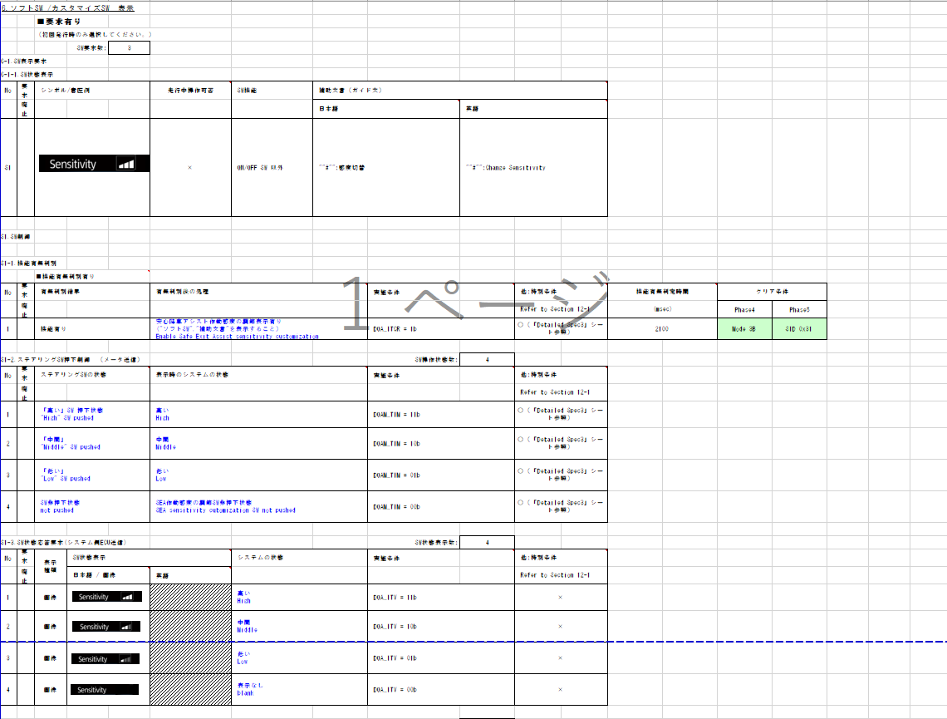
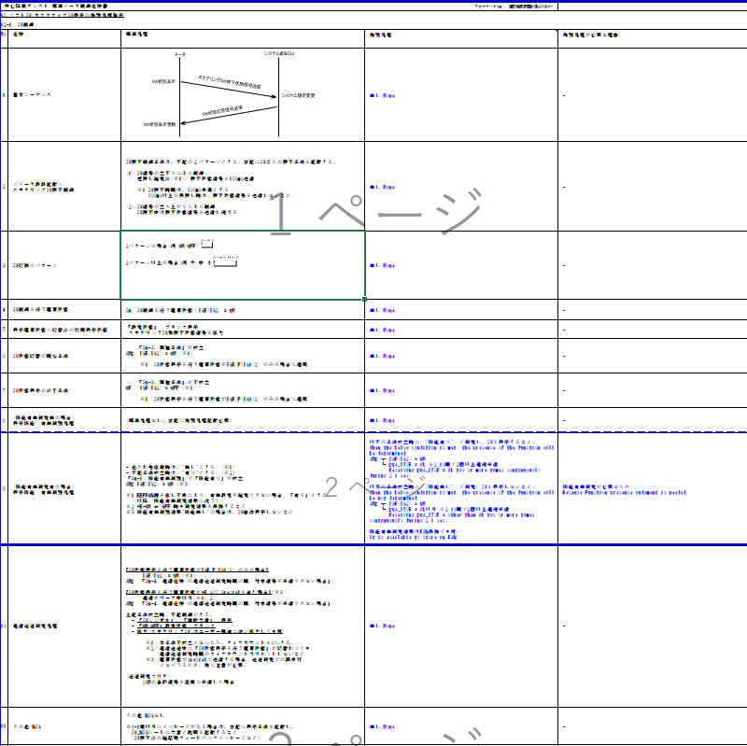
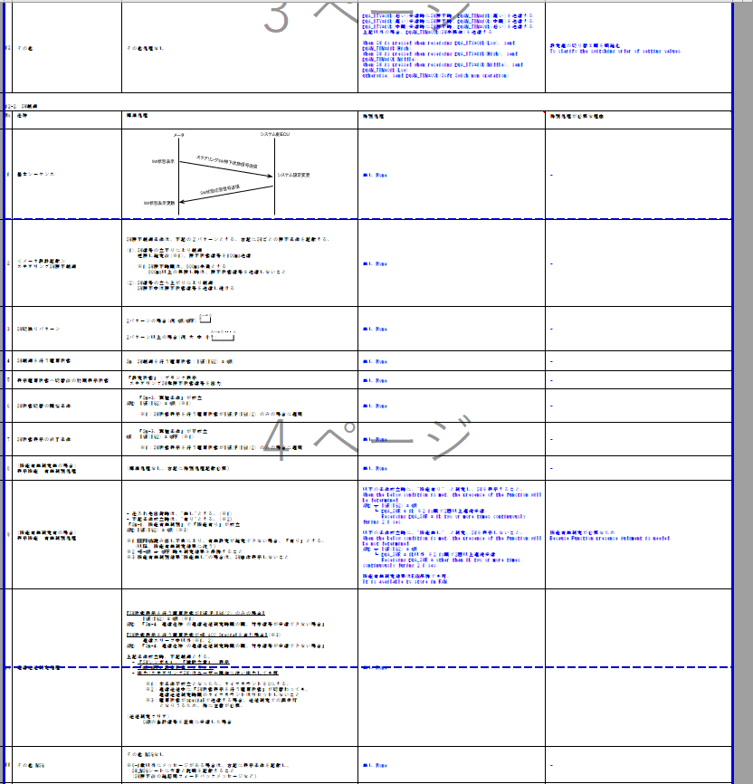
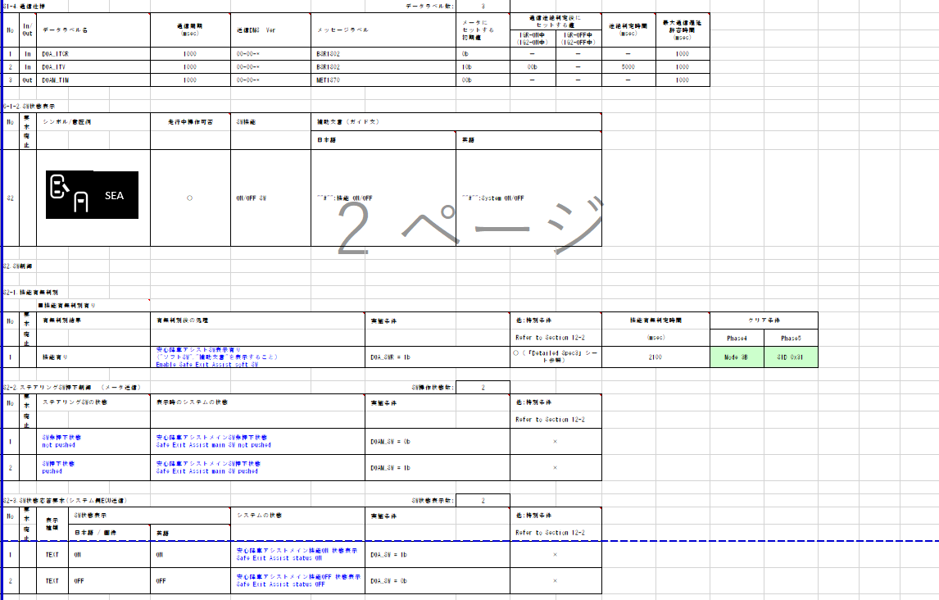
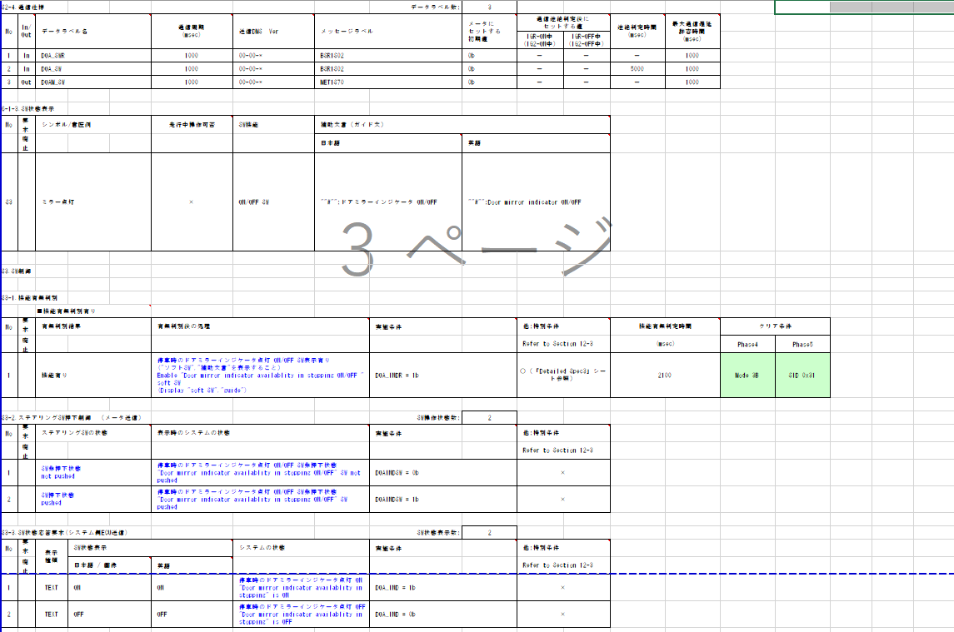
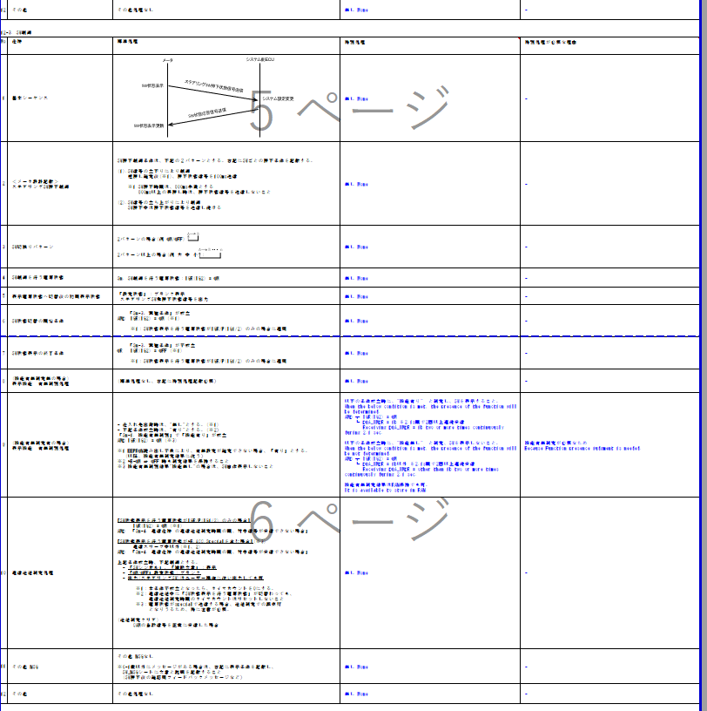
入力信号が6Bit以下のため、Indexを使用する
19PFv3からの差分は赤文字で記載
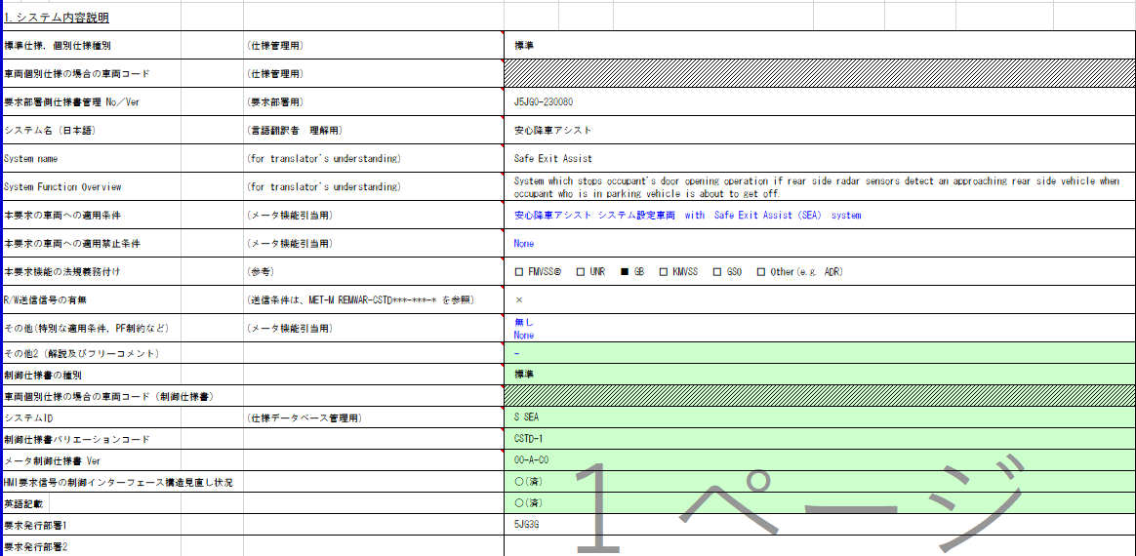
安全降車アシスト BC吹鳴判定
Table Type | Index
 | 入力 |  |  |  |  |  |  |  |  |  | REQ | 振る舞い
種類 | Vehicle Operation Mode |  |  |  |  |  |  |  | CAN | CAN | ALERT_CH_S_SEA_BC | TT | PD | BC | RW
有効電源状態 | - | - | - | - | - | - | - | - | +BA | +BA | ALERT_VOM_BAT_WT
端子名称/ メッセージラベル | VOM |  |  |  |  |  |  |  | BSR1S01 | BSR1S01
RW送信無し。
信号名(データラベル) | RWT_EN | [reserved] | VCS_ON | IGN_ON | IGN_OFF_WT | IGN_OFF | BAT_WT | BAT_AO | BSR1S01_STS | DOA_BUZ_SIG | 判定結果
取り得る値 | 0b/ 1b | - | 0b/ 1b | 0b/ 1b | 0b/ 1b | 0b/ 1b | 0b/ 1b | 0b/ 1b | 通常(00b)/ 未受信(01b)/ 通信途絶(10b)/ 未受信通信途絶(11b) | 未定義(000b)/ 後方からの接近車両&ドア制御状態(001b)/ 後方からの設計車両&ドア開状態(010b)/ 未定義(011b)/ 未定義(100b)/ 未定義(101b)/ 未定義(110b)/ 未定義(111b) | UNKNOWN/ CYCLE/ DOUBLE |  |  | 断続/ 2連発/ -
BAT_WT=1b + 通常 + 未定義(000b) | * | * | * | * | * | * | 1b | * | 00b | 000b | UNKNOWN |  |  | -
BAT_WT=1b + 通常 + 後方からの接近車両&ドア制御状態(001b) | * | * | * | * | * | * | 1b | * | 00b | 001b | DOUBLE |  |  | 2連発
BAT_WT=1b + 通常 + 後方からの接近車両&ドア開状態(010b) | * | * | * | * | * | * | 1b | * | 00b | 010b | CYCLE |  |  | 断続
BAT_WT=1b + 通常 + 未定義(011b~111b) | * | * | * | * | * | * | 1b | * | 00b | 011b ~ 111b | UNKNOWN |  |  | -
BAT_WT=1b + 未受信 + * | * | * | * | * | * | * | 1b | * | 01b | ***b | UNKNOWN |  |  | -
TT要求なし
BAT_WT=1b + 通信途絶 + * | * | * | * | * | * | * | 1b | * | 10b | ***b | UNKNOWN |  |  | -
BAT_WT=1b + 未受信通信途絶 + * | * | * | * | * | * | * | 1b | * | 11b | ***b | UNKNOWN |  |  | -
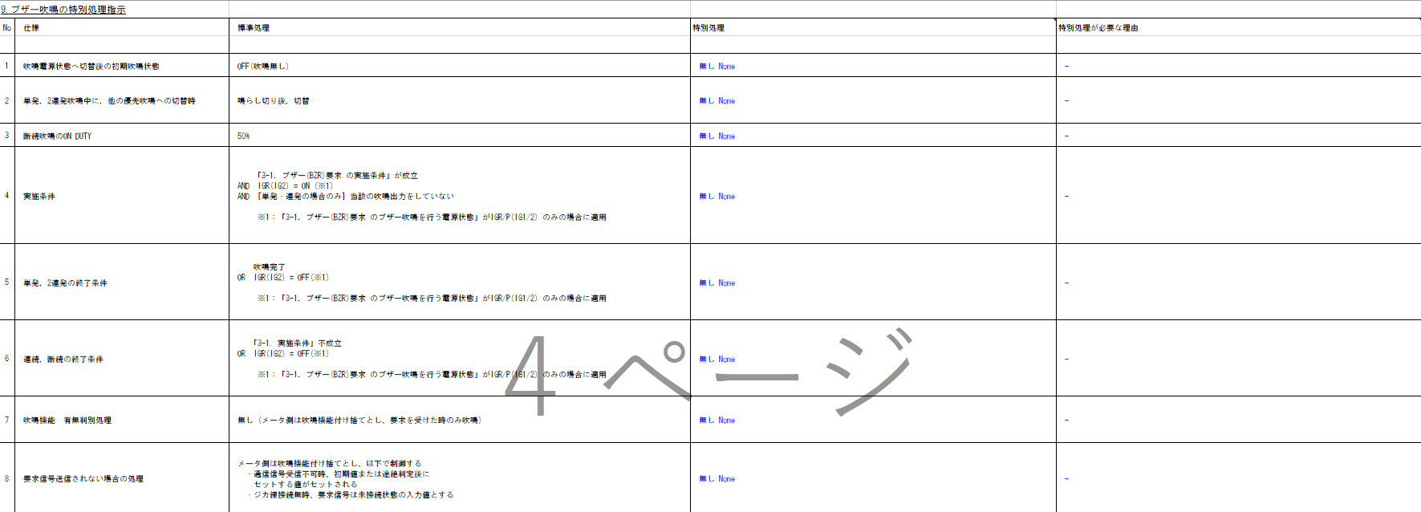
BAT_WT=0b + * + * | * | * | * | * | * | * | 0b | * | **b | ***b | UNKNOWN |  |  | -

Indexに加える。

動作電源は+B。
BAT_WTを使用する。

エッジ判定はVSV側で行う。
VOM::Alertとしてはレベルで通知する。
BZR要求有り

入力信号が6Bit以下のため、Indexを使用する

安全降車アシスト PD表示判定
Table Type | Index
 | 入力 |  |  |  |  |  |  |  |  |  | REQ | 振る舞い
種類 | Vehicle Operation Mode |  |  |  |  |  |  |  | CAN | CAN | ALERT_CH_S_SEA_PD | TT | PD | BC | RW
有効電源状態 | - | - | - | - | - | - | - | - | +BA | +BA | ALERT_VOM_BAT_WT
端子名称/ メッセージラベル | VOM |  |  |  |  |  |  |  | BSR1S02 | BSR1S02
信号の送信電源は+BA-ON。
通信途絶時の振る舞いは以下。
IG-ON： 通信途絶時は000bで制御(非吹鳴)
IG-OFF：通信途絶時は000bで制御(非吹鳴)
IG-ON時,IG-OFF時共に、通信途絶時は非吹鳴(000b)で制御する。よって、電源状態に関わらず、通信状態が途絶(10b,11b)の時は、ALERT_REQ_UNKNOWNを出力することで、通信ソフトが持つ前回値に関係なく、非吹鳴となるように設計する。
信号名(データラベル) | RWT_EN | [reserved] | VCS_ON | IGN_ON | IGN_OFF_WT | IGN_OFF | BAT_WT | BAT_AO | BSR1S02_STS | DOAM_MSG_SIG | 判定結果
初期値、非吹鳴
通信状態が通信途絶の場合は、VOM::AlertはUNKNOWN(非吹鳴)のREQを出力する。そのため、復帰時に信号が変わらず、吹鳴要求を出力した場合は、VSV側でエッジを検出できるため、吹鳴が起こり、仕様通りの動作となる。
ブザー音圧目標は単品で73dB以上とする。
→Alert責務外の為、設計には影響しない
取り得る値 | 0b/ 1b | - | 0b/ 1b | 0b/ 1b | 0b/ 1b | 0b/ 1b | 0b/ 1b | 0b/ 1b | 通常(00b)/ 未受信(01b)/ 通信途絶(10b)/ 未受信通信途絶(11b) | 正常(0b)/ SEA停止要求(1b) | UNKNOWN/ SEASTOP |  | S_SEA-CSTD-1-MEF01-REQ02-/ -
BAT_WT=0b + * + * + * + * | * | * | * | * | * | * | 0b | * | **b | *b | UNKNOWN |  | -
BAT_WT=1b + IG-ON + 通常 + 正常(0b) | * | * | * | 1b | * | * | 1b | * | 00b | 0b | UNKNOWN |  | -
BAT_WT=1b + IG-ON + 通常 + SEA停止要求(1b) | * | * | * | 1b | * | * | 1b | * | 00b | 1b | SEASTOP |  | REQ02
800B CV-R：動作電源は+B。
BAT_WTを使用する。
QAチケット：
BAT_WT=1b + IG-ON + 未受信 + 正常(0b) | * | * | * | 1b | * | * | 1b | * | 01b | 0b | UNKNOWN |  | -
BAT_WT=1b + IG-ON + 未受信 + SEA停止要求(1b) | * | * | * | 1b | * | * | 1b | * | 01b | 1b | UNKNOWN |  | -
BAT_WT=1b + IG-ON + 通信途絶 + 正常(0b) | * | * | * | 1b | * | * | 1b | * | 10b | 0b | UNKNOWN |  | -
機能有無判定あり。
機能有無判定の実施・保持はVSV側の責務とする。
BAT_WT=1b + IG-ON + 通信途絶 + SEA停止要求(1b) | * | * | * | 1b | * | * | 1b | * | 10b | 1b | SEASTOP |  | REQ02
BAT_WT=1b + IG-ON + 未受信通信途絶 + 正常(0b) | * | * | * | 1b | * | * | 1b | * | 11b | 0b | UNKNOWN |  | -
METHUD800B-9849
BAT_WT=1b + IG-ON + 未受信通信途絶 + SEA停止要求(1b) | * | * | * | 1b | * | * | 1b | * | 11b | 1b | UNKNOWN |  | -
MID要求有り
BAT_WT=1b + IG-OFF + 通常 + 正常(0b) | * | * | * | 0b | * | * | 1b | * | 00b | 0b | UNKNOWN |  | -
BAT_WT=1b + IG-OFF + 通常 + SEA停止要求(1b) | * | * | * | 0b | * | * | 1b | * | 00b | 1b | SEASTOP |  | REQ02
BAT_WT=1b + IG-OFF + 未受信 + 正常(0b) | * | * | * | 0b | * | * | 1b | * | 01b | 0b | UNKNOWN |  | -
BAT_WT=1b + IG-OFF + 未受信 + SEA停止要求(1b) | * | * | * | 0b | * | * | 1b | * | 01b | 1b | UNKNOWN |  | -
BAT_WT=1b + IG-OFF + 通信途絶 + 正常(0b) | * | * | * | 0b | * | * | 1b | * | 10b | 0b | UNKNOWN |  | -
BAT_WT=1b + IG-OFF + 通信途絶 + SEA停止要求(1b) | * | * | * | 0b | * | * | 1b | * | 10b | 1b | UNKNOWN |  | -
BAT_WT=1b + IG-OFF + 未受信通信途絶 + 正常(0b) | * | * | * | 0b | * | * | 1b | * | 11b | 0b | UNKNOWN |  | -
BAT_WT=1b + IG-OFF + 未受信通信途絶 + SEA停止要求(1b) | * | * | * | 0b | * | * | 1b | * | 11b | 1b | UNKNOWN |  | -

Indexに加える。

特別条件無し

通信途絶判定時間は5000ms。通信途絶時の振る舞いは以下。
IG-ON： 通信途絶時は最終信号値で制御
IG-OFF：通信途絶時は0bで制御(表示)
となるように設計する。

信号の送信電源は+BA-ON。
IGRも含む

VMIDは可変表示を含む制御が必要なため、Alert責務外

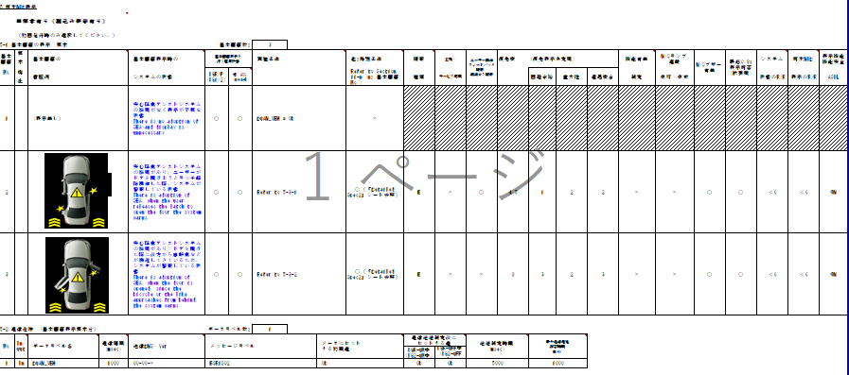
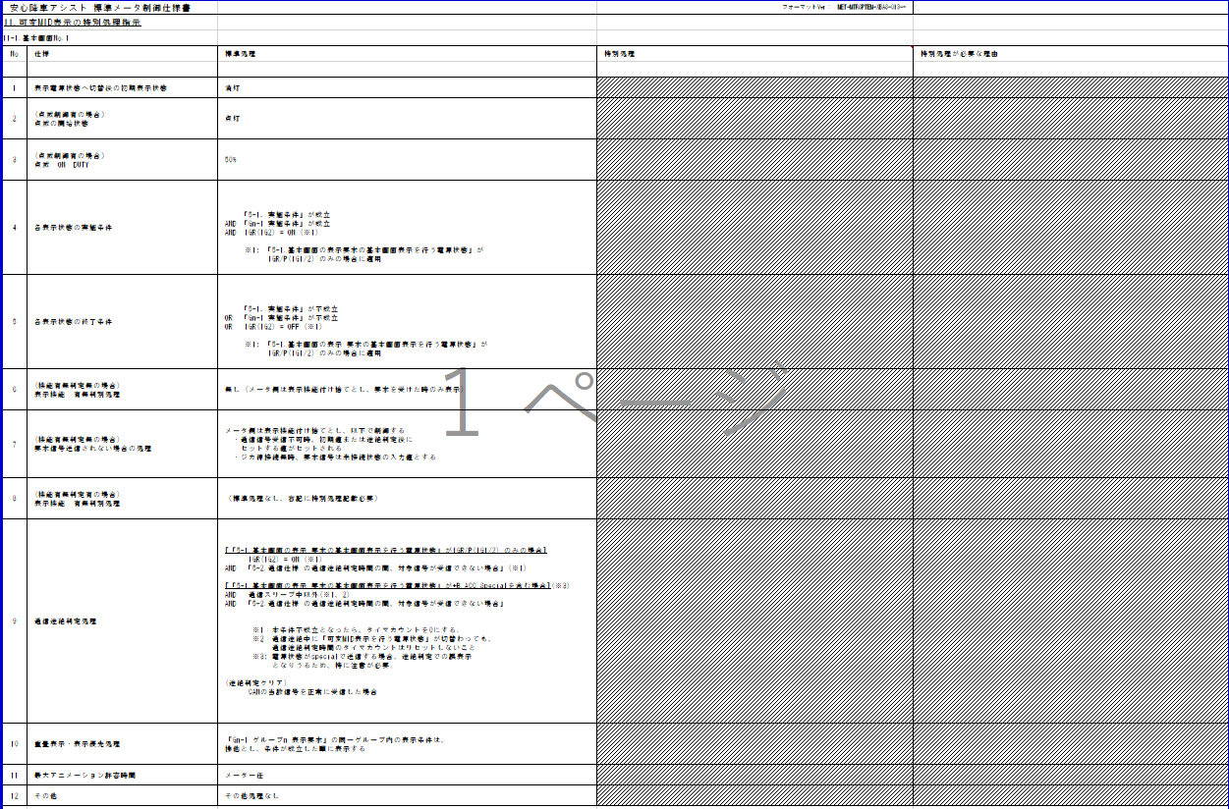

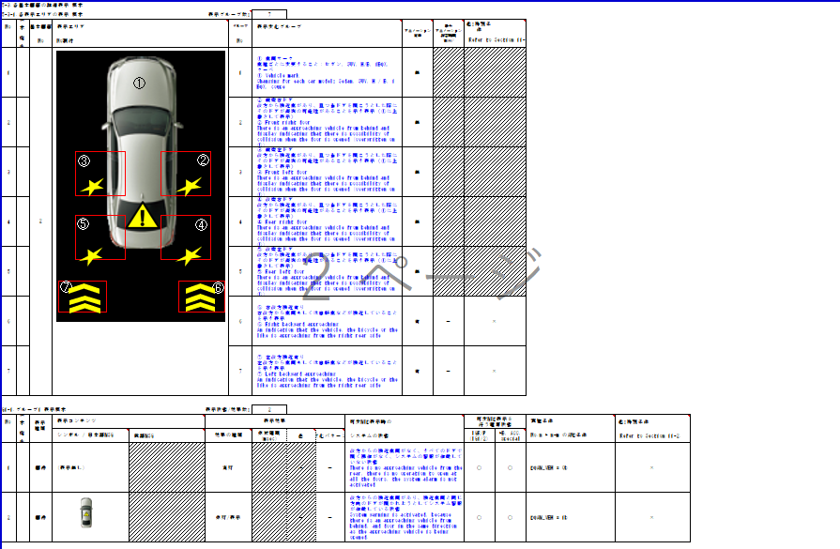

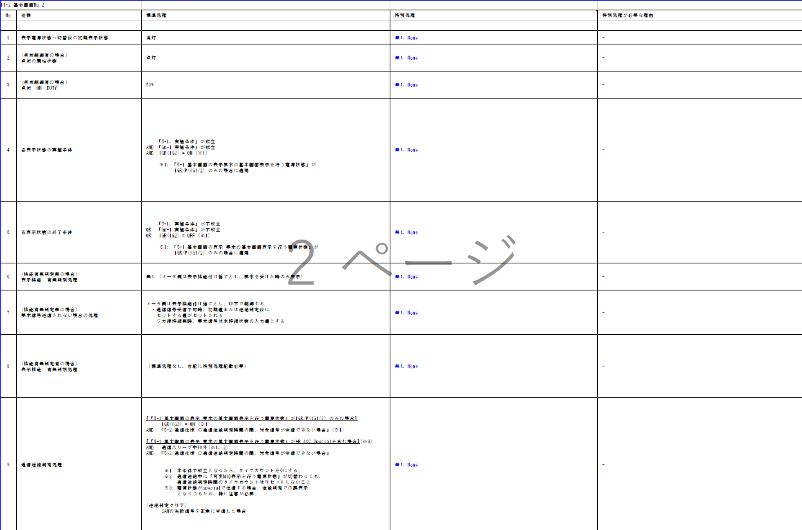

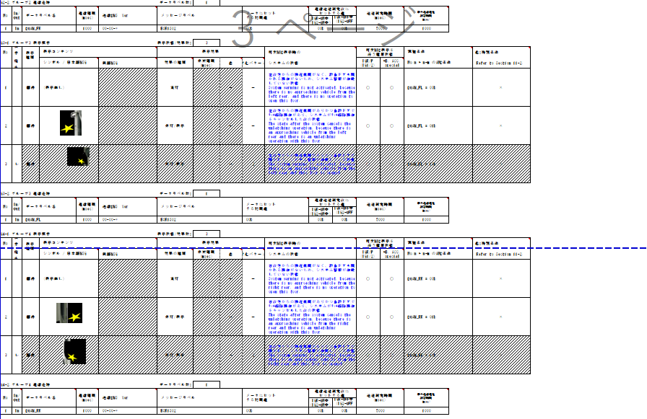

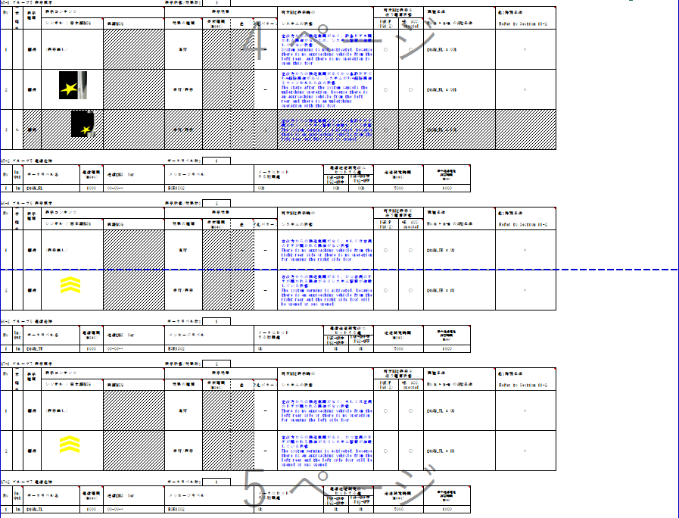

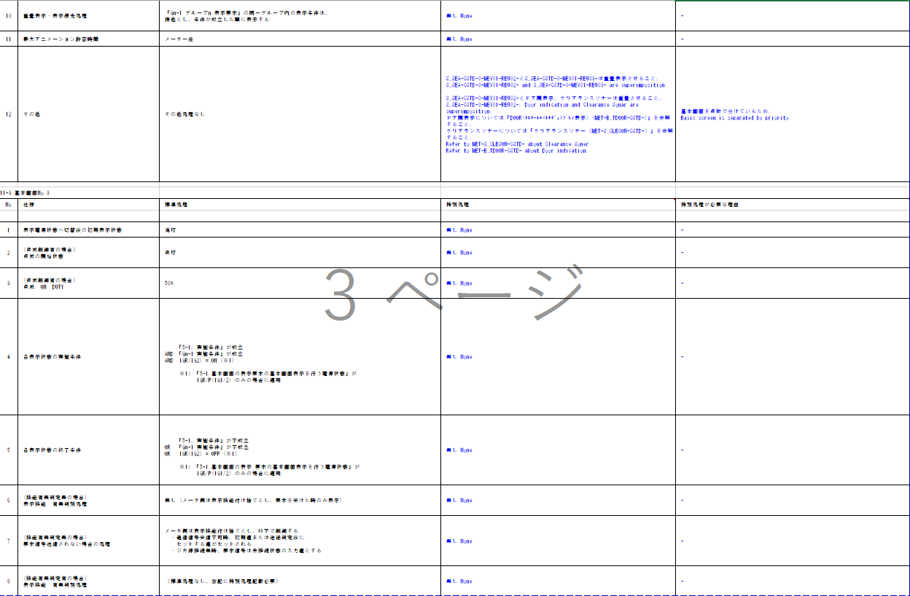

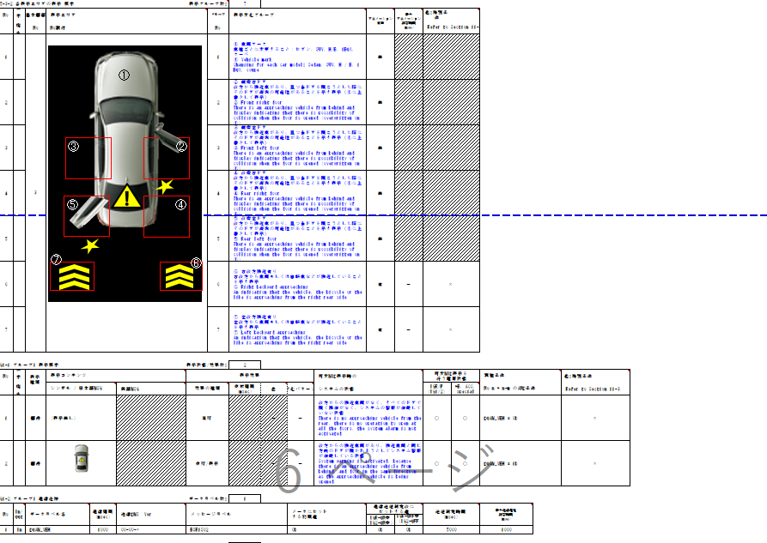

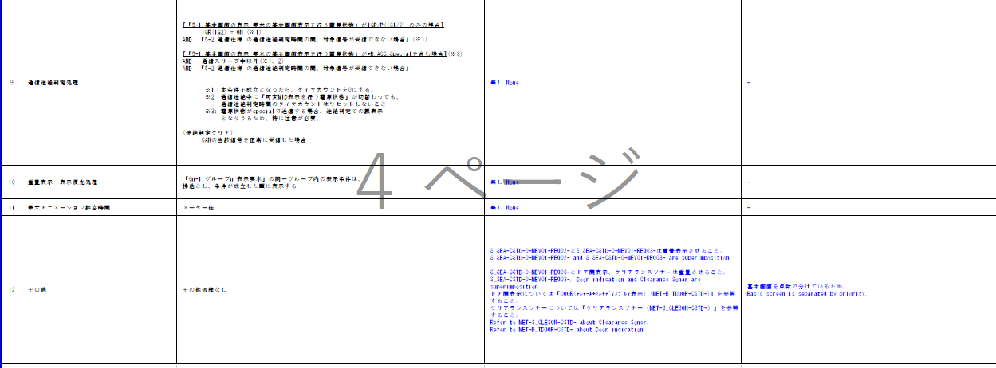

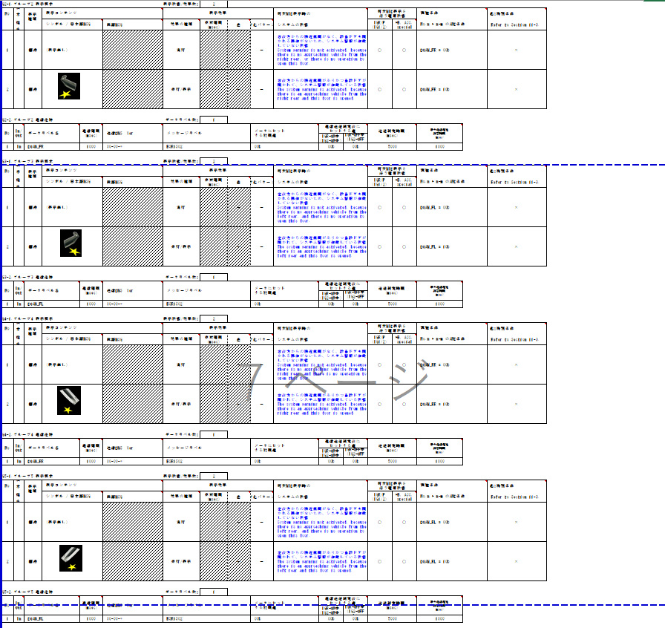

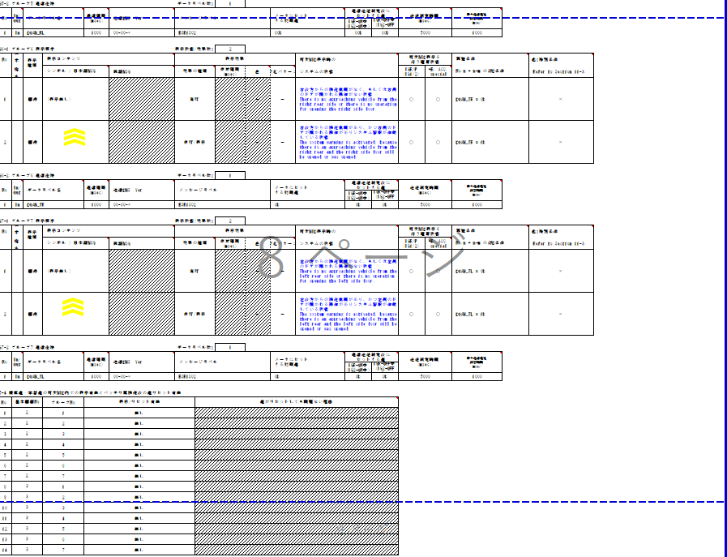

SWは可変表示を含む制御が必要なため、Alert責務外

