S1B
入力は種別ごとにカラーリングする
■ Variation
■ Vehicle Information
■ Power pass time
■ Other Domain
■ HardWire
■ CAN Rx Hook timeout
■ CAN Rx Hook Flag
■ CAN Rx Hook Signal
■ CAN Rx Message Status & Signal
■ （上記以外）
 |  |  |  |  |  |  |  |  |  |  |  |  |  |  |  |  |  |  |  |  |  |  |  |  |  |  |  |  |  |  |  |  | → | bit
 | Table Type | INDEX | 31 | 30 | 29 | 28 | 27 | 26 | 25 | 24 | 23 | 22 | 21 | 20 | 19 | 18 | 17 | 16 | 15 | 14 | 13 | 12 | 11 | 10 | 9 | 8 | 7 | 6 | 5 | 4 | 3 | 2 | 1 | 0 | REQ
 | Search Table |  | ALERT_VOM_RWT_EN | [reserved] | ALERT_VOM_VCS_ON | ALERT_VOM_IGN_ON | ALERT_VOM_IGN_OFF_WT | ALERT_VOM_IGN_OFF | ALERT_VOM_BAT_WT | ALERT_VOM_BAT_AO | [reserved] | [reserved] | [reserved] | [reserved] | [reserved] | [reserved] | [reserved] | [reserved] | [reserved] | [reserved] | [reserved] | [reserved] | [reserved] | [reserved] | [reserved] | [reserved] | [reserved] | [reserved] | IDT1S02_STS | SWR1_SIG |  |  |  |  |  | シート名称は、CH Nameと同じにすること。 1CHしか存在しない場合、機能名と同じにすること。
Master Table |  |  |  |  |  |  |  |  |  |  |  |  |  |  |  |  |  |  |  |  |  |  |  |  |  |  |  |  |  |  |  |  |  |  |  | 貼り付けコード
 |  |  |  |  |  |  |  |  |  |  |  |  |  |  |  |  |  |  |  |  |  |  |  |  |  |  |  |  |  |  |  |  |  |  |  | static const U4 u4_sp_ALERT_B_SMASTA_S1B_CRIT[ALERT_B_SMASTA_S1B_NUM_DST] = { | static const U4 u4_sp_ALERT_B_SMASTA_S1B_MASK[ALERT_B_SMASTA_S1B_NUM_DST] = { | static const U1 u1_sp_ALERT_B_SMASTA_S1B_DST[ALERT_B_SMASTA_S1B_NUM_DST] = { | const ST_ALERT_MTRX st_gp_ALERT_B_SMASTA_MTRX[15] = { | #define ALERT_B_SMASTA_S1B_NUM_DST (14U)
 | Table S1B | 0 | × | × | × | × | × | × | 1 | × | × | × | × | × | × | × | × | × | × | × | × | × | × | × | × | × | × | × | 0 | 0 | 0 | 0 | 0 | 1 | MALFUNC | (U4)0x02000001U, /* 00 MALFUNC */ | (U4)0x0200003FU, /* 00 MALFUNC */ | (U1)ALERT_REQ_B_SMASTA_S1B_MALFUNC, /* 00 MALFUNC */ | { | MtxSrch変数名 | S1B
 |  | 1 | × | × | × | × | × | × | 1 | × | × | × | × | × | × | × | × | × | × | × | × | × | × | × | × | × | × | × | 0 | 0 | 0 | 0 | 1 | 0 | NOTRELC | (U4)0x02000002U, /* 01 NOTRELC */ | (U4)0x0200003FU, /* 01 NOTRELC */ | (U1)ALERT_REQ_B_SMASTA_S1B_NOTRELC, /* 01 NOTRELC */ | &u4_s_AlertB_smastaS1bSrcchk, /* fp_u4_SRC_CHK */ | Use MtxSrch | 1
 |  | 2 | × | × | × | × | × | × | 1 | × | × | × | × | × | × | × | × | × | × | × | × | × | × | × | × | × | × | × | 0 | 0 | 0 | 0 | 1 | 1 | NOTRELH | (U4)0x02000003U, /* 02 NOTRELH */ | (U4)0x0200003FU, /* 02 NOTRELH */ | (U1)ALERT_REQ_B_SMASTA_S1B_NOTRELH, /* 02 NOTRELH */ | vdp_PTR_NA, /* fp_vd_XDST */ | CRIT_NAME | u4_sp_ALERT_B_SMASTA_S1B_CRIT
 |  | 3 | × | × | × | × | × | × | 1 | × | × | × | × | × | × | × | × | × | × | × | × | × | × | × | × | × | × | × | 0 | 0 | 0 | 1 | 0 | 0 | CP_AT_NG | (U4)0x02000004U, /* 03 CP_AT_NG */ | (U4)0x0200003FU, /* 03 CP_AT_NG */ | (U1)ALERT_REQ_B_SMASTA_S1B_CP_AT_NG, /* 03 CP_AT_NG */ |  | MASK_NAME | u4_sp_ALERT_B_SMASTA_S1B_MASK
 |  | 4 | × | × | × | × | × | × | 1 | × | × | × | × | × | × | × | × | × | × | × | × | × | × | × | × | × | × | × | 0 | 0 | 0 | 1 | 0 | 1 | CP_MT_NG | (U4)0x02000005U, /* 04 CP_MT_NG */ | (U4)0x0200003FU, /* 04 CP_MT_NG */ | (U1)ALERT_REQ_B_SMASTA_S1B_CP_MT_NG, /* 04 CP_MT_NG */ | &u4_sp_ALERT_B_SMASTA_S1B_MASK[0], /* u4p_MASK */ | MTXSRCH_DEF | ALERT_B_SMASTA_S1B_NUM_DST
 |  | 5 | × | × | × | × | × | × | 1 | × | × | × | × | × | × | × | × | × | × | × | × | × | × | × | × | × | × | × | 0 | 0 | 0 | 1 | 1 | 0 | BX_AT_NG | (U4)0x02000006U, /* 05 BX_AT_NG */ | (U4)0x0200003FU, /* 05 BX_AT_NG */ | (U1)ALERT_REQ_B_SMASTA_S1B_BX_AT_NG, /* 05 BX_AT_NG */ | &u4_sp_ALERT_B_SMASTA_S1B_CRIT[0], /* u4p_CRIT */ | MTXSRCH_OUT_DEF | u1_sp_ALERT_B_SMASTA_S1B_DST
 |  | 6 | × | × | × | × | × | × | 1 | × | × | × | × | × | × | × | × | × | × | × | × | × | × | × | × | × | × | × | 0 | 0 | 0 | 1 | 1 | 1 | NOTKEY | (U4)0x02000007U, /* 06 NOTKEY */ | (U4)0x0200003FU, /* 06 NOTKEY */ | (U1)ALERT_REQ_B_SMASTA_S1B_NOTKEY, /* 06 NOTKEY */ |  | ALERT_MTRX_NAME | st_gp_ALERT_B_SMASTA_MTRX[15]
 |  | 7 | × | × | × | × | × | × | 1 | × | × | × | × | × | × | × | × | × | × | × | × | × | × | × | × | × | × | × | 0 | 0 | 1 | 0 | 1 | 0 | BATKEY | (U4)0x0200000AU, /* 07 BATKEY */ | (U4)0x0200003FU, /* 07 BATKEY */ | (U1)ALERT_REQ_B_SMASTA_S1B_BATKEY, /* 07 BATKEY */ | &u1_sp_ALERT_B_SMASTA_S1B_DST[0], /* u1p_DST */ | SRCH_NUM | 14
 |  | 8 | × | × | × | × | × | × | 1 | × | × | × | × | × | × | × | × | × | × | × | × | × | × | × | × | × | × | × | 0 | 0 | 1 | 0 | 1 | 1 | S_ENG1 | (U4)0x0200000BU, /* 08 S_ENG1 */ | (U4)0x0200003FU, /* 08 S_ENG1 */ | (U1)ALERT_REQ_B_SMASTA_S1B_S_ENG1, /* 08 S_ENG1 */ | (U2)ALERT_B_SMASTA_S1B_NUM_DST, /* u2_num_srch */ | SRC CHK | u4_s_AlertB_smastaS1bSrcchk
 |  | 9 | × | × | × | × | × | × | 1 | × | × | × | × | × | × | × | × | × | × | × | × | × | × | × | × | × | × | × | 0 | 0 | 1 | 1 | 0 | 0 | S_ENG2 | (U4)0x0200000CU, /* 09 S_ENG2 */ | (U4)0x0200003FU, /* 09 S_ENG2 */ | (U1)ALERT_REQ_B_SMASTA_S1B_S_ENG2, /* 09 S_ENG2 */ | (U1)ALERT_VOM_BAT_WT /* u1_vom_act */ | RWTX | NULL
 |  | 10 | × | × | × | × | × | × | 1 | × | × | × | × | × | × | × | × | × | × | × | × | × | × | × | × | × | × | × | 0 | 0 | 1 | 1 | 0 | 1 | S_ENG3 | (U4)0x0200000DU, /* 10 S_ENG3 */ | (U4)0x0200003FU, /* 10 S_ENG3 */ | (U1)ALERT_REQ_B_SMASTA_S1B_S_ENG3, /* 10 S_ENG3 */ | } | ACT | ALERT_VOM_BAT_WT
 |  | 11 | × | × | × | × | × | × | 1 | × | × | × | × | × | × | × | × | × | × | × | × | × | × | × | × | × | × | × | 0 | 1 | 1 | 0 | 1 | 1 | BX_MT_NG | (U4)0x0200001BU, /* 11 BX_MT_NG */ | (U4)0x0200003FU, /* 11 BX_MT_NG */ | (U1)ALERT_REQ_B_SMASTA_S1B_BX_MT_NG, /* 11 BX_MT_NG */ | }; | ALERT_MTRX変数名 | B_SMASTA
 |  | 12 | × | × | × | × | × | × | 1 | × | × | × | × | × | × | × | × | × | × | × | × | × | × | × | × | × | × | × | 0 | 1 | 1 | 1 | 0 | 0 | OT_AT_NG | (U4)0x0200001CU, /* 12 OT_AT_NG */ | (U4)0x0200003FU, /* 12 OT_AT_NG */ | (U1)ALERT_REQ_B_SMASTA_S1B_OT_AT_NG, /* 12 OT_AT_NG */
 |  | 13 | × | × | × | × | × | × | 1 | × | × | × | × | × | × | × | × | × | × | × | × | × | × | × | × | × | × | × | 0 | 1 | 1 | 1 | 0 | 1 | OT_MT_NG | (U4)0x0200001DU /* 13 OT_MT_NG */ | (U4)0x0200003FU /* 13 OT_MT_NG */ | (U1)ALERT_REQ_B_SMASTA_S1B_OT_MT_NG /* 13 OT_MT_NG */
 |  | 14 | × | × | × | × | × | × | × | × | × | × | × | × | × | × | × | × | × | × | × | × | × | × | × | × | × | × | × | × | × | × | × | × |  | }; | }; | };
 |  | 15 | × | × | × | × | × | × | × | × | × | × | × | × | × | × | × | × | × | × | × | × | × | × | × | × | × | × | × | × | × | × | × | ×
 |  | 16 | × | × | × | × | × | × | × | × | × | × | × | × | × | × | × | × | × | × | × | × | × | × | × | × | × | × | × | × | × | × | × | ×
 |  | 17 | × | × | × | × | × | × | × | × | × | × | × | × | × | × | × | × | × | × | × | × | × | × | × | × | × | × | × | × | × | × | × | ×
 |  | 18 | × | × | × | × | × | × | × | × | × | × | × | × | × | × | × | × | × | × | × | × | × | × | × | × | × | × | × | × | × | × | × | ×
 |  | 19 | × | × | × | × | × | × | × | × | × | × | × | × | × | × | × | × | × | × | × | × | × | × | × | × | × | × | × | × | × | × | × | ×
 |  | 20 | × | × | × | × | × | × | × | × | × | × | × | × | × | × | × | × | × | × | × | × | × | × | × | × | × | × | × | × | × | × | × | ×
 |  | 21 | × | × | × | × | × | × | × | × | × | × | × | × | × | × | × | × | × | × | × | × | × | × | × | × | × | × | × | × | × | × | × | ×
 |  | 22 | × | × | × | × | × | × | × | × | × | × | × | × | × | × | × | × | × | × | × | × | × | × | × | × | × | × | × | × | × | × | × | ×
 |  | 23 | × | × | × | × | × | × | × | × | × | × | × | × | × | × | × | × | × | × | × | × | × | × | × | × | × | × | × | × | × | × | × | ×
 |  | 24 | × | × | × | × | × | × | × | × | × | × | × | × | × | × | × | × | × | × | × | × | × | × | × | × | × | × | × | × | × | × | × | ×
 |  | 25 | × | × | × | × | × | × | × | × | × | × | × | × | × | × | × | × | × | × | × | × | × | × | × | × | × | × | × | × | × | × | × | ×
 |  | 26 | × | × | × | × | × | × | × | × | × | × | × | × | × | × | × | × | × | × | × | × | × | × | × | × | × | × | × | × | × | × | × | ×
 |  | 27 | × | × | × | × | × | × | × | × | × | × | × | × | × | × | × | × | × | × | × | × | × | × | × | × | × | × | × | × | × | × | × | ×
 |  | 28 | × | × | × | × | × | × | × | × | × | × | × | × | × | × | × | × | × | × | × | × | × | × | × | × | × | × | × | × | × | × | × | ×
 |  | 29 | × | × | × | × | × | × | × | × | × | × | × | × | × | × | × | × | × | × | × | × | × | × | × | × | × | × | × | × | × | × | × | ×
 |  | 30 | × | × | × | × | × | × | × | × | × | × | × | × | × | × | × | × | × | × | × | × | × | × | × | × | × | × | × | × | × | × | × | ×
 |  | 31 | × | × | × | × | × | × | × | × | × | × | × | × | × | × | × | × | × | × | × | × | × | × | × | × | × | × | × | × | × | × | × | ×
 |  | 32 | × | × | × | × | × | × | × | × | × | × | × | × | × | × | × | × | × | × | × | × | × | × | × | × | × | × | × | × | × | × | × | ×
 |  | 33 | × | × | × | × | × | × | × | × | × | × | × | × | × | × | × | × | × | × | × | × | × | × | × | × | × | × | × | × | × | × | × | ×
 |  | 34 | × | × | × | × | × | × | × | × | × | × | × | × | × | × | × | × | × | × | × | × | × | × | × | × | × | × | × | × | × | × | × | ×
 |  | 35 | × | × | × | × | × | × | × | × | × | × | × | × | × | × | × | × | × | × | × | × | × | × | × | × | × | × | × | × | × | × | × | ×
 |  | 36 | × | × | × | × | × | × | × | × | × | × | × | × | × | × | × | × | × | × | × | × | × | × | × | × | × | × | × | × | × | × | × | ×
 |  | 37 | × | × | × | × | × | × | × | × | × | × | × | × | × | × | × | × | × | × | × | × | × | × | × | × | × | × | × | × | × | × | × | ×
 |  | 38 | × | × | × | × | × | × | × | × | × | × | × | × | × | × | × | × | × | × | × | × | × | × | × | × | × | × | × | × | × | × | × | ×
 |  | 39 | × | × | × | × | × | × | × | × | × | × | × | × | × | × | × | × | × | × | × | × | × | × | × | × | × | × | × | × | × | × | × | ×
 |  | 40 | × | × | × | × | × | × | × | × | × | × | × | × | × | × | × | × | × | × | × | × | × | × | × | × | × | × | × | × | × | × | × | ×
 |  | 41 | × | × | × | × | × | × | × | × | × | × | × | × | × | × | × | × | × | × | × | × | × | × | × | × | × | × | × | × | × | × | × | ×
 |  | 42 | × | × | × | × | × | × | × | × | × | × | × | × | × | × | × | × | × | × | × | × | × | × | × | × | × | × | × | × | × | × | × | ×
 |  | 43 | × | × | × | × | × | × | × | × | × | × | × | × | × | × | × | × | × | × | × | × | × | × | × | × | × | × | × | × | × | × | × | ×
 |  | 44 | × | × | × | × | × | × | × | × | × | × | × | × | × | × | × | × | × | × | × | × | × | × | × | × | × | × | × | × | × | × | × | ×
 |  | 45 | × | × | × | × | × | × | × | × | × | × | × | × | × | × | × | × | × | × | × | × | × | × | × | × | × | × | × | × | × | × | × | ×
 |  | 46 | × | × | × | × | × | × | × | × | × | × | × | × | × | × | × | × | × | × | × | × | × | × | × | × | × | × | × | × | × | × | × | ×
 |  | 47 | × | × | × | × | × | × | × | × | × | × | × | × | × | × | × | × | × | × | × | × | × | × | × | × | × | × | × | × | × | × | × | ×
 |  | 48 | × | × | × | × | × | × | × | × | × | × | × | × | × | × | × | × | × | × | × | × | × | × | × | × | × | × | × | × | × | × | × | ×
 |  | 49 | × | × | × | × | × | × | × | × | × | × | × | × | × | × | × | × | × | × | × | × | × | × | × | × | × | × | × | × | × | × | × | ×
 |  | 50 | × | × | × | × | × | × | × | × | × | × | × | × | × | × | × | × | × | × | × | × | × | × | × | × | × | × | × | × | × | × | × | ×
 |  | 51 | × | × | × | × | × | × | × | × | × | × | × | × | × | × | × | × | × | × | × | × | × | × | × | × | × | × | × | × | × | × | × | ×
 |  | 52 | × | × | × | × | × | × | × | × | × | × | × | × | × | × | × | × | × | × | × | × | × | × | × | × | × | × | × | × | × | × | × | ×
 |  | 53 | × | × | × | × | × | × | × | × | × | × | × | × | × | × | × | × | × | × | × | × | × | × | × | × | × | × | × | × | × | × | × | ×
 |  | 54 | × | × | × | × | × | × | × | × | × | × | × | × | × | × | × | × | × | × | × | × | × | × | × | × | × | × | × | × | × | × | × | ×
 |  | 55 | × | × | × | × | × | × | × | × | × | × | × | × | × | × | × | × | × | × | × | × | × | × | × | × | × | × | × | × | × | × | × | ×
 |  | 56 | × | × | × | × | × | × | × | × | × | × | × | × | × | × | × | × | × | × | × | × | × | × | × | × | × | × | × | × | × | × | × | ×
 |  | 57 | × | × | × | × | × | × | × | × | × | × | × | × | × | × | × | × | × | × | × | × | × | × | × | × | × | × | × | × | × | × | × | ×
 |  | 58 | × | × | × | × | × | × | × | × | × | × | × | × | × | × | × | × | × | × | × | × | × | × | × | × | × | × | × | × | × | × | × | ×
 |  | 59 | × | × | × | × | × | × | × | × | × | × | × | × | × | × | × | × | × | × | × | × | × | × | × | × | × | × | × | × | × | × | × | ×
 |  | 60 | × | × | × | × | × | × | × | × | × | × | × | × | × | × | × | × | × | × | × | × | × | × | × | × | × | × | × | × | × | × | × | ×
 |  | 61 | × | × | × | × | × | × | × | × | × | × | × | × | × | × | × | × | × | × | × | × | × | × | × | × | × | × | × | × | × | × | × | ×
 |  | 62 | × | × | × | × | × | × | × | × | × | × | × | × | × | × | × | × | × | × | × | × | × | × | × | × | × | × | × | × | × | × | × | ×
 |  | 63 | × | × | × | × | × | × | × | × | × | × | × | × | × | × | × | × | × | × | × | × | × | × | × | × | × | × | × | × | × | × | × | ×
Criteria
 | Table S1B | 0 | 0 | 0 | 0 | 0 | 0 | 0 | 1 | 0 | 0 | 0 | 0 | 0 | 0 | 0 | 0 | 0 | 0 | 0 | 0 | 0 | 0 | 0 | 0 | 0 | 0 | 0 | 0 | 0 | 0 | 0 | 0 | 1 | MALFUNC
 |  | 1 | 0 | 0 | 0 | 0 | 0 | 0 | 1 | 0 | 0 | 0 | 0 | 0 | 0 | 0 | 0 | 0 | 0 | 0 | 0 | 0 | 0 | 0 | 0 | 0 | 0 | 0 | 0 | 0 | 0 | 0 | 1 | 0 | NOTRELC
 |  | 2 | 0 | 0 | 0 | 0 | 0 | 0 | 1 | 0 | 0 | 0 | 0 | 0 | 0 | 0 | 0 | 0 | 0 | 0 | 0 | 0 | 0 | 0 | 0 | 0 | 0 | 0 | 0 | 0 | 0 | 0 | 1 | 1 | NOTRELH
 |  | 3 | 0 | 0 | 0 | 0 | 0 | 0 | 1 | 0 | 0 | 0 | 0 | 0 | 0 | 0 | 0 | 0 | 0 | 0 | 0 | 0 | 0 | 0 | 0 | 0 | 0 | 0 | 0 | 0 | 0 | 1 | 0 | 0 | CP_AT_NG
 |  | 4 | 0 | 0 | 0 | 0 | 0 | 0 | 1 | 0 | 0 | 0 | 0 | 0 | 0 | 0 | 0 | 0 | 0 | 0 | 0 | 0 | 0 | 0 | 0 | 0 | 0 | 0 | 0 | 0 | 0 | 1 | 0 | 1 | CP_MT_NG
 |  | 5 | 0 | 0 | 0 | 0 | 0 | 0 | 1 | 0 | 0 | 0 | 0 | 0 | 0 | 0 | 0 | 0 | 0 | 0 | 0 | 0 | 0 | 0 | 0 | 0 | 0 | 0 | 0 | 0 | 0 | 1 | 1 | 0 | BX_AT_NG
 |  | 6 | 0 | 0 | 0 | 0 | 0 | 0 | 1 | 0 | 0 | 0 | 0 | 0 | 0 | 0 | 0 | 0 | 0 | 0 | 0 | 0 | 0 | 0 | 0 | 0 | 0 | 0 | 0 | 0 | 0 | 1 | 1 | 1 | NOTKEY
 |  | 7 | 0 | 0 | 0 | 0 | 0 | 0 | 1 | 0 | 0 | 0 | 0 | 0 | 0 | 0 | 0 | 0 | 0 | 0 | 0 | 0 | 0 | 0 | 0 | 0 | 0 | 0 | 0 | 0 | 1 | 0 | 1 | 0 | BATKEY
 |  | 8 | 0 | 0 | 0 | 0 | 0 | 0 | 1 | 0 | 0 | 0 | 0 | 0 | 0 | 0 | 0 | 0 | 0 | 0 | 0 | 0 | 0 | 0 | 0 | 0 | 0 | 0 | 0 | 0 | 1 | 0 | 1 | 1 | S_ENG1
 |  | 9 | 0 | 0 | 0 | 0 | 0 | 0 | 1 | 0 | 0 | 0 | 0 | 0 | 0 | 0 | 0 | 0 | 0 | 0 | 0 | 0 | 0 | 0 | 0 | 0 | 0 | 0 | 0 | 0 | 1 | 1 | 0 | 0 | S_ENG2
 |  | 10 | 0 | 0 | 0 | 0 | 0 | 0 | 1 | 0 | 0 | 0 | 0 | 0 | 0 | 0 | 0 | 0 | 0 | 0 | 0 | 0 | 0 | 0 | 0 | 0 | 0 | 0 | 0 | 0 | 1 | 1 | 0 | 1 | S_ENG3
 |  | 11 | 0 | 0 | 0 | 0 | 0 | 0 | 1 | 0 | 0 | 0 | 0 | 0 | 0 | 0 | 0 | 0 | 0 | 0 | 0 | 0 | 0 | 0 | 0 | 0 | 0 | 0 | 0 | 1 | 1 | 0 | 1 | 1 | BX_MT_NG
 |  | 12 | 0 | 0 | 0 | 0 | 0 | 0 | 1 | 0 | 0 | 0 | 0 | 0 | 0 | 0 | 0 | 0 | 0 | 0 | 0 | 0 | 0 | 0 | 0 | 0 | 0 | 0 | 0 | 1 | 1 | 1 | 0 | 0 | OT_AT_NG
 |  | 13 | 0 | 0 | 0 | 0 | 0 | 0 | 1 | 0 | 0 | 0 | 0 | 0 | 0 | 0 | 0 | 0 | 0 | 0 | 0 | 0 | 0 | 0 | 0 | 0 | 0 | 0 | 0 | 1 | 1 | 1 | 0 | 1 | OT_MT_NG
 |  | 14 | 0 | 0 | 0 | 0 | 0 | 0 | 0 | 0 | 0 | 0 | 0 | 0 | 0 | 0 | 0 | 0 | 0 | 0 | 0 | 0 | 0 | 0 | 0 | 0 | 0 | 0 | 0 | 0 | 0 | 0 | 0 | 0
 |  | 15 | 0 | 0 | 0 | 0 | 0 | 0 | 0 | 0 | 0 | 0 | 0 | 0 | 0 | 0 | 0 | 0 | 0 | 0 | 0 | 0 | 0 | 0 | 0 | 0 | 0 | 0 | 0 | 0 | 0 | 0 | 0 | 0
 |  | 16 | 0 | 0 | 0 | 0 | 0 | 0 | 0 | 0 | 0 | 0 | 0 | 0 | 0 | 0 | 0 | 0 | 0 | 0 | 0 | 0 | 0 | 0 | 0 | 0 | 0 | 0 | 0 | 0 | 0 | 0 | 0 | 0
 |  | 17 | 0 | 0 | 0 | 0 | 0 | 0 | 0 | 0 | 0 | 0 | 0 | 0 | 0 | 0 | 0 | 0 | 0 | 0 | 0 | 0 | 0 | 0 | 0 | 0 | 0 | 0 | 0 | 0 | 0 | 0 | 0 | 0
 |  | 18 | 0 | 0 | 0 | 0 | 0 | 0 | 0 | 0 | 0 | 0 | 0 | 0 | 0 | 0 | 0 | 0 | 0 | 0 | 0 | 0 | 0 | 0 | 0 | 0 | 0 | 0 | 0 | 0 | 0 | 0 | 0 | 0
 |  | 19 | 0 | 0 | 0 | 0 | 0 | 0 | 0 | 0 | 0 | 0 | 0 | 0 | 0 | 0 | 0 | 0 | 0 | 0 | 0 | 0 | 0 | 0 | 0 | 0 | 0 | 0 | 0 | 0 | 0 | 0 | 0 | 0
 |  | 20 | 0 | 0 | 0 | 0 | 0 | 0 | 0 | 0 | 0 | 0 | 0 | 0 | 0 | 0 | 0 | 0 | 0 | 0 | 0 | 0 | 0 | 0 | 0 | 0 | 0 | 0 | 0 | 0 | 0 | 0 | 0 | 0
 |  | 21 | 0 | 0 | 0 | 0 | 0 | 0 | 0 | 0 | 0 | 0 | 0 | 0 | 0 | 0 | 0 | 0 | 0 | 0 | 0 | 0 | 0 | 0 | 0 | 0 | 0 | 0 | 0 | 0 | 0 | 0 | 0 | 0
 |  | 22 | 0 | 0 | 0 | 0 | 0 | 0 | 0 | 0 | 0 | 0 | 0 | 0 | 0 | 0 | 0 | 0 | 0 | 0 | 0 | 0 | 0 | 0 | 0 | 0 | 0 | 0 | 0 | 0 | 0 | 0 | 0 | 0
 |  | 23 | 0 | 0 | 0 | 0 | 0 | 0 | 0 | 0 | 0 | 0 | 0 | 0 | 0 | 0 | 0 | 0 | 0 | 0 | 0 | 0 | 0 | 0 | 0 | 0 | 0 | 0 | 0 | 0 | 0 | 0 | 0 | 0
 |  | 24 | 0 | 0 | 0 | 0 | 0 | 0 | 0 | 0 | 0 | 0 | 0 | 0 | 0 | 0 | 0 | 0 | 0 | 0 | 0 | 0 | 0 | 0 | 0 | 0 | 0 | 0 | 0 | 0 | 0 | 0 | 0 | 0
 |  | 25 | 0 | 0 | 0 | 0 | 0 | 0 | 0 | 0 | 0 | 0 | 0 | 0 | 0 | 0 | 0 | 0 | 0 | 0 | 0 | 0 | 0 | 0 | 0 | 0 | 0 | 0 | 0 | 0 | 0 | 0 | 0 | 0
 |  | 26 | 0 | 0 | 0 | 0 | 0 | 0 | 0 | 0 | 0 | 0 | 0 | 0 | 0 | 0 | 0 | 0 | 0 | 0 | 0 | 0 | 0 | 0 | 0 | 0 | 0 | 0 | 0 | 0 | 0 | 0 | 0 | 0
 |  | 27 | 0 | 0 | 0 | 0 | 0 | 0 | 0 | 0 | 0 | 0 | 0 | 0 | 0 | 0 | 0 | 0 | 0 | 0 | 0 | 0 | 0 | 0 | 0 | 0 | 0 | 0 | 0 | 0 | 0 | 0 | 0 | 0
 |  | 28 | 0 | 0 | 0 | 0 | 0 | 0 | 0 | 0 | 0 | 0 | 0 | 0 | 0 | 0 | 0 | 0 | 0 | 0 | 0 | 0 | 0 | 0 | 0 | 0 | 0 | 0 | 0 | 0 | 0 | 0 | 0 | 0
 |  | 29 | 0 | 0 | 0 | 0 | 0 | 0 | 0 | 0 | 0 | 0 | 0 | 0 | 0 | 0 | 0 | 0 | 0 | 0 | 0 | 0 | 0 | 0 | 0 | 0 | 0 | 0 | 0 | 0 | 0 | 0 | 0 | 0
 |  | 30 | 0 | 0 | 0 | 0 | 0 | 0 | 0 | 0 | 0 | 0 | 0 | 0 | 0 | 0 | 0 | 0 | 0 | 0 | 0 | 0 | 0 | 0 | 0 | 0 | 0 | 0 | 0 | 0 | 0 | 0 | 0 | 0
 |  | 31 | 0 | 0 | 0 | 0 | 0 | 0 | 0 | 0 | 0 | 0 | 0 | 0 | 0 | 0 | 0 | 0 | 0 | 0 | 0 | 0 | 0 | 0 | 0 | 0 | 0 | 0 | 0 | 0 | 0 | 0 | 0 | 0
 |  | 32 | 0 | 0 | 0 | 0 | 0 | 0 | 0 | 0 | 0 | 0 | 0 | 0 | 0 | 0 | 0 | 0 | 0 | 0 | 0 | 0 | 0 | 0 | 0 | 0 | 0 | 0 | 0 | 0 | 0 | 0 | 0 | 0
 |  | 33 | 0 | 0 | 0 | 0 | 0 | 0 | 0 | 0 | 0 | 0 | 0 | 0 | 0 | 0 | 0 | 0 | 0 | 0 | 0 | 0 | 0 | 0 | 0 | 0 | 0 | 0 | 0 | 0 | 0 | 0 | 0 | 0
 |  | 34 | 0 | 0 | 0 | 0 | 0 | 0 | 0 | 0 | 0 | 0 | 0 | 0 | 0 | 0 | 0 | 0 | 0 | 0 | 0 | 0 | 0 | 0 | 0 | 0 | 0 | 0 | 0 | 0 | 0 | 0 | 0 | 0
 |  | 35 | 0 | 0 | 0 | 0 | 0 | 0 | 0 | 0 | 0 | 0 | 0 | 0 | 0 | 0 | 0 | 0 | 0 | 0 | 0 | 0 | 0 | 0 | 0 | 0 | 0 | 0 | 0 | 0 | 0 | 0 | 0 | 0
 |  | 36 | 0 | 0 | 0 | 0 | 0 | 0 | 0 | 0 | 0 | 0 | 0 | 0 | 0 | 0 | 0 | 0 | 0 | 0 | 0 | 0 | 0 | 0 | 0 | 0 | 0 | 0 | 0 | 0 | 0 | 0 | 0 | 0
 |  | 37 | 0 | 0 | 0 | 0 | 0 | 0 | 0 | 0 | 0 | 0 | 0 | 0 | 0 | 0 | 0 | 0 | 0 | 0 | 0 | 0 | 0 | 0 | 0 | 0 | 0 | 0 | 0 | 0 | 0 | 0 | 0 | 0
 |  | 38 | 0 | 0 | 0 | 0 | 0 | 0 | 0 | 0 | 0 | 0 | 0 | 0 | 0 | 0 | 0 | 0 | 0 | 0 | 0 | 0 | 0 | 0 | 0 | 0 | 0 | 0 | 0 | 0 | 0 | 0 | 0 | 0
 |  | 39 | 0 | 0 | 0 | 0 | 0 | 0 | 0 | 0 | 0 | 0 | 0 | 0 | 0 | 0 | 0 | 0 | 0 | 0 | 0 | 0 | 0 | 0 | 0 | 0 | 0 | 0 | 0 | 0 | 0 | 0 | 0 | 0
 |  | 40 | 0 | 0 | 0 | 0 | 0 | 0 | 0 | 0 | 0 | 0 | 0 | 0 | 0 | 0 | 0 | 0 | 0 | 0 | 0 | 0 | 0 | 0 | 0 | 0 | 0 | 0 | 0 | 0 | 0 | 0 | 0 | 0
 |  | 41 | 0 | 0 | 0 | 0 | 0 | 0 | 0 | 0 | 0 | 0 | 0 | 0 | 0 | 0 | 0 | 0 | 0 | 0 | 0 | 0 | 0 | 0 | 0 | 0 | 0 | 0 | 0 | 0 | 0 | 0 | 0 | 0
 |  | 42 | 0 | 0 | 0 | 0 | 0 | 0 | 0 | 0 | 0 | 0 | 0 | 0 | 0 | 0 | 0 | 0 | 0 | 0 | 0 | 0 | 0 | 0 | 0 | 0 | 0 | 0 | 0 | 0 | 0 | 0 | 0 | 0
 |  | 43 | 0 | 0 | 0 | 0 | 0 | 0 | 0 | 0 | 0 | 0 | 0 | 0 | 0 | 0 | 0 | 0 | 0 | 0 | 0 | 0 | 0 | 0 | 0 | 0 | 0 | 0 | 0 | 0 | 0 | 0 | 0 | 0
 |  | 44 | 0 | 0 | 0 | 0 | 0 | 0 | 0 | 0 | 0 | 0 | 0 | 0 | 0 | 0 | 0 | 0 | 0 | 0 | 0 | 0 | 0 | 0 | 0 | 0 | 0 | 0 | 0 | 0 | 0 | 0 | 0 | 0
 |  | 45 | 0 | 0 | 0 | 0 | 0 | 0 | 0 | 0 | 0 | 0 | 0 | 0 | 0 | 0 | 0 | 0 | 0 | 0 | 0 | 0 | 0 | 0 | 0 | 0 | 0 | 0 | 0 | 0 | 0 | 0 | 0 | 0
 |  | 46 | 0 | 0 | 0 | 0 | 0 | 0 | 0 | 0 | 0 | 0 | 0 | 0 | 0 | 0 | 0 | 0 | 0 | 0 | 0 | 0 | 0 | 0 | 0 | 0 | 0 | 0 | 0 | 0 | 0 | 0 | 0 | 0
 |  | 47 | 0 | 0 | 0 | 0 | 0 | 0 | 0 | 0 | 0 | 0 | 0 | 0 | 0 | 0 | 0 | 0 | 0 | 0 | 0 | 0 | 0 | 0 | 0 | 0 | 0 | 0 | 0 | 0 | 0 | 0 | 0 | 0
 |  | 48 | 0 | 0 | 0 | 0 | 0 | 0 | 0 | 0 | 0 | 0 | 0 | 0 | 0 | 0 | 0 | 0 | 0 | 0 | 0 | 0 | 0 | 0 | 0 | 0 | 0 | 0 | 0 | 0 | 0 | 0 | 0 | 0
 |  | 49 | 0 | 0 | 0 | 0 | 0 | 0 | 0 | 0 | 0 | 0 | 0 | 0 | 0 | 0 | 0 | 0 | 0 | 0 | 0 | 0 | 0 | 0 | 0 | 0 | 0 | 0 | 0 | 0 | 0 | 0 | 0 | 0
 |  | 50 | 0 | 0 | 0 | 0 | 0 | 0 | 0 | 0 | 0 | 0 | 0 | 0 | 0 | 0 | 0 | 0 | 0 | 0 | 0 | 0 | 0 | 0 | 0 | 0 | 0 | 0 | 0 | 0 | 0 | 0 | 0 | 0
 |  | 51 | 0 | 0 | 0 | 0 | 0 | 0 | 0 | 0 | 0 | 0 | 0 | 0 | 0 | 0 | 0 | 0 | 0 | 0 | 0 | 0 | 0 | 0 | 0 | 0 | 0 | 0 | 0 | 0 | 0 | 0 | 0 | 0
 |  | 52 | 0 | 0 | 0 | 0 | 0 | 0 | 0 | 0 | 0 | 0 | 0 | 0 | 0 | 0 | 0 | 0 | 0 | 0 | 0 | 0 | 0 | 0 | 0 | 0 | 0 | 0 | 0 | 0 | 0 | 0 | 0 | 0
 |  | 53 | 0 | 0 | 0 | 0 | 0 | 0 | 0 | 0 | 0 | 0 | 0 | 0 | 0 | 0 | 0 | 0 | 0 | 0 | 0 | 0 | 0 | 0 | 0 | 0 | 0 | 0 | 0 | 0 | 0 | 0 | 0 | 0
 |  | 54 | 0 | 0 | 0 | 0 | 0 | 0 | 0 | 0 | 0 | 0 | 0 | 0 | 0 | 0 | 0 | 0 | 0 | 0 | 0 | 0 | 0 | 0 | 0 | 0 | 0 | 0 | 0 | 0 | 0 | 0 | 0 | 0
 |  | 55 | 0 | 0 | 0 | 0 | 0 | 0 | 0 | 0 | 0 | 0 | 0 | 0 | 0 | 0 | 0 | 0 | 0 | 0 | 0 | 0 | 0 | 0 | 0 | 0 | 0 | 0 | 0 | 0 | 0 | 0 | 0 | 0
 |  | 56 | 0 | 0 | 0 | 0 | 0 | 0 | 0 | 0 | 0 | 0 | 0 | 0 | 0 | 0 | 0 | 0 | 0 | 0 | 0 | 0 | 0 | 0 | 0 | 0 | 0 | 0 | 0 | 0 | 0 | 0 | 0 | 0
 |  | 57 | 0 | 0 | 0 | 0 | 0 | 0 | 0 | 0 | 0 | 0 | 0 | 0 | 0 | 0 | 0 | 0 | 0 | 0 | 0 | 0 | 0 | 0 | 0 | 0 | 0 | 0 | 0 | 0 | 0 | 0 | 0 | 0
 |  | 58 | 0 | 0 | 0 | 0 | 0 | 0 | 0 | 0 | 0 | 0 | 0 | 0 | 0 | 0 | 0 | 0 | 0 | 0 | 0 | 0 | 0 | 0 | 0 | 0 | 0 | 0 | 0 | 0 | 0 | 0 | 0 | 0
 |  | 59 | 0 | 0 | 0 | 0 | 0 | 0 | 0 | 0 | 0 | 0 | 0 | 0 | 0 | 0 | 0 | 0 | 0 | 0 | 0 | 0 | 0 | 0 | 0 | 0 | 0 | 0 | 0 | 0 | 0 | 0 | 0 | 0
 |  | 60 | 0 | 0 | 0 | 0 | 0 | 0 | 0 | 0 | 0 | 0 | 0 | 0 | 0 | 0 | 0 | 0 | 0 | 0 | 0 | 0 | 0 | 0 | 0 | 0 | 0 | 0 | 0 | 0 | 0 | 0 | 0 | 0
 |  | 61 | 0 | 0 | 0 | 0 | 0 | 0 | 0 | 0 | 0 | 0 | 0 | 0 | 0 | 0 | 0 | 0 | 0 | 0 | 0 | 0 | 0 | 0 | 0 | 0 | 0 | 0 | 0 | 0 | 0 | 0 | 0 | 0
 |  | 62 | 0 | 0 | 0 | 0 | 0 | 0 | 0 | 0 | 0 | 0 | 0 | 0 | 0 | 0 | 0 | 0 | 0 | 0 | 0 | 0 | 0 | 0 | 0 | 0 | 0 | 0 | 0 | 0 | 0 | 0 | 0 | 0
 |  | 63 | 0 | 0 | 0 | 0 | 0 | 0 | 0 | 0 | 0 | 0 | 0 | 0 | 0 | 0 | 0 | 0 | 0 | 0 | 0 | 0 | 0 | 0 | 0 | 0 | 0 | 0 | 0 | 0 | 0 | 0 | 0 | 0
Mask
 | Table S1B | 0 | 0 | 0 | 0 | 0 | 0 | 0 | 1 | 0 | 0 | 0 | 0 | 0 | 0 | 0 | 0 | 0 | 0 | 0 | 0 | 0 | 0 | 0 | 0 | 0 | 0 | 0 | 1 | 1 | 1 | 1 | 1 | 1 | MALFUNC
 |  | 1 | 0 | 0 | 0 | 0 | 0 | 0 | 1 | 0 | 0 | 0 | 0 | 0 | 0 | 0 | 0 | 0 | 0 | 0 | 0 | 0 | 0 | 0 | 0 | 0 | 0 | 0 | 1 | 1 | 1 | 1 | 1 | 1 | NOTRELC
 |  | 2 | 0 | 0 | 0 | 0 | 0 | 0 | 1 | 0 | 0 | 0 | 0 | 0 | 0 | 0 | 0 | 0 | 0 | 0 | 0 | 0 | 0 | 0 | 0 | 0 | 0 | 0 | 1 | 1 | 1 | 1 | 1 | 1 | NOTRELH
 |  | 3 | 0 | 0 | 0 | 0 | 0 | 0 | 1 | 0 | 0 | 0 | 0 | 0 | 0 | 0 | 0 | 0 | 0 | 0 | 0 | 0 | 0 | 0 | 0 | 0 | 0 | 0 | 1 | 1 | 1 | 1 | 1 | 1 | CP_AT_NG
 |  | 4 | 0 | 0 | 0 | 0 | 0 | 0 | 1 | 0 | 0 | 0 | 0 | 0 | 0 | 0 | 0 | 0 | 0 | 0 | 0 | 0 | 0 | 0 | 0 | 0 | 0 | 0 | 1 | 1 | 1 | 1 | 1 | 1 | CP_MT_NG
 |  | 5 | 0 | 0 | 0 | 0 | 0 | 0 | 1 | 0 | 0 | 0 | 0 | 0 | 0 | 0 | 0 | 0 | 0 | 0 | 0 | 0 | 0 | 0 | 0 | 0 | 0 | 0 | 1 | 1 | 1 | 1 | 1 | 1 | BX_AT_NG
 |  | 6 | 0 | 0 | 0 | 0 | 0 | 0 | 1 | 0 | 0 | 0 | 0 | 0 | 0 | 0 | 0 | 0 | 0 | 0 | 0 | 0 | 0 | 0 | 0 | 0 | 0 | 0 | 1 | 1 | 1 | 1 | 1 | 1 | NOTKEY
 |  | 7 | 0 | 0 | 0 | 0 | 0 | 0 | 1 | 0 | 0 | 0 | 0 | 0 | 0 | 0 | 0 | 0 | 0 | 0 | 0 | 0 | 0 | 0 | 0 | 0 | 0 | 0 | 1 | 1 | 1 | 1 | 1 | 1 | BATKEY
 |  | 8 | 0 | 0 | 0 | 0 | 0 | 0 | 1 | 0 | 0 | 0 | 0 | 0 | 0 | 0 | 0 | 0 | 0 | 0 | 0 | 0 | 0 | 0 | 0 | 0 | 0 | 0 | 1 | 1 | 1 | 1 | 1 | 1 | S_ENG1
 |  | 9 | 0 | 0 | 0 | 0 | 0 | 0 | 1 | 0 | 0 | 0 | 0 | 0 | 0 | 0 | 0 | 0 | 0 | 0 | 0 | 0 | 0 | 0 | 0 | 0 | 0 | 0 | 1 | 1 | 1 | 1 | 1 | 1 | S_ENG2
 |  | 10 | 0 | 0 | 0 | 0 | 0 | 0 | 1 | 0 | 0 | 0 | 0 | 0 | 0 | 0 | 0 | 0 | 0 | 0 | 0 | 0 | 0 | 0 | 0 | 0 | 0 | 0 | 1 | 1 | 1 | 1 | 1 | 1 | S_ENG3
 |  | 11 | 0 | 0 | 0 | 0 | 0 | 0 | 1 | 0 | 0 | 0 | 0 | 0 | 0 | 0 | 0 | 0 | 0 | 0 | 0 | 0 | 0 | 0 | 0 | 0 | 0 | 0 | 1 | 1 | 1 | 1 | 1 | 1 | BX_MT_NG
 |  | 12 | 0 | 0 | 0 | 0 | 0 | 0 | 1 | 0 | 0 | 0 | 0 | 0 | 0 | 0 | 0 | 0 | 0 | 0 | 0 | 0 | 0 | 0 | 0 | 0 | 0 | 0 | 1 | 1 | 1 | 1 | 1 | 1 | OT_AT_NG
 |  | 13 | 0 | 0 | 0 | 0 | 0 | 0 | 1 | 0 | 0 | 0 | 0 | 0 | 0 | 0 | 0 | 0 | 0 | 0 | 0 | 0 | 0 | 0 | 0 | 0 | 0 | 0 | 1 | 1 | 1 | 1 | 1 | 1 | OT_MT_NG
 |  | 14 | 0 | 0 | 0 | 0 | 0 | 0 | 0 | 0 | 0 | 0 | 0 | 0 | 0 | 0 | 0 | 0 | 0 | 0 | 0 | 0 | 0 | 0 | 0 | 0 | 0 | 0 | 0 | 0 | 0 | 0 | 0 | 0
 |  | 15 | 0 | 0 | 0 | 0 | 0 | 0 | 0 | 0 | 0 | 0 | 0 | 0 | 0 | 0 | 0 | 0 | 0 | 0 | 0 | 0 | 0 | 0 | 0 | 0 | 0 | 0 | 0 | 0 | 0 | 0 | 0 | 0
 |  | 16 | 0 | 0 | 0 | 0 | 0 | 0 | 0 | 0 | 0 | 0 | 0 | 0 | 0 | 0 | 0 | 0 | 0 | 0 | 0 | 0 | 0 | 0 | 0 | 0 | 0 | 0 | 0 | 0 | 0 | 0 | 0 | 0
 |  | 17 | 0 | 0 | 0 | 0 | 0 | 0 | 0 | 0 | 0 | 0 | 0 | 0 | 0 | 0 | 0 | 0 | 0 | 0 | 0 | 0 | 0 | 0 | 0 | 0 | 0 | 0 | 0 | 0 | 0 | 0 | 0 | 0
 |  | 18 | 0 | 0 | 0 | 0 | 0 | 0 | 0 | 0 | 0 | 0 | 0 | 0 | 0 | 0 | 0 | 0 | 0 | 0 | 0 | 0 | 0 | 0 | 0 | 0 | 0 | 0 | 0 | 0 | 0 | 0 | 0 | 0
 |  | 19 | 0 | 0 | 0 | 0 | 0 | 0 | 0 | 0 | 0 | 0 | 0 | 0 | 0 | 0 | 0 | 0 | 0 | 0 | 0 | 0 | 0 | 0 | 0 | 0 | 0 | 0 | 0 | 0 | 0 | 0 | 0 | 0
 |  | 20 | 0 | 0 | 0 | 0 | 0 | 0 | 0 | 0 | 0 | 0 | 0 | 0 | 0 | 0 | 0 | 0 | 0 | 0 | 0 | 0 | 0 | 0 | 0 | 0 | 0 | 0 | 0 | 0 | 0 | 0 | 0 | 0
 |  | 21 | 0 | 0 | 0 | 0 | 0 | 0 | 0 | 0 | 0 | 0 | 0 | 0 | 0 | 0 | 0 | 0 | 0 | 0 | 0 | 0 | 0 | 0 | 0 | 0 | 0 | 0 | 0 | 0 | 0 | 0 | 0 | 0
 |  | 22 | 0 | 0 | 0 | 0 | 0 | 0 | 0 | 0 | 0 | 0 | 0 | 0 | 0 | 0 | 0 | 0 | 0 | 0 | 0 | 0 | 0 | 0 | 0 | 0 | 0 | 0 | 0 | 0 | 0 | 0 | 0 | 0
 |  | 23 | 0 | 0 | 0 | 0 | 0 | 0 | 0 | 0 | 0 | 0 | 0 | 0 | 0 | 0 | 0 | 0 | 0 | 0 | 0 | 0 | 0 | 0 | 0 | 0 | 0 | 0 | 0 | 0 | 0 | 0 | 0 | 0
 |  | 24 | 0 | 0 | 0 | 0 | 0 | 0 | 0 | 0 | 0 | 0 | 0 | 0 | 0 | 0 | 0 | 0 | 0 | 0 | 0 | 0 | 0 | 0 | 0 | 0 | 0 | 0 | 0 | 0 | 0 | 0 | 0 | 0
 |  | 25 | 0 | 0 | 0 | 0 | 0 | 0 | 0 | 0 | 0 | 0 | 0 | 0 | 0 | 0 | 0 | 0 | 0 | 0 | 0 | 0 | 0 | 0 | 0 | 0 | 0 | 0 | 0 | 0 | 0 | 0 | 0 | 0
 |  | 26 | 0 | 0 | 0 | 0 | 0 | 0 | 0 | 0 | 0 | 0 | 0 | 0 | 0 | 0 | 0 | 0 | 0 | 0 | 0 | 0 | 0 | 0 | 0 | 0 | 0 | 0 | 0 | 0 | 0 | 0 | 0 | 0
 |  | 27 | 0 | 0 | 0 | 0 | 0 | 0 | 0 | 0 | 0 | 0 | 0 | 0 | 0 | 0 | 0 | 0 | 0 | 0 | 0 | 0 | 0 | 0 | 0 | 0 | 0 | 0 | 0 | 0 | 0 | 0 | 0 | 0
 |  | 28 | 0 | 0 | 0 | 0 | 0 | 0 | 0 | 0 | 0 | 0 | 0 | 0 | 0 | 0 | 0 | 0 | 0 | 0 | 0 | 0 | 0 | 0 | 0 | 0 | 0 | 0 | 0 | 0 | 0 | 0 | 0 | 0
 |  | 29 | 0 | 0 | 0 | 0 | 0 | 0 | 0 | 0 | 0 | 0 | 0 | 0 | 0 | 0 | 0 | 0 | 0 | 0 | 0 | 0 | 0 | 0 | 0 | 0 | 0 | 0 | 0 | 0 | 0 | 0 | 0 | 0
 |  | 30 | 0 | 0 | 0 | 0 | 0 | 0 | 0 | 0 | 0 | 0 | 0 | 0 | 0 | 0 | 0 | 0 | 0 | 0 | 0 | 0 | 0 | 0 | 0 | 0 | 0 | 0 | 0 | 0 | 0 | 0 | 0 | 0
 |  | 31 | 0 | 0 | 0 | 0 | 0 | 0 | 0 | 0 | 0 | 0 | 0 | 0 | 0 | 0 | 0 | 0 | 0 | 0 | 0 | 0 | 0 | 0 | 0 | 0 | 0 | 0 | 0 | 0 | 0 | 0 | 0 | 0
 |  | 32 | 0 | 0 | 0 | 0 | 0 | 0 | 0 | 0 | 0 | 0 | 0 | 0 | 0 | 0 | 0 | 0 | 0 | 0 | 0 | 0 | 0 | 0 | 0 | 0 | 0 | 0 | 0 | 0 | 0 | 0 | 0 | 0
 |  | 33 | 0 | 0 | 0 | 0 | 0 | 0 | 0 | 0 | 0 | 0 | 0 | 0 | 0 | 0 | 0 | 0 | 0 | 0 | 0 | 0 | 0 | 0 | 0 | 0 | 0 | 0 | 0 | 0 | 0 | 0 | 0 | 0
 |  | 34 | 0 | 0 | 0 | 0 | 0 | 0 | 0 | 0 | 0 | 0 | 0 | 0 | 0 | 0 | 0 | 0 | 0 | 0 | 0 | 0 | 0 | 0 | 0 | 0 | 0 | 0 | 0 | 0 | 0 | 0 | 0 | 0
 |  | 35 | 0 | 0 | 0 | 0 | 0 | 0 | 0 | 0 | 0 | 0 | 0 | 0 | 0 | 0 | 0 | 0 | 0 | 0 | 0 | 0 | 0 | 0 | 0 | 0 | 0 | 0 | 0 | 0 | 0 | 0 | 0 | 0
 |  | 36 | 0 | 0 | 0 | 0 | 0 | 0 | 0 | 0 | 0 | 0 | 0 | 0 | 0 | 0 | 0 | 0 | 0 | 0 | 0 | 0 | 0 | 0 | 0 | 0 | 0 | 0 | 0 | 0 | 0 | 0 | 0 | 0
 |  | 37 | 0 | 0 | 0 | 0 | 0 | 0 | 0 | 0 | 0 | 0 | 0 | 0 | 0 | 0 | 0 | 0 | 0 | 0 | 0 | 0 | 0 | 0 | 0 | 0 | 0 | 0 | 0 | 0 | 0 | 0 | 0 | 0
 |  | 38 | 0 | 0 | 0 | 0 | 0 | 0 | 0 | 0 | 0 | 0 | 0 | 0 | 0 | 0 | 0 | 0 | 0 | 0 | 0 | 0 | 0 | 0 | 0 | 0 | 0 | 0 | 0 | 0 | 0 | 0 | 0 | 0
 |  | 39 | 0 | 0 | 0 | 0 | 0 | 0 | 0 | 0 | 0 | 0 | 0 | 0 | 0 | 0 | 0 | 0 | 0 | 0 | 0 | 0 | 0 | 0 | 0 | 0 | 0 | 0 | 0 | 0 | 0 | 0 | 0 | 0
 |  | 40 | 0 | 0 | 0 | 0 | 0 | 0 | 0 | 0 | 0 | 0 | 0 | 0 | 0 | 0 | 0 | 0 | 0 | 0 | 0 | 0 | 0 | 0 | 0 | 0 | 0 | 0 | 0 | 0 | 0 | 0 | 0 | 0
 |  | 41 | 0 | 0 | 0 | 0 | 0 | 0 | 0 | 0 | 0 | 0 | 0 | 0 | 0 | 0 | 0 | 0 | 0 | 0 | 0 | 0 | 0 | 0 | 0 | 0 | 0 | 0 | 0 | 0 | 0 | 0 | 0 | 0
 |  | 42 | 0 | 0 | 0 | 0 | 0 | 0 | 0 | 0 | 0 | 0 | 0 | 0 | 0 | 0 | 0 | 0 | 0 | 0 | 0 | 0 | 0 | 0 | 0 | 0 | 0 | 0 | 0 | 0 | 0 | 0 | 0 | 0
 |  | 43 | 0 | 0 | 0 | 0 | 0 | 0 | 0 | 0 | 0 | 0 | 0 | 0 | 0 | 0 | 0 | 0 | 0 | 0 | 0 | 0 | 0 | 0 | 0 | 0 | 0 | 0 | 0 | 0 | 0 | 0 | 0 | 0
 |  | 44 | 0 | 0 | 0 | 0 | 0 | 0 | 0 | 0 | 0 | 0 | 0 | 0 | 0 | 0 | 0 | 0 | 0 | 0 | 0 | 0 | 0 | 0 | 0 | 0 | 0 | 0 | 0 | 0 | 0 | 0 | 0 | 0
 |  | 45 | 0 | 0 | 0 | 0 | 0 | 0 | 0 | 0 | 0 | 0 | 0 | 0 | 0 | 0 | 0 | 0 | 0 | 0 | 0 | 0 | 0 | 0 | 0 | 0 | 0 | 0 | 0 | 0 | 0 | 0 | 0 | 0
 |  | 46 | 0 | 0 | 0 | 0 | 0 | 0 | 0 | 0 | 0 | 0 | 0 | 0 | 0 | 0 | 0 | 0 | 0 | 0 | 0 | 0 | 0 | 0 | 0 | 0 | 0 | 0 | 0 | 0 | 0 | 0 | 0 | 0
 |  | 47 | 0 | 0 | 0 | 0 | 0 | 0 | 0 | 0 | 0 | 0 | 0 | 0 | 0 | 0 | 0 | 0 | 0 | 0 | 0 | 0 | 0 | 0 | 0 | 0 | 0 | 0 | 0 | 0 | 0 | 0 | 0 | 0
 |  | 48 | 0 | 0 | 0 | 0 | 0 | 0 | 0 | 0 | 0 | 0 | 0 | 0 | 0 | 0 | 0 | 0 | 0 | 0 | 0 | 0 | 0 | 0 | 0 | 0 | 0 | 0 | 0 | 0 | 0 | 0 | 0 | 0
...

S1IG
入力は種別ごとにカラーリングする
■ Variation
■ Vehicle Information
■ Power pass time
■ Other Domain
■ HardWire
■ CAN Rx Hook timeout
■ CAN Rx Hook Flag
■ CAN Rx Hook Signal
■ CAN Rx Message Status & Signal
■ （上記以外）
 |  |  |  |  |  |  |  |  |  |  |  |  |  |  |  |  |  |  |  |  |  |  |  |  |  |  |  |  |  |  |  |  | → | bit
 | Table Type | INDEX | 31 | 30 | 29 | 28 | 27 | 26 | 25 | 24 | 23 | 22 | 21 | 20 | 19 | 18 | 17 | 16 | 15 | 14 | 13 | 12 | 11 | 10 | 9 | 8 | 7 | 6 | 5 | 4 | 3 | 2 | 1 | 0 | REQ
 | Index Table |  | ALERT_VOM_RWT_EN | [reserved] | ALERT_VOM_VCS_ON | ALERT_VOM_IGN_ON | ALERT_VOM_IGN_OFF_WT | ALERT_VOM_IGN_OFF | ALERT_VOM_BAT_WT | ALERT_VOM_BAT_AO | [reserved] | [reserved] | [reserved] | [reserved] | [reserved] | [reserved] | [reserved] | [reserved] | [reserved] | [reserved] | [reserved] | [reserved] | [reserved] | [reserved] | [reserved] | [reserved] | [reserved] | [reserved] | IDT1S02_STS | SWR1_SIG |  |  |  |  |  | シート名称は、CH Nameと同じにすること。 1CHしか存在しない場合、機能名と同じにすること。
Master Table |  |  |  |  |  |  |  |  |  |  |  |  |  |  |  |  |  |  |  |  |  |  |  |  |  |  |  |  |  |  |  |  |  |  |  | 貼り付けコード
 |  |  |  |  |  |  |  |  |  |  |  |  |  |  |  |  |  |  |  |  |  |  |  |  |  |  |  |  |  |  |  |  |  |  |  | static const U4 u4_sp_ALERT_B_SMASTA_S1IG_CRIT[ALERT_B_SMASTA_S1IG_NUM_DST] = { | static const U4 u4_sp_ALERT_B_SMASTA_S1IG_MASK[ALERT_B_SMASTA_S1IG_NUM_DST] = { | static const U1 u1_sp_ALERT_B_SMASTA_S1IG_DST[ALERT_B_SMASTA_S1IG_NUM_DST] = { | const ST_ALERT_MTRX st_gp_ALERT_B_SMASTA_MTRX[15] = { | #define ALERT_B_SMASTA_S1IG_NUM_DST (64U)
 | Table S1IG | 0 | × | × | × | × | × | × | × | × | × | × | × | × | × | × | × | × | × | × | × | × | × | × | × | × | × | × | 0 | 0 | 0 | 0 | 0 | 0 | UNKNOWN | (U4)0x00000000U, /* 00 UNKNOWN */ | (U4)0x0000003FU, /* 00 UNKNOWN */ | (U1)ALERT_REQ_UNKNOWN, /* 00 UNKNOWN */ | { | MtxSrch変数名 | S1IG
 |  | 1 | × | × | × | × | × | × | × | × | × | × | × | × | × | × | × | × | × | × | × | × | × | × | × | × | × | × | 0 | 0 | 0 | 0 | 0 | 1 | MALFNC | (U4)0x00000001U, /* 01 MALFNC */ | (U4)0x0000003FU, /* 01 MALFNC */ | (U1)ALERT_REQ_B_SMASTA_S1IG_MALFNC, /* 01 MALFNC */ | &u4_s_AlertB_smastaS1igSrcchk, /* fp_u4_SRC_CHK */ | Use MtxSrch | 0
 |  | 2 | × | × | × | × | × | × | × | × | × | × | × | × | × | × | × | × | × | × | × | × | × | × | × | × | × | × | 0 | 0 | 0 | 0 | 1 | 0 | UNKNOWN | (U4)0x00000002U, /* 02 UNKNOWN */ | (U4)0x0000003FU, /* 02 UNKNOWN */ | (U1)ALERT_REQ_UNKNOWN, /* 02 UNKNOWN */ | &vd_s_AlertB_smastaS1igRwTx, /* fp_vd_XDST */ | CRIT_NAME | u4_sp_ALERT_B_SMASTA_S1IG_CRIT
 |  | 3 | × | × | × | × | × | × | × | × | × | × | × | × | × | × | × | × | × | × | × | × | × | × | × | × | × | × | 0 | 0 | 0 | 0 | 1 | 1 | UNKNOWN | (U4)0x00000003U, /* 03 UNKNOWN */ | (U4)0x0000003FU, /* 03 UNKNOWN */ | (U1)ALERT_REQ_UNKNOWN, /* 03 UNKNOWN */ |  | MASK_NAME | u4_sp_ALERT_B_SMASTA_S1IG_MASK
 |  | 4 | × | × | × | × | × | × | × | × | × | × | × | × | × | × | × | × | × | × | × | × | × | × | × | × | × | × | 0 | 0 | 0 | 1 | 0 | 0 | UNKNOWN | (U4)0x00000004U, /* 04 UNKNOWN */ | (U4)0x0000003FU, /* 04 UNKNOWN */ | (U1)ALERT_REQ_UNKNOWN, /* 04 UNKNOWN */ | (const U4 *)vdp_PTR_NA, /* u4p_MASK */ | MTXSRCH_DEF | ALERT_B_SMASTA_S1IG_NUM_DST
 |  | 5 | × | × | × | × | × | × | × | × | × | × | × | × | × | × | × | × | × | × | × | × | × | × | × | × | × | × | 0 | 0 | 0 | 1 | 0 | 1 | UNKNOWN | (U4)0x00000005U, /* 05 UNKNOWN */ | (U4)0x0000003FU, /* 05 UNKNOWN */ | (U1)ALERT_REQ_UNKNOWN, /* 05 UNKNOWN */ | (const U4 *)vdp_PTR_NA, /* u4p_CRIT */ | MTXSRCH_OUT_DEF | u1_sp_ALERT_B_SMASTA_S1IG_DST
 |  | 6 | × | × | × | × | × | × | × | × | × | × | × | × | × | × | × | × | × | × | × | × | × | × | × | × | × | × | 0 | 0 | 0 | 1 | 1 | 0 | UNKNOWN | (U4)0x00000006U, /* 06 UNKNOWN */ | (U4)0x0000003FU, /* 06 UNKNOWN */ | (U1)ALERT_REQ_UNKNOWN, /* 06 UNKNOWN */ |  | ALERT_MTRX_NAME | st_gp_ALERT_B_SMASTA_MTRX[15]
 |  | 7 | × | × | × | × | × | × | × | × | × | × | × | × | × | × | × | × | × | × | × | × | × | × | × | × | × | × | 0 | 0 | 0 | 1 | 1 | 1 | UNKNOWN | (U4)0x00000007U, /* 07 UNKNOWN */ | (U4)0x0000003FU, /* 07 UNKNOWN */ | (U1)ALERT_REQ_UNKNOWN, /* 07 UNKNOWN */ | &u1_sp_ALERT_B_SMASTA_S1IG_DST[0], /* u1p_DST */ | SRCH_NUM | 64
 |  | 8 | × | × | × | × | × | × | × | × | × | × | × | × | × | × | × | × | × | × | × | × | × | × | × | × | × | × | 0 | 0 | 1 | 0 | 0 | 0 | UNKNOWN | (U4)0x00000008U, /* 08 UNKNOWN */ | (U4)0x0000003FU, /* 08 UNKNOWN */ | (U1)ALERT_REQ_UNKNOWN, /* 08 UNKNOWN */ | (U2)ALERT_B_SMASTA_S1IG_NUM_DST, /* u2_num_srch */ | SRC CHK | u4_s_AlertB_smastaS1igSrcchk
 |  | 9 | × | × | × | × | × | × | × | × | × | × | × | × | × | × | × | × | × | × | × | × | × | × | × | × | × | × | 0 | 0 | 1 | 0 | 0 | 1 | UNKNOWN | (U4)0x00000009U, /* 09 UNKNOWN */ | (U4)0x0000003FU, /* 09 UNKNOWN */ | (U1)ALERT_REQ_UNKNOWN, /* 09 UNKNOWN */ | (U1)ALERT_VOM_IGN_ON /* u1_vom_act */ | RWTX | vd_s_AlertB_smastaS1igRwTx
 |  | 10 | × | × | × | × | × | × | × | × | × | × | × | × | × | × | × | × | × | × | × | × | × | × | × | × | × | × | 0 | 0 | 1 | 0 | 1 | 0 | UNKNOWN | (U4)0x0000000AU, /* 10 UNKNOWN */ | (U4)0x0000003FU, /* 10 UNKNOWN */ | (U1)ALERT_REQ_UNKNOWN, /* 10 UNKNOWN */ | } | ACT | ALERT_VOM_IGN_ON
 |  | 11 | × | × | × | × | × | × | × | × | × | × | × | × | × | × | × | × | × | × | × | × | × | × | × | × | × | × | 0 | 0 | 1 | 0 | 1 | 1 | UNKNOWN | (U4)0x0000000BU, /* 11 UNKNOWN */ | (U4)0x0000003FU, /* 11 UNKNOWN */ | (U1)ALERT_REQ_UNKNOWN, /* 11 UNKNOWN */ | }; | ALERT_MTRX変数名 | B_SMASTA
 |  | 12 | × | × | × | × | × | × | × | × | × | × | × | × | × | × | × | × | × | × | × | × | × | × | × | × | × | × | 0 | 0 | 1 | 1 | 0 | 0 | UNKNOWN | (U4)0x0000000CU, /* 12 UNKNOWN */ | (U4)0x0000003FU, /* 12 UNKNOWN */ | (U1)ALERT_REQ_UNKNOWN, /* 12 UNKNOWN */
 |  | 13 | × | × | × | × | × | × | × | × | × | × | × | × | × | × | × | × | × | × | × | × | × | × | × | × | × | × | 0 | 0 | 1 | 1 | 0 | 1 | UNKNOWN | (U4)0x0000000DU, /* 13 UNKNOWN */ | (U4)0x0000003FU, /* 13 UNKNOWN */ | (U1)ALERT_REQ_UNKNOWN, /* 13 UNKNOWN */
 |  | 14 | × | × | × | × | × | × | × | × | × | × | × | × | × | × | × | × | × | × | × | × | × | × | × | × | × | × | 0 | 0 | 1 | 1 | 1 | 0 | NOTICE | (U4)0x0000000EU, /* 14 NOTICE */ | (U4)0x0000003FU, /* 14 NOTICE */ | (U1)ALERT_REQ_B_SMASTA_S1IG_NOTICE, /* 14 NOTICE */
 |  | 15 | × | × | × | × | × | × | × | × | × | × | × | × | × | × | × | × | × | × | × | × | × | × | × | × | × | × | 0 | 0 | 1 | 1 | 1 | 1 | UNKNOWN | (U4)0x0000000FU, /* 15 UNKNOWN */ | (U4)0x0000003FU, /* 15 UNKNOWN */ | (U1)ALERT_REQ_UNKNOWN, /* 15 UNKNOWN */
 |  | 16 | × | × | × | × | × | × | × | × | × | × | × | × | × | × | × | × | × | × | × | × | × | × | × | × | × | × | 0 | 1 | 0 | 0 | 0 | 0 | UNKNOWN | (U4)0x00000010U, /* 16 UNKNOWN */ | (U4)0x0000003FU, /* 16 UNKNOWN */ | (U1)ALERT_REQ_UNKNOWN, /* 16 UNKNOWN */
 |  | 17 | × | × | × | × | × | × | × | × | × | × | × | × | × | × | × | × | × | × | × | × | × | × | × | × | × | × | 0 | 1 | 0 | 0 | 0 | 1 | UNKNOWN | (U4)0x00000011U, /* 17 UNKNOWN */ | (U4)0x0000003FU, /* 17 UNKNOWN */ | (U1)ALERT_REQ_UNKNOWN, /* 17 UNKNOWN */
 |  | 18 | × | × | × | × | × | × | × | × | × | × | × | × | × | × | × | × | × | × | × | × | × | × | × | × | × | × | 0 | 1 | 0 | 0 | 1 | 0 | UNKNOWN | (U4)0x00000012U, /* 18 UNKNOWN */ | (U4)0x0000003FU, /* 18 UNKNOWN */ | (U1)ALERT_REQ_UNKNOWN, /* 18 UNKNOWN */
 |  | 19 | × | × | × | × | × | × | × | × | × | × | × | × | × | × | × | × | × | × | × | × | × | × | × | × | × | × | 0 | 1 | 0 | 0 | 1 | 1 | UNKNOWN | (U4)0x00000013U, /* 19 UNKNOWN */ | (U4)0x0000003FU, /* 19 UNKNOWN */ | (U1)ALERT_REQ_UNKNOWN, /* 19 UNKNOWN */
 |  | 20 | × | × | × | × | × | × | × | × | × | × | × | × | × | × | × | × | × | × | × | × | × | × | × | × | × | × | 0 | 1 | 0 | 1 | 0 | 0 | UNKNOWN | (U4)0x00000014U, /* 20 UNKNOWN */ | (U4)0x0000003FU, /* 20 UNKNOWN */ | (U1)ALERT_REQ_UNKNOWN, /* 20 UNKNOWN */
 |  | 21 | × | × | × | × | × | × | × | × | × | × | × | × | × | × | × | × | × | × | × | × | × | × | × | × | × | × | 0 | 1 | 0 | 1 | 0 | 1 | UNKNOWN | (U4)0x00000015U, /* 21 UNKNOWN */ | (U4)0x0000003FU, /* 21 UNKNOWN */ | (U1)ALERT_REQ_UNKNOWN, /* 21 UNKNOWN */
 |  | 22 | × | × | × | × | × | × | × | × | × | × | × | × | × | × | × | × | × | × | × | × | × | × | × | × | × | × | 0 | 1 | 0 | 1 | 1 | 0 | UNKNOWN | (U4)0x00000016U, /* 22 UNKNOWN */ | (U4)0x0000003FU, /* 22 UNKNOWN */ | (U1)ALERT_REQ_UNKNOWN, /* 22 UNKNOWN */
 |  | 23 | × | × | × | × | × | × | × | × | × | × | × | × | × | × | × | × | × | × | × | × | × | × | × | × | × | × | 0 | 1 | 0 | 1 | 1 | 1 | UNKNOWN | (U4)0x00000017U, /* 23 UNKNOWN */ | (U4)0x0000003FU, /* 23 UNKNOWN */ | (U1)ALERT_REQ_UNKNOWN, /* 23 UNKNOWN */
 |  | 24 | × | × | × | × | × | × | × | × | × | × | × | × | × | × | × | × | × | × | × | × | × | × | × | × | × | × | 0 | 1 | 1 | 0 | 0 | 0 | UNKNOWN | (U4)0x00000018U, /* 24 UNKNOWN */ | (U4)0x0000003FU, /* 24 UNKNOWN */ | (U1)ALERT_REQ_UNKNOWN, /* 24 UNKNOWN */
 |  | 25 | × | × | × | × | × | × | × | × | × | × | × | × | × | × | × | × | × | × | × | × | × | × | × | × | × | × | 0 | 1 | 1 | 0 | 0 | 1 | UNKNOWN | (U4)0x00000019U, /* 25 UNKNOWN */ | (U4)0x0000003FU, /* 25 UNKNOWN */ | (U1)ALERT_REQ_UNKNOWN, /* 25 UNKNOWN */
 |  | 26 | × | × | × | × | × | × | × | × | × | × | × | × | × | × | × | × | × | × | × | × | × | × | × | × | × | × | 0 | 1 | 1 | 0 | 1 | 0 | UNKNOWN | (U4)0x0000001AU, /* 26 UNKNOWN */ | (U4)0x0000003FU, /* 26 UNKNOWN */ | (U1)ALERT_REQ_UNKNOWN, /* 26 UNKNOWN */
 |  | 27 | × | × | × | × | × | × | × | × | × | × | × | × | × | × | × | × | × | × | × | × | × | × | × | × | × | × | 0 | 1 | 1 | 0 | 1 | 1 | UNKNOWN | (U4)0x0000001BU, /* 27 UNKNOWN */ | (U4)0x0000003FU, /* 27 UNKNOWN */ | (U1)ALERT_REQ_UNKNOWN, /* 27 UNKNOWN */
 |  | 28 | × | × | × | × | × | × | × | × | × | × | × | × | × | × | × | × | × | × | × | × | × | × | × | × | × | × | 0 | 1 | 1 | 1 | 0 | 0 | UNKNOWN | (U4)0x0000001CU, /* 28 UNKNOWN */ | (U4)0x0000003FU, /* 28 UNKNOWN */ | (U1)ALERT_REQ_UNKNOWN, /* 28 UNKNOWN */
 |  | 29 | × | × | × | × | × | × | × | × | × | × | × | × | × | × | × | × | × | × | × | × | × | × | × | × | × | × | 0 | 1 | 1 | 1 | 0 | 1 | UNKNOWN | (U4)0x0000001DU, /* 29 UNKNOWN */ | (U4)0x0000003FU, /* 29 UNKNOWN */ | (U1)ALERT_REQ_UNKNOWN, /* 29 UNKNOWN */
 |  | 30 | × | × | × | × | × | × | × | × | × | × | × | × | × | × | × | × | × | × | × | × | × | × | × | × | × | × | 0 | 1 | 1 | 1 | 1 | 0 | UNKNOWN | (U4)0x0000001EU, /* 30 UNKNOWN */ | (U4)0x0000003FU, /* 30 UNKNOWN */ | (U1)ALERT_REQ_UNKNOWN, /* 30 UNKNOWN */
 |  | 31 | × | × | × | × | × | × | × | × | × | × | × | × | × | × | × | × | × | × | × | × | × | × | × | × | × | × | 0 | 1 | 1 | 1 | 1 | 1 | UNKNOWN | (U4)0x0000001FU, /* 31 UNKNOWN */ | (U4)0x0000003FU, /* 31 UNKNOWN */ | (U1)ALERT_REQ_UNKNOWN, /* 31 UNKNOWN */
 |  | 32 | × | × | × | × | × | × | × | × | × | × | × | × | × | × | × | × | × | × | × | × | × | × | × | × | × | × | 1 | 0 | 0 | 0 | 0 | 0 | UNKNOWN | (U4)0x00000020U, /* 32 UNKNOWN */ | (U4)0x0000003FU, /* 32 UNKNOWN */ | (U1)ALERT_REQ_UNKNOWN, /* 32 UNKNOWN */
 |  | 33 | × | × | × | × | × | × | × | × | × | × | × | × | × | × | × | × | × | × | × | × | × | × | × | × | × | × | 1 | 0 | 0 | 0 | 0 | 1 | UNKNOWN | (U4)0x00000021U, /* 33 UNKNOWN */ | (U4)0x0000003FU, /* 33 UNKNOWN */ | (U1)ALERT_REQ_UNKNOWN, /* 33 UNKNOWN */
 |  | 34 | × | × | × | × | × | × | × | × | × | × | × | × | × | × | × | × | × | × | × | × | × | × | × | × | × | × | 1 | 0 | 0 | 0 | 1 | 0 | UNKNOWN | (U4)0x00000022U, /* 34 UNKNOWN */ | (U4)0x0000003FU, /* 34 UNKNOWN */ | (U1)ALERT_REQ_UNKNOWN, /* 34 UNKNOWN */
 |  | 35 | × | × | × | × | × | × | × | × | × | × | × | × | × | × | × | × | × | × | × | × | × | × | × | × | × | × | 1 | 0 | 0 | 0 | 1 | 1 | UNKNOWN | (U4)0x00000023U, /* 35 UNKNOWN */ | (U4)0x0000003FU, /* 35 UNKNOWN */ | (U1)ALERT_REQ_UNKNOWN, /* 35 UNKNOWN */
 |  | 36 | × | × | × | × | × | × | × | × | × | × | × | × | × | × | × | × | × | × | × | × | × | × | × | × | × | × | 1 | 0 | 0 | 1 | 0 | 0 | UNKNOWN | (U4)0x00000024U, /* 36 UNKNOWN */ | (U4)0x0000003FU, /* 36 UNKNOWN */ | (U1)ALERT_REQ_UNKNOWN, /* 36 UNKNOWN */
 |  | 37 | × | × | × | × | × | × | × | × | × | × | × | × | × | × | × | × | × | × | × | × | × | × | × | × | × | × | 1 | 0 | 0 | 1 | 0 | 1 | UNKNOWN | (U4)0x00000025U, /* 37 UNKNOWN */ | (U4)0x0000003FU, /* 37 UNKNOWN */ | (U1)ALERT_REQ_UNKNOWN, /* 37 UNKNOWN */
 |  | 38 | × | × | × | × | × | × | × | × | × | × | × | × | × | × | × | × | × | × | × | × | × | × | × | × | × | × | 1 | 0 | 0 | 1 | 1 | 0 | UNKNOWN | (U4)0x00000026U, /* 38 UNKNOWN */ | (U4)0x0000003FU, /* 38 UNKNOWN */ | (U1)ALERT_REQ_UNKNOWN, /* 38 UNKNOWN */
 |  | 39 | × | × | × | × | × | × | × | × | × | × | × | × | × | × | × | × | × | × | × | × | × | × | × | × | × | × | 1 | 0 | 0 | 1 | 1 | 1 | UNKNOWN | (U4)0x00000027U, /* 39 UNKNOWN */ | (U4)0x0000003FU, /* 39 UNKNOWN */ | (U1)ALERT_REQ_UNKNOWN, /* 39 UNKNOWN */
 |  | 40 | × | × | × | × | × | × | × | × | × | × | × | × | × | × | × | × | × | × | × | × | × | × | × | × | × | × | 1 | 0 | 1 | 0 | 0 | 0 | UNKNOWN | (U4)0x00000028U, /* 40 UNKNOWN */ | (U4)0x0000003FU, /* 40 UNKNOWN */ | (U1)ALERT_REQ_UNKNOWN, /* 40 UNKNOWN */
 |  | 41 | × | × | × | × | × | × | × | × | × | × | × | × | × | × | × | × | × | × | × | × | × | × | × | × | × | × | 1 | 0 | 1 | 0 | 0 | 1 | UNKNOWN | (U4)0x00000029U, /* 41 UNKNOWN */ | (U4)0x0000003FU, /* 41 UNKNOWN */ | (U1)ALERT_REQ_UNKNOWN, /* 41 UNKNOWN */
 |  | 42 | × | × | × | × | × | × | × | × | × | × | × | × | × | × | × | × | × | × | × | × | × | × | × | × | × | × | 1 | 0 | 1 | 0 | 1 | 0 | UNKNOWN | (U4)0x0000002AU, /* 42 UNKNOWN */ | (U4)0x0000003FU, /* 42 UNKNOWN */ | (U1)ALERT_REQ_UNKNOWN, /* 42 UNKNOWN */
 |  | 43 | × | × | × | × | × | × | × | × | × | × | × | × | × | × | × | × | × | × | × | × | × | × | × | × | × | × | 1 | 0 | 1 | 0 | 1 | 1 | UNKNOWN | (U4)0x0000002BU, /* 43 UNKNOWN */ | (U4)0x0000003FU, /* 43 UNKNOWN */ | (U1)ALERT_REQ_UNKNOWN, /* 43 UNKNOWN */
 |  | 44 | × | × | × | × | × | × | × | × | × | × | × | × | × | × | × | × | × | × | × | × | × | × | × | × | × | × | 1 | 0 | 1 | 1 | 0 | 0 | UNKNOWN | (U4)0x0000002CU, /* 44 UNKNOWN */ | (U4)0x0000003FU, /* 44 UNKNOWN */ | (U1)ALERT_REQ_UNKNOWN, /* 44 UNKNOWN */
 |  | 45 | × | × | × | × | × | × | × | × | × | × | × | × | × | × | × | × | × | × | × | × | × | × | × | × | × | × | 1 | 0 | 1 | 1 | 0 | 1 | UNKNOWN | (U4)0x0000002DU, /* 45 UNKNOWN */ | (U4)0x0000003FU, /* 45 UNKNOWN */ | (U1)ALERT_REQ_UNKNOWN, /* 45 UNKNOWN */
 |  | 46 | × | × | × | × | × | × | × | × | × | × | × | × | × | × | × | × | × | × | × | × | × | × | × | × | × | × | 1 | 0 | 1 | 1 | 1 | 0 | UNKNOWN | (U4)0x0000002EU, /* 46 UNKNOWN */ | (U4)0x0000003FU, /* 46 UNKNOWN */ | (U1)ALERT_REQ_UNKNOWN, /* 46 UNKNOWN */
 |  | 47 | × | × | × | × | × | × | × | × | × | × | × | × | × | × | × | × | × | × | × | × | × | × | × | × | × | × | 1 | 0 | 1 | 1 | 1 | 1 | UNKNOWN | (U4)0x0000002FU, /* 47 UNKNOWN */ | (U4)0x0000003FU, /* 47 UNKNOWN */ | (U1)ALERT_REQ_UNKNOWN, /* 47 UNKNOWN */
 |  | 48 | × | × | × | × | × | × | × | × | × | × | × | × | × | × | × | × | × | × | × | × | × | × | × | × | × | × | 1 | 1 | 0 | 0 | 0 | 0 | UNKNOWN | (U4)0x00000030U, /* 48 UNKNOWN */ | (U4)0x0000003FU, /* 48 UNKNOWN */ | (U1)ALERT_REQ_UNKNOWN, /* 48 UNKNOWN */
 |  | 49 | × | × | × | × | × | × | × | × | × | × | × | × | × | × | × | × | × | × | × | × | × | × | × | × | × | × | 1 | 1 | 0 | 0 | 0 | 1 | UNKNOWN | (U4)0x00000031U, /* 49 UNKNOWN */ | (U4)0x0000003FU, /* 49 UNKNOWN */ | (U1)ALERT_REQ_UNKNOWN, /* 49 UNKNOWN */
 |  | 50 | × | × | × | × | × | × | × | × | × | × | × | × | × | × | × | × | × | × | × | × | × | × | × | × | × | × | 1 | 1 | 0 | 0 | 1 | 0 | UNKNOWN | (U4)0x00000032U, /* 50 UNKNOWN */ | (U4)0x0000003FU, /* 50 UNKNOWN */ | (U1)ALERT_REQ_UNKNOWN, /* 50 UNKNOWN */
 |  | 51 | × | × | × | × | × | × | × | × | × | × | × | × | × | × | × | × | × | × | × | × | × | × | × | × | × | × | 1 | 1 | 0 | 0 | 1 | 1 | UNKNOWN | (U4)0x00000033U, /* 51 UNKNOWN */ | (U4)0x0000003FU, /* 51 UNKNOWN */ | (U1)ALERT_REQ_UNKNOWN, /* 51 UNKNOWN */
 |  | 52 | × | × | × | × | × | × | × | × | × | × | × | × | × | × | × | × | × | × | × | × | × | × | × | × | × | × | 1 | 1 | 0 | 1 | 0 | 0 | UNKNOWN | (U4)0x00000034U, /* 52 UNKNOWN */ | (U4)0x0000003FU, /* 52 UNKNOWN */ | (U1)ALERT_REQ_UNKNOWN, /* 52 UNKNOWN */
 |  | 53 | × | × | × | × | × | × | × | × | × | × | × | × | × | × | × | × | × | × | × | × | × | × | × | × | × | × | 1 | 1 | 0 | 1 | 0 | 1 | UNKNOWN | (U4)0x00000035U, /* 53 UNKNOWN */ | (U4)0x0000003FU, /* 53 UNKNOWN */ | (U1)ALERT_REQ_UNKNOWN, /* 53 UNKNOWN */
 |  | 54 | × | × | × | × | × | × | × | × | × | × | × | × | × | × | × | × | × | × | × | × | × | × | × | × | × | × | 1 | 1 | 0 | 1 | 1 | 0 | UNKNOWN | (U4)0x00000036U, /* 54 UNKNOWN */ | (U4)0x0000003FU, /* 54 UNKNOWN */ | (U1)ALERT_REQ_UNKNOWN, /* 54 UNKNOWN */
 |  | 55 | × | × | × | × | × | × | × | × | × | × | × | × | × | × | × | × | × | × | × | × | × | × | × | × | × | × | 1 | 1 | 0 | 1 | 1 | 1 | UNKNOWN | (U4)0x00000037U, /* 55 UNKNOWN */ | (U4)0x0000003FU, /* 55 UNKNOWN */ | (U1)ALERT_REQ_UNKNOWN, /* 55 UNKNOWN */
 |  | 56 | × | × | × | × | × | × | × | × | × | × | × | × | × | × | × | × | × | × | × | × | × | × | × | × | × | × | 1 | 1 | 1 | 0 | 0 | 0 | UNKNOWN | (U4)0x00000038U, /* 56 UNKNOWN */ | (U4)0x0000003FU, /* 56 UNKNOWN */ | (U1)ALERT_REQ_UNKNOWN, /* 56 UNKNOWN */
 |  | 57 | × | × | × | × | × | × | × | × | × | × | × | × | × | × | × | × | × | × | × | × | × | × | × | × | × | × | 1 | 1 | 1 | 0 | 0 | 1 | UNKNOWN | (U4)0x00000039U, /* 57 UNKNOWN */ | (U4)0x0000003FU, /* 57 UNKNOWN */ | (U1)ALERT_REQ_UNKNOWN, /* 57 UNKNOWN */
 |  | 58 | × | × | × | × | × | × | × | × | × | × | × | × | × | × | × | × | × | × | × | × | × | × | × | × | × | × | 1 | 1 | 1 | 0 | 1 | 0 | UNKNOWN | (U4)0x0000003AU, /* 58 UNKNOWN */ | (U4)0x0000003FU, /* 58 UNKNOWN */ | (U1)ALERT_REQ_UNKNOWN, /* 58 UNKNOWN */
 |  | 59 | × | × | × | × | × | × | × | × | × | × | × | × | × | × | × | × | × | × | × | × | × | × | × | × | × | × | 1 | 1 | 1 | 0 | 1 | 1 | UNKNOWN | (U4)0x0000003BU, /* 59 UNKNOWN */ | (U4)0x0000003FU, /* 59 UNKNOWN */ | (U1)ALERT_REQ_UNKNOWN, /* 59 UNKNOWN */
 |  | 60 | × | × | × | × | × | × | × | × | × | × | × | × | × | × | × | × | × | × | × | × | × | × | × | × | × | × | 1 | 1 | 1 | 1 | 0 | 0 | UNKNOWN | (U4)0x0000003CU, /* 60 UNKNOWN */ | (U4)0x0000003FU, /* 60 UNKNOWN */ | (U1)ALERT_REQ_UNKNOWN, /* 60 UNKNOWN */
 |  | 61 | × | × | × | × | × | × | × | × | × | × | × | × | × | × | × | × | × | × | × | × | × | × | × | × | × | × | 1 | 1 | 1 | 1 | 0 | 1 | UNKNOWN | (U4)0x0000003DU, /* 61 UNKNOWN */ | (U4)0x0000003FU, /* 61 UNKNOWN */ | (U1)ALERT_REQ_UNKNOWN, /* 61 UNKNOWN */
 |  | 62 | × | × | × | × | × | × | × | × | × | × | × | × | × | × | × | × | × | × | × | × | × | × | × | × | × | × | 1 | 1 | 1 | 1 | 1 | 0 | UNKNOWN | (U4)0x0000003EU, /* 62 UNKNOWN */ | (U4)0x0000003FU, /* 62 UNKNOWN */ | (U1)ALERT_REQ_UNKNOWN, /* 62 UNKNOWN */
 |  | 63 | × | × | × | × | × | × | × | × | × | × | × | × | × | × | × | × | × | × | × | × | × | × | × | × | × | × | 1 | 1 | 1 | 1 | 1 | 1 | UNKNOWN | (U4)0x0000003FU /* 63 UNKNOWN */ | (U4)0x0000003FU /* 63 UNKNOWN */ | (U1)ALERT_REQ_UNKNOWN /* 63 UNKNOWN */
Criteria |  |  |  |  |  |  |  |  |  |  |  |  |  |  |  |  |  |  |  |  |  |  |  |  |  |  |  |  |  |  |  |  |  |  |  | }; | }; | };
 | Table S1IG | 0 | 0 | 0 | 0 | 0 | 0 | 0 | 0 | 0 | 0 | 0 | 0 | 0 | 0 | 0 | 0 | 0 | 0 | 0 | 0 | 0 | 0 | 0 | 0 | 0 | 0 | 0 | 0 | 0 | 0 | 0 | 0 | 0 | UNKNOWN
 |  | 1 | 0 | 0 | 0 | 0 | 0 | 0 | 0 | 0 | 0 | 0 | 0 | 0 | 0 | 0 | 0 | 0 | 0 | 0 | 0 | 0 | 0 | 0 | 0 | 0 | 0 | 0 | 0 | 0 | 0 | 0 | 0 | 1 | MALFNC
 |  | 2 | 0 | 0 | 0 | 0 | 0 | 0 | 0 | 0 | 0 | 0 | 0 | 0 | 0 | 0 | 0 | 0 | 0 | 0 | 0 | 0 | 0 | 0 | 0 | 0 | 0 | 0 | 0 | 0 | 0 | 0 | 1 | 0 | UNKNOWN
 |  | 3 | 0 | 0 | 0 | 0 | 0 | 0 | 0 | 0 | 0 | 0 | 0 | 0 | 0 | 0 | 0 | 0 | 0 | 0 | 0 | 0 | 0 | 0 | 0 | 0 | 0 | 0 | 0 | 0 | 0 | 0 | 1 | 1 | UNKNOWN
 |  | 4 | 0 | 0 | 0 | 0 | 0 | 0 | 0 | 0 | 0 | 0 | 0 | 0 | 0 | 0 | 0 | 0 | 0 | 0 | 0 | 0 | 0 | 0 | 0 | 0 | 0 | 0 | 0 | 0 | 0 | 1 | 0 | 0 | UNKNOWN
 |  | 5 | 0 | 0 | 0 | 0 | 0 | 0 | 0 | 0 | 0 | 0 | 0 | 0 | 0 | 0 | 0 | 0 | 0 | 0 | 0 | 0 | 0 | 0 | 0 | 0 | 0 | 0 | 0 | 0 | 0 | 1 | 0 | 1 | UNKNOWN
 |  | 6 | 0 | 0 | 0 | 0 | 0 | 0 | 0 | 0 | 0 | 0 | 0 | 0 | 0 | 0 | 0 | 0 | 0 | 0 | 0 | 0 | 0 | 0 | 0 | 0 | 0 | 0 | 0 | 0 | 0 | 1 | 1 | 0 | UNKNOWN
 |  | 7 | 0 | 0 | 0 | 0 | 0 | 0 | 0 | 0 | 0 | 0 | 0 | 0 | 0 | 0 | 0 | 0 | 0 | 0 | 0 | 0 | 0 | 0 | 0 | 0 | 0 | 0 | 0 | 0 | 0 | 1 | 1 | 1 | UNKNOWN
 |  | 8 | 0 | 0 | 0 | 0 | 0 | 0 | 0 | 0 | 0 | 0 | 0 | 0 | 0 | 0 | 0 | 0 | 0 | 0 | 0 | 0 | 0 | 0 | 0 | 0 | 0 | 0 | 0 | 0 | 1 | 0 | 0 | 0 | UNKNOWN
 |  | 9 | 0 | 0 | 0 | 0 | 0 | 0 | 0 | 0 | 0 | 0 | 0 | 0 | 0 | 0 | 0 | 0 | 0 | 0 | 0 | 0 | 0 | 0 | 0 | 0 | 0 | 0 | 0 | 0 | 1 | 0 | 0 | 1 | UNKNOWN
 |  | 10 | 0 | 0 | 0 | 0 | 0 | 0 | 0 | 0 | 0 | 0 | 0 | 0 | 0 | 0 | 0 | 0 | 0 | 0 | 0 | 0 | 0 | 0 | 0 | 0 | 0 | 0 | 0 | 0 | 1 | 0 | 1 | 0 | UNKNOWN
 |  | 11 | 0 | 0 | 0 | 0 | 0 | 0 | 0 | 0 | 0 | 0 | 0 | 0 | 0 | 0 | 0 | 0 | 0 | 0 | 0 | 0 | 0 | 0 | 0 | 0 | 0 | 0 | 0 | 0 | 1 | 0 | 1 | 1 | UNKNOWN
 |  | 12 | 0 | 0 | 0 | 0 | 0 | 0 | 0 | 0 | 0 | 0 | 0 | 0 | 0 | 0 | 0 | 0 | 0 | 0 | 0 | 0 | 0 | 0 | 0 | 0 | 0 | 0 | 0 | 0 | 1 | 1 | 0 | 0 | UNKNOWN
 |  | 13 | 0 | 0 | 0 | 0 | 0 | 0 | 0 | 0 | 0 | 0 | 0 | 0 | 0 | 0 | 0 | 0 | 0 | 0 | 0 | 0 | 0 | 0 | 0 | 0 | 0 | 0 | 0 | 0 | 1 | 1 | 0 | 1 | UNKNOWN
 |  | 14 | 0 | 0 | 0 | 0 | 0 | 0 | 0 | 0 | 0 | 0 | 0 | 0 | 0 | 0 | 0 | 0 | 0 | 0 | 0 | 0 | 0 | 0 | 0 | 0 | 0 | 0 | 0 | 0 | 1 | 1 | 1 | 0 | NOTICE
 |  | 15 | 0 | 0 | 0 | 0 | 0 | 0 | 0 | 0 | 0 | 0 | 0 | 0 | 0 | 0 | 0 | 0 | 0 | 0 | 0 | 0 | 0 | 0 | 0 | 0 | 0 | 0 | 0 | 0 | 1 | 1 | 1 | 1 | UNKNOWN
 |  | 16 | 0 | 0 | 0 | 0 | 0 | 0 | 0 | 0 | 0 | 0 | 0 | 0 | 0 | 0 | 0 | 0 | 0 | 0 | 0 | 0 | 0 | 0 | 0 | 0 | 0 | 0 | 0 | 1 | 0 | 0 | 0 | 0 | UNKNOWN
 |  | 17 | 0 | 0 | 0 | 0 | 0 | 0 | 0 | 0 | 0 | 0 | 0 | 0 | 0 | 0 | 0 | 0 | 0 | 0 | 0 | 0 | 0 | 0 | 0 | 0 | 0 | 0 | 0 | 1 | 0 | 0 | 0 | 1 | UNKNOWN
 |  | 18 | 0 | 0 | 0 | 0 | 0 | 0 | 0 | 0 | 0 | 0 | 0 | 0 | 0 | 0 | 0 | 0 | 0 | 0 | 0 | 0 | 0 | 0 | 0 | 0 | 0 | 0 | 0 | 1 | 0 | 0 | 1 | 0 | UNKNOWN
 |  | 19 | 0 | 0 | 0 | 0 | 0 | 0 | 0 | 0 | 0 | 0 | 0 | 0 | 0 | 0 | 0 | 0 | 0 | 0 | 0 | 0 | 0 | 0 | 0 | 0 | 0 | 0 | 0 | 1 | 0 | 0 | 1 | 1 | UNKNOWN
 |  | 20 | 0 | 0 | 0 | 0 | 0 | 0 | 0 | 0 | 0 | 0 | 0 | 0 | 0 | 0 | 0 | 0 | 0 | 0 | 0 | 0 | 0 | 0 | 0 | 0 | 0 | 0 | 0 | 1 | 0 | 1 | 0 | 0 | UNKNOWN
 |  | 21 | 0 | 0 | 0 | 0 | 0 | 0 | 0 | 0 | 0 | 0 | 0 | 0 | 0 | 0 | 0 | 0 | 0 | 0 | 0 | 0 | 0 | 0 | 0 | 0 | 0 | 0 | 0 | 1 | 0 | 1 | 0 | 1 | UNKNOWN
 |  | 22 | 0 | 0 | 0 | 0 | 0 | 0 | 0 | 0 | 0 | 0 | 0 | 0 | 0 | 0 | 0 | 0 | 0 | 0 | 0 | 0 | 0 | 0 | 0 | 0 | 0 | 0 | 0 | 1 | 0 | 1 | 1 | 0 | UNKNOWN
 |  | 23 | 0 | 0 | 0 | 0 | 0 | 0 | 0 | 0 | 0 | 0 | 0 | 0 | 0 | 0 | 0 | 0 | 0 | 0 | 0 | 0 | 0 | 0 | 0 | 0 | 0 | 0 | 0 | 1 | 0 | 1 | 1 | 1 | UNKNOWN
 |  | 24 | 0 | 0 | 0 | 0 | 0 | 0 | 0 | 0 | 0 | 0 | 0 | 0 | 0 | 0 | 0 | 0 | 0 | 0 | 0 | 0 | 0 | 0 | 0 | 0 | 0 | 0 | 0 | 1 | 1 | 0 | 0 | 0 | UNKNOWN
 |  | 25 | 0 | 0 | 0 | 0 | 0 | 0 | 0 | 0 | 0 | 0 | 0 | 0 | 0 | 0 | 0 | 0 | 0 | 0 | 0 | 0 | 0 | 0 | 0 | 0 | 0 | 0 | 0 | 1 | 1 | 0 | 0 | 1 | UNKNOWN
 |  | 26 | 0 | 0 | 0 | 0 | 0 | 0 | 0 | 0 | 0 | 0 | 0 | 0 | 0 | 0 | 0 | 0 | 0 | 0 | 0 | 0 | 0 | 0 | 0 | 0 | 0 | 0 | 0 | 1 | 1 | 0 | 1 | 0 | UNKNOWN
 |  | 27 | 0 | 0 | 0 | 0 | 0 | 0 | 0 | 0 | 0 | 0 | 0 | 0 | 0 | 0 | 0 | 0 | 0 | 0 | 0 | 0 | 0 | 0 | 0 | 0 | 0 | 0 | 0 | 1 | 1 | 0 | 1 | 1 | UNKNOWN
 |  | 28 | 0 | 0 | 0 | 0 | 0 | 0 | 0 | 0 | 0 | 0 | 0 | 0 | 0 | 0 | 0 | 0 | 0 | 0 | 0 | 0 | 0 | 0 | 0 | 0 | 0 | 0 | 0 | 1 | 1 | 1 | 0 | 0 | UNKNOWN
 |  | 29 | 0 | 0 | 0 | 0 | 0 | 0 | 0 | 0 | 0 | 0 | 0 | 0 | 0 | 0 | 0 | 0 | 0 | 0 | 0 | 0 | 0 | 0 | 0 | 0 | 0 | 0 | 0 | 1 | 1 | 1 | 0 | 1 | UNKNOWN
 |  | 30 | 0 | 0 | 0 | 0 | 0 | 0 | 0 | 0 | 0 | 0 | 0 | 0 | 0 | 0 | 0 | 0 | 0 | 0 | 0 | 0 | 0 | 0 | 0 | 0 | 0 | 0 | 0 | 1 | 1 | 1 | 1 | 0 | UNKNOWN
 |  | 31 | 0 | 0 | 0 | 0 | 0 | 0 | 0 | 0 | 0 | 0 | 0 | 0 | 0 | 0 | 0 | 0 | 0 | 0 | 0 | 0 | 0 | 0 | 0 | 0 | 0 | 0 | 0 | 1 | 1 | 1 | 1 | 1 | UNKNOWN
 |  | 32 | 0 | 0 | 0 | 0 | 0 | 0 | 0 | 0 | 0 | 0 | 0 | 0 | 0 | 0 | 0 | 0 | 0 | 0 | 0 | 0 | 0 | 0 | 0 | 0 | 0 | 0 | 1 | 0 | 0 | 0 | 0 | 0 | UNKNOWN
 |  | 33 | 0 | 0 | 0 | 0 | 0 | 0 | 0 | 0 | 0 | 0 | 0 | 0 | 0 | 0 | 0 | 0 | 0 | 0 | 0 | 0 | 0 | 0 | 0 | 0 | 0 | 0 | 1 | 0 | 0 | 0 | 0 | 1 | UNKNOWN
 |  | 34 | 0 | 0 | 0 | 0 | 0 | 0 | 0 | 0 | 0 | 0 | 0 | 0 | 0 | 0 | 0 | 0 | 0 | 0 | 0 | 0 | 0 | 0 | 0 | 0 | 0 | 0 | 1 | 0 | 0 | 0 | 1 | 0 | UNKNOWN
 |  | 35 | 0 | 0 | 0 | 0 | 0 | 0 | 0 | 0 | 0 | 0 | 0 | 0 | 0 | 0 | 0 | 0 | 0 | 0 | 0 | 0 | 0 | 0 | 0 | 0 | 0 | 0 | 1 | 0 | 0 | 0 | 1 | 1 | UNKNOWN
 |  | 36 | 0 | 0 | 0 | 0 | 0 | 0 | 0 | 0 | 0 | 0 | 0 | 0 | 0 | 0 | 0 | 0 | 0 | 0 | 0 | 0 | 0 | 0 | 0 | 0 | 0 | 0 | 1 | 0 | 0 | 1 | 0 | 0 | UNKNOWN
 |  | 37 | 0 | 0 | 0 | 0 | 0 | 0 | 0 | 0 | 0 | 0 | 0 | 0 | 0 | 0 | 0 | 0 | 0 | 0 | 0 | 0 | 0 | 0 | 0 | 0 | 0 | 0 | 1 | 0 | 0 | 1 | 0 | 1 | UNKNOWN
 |  | 38 | 0 | 0 | 0 | 0 | 0 | 0 | 0 | 0 | 0 | 0 | 0 | 0 | 0 | 0 | 0 | 0 | 0 | 0 | 0 | 0 | 0 | 0 | 0 | 0 | 0 | 0 | 1 | 0 | 0 | 1 | 1 | 0 | UNKNOWN
 |  | 39 | 0 | 0 | 0 | 0 | 0 | 0 | 0 | 0 | 0 | 0 | 0 | 0 | 0 | 0 | 0 | 0 | 0 | 0 | 0 | 0 | 0 | 0 | 0 | 0 | 0 | 0 | 1 | 0 | 0 | 1 | 1 | 1 | UNKNOWN
 |  | 40 | 0 | 0 | 0 | 0 | 0 | 0 | 0 | 0 | 0 | 0 | 0 | 0 | 0 | 0 | 0 | 0 | 0 | 0 | 0 | 0 | 0 | 0 | 0 | 0 | 0 | 0 | 1 | 0 | 1 | 0 | 0 | 0 | UNKNOWN
 |  | 41 | 0 | 0 | 0 | 0 | 0 | 0 | 0 | 0 | 0 | 0 | 0 | 0 | 0 | 0 | 0 | 0 | 0 | 0 | 0 | 0 | 0 | 0 | 0 | 0 | 0 | 0 | 1 | 0 | 1 | 0 | 0 | 1 | UNKNOWN
 |  | 42 | 0 | 0 | 0 | 0 | 0 | 0 | 0 | 0 | 0 | 0 | 0 | 0 | 0 | 0 | 0 | 0 | 0 | 0 | 0 | 0 | 0 | 0 | 0 | 0 | 0 | 0 | 1 | 0 | 1 | 0 | 1 | 0 | UNKNOWN
 |  | 43 | 0 | 0 | 0 | 0 | 0 | 0 | 0 | 0 | 0 | 0 | 0 | 0 | 0 | 0 | 0 | 0 | 0 | 0 | 0 | 0 | 0 | 0 | 0 | 0 | 0 | 0 | 1 | 0 | 1 | 0 | 1 | 1 | UNKNOWN
 |  | 44 | 0 | 0 | 0 | 0 | 0 | 0 | 0 | 0 | 0 | 0 | 0 | 0 | 0 | 0 | 0 | 0 | 0 | 0 | 0 | 0 | 0 | 0 | 0 | 0 | 0 | 0 | 1 | 0 | 1 | 1 | 0 | 0 | UNKNOWN
 |  | 45 | 0 | 0 | 0 | 0 | 0 | 0 | 0 | 0 | 0 | 0 | 0 | 0 | 0 | 0 | 0 | 0 | 0 | 0 | 0 | 0 | 0 | 0 | 0 | 0 | 0 | 0 | 1 | 0 | 1 | 1 | 0 | 1 | UNKNOWN
 |  | 46 | 0 | 0 | 0 | 0 | 0 | 0 | 0 | 0 | 0 | 0 | 0 | 0 | 0 | 0 | 0 | 0 | 0 | 0 | 0 | 0 | 0 | 0 | 0 | 0 | 0 | 0 | 1 | 0 | 1 | 1 | 1 | 0 | UNKNOWN
 |  | 47 | 0 | 0 | 0 | 0 | 0 | 0 | 0 | 0 | 0 | 0 | 0 | 0 | 0 | 0 | 0 | 0 | 0 | 0 | 0 | 0 | 0 | 0 | 0 | 0 | 0 | 0 | 1 | 0 | 1 | 1 | 1 | 1 | UNKNOWN
 |  | 48 | 0 | 0 | 0 | 0 | 0 | 0 | 0 | 0 | 0 | 0 | 0 | 0 | 0 | 0 | 0 | 0 | 0 | 0 | 0 | 0 | 0 | 0 | 0 | 0 | 0 | 0 | 1 | 1 | 0 | 0 | 0 | 0 | UNKNOWN
 |  | 49 | 0 | 0 | 0 | 0 | 0 | 0 | 0 | 0 | 0 | 0 | 0 | 0 | 0 | 0 | 0 | 0 | 0 | 0 | 0 | 0 | 0 | 0 | 0 | 0 | 0 | 0 | 1 | 1 | 0 | 0 | 0 | 1 | UNKNOWN
 |  | 50 | 0 | 0 | 0 | 0 | 0 | 0 | 0 | 0 | 0 | 0 | 0 | 0 | 0 | 0 | 0 | 0 | 0 | 0 | 0 | 0 | 0 | 0 | 0 | 0 | 0 | 0 | 1 | 1 | 0 | 0 | 1 | 0 | UNKNOWN
 |  | 51 | 0 | 0 | 0 | 0 | 0 | 0 | 0 | 0 | 0 | 0 | 0 | 0 | 0 | 0 | 0 | 0 | 0 | 0 | 0 | 0 | 0 | 0 | 0 | 0 | 0 | 0 | 1 | 1 | 0 | 0 | 1 | 1 | UNKNOWN
 |  | 52 | 0 | 0 | 0 | 0 | 0 | 0 | 0 | 0 | 0 | 0 | 0 | 0 | 0 | 0 | 0 | 0 | 0 | 0 | 0 | 0 | 0 | 0 | 0 | 0 | 0 | 0 | 1 | 1 | 0 | 1 | 0 | 0 | UNKNOWN
 |  | 53 | 0 | 0 | 0 | 0 | 0 | 0 | 0 | 0 | 0 | 0 | 0 | 0 | 0 | 0 | 0 | 0 | 0 | 0 | 0 | 0 | 0 | 0 | 0 | 0 | 0 | 0 | 1 | 1 | 0 | 1 | 0 | 1 | UNKNOWN
 |  | 54 | 0 | 0 | 0 | 0 | 0 | 0 | 0 | 0 | 0 | 0 | 0 | 0 | 0 | 0 | 0 | 0 | 0 | 0 | 0 | 0 | 0 | 0 | 0 | 0 | 0 | 0 | 1 | 1 | 0 | 1 | 1 | 0 | UNKNOWN
 |  | 55 | 0 | 0 | 0 | 0 | 0 | 0 | 0 | 0 | 0 | 0 | 0 | 0 | 0 | 0 | 0 | 0 | 0 | 0 | 0 | 0 | 0 | 0 | 0 | 0 | 0 | 0 | 1 | 1 | 0 | 1 | 1 | 1 | UNKNOWN
 |  | 56 | 0 | 0 | 0 | 0 | 0 | 0 | 0 | 0 | 0 | 0 | 0 | 0 | 0 | 0 | 0 | 0 | 0 | 0 | 0 | 0 | 0 | 0 | 0 | 0 | 0 | 0 | 1 | 1 | 1 | 0 | 0 | 0 | UNKNOWN
 |  | 57 | 0 | 0 | 0 | 0 | 0 | 0 | 0 | 0 | 0 | 0 | 0 | 0 | 0 | 0 | 0 | 0 | 0 | 0 | 0 | 0 | 0 | 0 | 0 | 0 | 0 | 0 | 1 | 1 | 1 | 0 | 0 | 1 | UNKNOWN
 |  | 58 | 0 | 0 | 0 | 0 | 0 | 0 | 0 | 0 | 0 | 0 | 0 | 0 | 0 | 0 | 0 | 0 | 0 | 0 | 0 | 0 | 0 | 0 | 0 | 0 | 0 | 0 | 1 | 1 | 1 | 0 | 1 | 0 | UNKNOWN
 |  | 59 | 0 | 0 | 0 | 0 | 0 | 0 | 0 | 0 | 0 | 0 | 0 | 0 | 0 | 0 | 0 | 0 | 0 | 0 | 0 | 0 | 0 | 0 | 0 | 0 | 0 | 0 | 1 | 1 | 1 | 0 | 1 | 1 | UNKNOWN
 |  | 60 | 0 | 0 | 0 | 0 | 0 | 0 | 0 | 0 | 0 | 0 | 0 | 0 | 0 | 0 | 0 | 0 | 0 | 0 | 0 | 0 | 0 | 0 | 0 | 0 | 0 | 0 | 1 | 1 | 1 | 1 | 0 | 0 | UNKNOWN
 |  | 61 | 0 | 0 | 0 | 0 | 0 | 0 | 0 | 0 | 0 | 0 | 0 | 0 | 0 | 0 | 0 | 0 | 0 | 0 | 0 | 0 | 0 | 0 | 0 | 0 | 0 | 0 | 1 | 1 | 1 | 1 | 0 | 1 | UNKNOWN
 |  | 62 | 0 | 0 | 0 | 0 | 0 | 0 | 0 | 0 | 0 | 0 | 0 | 0 | 0 | 0 | 0 | 0 | 0 | 0 | 0 | 0 | 0 | 0 | 0 | 0 | 0 | 0 | 1 | 1 | 1 | 1 | 1 | 0 | UNKNOWN
 |  | 63 | 0 | 0 | 0 | 0 | 0 | 0 | 0 | 0 | 0 | 0 | 0 | 0 | 0 | 0 | 0 | 0 | 0 | 0 | 0 | 0 | 0 | 0 | 0 | 0 | 0 | 0 | 1 | 1 | 1 | 1 | 1 | 1 | UNKNOWN
Mask
 | Table S1IG | 0 | 0 | 0 | 0 | 0 | 0 | 0 | 0 | 0 | 0 | 0 | 0 | 0 | 0 | 0 | 0 | 0 | 0 | 0 | 0 | 0 | 0 | 0 | 0 | 0 | 0 | 0 | 1 | 1 | 1 | 1 | 1 | 1 | UNKNOWN
 |  | 1 | 0 | 0 | 0 | 0 | 0 | 0 | 0 | 0 | 0 | 0 | 0 | 0 | 0 | 0 | 0 | 0 | 0 | 0 | 0 | 0 | 0 | 0 | 0 | 0 | 0 | 0 | 1 | 1 | 1 | 1 | 1 | 1 | MALFNC
 |  | 2 | 0 | 0 | 0 | 0 | 0 | 0 | 0 | 0 | 0 | 0 | 0 | 0 | 0 | 0 | 0 | 0 | 0 | 0 | 0 | 0 | 0 | 0 | 0 | 0 | 0 | 0 | 1 | 1 | 1 | 1 | 1 | 1 | UNKNOWN
 |  | 3 | 0 | 0 | 0 | 0 | 0 | 0 | 0 | 0 | 0 | 0 | 0 | 0 | 0 | 0 | 0 | 0 | 0 | 0 | 0 | 0 | 0 | 0 | 0 | 0 | 0 | 0 | 1 | 1 | 1 | 1 | 1 | 1 | UNKNOWN
 |  | 4 | 0 | 0 | 0 | 0 | 0 | 0 | 0 | 0 | 0 | 0 | 0 | 0 | 0 | 0 | 0 | 0 | 0 | 0 | 0 | 0 | 0 | 0 | 0 | 0 | 0 | 0 | 1 | 1 | 1 | 1 | 1 | 1 | UNKNOWN
 |  | 5 | 0 | 0 | 0 | 0 | 0 | 0 | 0 | 0 | 0 | 0 | 0 | 0 | 0 | 0 | 0 | 0 | 0 | 0 | 0 | 0 | 0 | 0 | 0 | 0 | 0 | 0 | 1 | 1 | 1 | 1 | 1 | 1 | UNKNOWN
 |  | 6 | 0 | 0 | 0 | 0 | 0 | 0 | 0 | 0 | 0 | 0 | 0 | 0 | 0 | 0 | 0 | 0 | 0 | 0 | 0 | 0 | 0 | 0 | 0 | 0 | 0 | 0 | 1 | 1 | 1 | 1 | 1 | 1 | UNKNOWN
 |  | 7 | 0 | 0 | 0 | 0 | 0 | 0 | 0 | 0 | 0 | 0 | 0 | 0 | 0 | 0 | 0 | 0 | 0 | 0 | 0 | 0 | 0 | 0 | 0 | 0 | 0 | 0 | 1 | 1 | 1 | 1 | 1 | 1 | UNKNOWN
 |  | 8 | 0 | 0 | 0 | 0 | 0 | 0 | 0 | 0 | 0 | 0 | 0 | 0 | 0 | 0 | 0 | 0 | 0 | 0 | 0 | 0 | 0 | 0 | 0 | 0 | 0 | 0 | 1 | 1 | 1 | 1 | 1 | 1 | UNKNOWN
 |  | 9 | 0 | 0 | 0 | 0 | 0 | 0 | 0 | 0 | 0 | 0 | 0 | 0 | 0 | 0 | 0 | 0 | 0 | 0 | 0 | 0 | 0 | 0 | 0 | 0 | 0 | 0 | 1 | 1 | 1 | 1 | 1 | 1 | UNKNOWN
 |  | 10 | 0 | 0 | 0 | 0 | 0 | 0 | 0 | 0 | 0 | 0 | 0 | 0 | 0 | 0 | 0 | 0 | 0 | 0 | 0 | 0 | 0 | 0 | 0 | 0 | 0 | 0 | 1 | 1 | 1 | 1 | 1 | 1 | UNKNOWN
 |  | 11 | 0 | 0 | 0 | 0 | 0 | 0 | 0 | 0 | 0 | 0 | 0 | 0 | 0 | 0 | 0 | 0 | 0 | 0 | 0 | 0 | 0 | 0 | 0 | 0 | 0 | 0 | 1 | 1 | 1 | 1 | 1 | 1 | UNKNOWN
 |  | 12 | 0 | 0 | 0 | 0 | 0 | 0 | 0 | 0 | 0 | 0 | 0 | 0 | 0 | 0 | 0 | 0 | 0 | 0 | 0 | 0 | 0 | 0 | 0 | 0 | 0 | 0 | 1 | 1 | 1 | 1 | 1 | 1 | UNKNOWN
 |  | 13 | 0 | 0 | 0 | 0 | 0 | 0 | 0 | 0 | 0 | 0 | 0 | 0 | 0 | 0 | 0 | 0 | 0 | 0 | 0 | 0 | 0 | 0 | 0 | 0 | 0 | 0 | 1 | 1 | 1 | 1 | 1 | 1 | UNKNOWN
 |  | 14 | 0 | 0 | 0 | 0 | 0 | 0 | 0 | 0 | 0 | 0 | 0 | 0 | 0 | 0 | 0 | 0 | 0 | 0 | 0 | 0 | 0 | 0 | 0 | 0 | 0 | 0 | 1 | 1 | 1 | 1 | 1 | 1 | NOTICE
 |  | 15 | 0 | 0 | 0 | 0 | 0 | 0 | 0 | 0 | 0 | 0 | 0 | 0 | 0 | 0 | 0 | 0 | 0 | 0 | 0 | 0 | 0 | 0 | 0 | 0 | 0 | 0 | 1 | 1 | 1 | 1 | 1 | 1 | UNKNOWN
 |  | 16 | 0 | 0 | 0 | 0 | 0 | 0 | 0 | 0 | 0 | 0 | 0 | 0 | 0 | 0 | 0 | 0 | 0 | 0 | 0 | 0 | 0 | 0 | 0 | 0 | 0 | 0 | 1 | 1 | 1 | 1 | 1 | 1 | UNKNOWN
 |  | 17 | 0 | 0 | 0 | 0 | 0 | 0 | 0 | 0 | 0 | 0 | 0 | 0 | 0 | 0 | 0 | 0 | 0 | 0 | 0 | 0 | 0 | 0 | 0 | 0 | 0 | 0 | 1 | 1 | 1 | 1 | 1 | 1 | UNKNOWN
 |  | 18 | 0 | 0 | 0 | 0 | 0 | 0 | 0 | 0 | 0 | 0 | 0 | 0 | 0 | 0 | 0 | 0 | 0 | 0 | 0 | 0 | 0 | 0 | 0 | 0 | 0 | 0 | 1 | 1 | 1 | 1 | 1 | 1 | UNKNOWN
 |  | 19 | 0 | 0 | 0 | 0 | 0 | 0 | 0 | 0 | 0 | 0 | 0 | 0 | 0 | 0 | 0 | 0 | 0 | 0 | 0 | 0 | 0 | 0 | 0 | 0 | 0 | 0 | 1 | 1 | 1 | 1 | 1 | 1 | UNKNOWN
 |  | 20 | 0 | 0 | 0 | 0 | 0 | 0 | 0 | 0 | 0 | 0 | 0 | 0 | 0 | 0 | 0 | 0 | 0 | 0 | 0 | 0 | 0 | 0 | 0 | 0 | 0 | 0 | 1 | 1 | 1 | 1 | 1 | 1 | UNKNOWN
 |  | 21 | 0 | 0 | 0 | 0 | 0 | 0 | 0 | 0 | 0 | 0 | 0 | 0 | 0 | 0 | 0 | 0 | 0 | 0 | 0 | 0 | 0 | 0 | 0 | 0 | 0 | 0 | 1 | 1 | 1 | 1 | 1 | 1 | UNKNOWN
 |  | 22 | 0 | 0 | 0 | 0 | 0 | 0 | 0 | 0 | 0 | 0 | 0 | 0 | 0 | 0 | 0 | 0 | 0 | 0 | 0 | 0 | 0 | 0 | 0 | 0 | 0 | 0 | 1 | 1 | 1 | 1 | 1 | 1 | UNKNOWN
 |  | 23 | 0 | 0 | 0 | 0 | 0 | 0 | 0 | 0 | 0 | 0 | 0 | 0 | 0 | 0 | 0 | 0 | 0 | 0 | 0 | 0 | 0 | 0 | 0 | 0 | 0 | 0 | 1 | 1 | 1 | 1 | 1 | 1 | UNKNOWN
 |  | 24 | 0 | 0 | 0 | 0 | 0 | 0 | 0 | 0 | 0 | 0 | 0 | 0 | 0 | 0 | 0 | 0 | 0 | 0 | 0 | 0 | 0 | 0 | 0 | 0 | 0 | 0 | 1 | 1 | 1 | 1 | 1 | 1 | UNKNOWN
 |  | 25 | 0 | 0 | 0 | 0 | 0 | 0 | 0 | 0 | 0 | 0 | 0 | 0 | 0 | 0 | 0 | 0 | 0 | 0 | 0 | 0 | 0 | 0 | 0 | 0 | 0 | 0 | 1 | 1 | 1 | 1 | 1 | 1 | UNKNOWN
 |  | 26 | 0 | 0 | 0 | 0 | 0 | 0 | 0 | 0 | 0 | 0 | 0 | 0 | 0 | 0 | 0 | 0 | 0 | 0 | 0 | 0 | 0 | 0 | 0 | 0 | 0 | 0 | 1 | 1 | 1 | 1 | 1 | 1 | UNKNOWN
 |  | 27 | 0 | 0 | 0 | 0 | 0 | 0 | 0 | 0 | 0 | 0 | 0 | 0 | 0 | 0 | 0 | 0 | 0 | 0 | 0 | 0 | 0 | 0 | 0 | 0 | 0 | 0 | 1 | 1 | 1 | 1 | 1 | 1 | UNKNOWN
 |  | 28 | 0 | 0 | 0 | 0 | 0 | 0 | 0 | 0 | 0 | 0 | 0 | 0 | 0 | 0 | 0 | 0 | 0 | 0 | 0 | 0 | 0 | 0 | 0 | 0 | 0 | 0 | 1 | 1 | 1 | 1 | 1 | 1 | UNKNOWN
 |  | 29 | 0 | 0 | 0 | 0 | 0 | 0 | 0 | 0 | 0 | 0 | 0 | 0 | 0 | 0 | 0 | 0 | 0 | 0 | 0 | 0 | 0 | 0 | 0 | 0 | 0 | 0 | 1 | 1 | 1 | 1 | 1 | 1 | UNKNOWN
 |  | 30 | 0 | 0 | 0 | 0 | 0 | 0 | 0 | 0 | 0 | 0 | 0 | 0 | 0 | 0 | 0 | 0 | 0 | 0 | 0 | 0 | 0 | 0 | 0 | 0 | 0 | 0 | 1 | 1 | 1 | 1 | 1 | 1 | UNKNOWN
 |  | 31 | 0 | 0 | 0 | 0 | 0 | 0 | 0 | 0 | 0 | 0 | 0 | 0 | 0 | 0 | 0 | 0 | 0 | 0 | 0 | 0 | 0 | 0 | 0 | 0 | 0 | 0 | 1 | 1 | 1 | 1 | 1 | 1 | UNKNOWN
 |  | 32 | 0 | 0 | 0 | 0 | 0 | 0 | 0 | 0 | 0 | 0 | 0 | 0 | 0 | 0 | 0 | 0 | 0 | 0 | 0 | 0 | 0 | 0 | 0 | 0 | 0 | 0 | 1 | 1 | 1 | 1 | 1 | 1 | UNKNOWN
 |  | 33 | 0 | 0 | 0 | 0 | 0 | 0 | 0 | 0 | 0 | 0 | 0 | 0 | 0 | 0 | 0 | 0 | 0 | 0 | 0 | 0 | 0 | 0 | 0 | 0 | 0 | 0 | 1 | 1 | 1 | 1 | 1 | 1 | UNKNOWN
 |  | 34 | 0 | 0 | 0 | 0 | 0 | 0 | 0 | 0 | 0 | 0 | 0 | 0 | 0 | 0 | 0 | 0 | 0 | 0 | 0 | 0 | 0 | 0 | 0 | 0 | 0 | 0 | 1 | 1 | 1 | 1 | 1 | 1 | UNKNOWN
 |  | 35 | 0 | 0 | 0 | 0 | 0 | 0 | 0 | 0 | 0 | 0 | 0 | 0 | 0 | 0 | 0 | 0 | 0 | 0 | 0 | 0 | 0 | 0 | 0 | 0 | 0 | 0 | 1 | 1 | 1 | 1 | 1 | 1 | UNKNOWN
 |  | 36 | 0 | 0 | 0 | 0 | 0 | 0 | 0 | 0 | 0 | 0 | 0 | 0 | 0 | 0 | 0 | 0 | 0 | 0 | 0 | 0 | 0 | 0 | 0 | 0 | 0 | 0 | 1 | 1 | 1 | 1 | 1 | 1 | UNKNOWN
 |  | 37 | 0 | 0 | 0 | 0 | 0 | 0 | 0 | 0 | 0 | 0 | 0 | 0 | 0 | 0 | 0 | 0 | 0 | 0 | 0 | 0 | 0 | 0 | 0 | 0 | 0 | 0 | 1 | 1 | 1 | 1 | 1 | 1 | UNKNOWN
 |  | 38 | 0 | 0 | 0 | 0 | 0 | 0 | 0 | 0 | 0 | 0 | 0 | 0 | 0 | 0 | 0 | 0 | 0 | 0 | 0 | 0 | 0 | 0 | 0 | 0 | 0 | 0 | 1 | 1 | 1 | 1 | 1 | 1 | UNKNOWN
 |  | 39 | 0 | 0 | 0 | 0 | 0 | 0 | 0 | 0 | 0 | 0 | 0 | 0 | 0 | 0 | 0 | 0 | 0 | 0 | 0 | 0 | 0 | 0 | 0 | 0 | 0 | 0 | 1 | 1 | 1 | 1 | 1 | 1 | UNKNOWN
 |  | 40 | 0 | 0 | 0 | 0 | 0 | 0 | 0 | 0 | 0 | 0 | 0 | 0 | 0 | 0 | 0 | 0 | 0 | 0 | 0 | 0 | 0 | 0 | 0 | 0 | 0 | 0 | 1 | 1 | 1 | 1 | 1 | 1 | UNKNOWN
 |  | 41 | 0 | 0 | 0 | 0 | 0 | 0 | 0 | 0 | 0 | 0 | 0 | 0 | 0 | 0 | 0 | 0 | 0 | 0 | 0 | 0 | 0 | 0 | 0 | 0 | 0 | 0 | 1 | 1 | 1 | 1 | 1 | 1 | UNKNOWN
 |  | 42 | 0 | 0 | 0 | 0 | 0 | 0 | 0 | 0 | 0 | 0 | 0 | 0 | 0 | 0 | 0 | 0 | 0 | 0 | 0 | 0 | 0 | 0 | 0 | 0 | 0 | 0 | 1 | 1 | 1 | 1 | 1 | 1 | UNKNOWN
 |  | 43 | 0 | 0 | 0 | 0 | 0 | 0 | 0 | 0 | 0 | 0 | 0 | 0 | 0 | 0 | 0 | 0 | 0 | 0 | 0 | 0 | 0 | 0 | 0 | 0 | 0 | 0 | 1 | 1 | 1 | 1 | 1 | 1 | UNKNOWN
 |  | 44 | 0 | 0 | 0 | 0 | 0 | 0 | 0 | 0 | 0 | 0 | 0 | 0 | 0 | 0 | 0 | 0 | 0 | 0 | 0 | 0 | 0 | 0 | 0 | 0 | 0 | 0 | 1 | 1 | 1 | 1 | 1 | 1 | UNKNOWN
 |  | 45 | 0 | 0 | 0 | 0 | 0 | 0 | 0 | 0 | 0 | 0 | 0 | 0 | 0 | 0 | 0 | 0 | 0 | 0 | 0 | 0 | 0 | 0 | 0 | 0 | 0 | 0 | 1 | 1 | 1 | 1 | 1 | 1 | UNKNOWN
 |  | 46 | 0 | 0 | 0 | 0 | 0 | 0 | 0 | 0 | 0 | 0 | 0 | 0 | 0 | 0 | 0 | 0 | 0 | 0 | 0 | 0 | 0 | 0 | 0 | 0 | 0 | 0 | 1 | 1 | 1 | 1 | 1 | 1 | UNKNOWN
 |  | 47 | 0 | 0 | 0 | 0 | 0 | 0 | 0 | 0 | 0 | 0 | 0 | 0 | 0 | 0 | 0 | 0 | 0 | 0 | 0 | 0 | 0 | 0 | 0 | 0 | 0 | 0 | 1 | 1 | 1 | 1 | 1 | 1 | UNKNOWN
 |  | 48 | 0 | 0 | 0 | 0 | 0 | 0 | 0 | 0 | 0 | 0 | 0 | 0 | 0 | 0 | 0 | 0 | 0 | 0 | 0 | 0 | 0 | 0 | 0 | 0 | 0 | 0 | 1 | 1 | 1 | 1 | 1 | 1 | UNKNOWN
...

S2B
入力は種別ごとにカラーリングする
■ Variation
■ Vehicle Information
■ Power pass time
■ Other Domain
■ HardWire
■ CAN Rx Hook timeout
■ CAN Rx Hook Flag
■ CAN Rx Hook Signal
■ CAN Rx Message Status & Signal
■ （上記以外）
 |  |  |  |  |  |  |  |  |  |  |  |  |  |  |  |  |  |  |  |  |  |  |  |  |  |  |  |  |  |  |  |  | → | bit
 | Table Type | INDEX | 31 | 30 | 29 | 28 | 27 | 26 | 25 | 24 | 23 | 22 | 21 | 20 | 19 | 18 | 17 | 16 | 15 | 14 | 13 | 12 | 11 | 10 | 9 | 8 | 7 | 6 | 5 | 4 | 3 | 2 | 1 | 0 | REQ
 | Index Table |  | ALERT_VOM_RWT_EN | [reserved] | ALERT_VOM_VCS_ON | ALERT_VOM_IGN_ON | ALERT_VOM_IGN_OFF_WT | ALERT_VOM_IGN_OFF | ALERT_VOM_BAT_WT | ALERT_VOM_BAT_AO | [reserved] | [reserved] | [reserved] | [reserved] | [reserved] | [reserved] | [reserved] | [reserved] | [reserved] | [reserved] | [reserved] | [reserved] | [reserved] | [reserved] | [reserved] | [reserved] | [reserved] | [reserved] | ALERT_VOM_BAT_WT | IDT1S02_STS | SWR2_SIG |  |  |  |  | シート名称は、CH Nameと同じにすること。 1CHしか存在しない場合、機能名と同じにすること。
Master Table |  |  |  |  |  |  |  |  |  |  |  |  |  |  |  |  |  |  |  |  |  |  |  |  |  |  |  |  |  |  |  |  |  |  |  | 貼り付けコード
 |  |  |  |  |  |  |  |  |  |  |  |  |  |  |  |  |  |  |  |  |  |  |  |  |  |  |  |  |  |  |  |  |  |  |  | static const U4 u4_sp_ALERT_B_SMASTA_S2B_CRIT[ALERT_B_SMASTA_S2B_NUM_DST] = { | static const U4 u4_sp_ALERT_B_SMASTA_S2B_MASK[ALERT_B_SMASTA_S2B_NUM_DST] = { | static const U1 u1_sp_ALERT_B_SMASTA_S2B_DST[ALERT_B_SMASTA_S2B_NUM_DST] = { | const ST_ALERT_MTRX st_gp_ALERT_B_SMASTA_MTRX[15] = { | #define ALERT_B_SMASTA_S2B_NUM_DST (64U)
 | Table S2B | 0 | × | × | × | × | × | × | × | × | × | × | × | × | × | × | × | × | × | × | × | × | × | × | × | × | × | × | 0 | 0 | 0 | 0 | 0 | 0 | UNKNOWN | (U4)0x00000000U, /* 00 UNKNOWN */ | (U4)0x0000003FU, /* 00 UNKNOWN */ | (U1)ALERT_REQ_UNKNOWN, /* 00 UNKNOWN */ | { | MtxSrch変数名 | S2B
 |  | 1 | × | × | × | × | × | × | × | × | × | × | × | × | × | × | × | × | × | × | × | × | × | × | × | × | × | × | 0 | 0 | 0 | 0 | 0 | 1 | UNKNOWN | (U4)0x00000001U, /* 01 UNKNOWN */ | (U4)0x0000003FU, /* 01 UNKNOWN */ | (U1)ALERT_REQ_UNKNOWN, /* 01 UNKNOWN */ | &u4_s_AlertB_smastaS2bSrcchk, /* fp_u4_SRC_CHK */ | Use MtxSrch | 0
 |  | 2 | × | × | × | × | × | × | × | × | × | × | × | × | × | × | × | × | × | × | × | × | × | × | × | × | × | × | 0 | 0 | 0 | 0 | 1 | 0 | UNKNOWN | (U4)0x00000002U, /* 02 UNKNOWN */ | (U4)0x0000003FU, /* 02 UNKNOWN */ | (U1)ALERT_REQ_UNKNOWN, /* 02 UNKNOWN */ | vdp_PTR_NA, /* fp_vd_XDST */ | CRIT_NAME | u4_sp_ALERT_B_SMASTA_S2B_CRIT
 |  | 3 | × | × | × | × | × | × | × | × | × | × | × | × | × | × | × | × | × | × | × | × | × | × | × | × | × | × | 0 | 0 | 0 | 0 | 1 | 1 | UNKNOWN | (U4)0x00000003U, /* 03 UNKNOWN */ | (U4)0x0000003FU, /* 03 UNKNOWN */ | (U1)ALERT_REQ_UNKNOWN, /* 03 UNKNOWN */ |  | MASK_NAME | u4_sp_ALERT_B_SMASTA_S2B_MASK
 |  | 4 | × | × | × | × | × | × | × | × | × | × | × | × | × | × | × | × | × | × | × | × | × | × | × | × | × | × | 0 | 0 | 0 | 1 | 0 | 0 | UNKNOWN | (U4)0x00000004U, /* 04 UNKNOWN */ | (U4)0x0000003FU, /* 04 UNKNOWN */ | (U1)ALERT_REQ_UNKNOWN, /* 04 UNKNOWN */ | (const U4 *)vdp_PTR_NA, /* u4p_MASK */ | MTXSRCH_DEF | ALERT_B_SMASTA_S2B_NUM_DST
 |  | 5 | × | × | × | × | × | × | × | × | × | × | × | × | × | × | × | × | × | × | × | × | × | × | × | × | × | × | 0 | 0 | 0 | 1 | 0 | 1 | UNKNOWN | (U4)0x00000005U, /* 05 UNKNOWN */ | (U4)0x0000003FU, /* 05 UNKNOWN */ | (U1)ALERT_REQ_UNKNOWN, /* 05 UNKNOWN */ | (const U4 *)vdp_PTR_NA, /* u4p_CRIT */ | MTXSRCH_OUT_DEF | u1_sp_ALERT_B_SMASTA_S2B_DST
 |  | 6 | × | × | × | × | × | × | × | × | × | × | × | × | × | × | × | × | × | × | × | × | × | × | × | × | × | × | 0 | 0 | 0 | 1 | 1 | 0 | UNKNOWN | (U4)0x00000006U, /* 06 UNKNOWN */ | (U4)0x0000003FU, /* 06 UNKNOWN */ | (U1)ALERT_REQ_UNKNOWN, /* 06 UNKNOWN */ |  | ALERT_MTRX_NAME | st_gp_ALERT_B_SMASTA_MTRX[15]
 |  | 7 | × | × | × | × | × | × | × | × | × | × | × | × | × | × | × | × | × | × | × | × | × | × | × | × | × | × | 0 | 0 | 0 | 1 | 1 | 1 | UNKNOWN | (U4)0x00000007U, /* 07 UNKNOWN */ | (U4)0x0000003FU, /* 07 UNKNOWN */ | (U1)ALERT_REQ_UNKNOWN, /* 07 UNKNOWN */ | &u1_sp_ALERT_B_SMASTA_S2B_DST[0], /* u1p_DST */ | SRCH_NUM | 64
 |  | 8 | × | × | × | × | × | × | × | × | × | × | × | × | × | × | × | × | × | × | × | × | × | × | × | × | × | × | 0 | 0 | 1 | 0 | 0 | 0 | UNKNOWN | (U4)0x00000008U, /* 08 UNKNOWN */ | (U4)0x0000003FU, /* 08 UNKNOWN */ | (U1)ALERT_REQ_UNKNOWN, /* 08 UNKNOWN */ | (U2)ALERT_B_SMASTA_S2B_NUM_DST, /* u2_num_srch */ | SRC CHK | u4_s_AlertB_smastaS2bSrcchk
 |  | 9 | × | × | × | × | × | × | × | × | × | × | × | × | × | × | × | × | × | × | × | × | × | × | × | × | × | × | 0 | 0 | 1 | 0 | 0 | 1 | UNKNOWN | (U4)0x00000009U, /* 09 UNKNOWN */ | (U4)0x0000003FU, /* 09 UNKNOWN */ | (U1)ALERT_REQ_UNKNOWN, /* 09 UNKNOWN */ | (U1)ALERT_VOM_BAT_WT /* u1_vom_act */ | RWTX | NULL
 |  | 10 | × | × | × | × | × | × | × | × | × | × | × | × | × | × | × | × | × | × | × | × | × | × | × | × | × | × | 0 | 0 | 1 | 0 | 1 | 0 | UNKNOWN | (U4)0x0000000AU, /* 10 UNKNOWN */ | (U4)0x0000003FU, /* 10 UNKNOWN */ | (U1)ALERT_REQ_UNKNOWN, /* 10 UNKNOWN */ | } | ACT | ALERT_VOM_BAT_WT
 |  | 11 | × | × | × | × | × | × | × | × | × | × | × | × | × | × | × | × | × | × | × | × | × | × | × | × | × | × | 0 | 0 | 1 | 0 | 1 | 1 | UNKNOWN | (U4)0x0000000BU, /* 11 UNKNOWN */ | (U4)0x0000003FU, /* 11 UNKNOWN */ | (U1)ALERT_REQ_UNKNOWN, /* 11 UNKNOWN */ | }; | ALERT_MTRX変数名 | B_SMASTA
 |  | 12 | × | × | × | × | × | × | × | × | × | × | × | × | × | × | × | × | × | × | × | × | × | × | × | × | × | × | 0 | 0 | 1 | 1 | 0 | 0 | UNKNOWN | (U4)0x0000000CU, /* 12 UNKNOWN */ | (U4)0x0000003FU, /* 12 UNKNOWN */ | (U1)ALERT_REQ_UNKNOWN, /* 12 UNKNOWN */
 |  | 13 | × | × | × | × | × | × | × | × | × | × | × | × | × | × | × | × | × | × | × | × | × | × | × | × | × | × | 0 | 0 | 1 | 1 | 0 | 1 | UNKNOWN | (U4)0x0000000DU, /* 13 UNKNOWN */ | (U4)0x0000003FU, /* 13 UNKNOWN */ | (U1)ALERT_REQ_UNKNOWN, /* 13 UNKNOWN */
 |  | 14 | × | × | × | × | × | × | × | × | × | × | × | × | × | × | × | × | × | × | × | × | × | × | × | × | × | × | 0 | 0 | 1 | 1 | 1 | 0 | UNKNOWN | (U4)0x0000000EU, /* 14 UNKNOWN */ | (U4)0x0000003FU, /* 14 UNKNOWN */ | (U1)ALERT_REQ_UNKNOWN, /* 14 UNKNOWN */
 |  | 15 | × | × | × | × | × | × | × | × | × | × | × | × | × | × | × | × | × | × | × | × | × | × | × | × | × | × | 0 | 0 | 1 | 1 | 1 | 1 | UNKNOWN | (U4)0x0000000FU, /* 15 UNKNOWN */ | (U4)0x0000003FU, /* 15 UNKNOWN */ | (U1)ALERT_REQ_UNKNOWN, /* 15 UNKNOWN */
 |  | 16 | × | × | × | × | × | × | × | × | × | × | × | × | × | × | × | × | × | × | × | × | × | × | × | × | × | × | 0 | 1 | 0 | 0 | 0 | 0 | UNKNOWN | (U4)0x00000010U, /* 16 UNKNOWN */ | (U4)0x0000003FU, /* 16 UNKNOWN */ | (U1)ALERT_REQ_UNKNOWN, /* 16 UNKNOWN */
 |  | 17 | × | × | × | × | × | × | × | × | × | × | × | × | × | × | × | × | × | × | × | × | × | × | × | × | × | × | 0 | 1 | 0 | 0 | 0 | 1 | UNKNOWN | (U4)0x00000011U, /* 17 UNKNOWN */ | (U4)0x0000003FU, /* 17 UNKNOWN */ | (U1)ALERT_REQ_UNKNOWN, /* 17 UNKNOWN */
 |  | 18 | × | × | × | × | × | × | × | × | × | × | × | × | × | × | × | × | × | × | × | × | × | × | × | × | × | × | 0 | 1 | 0 | 0 | 1 | 0 | UNKNOWN | (U4)0x00000012U, /* 18 UNKNOWN */ | (U4)0x0000003FU, /* 18 UNKNOWN */ | (U1)ALERT_REQ_UNKNOWN, /* 18 UNKNOWN */
 |  | 19 | × | × | × | × | × | × | × | × | × | × | × | × | × | × | × | × | × | × | × | × | × | × | × | × | × | × | 0 | 1 | 0 | 0 | 1 | 1 | UNKNOWN | (U4)0x00000013U, /* 19 UNKNOWN */ | (U4)0x0000003FU, /* 19 UNKNOWN */ | (U1)ALERT_REQ_UNKNOWN, /* 19 UNKNOWN */
 |  | 20 | × | × | × | × | × | × | × | × | × | × | × | × | × | × | × | × | × | × | × | × | × | × | × | × | × | × | 0 | 1 | 0 | 1 | 0 | 0 | UNKNOWN | (U4)0x00000014U, /* 20 UNKNOWN */ | (U4)0x0000003FU, /* 20 UNKNOWN */ | (U1)ALERT_REQ_UNKNOWN, /* 20 UNKNOWN */
 |  | 21 | × | × | × | × | × | × | × | × | × | × | × | × | × | × | × | × | × | × | × | × | × | × | × | × | × | × | 0 | 1 | 0 | 1 | 0 | 1 | UNKNOWN | (U4)0x00000015U, /* 21 UNKNOWN */ | (U4)0x0000003FU, /* 21 UNKNOWN */ | (U1)ALERT_REQ_UNKNOWN, /* 21 UNKNOWN */
 |  | 22 | × | × | × | × | × | × | × | × | × | × | × | × | × | × | × | × | × | × | × | × | × | × | × | × | × | × | 0 | 1 | 0 | 1 | 1 | 0 | UNKNOWN | (U4)0x00000016U, /* 22 UNKNOWN */ | (U4)0x0000003FU, /* 22 UNKNOWN */ | (U1)ALERT_REQ_UNKNOWN, /* 22 UNKNOWN */
 |  | 23 | × | × | × | × | × | × | × | × | × | × | × | × | × | × | × | × | × | × | × | × | × | × | × | × | × | × | 0 | 1 | 0 | 1 | 1 | 1 | UNKNOWN | (U4)0x00000017U, /* 23 UNKNOWN */ | (U4)0x0000003FU, /* 23 UNKNOWN */ | (U1)ALERT_REQ_UNKNOWN, /* 23 UNKNOWN */
 |  | 24 | × | × | × | × | × | × | × | × | × | × | × | × | × | × | × | × | × | × | × | × | × | × | × | × | × | × | 0 | 1 | 1 | 0 | 0 | 0 | UNKNOWN | (U4)0x00000018U, /* 24 UNKNOWN */ | (U4)0x0000003FU, /* 24 UNKNOWN */ | (U1)ALERT_REQ_UNKNOWN, /* 24 UNKNOWN */
 |  | 25 | × | × | × | × | × | × | × | × | × | × | × | × | × | × | × | × | × | × | × | × | × | × | × | × | × | × | 0 | 1 | 1 | 0 | 0 | 1 | UNKNOWN | (U4)0x00000019U, /* 25 UNKNOWN */ | (U4)0x0000003FU, /* 25 UNKNOWN */ | (U1)ALERT_REQ_UNKNOWN, /* 25 UNKNOWN */
 |  | 26 | × | × | × | × | × | × | × | × | × | × | × | × | × | × | × | × | × | × | × | × | × | × | × | × | × | × | 0 | 1 | 1 | 0 | 1 | 0 | UNKNOWN | (U4)0x0000001AU, /* 26 UNKNOWN */ | (U4)0x0000003FU, /* 26 UNKNOWN */ | (U1)ALERT_REQ_UNKNOWN, /* 26 UNKNOWN */
 |  | 27 | × | × | × | × | × | × | × | × | × | × | × | × | × | × | × | × | × | × | × | × | × | × | × | × | × | × | 0 | 1 | 1 | 0 | 1 | 1 | UNKNOWN | (U4)0x0000001BU, /* 27 UNKNOWN */ | (U4)0x0000003FU, /* 27 UNKNOWN */ | (U1)ALERT_REQ_UNKNOWN, /* 27 UNKNOWN */
 |  | 28 | × | × | × | × | × | × | × | × | × | × | × | × | × | × | × | × | × | × | × | × | × | × | × | × | × | × | 0 | 1 | 1 | 1 | 0 | 0 | UNKNOWN | (U4)0x0000001CU, /* 28 UNKNOWN */ | (U4)0x0000003FU, /* 28 UNKNOWN */ | (U1)ALERT_REQ_UNKNOWN, /* 28 UNKNOWN */
...

S2IG
入力は種別ごとにカラーリングする
■ Variation
■ Vehicle Information
■ Power pass time
■ Other Domain
■ HardWire
■ CAN Rx Hook timeout
■ CAN Rx Hook Flag
■ CAN Rx Hook Signal
■ CAN Rx Message Status & Signal
■ （上記以外）
...
シート名称は、CH Nameと同じにすること。 1CHしか存在しない場合、機能名と同じにすること。
貼り付けコード
static const U4 u4_sp_ALERT_B_SMASTA_S2IG_CRIT[ALERT_B_SMASTA_S2IG_NUM_DST] = { | static const U4 u4_sp_ALERT_B_SMASTA_S2IG_MASK[ALERT_B_SMASTA_S2IG_NUM_DST] = { | static const U1 u1_sp_ALERT_B_SMASTA_S2IG_DST[ALERT_B_SMASTA_S2IG_NUM_DST] = { | const ST_ALERT_MTRX st_gp_ALERT_B_SMASTA_MTRX[15] = { | #define ALERT_B_SMASTA_S2IG_NUM_DST (14U)
(U4)0x00000003U, /* 00 STOP */ | (U4)0x0000001FU, /* 00 STOP */ | (U1)ALERT_REQ_B_SMASTA_S2IG_STOP, /* 00 STOP */ | { | MtxSrch変数名 | S2IG
(U4)0x000000A4U, /* 01 EVSTOP */ | (U4)0x000003FFU, /* 01 EVSTOP */ | (U1)ALERT_REQ_B_SMASTA_S2IG_EVSTOP, /* 01 EVSTOP */ | &u4_s_AlertB_smastaS2igSrcchk, /* fp_u4_SRC_CHK */ | Use MtxSrch | 1
(U4)0x000000E4U, /* 02 FCSTOP */ | (U4)0x000003FFU, /* 02 FCSTOP */ | (U1)ALERT_REQ_B_SMASTA_S2IG_FCSTOP, /* 02 FCSTOP */ | vdp_PTR_NA, /* fp_vd_XDST */ | CRIT_NAME | u4_sp_ALERT_B_SMASTA_S2IG_CRIT
(U4)0x00000004U, /* 03 HVSTOP */ | (U4)0x0000001FU, /* 03 HVSTOP */ | (U1)ALERT_REQ_B_SMASTA_S2IG_HVSTOP, /* 03 HVSTOP */ |  | MASK_NAME | u4_sp_ALERT_B_SMASTA_S2IG_MASK
(U4)0x00000006U, /* 04 EMG */ | (U4)0x0000001FU, /* 04 EMG */ | (U1)ALERT_REQ_B_SMASTA_S2IG_EMG, /* 04 EMG */ | &u4_sp_ALERT_B_SMASTA_S2IG_MASK[0], /* u4p_MASK */ | MTXSRCH_DEF | ALERT_B_SMASTA_S2IG_NUM_DST
(U4)0x000000A7U, /* 05 EV_EMG */ | (U4)0x000003FFU, /* 05 EV_EMG */ | (U1)ALERT_REQ_B_SMASTA_S2IG_EV_EMG, /* 05 EV_EMG */ | &u4_sp_ALERT_B_SMASTA_S2IG_CRIT[0], /* u4p_CRIT */ | MTXSRCH_OUT_DEF | u1_sp_ALERT_B_SMASTA_S2IG_DST
(U4)0x000000E7U, /* 06 FC_EMG */ | (U4)0x000003FFU, /* 06 FC_EMG */ | (U1)ALERT_REQ_B_SMASTA_S2IG_FC_EMG, /* 06 FC_EMG */ |  | ALERT_MTRX_NAME | st_gp_ALERT_B_SMASTA_MTRX[15]
(U4)0x00000007U, /* 07 HV_EMG */ | (U4)0x0000001FU, /* 07 HV_EMG */ | (U1)ALERT_REQ_B_SMASTA_S2IG_HV_EMG, /* 07 HV_EMG */ | &u1_sp_ALERT_B_SMASTA_S2IG_DST[0], /* u1p_DST */ | SRCH_NUM | 14
...

S3B
入力は種別ごとにカラーリングする
■ Variation
■ Vehicle Information
■ Power pass time
■ Other Domain
■ HardWire
■ CAN Rx Hook timeout
■ CAN Rx Hook Flag
■ CAN Rx Hook Signal
■ CAN Rx Message Status & Signal
■ （上記以外）
...
シート名称は、CH Nameと同じにすること。 1CHしか存在しない場合、機能名と同じにすること。
貼り付けコード
static const U4 u4_sp_ALERT_B_SMASTA_S3B_CRIT[ALERT_B_SMASTA_S3B_NUM_DST] = { | static const U4 u4_sp_ALERT_B_SMASTA_S3B_MASK[ALERT_B_SMASTA_S3B_NUM_DST] = { | static const U1 u1_sp_ALERT_B_SMASTA_S3B_DST[ALERT_B_SMASTA_S3B_NUM_DST] = { | const ST_ALERT_MTRX st_gp_ALERT_B_SMASTA_MTRX[15] = { | #define ALERT_B_SMASTA_S3B_NUM_DST (64U)
(U4)0x00000000U, /* 00 UNKNOWN */ | (U4)0x0000003FU, /* 00 UNKNOWN */ | (U1)ALERT_REQ_UNKNOWN, /* 00 UNKNOWN */ | { | MtxSrch変数名 | S3B
(U4)0x00000001U, /* 01 UNKNOWN */ | (U4)0x0000003FU, /* 01 UNKNOWN */ | (U1)ALERT_REQ_UNKNOWN, /* 01 UNKNOWN */ | &u4_s_AlertB_smastaS3bSrcchk, /* fp_u4_SRC_CHK */ | Use MtxSrch | 0
(U4)0x00000002U, /* 02 UNKNOWN */ | (U4)0x0000003FU, /* 02 UNKNOWN */ | (U1)ALERT_REQ_UNKNOWN, /* 02 UNKNOWN */ | vdp_PTR_NA, /* fp_vd_XDST */ | CRIT_NAME | u4_sp_ALERT_B_SMASTA_S3B_CRIT
(U4)0x00000003U, /* 03 UNKNOWN */ | (U4)0x0000003FU, /* 03 UNKNOWN */ | (U1)ALERT_REQ_UNKNOWN, /* 03 UNKNOWN */ |  | MASK_NAME | u4_sp_ALERT_B_SMASTA_S3B_MASK
(U4)0x00000004U, /* 04 UNKNOWN */ | (U4)0x0000003FU, /* 04 UNKNOWN */ | (U1)ALERT_REQ_UNKNOWN, /* 04 UNKNOWN */ | (const U4 *)vdp_PTR_NA, /* u4p_MASK */ | MTXSRCH_DEF | ALERT_B_SMASTA_S3B_NUM_DST
(U4)0x00000005U, /* 05 UNKNOWN */ | (U4)0x0000003FU, /* 05 UNKNOWN */ | (U1)ALERT_REQ_UNKNOWN, /* 05 UNKNOWN */ | (const U4 *)vdp_PTR_NA, /* u4p_CRIT */ | MTXSRCH_OUT_DEF | u1_sp_ALERT_B_SMASTA_S3B_DST
(U4)0x00000006U, /* 06 UNKNOWN */ | (U4)0x0000003FU, /* 06 UNKNOWN */ | (U1)ALERT_REQ_UNKNOWN, /* 06 UNKNOWN */ |  | ALERT_MTRX_NAME | st_gp_ALERT_B_SMASTA_MTRX[15]
(U4)0x00000007U, /* 07 UNKNOWN */ | (U4)0x0000003FU, /* 07 UNKNOWN */ | (U1)ALERT_REQ_UNKNOWN, /* 07 UNKNOWN */ | &u1_sp_ALERT_B_SMASTA_S3B_DST[0], /* u1p_DST */ | SRCH_NUM | 64
...

S3IG
入力は種別ごとにカラーリングする
■ Variation
■ Vehicle Information
■ Power pass time
■ Other Domain
■ HardWire
■ CAN Rx Hook timeout
■ CAN Rx Hook Flag
■ CAN Rx Hook Signal
■ CAN Rx Message Status & Signal
■ （上記以外）
...
シート名称は、CH Nameと同じにすること。 1CHしか存在しない場合、機能名と同じにすること。
貼り付けコード
static const U4 u4_sp_ALERT_B_SMASTA_S3IG_CRIT[ALERT_B_SMASTA_S3IG_NUM_DST] = { | static const U4 u4_sp_ALERT_B_SMASTA_S3IG_MASK[ALERT_B_SMASTA_S3IG_NUM_DST] = { | static const U1 u1_sp_ALERT_B_SMASTA_S3IG_DST[ALERT_B_SMASTA_S3IG_NUM_DST] = { | const ST_ALERT_MTRX st_gp_ALERT_B_SMASTA_MTRX[15] = { | #define ALERT_B_SMASTA_S3IG_NUM_DST (32U)
(U4)0x00000000U, /* 00 UNKNOWN */ | (U4)0x0000001FU, /* 00 UNKNOWN */ | (U1)ALERT_REQ_UNKNOWN, /* 00 UNKNOWN */ | { | MtxSrch変数名 | S3IG
(U4)0x00000001U, /* 01 UNKNOWN */ | (U4)0x0000001FU, /* 01 UNKNOWN */ | (U1)ALERT_REQ_UNKNOWN, /* 01 UNKNOWN */ | &u4_s_AlertB_smastaS3igSrcchk, /* fp_u4_SRC_CHK */ | Use MtxSrch | 0
(U4)0x00000002U, /* 02 UNKNOWN */ | (U4)0x0000001FU, /* 02 UNKNOWN */ | (U1)ALERT_REQ_UNKNOWN, /* 02 UNKNOWN */ | vdp_PTR_NA, /* fp_vd_XDST */ | CRIT_NAME | u4_sp_ALERT_B_SMASTA_S3IG_CRIT
(U4)0x00000003U, /* 03 UNKNOWN */ | (U4)0x0000001FU, /* 03 UNKNOWN */ | (U1)ALERT_REQ_UNKNOWN, /* 03 UNKNOWN */ |  | MASK_NAME | u4_sp_ALERT_B_SMASTA_S3IG_MASK
(U4)0x00000004U, /* 04 UNKNOWN */ | (U4)0x0000001FU, /* 04 UNKNOWN */ | (U1)ALERT_REQ_UNKNOWN, /* 04 UNKNOWN */ | (const U4 *)vdp_PTR_NA, /* u4p_MASK */ | MTXSRCH_DEF | ALERT_B_SMASTA_S3IG_NUM_DST
(U4)0x00000005U, /* 05 NTRDY1 */ | (U4)0x0000001FU, /* 05 NTRDY1 */ | (U1)ALERT_REQ_B_SMASTA_S3IG_NTRDY1, /* 05 NTRDY1 */ | (const U4 *)vdp_PTR_NA, /* u4p_CRIT */ | MTXSRCH_OUT_DEF | u1_sp_ALERT_B_SMASTA_S3IG_DST
(U4)0x00000006U, /* 06 NTRDY2 */ | (U4)0x0000001FU, /* 06 NTRDY2 */ | (U1)ALERT_REQ_B_SMASTA_S3IG_NTRDY2, /* 06 NTRDY2 */ |  | ALERT_MTRX_NAME | st_gp_ALERT_B_SMASTA_MTRX[15]
(U4)0x00000007U, /* 07 NTRDY3 */ | (U4)0x0000001FU, /* 07 NTRDY3 */ | (U1)ALERT_REQ_B_SMASTA_S3IG_NTRDY3, /* 07 NTRDY3 */ | &u1_sp_ALERT_B_SMASTA_S3IG_DST[0], /* u1p_DST */ | SRCH_NUM | 32
...

BCDR
入力は種別ごとにカラーリングする
■ Variation
■ Vehicle Information
■ Power pass time
■ Other Domain
■ HardWire
■ CAN Rx Hook timeout
■ CAN Rx Hook Flag
■ CAN Rx Hook Signal
■ CAN Rx Message Status & Signal
■ （上記以外）
...
シート名称は、CH Nameと同じにすること。 1CHしか存在しない場合、機能名と同じにすること。
貼り付けコード
static const U4 u4_sp_ALERT_B_SMASTA_BCDR_CRIT[ALERT_B_SMASTA_BCDR_NUM_DST] = { | static const U4 u4_sp_ALERT_B_SMASTA_BCDR_MASK[ALERT_B_SMASTA_BCDR_NUM_DST] = { | static const U1 u1_sp_ALERT_B_SMASTA_BCDR_DST[ALERT_B_SMASTA_BCDR_NUM_DST] = { | const ST_ALERT_MTRX st_gp_ALERT_B_SMASTA_MTRX[15] = { | #define ALERT_B_SMASTA_BCDR_NUM_DST (16U)
(U4)0x00000000U, /* 00 UNKNOWN */ | (U4)0x0000000FU, /* 00 UNKNOWN */ | (U1)ALERT_REQ_UNKNOWN, /* 00 UNKNOWN */ | { | MtxSrch変数名 | BCDR
(U4)0x00000001U, /* 01 UNKNOWN */ | (U4)0x0000000FU, /* 01 UNKNOWN */ | (U1)ALERT_REQ_UNKNOWN, /* 01 UNKNOWN */ | &u4_s_AlertB_smastaBcdrSrcchk, /* fp_u4_SRC_CHK */ | Use MtxSrch | 0
(U4)0x00000002U, /* 02 UNKNOWN */ | (U4)0x0000000FU, /* 02 UNKNOWN */ | (U1)ALERT_REQ_UNKNOWN, /* 02 UNKNOWN */ | vdp_PTR_NA, /* fp_vd_XDST */ | CRIT_NAME | u4_sp_ALERT_B_SMASTA_BCDR_CRIT
(U4)0x00000003U, /* 03 UNKNOWN */ | (U4)0x0000000FU, /* 03 UNKNOWN */ | (U1)ALERT_REQ_UNKNOWN, /* 03 UNKNOWN */ |  | MASK_NAME | u4_sp_ALERT_B_SMASTA_BCDR_MASK
(U4)0x00000004U, /* 04 UNKNOWN */ | (U4)0x0000000FU, /* 04 UNKNOWN */ | (U1)ALERT_REQ_UNKNOWN, /* 04 UNKNOWN */ | (const U4 *)vdp_PTR_NA, /* u4p_MASK */ | MTXSRCH_DEF | ALERT_B_SMASTA_BCDR_NUM_DST
(U4)0x00000005U, /* 05 UNKNOWN */ | (U4)0x0000000FU, /* 05 UNKNOWN */ | (U1)ALERT_REQ_UNKNOWN, /* 05 UNKNOWN */ | (const U4 *)vdp_PTR_NA, /* u4p_CRIT */ | MTXSRCH_OUT_DEF | u1_sp_ALERT_B_SMASTA_BCDR_DST
(U4)0x00000006U, /* 06 UNKNOWN */ | (U4)0x0000000FU, /* 06 UNKNOWN */ | (U1)ALERT_REQ_UNKNOWN, /* 06 UNKNOWN */ |  | ALERT_MTRX_NAME | st_gp_ALERT_B_SMASTA_MTRX[15]
(U4)0x00000007U, /* 07 UNKNOWN */ | (U4)0x0000000FU, /* 07 UNKNOWN */ | (U1)ALERT_REQ_UNKNOWN, /* 07 UNKNOWN */ | &u1_sp_ALERT_B_SMASTA_BCDR_DST[0], /* u1p_DST */ | SRCH_NUM | 16
...

BCI1
入力は種別ごとにカラーリングする
■ Variation
■ Vehicle Information
■ Power pass time
■ Other Domain
■ HardWire
■ CAN Rx Hook timeout
■ CAN Rx Hook Flag
■ CAN Rx Hook Signal
■ CAN Rx Message Status & Signal
■ （上記以外）
...
シート名称は、CH Nameと同じにすること。 1CHしか存在しない場合、機能名と同じにすること。
貼り付けコード
static const U4 u4_sp_ALERT_B_SMASTA_BCI1_CRIT[ALERT_B_SMASTA_BCI1_NUM_DST] = { | static const U4 u4_sp_ALERT_B_SMASTA_BCI1_MASK[ALERT_B_SMASTA_BCI1_NUM_DST] = { | static const U1 u1_sp_ALERT_B_SMASTA_BCI1_DST[ALERT_B_SMASTA_BCI1_NUM_DST] = { | const ST_ALERT_MTRX st_gp_ALERT_B_SMASTA_MTRX[15] = { | #define ALERT_B_SMASTA_BCI1_NUM_DST (16U)
(U4)0x00000000U, /* 00 UNKNOWN */ | (U4)0x0000000FU, /* 00 UNKNOWN */ | (U1)ALERT_REQ_UNKNOWN, /* 00 UNKNOWN */ | { | MtxSrch変数名 | BCI1
(U4)0x00000001U, /* 01 UNKNOWN */ | (U4)0x0000000FU, /* 01 UNKNOWN */ | (U1)ALERT_REQ_UNKNOWN, /* 01 UNKNOWN */ | &u4_s_AlertB_smastaBci1Srcchk, /* fp_u4_SRC_CHK */ | Use MtxSrch | 0
(U4)0x00000002U, /* 02 UNKNOWN */ | (U4)0x0000000FU, /* 02 UNKNOWN */ | (U1)ALERT_REQ_UNKNOWN, /* 02 UNKNOWN */ | vdp_PTR_NA, /* fp_vd_XDST */ | CRIT_NAME | u4_sp_ALERT_B_SMASTA_BCI1_CRIT
(U4)0x00000003U, /* 03 UNKNOWN */ | (U4)0x0000000FU, /* 03 UNKNOWN */ | (U1)ALERT_REQ_UNKNOWN, /* 03 UNKNOWN */ |  | MASK_NAME | u4_sp_ALERT_B_SMASTA_BCI1_MASK
(U4)0x00000004U, /* 04 UNKNOWN */ | (U4)0x0000000FU, /* 04 UNKNOWN */ | (U1)ALERT_REQ_UNKNOWN, /* 04 UNKNOWN */ | (const U4 *)vdp_PTR_NA, /* u4p_MASK */ | MTXSRCH_DEF | ALERT_B_SMASTA_BCI1_NUM_DST
(U4)0x00000005U, /* 05 UNKNOWN */ | (U4)0x0000000FU, /* 05 UNKNOWN */ | (U1)ALERT_REQ_UNKNOWN, /* 05 UNKNOWN */ | (const U4 *)vdp_PTR_NA, /* u4p_CRIT */ | MTXSRCH_OUT_DEF | u1_sp_ALERT_B_SMASTA_BCI1_DST
(U4)0x00000006U, /* 06 UNKNOWN */ | (U4)0x0000000FU, /* 06 UNKNOWN */ | (U1)ALERT_REQ_UNKNOWN, /* 06 UNKNOWN */ |  | ALERT_MTRX_NAME | st_gp_ALERT_B_SMASTA_MTRX[15]
(U4)0x00000007U, /* 07 UNKNOWN */ | (U4)0x0000000FU, /* 07 UNKNOWN */ | (U1)ALERT_REQ_UNKNOWN, /* 07 UNKNOWN */ | &u1_sp_ALERT_B_SMASTA_BCI1_DST[0], /* u1p_DST */ | SRCH_NUM | 16
...

BCI2
入力は種別ごとにカラーリングする
■ Variation
■ Vehicle Information
■ Power pass time
■ Other Domain
■ HardWire
■ CAN Rx Hook timeout
■ CAN Rx Hook Flag
■ CAN Rx Hook Signal
■ CAN Rx Message Status & Signal
■ （上記以外）
...
シート名称は、CH Nameと同じにすること。 1CHしか存在しない場合、機能名と同じにすること。
貼り付けコード
static const U4 u4_sp_ALERT_B_SMASTA_BCI2_CRIT[ALERT_B_SMASTA_BCI2_NUM_DST] = { | static const U4 u4_sp_ALERT_B_SMASTA_BCI2_MASK[ALERT_B_SMASTA_BCI2_NUM_DST] = { | static const U1 u1_sp_ALERT_B_SMASTA_BCI2_DST[ALERT_B_SMASTA_BCI2_NUM_DST] = { | const ST_ALERT_MTRX st_gp_ALERT_B_SMASTA_MTRX[15] = { | #define ALERT_B_SMASTA_BCI2_NUM_DST (8U)
(U4)0x00000000U, /* 00 UNKNOWN */ | (U4)0x00000007U, /* 00 UNKNOWN */ | (U1)ALERT_REQ_UNKNOWN, /* 00 UNKNOWN */ | { | MtxSrch変数名 | BCI2
(U4)0x00000001U, /* 01 ON */ | (U4)0x00000007U, /* 01 ON */ | (U1)ALERT_REQ_B_SMASTA_BCI2_ON, /* 01 ON */ | &u4_s_AlertB_smastaBci2Srcchk, /* fp_u4_SRC_CHK */ | Use MtxSrch | 0
(U4)0x00000002U, /* 02 UNKNOWN */ | (U4)0x00000007U, /* 02 UNKNOWN */ | (U1)ALERT_REQ_UNKNOWN, /* 02 UNKNOWN */ | vdp_PTR_NA, /* fp_vd_XDST */ | CRIT_NAME | u4_sp_ALERT_B_SMASTA_BCI2_CRIT
(U4)0x00000003U, /* 03 UNKNOWN */ | (U4)0x00000007U, /* 03 UNKNOWN */ | (U1)ALERT_REQ_UNKNOWN, /* 03 UNKNOWN */ |  | MASK_NAME | u4_sp_ALERT_B_SMASTA_BCI2_MASK
(U4)0x00000004U, /* 04 UNKNOWN */ | (U4)0x00000007U, /* 04 UNKNOWN */ | (U1)ALERT_REQ_UNKNOWN, /* 04 UNKNOWN */ | (const U4 *)vdp_PTR_NA, /* u4p_MASK */ | MTXSRCH_DEF | ALERT_B_SMASTA_BCI2_NUM_DST
(U4)0x00000005U, /* 05 UNKNOWN */ | (U4)0x00000007U, /* 05 UNKNOWN */ | (U1)ALERT_REQ_UNKNOWN, /* 05 UNKNOWN */ | (const U4 *)vdp_PTR_NA, /* u4p_CRIT */ | MTXSRCH_OUT_DEF | u1_sp_ALERT_B_SMASTA_BCI2_DST
(U4)0x00000006U, /* 06 UNKNOWN */ | (U4)0x00000007U, /* 06 UNKNOWN */ | (U1)ALERT_REQ_UNKNOWN, /* 06 UNKNOWN */ |  | ALERT_MTRX_NAME | st_gp_ALERT_B_SMASTA_MTRX[15]
(U4)0x00000007U /* 07 UNKNOWN */ | (U4)0x00000007U /* 07 UNKNOWN */ | (U1)ALERT_REQ_UNKNOWN /* 07 UNKNOWN */ | &u1_sp_ALERT_B_SMASTA_BCI2_DST[0], /* u1p_DST */ | SRCH_NUM | 8
...

BCI3
入力は種別ごとにカラーリングする
■ Variation
■ Vehicle Information
■ Power pass time
■ Other Domain
■ HardWire
■ CAN Rx Hook timeout
■ CAN Rx Hook Flag
■ CAN Rx Hook Signal
■ CAN Rx Message Status & Signal
■ （上記以外）
...
シート名称は、CH Nameと同じにすること。 1CHしか存在しない場合、機能名と同じにすること。
貼り付けコード
static const U4 u4_sp_ALERT_B_SMASTA_BCI3_CRIT[ALERT_B_SMASTA_BCI3_NUM_DST] = { | static const U4 u4_sp_ALERT_B_SMASTA_BCI3_MASK[ALERT_B_SMASTA_BCI3_NUM_DST] = { | static const U1 u1_sp_ALERT_B_SMASTA_BCI3_DST[ALERT_B_SMASTA_BCI3_NUM_DST] = { | const ST_ALERT_MTRX st_gp_ALERT_B_SMASTA_MTRX[15] = { | #define ALERT_B_SMASTA_BCI3_NUM_DST (16U)
(U4)0x00000000U, /* 00 UNKNOWN */ | (U4)0x0000000FU, /* 00 UNKNOWN */ | (U1)ALERT_REQ_UNKNOWN, /* 00 UNKNOWN */ | { | MtxSrch変数名 | BCI3
(U4)0x00000001U, /* 01 UNKNOWN */ | (U4)0x0000000FU, /* 01 UNKNOWN */ | (U1)ALERT_REQ_UNKNOWN, /* 01 UNKNOWN */ | &u4_s_AlertB_smastaBci3Srcchk, /* fp_u4_SRC_CHK */ | Use MtxSrch | 0
(U4)0x00000002U, /* 02 UNKNOWN */ | (U4)0x0000000FU, /* 02 UNKNOWN */ | (U1)ALERT_REQ_UNKNOWN, /* 02 UNKNOWN */ | vdp_PTR_NA, /* fp_vd_XDST */ | CRIT_NAME | u4_sp_ALERT_B_SMASTA_BCI3_CRIT
(U4)0x00000003U, /* 03 UNKNOWN */ | (U4)0x0000000FU, /* 03 UNKNOWN */ | (U1)ALERT_REQ_UNKNOWN, /* 03 UNKNOWN */ |  | MASK_NAME | u4_sp_ALERT_B_SMASTA_BCI3_MASK
(U4)0x00000004U, /* 04 UNKNOWN */ | (U4)0x0000000FU, /* 04 UNKNOWN */ | (U1)ALERT_REQ_UNKNOWN, /* 04 UNKNOWN */ | (const U4 *)vdp_PTR_NA, /* u4p_MASK */ | MTXSRCH_DEF | ALERT_B_SMASTA_BCI3_NUM_DST
(U4)0x00000005U, /* 05 UNKNOWN */ | (U4)0x0000000FU, /* 05 UNKNOWN */ | (U1)ALERT_REQ_UNKNOWN, /* 05 UNKNOWN */ | (const U4 *)vdp_PTR_NA, /* u4p_CRIT */ | MTXSRCH_OUT_DEF | u1_sp_ALERT_B_SMASTA_BCI3_DST
(U4)0x00000006U, /* 06 UNKNOWN */ | (U4)0x0000000FU, /* 06 UNKNOWN */ | (U1)ALERT_REQ_UNKNOWN, /* 06 UNKNOWN */ |  | ALERT_MTRX_NAME | st_gp_ALERT_B_SMASTA_MTRX[15]
(U4)0x00000007U, /* 07 UNKNOWN */ | (U4)0x0000000FU, /* 07 UNKNOWN */ | (U1)ALERT_REQ_UNKNOWN, /* 07 UNKNOWN */ | &u1_sp_ALERT_B_SMASTA_BCI3_DST[0], /* u1p_DST */ | SRCH_NUM | 16
...

BCS1
入力は種別ごとにカラーリングする
■ Variation
■ Vehicle Information
■ Power pass time
■ Other Domain
■ HardWire
■ CAN Rx Hook timeout
■ CAN Rx Hook Flag
■ CAN Rx Hook Signal
■ CAN Rx Message Status & Signal
■ （上記以外）
...
シート名称は、CH Nameと同じにすること。 1CHしか存在しない場合、機能名と同じにすること。
貼り付けコード
static const U4 u4_sp_ALERT_B_SMASTA_BCS1_CRIT[ALERT_B_SMASTA_BCS1_NUM_DST] = { | static const U4 u4_sp_ALERT_B_SMASTA_BCS1_MASK[ALERT_B_SMASTA_BCS1_NUM_DST] = { | static const U1 u1_sp_ALERT_B_SMASTA_BCS1_DST[ALERT_B_SMASTA_BCS1_NUM_DST] = { | const ST_ALERT_MTRX st_gp_ALERT_B_SMASTA_MTRX[15] = { | #define ALERT_B_SMASTA_BCS1_NUM_DST (16U)
(U4)0x00000000U, /* 00 UNKNOWN */ | (U4)0x0000000FU, /* 00 UNKNOWN */ | (U1)ALERT_REQ_UNKNOWN, /* 00 UNKNOWN */ | { | MtxSrch変数名 | BCS1
(U4)0x00000001U, /* 01 UNKNOWN */ | (U4)0x0000000FU, /* 01 UNKNOWN */ | (U1)ALERT_REQ_UNKNOWN, /* 01 UNKNOWN */ | &u4_s_AlertB_smastaBcs1Srcchk, /* fp_u4_SRC_CHK */ | Use MtxSrch | 0
(U4)0x00000002U, /* 02 UNKNOWN */ | (U4)0x0000000FU, /* 02 UNKNOWN */ | (U1)ALERT_REQ_UNKNOWN, /* 02 UNKNOWN */ | vdp_PTR_NA, /* fp_vd_XDST */ | CRIT_NAME | u4_sp_ALERT_B_SMASTA_BCS1_CRIT
(U4)0x00000003U, /* 03 UNKNOWN */ | (U4)0x0000000FU, /* 03 UNKNOWN */ | (U1)ALERT_REQ_UNKNOWN, /* 03 UNKNOWN */ |  | MASK_NAME | u4_sp_ALERT_B_SMASTA_BCS1_MASK
(U4)0x00000004U, /* 04 UNKNOWN */ | (U4)0x0000000FU, /* 04 UNKNOWN */ | (U1)ALERT_REQ_UNKNOWN, /* 04 UNKNOWN */ | (const U4 *)vdp_PTR_NA, /* u4p_MASK */ | MTXSRCH_DEF | ALERT_B_SMASTA_BCS1_NUM_DST
(U4)0x00000005U, /* 05 UNKNOWN */ | (U4)0x0000000FU, /* 05 UNKNOWN */ | (U1)ALERT_REQ_UNKNOWN, /* 05 UNKNOWN */ | (const U4 *)vdp_PTR_NA, /* u4p_CRIT */ | MTXSRCH_OUT_DEF | u1_sp_ALERT_B_SMASTA_BCS1_DST
(U4)0x00000006U, /* 06 UNKNOWN */ | (U4)0x0000000FU, /* 06 UNKNOWN */ | (U1)ALERT_REQ_UNKNOWN, /* 06 UNKNOWN */ |  | ALERT_MTRX_NAME | st_gp_ALERT_B_SMASTA_MTRX[15]
(U4)0x00000007U, /* 07 UNKNOWN */ | (U4)0x0000000FU, /* 07 UNKNOWN */ | (U1)ALERT_REQ_UNKNOWN, /* 07 UNKNOWN */ | &u1_sp_ALERT_B_SMASTA_BCS1_DST[0], /* u1p_DST */ | SRCH_NUM | 16
...

BCS2
入力は種別ごとにカラーリングする
■ Variation
■ Vehicle Information
■ Power pass time
■ Other Domain
■ HardWire
■ CAN Rx Hook timeout
■ CAN Rx Hook Flag
■ CAN Rx Hook Signal
■ CAN Rx Message Status & Signal
■ （上記以外）
...
シート名称は、CH Nameと同じにすること。 1CHしか存在しない場合、機能名と同じにすること。
貼り付けコード
static const U4 u4_sp_ALERT_B_SMASTA_BCS2_CRIT[ALERT_B_SMASTA_BCS2_NUM_DST] = { | static const U4 u4_sp_ALERT_B_SMASTA_BCS2_MASK[ALERT_B_SMASTA_BCS2_NUM_DST] = { | static const U1 u1_sp_ALERT_B_SMASTA_BCS2_DST[ALERT_B_SMASTA_BCS2_NUM_DST] = { | const ST_ALERT_MTRX st_gp_ALERT_B_SMASTA_MTRX[15] = { | #define ALERT_B_SMASTA_BCS2_NUM_DST (16U)
(U4)0x00000000U, /* 00 UNKNOWN */ | (U4)0x0000000FU, /* 00 UNKNOWN */ | (U1)ALERT_REQ_UNKNOWN, /* 00 UNKNOWN */ | { | MtxSrch変数名 | BCS2
(U4)0x00000001U, /* 01 UNKNOWN */ | (U4)0x0000000FU, /* 01 UNKNOWN */ | (U1)ALERT_REQ_UNKNOWN, /* 01 UNKNOWN */ | &u4_s_AlertB_smastaBcs2Srcchk, /* fp_u4_SRC_CHK */ | Use MtxSrch | 0
(U4)0x00000002U, /* 02 UNKNOWN */ | (U4)0x0000000FU, /* 02 UNKNOWN */ | (U1)ALERT_REQ_UNKNOWN, /* 02 UNKNOWN */ | vdp_PTR_NA, /* fp_vd_XDST */ | CRIT_NAME | u4_sp_ALERT_B_SMASTA_BCS2_CRIT
(U4)0x00000003U, /* 03 UNKNOWN */ | (U4)0x0000000FU, /* 03 UNKNOWN */ | (U1)ALERT_REQ_UNKNOWN, /* 03 UNKNOWN */ |  | MASK_NAME | u4_sp_ALERT_B_SMASTA_BCS2_MASK
(U4)0x00000004U, /* 04 UNKNOWN */ | (U4)0x0000000FU, /* 04 UNKNOWN */ | (U1)ALERT_REQ_UNKNOWN, /* 04 UNKNOWN */ | (const U4 *)vdp_PTR_NA, /* u4p_MASK */ | MTXSRCH_DEF | ALERT_B_SMASTA_BCS2_NUM_DST
(U4)0x00000005U, /* 05 UNKNOWN */ | (U4)0x0000000FU, /* 05 UNKNOWN */ | (U1)ALERT_REQ_UNKNOWN, /* 05 UNKNOWN */ | (const U4 *)vdp_PTR_NA, /* u4p_CRIT */ | MTXSRCH_OUT_DEF | u1_sp_ALERT_B_SMASTA_BCS2_DST
(U4)0x00000006U, /* 06 UNKNOWN */ | (U4)0x0000000FU, /* 06 UNKNOWN */ | (U1)ALERT_REQ_UNKNOWN, /* 06 UNKNOWN */ |  | ALERT_MTRX_NAME | st_gp_ALERT_B_SMASTA_MTRX[15]
(U4)0x00000007U, /* 07 UNKNOWN */ | (U4)0x0000000FU, /* 07 UNKNOWN */ | (U1)ALERT_REQ_UNKNOWN, /* 07 UNKNOWN */ | &u1_sp_ALERT_B_SMASTA_BCS2_DST[0], /* u1p_DST */ | SRCH_NUM | 16
...

ASDW
入力は種別ごとにカラーリングする
■ Variation
■ Vehicle Information
■ Power pass time
■ Other Domain
■ HardWire
■ CAN Rx Hook timeout
■ CAN Rx Hook Flag
■ CAN Rx Hook Signal
■ CAN Rx Message Status & Signal
■ （上記以外）
...
シート名称は、CH Nameと同じにすること。 1CHしか存在しない場合、機能名と同じにすること。
貼り付けコード
static const U4 u4_sp_ALERT_B_SMASTA_ASDW_CRIT[ALERT_B_SMASTA_ASDW_NUM_DST] = { | static const U4 u4_sp_ALERT_B_SMASTA_ASDW_MASK[ALERT_B_SMASTA_ASDW_NUM_DST] = { | static const U1 u1_sp_ALERT_B_SMASTA_ASDW_DST[ALERT_B_SMASTA_ASDW_NUM_DST] = { | const ST_ALERT_MTRX st_gp_ALERT_B_SMASTA_MTRX[15] = { | #define ALERT_B_SMASTA_ASDW_NUM_DST (8U)
(U4)0x00000000U, /* 00 UNKNOWN */ | (U4)0x00000007U, /* 00 UNKNOWN */ | (U1)ALERT_REQ_UNKNOWN, /* 00 UNKNOWN */ | { | MtxSrch変数名 | ASDW
(U4)0x00000001U, /* 01 RW */ | (U4)0x00000007U, /* 01 RW */ | (U1)ALERT_REQ_B_SMASTA_ASDW_RW, /* 01 RW */ | &u4_s_AlertB_smastaAsdwSrcchk, /* fp_u4_SRC_CHK */ | Use MtxSrch | 0
(U4)0x00000002U, /* 02 UNKNOWN */ | (U4)0x00000007U, /* 02 UNKNOWN */ | (U1)ALERT_REQ_UNKNOWN, /* 02 UNKNOWN */ | &vd_s_AlertB_smastaAsdwRwTx, /* fp_vd_XDST */ | CRIT_NAME | u4_sp_ALERT_B_SMASTA_ASDW_CRIT
(U4)0x00000003U, /* 03 UNKNOWN */ | (U4)0x00000007U, /* 03 UNKNOWN */ | (U1)ALERT_REQ_UNKNOWN, /* 03 UNKNOWN */ |  | MASK_NAME | u4_sp_ALERT_B_SMASTA_ASDW_MASK
(U4)0x00000004U, /* 04 UNKNOWN */ | (U4)0x00000007U, /* 04 UNKNOWN */ | (U1)ALERT_REQ_UNKNOWN, /* 04 UNKNOWN */ | (const U4 *)vdp_PTR_NA, /* u4p_MASK */ | MTXSRCH_DEF | ALERT_B_SMASTA_ASDW_NUM_DST
(U4)0x00000005U, /* 05 UNKNOWN */ | (U4)0x00000007U, /* 05 UNKNOWN */ | (U1)ALERT_REQ_UNKNOWN, /* 05 UNKNOWN */ | (const U4 *)vdp_PTR_NA, /* u4p_CRIT */ | MTXSRCH_OUT_DEF | u1_sp_ALERT_B_SMASTA_ASDW_DST
(U4)0x00000006U, /* 06 UNKNOWN */ | (U4)0x00000007U, /* 06 UNKNOWN */ | (U1)ALERT_REQ_UNKNOWN, /* 06 UNKNOWN */ |  | ALERT_MTRX_NAME | st_gp_ALERT_B_SMASTA_MTRX[15]
(U4)0x00000007U /* 07 UNKNOWN */ | (U4)0x00000007U /* 07 UNKNOWN */ | (U1)ALERT_REQ_UNKNOWN /* 07 UNKNOWN */ | &u1_sp_ALERT_B_SMASTA_ASDW_DST[0], /* u1p_DST */ | SRCH_NUM | 8
...

BCD1B
入力は種別ごとにカラーリングする
■ Variation
■ Vehicle Information
■ Power pass time
■ Other Domain
■ HardWire
■ CAN Rx Hook timeout
■ CAN Rx Hook Flag
■ CAN Rx Hook Signal
■ CAN Rx Message Status & Signal
■ （上記以外）
...
シート名称は、CH Nameと同じにすること。 1CHしか存在しない場合、機能名と同じにすること。
貼り付けコード
static const U4 u4_sp_ALERT_B_SMASTA_BCD1B_CRIT[ALERT_B_SMASTA_BCD1B_NUM_DST] = { | static const U4 u4_sp_ALERT_B_SMASTA_BCD1B_MASK[ALERT_B_SMASTA_BCD1B_NUM_DST] = { | static const U1 u1_sp_ALERT_B_SMASTA_BCD1B_DST[ALERT_B_SMASTA_BCD1B_NUM_DST] = { | const ST_ALERT_MTRX st_gp_ALERT_B_SMASTA_MTRX[15] = { | #define ALERT_B_SMASTA_BCD1B_NUM_DST (64U)
(U4)0x00000000U, /* 00 UNKNOWN */ | (U4)0x0000003FU, /* 00 UNKNOWN */ | (U1)ALERT_REQ_UNKNOWN, /* 00 UNKNOWN */ | { | MtxSrch変数名 | BCD1B
(U4)0x00000001U, /* 01 UNKNOWN */ | (U4)0x0000003FU, /* 01 UNKNOWN */ | (U1)ALERT_REQ_UNKNOWN, /* 01 UNKNOWN */ | &u4_s_AlertB_smastaBcd1bSrcchk, /* fp_u4_SRC_CHK */ | Use MtxSrch | 0
(U4)0x00000002U, /* 02 UNKNOWN */ | (U4)0x0000003FU, /* 02 UNKNOWN */ | (U1)ALERT_REQ_UNKNOWN, /* 02 UNKNOWN */ | vdp_PTR_NA, /* fp_vd_XDST */ | CRIT_NAME | u4_sp_ALERT_B_SMASTA_BCD1B_CRIT
(U4)0x00000003U, /* 03 UNKNOWN */ | (U4)0x0000003FU, /* 03 UNKNOWN */ | (U1)ALERT_REQ_UNKNOWN, /* 03 UNKNOWN */ |  | MASK_NAME | u4_sp_ALERT_B_SMASTA_BCD1B_MASK
(U4)0x00000004U, /* 04 UNKNOWN */ | (U4)0x0000003FU, /* 04 UNKNOWN */ | (U1)ALERT_REQ_UNKNOWN, /* 04 UNKNOWN */ | (const U4 *)vdp_PTR_NA, /* u4p_MASK */ | MTXSRCH_DEF | ALERT_B_SMASTA_BCD1B_NUM_DST
(U4)0x00000005U, /* 05 UNKNOWN */ | (U4)0x0000003FU, /* 05 UNKNOWN */ | (U1)ALERT_REQ_UNKNOWN, /* 05 UNKNOWN */ | (const U4 *)vdp_PTR_NA, /* u4p_CRIT */ | MTXSRCH_OUT_DEF | u1_sp_ALERT_B_SMASTA_BCD1B_DST
(U4)0x00000006U, /* 06 UNKNOWN */ | (U4)0x0000003FU, /* 06 UNKNOWN */ | (U1)ALERT_REQ_UNKNOWN, /* 06 UNKNOWN */ |  | ALERT_MTRX_NAME | st_gp_ALERT_B_SMASTA_MTRX[15]
(U4)0x00000007U, /* 07 UNKNOWN */ | (U4)0x0000003FU, /* 07 UNKNOWN */ | (U1)ALERT_REQ_UNKNOWN, /* 07 UNKNOWN */ | &u1_sp_ALERT_B_SMASTA_BCD1B_DST[0], /* u1p_DST */ | SRCH_NUM | 64
...

BCD1IG
入力は種別ごとにカラーリングする
■ Variation
■ Vehicle Information
■ Power pass time
■ Other Domain
■ HardWire
■ CAN Rx Hook timeout
■ CAN Rx Hook Flag
■ CAN Rx Hook Signal
■ CAN Rx Message Status & Signal
■ （上記以外）
...
シート名称は、CH Nameと同じにすること。 1CHしか存在しない場合、機能名と同じにすること。
貼り付けコード
static const U4 u4_sp_ALERT_B_SMASTA_BCD1IG_CRIT[ALERT_B_SMASTA_BCD1IG_NUM_DST] = { | static const U4 u4_sp_ALERT_B_SMASTA_BCD1IG_MASK[ALERT_B_SMASTA_BCD1IG_NUM_DST] = { | static const U1 u1_sp_ALERT_B_SMASTA_BCD1IG_DST[ALERT_B_SMASTA_BCD1IG_NUM_DST] = { | const ST_ALERT_MTRX st_gp_ALERT_B_SMASTA_MTRX[15] = { | #define ALERT_B_SMASTA_BCD1IG_NUM_DST (32U)
(U4)0x00000000U, /* 00 UNKNOWN */ | (U4)0x0000001FU, /* 00 UNKNOWN */ | (U1)ALERT_REQ_UNKNOWN, /* 00 UNKNOWN */ | { | MtxSrch変数名 | BCD1IG
(U4)0x00000001U, /* 01 RW */ | (U4)0x0000001FU, /* 01 RW */ | (U1)ALERT_REQ_B_SMASTA_BCD1IG_RW, /* 01 RW */ | &u4_s_AlertB_smastaBcd1igSrcchk, /* fp_u4_SRC_CHK */ | Use MtxSrch | 0
(U4)0x00000002U, /* 02 UNKNOWN */ | (U4)0x0000001FU, /* 02 UNKNOWN */ | (U1)ALERT_REQ_UNKNOWN, /* 02 UNKNOWN */ | &vd_s_AlertB_smastaBcd1igRwTx, /* fp_vd_XDST */ | CRIT_NAME | u4_sp_ALERT_B_SMASTA_BCD1IG_CRIT
(U4)0x00000003U, /* 03 UNKNOWN */ | (U4)0x0000001FU, /* 03 UNKNOWN */ | (U1)ALERT_REQ_UNKNOWN, /* 03 UNKNOWN */ |  | MASK_NAME | u4_sp_ALERT_B_SMASTA_BCD1IG_MASK
(U4)0x00000004U, /* 04 UNKNOWN */ | (U4)0x0000001FU, /* 04 UNKNOWN */ | (U1)ALERT_REQ_UNKNOWN, /* 04 UNKNOWN */ | (const U4 *)vdp_PTR_NA, /* u4p_MASK */ | MTXSRCH_DEF | ALERT_B_SMASTA_BCD1IG_NUM_DST
(U4)0x00000005U, /* 05 UNKNOWN */ | (U4)0x0000001FU, /* 05 UNKNOWN */ | (U1)ALERT_REQ_UNKNOWN, /* 05 UNKNOWN */ | (const U4 *)vdp_PTR_NA, /* u4p_CRIT */ | MTXSRCH_OUT_DEF | u1_sp_ALERT_B_SMASTA_BCD1IG_DST
(U4)0x00000006U, /* 06 UNKNOWN */ | (U4)0x0000001FU, /* 06 UNKNOWN */ | (U1)ALERT_REQ_UNKNOWN, /* 06 UNKNOWN */ |  | ALERT_MTRX_NAME | st_gp_ALERT_B_SMASTA_MTRX[15]
(U4)0x00000007U, /* 07 UNKNOWN */ | (U4)0x0000001FU, /* 07 UNKNOWN */ | (U1)ALERT_REQ_UNKNOWN, /* 07 UNKNOWN */ | &u1_sp_ALERT_B_SMASTA_BCD1IG_DST[0], /* u1p_DST */ | SRCH_NUM | 32
...

Reference
05-B-C0からの変更を赤文字で記載
...
TT シート

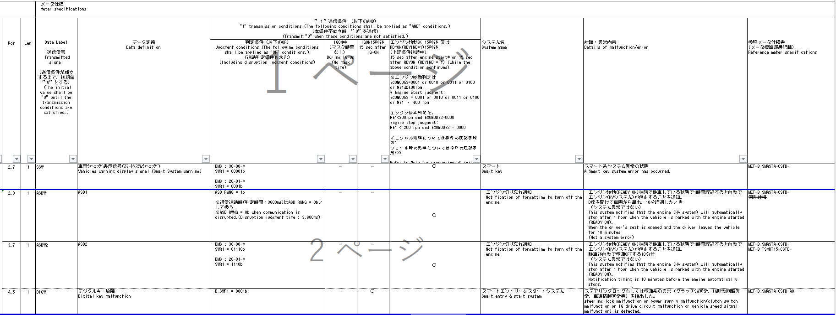
SWR1の信号値で判定し送信するが、有効電源状態がTT/MIDと異なるためRW用のCHを別途用意し実装する
TT要求廃止
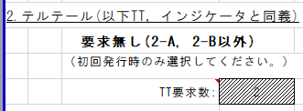
TT、MIDについては実施条件で使用するCAN信号、有効電源状態を考慮し以下のCHに分けて実装する。 ・SWR1B：SWR1を使用かつ有効電源状態が＋B ・SWR2B：SWR2を使用かつ有効電源状態が＋B ・SWR2IG：SWR2を使用かつ有効電源状態がIG-ON ・SWR3B：SWR3を使用かつ有効電源状態が＋B ・SWR3IG：SWR3を使用かつ有効電源状態がIG-ON

・制御仕様書に条件の記載はなく、RW仕様書の条件を適用する
・KSSFAIL, IGON１５秒後によってRW送信を行う
...
通信途絶時は通信ソフト側で保持された値で振舞うため、未受信状態ビットのみ判定に使用。 →IG-OFF中の通信途絶は未受信通信途絶に変換するため、未受信ビットを参照し非表示側に倒れるため問題無し

途絶中のIG-OFF→ON時に(前回信号値ではなく)初期値で動作する必要があるため、
IG-OFF中はUtltyTrnsToNoRx(FACTビット使用)を用いて、未受信途絶状態とする。

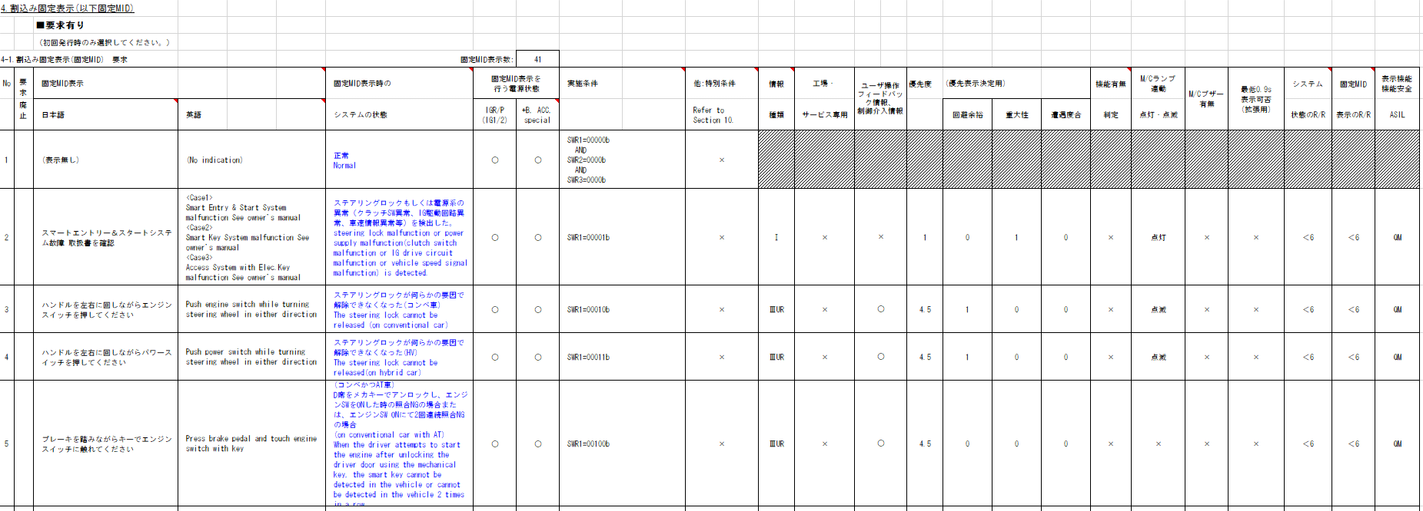
MIDシート
...
SWR1の信号値で判定し送信するが、有効電源状態がTT/MIDと異なるためRW用のCHを別途用意し実装する
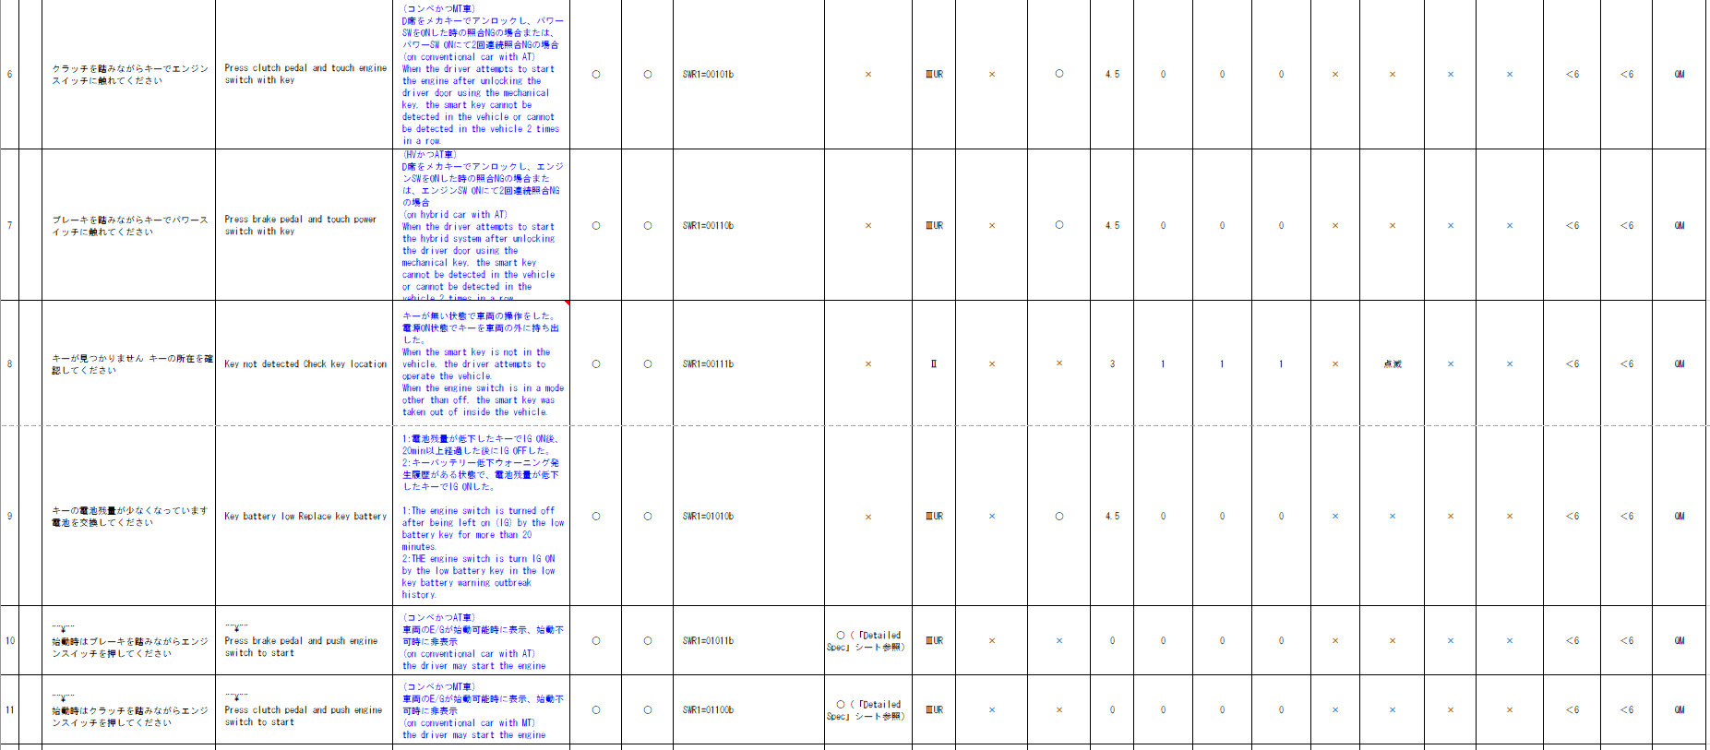
...
通信ソフトのIF(u1_g_TYCanComrxRxStat)に指定する未受信ビットをIGNで指定すると、IG-OFF時は未受信で通知されるため、IG状態の参照は不要。
...
表示に関する内容のため、Alertでは考慮不要

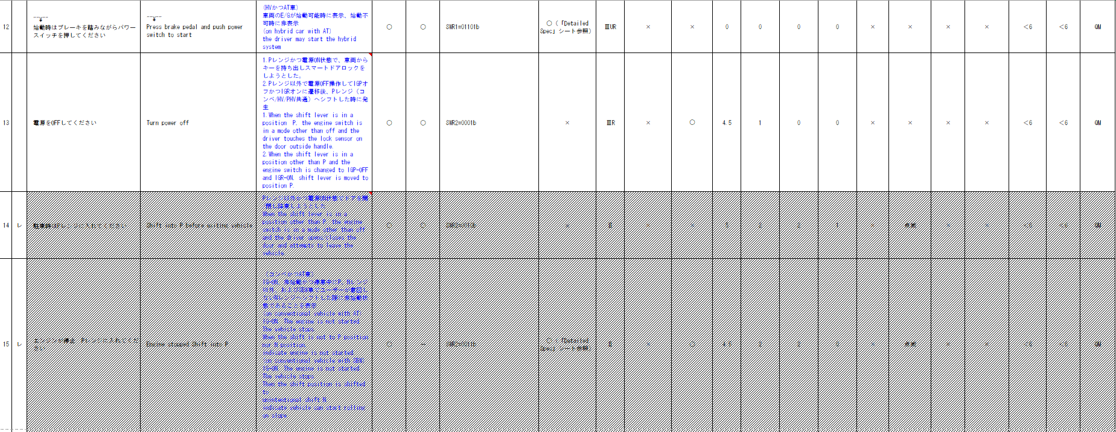
...
通信途絶時は通信ソフト側で保持された値で振舞うため、未受信状態ビットのみ判定に使用。 →IG-OFF中の通信途絶は未受信通信途絶に変換するため、未受信ビットを参照し非表示側に倒れるため問題無し
途絶中のIG-OFF→ON時に(前回信号値ではなく)初期値で動作する必要があるため、
IG-OFF中はUtltyTrnsToNoRx(FACTビット使用)を用いて、未受信途絶状態とする。
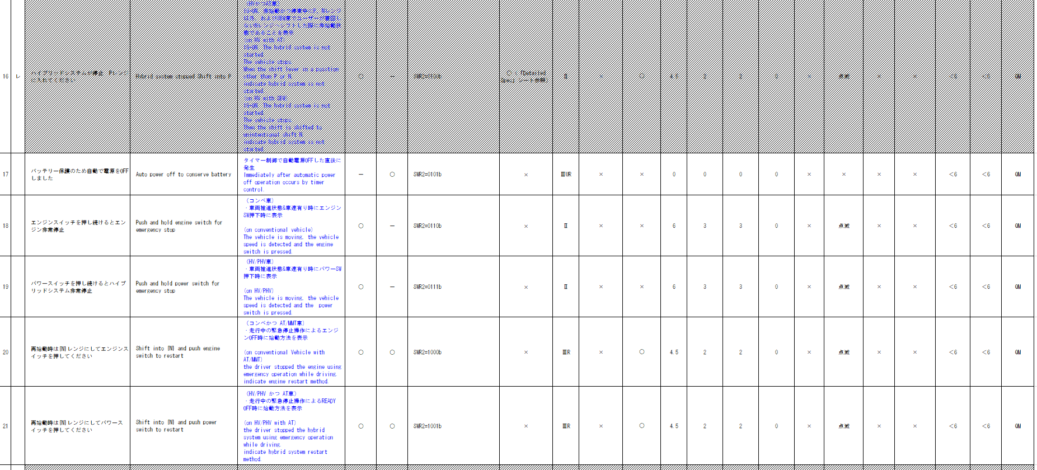

CV-Rでの電源状態の解釈変更に伴い ・SWR2を使用かつ有効電源状態がIG-OFF は ・SWR2を使用かつ有効電源状態が+Bに変更 （・SWR2B：SWR2を使用かつ有効電源状態が＋Bに統合）する
METHUD800B-9849
PTSYSを用いた判定をしている既存モジュールをベースにする
alert_B_SMASTA-CSTD-0-07-A-C0.xlsx

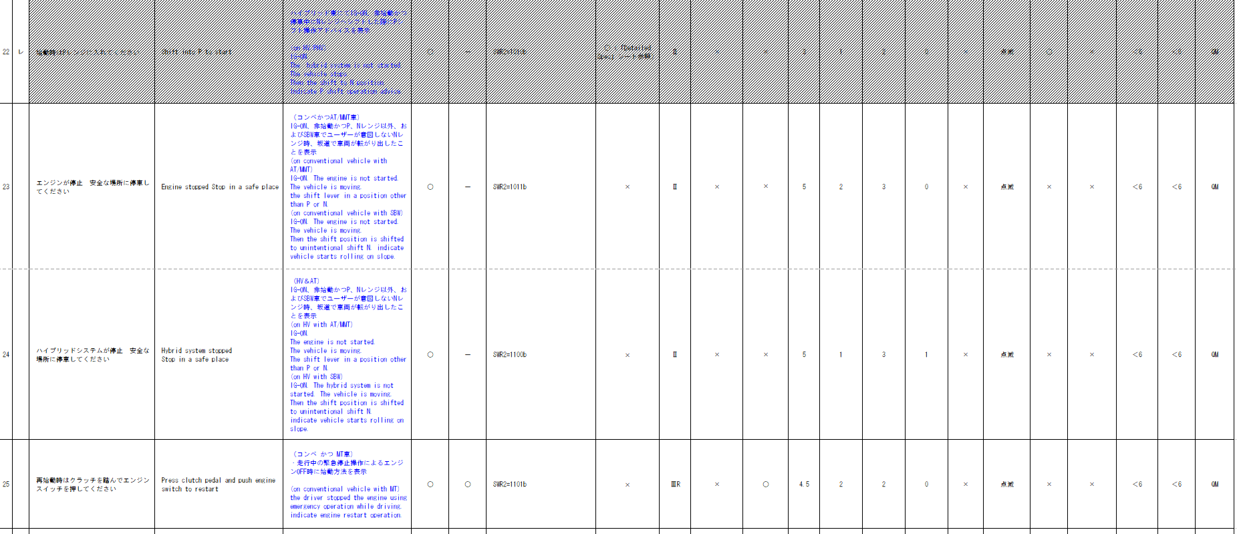

入力信号が6Bitを超えるため、Matrix Searchを使用する
...
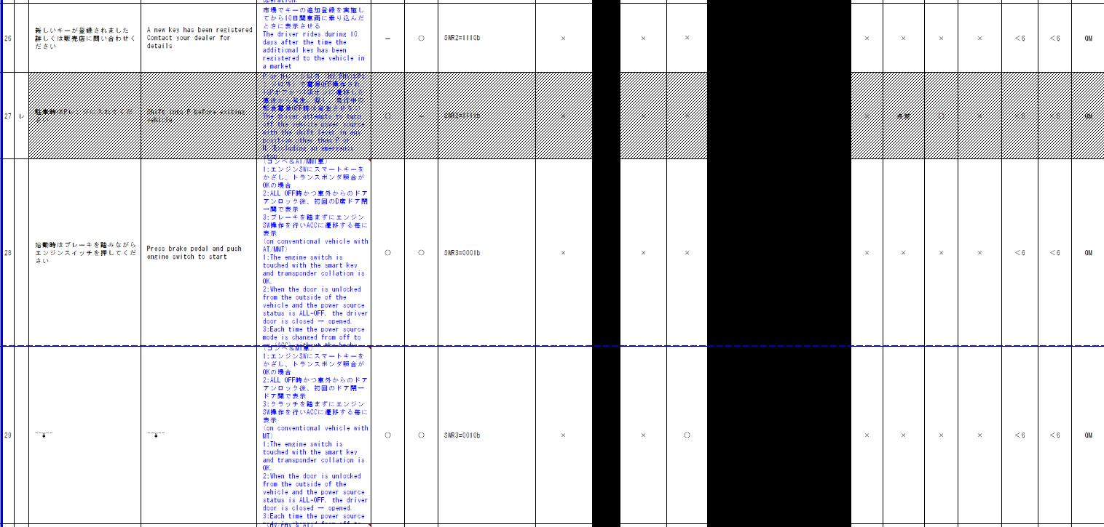

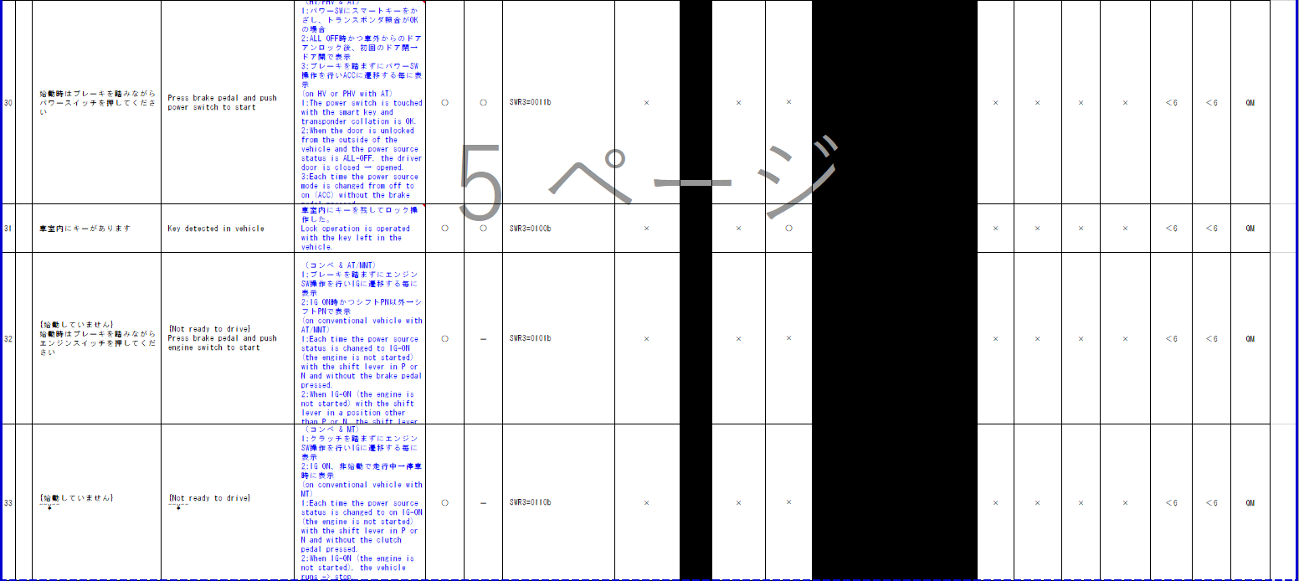

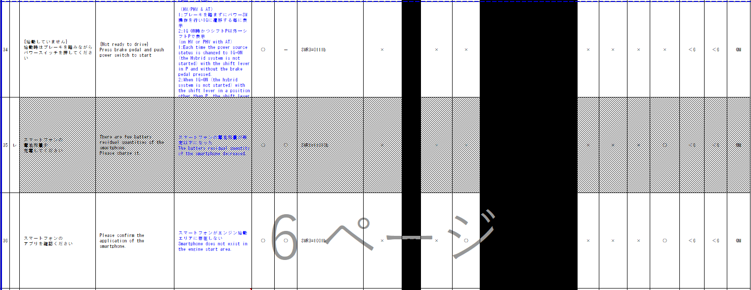

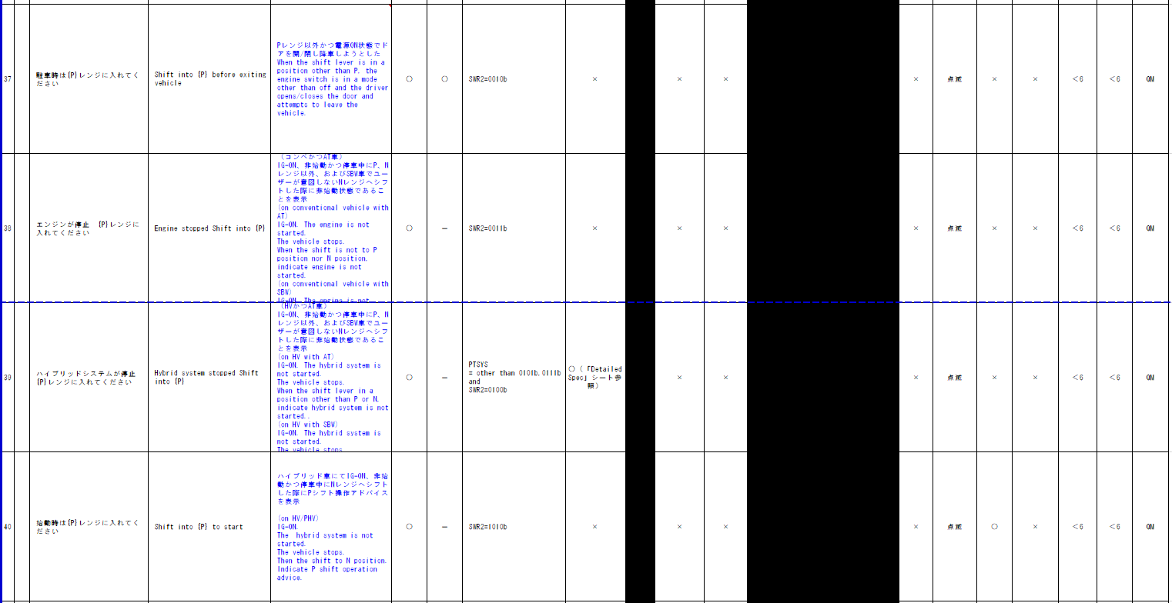
...
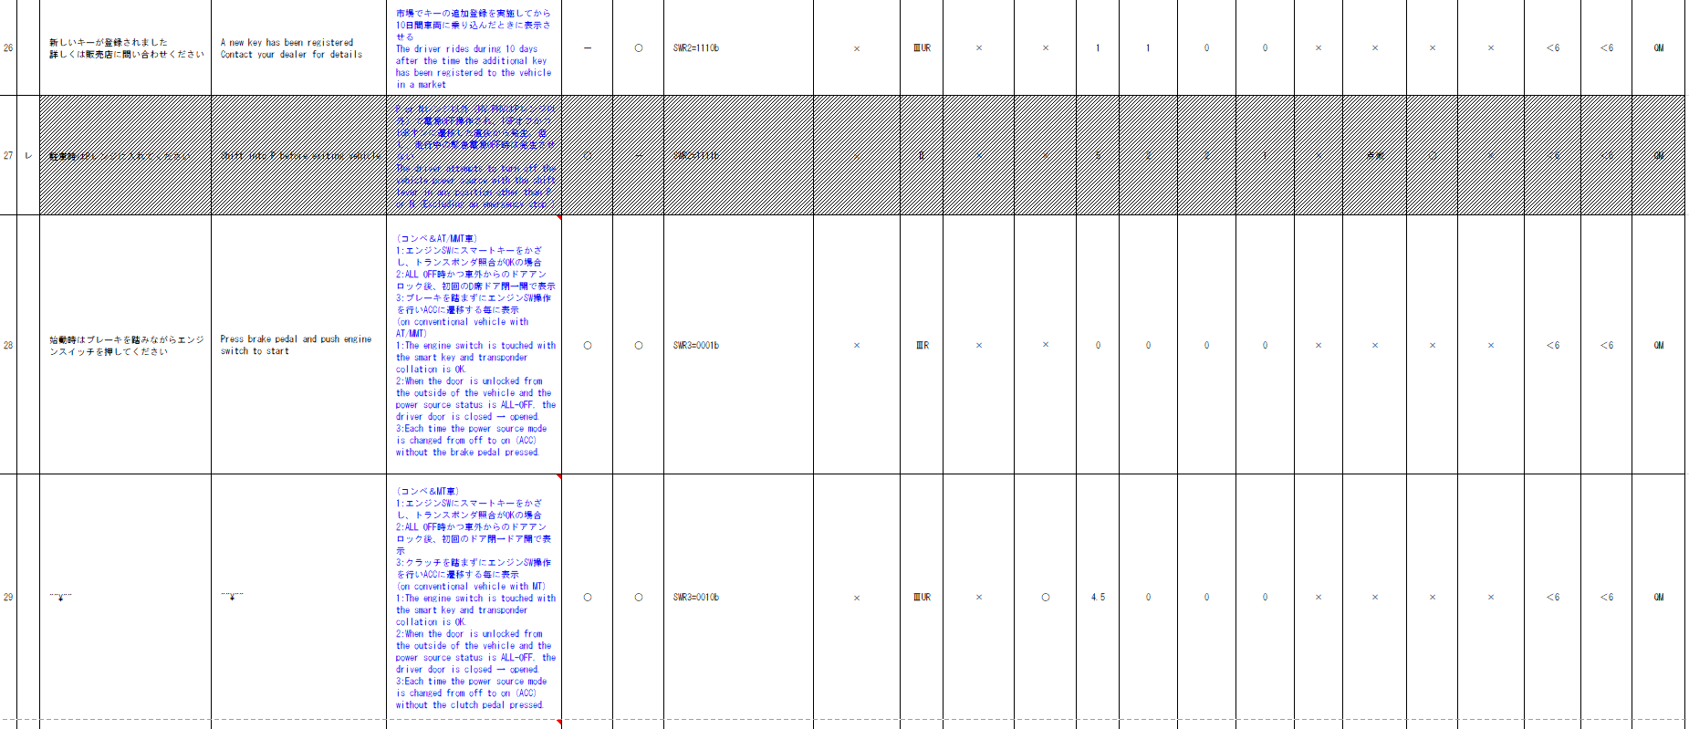
...
電源状態＋BとIG-ONが混在している。
シンプルにするために電源状態により別々のCHに分割する

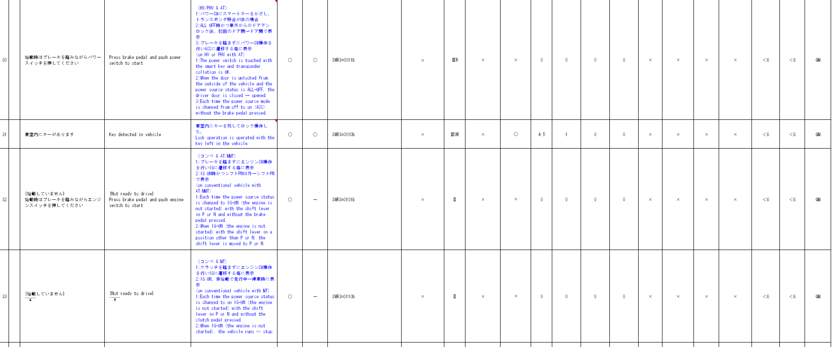
...
通信途絶時は通信ソフト側で保持された値で振舞うため、未受信状態ビットのみ判定に使用。 →IG-OFF中の通信途絶は未受信通信途絶に変換するため、未受信ビットを参照し非表示側に倒れるため問題無し

途絶中のIG-OFF→ON時に(前回信号値ではなく)初期値で動作する必要があるため、
IG-OFF中はUtltyTrnsToNoRx(FACTビット使用)を用いて、未受信途絶状態とする。
...
電源状態＋BとIG-ONが混在している。
シンプルにするために電源状態により別々のCHに分割する

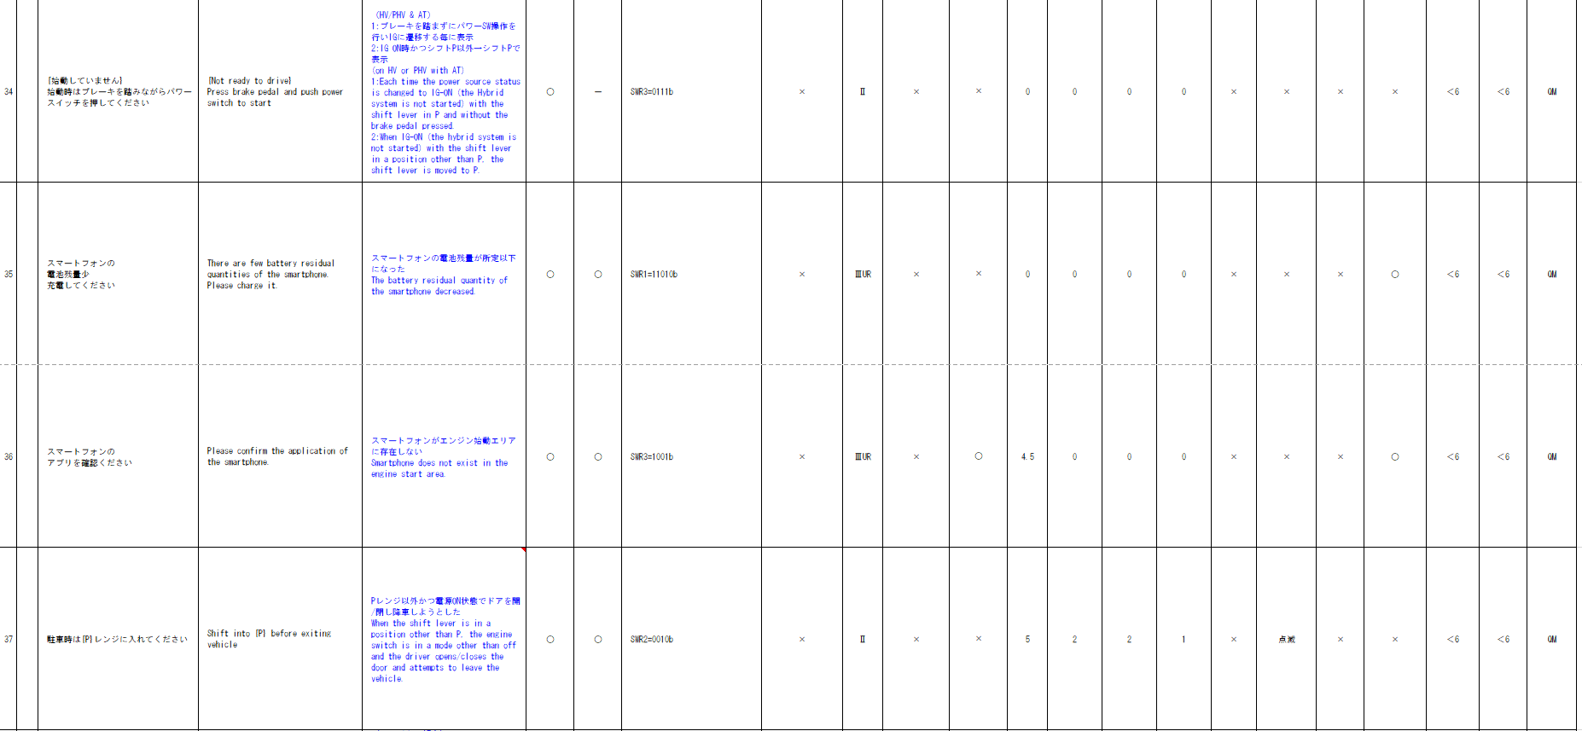
...
通信ソフトのIF(u1_g_TYCanComrxRxStat)に指定する未受信ビットをIGNで指定すると、IG-OFF時は未受信で通知されるため、IG状態の参照は不要。
...
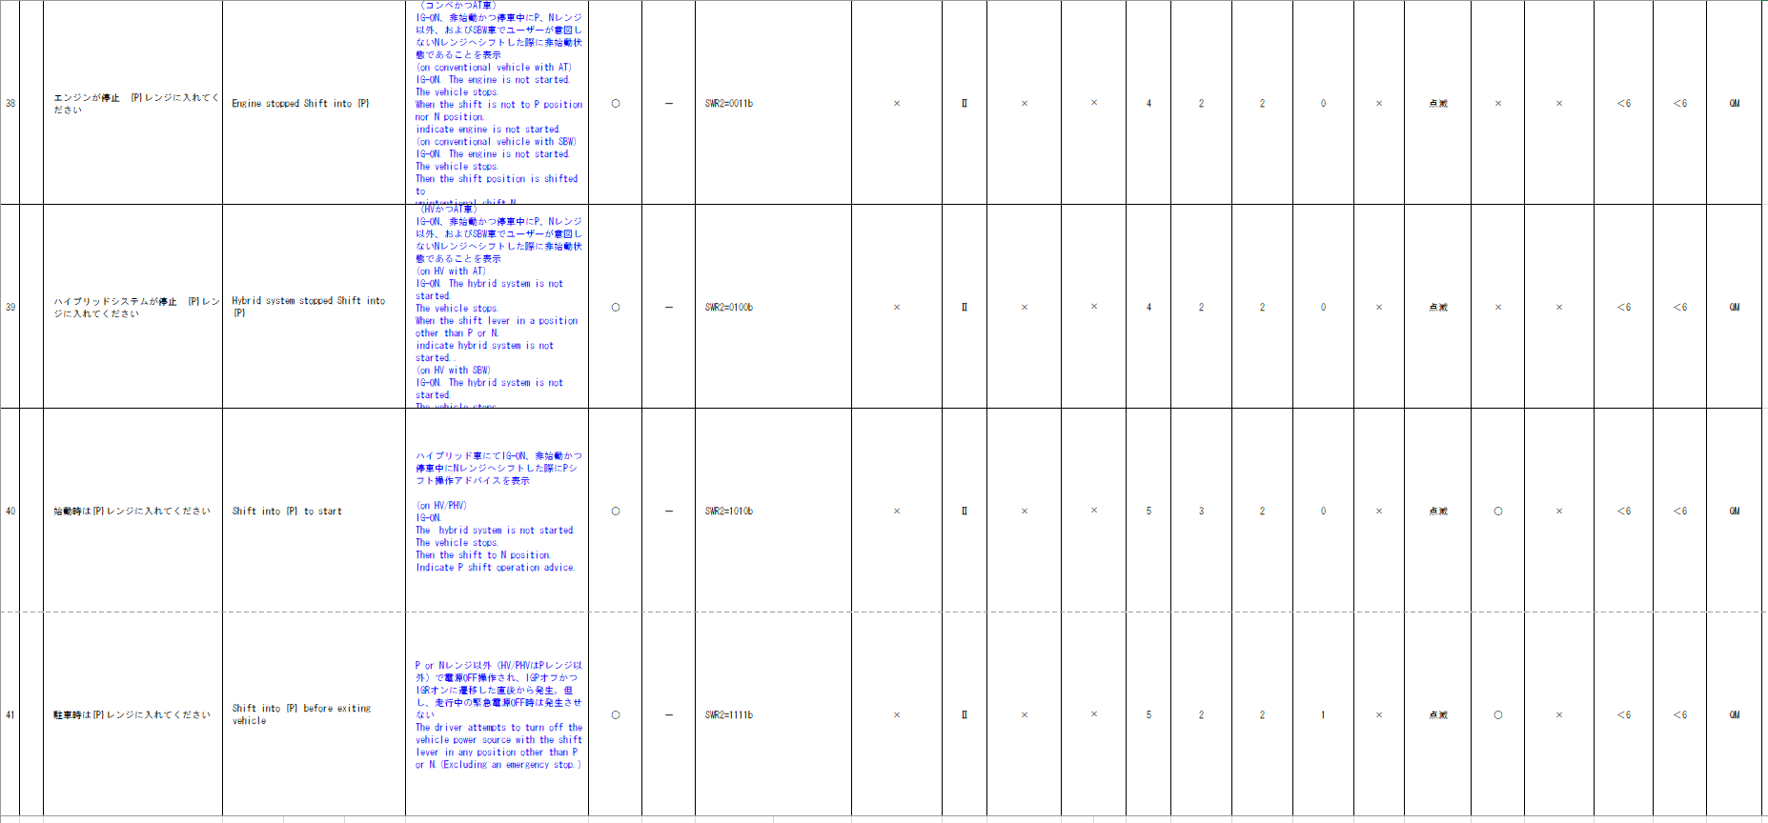
...
+B信号のため、Meter-Sleepまでは前回信号値で振舞い、途絶中のMeter-Wakeupにて表示させないようにするため、状態変換処理(vd_g_AlertUtltyTrnsToNoRx：FACTBIT未使用)を用いて状態を決定する

強制スリープ除外条件に合致するため、BAT_AO で実装する
MET-M_WKUPSLP-CSTD-0-XX-X-C3-800B-A.docx
...
MET-M_WKUPSLP-CSTD-0-XX-X-C6-100D-b.docx
MET-M_WKUPSLP-CSTD-0-04-A-C5-115D907B885B-C.docx
MET-M_WKUPSLP-CSTD-0-04-A-C5-117D908B935B-B.docx
MET-M_WKUPSLP-CSTD-0-XX-X-C6-200D-C.docx
MET-M_WKUPSLP-CSTD-0-XX-X-C5-220D-A.docx
MET-M_WKUPSLP-CSTD-0-XX-X-C5-850B-B.docx
MET-M_WKUPSLP-CSTD-0-XX-X-C6-960B-A.docx
MET-M_WKUPSLP-CSTD-0-XX-X-C5-970B-B.docx
...
MET-M_WKUPSLP-CSTD-0-XX-X-C5-900W-A.docx
+B信号のため、Meter-Sleepまでは前回信号値で振舞い、途絶中のMeter-Wakeupにて表示させないようにするため、状態変換処理(vd_g_AlertUtltyTrnsToNoRx：FACTBIT未使用)を用いて状態を決定する

初期値は表示無し
通信途絶時の振る舞いがIG-ON/OFFで異なる。 IG-ON時：前回値保持→通信ソフトから取得した値をそのまま使用 IG-OFF時：IG-OFF中の通信途絶はUtltyTrnsToNoRx(FACTビット使用)を用いて、未受信途絶状態とし、Alertで未受信bitを参照しbitが立っていたら非表示とする。
...
BCシート
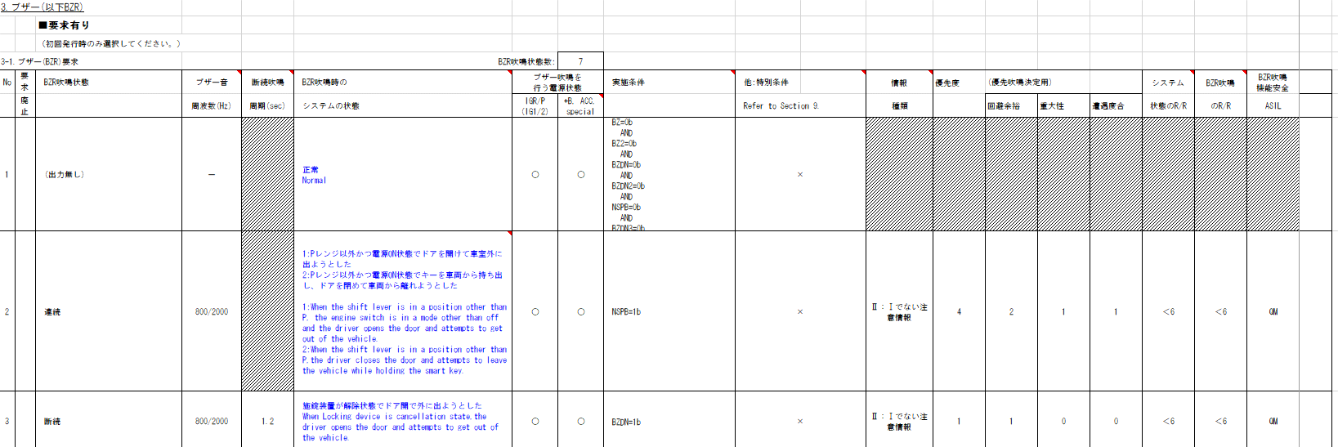
...
通信ソフトのIF(u1_g_TYCanComrxRxStat)に指定する未受信ビットをIGNで指定すると、IG-OFF時は未受信で通知されるため、IG状態の参照は不要。

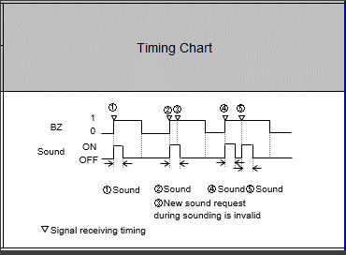
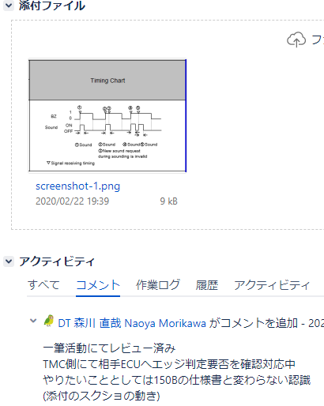
要求仕様QAの記載内容から左記タイミングチャートを満たせていればよい。 775B/570B同様単発吹鳴後、次に受信したタイミングで吹鳴完了していたら、
再度単発吹鳴させる仕様。
AlertにてBZ=1を受信し続ける度に、レベル通知を切り替え、
VSV(WChime)側でエッジを検出する責務とする。 ※BZ2も同様の設計とする
JIRA：METHUD800B-2144、METHUD800B-7114
...
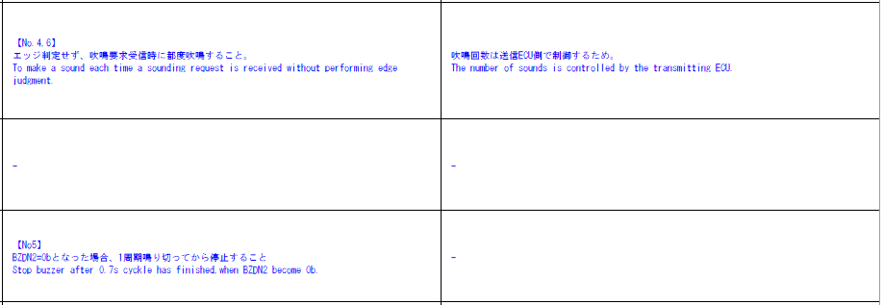

断続ブザー吹鳴中にBZDZ2=0となった場合は1周期やり切り →VSV側の責務でありAlertでは考慮不要
...
+B信号のため、Meter-Sleepまでは前回信号値で振舞い、途絶中のMeter-Wakeupにて表示させないようにするため、状態変換処理(vd_g_AlertUtltyTrnsToNoRx：FACTBIT未使用)を用いて状態を決定する
...
初期値は出力無し

通信途絶時の振る舞いは非吹鳴側 →Alertで通信途絶状態の考慮が必要


SWR1の信号値で判定し送信するが、有効電源状態がTT/MIDと異なるためRW用のCHを別途用意し実装する
ASD_RWNGは制御仕様に記載されていない信号であるが、
本制御がRW(ASD1)用CHを用意し送信を行う
要求仕様QA: METHUD800B-7698
...
+B信号のため、Meter-Sleepまでは前回信号値で振舞い、途絶中のMeter-Wakeupにて表示させないようにするため、状態変換処理(vd_g_AlertUtltyTrnsToNoRx：FACTBIT未使用)を用いて状態を決定する
...
初期値は出力無し

通信途絶時の振る舞いは非吹鳴側 →Alertで通信途絶状態の考慮が必要
...
+B信号のため、Meter-Sleepまでは前回信号値で振舞い、途絶中のMeter-Wakeupにて表示させないようにするため、状態変換処理(vd_g_AlertUtltyTrnsToNoRx：FACTBIT未使用)を用いて状態を決定する
...
通信ソフトのIF(u1_g_TYCanComrxRxStat)に指定する未受信ビットをIGNで指定すると、IG-OFF時は未受信で通知されるため、IG状態の参照は不要。
...
表示に関する内容のため、Alertでは考慮不要
...
通信途絶時は通信ソフト側で保持された値で振舞うため、未受信状態ビットのみ判定に使用。 →IG-OFF中の通信途絶は未受信通信途絶に変換するため、未受信ビットを参照し非表示側に倒れるため問題無し
途絶中のIG-OFF→ON時に(前回信号値ではなく)初期値で動作する必要があるため、
IG-OFF中はUtltyTrnsToNoRx(FACTビット使用)を用いて、未受信途絶状態とする。

