vps_chk
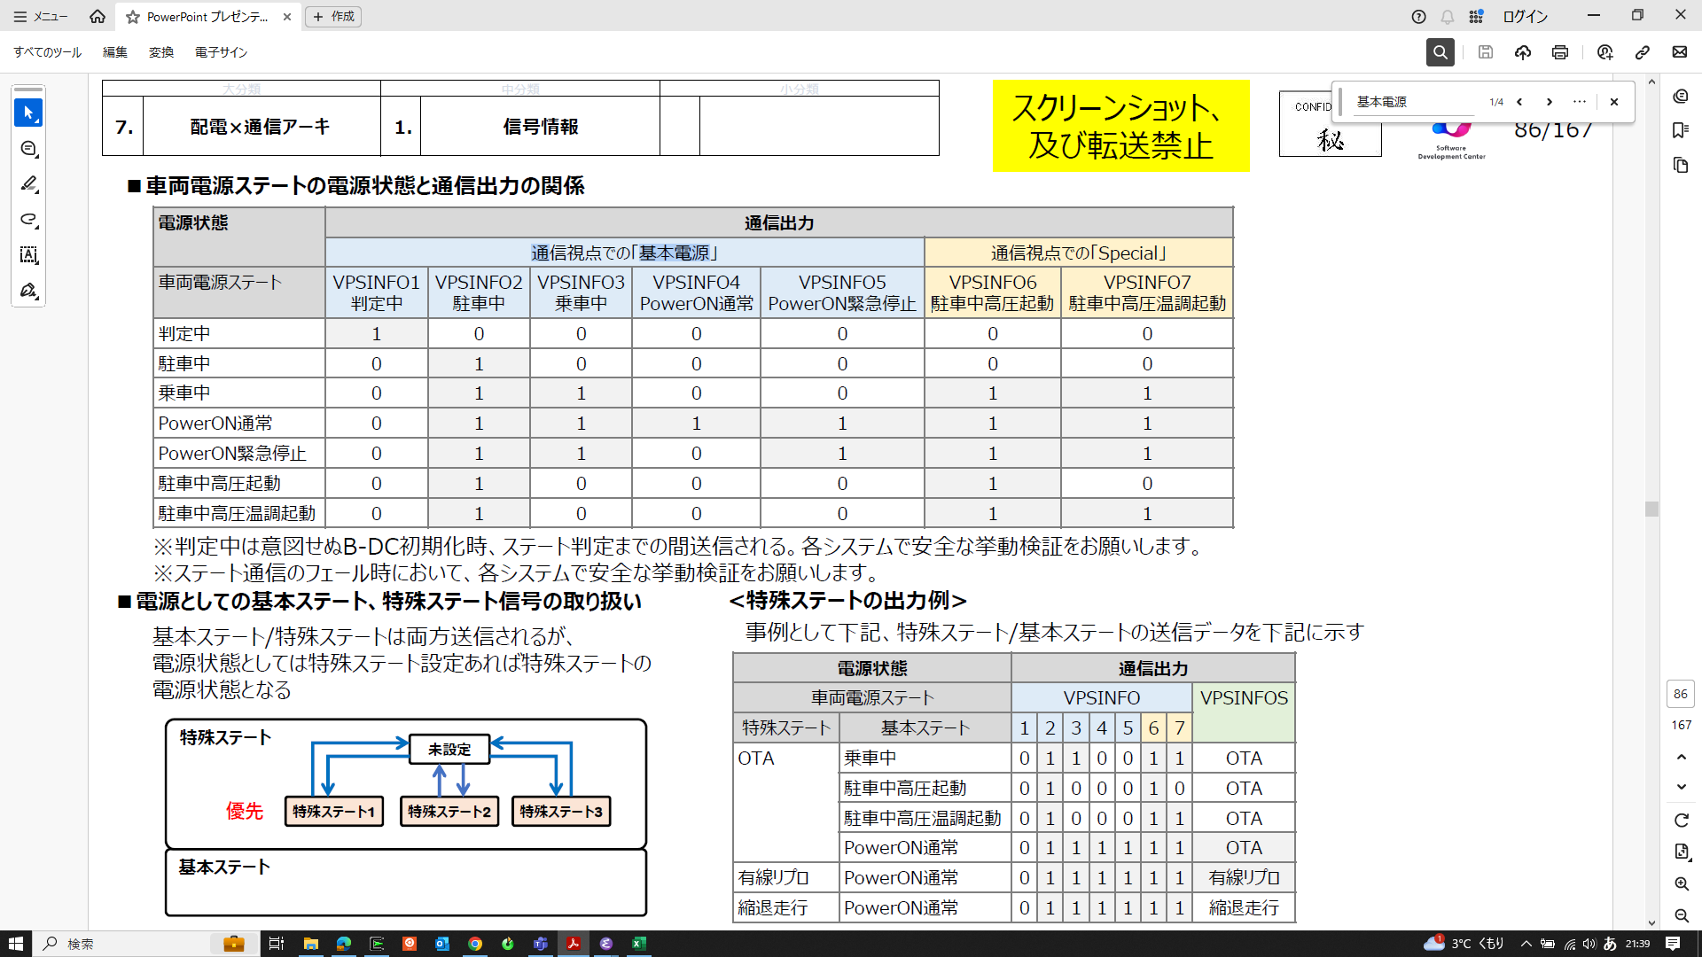
 |  |  |  |  |  |  |  |  |  |  | VPSINFO7/駐車中高圧・温調 | VPSINFO6/駐車中高圧 | VPSINFO5/PowerON緊急停止 | VPSINFO4/PowerON通常 | VPSINFO3/乗車中 | VPSINFO2/駐車中 | VPSINFO1/判定中 |  |  |  |  |  |  |  |  |  |  |  |  | VEH_OPEMD_MDBIT_IGBD | VEH_OPEMD_MDBIT_IGCT | VEH_OPEMD_MDBIT_IG_R | VEH_OPEMD_MDBIT_PBA/+BA | VEH_OPEMD_MDBIT_IG_P | VEH_OPEMD_MDBIT_ACC
 | Byte | 2 | 2 | 2 | 2 | 2 | 2 | 2 | 2 | 1 | 1 | 1 | 1 | 1 | 1 | 1 | 1 |  |  |  | 2 | 2 | 2 | 2 | 2 | 2 | 2 | 2 | 1 | 1 | 1 | 1 | 1 | 1 | 1 | 1
 | Bit# | 15 | 14 | 13 | 12 | 11 | 10 | 9 | 8 | 7 | 6 | 5 | 4 | 3 | 2 | 1 | 0 |  |  |  | 15 | 14 | 13 | 12 | 11 | 10 | 9 | 8 | 7 | 6 | 5 | 4 | 3 | 2 | 1 | 0

0 |  | 0 | 0 | 0 | 0 | 0 | 0 | 0 | 0 | 0 | 1 | 1 | 0 | 0 | 0 | 1 | 0 | 00 | 62 | (U4)0x0062U, | 0 | 0 | 0 | 0 | 0 | 0 | 0 | 0 | 0 | 1 | 1 | 0 | 1 | 0 | 0 | 0 | 00 | 68 | (U4)0x0068U,
1 |  | 0 | 0 | 0 | 0 | 0 | 0 | 0 | 0 | 0 | 0 | 1 | 0 | 0 | 0 | 1 | 0 | 00 | 22 | (U4)0x0022U, | 0 | 0 | 0 | 0 | 0 | 0 | 0 | 0 | 0 | 0 | 1 | 0 | 1 | 0 | 0 | 0 | 00 | 28 | (U4)0x0028U,
2 |  | 0 | 0 | 0 | 0 | 0 | 0 | 0 | 0 | 0 | 1 | 1 | 1 | 0 | 1 | 1 | 0 | 00 | 76 | (U4)0x0076U, | 0 | 0 | 0 | 0 | 0 | 0 | 0 | 0 | 0 | 1 | 1 | 1 | 1 | 0 | 1 | 0 | 00 | 7A | (U4)0x007AU,
3 |  | 0 | 0 | 0 | 0 | 0 | 0 | 0 | 0 | 0 | 1 | 1 | 1 | 1 | 1 | 1 | 0 | 00 | 7E | (U4)0x007EU, | 0 | 0 | 0 | 0 | 0 | 0 | 0 | 0 | 0 | 1 | 1 | 1 | 1 | 1 | 1 | 0 | 00 | 7E | (U4)0x007EU,
4 |  | 0 | 0 | 0 | 0 | 0 | 0 | 0 | 0 | 0 | 1 | 1 | 0 | 0 | 1 | 1 | 0 | 00 | 66 | (U4)0x0066U, | 0 | 0 | 0 | 0 | 0 | 0 | 0 | 0 | 0 | 1 | 1 | 0 | 1 | 0 | 1 | 0 | 00 | 6A | (U4)0x006AU,
5 |  | 0 | 0 | 0 | 0 | 0 | 0 | 0 | 0 | 0 | 0 | 0 | 0 | 0 | 0 | 1 | 0 | 00 | 02 | (U4)0x0002U, | 0 | 0 | 0 | 0 | 0 | 0 | 0 | 0 | 0 | 0 | 0 | 0 | 1 | 0 | 0 | 0 | 00 | 08 | (U4)0x0008U,

 |  |  |  |  |  |  |  |  |  |  |  |  |  |  |  |  |  |  |  |  | 0 | 0 | 0 | 0 | 0 | 0 | 0 | 0 | 0 | 0 | 0 | 0 | 0 | 0 | 0 | 0 | 00 | 00 | (U4)0x0000U, | Battery Connect/MCU Reset
 |  |  |  |  |  |  |  |  |  |  |  |  |  |  |  |  |  |  |  |  | 0 | 0 | 0 | 0 | 0 | 0 | 0 | 0 | 0 | 0 | 0 | 0 | 0 | 0 | 0 | 1 | 00 | 01 | (U4)0x0001U, | ECU Wakeup

