NCI in Bruceville


Nature's Classroom Institute
 | in Bruceville, Texas
 | Housing Assignment Worksheet
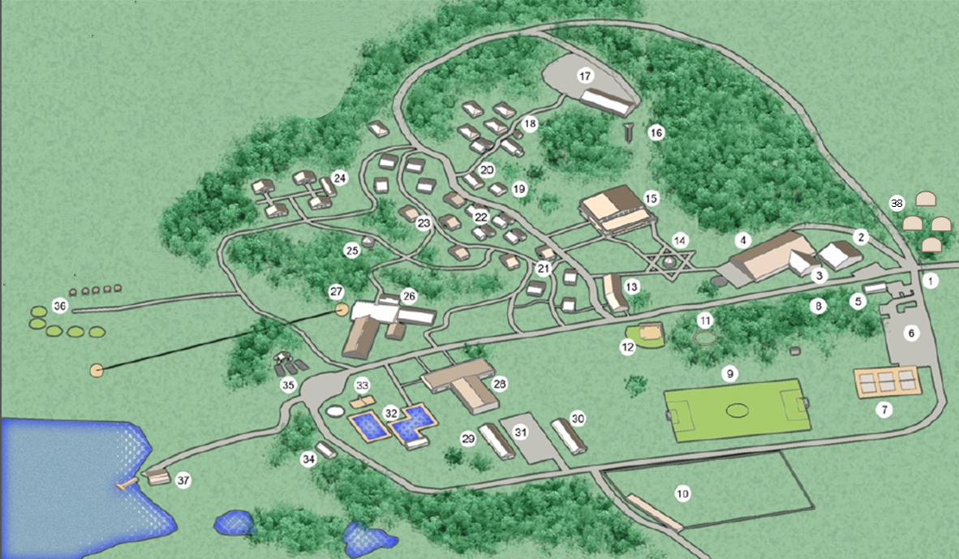

Nature's Classroom Institute in Bruceville
1192 Smith Lane
Bruceville, Texas 76630
800.574.7881

