Reference
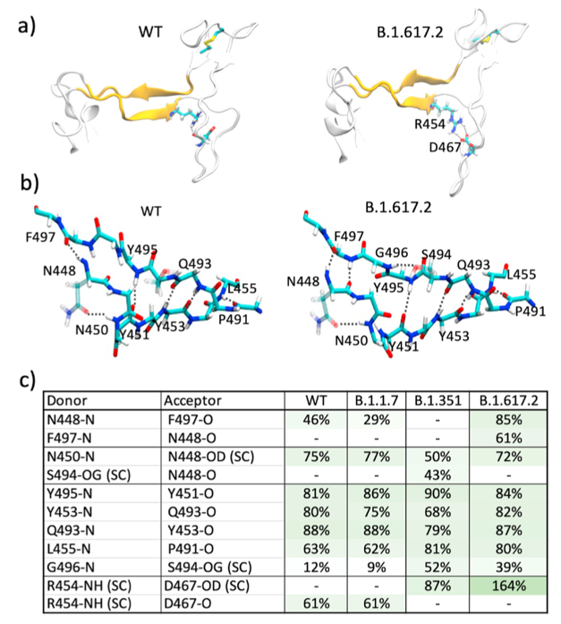
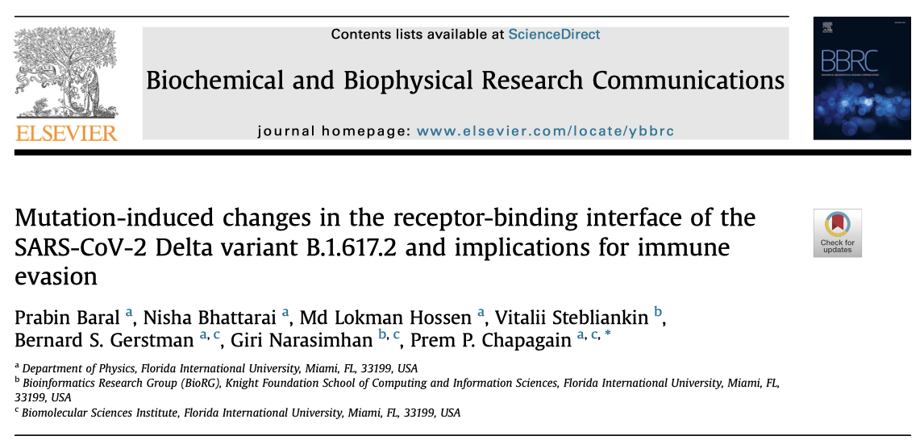
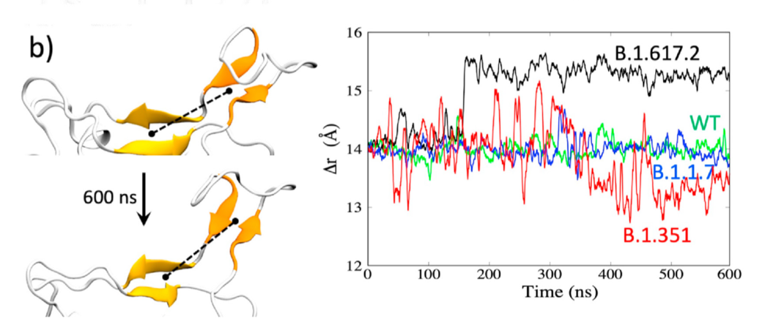
NAMD 2.14: Charmm36m force ﬁeld
The structures were equilibrated for 2 ns.
(1 atm, 303 K)
RBD-only: 600 ns; RBD-ACE2, RBD-Ab: 100 ns.
WT/alpha/beta/delta
Pre-trained MaSIF-search geometric deep learning model: Ab-binding to the RBD.

