Sheet2
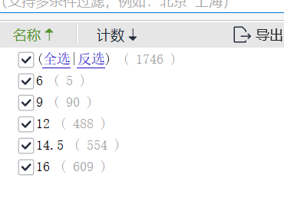
初级教育 | 6 | 1
较初级教育 | 9 | 2
中等教育 | 12 | 3
较高等教育 | 14.5 | 4
高等教育 | 16 | 5

