1. Intro
Section 1: Introduction

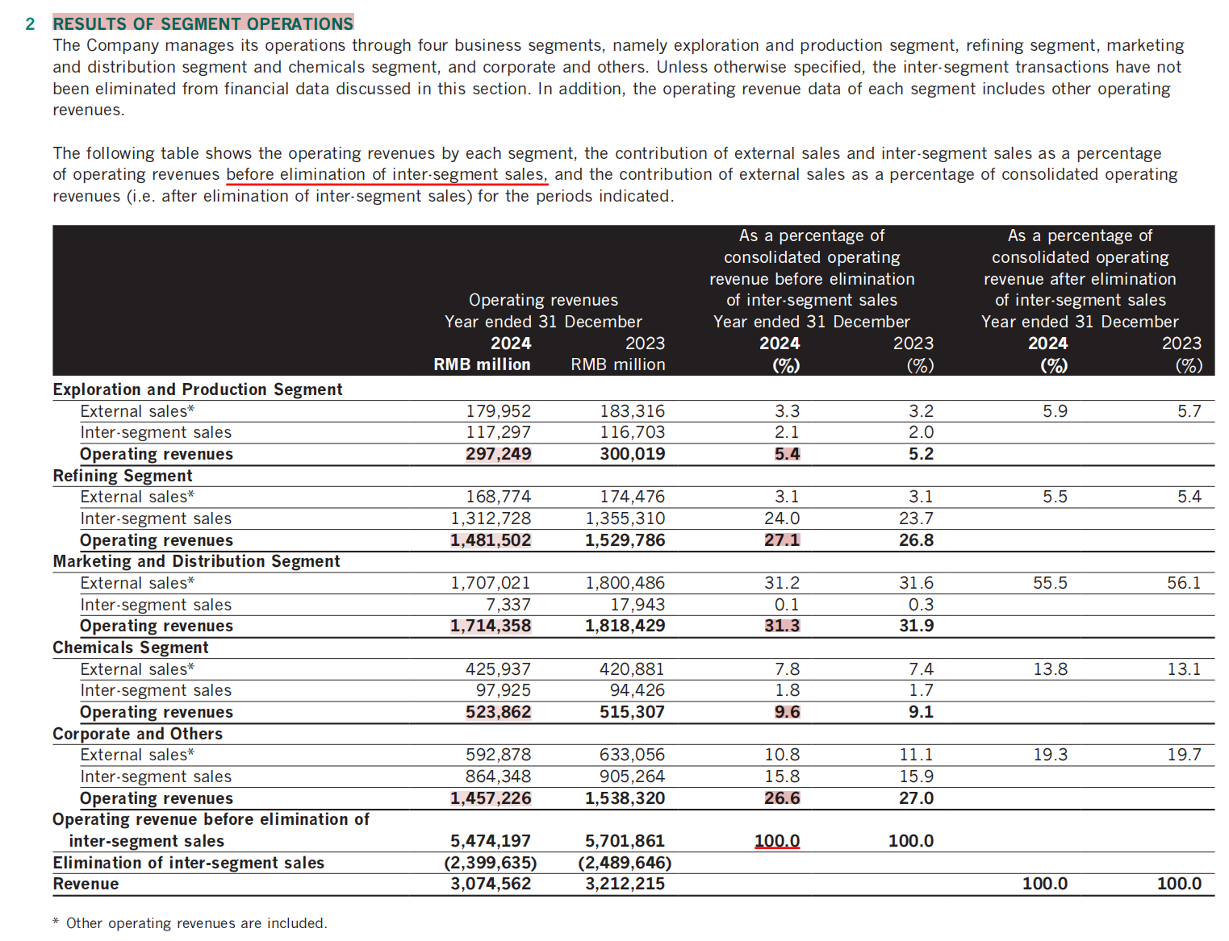
 | Segment | Operating revenue (RMB billion) | Operating profit/loss (RMB billion) | Segment | Revenue share before elimination (%) | Segment | Operating profit/loss RMB billion
 | Exploration and Production | 297.2 | 56.4 | Exploration and Production | 5.4 | Exploration and Production | 56.4
 | Refining | 1,481.5 | 6.7 | Refining | 27.1 | Refining | 6.7
 | Marketing and Distribution | 1,714.4 | 18.6 | Marketing and Distribution | 31.3 | Marketing and Distribution | 18.6
 | Chemicals | 523.9 | (10.0) | Chemicals | 9.6 | Chemicals | (10.0)
 | Corporate and Others | 1,457.2 | (0.4) | Corporate and Others | 26.6 | Corporate and Others | (0.4)
 |  |  |  | Total | 100.0

Sinopec Segment Operating Revenue and Operating Profit/Loss by Segment, 2024
Panel A: Segment Operating Revenue before Inter-segment Eliminations
Panel B: Segment Operating Profit/Loss

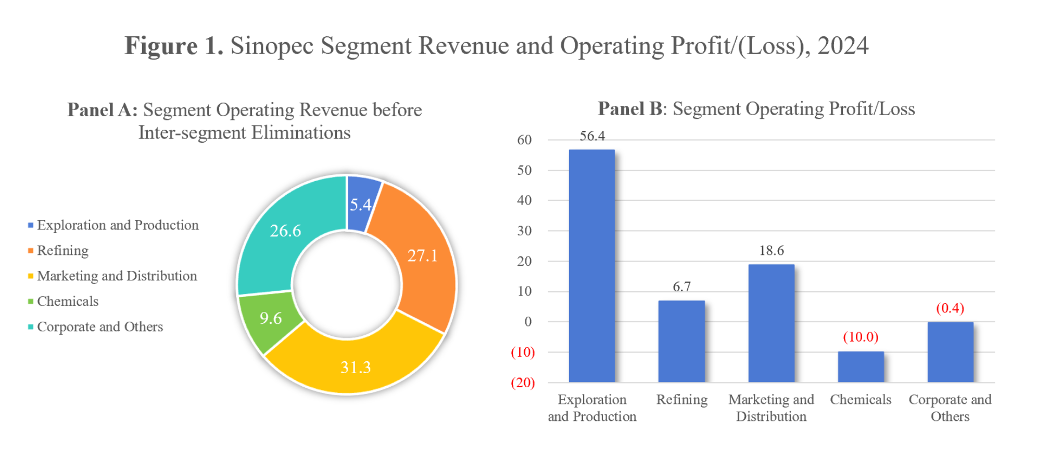

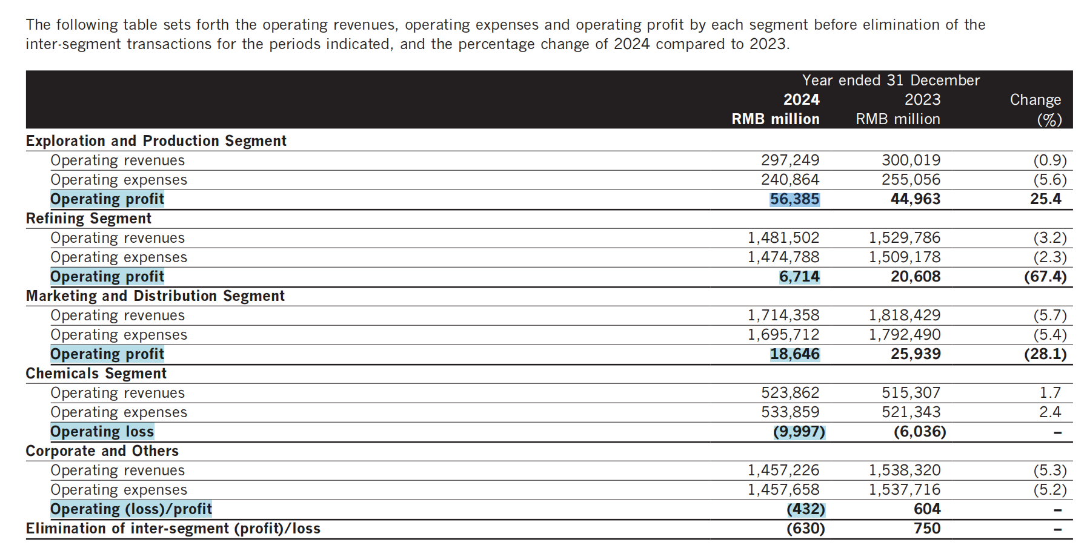

Source: Sinopec Corp.'s 2024 Annual Report, p20-21

2.1 Profitability
Section 2: Financial performance Analysis of Sinopec Group

2.1 Profitability

2.1.0 Overview |  |  |  |  |  |  | 2.1.1 Return on Assets (ROA) |  |  |  |  |  | 2.1.2 Return on Equity (ROE) |  |  |  |  |  | 2.1.3 Net Profit Margin |  |  |  |  |  | 2.1.4 Operating Profit Margin

Table 1. Profitability Ratios of Sinopec and CNOOC, 2020-2024 |  |  |  |  |  |  | Original Formula: |  |  |  |  |  | Original Formula: |  |  |  |  |  | Original Formula: |  |  |  |  |  | Original Formula:
 |  |  |  |  |  |  | ROA = (Net Income + Interest Expense) / Average Total Assets |  |  |  |  |  | ROE = Net Income / Average Shareholders’ Equity |  |  |  |  |  | Net Profit Margin = Net Income / Revenue |  |  |  |  |  | Operating Profit Margin = Operating Profit / Revenue
Ratio (%) | Company | 2020 | 2021 | 2022 | 2023 | 2024
ROA | Sinopec | 3.20 | 5.45 | 4.81 | 4.38 | 3.67 | Formula Applied in This Analysis: |  |  |  |  |  | Formula Applied in This Analysis: |  |  |  |  |  | Formula Applied in This Analysis: |  |  |  |  |  | Formula Applied in This Analysis:
 | CNOOC | 3.86 | 9.75 | 16.88 | 13.08 | 13.66 | ROA = [Net Income after Tax + Interest Expense (net of capitalized interest)] / Average Total Assets |  |  |  |  |  | ROE = Income Available to Common Shares / Average Parent Shareholders’ Equity |  |  |  |  |  | Net Profit Margin = Net Income after Tax / Revenue from Business Activities (Total) |  |  |  |  |  | Operating Profit Margin = Operating Profit before Non-Recurring Income/Expense / Revenue from Business Activities (Total)
ROE | Sinopec | 4.47 | 9.35 | 8.58 | 7.59 | 6.19
 | CNOOC | 5.66 | 15.38 | 26.29 | 19.60 | 19.51 | Note: |  |  |  |  |  | Note: |  |  |  |  |  | Sinopec | 2020 | 2021 | 2022 | 2023 | 2024 | Sinopec | 2020 | 2021 | 2022 | 2023 | 2024
Net profit margin | Sinopec | 2.21 | 3.37 | 2.47 | 2.34 | 2.02 | Interest expense is measured as "Interest Expense - Net of Capitalized Interest", excluding interest income and capitalized interest. |  |  |  |  |  | “Income Available to Common Shares” is used as the return available to ordinary shareholders for ROE purposes, and “Parent Shareholders’ Equity” refers to “Shareholders' Equity - Attributable to Parent Shareholders - Total”. |  |  |  |  |  | Net Income after Tax | 42,097 | 85,030 | 76,614 | 70,046 | 57,547 | Operating Profit before Non-Recurring Income/Expense | 26,642 | 121,418 | 98,638 | 88,798 | 72,134
 | CNOOC | 16.53 | 29.41 | 34.49 | 30.75 | 33.94 |  |  |  |  |  |  |  |  |  |  |  |  | Revenue from Business Activities - Total | 1,902,610 | 2,520,558 | 3,102,578 | 2,988,502 | 2,850,851 | Revenue from Business Activities - Total | 1,902,610 | 2,520,558 | 3,102,578 | 2,988,502 | 2,850,851
Operating profit margin | Sinopec | 1.40 | 4.82 | 3.18 | 2.97 | 2.53 | Sinopec | 2020 | 2021 | 2022 | 2023 | 2024 |  |  |  |  |  |  | Net Profit Margin | 2.21% | 3.37% | 2.47% | 2.34% | 2.02% | Operating Profit Margin | 1.40% | 4.82% | 3.18% | 2.97% | 2.53%
 | CNOOC | 28.73 | 43.72 | 47.36 | 42.67 | 47.62 | Net Income after Tax | 42,097 | 85,030 | 76,614 | 70,046 | 57,547 | Sinopec | 2020 | 2021 | 2022 | 2023 | 2024
 |  |  |  |  |  |  | Interest Expense (net of capitalized interest) | 13,855 | 13,883 | 15,666 | 16,970 | 17,822 | Income Available to Common Shares | 33,271 | 71,208 | 67,082 | 60,463 | 50,313 | CNOOC | 2020 | 2021 | 2022 | 2023 | 2024 | CNOOC | 2020 | 2021 | 2022 | 2023 | 2024
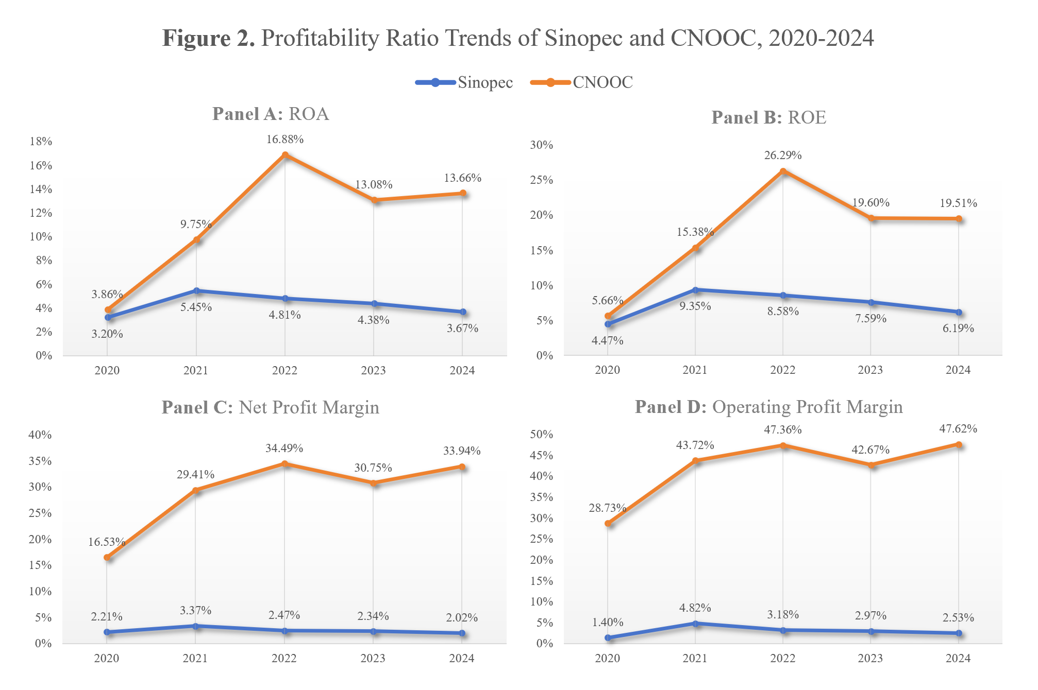
 |  |  |  |  |  |  | Total Assets (Previous Year) | 1,760,286 | 1,738,896 | 1,889,255 | 1,951,121 | 2,026,674 | Parent Shareholders’ Equity (Previous Year) | 739,965 | 747,294 | 775,102 | 788,471 | 805,794 | Net Income after Tax | 24,956 | 70,307 | 141,677 | 124,090 | 137,982 | Operating Profit before Non-Recurring Income/Expense | 43,386 | 104,517 | 194,565 | 172,213 | 193,600
 |  |  |  |  |  |  | Total Assets (Current Year) | 1,738,896 | 1,889,255 | 1,951,121 | 2,026,674 | 2,084,771 | Parent Shareholders’ Equity (Current Year) | 747,294 | 775,102 | 788,471 | 805,794 | 819,922 | Revenue from Business Activities - Total | 151,005 | 239,051 | 410,825 | 403,589 | 406,579 | Revenue from Business Activities - Total | 151,005 | 239,051 | 410,825 | 403,589 | 406,579
 |  |  |  |  |  |  | Average Total Assets | 1,749,591 | 1,814,076 | 1,920,188 | 1,988,898 | 2,055,723 | Average Parent Shareholders’ Equity | 743,630 | 761,198 | 781,787 | 797,133 | 812,858 | Net Profit Margin | 16.53% | 29.41% | 34.49% | 30.75% | 33.94% | Operating Profit Margin | 28.73% | 43.72% | 47.36% | 42.67% | 47.62%
 |  |  |  |  |  |  | ROA | 3.20% | 5.45% | 4.81% | 4.38% | 3.67% | ROE | 4.47% | 9.35% | 8.58% | 7.59% | 6.19%
Panel C: Net Profit Margin
Panel D: Operating Profit Margin
 |  |  |  |  |  |  | CNOOC | 2020 | 2021 | 2022 | 2023 | 2024 | CNOOC | 2020 | 2021 | 2022 | 2023 | 2024
 |  |  |  |  |  |  | Net Income after Tax | 24,956 | 70,307 | 141,677 | 124,090 | 137,982 | Income Available to Common Shares | 24,957 | 70,320 | 141,700 | 123,843 | 137,936
 |  |  |  |  |  |  | Interest Expense (net of capitalized interest) | 3,554 | 3,199 | 3,128 | 2,423 | 2,807 | Parent Shareholders’ Equity (Previous Year) | 448,187 | 433,710 | 480,912 | 597,182 | 666,586
 |  |  |  |  |  |  | Total Assets (Previous Year) | 757,730 | 721,276 | 786,568 | 929,031 | 1,005,598 | Parent Shareholders’ Equity (Current Year) | 433,710 | 480,912 | 597,182 | 666,586 | 747,548
 |  |  |  |  |  |  | Total Assets (Current Year) | 721,276 | 786,568 | 929,031 | 1,005,598 | 1,056,281 | Average Parent Shareholders’ Equity | 440,948 | 457,311 | 539,047 | 631,884 | 707,067
 |  |  |  |  |  |  | Average Total Assets | 739,503 | 753,922 | 857,800 | 967,315 | 1,030,940 | ROE | 5.66% | 15.38% | 26.29% | 19.60% | 19.51%
 |  |  |  |  |  |  | ROA | 3.86% | 9.75% | 16.88% | 13.08% | 13.66%
Panel B: ROE
Panel A: ROA

2.2 Liquidity
2.2 Liquidity
 |  |  |  |  |  |  | 2.2.1 Current Ratio |  |  |  |  |  | 2.2.2 Quick Ratio |  |  |  |  |  | 2.2.3 Net Working Capital (Supporting Measure)
Table 2. Liquidity Ratios and Net Working Capital of Sinopec and CNOOC, 2020-2024
 |  |  |  |  |  |  | Original Formula: |  |  |  |  |  | Original Formula: |  |  |  |  |  | Original Formula:
Liquidity measure | Company | 2020 | 2021 | 2022 | 2023 | 2024 | Current Ratio = Current Assets / Current Liabilities |  |  |  |  |  | Quick Ratio = (Current Assets - Inventories) / Current Liabilities |  |  |  |  |  | Net Working Capital = Current Assets - Current Liabilities
Current ratio | Sinopec | 0.87 | 0.87 | 0.78 | 0.83 | 0.78
 | CNOOC | 2.28 | 2.21 | 2.33 | 2.02 | 2.23 | Formula Applied in This Analysis: |  |  |  |  |  | Formula Applied in This Analysis: |  |  |  |  |  | Formula Applied in This Analysis:
Quick ratio | Sinopec | 0.58 | 0.55 | 0.42 | 0.44 | 0.40 | Current Ratio = Total Current Assets / Total Current Liabilities |  |  |  |  |  | Quick Ratio = [Total Current Assets - Inventories (Total)] / Total Current Liabilities |  |  |  |  |  | Net Working Capital = Total Current Assets - Total Current Liabilities
 | CNOOC | 2.20 | 2.15 | 2.28 | 1.97 | 2.18
Net working capital (RMB million) | Sinopec | (67,335) | (83,256) | (144,245) | (112,641) | (148,722) | Sinopec | 2020 | 2021 | 2022 | 2023 | 2024 | Sinopec | 2020 | 2021 | 2022 | 2023 | 2024 | Note:
 | CNOOC | 91,636 | 114,030 | 151,288 | 126,336 | 145,734 | Total Current Assets | 455,660 | 558,024 | 523,140 | 534,435 | 524,515 | Total Current Assets | 455,660 | 558,024 | 523,140 | 534,435 | 524,515 | Net working capital is presented as a supporting measure to evaluate working capital management.
 |  |  |  |  |  |  | Total Current Liabilities | 522,995 | 641,280 | 667,385 | 647,076 | 673,237 | Inventories - Total | 152,191 | 207,433 | 244,241 | 250,898 | 256,595
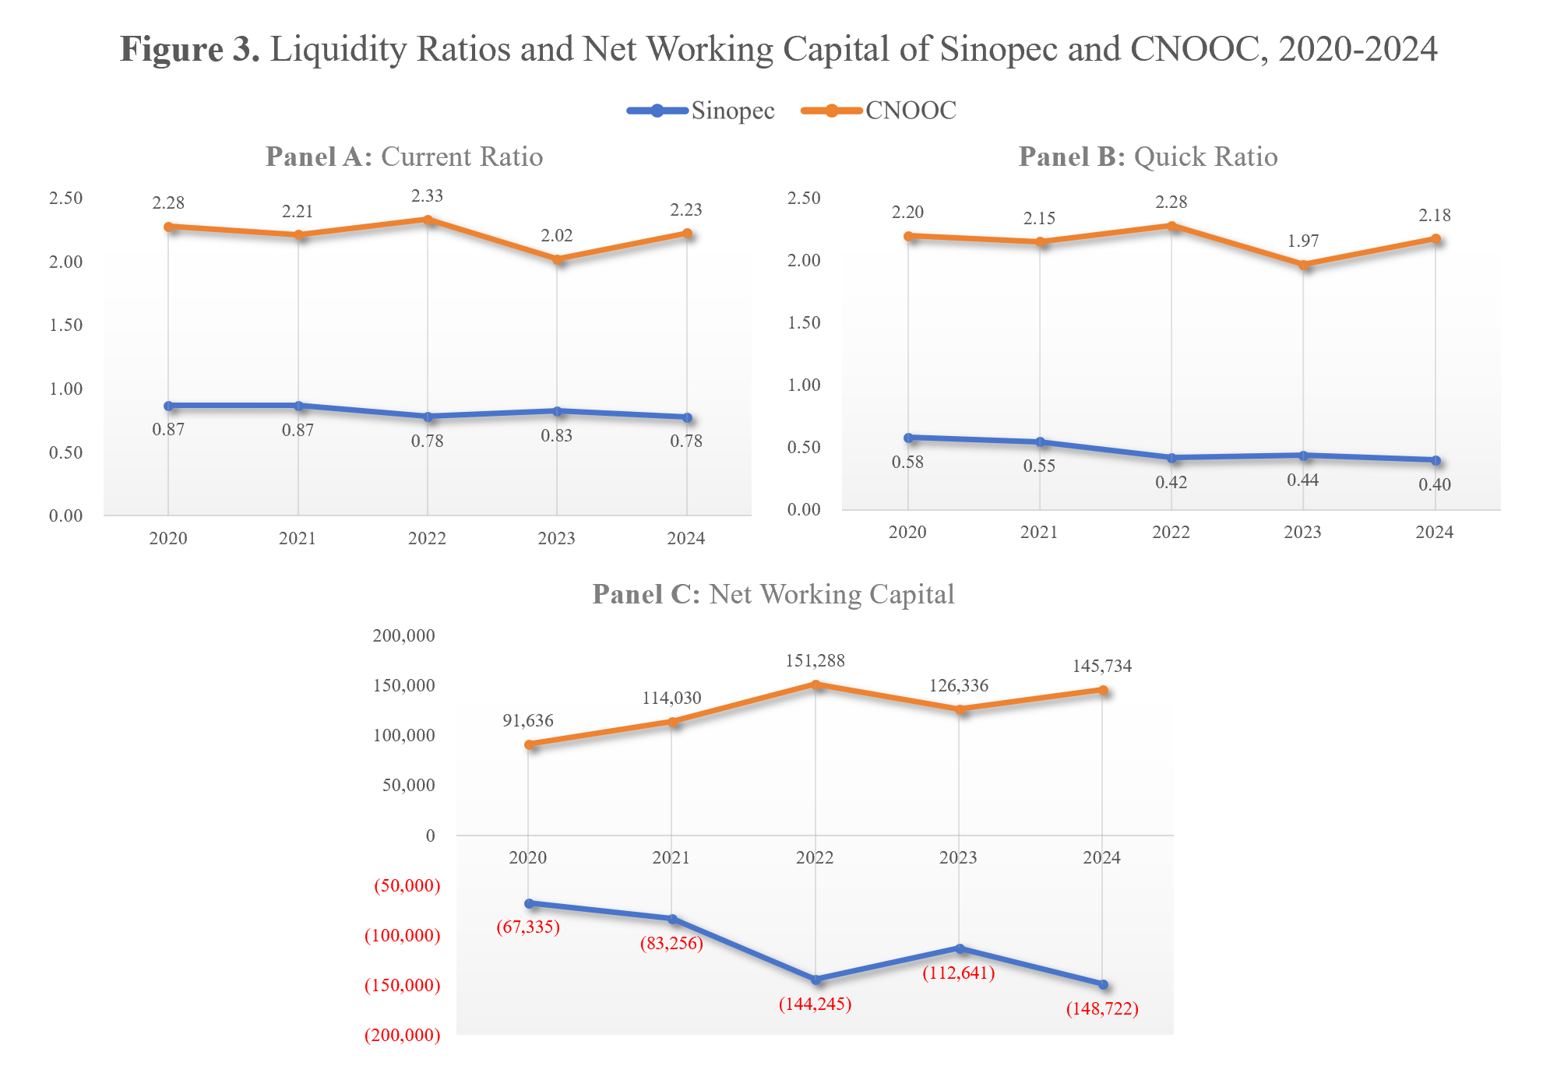
 |  |  |  |  |  |  | Current Ratio | 0.87 | 0.87 | 0.78 | 0.83 | 0.78 | Total Current Liabilities | 522,995 | 641,280 | 667,385 | 647,076 | 673,237 | Sinopec | 2020 | 2021 | 2022 | 2023 | 2024
 |  |  |  |  |  |  |  |  |  |  |  |  | Quick Ratio | 0.58 | 0.55 | 0.42 | 0.44 | 0.40 | Total Current Assets | 455,660 | 558,024 | 523,140 | 534,435 | 524,515
 |  |  |  |  |  |  |  |  |  |  |  |  |  |  |  |  |  |  | Total Current Liabilities | 522,995 | 641,280 | 667,385 | 647,076 | 673,237
 |  |  |  |  |  |  | CNOOC | 2020 | 2021 | 2022 | 2023 | 2024 | CNOOC | 2020 | 2021 | 2022 | 2023 | 2024 | Net Working Capital | (67,335) | (83,256) | (144,245) | (112,641) | (148,722)
 |  |  |  |  |  |  | Total Current Assets | 163,391 | 207,981 | 264,679 | 250,275 | 264,609 | Total Current Assets | 163,391 | 207,981 | 264,679 | 250,275 | 264,609
 |  |  |  |  |  |  | Total Current Liabilities | 71,755 | 93,951 | 113,391 | 123,939 | 118,875 | Inventories - Total | 5,644 | 5,703 | 6,239 | 6,451 | 5,732 | CNOOC | 2020 | 2021 | 2022 | 2023 | 2024
 |  |  |  |  |  |  | Current Ratio | 2.28 | 2.21 | 2.33 | 2.02 | 2.23 | Total Current Liabilities | 71,755 | 93,951 | 113,391 | 123,939 | 118,875 | Total Current Assets | 163,391 | 207,981 | 264,679 | 250,275 | 264,609
 |  |  |  |  |  |  |  |  |  |  |  |  | Quick Ratio | 2.20 | 2.15 | 2.28 | 1.97 | 2.18 | Total Current Liabilities | 71,755 | 93,951 | 113,391 | 123,939 | 118,875
Panel A: Current Ratio
 |  |  |  |  |  |  |  |  |  |  |  |  |  |  |  |  |  |  | Net Working Capital | 91,636 | 114,030 | 151,288 | 126,336 | 145,734
Panel B: Quick Ratio
Panel C: Net Working Capital

2.3 Solvency
2.3 Solvency
 |  |  |  |  |  |  | 2.3.1 Debt-to-Equity Ratio |  |  |  |  |  | 2.3.2 Interest Coverage Ratio
Table 3. Solvency Ratios of Sinopec and CNOOC, 2020-2024
 |  |  |  |  |  |  | Original Formula: |  |  |  |  |  | Original Formula:
Solvency ratio | Company | 2020 | 2021 | 2022 | 2023 | 2024 | Debt-to-Equity Ratio = Total Liabilities / Shareholders' Equity |  |  |  |  |  | Interest Coverage Ratio = Earnings Before Interest and Taxes (EBIT) / Interest Expense
Debt-to-equity ratio | Sinopec | 0.96 | 1.06 | 1.07 | 1.11 | 1.14
 | CNOOC | 0.66 | 0.63 | 0.55 | 0.51 | 0.41 | Formula Applied in This Analysis: |  |  |  |  |  | Formula Applied in This Analysis:
Interest coverage ratio | Sinopec | 1.92 | 8.75 | 6.30 | 5.23 | 4.05 | Debt-to-Equity Ratio = Total Liabilities / Total Shareholders' Equity |  |  |  |  |  | Interest Coverage Ratio = EBIT / Interest Expense (net of capitalized interest)
 | CNOOC | 12.21 | 32.67 | 62.20 | 71.07 | 68.97
 |  |  |  |  |  |  | Sinopec | 2020 | 2021 | 2022 | 2023 | 2024 | Note:
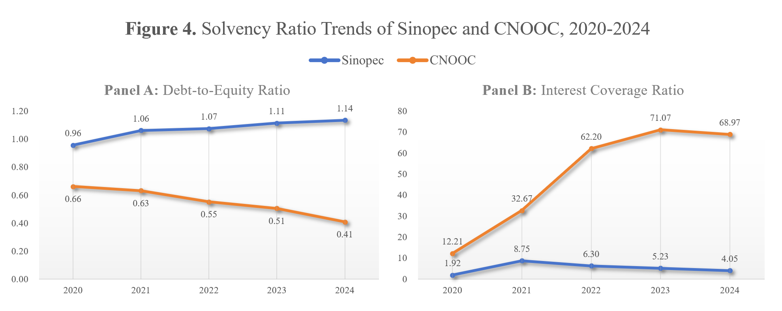
 |  |  |  |  |  |  | Total Liabilities | 850,176 | 973,214 | 1,010,664 | 1,068,019 | 1,108,478 | Interest expense is measured as "Interest Expense - Net of Capitalized Interest", excluding interest income and capitalized interest.
 |  |  |  |  |  |  | Total Shareholder's Equity | 888,720 | 916,041 | 940,457 | 958,655 | 976,293
 |  |  |  |  |  |  | Debt-to-Equity Ratio | 0.96 | 1.06 | 1.07 | 1.11 | 1.14
 |  |  |  |  |  |  |  |  |  |  |  |  | Sinopec | 2020 | 2021 | 2022 | 2023 | 2024
 |  |  |  |  |  |  | CNOOC | 2020 | 2021 | 2022 | 2023 | 2024 | EBIT | 26,642 | 121,418 | 98,638 | 88,798 | 72,134
 |  |  |  |  |  |  | Total Liabilities | 287,346 | 304,593 | 330,648 | 337,722 | 306,845 | Interest Expense (net of capitalized interest) | 13,855 | 13,883 | 15,666 | 16,970 | 17,822
 |  |  |  |  |  |  | Total Shareholder's Equity | 433,931 | 481,975 | 598,383 | 667,876 | 749,436 | Interest Coverage Ratio | 1.92 | 8.75 | 6.30 | 5.23 | 4.05
 |  |  |  |  |  |  | Debt-to-Equity Ratio | 0.66 | 0.63 | 0.55 | 0.51 | 0.41
 |  |  |  |  |  |  |  |  |  |  |  |  | CNOOC | 2020 | 2021 | 2022 | 2023 | 2024
Panel A: Debt-to-Equity Ratio
 |  |  |  |  |  |  |  |  |  |  |  |  | EBIT | 43,386 | 104,517 | 194,565 | 172,213 | 193,600
 |  |  |  |  |  |  |  |  |  |  |  |  | Interest Expense (net of capitalized interest) | 3,554 | 3,199 | 3,128 | 2,423 | 2,807
 |  |  |  |  |  |  |  |  |  |  |  |  | Interest Coverage Ratio | 12.21 | 32.67 | 62.20 | 71.07 | 68.97

Panel B: Interest Coverage Ratio

2.4 Efficiency
2.4 Efficiency
 |  |  |  |  |  |  | 2.4.1 Asset Turnover |  |  |  |  |  | 2.4.2 Inventory Turnover
Table 4. Efficiency Ratios of Sinopec and CNOOC, 2020-2024
 |  |  |  |  |  |  | Original Formula: |  |  |  |  |  | Original Formula:
Efficiency ratio | Company | 2020 | 2021 | 2022 | 2023 | 2024 | Asset Turnover = Sales / Average Total Assets |  |  |  |  |  | Inventory Turnover = Cost of Goods Sold / Average Inventory
Asset turnover | Sinopec | 1.09 | 1.39 | 1.62 | 1.50 | 1.39
 | CNOOC | 0.20 | 0.32 | 0.48 | 0.42 | 0.39 | Formula Applied in This Analysis: |  |  |  |  |  | Formula Applied in This Analysis:
Inventory turnover | Sinopec | 9.80 | 12.34 | 12.51 | 10.97 | 10.26 | Asset Turnover = Revenue from Business Activities (Total) / Average Total Assets |  |  |  |  |  | Inventory Turnover = Cost of Revenues - Total / Average Inventories
 | CNOOC | 16.27 | 21.44 | 33.21 | 32.93 | 32.03
 |  |  |  |  |  |  | Notes: |  |  |  |  |  | Notes:
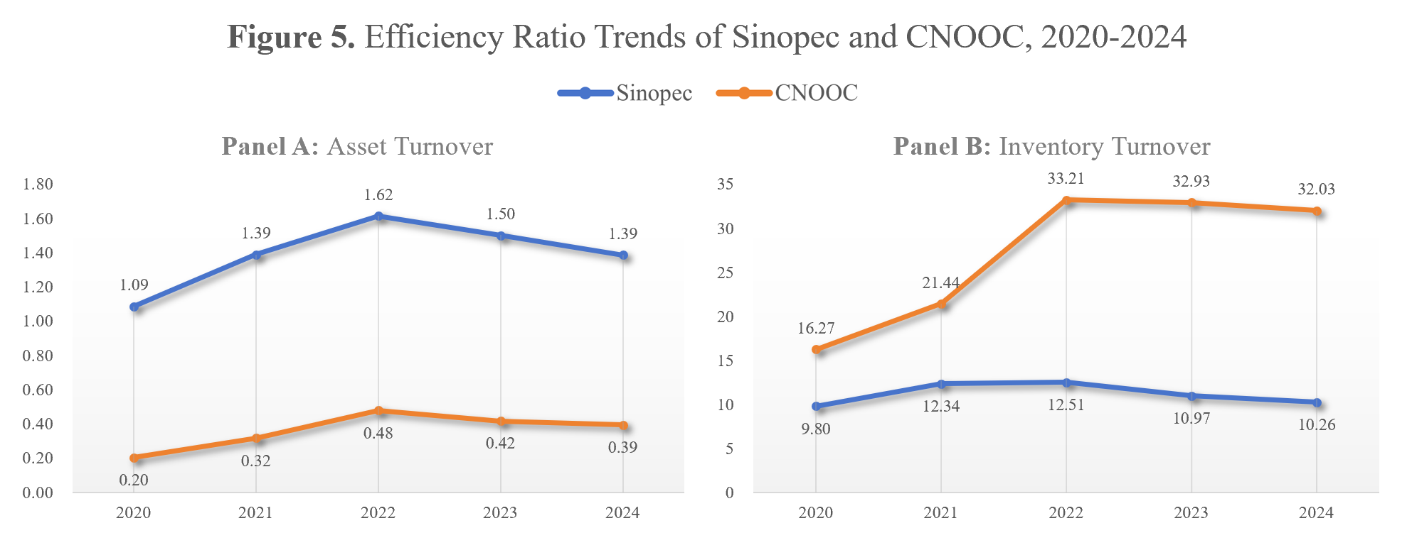
 |  |  |  |  |  |  | "Revenue from Business Activities - Total" is used, because it reflects revenue generated from core operating activities and is therefore appropriate for measuring asset turnover. |  |  |  |  |  | "Cost of Revenues - Total" is used, because it reflects the cost of the company’s revenue-generating activities and is therefore appropriate for measuring inventory turnover.

 |  |  |  |  |  |  | Sinopec | 2020 | 2021 | 2022 | 2023 | 2024 | Sinopec | 2020 | 2021 | 2022 | 2023 | 2024
 |  |  |  |  |  |  | Revenue from Business Activities - Total | 1,902,610 | 2,520,558 | 3,102,578 | 2,988,502 | 2,850,851 | Cost of Revenues - Total | 1,697,035 | 2,219,681 | 2,825,685 | 2,715,709 | 2,603,355
 |  |  |  |  |  |  | Total Assets (Previous Year) | 1,760,286 | 1,738,896 | 1,889,255 | 1,951,121 | 2,026,674 | Inventories - Total (Previous Year) | 194,142 | 152,191 | 207,433 | 244,241 | 250,898
 |  |  |  |  |  |  | Total Assets (Current Year) | 1,738,896 | 1,889,255 | 1,951,121 | 2,026,674 | 2,084,771 | Inventories - Total (Current Year) | 152,191 | 207,433 | 244,241 | 250,898 | 256,595
 |  |  |  |  |  |  | Average Total Assets | 1,749,591 | 1,814,076 | 1,920,188 | 1,988,898 | 2,055,723 | Average Inventories | 173,167 | 179,812 | 225,837 | 247,570 | 253,747
 |  |  |  |  |  |  | Asset Turnover | 1.09 | 1.39 | 1.62 | 1.50 | 1.39 | Inventory Turnover | 9.80 | 12.34 | 12.51 | 10.97 | 10.26

 |  |  |  |  |  |  | CNOOC | 2020 | 2021 | 2022 | 2023 | 2024 | CNOOC | 2020 | 2021 | 2022 | 2023 | 2024
 |  |  |  |  |  |  | Revenue from Business Activities - Total | 151,005 | 239,051 | 410,825 | 403,589 | 406,579 | Cost of Revenues - Total | 97,256 | 121,625 | 198,332 | 208,943 | 195,111
 |  |  |  |  |  |  | Total Assets (Previous Year) | 757,730 | 721,276 | 786,568 | 929,031 | 1,005,598 | Inventories - Total (Previous) | 6,314 | 5,644 | 5,703 | 6,239 | 6,451
 |  |  |  |  |  |  | Total Assets (Current Year) | 721,276 | 786,568 | 929,031 | 1,005,598 | 1,056,281 | Inventories - Total (Current) | 5,644 | 5,703 | 6,239 | 6,451 | 5,732
 |  |  |  |  |  |  | Average Total Assets | 739,503 | 753,922 | 857,800 | 967,315 | 1,030,940 | Average Inventories | 5,979 | 5,674 | 5,971 | 6,345 | 6,092
 |  |  |  |  |  |  | Asset Turnover | 0.20 | 0.32 | 0.48 | 0.42 | 0.39 | Inventory Turnover | 16.27 | 21.44 | 33.21 | 32.93 | 32.03

Panel A: Asset Turnover
Panel B: Inventory Turnover

3.1 E
Section 3: Non-Financial (ESG) Performance Analysis

3.0 Overview |  |  |  |  |  |  |  |  |  |  | 3.1 Environmental (E)

Table 5. ESG Rating Heatmap of Sinopec and CNOOC, 2020-2024 |  |  |  |  |  |  |  |  |  |  | (1) GHG emissions reduction targets and progress |  |  |  |  |  |  |  |  |  |  |  | 2024 Low-carbon Transition Evidence — KPI Source Table

ESG rating metric | 2020 |  | 2021 |  | 2022 |  | 2023 |  | 2024 |  | Emission Reduction Target Percentage | 2020 | 2021 | 2022 | 2023 | 2024 | Formula: |  |  |  |  |  | Company | Indicator / Evidence | 2024 Value | Why it supports Environmental analysis | Company | Year | Scope 1 Emissions | Scope 2 Emissions | Combined Scope 1 + 2
 | Sinopec | CNOOC | Sinopec | CNOOC | Sinopec | CNOOC | Sinopec | CNOOC | Sinopec | CNOOC | Sinopec | -- | -- | -- | 50.00% | 20.00% | Indexed Combined Scope 1 + 2 (2020 = 100) = Current Combined Scope 1 + 2 ÷ 2020 Combined Scope 1 + 2 × 100 |  |  |  |  |  | Sinopec | Hydrogen refuelling stations completed | 142 | Shows investment in hydrogen mobility and clean-energy infrastructure | Sinopec | 2020 | 128.58 | 42.36 | 170.94
ESG Combined Score (100%) | B | B- | B | C+ | B+ | B | B+ | A- | B+ | A- | CNOOC | -- | -- | -- | -- | -- |  |  |  |  |  |  | Sinopec | Battery charging and swapping stations | Over 10,000 cumulatively | Shows EV charging infrastructure and transition from fuel-only marketing network |  | 2021 | 148.38 | 24.18 | 172.56
Environmental Pillar Score (34.5%) | B+ | B- | B+ | C+ | A | A | A | A | A | A |  |  |  |  |  |  | Sinopec | 2020 | 2021 | 2022 | 2023 | 2024 | Sinopec | Charging terminals | Nearly 100,000 | Shows scale of new-energy mobility network |  | 2022 | 137.72 | 24.07 | 161.79
Social Pillar Score (42.0%) | C+ | B- | B- | B- | B- | B | B- | B+ | B- | B+ | Emission Reduction Target Year | 2020 | 2021 | 2022 | 2023 | 2024 | CO2 Equivalent Emissions Direct, Scope 1 | 128,580,000 | 148,380,000 | 137,720,000 | 142,280,000 | 139,090,000 | CNOOC | Energy-saving and carbon-reduction projects | 18 projects | Shows decarbonisation actions focused on upstream/offshore operations |  | 2023 | 142.28 | 26.36 | 168.64
Governance Pillar Score (23.5%) | A- | B | A- | C+ | A- | B- | A- | A- | B | A- | Sinopec | 2023 | 2023 | 2023 | 2025 | 2028 | CO2 Equivalent Emissions Indirect, Scope 2 | 42,360,000 | 24,180,000 | 24,070,000 | 26,360,000 | 28,860,000 | CNOOC | Green power replacement | 760 million kWh | Shows low-carbon power substitution for operations |  | 2024 | 139.09 | 28.86 | 167.95
 |  |  |  |  |  |  |  |  |  |  | CNOOC | 2025 | 2025 | 2023 | 2024 | 2025 | Combined Scope 1 + Scope 2 | 170,940,000 | 172,560,000 | 161,790,000 | 168,640,000 | 167,950,000 | CNOOC | Annual CO2 reduction from projects | 589.5 thousand tonnes | Shows quantified carbon-reduction contribution | CNOOC | 2020 | 9.123 | 0.222 | 9.345
 |  |  |  |  |  |  |  |  |  |  |  |  |  |  |  |  | Indexed Combined Scope 1 + 2 (2020 = 100) | 100.00 | 100.95 | 94.65 | 98.65 | 98.25 |  |  |  |  |  | 2021 | 9.774 | 0.531 | 10.305
 |  |  |  |  |  |  |  |  |  |  | Reduction Target GHG Emissions Scope 1 and Scope 2 Tonnes | 2020 | 2021 | 2022 | 2023 | 2024 |  |  |  |  |  |  | Source: Sinopec 2024 Sustainability Report; CNOOC 2024 Sustainability Report |  |  |  |  | 2022 | 9.779 | 1.101 | 10.88
 |  |  |  |  |  |  |  |  |  |  | Sinopec | 11,948,300 | 11,965,800 | 12,079,200 | 11,325,300 | 11,804,800 | CNOOC | 2020 | 2021 | 2022 | 2023 | 2024 |  |  |  |  |  | 2023 | 10.779 | 1.484 | 12.263
 |  |  |  |  |  |  |  |  |  |  | CNOOC | 614,810 | 654,150 | 721,350 | 761,530 | 858,410 | CO2 Equivalent Emissions Direct, Scope 1 | 9,123,000 | 9,774,000 | 9,779,000 | 10,779,000 | 10,886,000 |  |  |  |  |  | 2024 | 10.886 | 1.905 | 12.791
 |  |  |  |  |  |  |  |  |  |  |  |  |  |  |  |  | CO2 Equivalent Emissions Indirect, Scope 2 | 222,000 | 531,000 | 1,101,000 | 1,484,000 | 1,905,000 | Figure 7. 2024 Low-carbon Transition Evidence of Sinopec and CNOOC
Composition of Scope 1 and Scope 2 emissions of Sinopec
Composition of Scope 1 and Scope 2 emissions of CNOOC
 |  |  |  |  |  |  |  |  |  |  | Reduction Target GHG Emissions Intensity Scope 1 and Scope 2 | 2020 | 2021 | 2022 | 2023 | 2024 | Combined Scope 1 + Scope 2 | 9,345,000 | 10,305,000 | 10,880,000 | 12,263,000 | 12,791,000
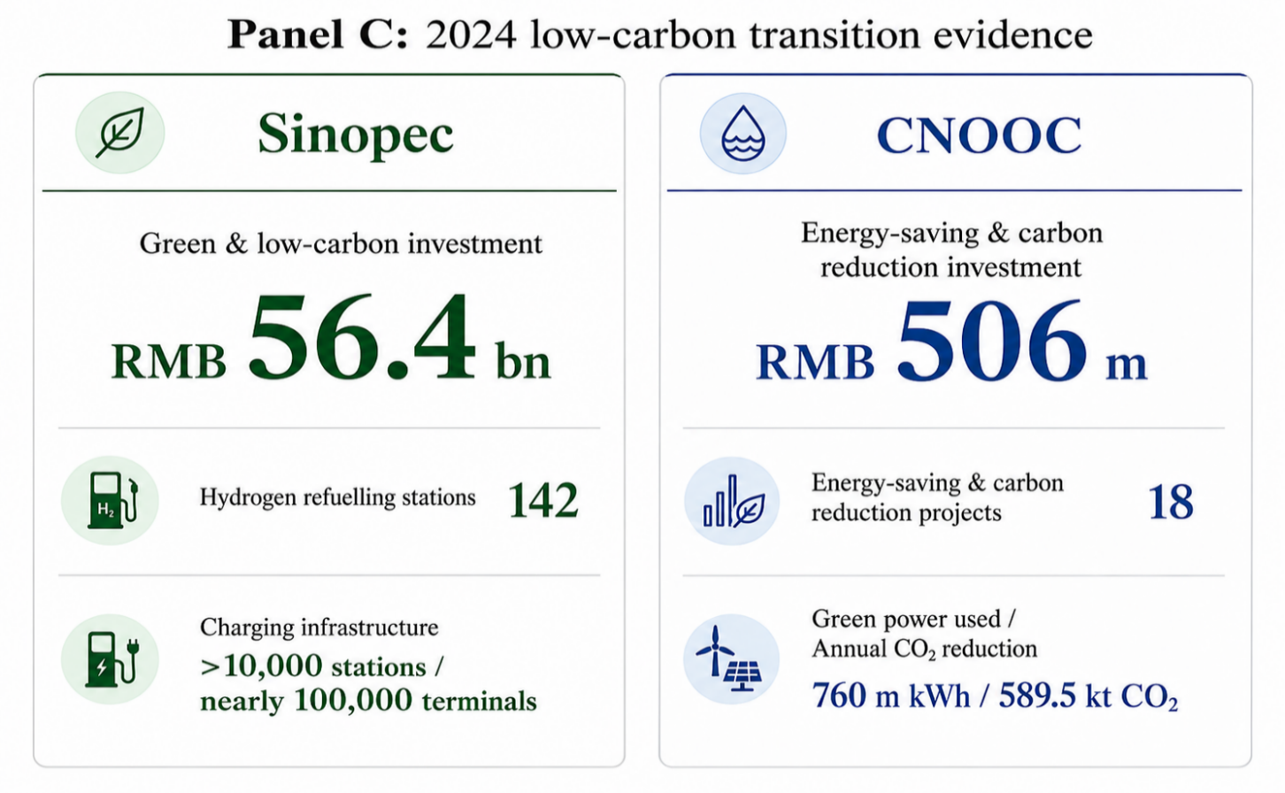
 |  |  |  |  |  |  |  |  |  |  | Sinopec | 28.1 | 37.1 | 27.99 | 23.54 | 26.08 | Indexed Combined Scope 1 + 2 (2020 = 100) | 100.00 | 110.27 | 116.43 | 131.23 | 136.88
 |  |  |  |  |  |  |  |  |  |  | CNOOC | 18.35 | 27.47 | 18.62 | 12.44 | 14.62

Figure 6. Indexed Combined Scope 1 and Scope 2 Emissions of Sinopec and CNOOC, 2020-2024 (2020=100)
 |  |  |  |  |  |  |  |  |  |  | (2) Investments in and strategies for clean energy

 |  |  |  |  |  |  |  |  |  |  | Total Renewable Energy To Energy Use in million | 2020 | 2021 | 2022 | 2023 | 2024
 |  |  |  |  |  |  |  |  |  |  | Sinopec | -- | -- | -- | 335.67 | 960.44
 |  |  |  |  |  |  |  |  |  |  | CNOOC | -- | -- | 5,880.08 | 15,198.02 | 21,497.89

 |  |  |  |  |  |  |  |  |  |  | Total Renewable Energy | 2020 | 2021 | 2022 | 2023 | 2024
 |  |  |  |  |  |  |  |  |  |  | Sinopec | -- | -- | -- | 475,200 | 1,256,400
 |  |  |  |  |  |  |  |  |  |  | CNOOC | -- | -- | 669,600 | 1,800,000 | 2,736,000

 |  |  |  |  |  |  |  |  |  |  | Renewable Energy Produced | 2020 | 2021 | 2022 | 2023 | 2024
 |  |  |  |  |  |  |  |  |  |  | Sinopec | -- | -- | -- | 475,200 | 1,256,400
 |  |  |  |  |  |  |  |  |  |  | CNOOC | -- | -- | -- | -- | --

 |  |  |  |  |  |  |  |  |  |  | Renewable Energy Use | 2020 | 2021 | 2022 | 2023 | 2024
 |  |  |  |  |  |  |  |  |  |  | Sinopec | TRUE | TRUE | TRUE | TRUE | TRUE
 |  |  |  |  |  |  |  |  |  |  | CNOOC | FALSE | FALSE | TRUE | TRUE | TRUE

 |  |  |  |  |  |  |  |  |  |  | (3) Performance on other key issues

 |  |  |  |  |  |  |  |  |  |  | Total Water Use / Million in Revenue $ | 2020 | 2021 | 2022 | 2023 | 2024 | Formula:
 |  |  |  |  |  |  |  |  |  |  | Sinopec | 1,994.03 | 1,474.33 | 1,307.66 | 1,376.15 | 1,463.87 | Indexed Fresh Water Withdrawal (2020 = 100) = Current Fresh Water Withdrawal ÷ 2020 Fresh Water Withdrawal × 100
 |  |  |  |  |  |  |  |  |  |  | CNOOC | 89.03 | 54.9 | 32.44 | 35.88 | 42.7
 |  |  |  |  |  |  |  |  |  |  |  |  |  |  |  |  | Sinopec | 2020 | 2021 | 2022 | 2023 | 2024
 |  |  |  |  |  |  |  |  |  |  | Water Withdrawal Total | 2020 | 2021 | 2022 | 2023 | 2024 | Fresh Water Withdrawal Total | 643,200,000 | 636,160,000 | 629,100,000 | 622,800,000 | 616,600,000
 |  |  |  |  |  |  |  |  |  |  | Sinopec | 643,200,000 | 636,160,000 | 629,100,000 | 622,800,000 | 616,600,000 | Indexed Fresh Water Withdrawal (2020 = 100) | 100.00 | 98.91 | 97.81 | 96.83 | 95.86
 |  |  |  |  |  |  |  |  |  |  | CNOOC | 2,120,000 | 2,127,000 | 1,986,000 | 2,106,000 | 2,459,900
 |  |  |  |  |  |  |  |  |  |  |  |  |  |  |  |  | CNOOC | 2020 | 2021 | 2022 | 2023 | 2024
 |  |  |  |  |  |  |  |  |  |  | Waste Recycled Total | 2020 | 2021 | 2022 | 2023 | 2024 | Fresh Water Withdrawal Total | 2,120,000 | 2,127,000 | 1,986,000 | 2,106,000 | 2,459,900
 |  |  |  |  |  |  |  |  |  |  | Sinopec | -- | -- | 13,890,700 | 14,976,300 | 13,420,400 | Indexed Fresh Water Withdrawal (2020 = 100) | 100.00 | 100.33 | 93.68 | 99.34 | 116.03
 |  |  |  |  |  |  |  |  |  |  | CNOOC | -- | -- | -- | -- | --
Figure 8. Indexed Fresh Water Withdrawal of Sinopec and CNOOC, 2020-2024 (2020=100)
 |  |  |  |  |  |  |  |  |  |  | Waste Recycling Ratio | 2020 | 2021 | 2022 | 2023 | 2024
 |  |  |  |  |  |  |  |  |  |  | Sinopec | -- | -- | 80.28% | 85.27% | 85.43%
 |  |  |  |  |  |  |  |  |  |  | CNOOC | -- | -- | -- | -- | --

 |  |  |  |  |  |  |  |  |  |  | Waste Reduction Initiatives | 2020 | 2021 | 2022 | 2023 | 2024
 |  |  |  |  |  |  |  |  |  |  | Sinopec | TRUE | TRUE | TRUE | TRUE | TRUE
 |  |  |  |  |  |  |  |  |  |  | CNOOC | TRUE | TRUE | TRUE | TRUE | TRUE

3.2 S
3.2 Social (S)

(1) Workplace safety performance |  |  |  |  |  | (2) Employee development and diversity & inclusion policies |  |  |  |  |  |  |  |  |  |  |  |  |  |  | (3) Community relations and social license

Injuries To Million Hours | 2020 | 2021 | 2022 | 2023 | 2024 | Average Training Hours | 2020 | 2021 | 2022 | 2023 | 2024 | Formula: |  |  |  |  |  | Company | Women employees (%) | Women managers (%) | Community Score | 2020 | 2021 | 2022 | 2023 | 2024
Sinopec | 0.53 | 0.57 | 0.35 | 0.25 | 0.21 | Sinopec | 33.47 | 37.95 | 39.53 | 56.18 | 66.63 | Female Managerial Representation Ratio = Women Managers (%) / Women Employees (%) |  |  |  |  |  | Sinopec | 29.89% | 14.16% | Sinopec | C- | B- | B- | D+ | C+
CNOOC | 0.16 | 0.18 | 0.11 | 0.05 | 0.07 | CNOOC | 162.38 | 201.73 | 252.7 | 259.18 | 333.97 |  |  |  |  |  |  | CNOOC | 16.55% | 16.00% | CNOOC | A- | A- | A- | A- | A-
 |  |  |  |  |  |  |  |  |  |  |  | Sinopec | 2020 | 2021 | 2022 | 2023 | 2024
Panel B: Average Training Hours per Employee
Panel A: Gender Representation in the Workforce and Management, 2024
Total Injury Rate Total | 2020 | 2021 | 2022 | 2023 | 2024 |  |  |  |  |  |  | Women Employees (%) | 33.10% | 32.10% | 31.00% | 30.73% | 29.89% |  |  |  | Donations / Million in Revenue | 2020 | 2021 | 2022 | 2023 | 2024
Sinopec | -- | -- | -- | -- | -- |  |  |  |  |  |  | Women Managers (%) | 14.16% | 13.63% | 13.45% | 12.91% | 12.59% |  |  |  | Sinopec | 143.01 | 60.2 | 134.71 | 96.51 | 95.3
CNOOC | 0.16 | 0.18 | 0.11 | 0.05 | 0.07 |  |  |  |  |  |  | Female Managerial Representation Ratio | 0.43 | 0.42 | 0.43 | 0.42 | 0.42 |  |  |  | CNOOC | 600.49 | 389.3 | 227.41 | 379.59 | 316.57

Employee Accidents | 2020 | 2021 | 2022 | 2023 | 2024 |  |  |  |  |  |  | CNOOC | 2020 | 2021 | 2022 | 2023 | 2024 |  |  |  | Donations Total (¥) | 2020 | 2021 | 2022 | 2023 | 2024
Sinopec | 408 | 442 | 264 | 186 | 152 |  |  |  |  |  |  | Women Employees (%) | 14.00% | 16.00% | 17.00% | 17.00% | 16.55% |  |  |  | Sinopec | 301,000,000 | 165,000,000 | 447,000,000 | 310,000,000 | 293,000,000
CNOOC | 3 | 2 | 1 | 8 | 1 |  |  |  |  |  |  | Women Managers (%) | 16.00% | 17.00% | 17.00% | 16.00% | 16.00% |  |  |  | CNOOC | 93,300,000 | 95,810,000 | 96,020,000 | 158,140,000 | 133,120,000
 |  |  |  |  |  |  |  |  |  |  |  | Female Managerial Representation Ratio | 1.14 | 1.06 | 1.00 | 0.94 | 0.97
Panel B: Community Relations: Donations per RMB Million Revenue, 2020-2024
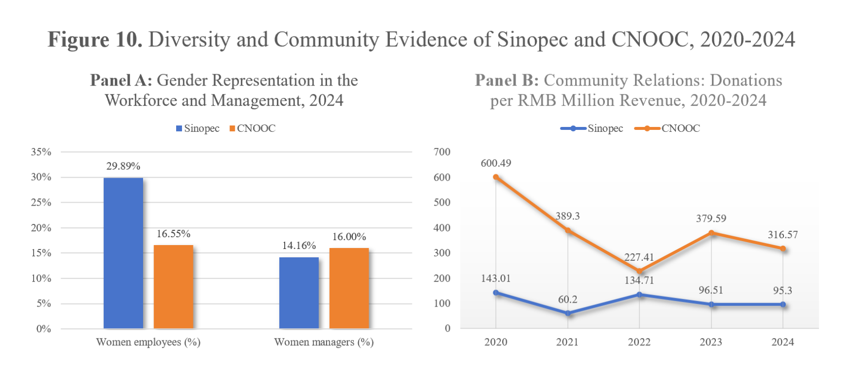
Employee Fatalities | 2020 | 2021 | 2022 | 2023 | 2024
Female Managerial Representation Ratio
Sinopec | 3 | 2 | 2 | 1 | 0
CNOOC | 0 | 0 | 0 | 0 | 0

Panel A: Workplace Safety Performance

 |  |  |  |  |  |  |  |  |  |  |  |  |  |  |  |  |  |  |  |  | Formula:
 |  |  |  |  |  |  |  |  |  |  |  |  |  |  |  |  |  |  |  |  | Indexed Donations / Million in Revenue (2020 = 100)
 |  |  |  |  |  |  |  |  |  |  |  |  |  |  |  |  |  |  |  |  | = Current Year Donations / Million in Revenue ÷ 2020 Donations / Million in Revenue × 100

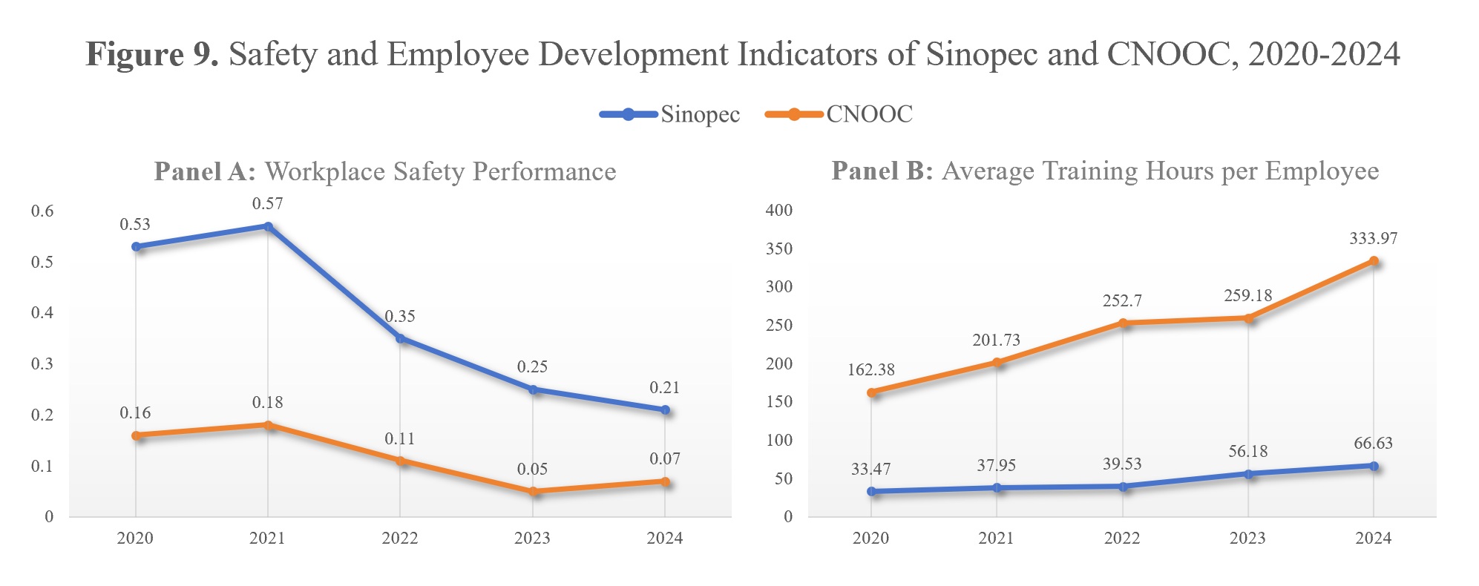
 |  |  |  |  |  |  |  |  |  |  |  |  |  |  |  |  |  |  |  |  | Sinopec | 2020 | 2021 | 2022 | 2023 | 2024
 |  |  |  |  |  |  |  |  |  |  |  |  |  |  |  |  |  |  |  |  | Donations / Million in Revenue | 143.01 | 60.20 | 134.71 | 96.51 | 95.30
 |  |  |  |  |  |  |  |  |  |  |  |  |  |  |  |  |  |  |  |  | 2020 Base Value | 143.01 | 143.01 | 143.01 | 143.01 | 143.01
 |  |  |  |  |  |  |  |  |  |  |  |  |  |  |  |  |  |  |  |  | Indexed Donations / Million in Revenue (2020 = 100) | 100.00 | 42.10 | 94.20 | 67.48 | 66.64

 |  |  |  |  |  |  |  |  |  |  |  |  |  |  |  |  |  |  |  |  | CNOOC | 2020 | 2021 | 2022 | 2023 | 2024
 |  |  |  |  |  |  |  |  |  |  |  |  |  |  |  |  |  |  |  |  | Donations / Million in Revenue | 600.49 | 389.30 | 227.41 | 379.59 | 316.57
 |  |  |  |  |  |  |  |  |  |  |  |  |  |  |  |  |  |  |  |  | 2020 Base Value | 600.49 | 600.49 | 600.49 | 600.49 | 600.49
 |  |  |  |  |  |  |  |  |  |  |  |  |  |  |  |  |  |  |  |  | Indexed Donations / Million in Revenue (2020 = 100) | 100.00 | 64.83 | 37.87 | 63.21 | 52.72

Indexed Donations / Million in Revenue Trend (2020 = 100)

3.3 G
3.3 Governance (G)

(1) Governance structure and board oversight |  |  |  |  |  | (2) Role of the Chinese state as a majority shareholder |  |  |  |  |  | (3) Transparency and the quality of sustainability reporting

Governance Pillar Score | 2020 | 2021 | 2022 | 2023 | 2024 | Table 6. Shareholder Governance Signals of Sinopec and CNOOC, 2020-2024 |  |  |  |  |  | CSR Sustainability Committee | 2020 | 2021 | 2022 | 2023 | 2024 | Table 7. Sustainability Reporting Quality Checklist of Sinopec and CNOOC, 2024
Sinopec | A- | A- | A | A- | B |  |  |  |  |  |  | Sinopec | TRUE | TRUE | TRUE | TRUE | TRUE
CNOOC | B | C+ | B- | A- | A- | Shareholders Score | 2020 | 2021 | 2022 | 2023 | 2024 | CNOOC | TRUE | TRUE | TRUE | TRUE | TRUE | Reporting quality indicator | Sinopec | CNOOC
 |  |  |  |  |  | Sinopec | D+ | B- | C+ | C+ | C |  |  |  |  |  |  | Sustainability / ESG committee | ✓ | ✓
Board Size | 2020 | 2021 | 2022 | 2023 | 2024 | CNOOC | C- | D+ | C- | D+ | D- | CSR Sustainability External Audit | 2020 | 2021 | 2022 | 2023 | 2024 | External assurance | ✓ | ✓
Sinopec | 9 | 10 | 10 | 9 | 12 |  |  |  |  |  |  | Sinopec | TRUE | TRUE | TRUE | TRUE | TRUE | External assurer | KPMG Huazhen LLP | Deloitte Touche Tohmatsu CPA LLP
CNOOC | 10 | 10 | 11 | 8 | 9 | State Owned Enterprise (SOE) | 2020 | 2021 | 2022 | 2023 | 2024 | CNOOC | TRUE | TRUE | TRUE | TRUE | TRUE | GRI-based reporting | ✓ | ✓
 |  |  |  |  |  | Sinopec | TRUE | TRUE | TRUE | TRUE | TRUE |  |  |  |  |  |  | Climate-related disclosure / TCFD reference | ✓ | ✓
Independent Board Members (%) | 2020 | 2021 | 2022 | 2023 | 2024 | CNOOC | TRUE | TRUE | TRUE | TRUE | TRUE | CSR / Sustainability External Auditor Name | 2020 | 2021 | 2022 | 2023 | 2024 | Integrated strategy discussion in MD&A | ✓ | ✓
Sinopec | 30.77% | 38.46% | 40.00% | 36.36% | 50.00% |  |  |  |  |  |  | Sinopec | PricewaterhouseCoopers Zhong Tian LLP | KPMG Huazhen LLP | KPMG Huazhen LLP | KPMG Huazhen LLP | KPMG Huazhen LLP | SASB Standards alignment | Not explicitly identified | Not explicitly identified
CNOOC | 40.00% | 36.36% | 45.45% | 50.00% | 36.36% |  |  |  |  |  |  | CNOOC | Deloitte Touche Tohmatsu Certified Public Accountants LLP | Deloitte Touche Tohmatsu Certified Public Accountants LLP | Ernst & Young Hua Ming LLP | Ernst & Young Hua Ming LLP | Deloitte Touche Tohmatsu CPA LLP

Number of Board Meetings | 2020 | 2021 | 2022 | 2023 | 2024 |  |  |  |  |  |  | GRI Report Guidelines | 2020 | 2021 | 2022 | 2023 | 2024
Sinopec | 11 | 7 | 9 | 6 | 7 |  |  |  |  |  |  | Sinopec | TRUE | TRUE | TRUE | TRUE | TRUE
CNOOC | 6 | 9 | 11 | 9 | 9 |  |  |  |  |  |  | CNOOC | TRUE | TRUE | TRUE | TRUE | TRUE

Board Meeting Attendance Average | 2020 | 2021 | 2022 | 2023 | 2024 |  |  |  |  |  |  | Integrated Strategy in MD&A | 2020 | 2021 | 2022 | 2023 | 2024
Sinopec | 100.00% | 100.00% | 100.00% | 100.00% | 100.00% |  |  |  |  |  |  | Sinopec | FALSE | TRUE | TRUE | TRUE | TRUE
CNOOC | 100.00% | 100.00% | 100.00% | 100.00% | 100.00% |  |  |  |  |  |  | CNOOC | TRUE | TRUE | TRUE | TRUE | TRUE

Executive Members Gender Diversity (%) | 2020 | 2021 | 2022 | 2023 | 2024
Sinopec | 9.09% | 10.00% | 10.00% | 12.50% | 6.25%
CNOOC | 18.18% | 14.29% | 7.69% | 22.22% | 18.18%

Figure 11. Board Independence of Sinopec and CNOOC, 2020-2024

