Feuil2
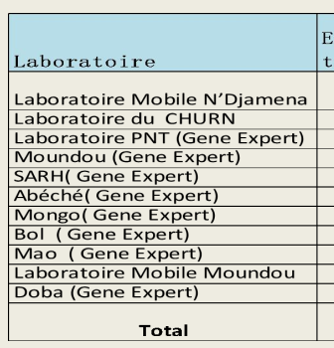
INSP Nongo | ABI 7500 FAST | 600 |  |  | re | Nom du Labo | Plateforme PCR | Localisation | Propriétaire
INSP Kaloum | Abbott, BioRad CFX 96, Roche 480 | 200 |  |  | 1 | CERFIG | BioRad CFX 96 rt System | conakry | Publique | chad
IPGUI | Roche 480, ABI 7500 | 70 |  |  | 2 | CREMS | ROTORGEN | Kindia/Fria | Publique
Labo Veterinaire | QuatSTUDIO 5 | - |  |  | 3 | INSP NONGO | ABI 7500 FAST | Conakry | Publique
CERFIG | BioRad CFX 96 rt System | 100 |  |  | 4 | INSP/08NOV | Abbott, BioRad CFX 96, Roche | Conakry | Publique
Labo Maferinya | ABI 7500 | 20 |  |  | 5 | IPGUI | Roche, ABI 7500 | Conakry | Publique
LFHG | BioRad CFX 96 rt System, ROTORGEN | 100 |  |  | 6 | LFHG | ROTORGEN | Conakry | Publique
CREMS | ROTORGEN | 100 |  |  | 7 | Labo Maferinya (Forecariah) | ABI 7500 | Maferinya | Publique
INSP, CMC, HP, HR | GeneXpert | 22 |  |  | 8
 |  |  |  |  | 9

INSP Nongo | ABI 7500 FAST | 600 | Publique
2 | INSP Kaloum | Abbott, BioRad CFX 96, Roche 480 | 200 | Publique
3 | IPGUI | Roche 480, ABI 7500 | 70 | Publique
4 | Labo veterinaire | QuatSTUDIO 5 | - | Publique
5 | CERFIG | BioRad CFX 96 rt System | 100 | Publique
6 | Labo Maferinya | ABI 7500 | 20 | Publique
7 | LFHG | BioRad CFX 96 rt System, ROTORGEN | 100 | Publique
8 | CREMS | ROTORGEN | 100 | Publique
9 | INSP,CMC,HP,HR | GeneXpert | 22

