Sheet1
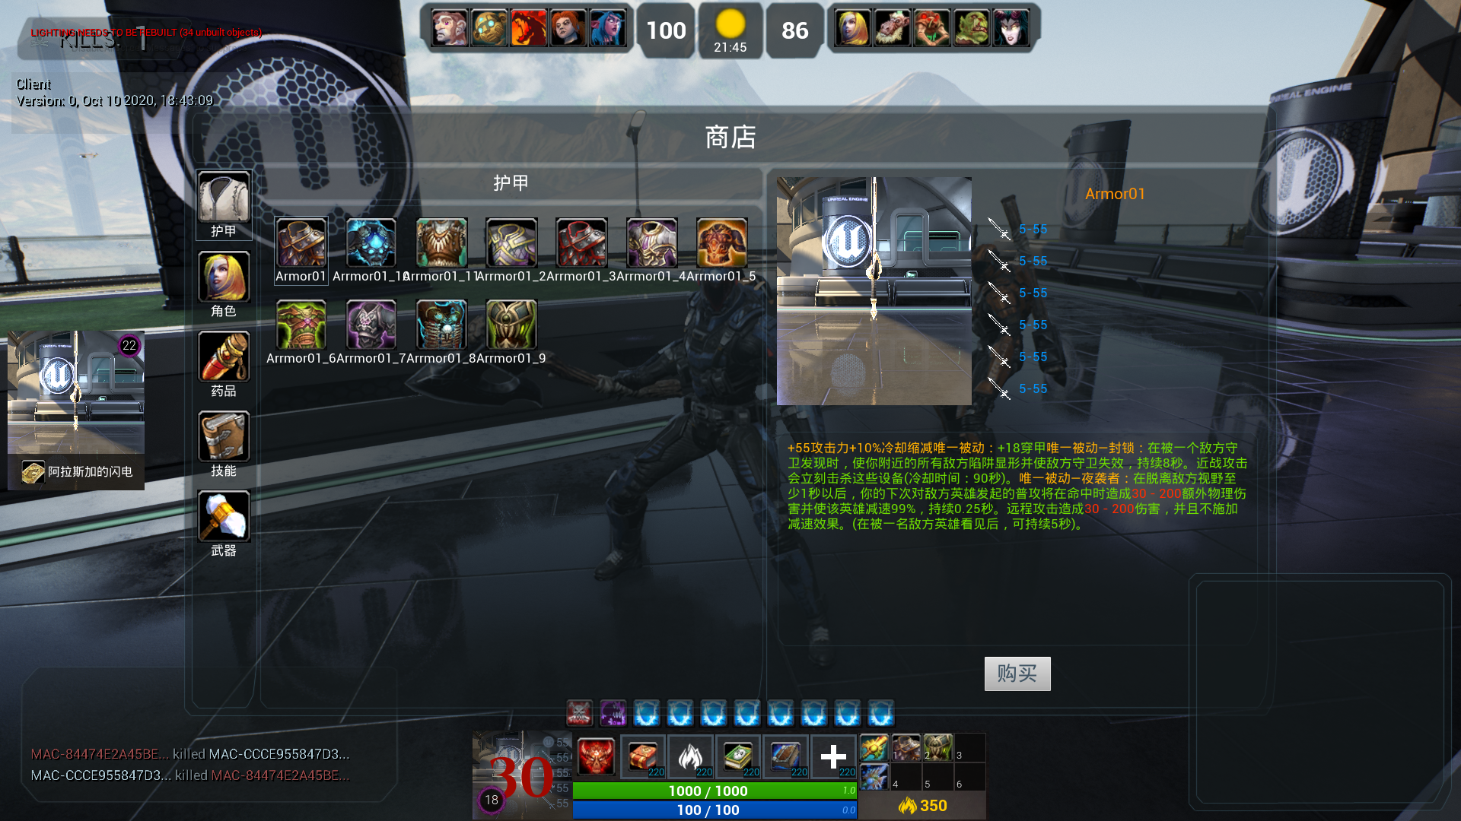
Client2(Autonomous)
Server (Authority)
HUD
Widget 1
Widget ...
Character
(AbilityComp)
GameInstance
Save
Game
PlayerContrl 1/2
GameMode
GameState
PlayerState 1/2
World/WorldContext
GameSession
PlayerContrl 2
Character 1/2
Client1(Autonomous)
同Client2
PlayerContrl 1
Input (RPC、Replicated)
Player1
(SimulatedProxy)
Character
(AbilityComp)
Player2
(SimulatedProxy)
AbilityItems
Anim
Effect
Anim
Notify
Replicated
Engine(Loop)
Give/Activate
LocalPlayer
StateMachine
HUD
RPC msg
Event
Save
Game
RPC msg
Event
read/write
Input (RPC、Replicated)
read/write
DataAssets/DataTable
(Pawn、Potion、Skill、Weapon、Armor等ActorItems)
AssetManager
In Game：

