Bài 1
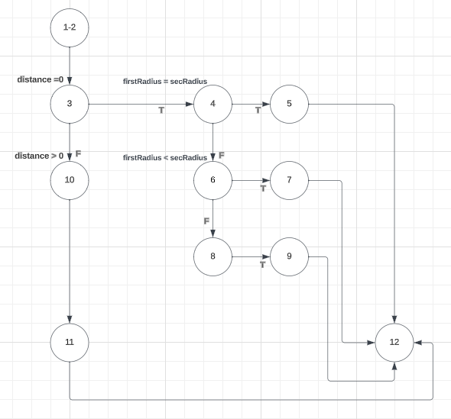
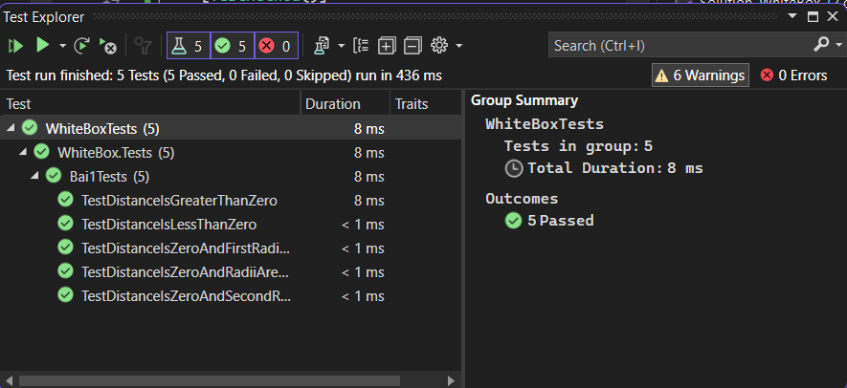
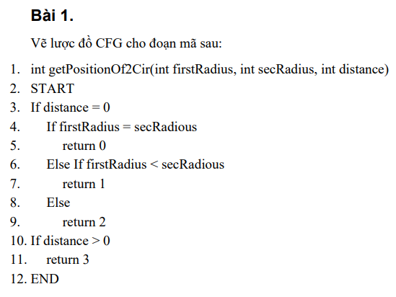
# | Condition | Input |  |  | Line number excuted | Expected | Assert
 |  | firstRadius | secRadius | distance
1 | distance = 0 , firstRadius = secRadius | 5 | 5 | 0 | 1-2, 3, 4, 5, 12 | 0 | 0
2 | distance = 0 , firstRadius < secRadius | 3 | 5 | 0 | 1-2, 3, 4, 6, 7, 12 | 1 | 1
3 | distance = 0 , firstRadius > secRadius | 7 | 5 | 0 | 1-2, 3, 4, 6, 8, 9, 12 | 2 | 2
4 | distance > 0 | 5 | 5 | 10 | 1-2, 3,10, 11,12 | 3 | 3

Bài 2
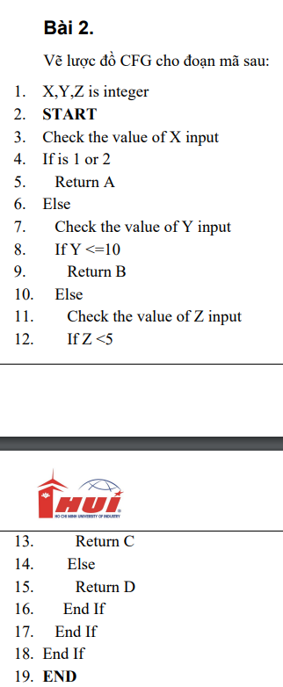

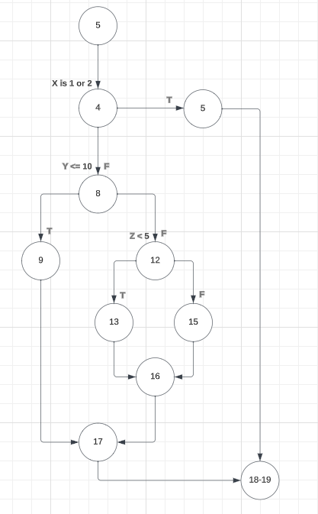
1-3

Bài 3
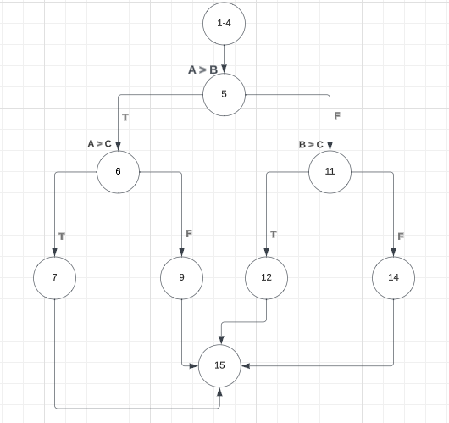
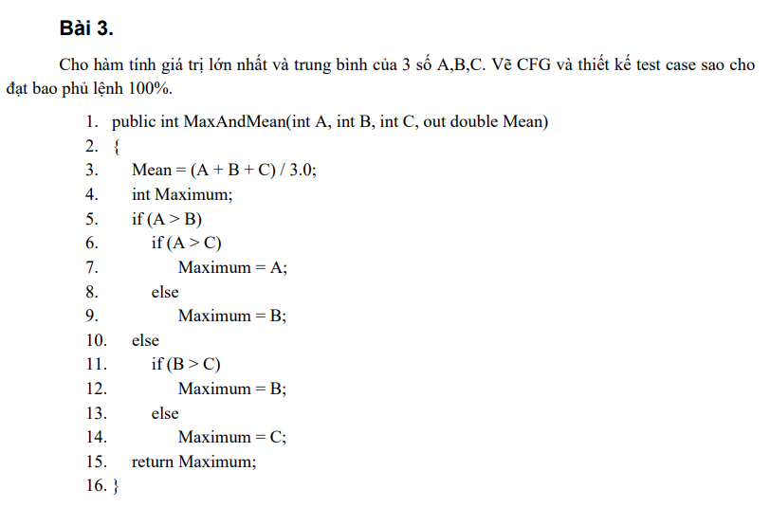

# | Condition | Input |  |  | Line number excuted | Expected
 |  | A | B | C |  | Mean | Max
1 | A > B, A <= C | 10 | 5 | 20 | 1-4, 5, 6, 9, 15 | 11.67 | 20
2 | A > B, A > C | 10 | 5 | 30 | 1-4, 5, 6, 7, 15 | 15 | 30
3 | A <= B, B > C | 5 | 20 | 3 | 1-4, 5, 11, 12, 15 | 9.33 | 20
4 | A <= B, B <= C | 5 | 15 | 20 | 1-4, 5, 11, 14, 15 | 11.67 | 20

Bài 4
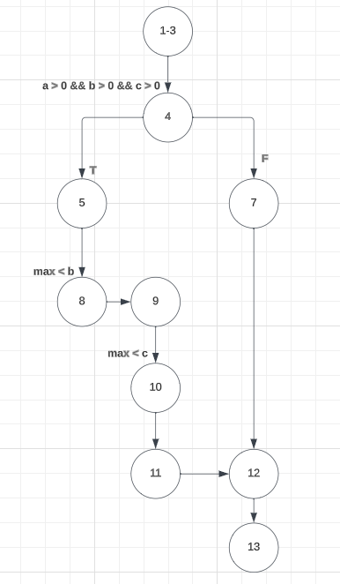
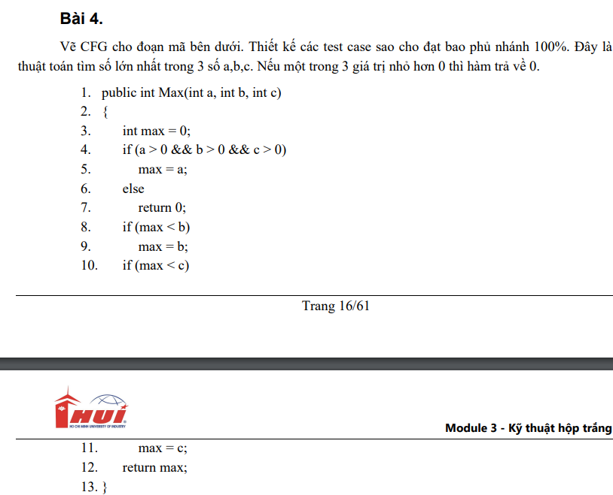

# | Condition | Input |  |  | Line number excuted | Expected
 |  | a | b | c
1 | a>0, b>0, c> 0 | 5 | 7 | 3 | 1-3, 4, 5, 8, 9, 10, 11, 12, 13 | 7
2 | a > 0, b <= 0, c > 0 | 5 | -2 | 3 | 1-4, 7 | 0
3 | a = 0, b = 0, c = 0 | 0 | 0 | 0 | 1-4, 7 | 0
4 | a > 0, b > 0, c > 0 | 10 | 5 | 3 | 1-3, 4, 5, 8, 9, 10, 11, 12, 13 | 10

Bài 5
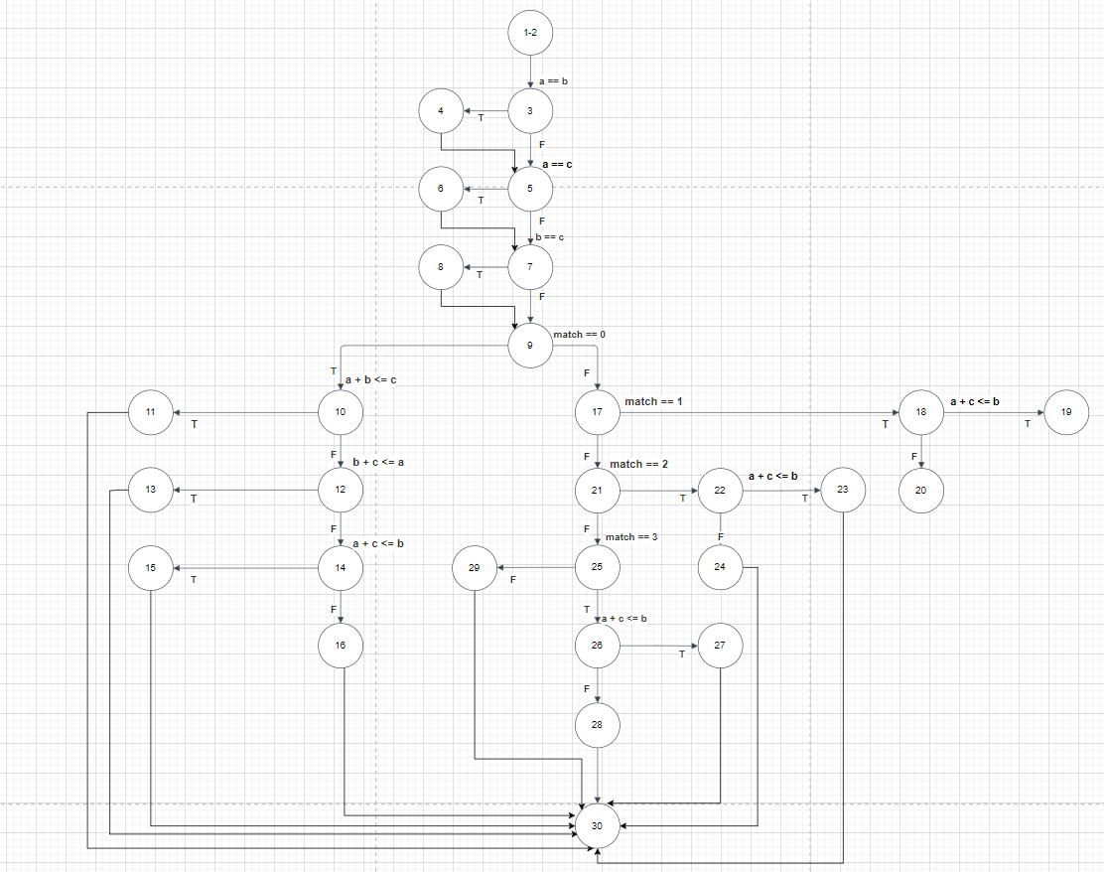
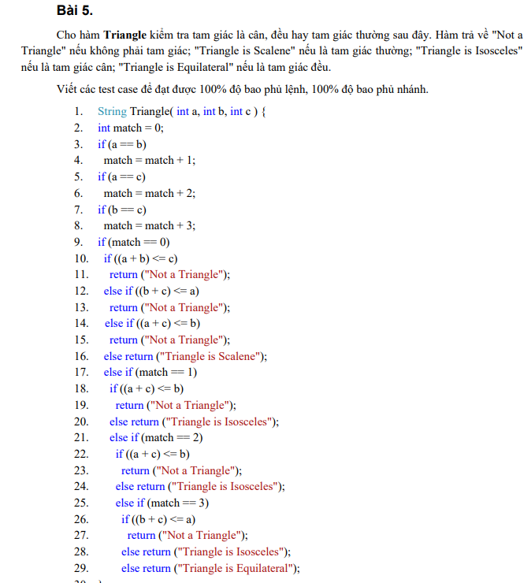

# | Condition | Input |  |  | Line number excuted | Expected | Assert
 |  | a | b | c
1 | a==b, a==c, b==c, match !=0, match !=1, match !=2, match !=3 | 5 | 5 | 5 | 1-2, 3, 4, 5, 6, 7, 8, 9, 17, 21, 25, 29, 30 | Triangle is Equilateral | Triangle is Equilateral
2 | a==b, a !=c, b !=c, match !=0, match==1, a+c <=b | 2 | 2 | 0 | 1-2, 3, 4, 5, 7, 9, 17, 18, 19, 30 | Not a Triangle | Not a Triangle
3 | a==b, a !=c, b !=c, match !=0, match==1, a+c >b | 5 | 5 | 2 | 1-2, 3, 4, 5, 7, 9, 17, 18, 20, 30 | Triangle is Isosceles | Triangle is Isosceles
4 | a !=b, a==c, b !=c, match !=0, match==2, a+c <=b | 4 | 13 | 4 | 1-2, 3, 4, 5, 6, 7, 9, 17, 21, 22, 23, 30 | Not a Triangle | Not a Triangle
5 | a !=b, a==c, b !=c, match !=0, match !=2, a+c >b | 4 | 2 | 4 | 1-2, 3, 4, 5, 6, 7, 9, 17, 21, 22, 24, 30 | Triangle is Isosceles | Triangle is Isosceles
6 | a !=b, a !=c, b==c, match !=0, match !=2, match ==3, a+c <=b | -3 | 4 | 4 | 1-2, 3, 5, 7, 8, 9, 17, 21, 25, 26, 27, 30 | Not a Triangle | Triangle is Isosceles
7 | a !=b, a !=c, b==c, match !=0, match !=2, match ==3, a+c >b | 3 | 5 | 5 | 1-2, 3, 5, 7, 8, 9, 17, 21, 25, 26, 28, 30 | Triangle is Isosceles | Triangle is Isosceles
8 | a !=b, a !=c, b !=c, match ==0, a+b>c, a+c >b, b+c > a | 2 | 5 | 6 | 1-2, 3, 5, 7, 9, 10, 12, 14, 16, 30 | Triangle is Scalene | Triangle is Scalene
9 | a !=b, a !=c, b !=c, match ==0, a+b <=c | 4 | 5 | 12 | 1-2, 3, 5, 7, 9, 10, 11, 30 | Not a Triangle | Not a Triangle
10 | a !=b, a !=c, b !=c, match ==0, a+b > c, b+c <= a | 12 | 4 | 5 | 1-2, 3, 5, 7, 9, 10, 12, 13, 30 | Not a Triangle | Not a Triangle
11 | a !=b, a !=c, b !=c, match ==0, a+b > c, b+c <= a, a+c <= b | 5 | 12 | 4 | 1-2, 3, 5, 7, 9, 10, 12, 14, 15, 30 | Not a Triangle | Not a Triangle

Bài 6
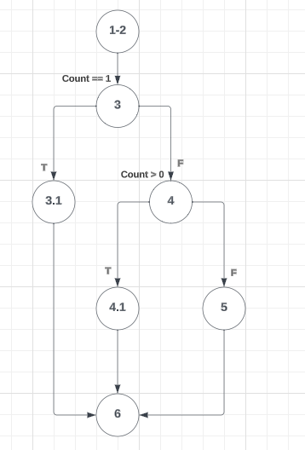


# | Condition | Input |  | Line number excuted | Expected | Assert
 |  | Sum | Count
1 | Count == 1 | 5 | 1 | 1-2, 3.1, 3.2, 6 | 5 | 5
2 | Count !=1; Count > 0 | 10 | 5 | 1-2, 3.1, 4.1, 4.2, 6 | 2 | 2
3 | Count !=1; Count <= 0 | 10 | 0 | 1-2, 3.1, 4.1, 5, 6 | 0 | 0

Bài 7

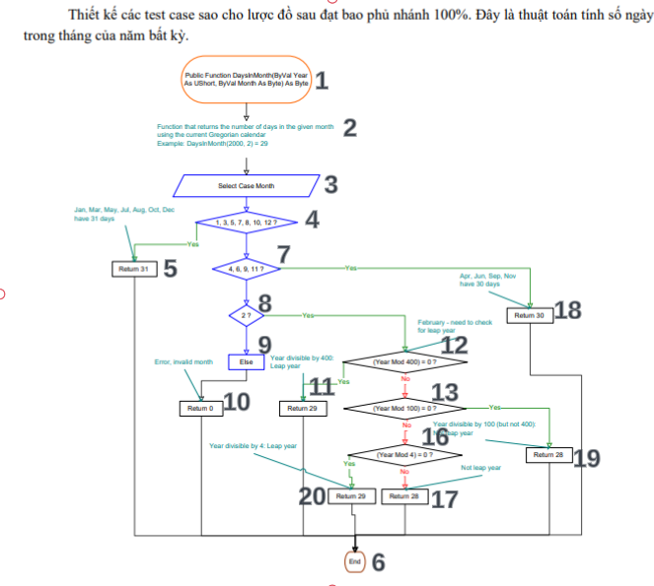
# | Condition | Input |  | Line number excuted | Expected | Assert
 |  | Year | Month
1 | month ϵ[1,3,5,7,8,10,12] | 2023 | 7 | 1,2,3,4,5,6 | 31 | 31
2 | month không thuộc từ tháng 1 đến tháng 12 | 2024 | 14 | 1,2,3,4,7,8,9,10,6 | 0 | 0
3 | month ϵ[4, 6, 9, 11] | 2023 | 6 | 1,2,3,4,7,18,6 | 30 | 30
4 | month = 2; year mod 400 =0 | 2022 | 2 | 1,2,3,4,7,8,12,11,6 | 29 | 28
5 | month =2; year mod 400 !=0; year mod 100 =0 | 1600 | 2 | 1,2,3,4,7,8,12,13,19,6 | 28 | 29
6 | month =2; year mod 400 !=0; year mod 100 !=0, year mod 4 =0 | 1940 | 2 | 1,2,3,4,7,8,12,13,16,20,6 | 29 | 29
7 | month =2; year mod 400 !=0; year mod 100 !=0, year mod 4 !=0 | 2023 | 2 | 1,2,3,4,7,8,12,13,16,17,6 | 28 | 28

Bài 8
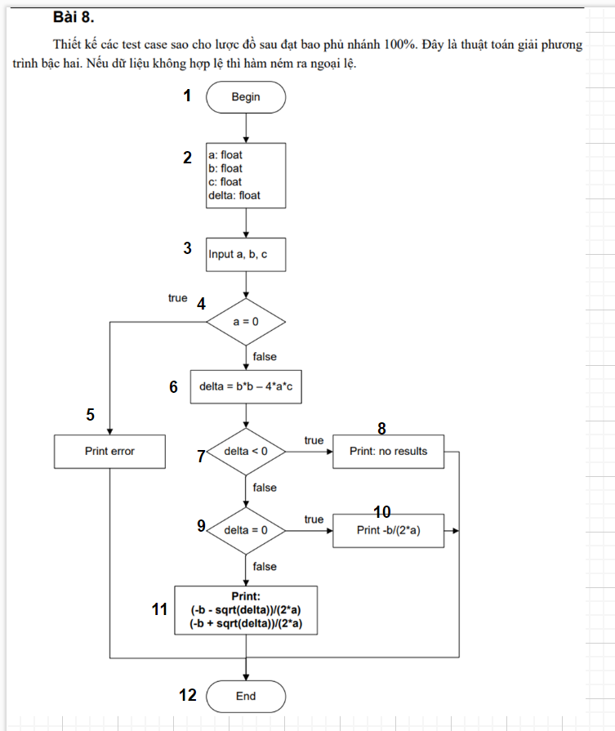

# | Condition | Input |  |  | Line number excuted | Expected
 |  | a | b | c
1 | a = 0 | 0 | 2 | 3 | 1,2,3,4,5,12 | Exception
2 | a != 0, delta < 0 | 1 | 1 | 1 | 1,2,3,4,6,7,8,12 | No results
3 | a != 0, delta = 0 | 1 | -6 | 9 | 1,2,3,4,6,7,9,10,12 | 3
4 | a != 0, delta > 0 | 2 | -7 | 3 | 1,2,3,4,6,7,9,11,12 | 3, 1

Bài 9
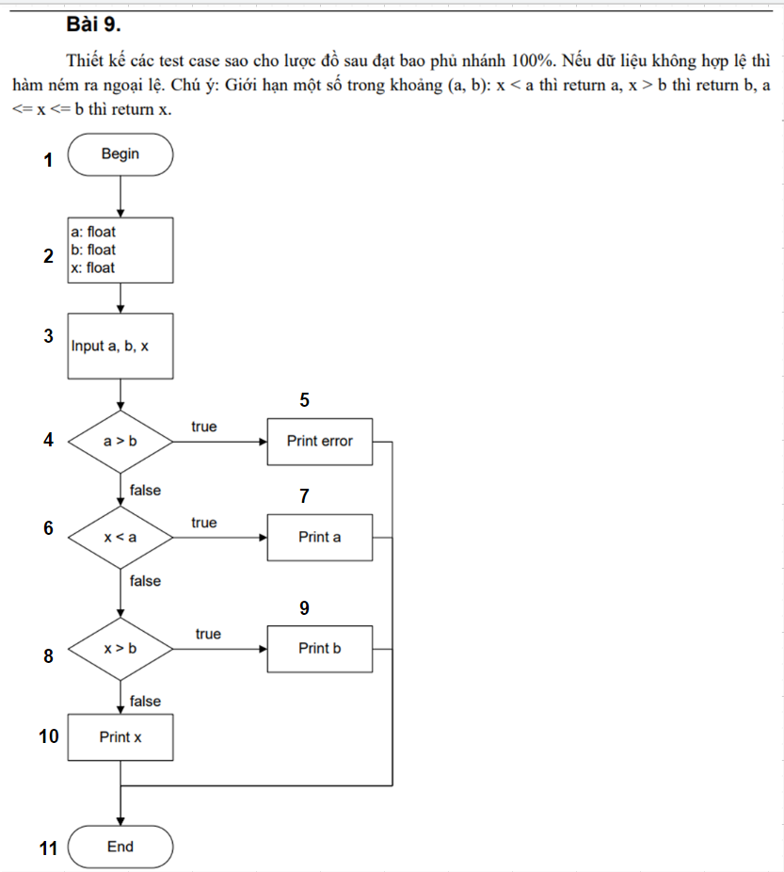
X1 = 3, X2 = 1 | # | Condition | Input |  |  | Line number excuted | Expected | Assert
 |  |  | a | b | x
 | 1 | a =b | 4 | 3 | 2 | 1,2,3,4,5,11 | Exception | Exception
 | 2 | a <= b, x < a | 2 | 3 | 0 | 1,2,3,4,6,7,11 | 2 | System.IO.TextWriter+SyncTextWriter
 | 3 | a<=b, x > b, x >= a | 1 | 4 | 5 | 1,2,3,4,6,8,9,11 | 4 | System.IO.TextWriter+SyncTextWriter
 | 4 | a<=b, x <= b, x >=a | 1 | 4 | 2 | 1,2,3,4,6,8,10,11 | 2 | System.IO.TextWriter+SyncTextWriter

Bài 10
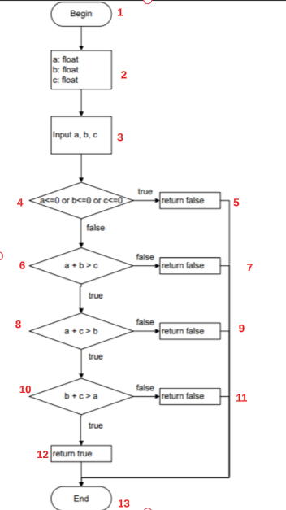
 |  |  |  |  |  |  | Bài 10. Đây là lược đồ mô tả cho chương trình kiểm tra xem 3 số a, b, c có là độ dài của 3 cạnh của một tam giác hay không, nếu có hàm trả về true, ngược lại trả về false. Thiết kế các test case sao cho lược đồ sau đạt bao phủ nhánh 100%.
# | Condition | Input |  |  | Line number excuted | Expected
 |  | a | b | c
1 | a<=0 or b<=0 or c<=0 | -4 | 3 | 5 | 1-4, 5, 13 | FALSE
2 | a>0 or b>0 or c>0, a+b >c, a+c>b, b+c>a | 2 | 3 | 5 | 1-4, 6, 8, 10, 12, 13 | TRUE
3 | a>0 or b>0 or c>0, a+b<=c | 1 | -2 | 2 | 1-4, 6, 7, 13 | FALSE
4 | a>0 or b>0 or c>0, a+b>c, a+c<=b | 1 | 4 | 2 | 1-4, 6, 8, 9, 13 | FALSE
5 | a>0 or b>0 or c>0, a+b>c, a+c>b, b+c<=a | 4 | 1 | 2 | 1-4, 6, 8, 10, 11, 13 | FALSE

Bài 11
 |  |  |  |  |  |  |  |  |  | Bài 11: Cho thuật toán căn giữa ảnh vào cửa sổ trong các chương trình xem ảnh: nếu ảnh lớn hơn cửa sổ, thì ảnh được vẽ theo góc trên trái cửa sổ, nếu ảnh nhỏ hơn cửa sổ thì được căn vào giữa cửa sổ. Nếu dữ liệu không hợp lệ thì hàm ném ra ngoại lệ. Thiết kế các test case sao cho lược đồ sau đạt bao phủ nhánh 100%
# | Condition | Input |  |  |  | Expected |  | Assert
 |  | w | h | ww | wh | x | y | x | y
1 | TestValidAlignment | 10 | 20 | 30 | 40 | 10.0f | 10.0f | 10.0f | 10.0f
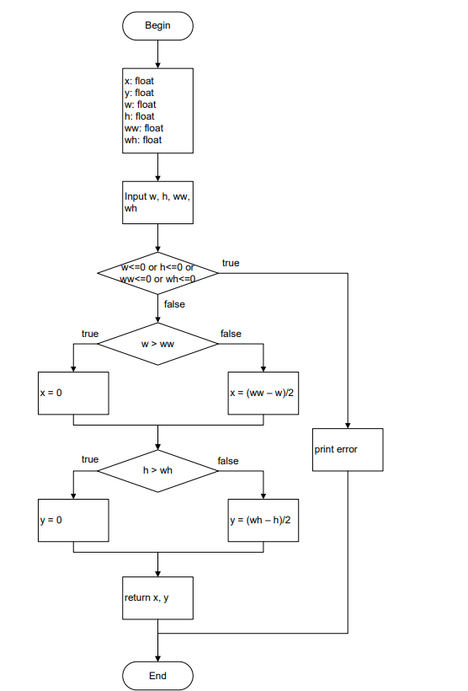
2 | TestInvalidAlignment | -10 | 20 | 30 | 40 | 10.0f | 10.0f | 10.0f | 10.0f
3 | TestAlignLeftAndTop | 10 | 20 | 30 | 40 | 0.0f | 0.0f | 10.0f | 10.0f
4 | TestAlignCenterAndTop | 30 | 20 | 30 | 40 | 0.0f | 10.0f | 0.0f | 10.0f
5 | TestAlignLeftAndMiddle | 10 | 40 | 30 | 40 | 0.0f | 0.0f | 10.0f | 10.0f
6 | TestAlignCenterAndMiddle | 30 | 40 | 30 | 40 | 0.0f | 0.0f | 0.0f | 0.0f
7 | TestZeroWidthAndHeight | 0 | 0 | 30 | 40 | 0.0f | 0.0f | Exception

Bài 12
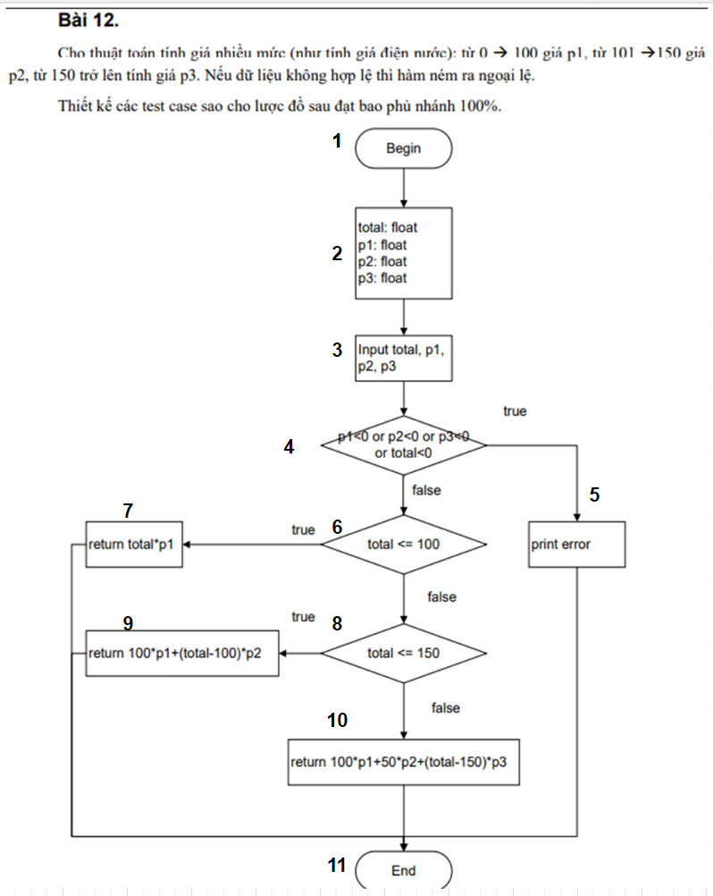
# | Condition | Input |  |  |  | Line number excuted | Expected | Assert
 |  | total | p1 | p2 | p3
1 | p1<0 or p2<0 or p3<0 or total<0 | -10 | 5 | 3 | 2 | 1-4, 5, 11 | print error | print error
2 | p1>=0 or p2>=0 or p3>=0 or total>=0, total <=100 | 80 | 5 | 3 | 2 | 1-4, 6, 7,11 | 400 | 320
3 | p1>=0 or p2>=0 or p3>=0 or total>=0, total >101, total <=150 | 140 | 2 | 3 | 4 | 1-4, 6, 8, 9, 11 | 1100 | 1100
4 | p1>=0 or p2>=0 or p3>=0 or total>=0, total >101, total >151 | 180 | 5 | 3 | 2 | 1-4, 6,8,10, 11 | 710 | 710

Bài 13
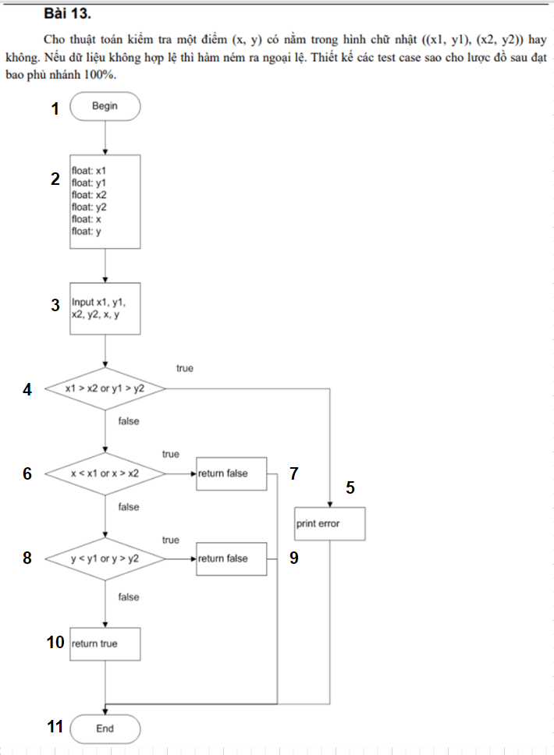
# | Condition | Input |  |  |  |  |  | Line number excuted | Expected | Assert
 |  | x1 | y1 | x2 | y2 | x | y
1 | x1>x2 or y1>y2 | 5 | 10 | 3 | 7 | -1 | 2 | 1-3, 4, 5, 11 | Exception | Exception
2 | x1<=x2 or y1<=y2, x<x1 or x>x2 | 5 | 10 | 10 | 7 | 11 | 8 | 1-3, 4, 6, 7, 11 | FALSE | FALSE
3 | x1<=x2 or y1<=y2, x>=x1 or x<=x2, y>=y1 or y<=y2 | 5 | 10 | 10 | 7 | 8 | 5 | 1-3, 4, 6, 8, 10, 11 | TRUE | TRUE
4 | x1<=x2 or y1<=y2, x>=x1 or x<=x2, y<y1 or y>y2 | 5 | 10 | 10 | 7 | 8 | 15 | 1-3, 4, 6, 8, 9, 11 | FALSE | FALSE

Bài 14
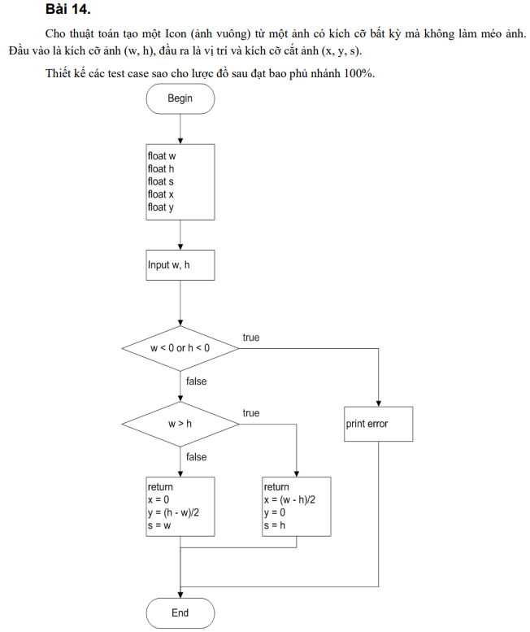
# | Condition | Input |  | Expected |  |  | Assert
 |  | w | h | size | x | y | size | x | y
1 | Square Icon | 100 | 100 | 100 | 0 | 0 | 100 | 0 | 0
2 | Portrait Icon | 100 | 150 | 100 | 0 | 25 | 100 | 0 | 25
3 | Landscape Icon | 200 | 100 | 100 | 50 | 0 | 100 | 50 | 0
4 | Negative Width | -100 | 100 | Exception |  |  | Exception
5 | Negative Height | 100 | -100 | Exception |  |  | Exception

Bài 15
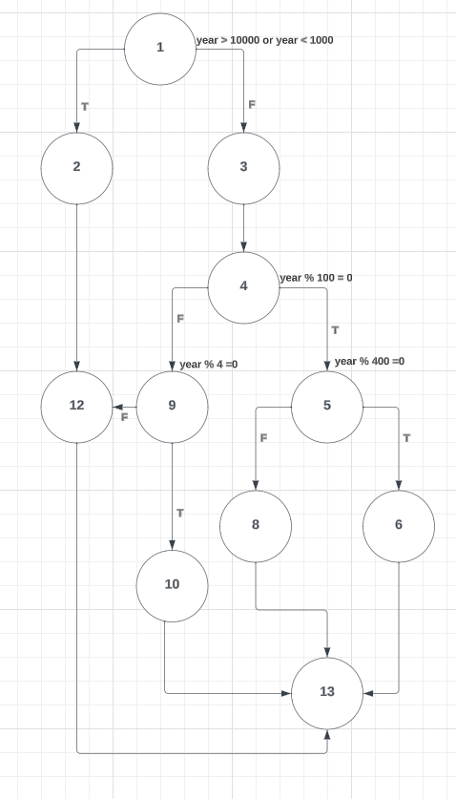
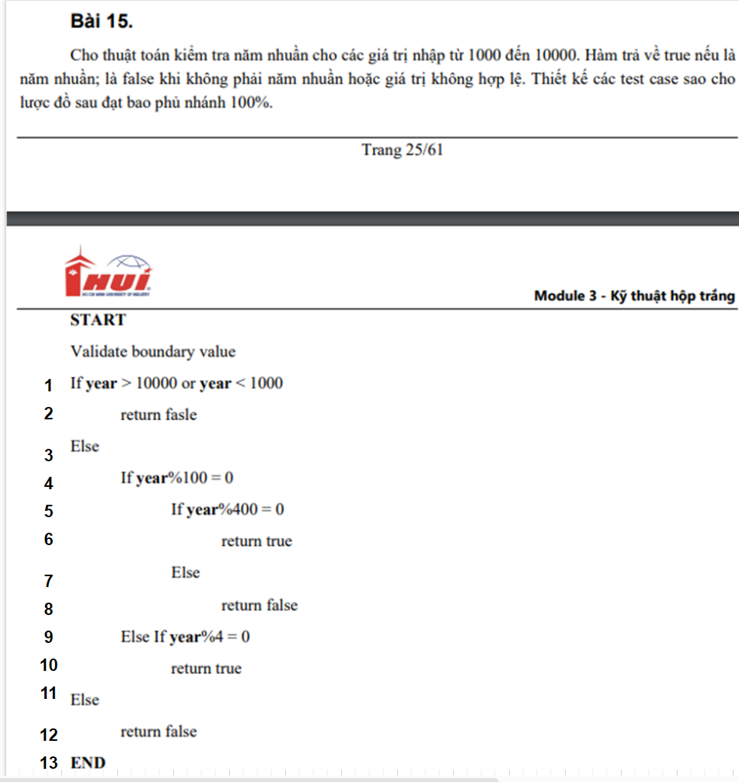
# | Condition | Input | Line number excuted | Expected | Assert

1 | year % 4 == 0, year % 100 != 0 | 2024 | 1,3,4,9,10,13 | TRUE | TRUE
2 | year % 100 == 0, year % 400 == 0 | 2000 | 1,2,4,5,6,13 | TRUE | TRUE
3 | year % 4 != 0 | 2022 | 1,3,4,9,12,13 | FLASE | FLASE
4 | year % 100 == 0, year % 400 != 0 | 5000 | 1,2 ,4,8,9,10,12 | TRUE | TRUE
5 | year > 10000 | 10001 | 1,2,12,13 | FLASE | FLASE
6 | year < 1000 | 999 | 1,2,12,13 | FLASE | FLASE

Bài 16
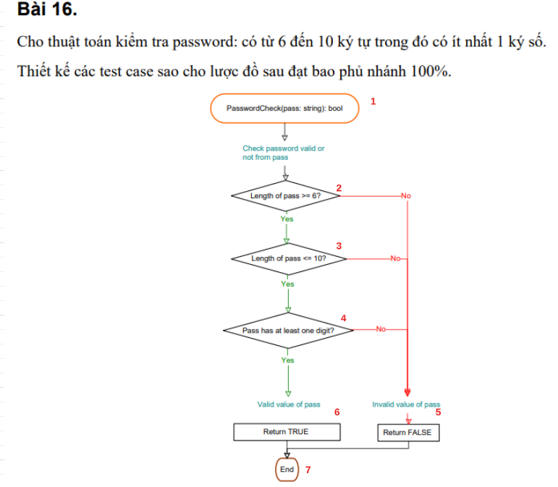
# | Condition | Input | Line number excuted | Expected | Assert
 |  | pass
1 | pass < 6 | Xxxx0 | 1,2,5,7 | TRUE | FALSE
2 | pass >= 6 , pass > 10 | Xxxxxxxxxxxxx0 | 1,2,3,5,7 | FALSE | FALSE
3 | pass >= 6 , pass <= 10 , pass at one digit | xxxx0000 | 1,2,3,4,6,7 | FALSE | TRUE
4 | pass >= 6 , pass <= 10 , pass hass at one | xxxxxxxx | 1,2,3,4,5,7 | FLASE | FLASE

Bài 17
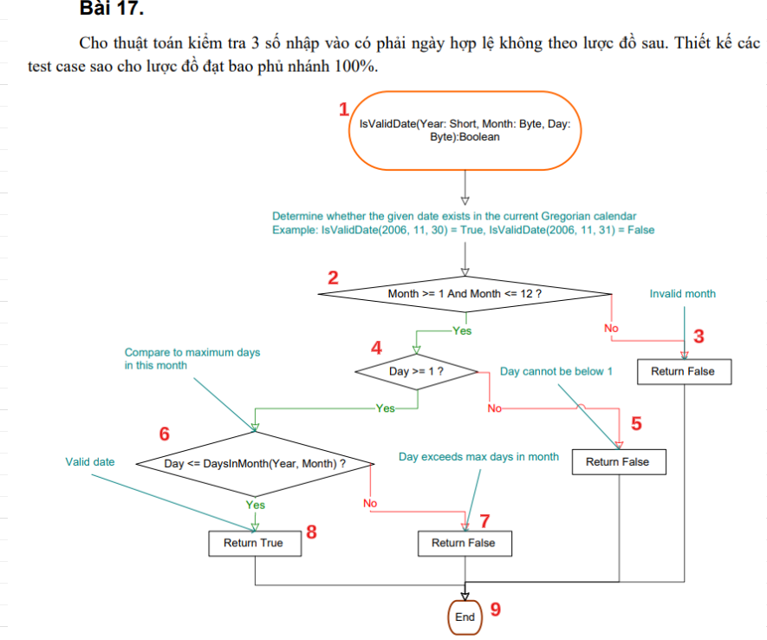
# | Condition | Input |  |  | Line number excuted | Expected | Assert
 |  | short | month | day
1 | Invalid Month | 2023 | 0 | 20 | 1,2,3,9 | FALSE | FALSE
2 | Day cannot be below 1 | 2023 | 7 | 0 | 1,2,4,5,9 | FALSE | FALSE
3 | Day exceeds maximum days in a month | 2023 | 10 | 32 | 1,2,4,6,7,9 | FALSE | FALSE
4 | Valid Date | 2023 | 7 | 7 | 1,2,4,6,8,9 | TRUE | TRUE

Bài 18
# | Condition | Input | Line number excuted | Expected | Assert

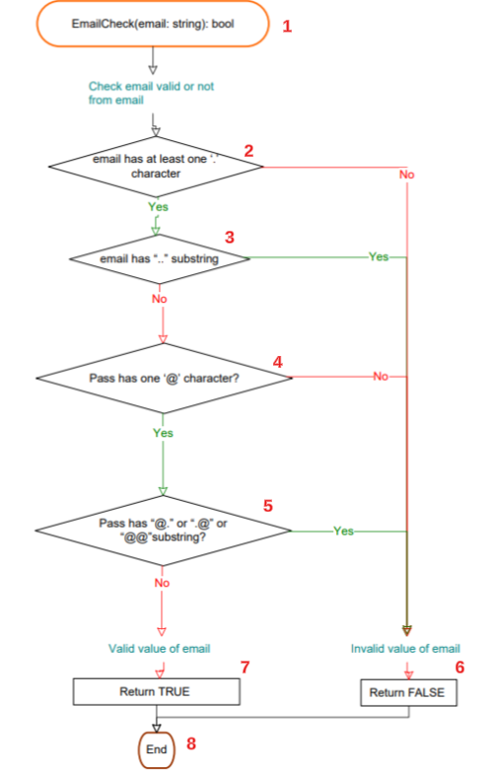
1 | Email không chứa bất kỳ ký tự nào. | "" | 1,2,6,8 | FALSE | FALSE
2 | Valid Email | user@example.com | 1,2,3,4,5,7,8 | TRUE | TRUE
3 | Invalid Email Without At Symbol | userexample.com | 1,2,3,4,6,8 | FALSE | FALSE
4 | Invalid Email With Double Dots | user@example..com | 1,2,3,5,7,8 | FALSE | FALSE
5 | Invalid Email With Invalid Characters | user@exa@mple..com | 1,2,3,5,6,8 | FALSE | FALSE

Bài 19
# | Condition | Input |  | Line number excuted | Expected | Expected
 |  | Height | Weghit
1 | heigh ≤ 0. | 0 | 150 | 1,2,3,6,12 | -1 | -1
2 | heigh > 0, weight ≤ 0. | 180 | -50 | 1,2,4,5,7,9,12 | -1 | -1
3 | Under weight | 180 | 55 | 1,2,4,5,7,9,12 | 2 | 2
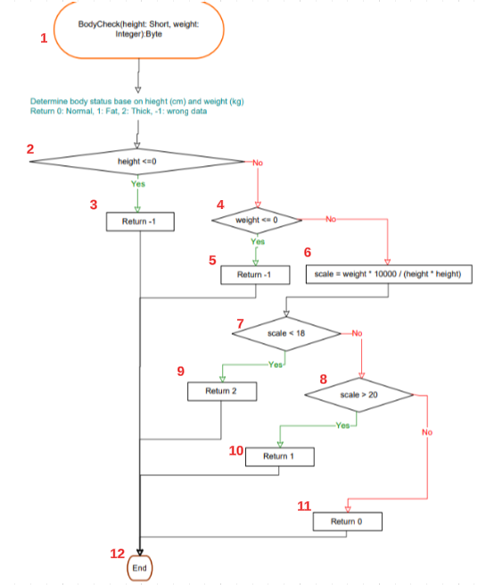
4 | Over weight | 160 | 80 | 1,2,4,5,7,8,10,13 | 1 | 2
5 | Normal Weight | 170 | 70 | 1,2,4,5,7,8,11,12 | 0 | 2

Bài 20
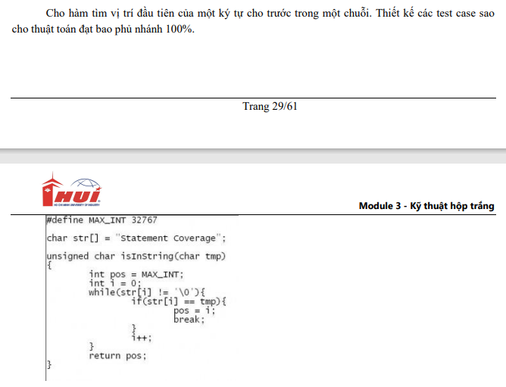

# | Condition | Input |  | Expected | Expected
 |  | tmp | str
1 | str = "" , tmp | "a" | "" | 32767 | 32767
2 | str chứa ký tự tmp ở vị trí cuối cùng | "e" | "xample" | 6 | 5
3 | str không chứa ký tự tmp | "z" | "example" | 32767 | 32767
4 | str chứa ký tự tmp | "a" | "example" | 0 | 2

