dandekar_data
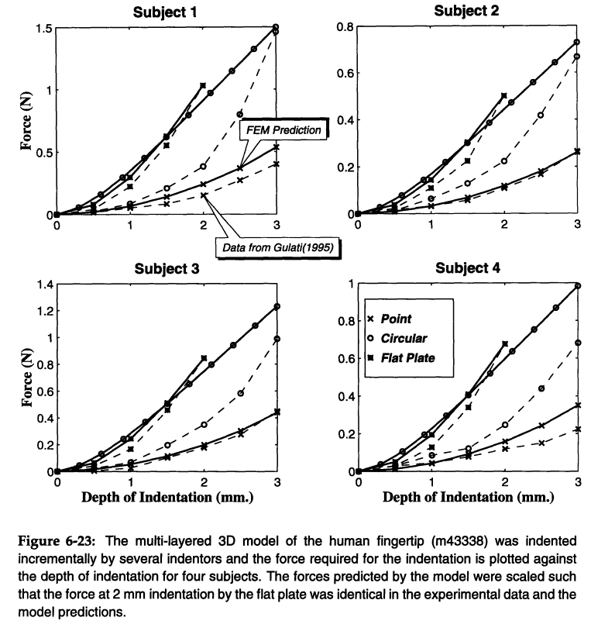
Subject #1
Subject #2
 | Point
 | Subject #1 | Subject #2 | Subject #3 | Subject #4
Displ. (mm) | Force (N) | Force (N) | Force (N) | Force (N)
0 | 0.000 | 0.000 | 0.000 | 0.000
0.5 | 0.019 | 0.011 | 0.005 | 0.013
1 | 0.055 | 0.034 | 0.024 | 0.044
1.5 | 0.088 | 0.060 | 0.100 | 0.079
2 | 0.158 | 0.110 | 0.180 | 0.120
2.5 | 0.279 | 0.169 | 0.277 | 0.152
3 | 0.407 | 0.266 | 0.444 | 0.227

 | Circular
 | Subject #1 | Subject #2 | Subject #3 | Subject #4
Displ. (mm) | Force (N) | Force (N) | Force (N) | Force (N)
0 | 0.000 | 0.000 | 0.000 | 0.000
0.5 | 0.027 | 0.017 | 0.022 | 0.032
1 | 0.088 | 0.065 | 0.066 | 0.087
1.5 | 0.210 | 0.128 | 0.193 | 0.123
2 | 0.386 | 0.224 | 0.350 | 0.248
Subject #3
Subject #4
2.5 | 0.808 | 0.420 | 0.584 | 0.444
3 | 1.475 | 0.673 | 0.994 | 0.687

 | Flat Plate
 | Subject #1 | Subject #2 | Subject #3 | Subject #4
Displ. (mm) | Force (N) | Force (N) | Force (N) | Force (N)
0 | 0.000 | 0.000 | 0.000 | 0.000
0.5 | 0.043 | 0.023 | 0.045 | 0.037
1 | 0.227 | 0.110 | 0.168 | 0.130
1.5 | 0.557 | 0.225 | 0.458 | 0.341
2 | 1.039 | 0.504 | 0.848 | 0.683

