MVCとソース対応関係
MVCでは、プログラムを3つの要素、Model（モデル）、View（ビュー）、Controller（コントローラ）に分割する。
 | ソース：
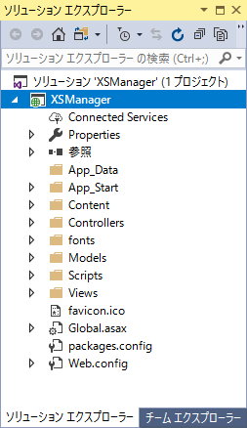

model: アプリケーションデータ、ビジネスルール、ロジック、関数

view: グラフや図などの任意の情報表現

controller: 入力を受け取りmodelとviewへの命令に変換する

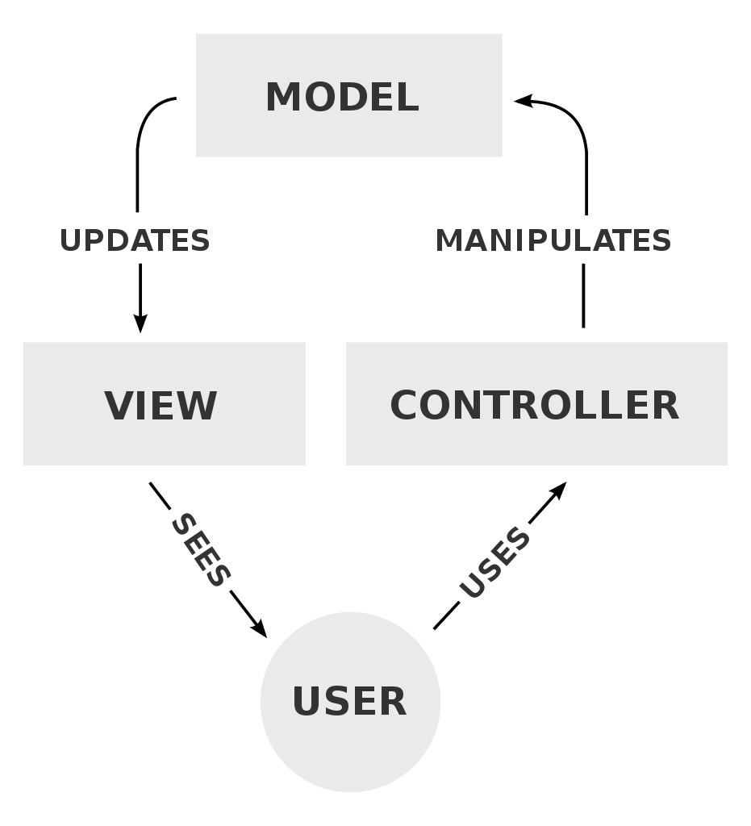

参照：https://ja.wikipedia.org/wiki/Model_View_Controller

必要な設定
DB接続
\Web.config
<connectionStrings>
<add name="XxxxContext" connectionString="Data Source=RE-PC\SQLEXPRESS;Initial Catalog=xxxxx;User ID=sa;Password=xxxxxxxxx" providerName="System.Data.SqlClient" />
</connectionStrings>

最初表示画面の変更
\App_Start\RouteConfig.cs
routes.MapRoute(
name: "Default",
url: "{controller}/{action}/{id}",
defaults: new { controller = "Login", action = "Index", id = UrlParameter.Optional }
);

ViewModel.cs
実装手順へ

1 | Models/XxxxxViewModel.cs
 |  | ViewsとControlsが同じViewModelを使用する

[Display(Name = "名前：")]
public string Name { get; set; }

using System.ComponentModel.DataAnnotations;
namespace XSManager.Models
{
public class CreateViewModel
{
[Display(Name = "名前：")]
[Required]
public string Name { get; set; }
......
}
}

Index.cshtml
実装手順へ

2 | Views/Xxxxx/Index.cshtml

@model XSManager.XxxxxxModels.ViewModel
......
@Html.LabelFor(m => m.Id, new { @class = "col-md-2" })
@Html.TextBoxFor(m => m.Id, new { @class = "col-md-4" })
......
<input name="Update" class="btn btn-primary btn-lg col-md-4" type="submit" value="更新" />

@model XSManager.Models.XｘｘViewModel
@{
Layout = null;
}
<!DOCTYPE html>
<html>
<head>
<title>Xxx画面</title>
<meta charset="utf-8" />
<link rel="stylesheet" href="Content/bootstrap.min.css">
<script src="Scripts/jquery-3.3.1.slim.min.js"></script>
<script src="Scripts/bootstrap.min.js"></script>
</head>
<body>
<div class="container">
@using (Html.BeginForm(
"Index",
"List",
null,
FormMethod.Post,
new { enctype = "multipart/form-data" }))
{
<div class="form-group">
<div class="row">
<div class="pull-left">
@Html.LabelFor(m => m.Position, new { @class = "col-md-3" })
@Html.TextBoxFor(m => m.Position, new { @class = "col-md-3", @maxlength = 20 })
<input name="Search" class="btn btn-lg btn-primary" type="submit" value="検索" />
</div>
<div class="pull-right">
<input name="New" class="btn btn-primary btn-lg" type="submit" value="新規登録" />
</div>
</div>
</div>
<table id="employeeTable" class="display" style="width:100%"></table>
<fotter class="footer navbar-fixed-bottom">
... ...
</fotter>
}
</div>
<script language="javascript" type="text/javascript">
......
</script>
</body>
</html>

DBTableModel.cs
実装手順へ

3 | Models/XxxDBTableModel.cs

[Key]
[MaxLength(10)]
public string Id { get; set; }

using System.ComponentModel.DataAnnotations;
namespace XSManager.Models
{
public class EmployeeModel
{
[Key]
[MaxLength(10)]
public string Id { get; set; }
......
}
}

Context.cs
実装手順へ

4 | Models/XxxContext.cs

public DbSet<DBXxxTable> XxxLists{ get; set; }

using System;
using System.Collections.Generic;
using System.Linq;
using System.Web;
using System.ComponentModel.DataAnnotations;
using System.Data.Entity;
namespace XSManager.Models
{
public class MyContext : DbContext
{
public DbSet<EmployeeModel> Employees { get; set; }
......
}
}

Controller.c
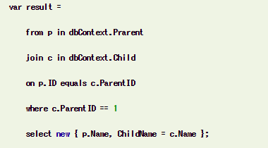
実装手順へ

5 | Controlles/XxxxxxController.cs

public ActionResult Index()
{
......
return View(new XxxxxViewModel());
}

[HttpPost]
public ActionResult Index(CreateViewModel m)
{
if (!ModelState.IsValid)
{
ViewData["Message"] = "モデルエラーが発生しました！！！";
return View(m);
}
try
{
// usingステートメントで自動開放(Disposeの代替)
using (var context = new MyContext())
{
INSERT/DELETE/UPDATE/SELECT
}
}
catch (Exception)
{
ViewData["Message"] = "エラーが発生しました！！！";
}
return View(m);
}
 |  | EntityFramework
 |  |  | INSERT
 |  |  |  | context.Employees.Add(new EmployeeModel
 |  |  |  | {
 |  |  |  | Id = m.Id,
 |  |  |  | Name = m.Name,
 |  |  |  | Position = m.Position,
 |  |  |  | StartDate = m.StartDate,
 |  |  |  | }
 |  |  |  | );
 |  |  |  | context.SaveChanges();

 |  |  | DELETE | var employee = context.Employees.Single(x=>x.Id==m.Id);
 |  |  |  | context.Employees.Remove(employee);
 |  |  |  | context.SaveChanges();

 |  |  | UPDATE
 |  |  |  | var employee = context.Employees.Single(x => x.Id == m.Id);
 |  |  |  | employee.Name = m.NewName;
 |  |  |  | employee.Position = m.NewPosition;
 |  |  |  | employee.StartDate = m.NewStartDate;
 |  |  |  | context.SaveChanges();

 |  |  | SELECT
 |  |  |  | var user = context.Users.Where(x => x.Username == m.UserName && x.Password == m.Password);// 条件

 |  |  |  | var employeesList = context.Employees.ToList();// 全件

MyContext context = new MyContext();
try
{
INSERT/DELETE/UPDATE/SELECT
}
catch (Exception)
{
ViewData["Message"] = "エラーが発生しました！！！";
}
finally
{
context.Dispose();
}
 |  |  | JOIN

