Wind_DK
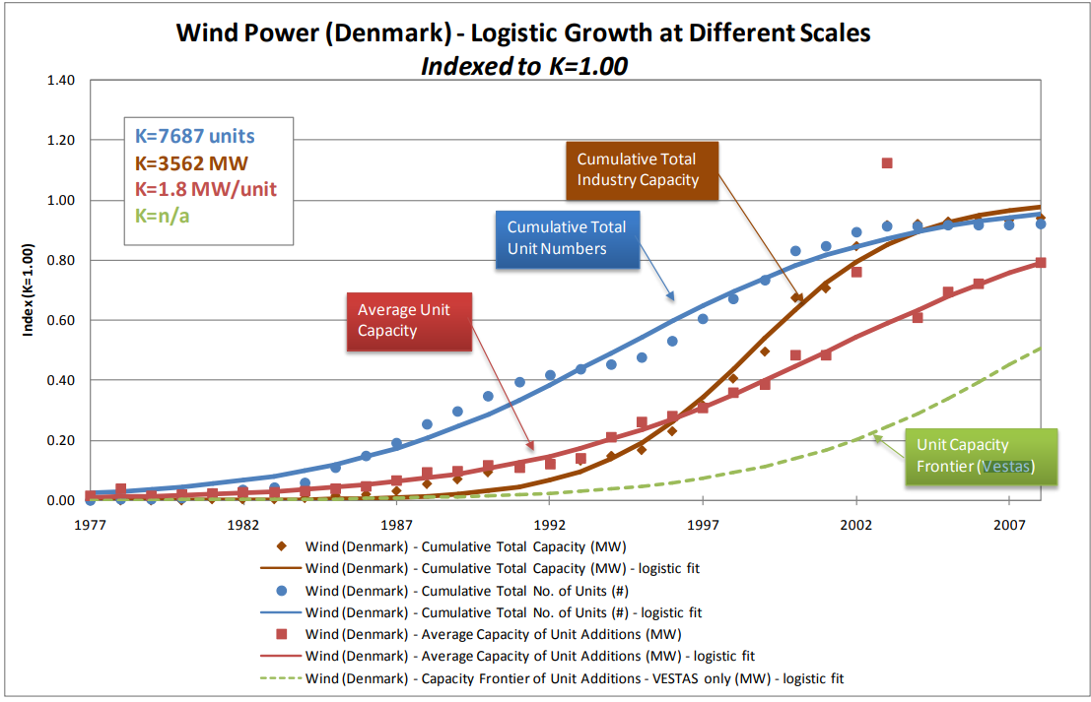
Cumulative Number | Cumulative Capacity | Size | Year | Capex
Unit: | (MW) | (kW/unit) | (n.a.) | (DKK/kW)
154 | 5.5 | 36 | 1981 | 10909
277 | 9.9 | 36 | 1982 | 11075
404 | 14.5 | 36 | 1983 | 11451
807 | 29 | 36 | 1984 | 10811
1120 | 42.5 | 43 | 1985 | 10199
1431 | 60.5 | 58 | 1986 | 9576
1960 | 118.2 | 109 | 1987 | 8485
2239 | 160.9 | 153 | 1988 | 7722
2644 | 228.5 | 167 | 1989 | 7614
2986 | 297.9 | 203 | 1990 | 7928
3235 | 348.4 | 203 | 1991 | 8152
3328 | 368 | 211 | 1992 | 7456
3451 | 396.8 | 234 | 1993 | 7033
3608 | 456.1 | 378 | 1994 | 6644
4043 | 658.8 | 466 | 1995 | 6100
4635 | 951.8 | 495 | 1996 | 5946
5132 | 1222.7 | 545 | 1997 | 6041
5600 | 1519.4 | 634 | 1998 | 5958
6345 | 2034.2 | 691 | 1999 | 5702
6469 | 2140.7 | 859 | 2000 | 5563

