Wind_DK
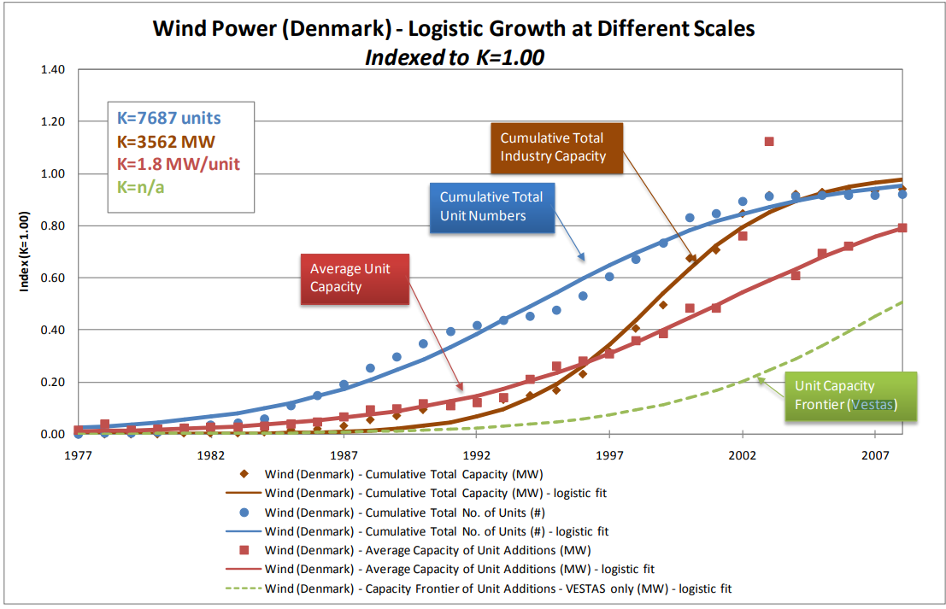
Number | Cumulative Capacity | Size | Year | Capex
Unit: | (MW) | (kW/unit) | (n.a.) | (DKK/kW)
404 | 25 | 36 | 1983 | 11451
807 | 116 | 36 | 1984 | 10811
1120 | 243 | 43 | 1985 | 10199
 |  | Cumulative Capacity |  | Capex
1983 | 404 | 25 | 36 | 11451
1984 | 807 | 116 | 36 | 10811
1985 | 1120 | 243 | 43 | 10199
1986 | 1431 | 212 | 58 | 9576
1987 | 1960 | 88 | 109 | 8485
1988 | 2239 | 102 | 153 | 7722
1992 | 3328 | 166 | 211 | 7456
1993 | 3451 | 210 | 234 | 7033
1994 | 3608 | 386 | 378 | 6644
1995 | 4043 | 574 | 466 | 6100
1996 | 4635 | 726 | 495 | 5946
1997 | 5132 | 968 | 545 | 6041
1998 | 5600 | 1216 | 634 | 5958
1999 | 6345 | 2199 | 691 | 5702
2000 | 6469 | 2100 | 859 | 5563
1431 | 212 | 58 | 1986 | 9576
1960 | 88 | 109 | 1987 | 8485
2239 | 102 | 153 | 1988 | 7722
3328 | 166 | 211 | 1992 | 7456
3451 | 210 | 234 | 1993 | 7033
3608 | 386 | 378 | 1994 | 6644
4043 | 574 | 466 | 1995 | 6100
4635 | 726 | 495 | 1996 | 5946
5132 | 968 | 545 | 1997 | 6041
5600 | 1216 | 634 | 1998 | 5958
6345 | 2199 | 691 | 1999 | 5702
6469 | 2100 | 859 | 2000 | 5563

