Sheet1
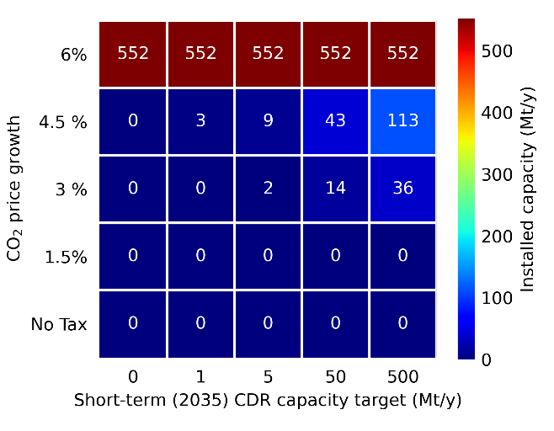
 |  | Ctax
 |  | n | l | m | h | vh
RND | n
 | l
 | m
 | h
 | vh

 | Small scale | Large scale
2025 | 190
2030 | 379.10993349
2035 | 388.77560398
2040 | 733.53852929
2045 | 1384.0343078
2050 | 2611.3842542
2055 | 4927.1377773
2060 | 3718.5927942 | 557.78891913
2070 |  | 4396.6881481
2080 |  | 14168.930285
2090 |  | 2626.5558167
2100 |  | 258.78181177
2110 |  | 1216.4016246

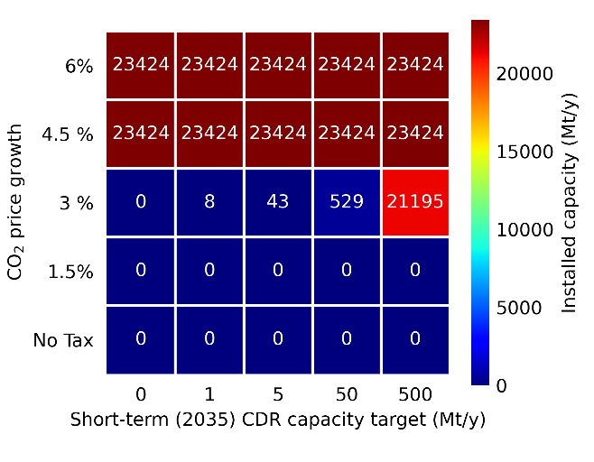
 |  |  | 2025 | 2030 | 2035 | 2040 | 2045 | 2050 | 2055 | 2060 | 2070 | 2080 | 2090 | 2100 | 2110
 | 0.1 | Small scale | 190
 | 1 | Large scale
 |  | Capacity (Mt)

 |  |  | 1.9719876475 | 39.882980997 | 78.760541395 | 152.11439432 | 290.51782511 | 551.65625053 | 1044.3700283 | 1974.0182268 | 6279.3484726 | 19575.210665 | 22247.445433 | 22874.886496 | 24312.018032
 |  |  | 0 | 0 | 0 | 0 | 0 | 0 | 0 | 0 | 91.357902322 | 964.42599496 | 918.7470438 | 550.08779294 | 329.35788146

