Overview
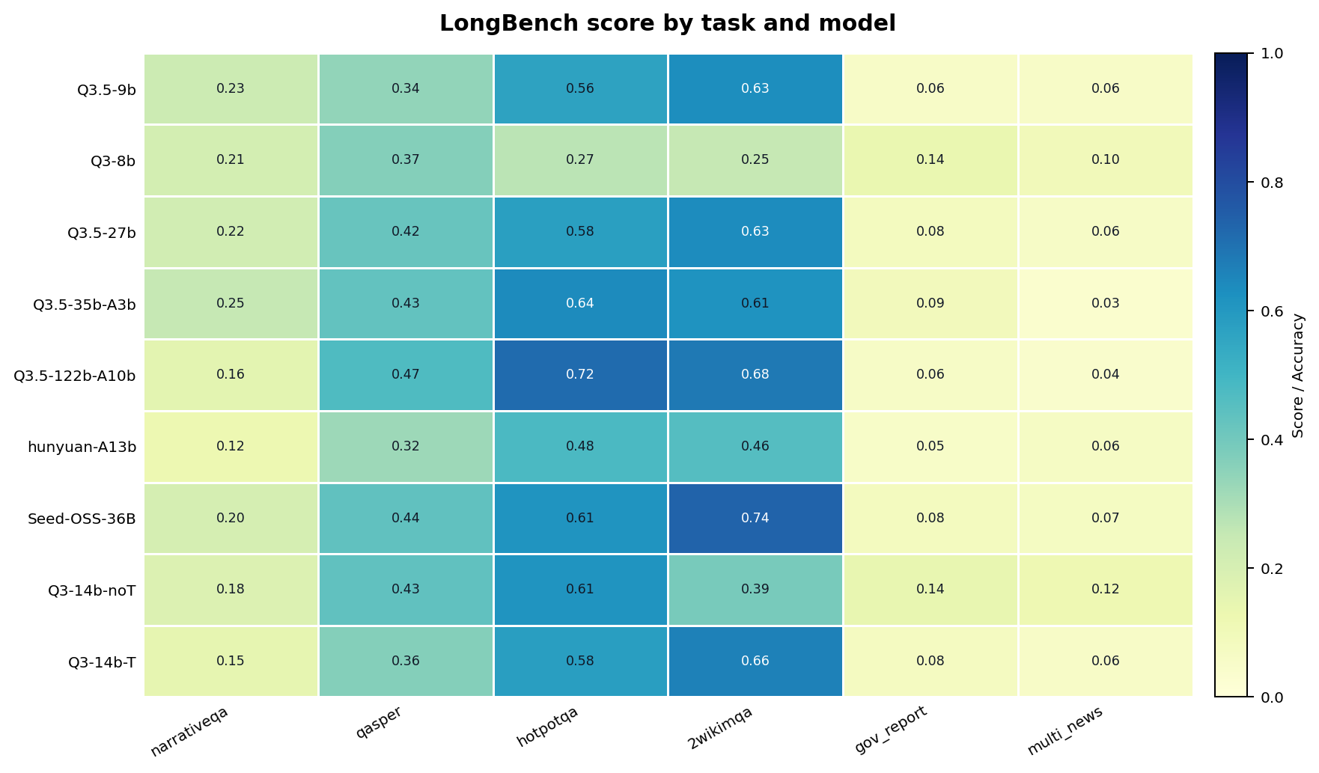
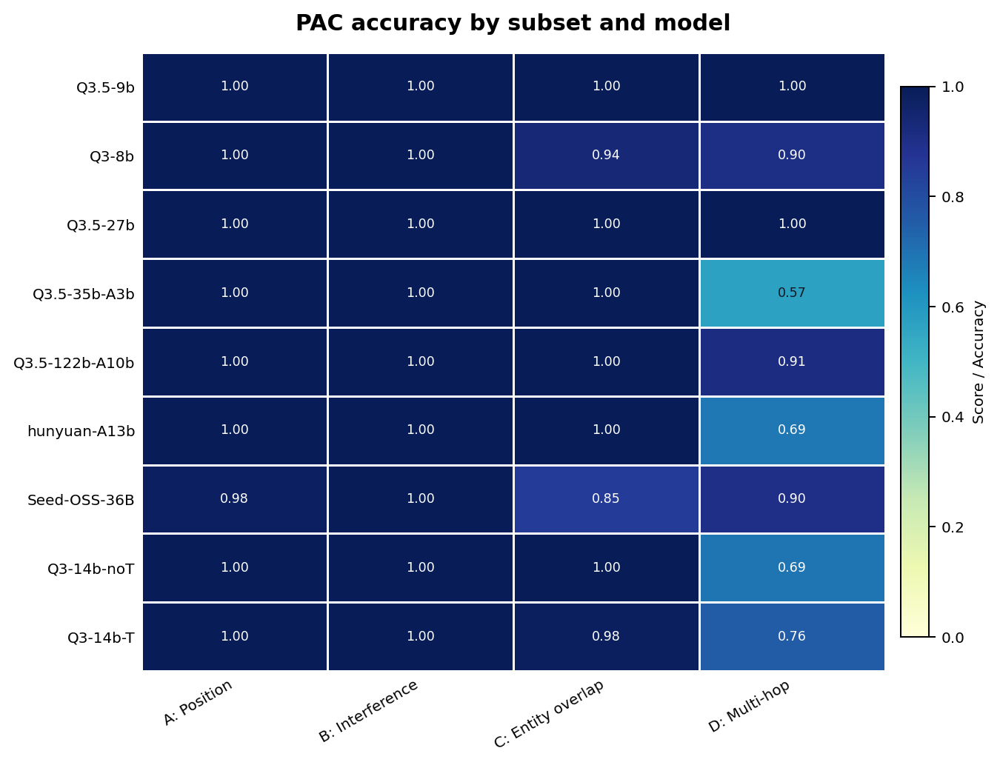
LongBench / PAC Experiment Report

Item | Value | Models | Per-model target | Source | Notes
LongBench | 2700 | 9 | 300 | official_budget_topup_main | Grouped by task and task category
PAC-Test | 5400 | 9 | 600 | official_budget_topup_main | Grouped by A/B/C/D subsets and controlled variables
Generated | 2026-07-06 10:48:38 |  |  | scripts/summarize_longbench_pac.py | CSV and PNG assets are under results/reports/longbench_pac

model | longbench_rows | longbench_score | pac_target_rows | pac_weighted_accuracy
hunyuan_a13b | 300 | 0.246 | 600 | 0.973
qwen35_122b_a10b | 300 | 0.378 | 600 | 0.993
qwen35_27b | 300 | 0.358 | 600 | 1.000
qwen35_35b_a3b | 300 | 0.344 | 600 | 0.932
qwen35_9b | 300 | 0.313 | 600 | 1.000
qwen3_14b_no_thinking | 300 | 0.312 | 600 | 0.980
qwen3_14b_thinking | 300 | 0.380 | 600 | 0.982
qwen3_8b | 300 | 0.224 | 600 | 0.978
seed_oss_36b | 300 | 0.360 | 600 | 0.967

LongBench task heatmap |  |  |  |  |  | PAC subset heatmap

LongBench Charts
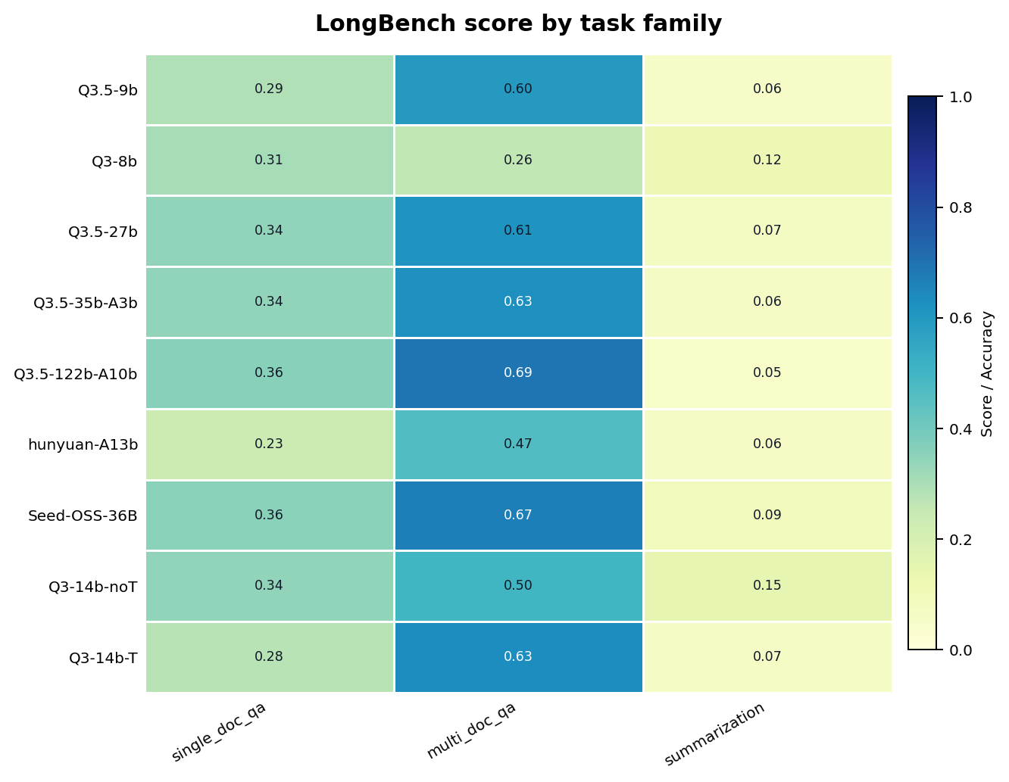
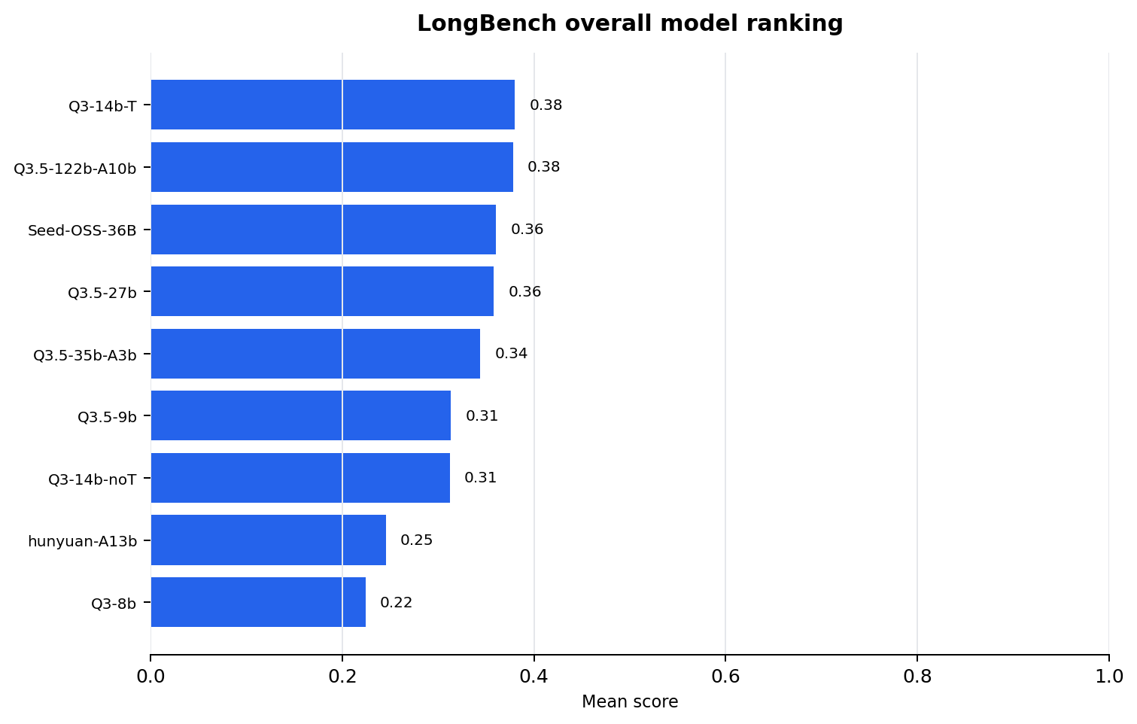
LongBench score by task and model

LongBench score by task category | LongBench model ranking

PAC Overview Charts
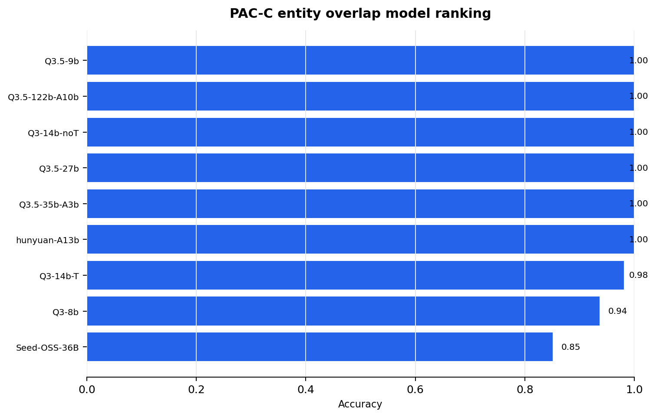
PAC accuracy by subset and model

PAC-C model ranking

PAC A Charts
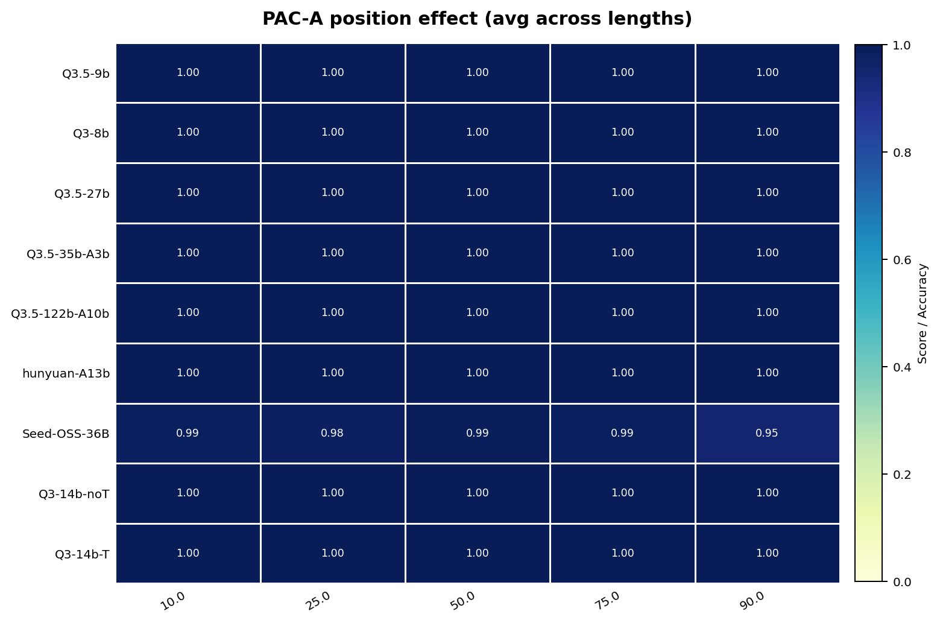
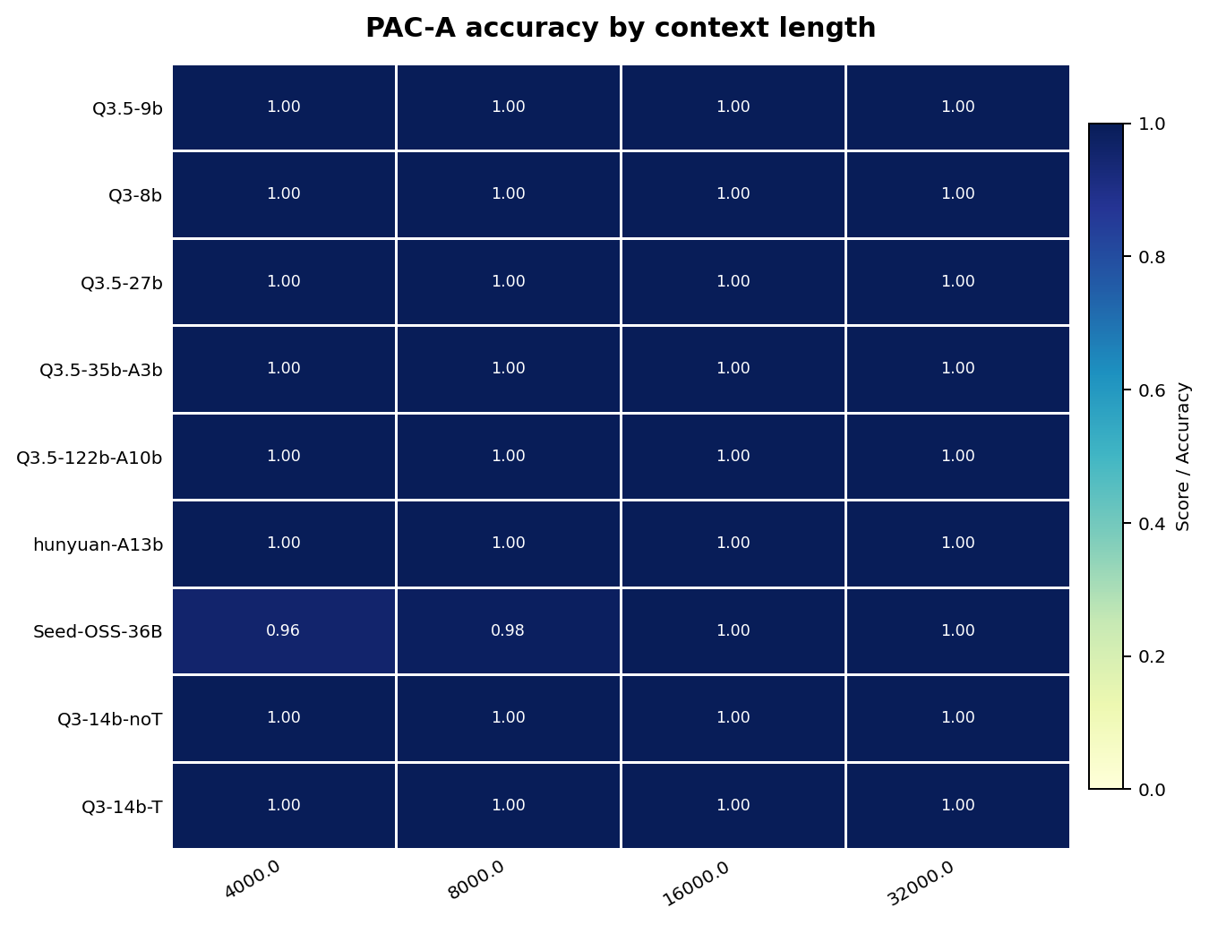
PAC-A position sensitivity | PAC-A length sensitivity

PAC B Charts
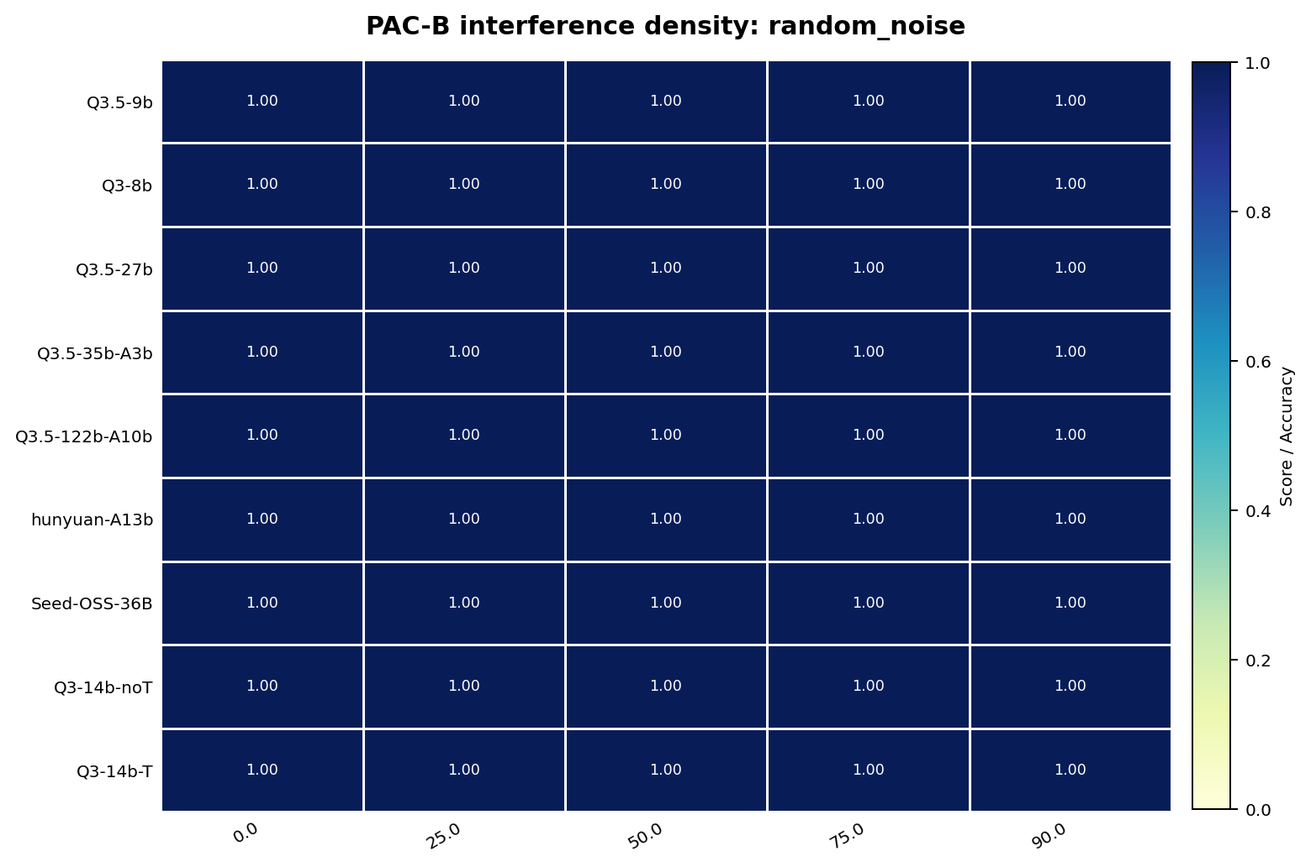
PAC-B in-domain interference | PAC-B out-domain interference
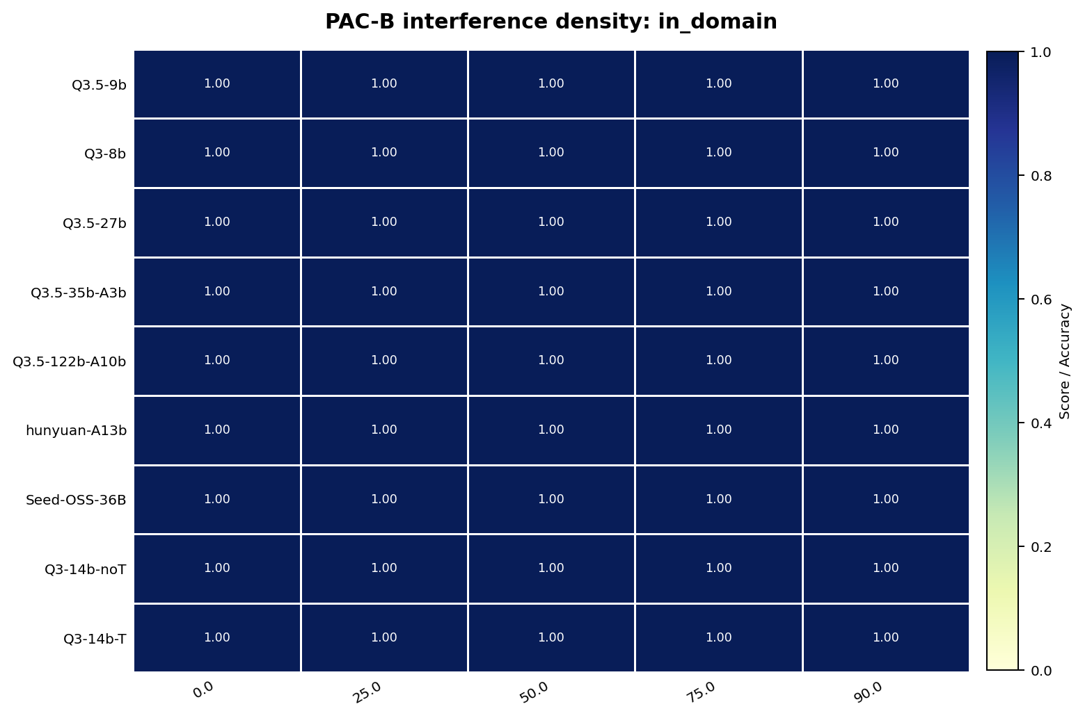
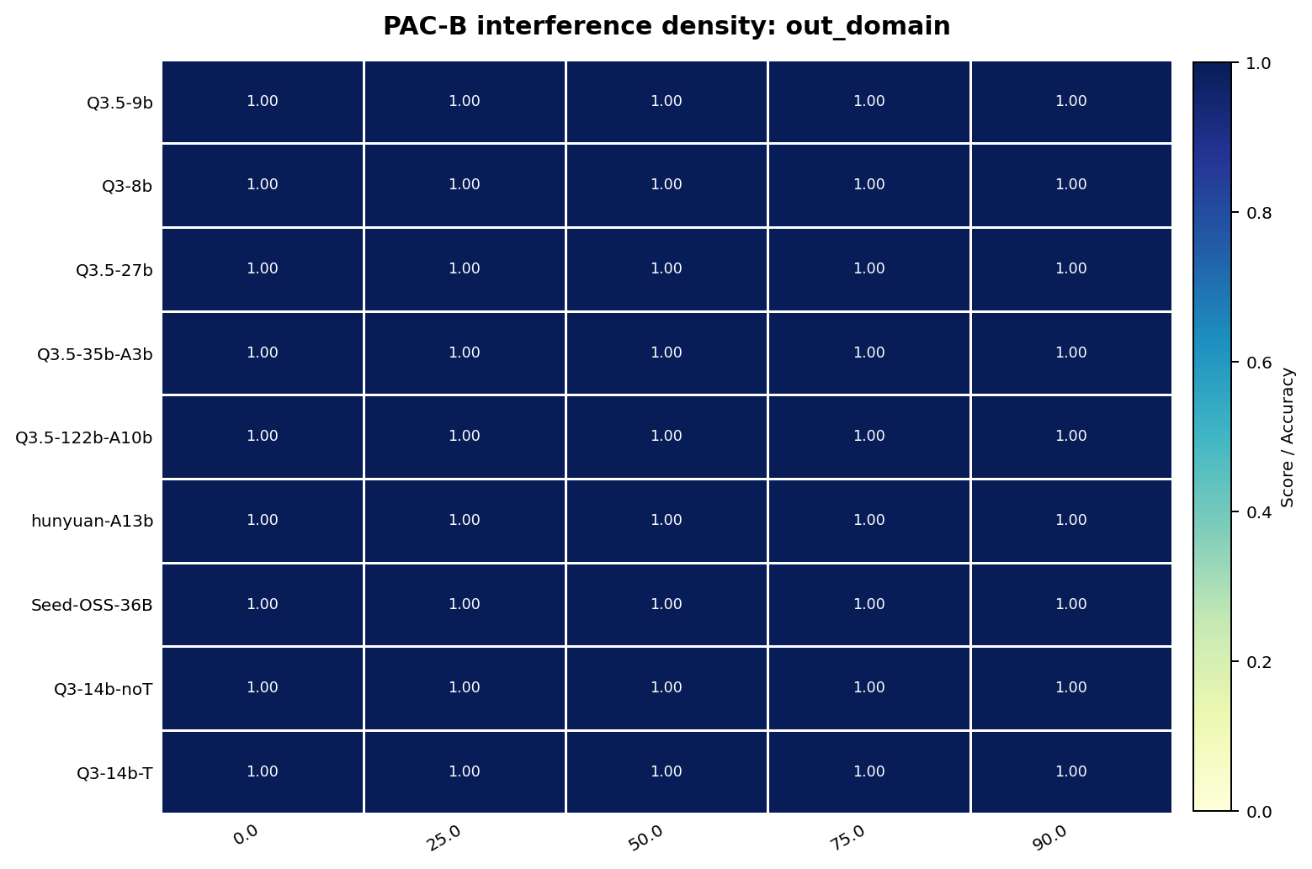

PAC-B random-noise interference

PAC C-D Charts
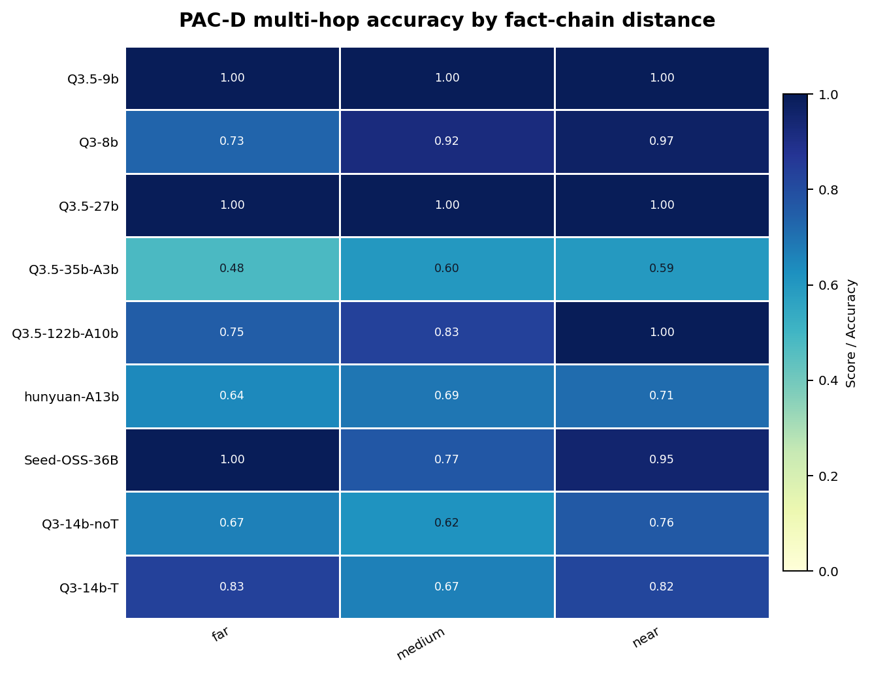
PAC-C entity-overlap conditions | PAC-D hop count
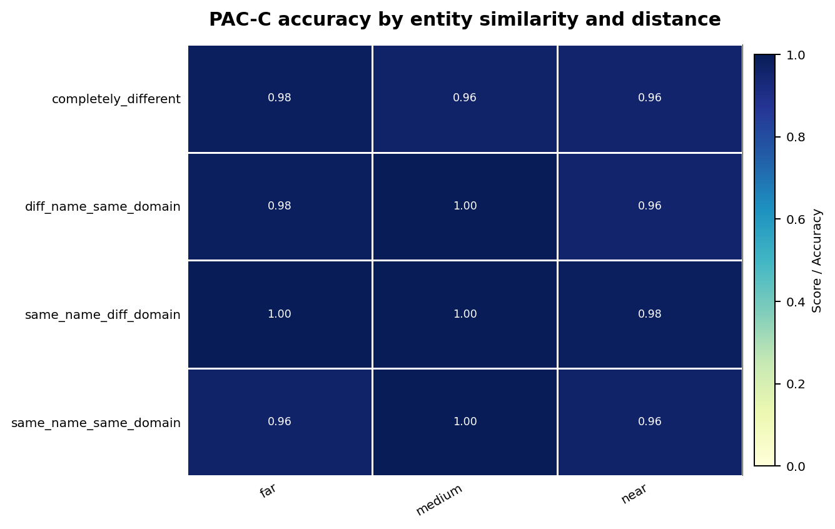
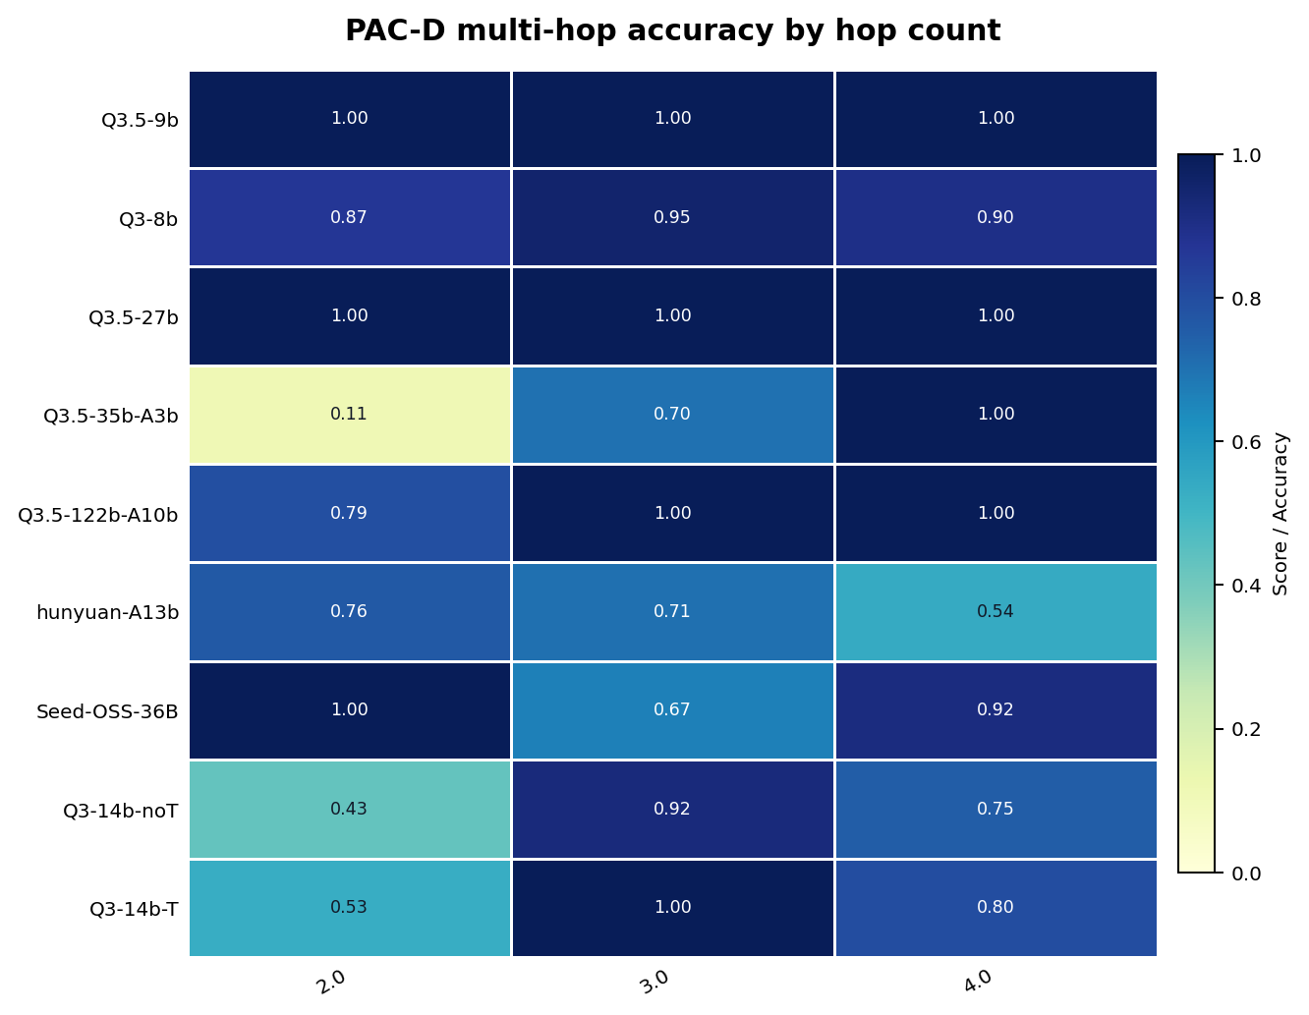

PAC-D hop distance

