Dashboard
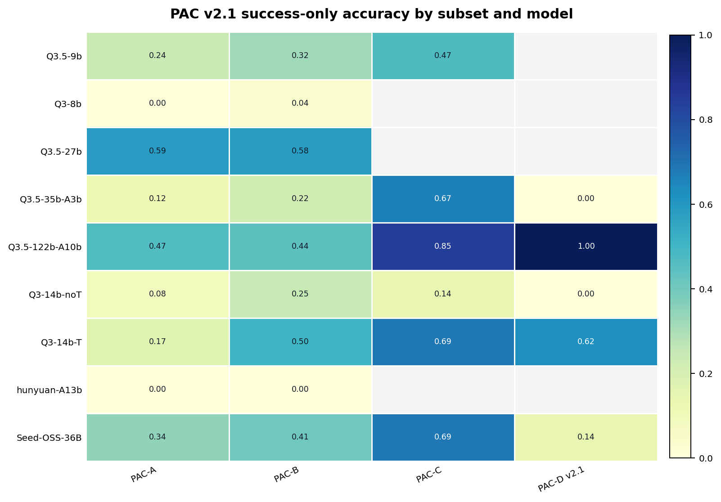
PAC v2.1 Result Summary |  | Key Figures
Generated at | 2026-07-08 09:53:27 | fig_subset_accuracy
Scope | Current PAC v2.1 queue results with coverage-aware metrics
Scoring | accuracy_success excludes API errors; accuracy_all_conservative counts API errors as zero

Figure | Relative path
fig_subset_accuracy | figures\pac_v21_subset_accuracy_heatmap.png
fig_subset_accuracy_all | figures\pac_v21_subset_accuracy_all_heatmap.png
fig_subset_coverage | figures\pac_v21_subset_coverage_heatmap.png
fig_decoy_capture | figures\pac_v21_decoy_capture_heatmap.png
fig_model_ranking | figures\pac_v21_model_ranking_conservative.png
fig_error_profile | figures\pac_v21_error_type_profile.png
fig_pac_a_position | figures\pac_A_position_accuracy_lines.png
fig_pac_b_interference | figures\pac_B_interference_accuracy_lines.png
fig_pac_c_binding | figures\pac_C_binding_capacity_heatmap.png
fig_pac_d_multihop | figures\pac_D_v21_multihop_heatmap.png
fig_field_vs_exact | figures\pac_v21_field_vs_exact_scatter.png

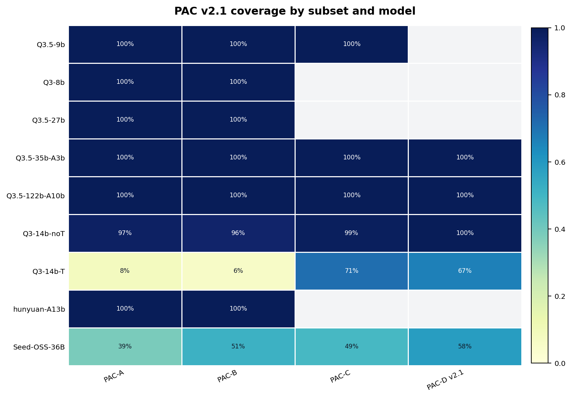
 |  | fig_subset_coverage

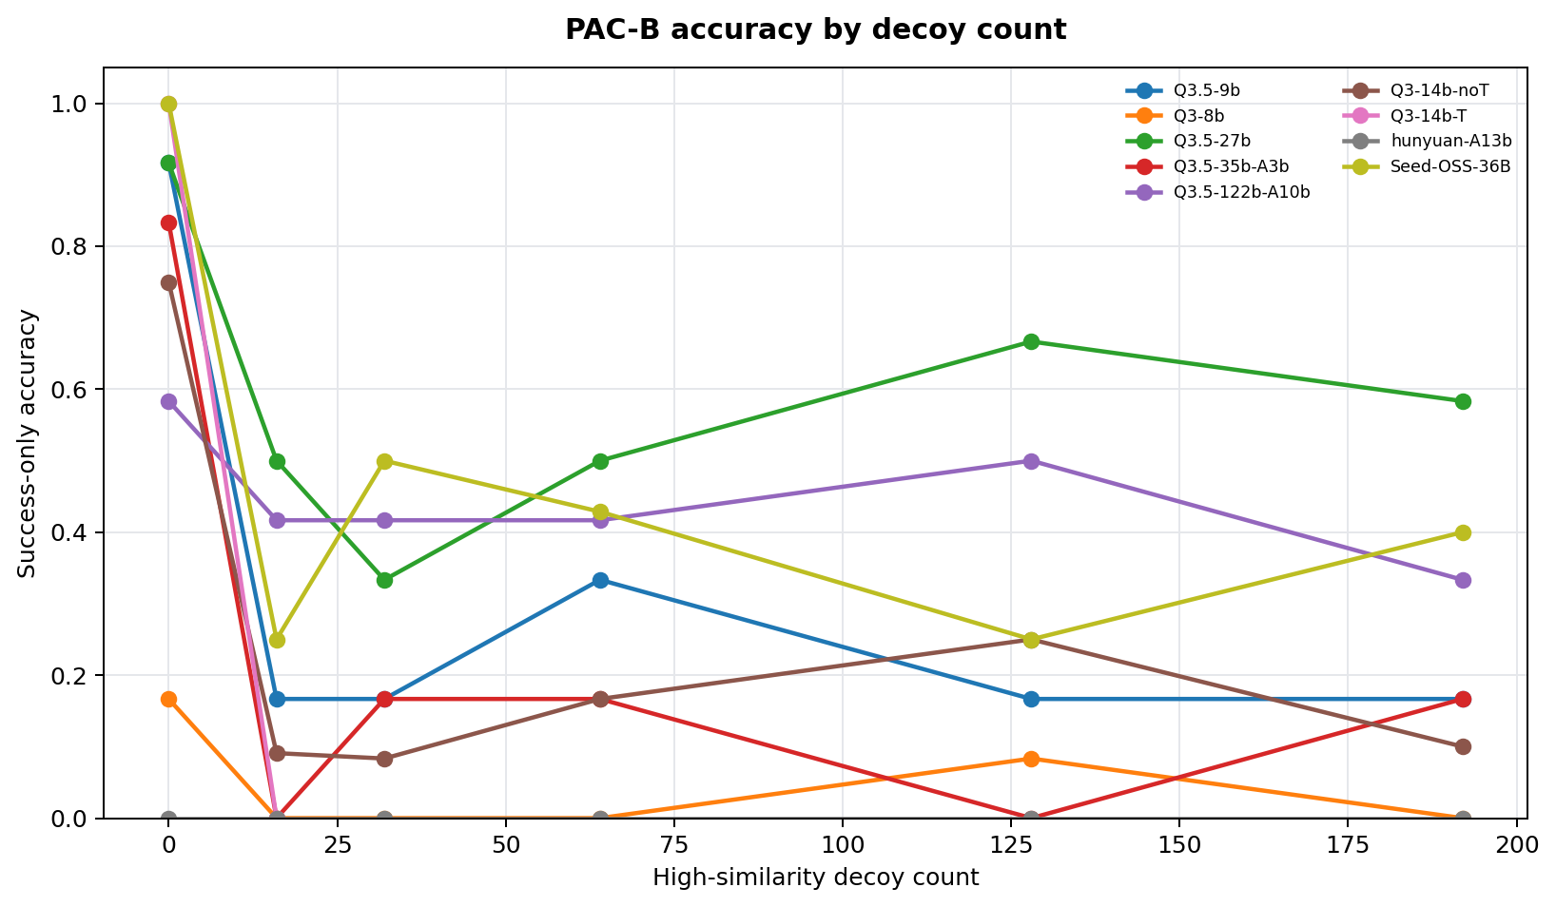
 |  | fig_pac_b_interference


 |  | fig_pac_c_binding

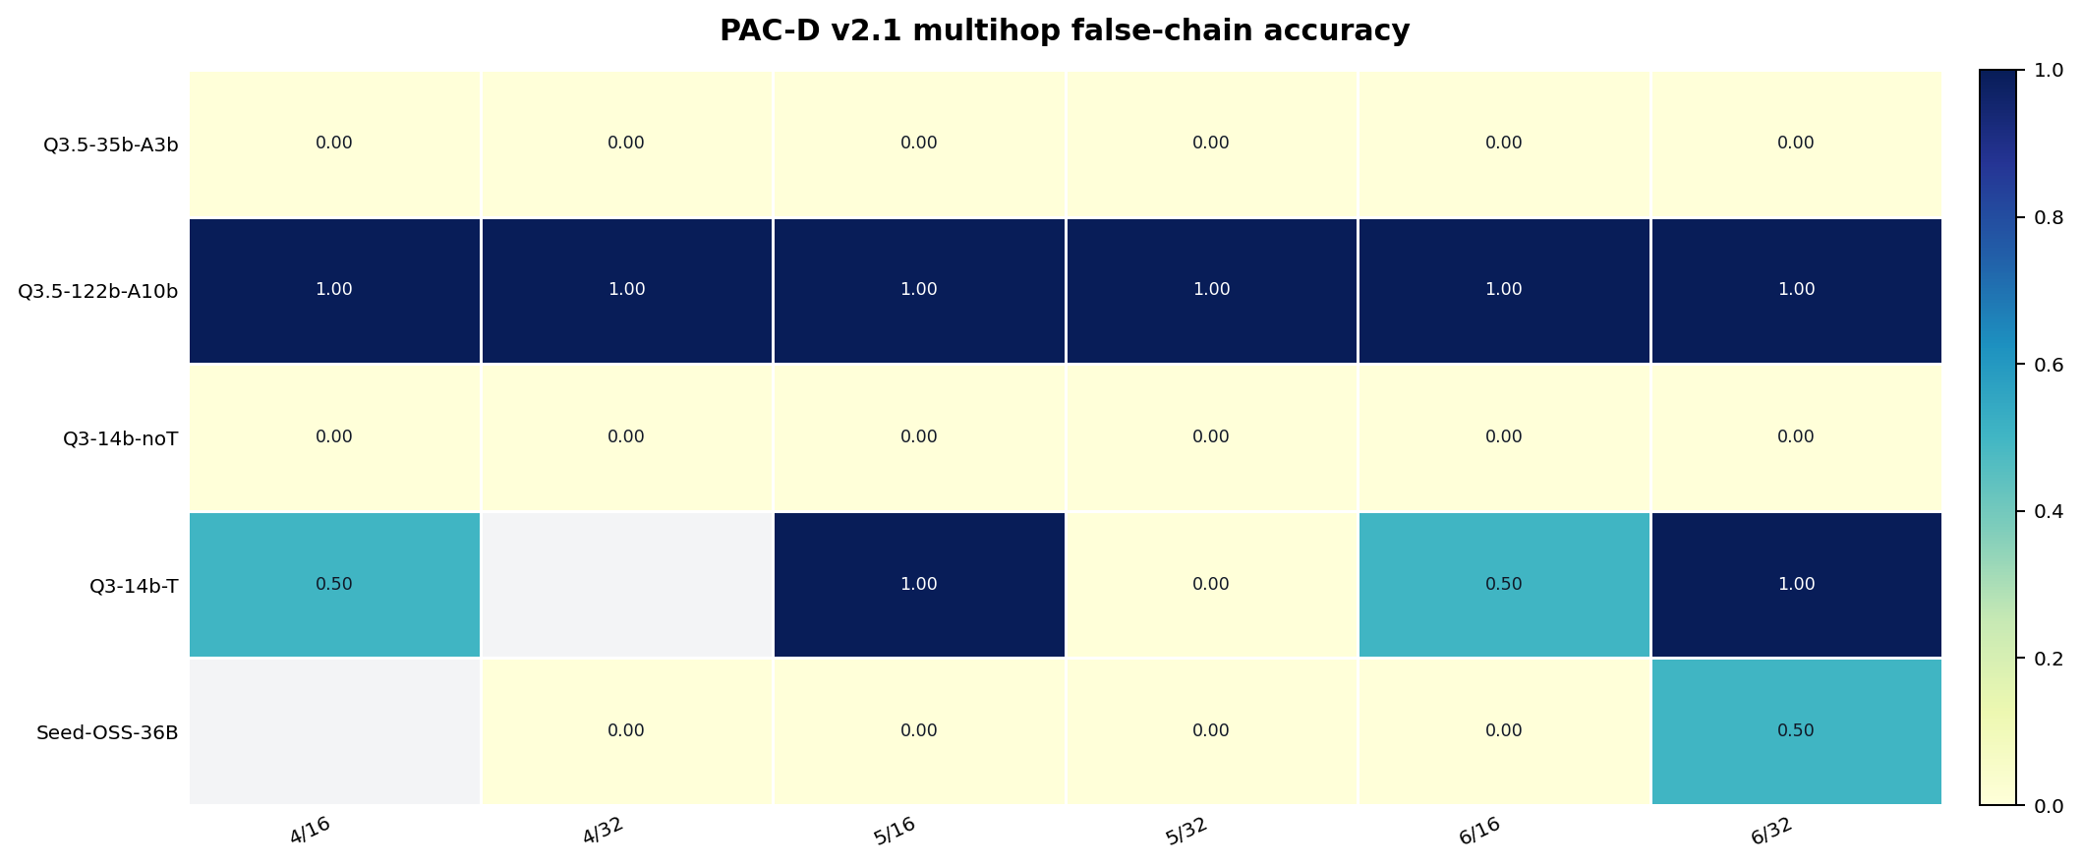
 |  | fig_pac_d_multihop

