Dashboard
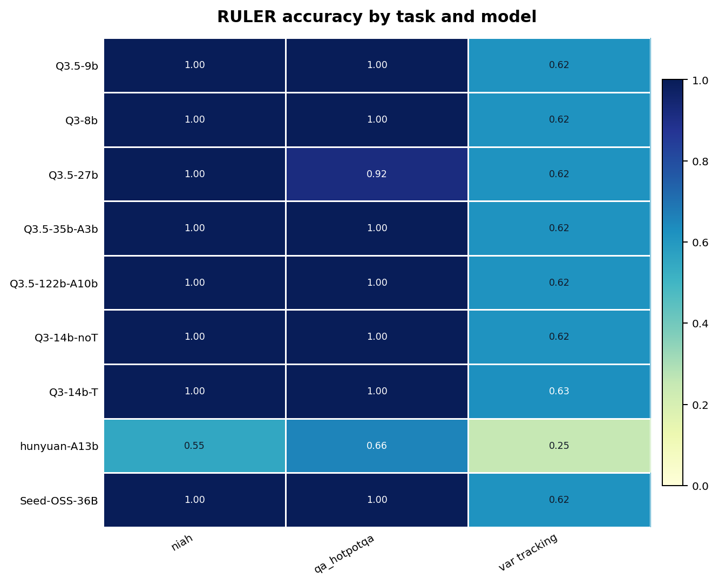
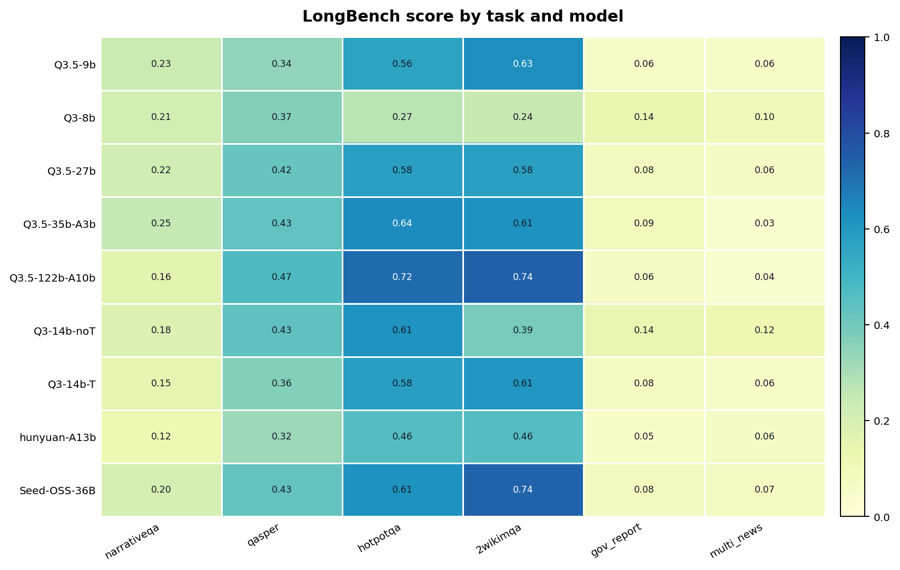
Public Benchmark Summary |  | Key Figures
Generated at | 2026-07-07 23:01:31 | fig_longbench_task_heatmap
Scope | LongBench, NIAH, and RULER public benchmark results
Scoring note | Main scores use successful API calls; coverage/error_rate tracks API failures separately.

Figure | Relative path
fig_coverage_heatmap | figures\coverage_heatmap.png
fig_longbench_task_heatmap | figures\longbench_task_heatmap.png
fig_longbench_category_heatmap | figures\longbench_category_heatmap.png
fig_longbench_model_ranking | figures\longbench_model_ranking.png
fig_niah_subtask_heatmap | figures\niah_variant_heatmap.png
fig_niah_single_position_heatmap | figures\niah_single_position_32768.png
fig_niah_single_position_lines | figures\niah_single_position_lines_32768.png
fig_ruler_task_heatmap | figures\ruler_task_heatmap.png
fig_ruler_task_length_heatmap | figures\ruler_task_length_heatmap.png
fig_ruler_context_length_lines | figures\ruler_context_length_lines.png

 |  | fig_niah_subtask_heatmap
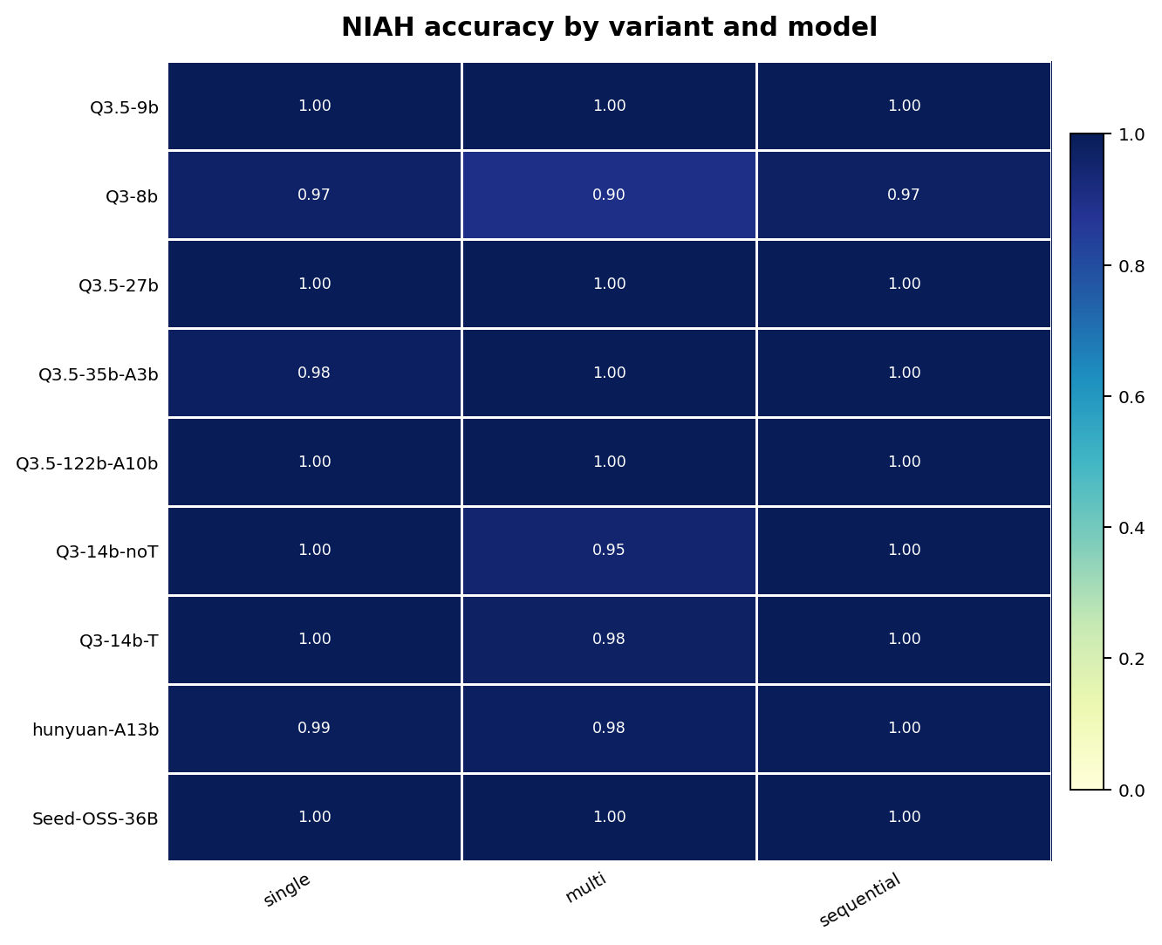

 |  | fig_ruler_task_heatmap

