Figure Panels
PAC-Improve Publication Figure Panels
All figure labels are in English. Figures are generated from aggregate paired results only.

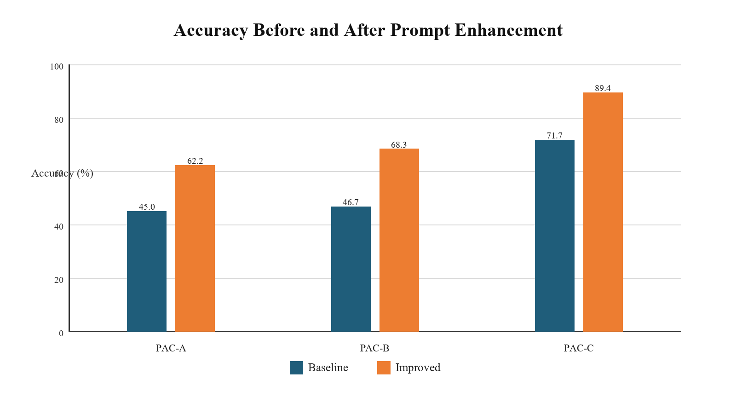
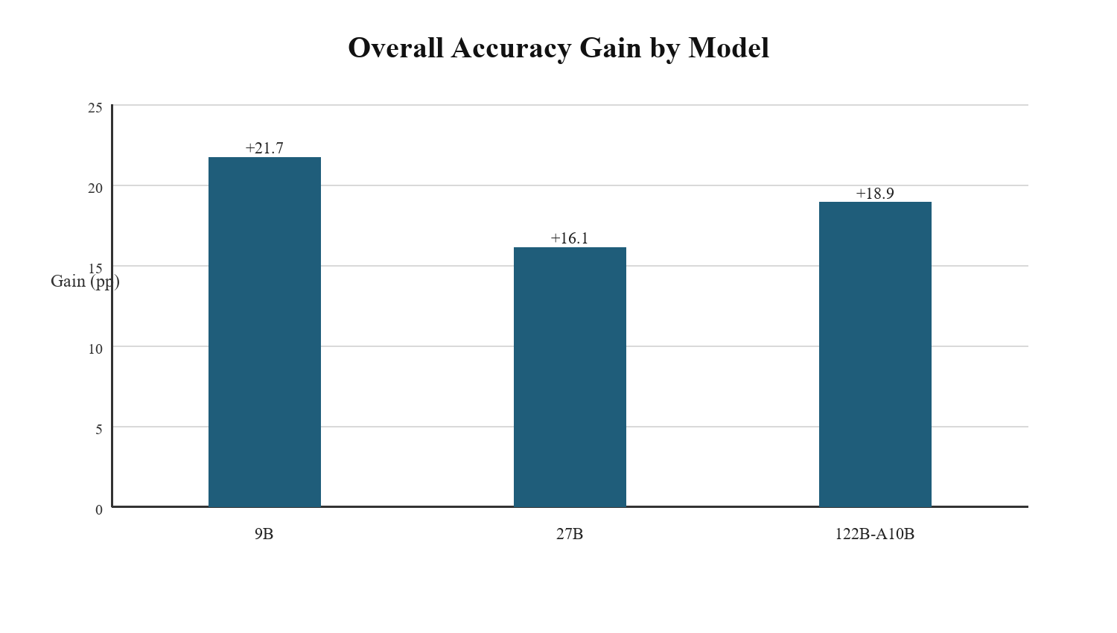

Figure 1. Accuracy before and after prompt enhancement across PAC-A, PAC-B, and PAC-C. | Figure 2. Overall accuracy gain by model, measured on paired baseline/improve samples.

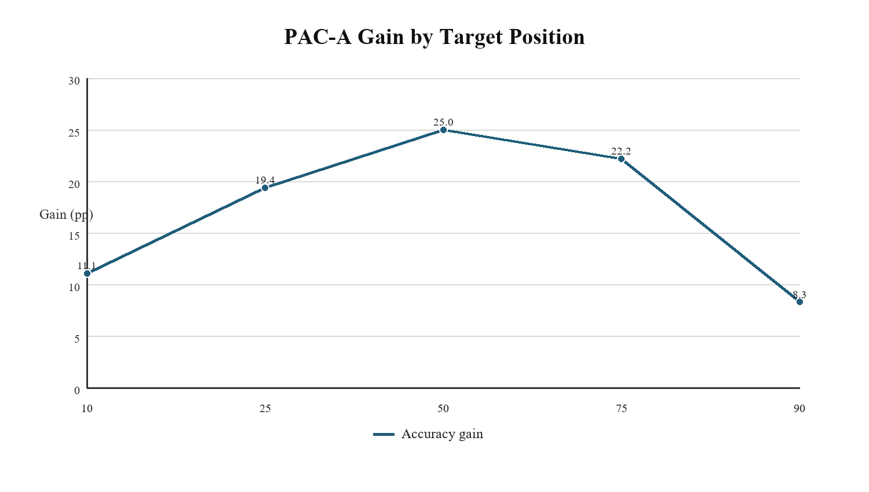
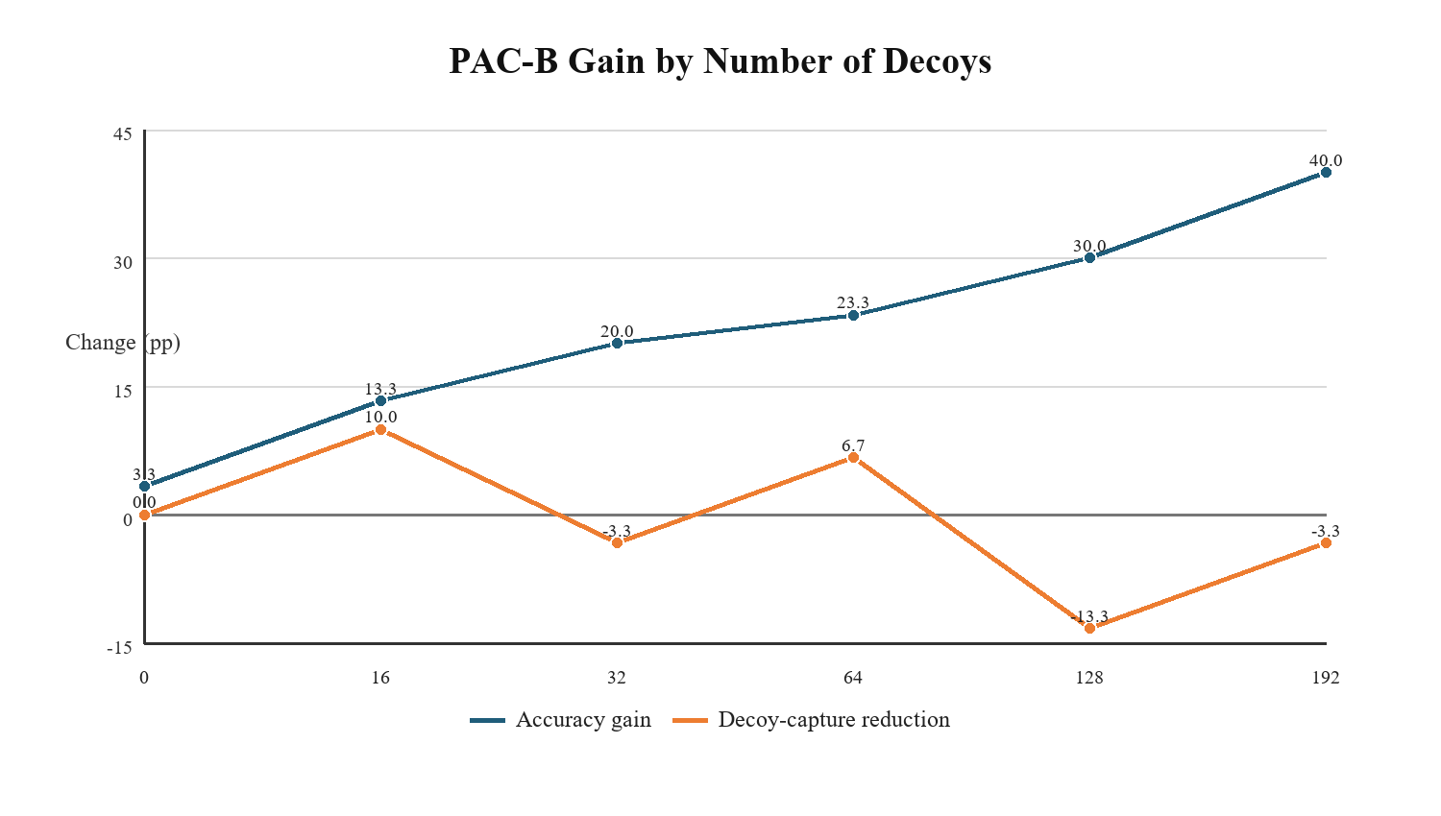

Figure 3A. PAC-A gain by target position percentile. | Figure 3B. PAC-B gain by decoy count and decoy-capture reduction.

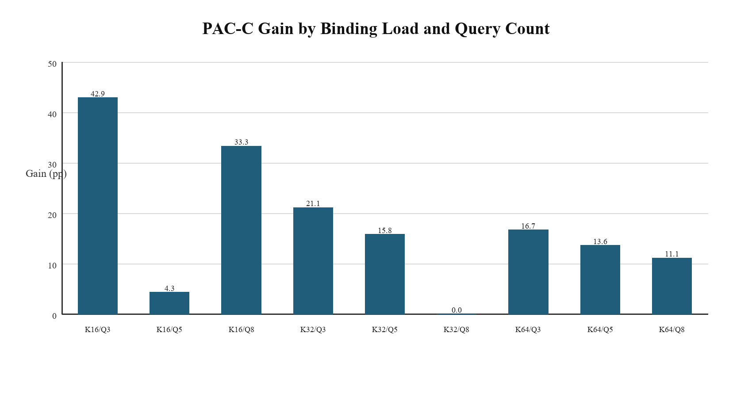

Figure 3C. PAC-C gain by binding load K and query count Q.

